Coach_Roster_style
Founded: | 1855 | 49809 | Enrollment:

Hockey Program: | 1921 - 1930, 1949 - present

Head Coach: | Adam Nightengale
 | 2nd Year
Assistants | Jared DeMichiel, Mike Towns and Brad Fast

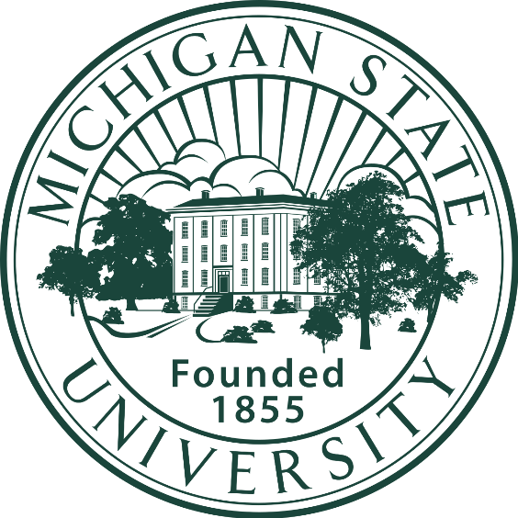
 |  |  | Location: | East Lansing, Michigan
 |  |  | Enrollment: | 49,809
 |  |  | School Founded: | 1855
Home Rink | Munn Ice Arena |  | Hockey Program Founded: | 1921

 | Hockey Program | 1921 - 1930 and Since 1949 | NCAA Appearances: | 23
 |  |  | Frozen Fours: | 9
 | Nationals Championships: | 3 | Nationals Championships: | 3
NCAA Appearances | 23 | 8 | Conference Titles | 8
Frozen Fours: | 9 | 11 | Conference Tourney Titles | 11

 |  |  | Head Coach: | Adam Nightengale
 |  |  | Record: | 2nd Year (30-22-4)
 |  |  | Assistants: | Jared DeMichiel, Mike Towns, Brad Fast

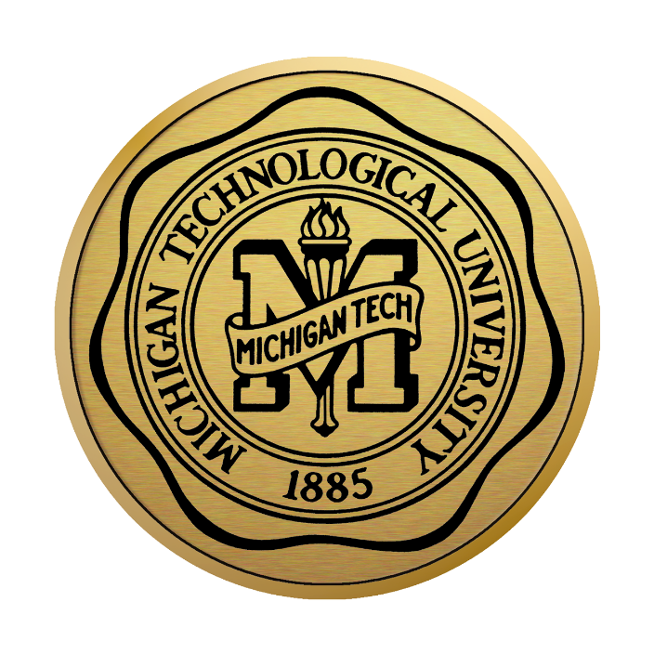
 |  |  | Location: | Houghton, Michigan
 |  |  | Enrollment: | 7,034
 |  |  | School Founded: | 1885
 |  |  | Hockey Program Founded: | 1919

 |  |  | NCAA Appearances: | 15
 |  |  | Frozen Fours: | 10
 |  |  | Nationals Championships: | 3
 |  |  | Conference Titles | 7
 |  |  | Conference Tourney Titles | 11

 |  |  | Head Coach: | Joe Shawhan
 |  |  | Record: | 7th Year (127-96-22)
 |  |  | Assistants: | Tyler Shelast, Jordy Murray, Alec Broetzman

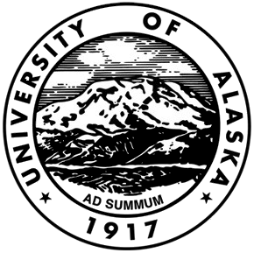
 |  |  | Location: | Fairbanks, Alaska
 |  |  | Enrollment: | 5,844
 |  |  | School Founded: | 1917
 |  |  | Hockey Program Founded: | 1925

 |  |  | NCAA Appearances: | 1
 |  |  | Frozen Fours: | 0
 |  |  | Nationals Championships: | 0
 |  |  | Conference Titles | 1
 |  |  | Conference Tourney Titles | 0

 |  |  | Head Coach: | Erik Largen
 |  |  | Record: | 5th Year (73-70-13)
 |  |  | Assistants: | Chris Brown, Lenny Hofmann, PD Melgoza


 |  |  | Location: | Big Rapids, Michigan | Ferris State
 |  |  | Enrollment: | 10,361 | Big Rapids, Michigan
 |  |  | School Founded: | 1884
 |  |  | Hockey Program Founded: | 1975 | 1884
 |  |  |  |  | Public
 |  |  | NCAA Appearances: | 4 | Ferris Insitute, Ferris College
 |  |  | Frozen Fours: | 1 | 10,361
 |  |  | Nationals Championships: | 0
 |  |  | Conference Titles | 3
 |  |  | Conference Tourney Titles | 1

 |  |  | Head Coach: | Bob Daniels | 1975 | Mascot
 |  |  | Record: | 32nd Year (492-592-113) |  | Hockey Program Started | 1925 | 1975
 |  |  | Assistants: | Drew Famulak, Mark Kaufman, Dave Cencer | 1 | Total Record - All Time
 |  |  |  |  | 0 | Frozen Four | 0 | 1
 |  |  |  |  | 4 | Nationals Championships | 0 | 0
 |  |  |  |  | 3 | NCAA Appearances | 1 | 4
 |  |  |  |  | 1 | Conference Titles (RS) | 1 | 3
 |  |  |  |  |  | Conference Titles (Playoff) | 0 | 1

 |  |  |  |  | Bob Daniels
 |  |  |  |  | 32
 |  |  |  |  | 492-592-113
 |  |  |  |  | same
 |  |  |  |  | Drew Famulak, Mark Kaufman, Dave Cencer
 |  |  |  |  | Ewigleben Arena

