Architecture
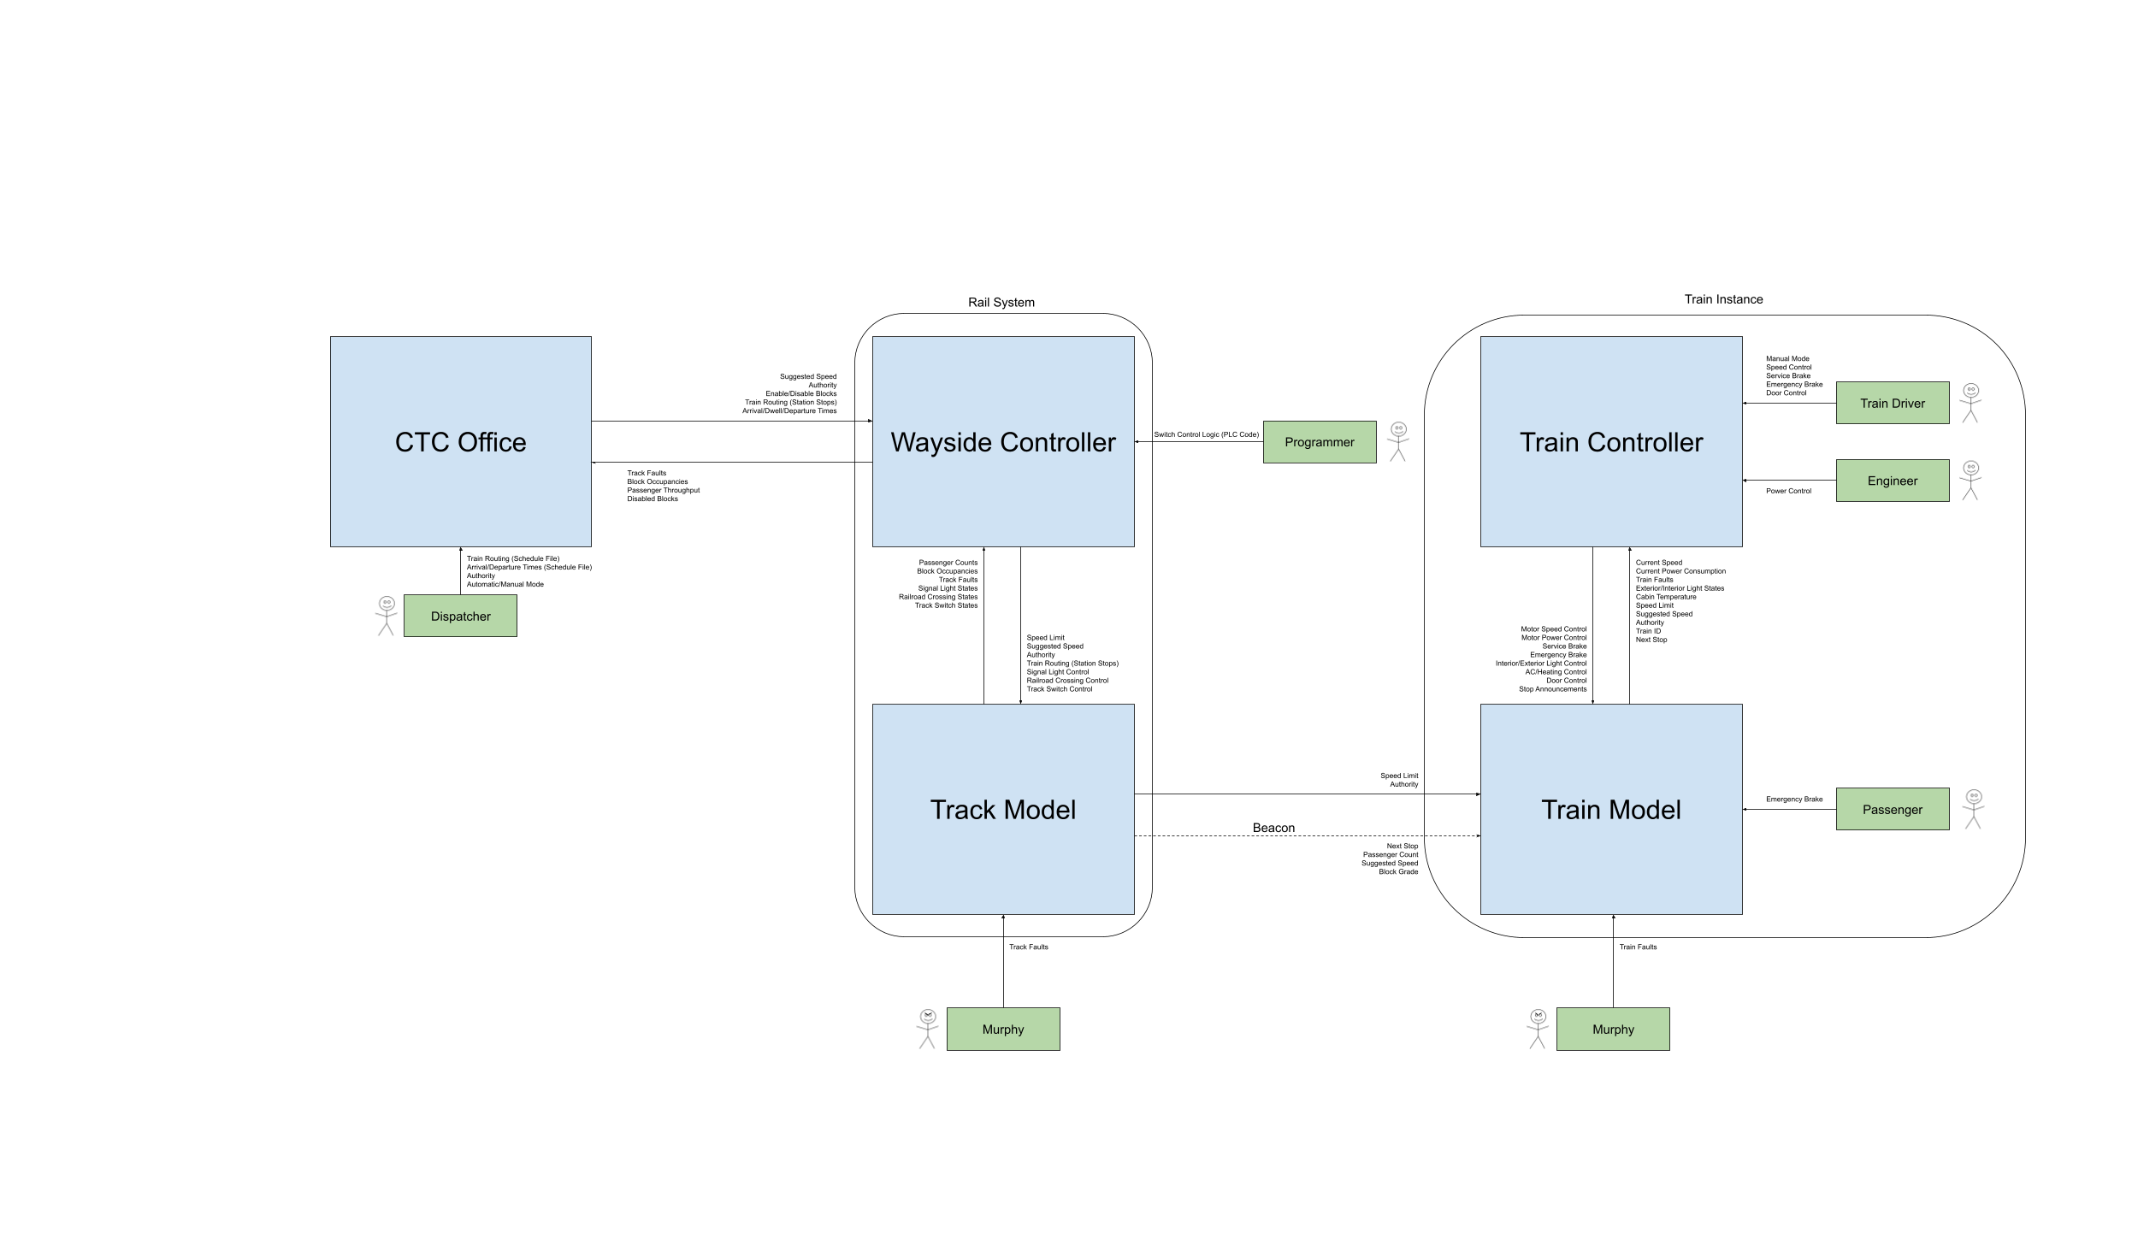
 | Name | Assigned To: | Initial Creation Date | Last Update Date | Version Number
System Name | Train Control System | Aurora | 2023-09-08
Module 1 | CTC | Alex | 2023-09-08 | 2023-09-27 | 4
Module 2 | Wayside Controller | Cameron (Hardware) / Justin (Software) | 2023-09-08 | 2023-09-27 | 4
Module 3 | Track Model | Kyle | 2023-09-08 | 2023-09-27 | 4
Module 4 | Train Model | Yuheng | 2023-09-08 | 2023-09-27 | 4
Module 5 | Train Controller | Yun | 2023-09-08 | 2023-09-27 | 4
Module 6 | MBO | Student Name Here

Draw Architecture below.

