Blue
Line | Section | Block Number | Block Length (m) | Block Grade (%) | Speed Limit (Km/Hr) | StationList | SwitchList | LightList | ELEVATION (M) | CUMALTIVE ELEVATION (M) | infrastructure | Polarity | Underground
Blue | A | 0 | 50 | 0 | 50 | 0 |  | 0 | 0 | 0 | Yard | 0 | 0
Blue | A | 1 | 50 | 0 | 50 |  |  | 1 | 0.00 | 0.00 | N/A | 1 | 0
Blue | A | 2 | 50 | 0 | 50 |  |  | 2 | 0.00 | 0.00 | N/A | 0 | 0
Blue | A | 3 | 50 | 0 | 50 |  |  | 3 | 0.00 | 0.00 | N/A | 1 | 0
Blue | A | 4 | 50 | 0 | 50 |  |  | 4 | 0.00 | 0.00 | N/A | 0 | 0
Blue | A | 5 | 50 | 0 | 50 |  | 1 | 5 | 0.00 | 0.00 | switch | 1 | 0
Blue | B | 6 | 50 | 0 | 50 |  |  | 6 | 0.00 | 0.00 | switch | 0 | 0
Blue | B | 7 | 50 | 0 | 50 |  |  | 7 | 0.00 | 0.00 | N/A | 1 | 0
Blue | B | 8 | 50 | 0 | 50 |  |  | 8 | 0.00 | 0.00 | N/A | 0 | 0
Blue | B | 9 | 50 | 0 | 50 |  |  | 9 | 0.00 | 0.00 | N/A | 1 | 0
Blue | B | 10 | 50 | 0 | 50 | 1 |  | 10 | 0.00 | 0.00 | Station B | 0 | 0
Blue | C | 11 | 50 | 0 | 50 |  |  | 11 | 0.00 | 0.00 | switch | 1 | 0
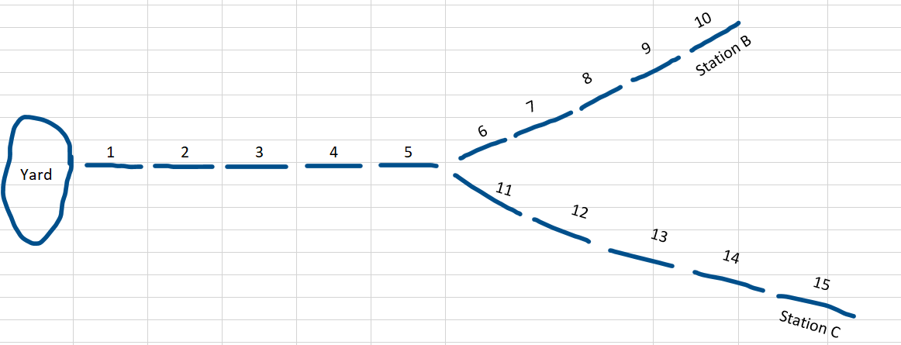
Blue | C | 12 | 50 | 0 | 50 |  |  | 12 | 0.00 | 0.00 | N/A | 0 | 0
Blue | C | 13 | 50 | 0 | 50 |  |  | 13 | 0.00 | 0.00 | N/A
Blue | C | 14 | 50 | 0 | 50 |  |  | 14 | 0.00 | 0.00 | N/A
Blue | C | 15 | 50 | 0 | 50 | 2 |  | 15 | 0.00 | 0.00 | Station C

