Sheet1
Total sessions:
71812
Conversation Rate:
1.436 %
Bounce Rate:
50.699 %
Avg. session duration (seconds): 296.782
Page/session:
376.837

Total Visitors:
71812
Total transactions:
1031
% New versus returning visitors: 81.5588 %
Total revenue: 124499280000
Avg. Transaction Value: 302.3284

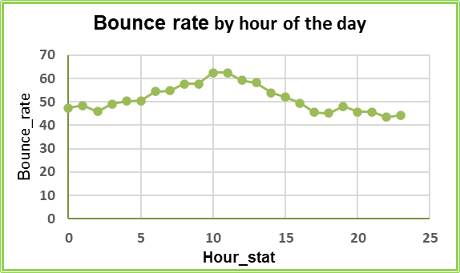
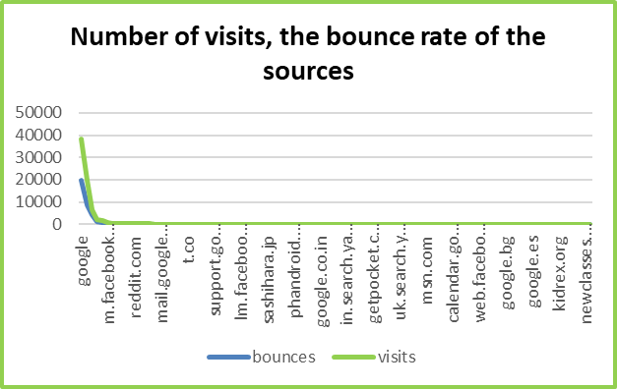
conversion_rate
 | conversion_rate
google | 0.9140625
(direct) | 3.2828917601
youtube.com | 0.015745551882
analytics.google.com | 0
Partners | 0.22371364653
m.facebook.com | 0.14947683109
google.com | 0
dfa | 1.3245033113
sites.google.com | 3.0434782609
facebook.com | 0
reddit.com | 0
qiita.com | 0
baidu | 0
quora.com | 0
bing | 1.8018018018
mail.google.com | 2.9702970297
yahoo | 3
blog.golang.org | 0
l.facebook.com | 0
groups.google.com | 0
t.co | 0
google.co.jp | 0
m.youtube.com | 0
dealspotr.com | 0
productforums.google.com | 0
support.google.com | 0
ask | 0
int.search.tb.ask.com | 0
optimize.google.com | 0
docs.google.com | 0
lm.facebook.com | 0
l.messenger.com | 0
adwords.google.com | 0
duckduckgo.com | 0
google.co.uk | 0
sashihara.jp | 0
lunametrics.com | 0
search.mysearch.com | 0
outlook.live.com | 10
tw.search.yahoo.com | 0
phandroid.com | 0
plus.google.com | 0
connect.googleforwork.com | 0
m.yz.sm.cn | 0
search.xfinity.com | 0
google.co.in | 0
s0.2mdn.net | 0
hangouts.google.com | 0
google.ru | 0
online-metrics.com | 0
...

Number of visits (bounce) by hour of the day
 | bounces | visit_time
0 | 1342 | 2827
1 | 1317 | 2721
2 | 1222 | 2659
3 | 1254 | 2555
4 | 1327 | 2640
5 | 1267 | 2510
6 | 1385 | 2545
7 | 1415 | 2587
8 | 1438 | 2494
9 | 1285 | 2227
10 | 1402 | 2246
11 | 1430 | 2286
12 | 1523 | 2572
13 | 1806 | 3102
14 | 1847 | 3423
15 | 1936 | 3724
16 | 1900 | 3845
17 | 1822 | 3998
18 | 1715 | 3794
19 | 1728 | 3594
20 | 1743 | 3819
21 | 1675 | 3666
22 | 1347 | 3092
23 | 1282 | 2886
 | bounce_rate
google | 51.557291667
(direct) | 43.265798602
youtube.com | 66.729648874
analytics.google.com | 53.955375254
Partners | 52.348993289
m.facebook.com | 64.275037369
google.com | 49.72826087
dfa | 41.059602649
sites.google.com | 42.173913043
facebook.com | 53.403141361
reddit.com | 28.571428571
qiita.com | 49.315068493
baidu | 60
quora.com | 50
bing | 48.648648649
mail.google.com | 24.752475248
yahoo | 41
blog.golang.org | 29.230769231
l.facebook.com | 88.235294118
groups.google.com | 44
t.co | 71.052631579
google.co.jp | 69.444444444
m.youtube.com | 64.705882353
dealspotr.com | 46.153846154
productforums.google.com | 84
support.google.com | 66.666666667
ask | 66.666666667
int.search.tb.ask.com | 73.913043478
optimize.google.com | 47.619047619
docs.google.com | 40
lm.facebook.com | 50
l.messenger.com | 35.294117647
adwords.google.com | 43.75
duckduckgo.com | 87.5
google.co.uk | 46.666666667
sashihara.jp | 57.142857143
lunametrics.com | 61.538461538
search.mysearch.com | 91.666666667
outlook.live.com | 70
tw.search.yahoo.com | 80
phandroid.com | 77.777777778
plus.google.com | 25
connect.googleforwork.com | 62.5
m.yz.sm.cn | 71.428571429
search.xfinity.com | 100
google.co.in | 50
s0.2mdn.net | 60
hangouts.google.com | 20
google.ru | 20
online-metrics.com | 40
...

