Hoja 5
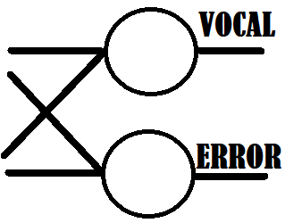
 | [26x1] | INPUT | RECONOCE LETRA
[ A, B, C . . . Y, Z ]

Las redes neuronales realizan un excelente trabajo reconociendo las letras, a pesar de que solo se les dio un ejemplo de cada letra.

