DAC_register
RTC | Addr[31:16] |  |  |  |  |  |  |  |  |  |  |  |  |  |  |  |  | VHDL | Additaional Explanation | Addr(Hex)
 | R/W | CS |  | Addr[28:16]
 | 1 | 0 | 0 | DAC | Mode select [28:27]
 |  |  |  |  | 1 | 0 | 0 | 0 | 0 | 0 | 0 | 0 | 0 | 0 | 0 | 0 | 0 | DAC_data_input | (Voltage*2.933) + 0.063 | 9000
 |  |  |  |  |  |  | 0 | 0 | 0 | 0 | 0 | 0 | 0 | 0 | 0 | 0 | 1 | DAC_en | 0 : Off, 1 : On | 9001
 |  |  |  |  |  |  | 0 | 0 | 0 | 0 | 0 | 0 | 0 | 0 | 0 | 1 | 0 | DAC_on | DAC HV enable signal(90V_EN_B) | 9002
 |  |  |  |  |  |  |  |  |  |  |  |  |  |  |  |  |  |  | 0 : disable, 1 : Enable

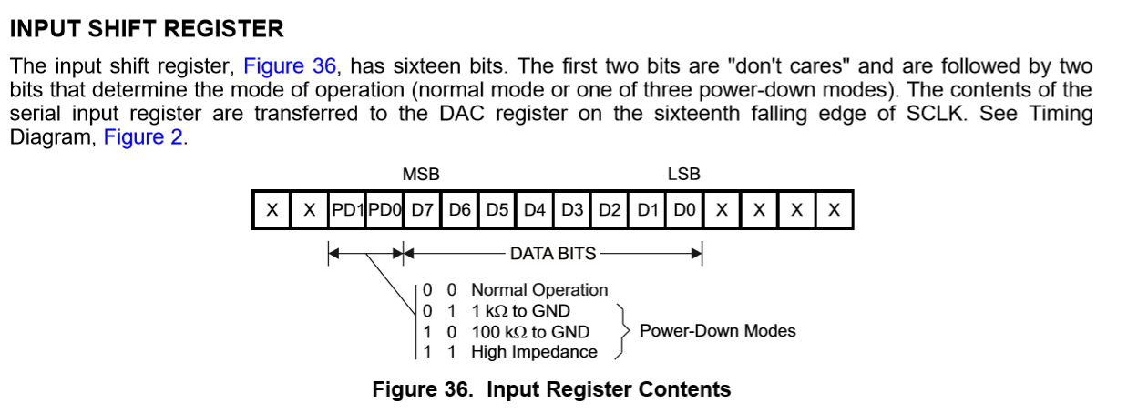

 |  |  |  |  | Normal operation mode 사용(data_input = (set_voltage*2.933) +0.063, 기존 C#코드 참고할 것)

