Sheet1
55-64 (Dragon) |  |  | 0 | 1 | 2 | 3 | 4 | 5 | 6 | 7 | 8 |  | Based on K2, Last Updated 11/24/2018
 |  |  | 75-78 (Keoni) | 9 | 10 | 79-82 (Tenba) | 11 | 83-85 (Yehuda) | 12 | 65-74 (Eagle) |  |  |  | Battle Zone Popup
 |  |  | 13 | 14 | 15 | 86-89 (Shrek) | 16 | 17 | 18
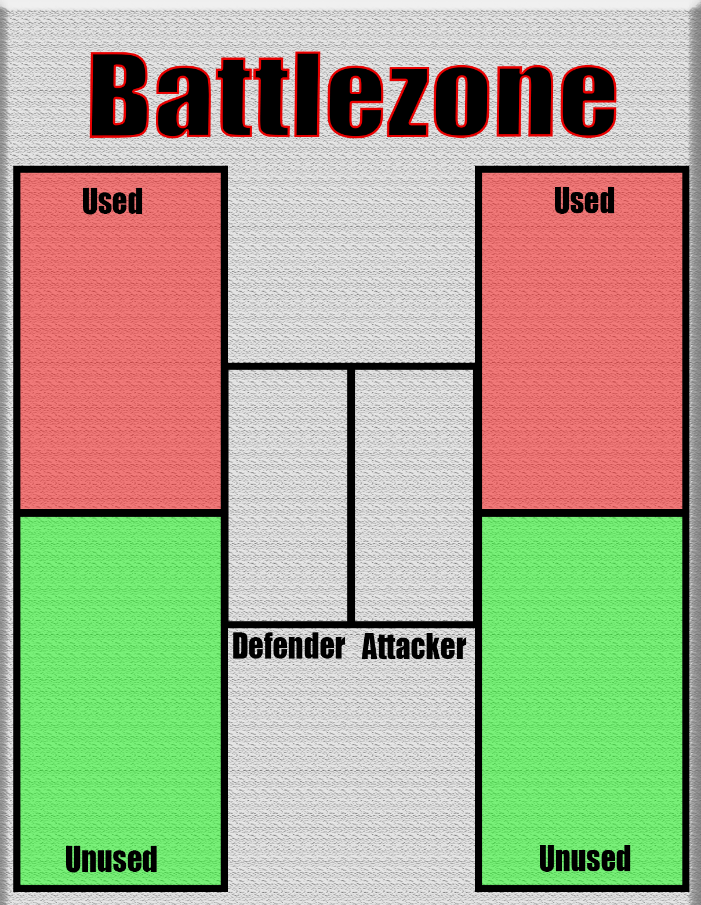
 | 19 | 20 | 21 | 90-93 (Iza) | 22 | 23 | 24 | 94-96 (Shor) | 25 |  |  |  |  |  |  | outcome
 | 26 | 97-99 (Zmar) | 27 |  | 28 | 100-102 (Zehain) | 29 | 30 | 31 |  |  |  |  |  | 4 |  |  | 3
 | 32 | 33 | 34 | 35 | 103-106 (Fuller) | 36 | 37 | 107-110 (Tepukah) | 38 |  |  |  |  |  |  | 6 | 5
 | 39 | 40 | 111-113 (Rico) | 41 | 42 | 114-117 (Sito) | 43 | 44 | 45 |  |  |  |  |  | 2 |  |  | 1
 | 46 | 47 | 48 | 49 | 50 | 51 | 52 | 53 | 54 |  |  | bought' troops zone is 118 |  |  |  | buttons

