xfzh9数据1
Lottery Choice Experiment: Results

Set for a Maximum of 70 Participants
Session Name = xfzh9, Survey = no, Description = March 15 2021, Skip Instructions = no
Randomization Method: Computerized, Final Payoff Method: Randomly Selected Round, Show Earnings Method = manual
Presentation Order = normal, Initial Payment = $0, Start Probability = 0.10

Note: At least two people have logged on from the same IP address, as indicated below.
This will not be a problem unless the same person has logged on twice using two different names.

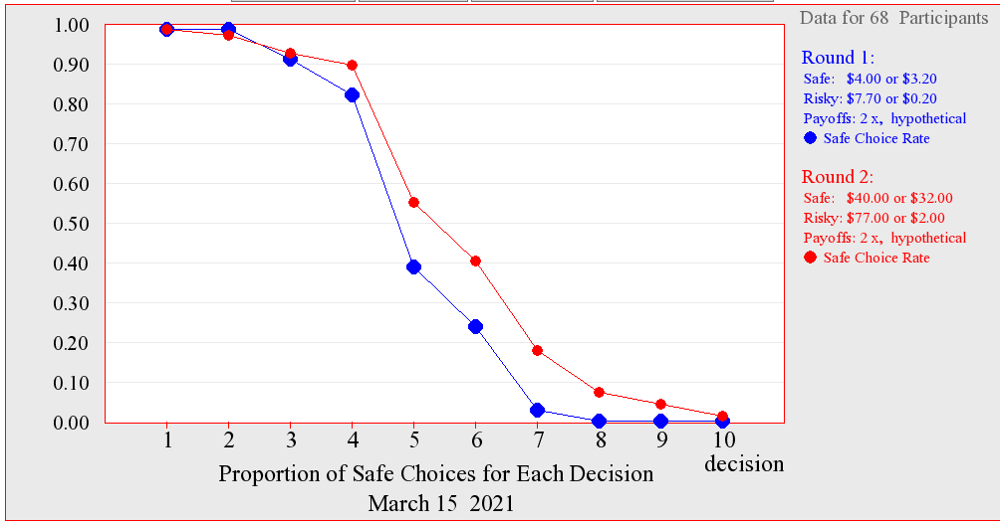
Key: Safe Choice (S), Risky Choice (R)
Name, ID | Round 1 | Round 2 | Earnings | Final
 | 2x payoffs | 2x payoffs | by Round | Earnings
 | hypothetical | hypothetical | (hypothetical)
 | S: $4.00, $3.20 | S: $40.00, $32.00
 | R: $7.70, $0.20 | R: $77.00, $2.00
3180103825 Chen, 1 | SSRRRRRRRR | SSSSRRRRRR | $3.20 $32.00 | $32.00
 |  |  |  | (round 2)
3180102984 Wang, 2 | SSSSSSRRRR | SSSSSSSSRR | $7.70 $40.00 | $7.70
 |  |  |  | (round 1)
3180104612 Mei Xuchen, 3 | * | * |  | $0.00
3180101934 Wang, 4 | SSSSSRRRRR | SSSSSRRRRR | $7.70 $40.00 | $0.00
3180103579 ZHU, 5 | SSSSRRRRRR | SSSSRRRRRR | $7.70 $77.00 | $7.70
 |  |  |  | (round 1)
3180103795 zhangqitao, 6 | SSSSRRRRRR | SSSSRRRRRR | $7.70 $2.00 | $2.00
 |  |  |  | (round 2)
3180103865 XU, 7 | SSSSRRRRRR | SSSSRRRRRR | $3.20 $32.00 | $32.00
 |  |  |  | (round 2)
3170105991 lu, 8 | SSSSSSRRRR | SSSSSSRRRR | $3.20 $40.00 | $40.00
 |  |  |  | (round 2)
3180103836 zhu, 9 | SSSSRRRRRR | SSSSRRRRRR | $7.70 $77.00 | $77.00
 |  |  |  | (round 2)
3180102162 ZHANG, 10 | SSSSSSRRRR | SSSSSSSRRR | $3.20 $32.00 | $3.20
 |  |  |  | (round 1)
3180103924 zhu, 11 | SSSSSSRRRR | SSSSSSSSSR | $3.20 $32.00 | $32.00
 |  |  |  | (round 2)
3180103895 Wang, 12 | SSSSSRRRRR | SSSSSRRRRR | $4.00 $77.00 | $4.00
 |  |  |  | (round 1)
3180103886 zhao, 13 | SSSSRRRRRR | SSSSSSRRRR | $7.70 $77.00 | $7.70
 |  |  |  | (round 1)
3180106421 Lv, 14 | SSSSRRRRRR | SSSSRRRRRR | $0.20 $77.00 | $0.20
 |  |  |  | (round 1)
3180103159 HUANG, 15 | SSRRRRRRRR | SRRRRRRRRR | $0.20 $77.00 | $77.00
 |  |  |  | (round 2)
3170102823 Tong Xueran, 16 | SSSSRRRRRR | SSSSRRRRRR | $3.20 $77.00 | $3.20
 |  |  |  | (round 1)
3180103993 xiatian, 17 | SSSSRRRRRR | SSSSSSRRRR | $4.00 $77.00 | $77.00
 |  |  |  | (round 2)
3180101879 Chang, 18 | SSSSRRRRRR | SSSSSSSSSR | $7.70 $40.00 | $7.70
 |  |  |  | (round 1)
3180102725 Yu, 19 | SSSSRRRRRR | SSSSSSSSSS | $0.20 $32.00 | $32.00
 |  |  |  | (round 2)
3180101672 zhu, 20 | SSSSRRRRRR | SSSSSRRRRR | $7.70 $77.00 | $77.00
 |  |  |  | (round 2)
3160104035 YANG, 21 | SSSSSRRRRR | SSSSRRRRRR | $3.20 $32.00 | $32.00
 |  |  |  | (round 2)
3180106450 li, 22 | SSSSSRRRRR | SSSSSSRRRR | $4.00 $40.00 | $40.00
 |  |  |  | (round 2)
3180103831 Chen, 23 | SSSSRRRRRR | SSSSSSRRRR | $7.70 $77.00 | $77.00
 |  |  |  | (round 2)
3180101716 Tang, 24 | SSSSRRRRRR | SSSSRRRRRR | $3.20 $77.00 | $77.00
 |  |  |  | (round 2)
3150100255 Weng, 25 | SSSSSSSRRR | SSSSSSSRRR | $7.70 $77.00 | $7.70
 |  |  |  | (round 1)
3180102895 wang, 26 | SSSSRRRRRR | SSSSRRRRRR | $4.00 $40.00 | $40.00
 |  |  |  | (round 2)
3170105290 Tu, 27 | SSSSSSRRRR | SSSSSSSRRR | $4.00 $77.00 | $4.00
 |  |  |  | (round 1)
3180104942 qin, 28 | SSSSSSRRRR | SSSSSSSSRR | $3.20 $40.00 | $3.20
 |  |  |  | (round 1)
3180104997 fan, 29 | SSSSSSRRRR | SSSSSRRRRR | $4.00 $77.00 | $77.00
 |  |  |  | (round 2)
3180102108 zheng, 30 | SSSSSRRRRR | SSSSSSRRRR | $7.70 $32.00 | $7.70
 |  |  |  | (round 1)
3180102053 Ren, 31 | SSSSSRRRRR | SSSSSRRRRR | $7.70 $32.00 | $7.70
 |  |  |  | (round 1)
3180104977 Guo, 32 | SSSSSSRRRR | SSSSSSRRRR | $3.20 $2.00 | $2.00
 |  |  |  | (round 2)
3170105439 wang, 33 | SSSSRRRRRR | SSSSSSRRRR | $3.20 $40.00 | $3.20
 |  |  |  | (round 1)
3180103892 zhou, 34 | SSSRRRRRRR | SSSRRRRRRR | $7.70 $32.00 | $32.00
 |  |  |  | (round 2)
3180103985 zhulifan, 35 | SSSSRRRRRR | SSSSRRRRRR | $3.20 $32.00 | $32.00
 |  |  |  | (round 2)
3180103291 GuSiming, 36 | SSSSSSRRRR | SSSSSSSRRR | $7.70 $40.00 | $40.00
 |  |  |  | (round 2)
3180103224 tian, 37 | SSSSRRRRRR | SSSRRRRRRR | $7.70 $77.00 | $77.00
 |  |  |  | (round 2)
3180103216 li, 38 | SSSSRRRRRR | SSSSRRRRRR | $7.70 $77.00 | $77.00
 |  |  |  | (round 2)
3180103937 gao, 39 | SSSRRRRRRR | SSSSRRRRRR | $7.70 $77.00 | $77.00
 |  |  |  | (round 2)
3180104136 tu, 40 | SSSSRRRRRR | SSSSRRRRRR | $7.70 $32.00 | $7.70
 |  |  |  | (round 1)
3180104612 mei, 41 | SSSSRRRRRR | SSSSSSRRRR | $3.20 $32.00 | $32.00
 |  |  |  | (round 2)
3180103285 Zheng, 42 | SSSSRRRRRR | SSSSRRRRRR | $3.20 $32.00 | $3.20
 |  |  |  | (round 1)
3180101853 hai, 43 | SSRRRRRRRR | SSRRRRRRRR | $7.70 $2.00 | $2.00
 |  |  |  | (round 2)
3180103296 guan, 44 | SSSSRRRRRR | SSSSRRRRRR | $0.20 $32.00 | $32.00
 |  |  |  | (round 2)
3180102909 wangyixiao, 45 | SSSRRRRRRR | SSSSSSRRRR | $7.70 $77.00 | $7.70
 |  |  |  | (round 1)
3180103879 chen, 46 | SSRRRRRRRR | SSSSSRRRRR | $7.70 $2.00 | $2.00
 |  |  |  | (round 2)
3180103842 chenzhengju, 47 | SSSSRRRRRR | SSSSRRRRRR | $3.20 $40.00 | $40.00
 |  |  |  | (round 2)
3180104009 zhu, 48 | SSSSSSSRRR | SSSSSSSRRR | $3.20 $77.00 | $3.20
 |  |  |  | (round 1)
3180103212 Zhou, 49 | SSSSSSRRRR | SSSSSSRRRR | $3.20 $77.00 | $77.00
 |  |  |  | (round 2)
3180105133 gaoyang, 50 | SSSSSSRRRR | SSSSSSRRRR | $4.00 $77.00 | $77.00
 |  |  |  | (round 2)
3180104963 wang, 51 | SSSSSSRRRR | SSSSSSRRRR | $4.00 $77.00 | $77.00
 |  |  |  | (round 2)
3180103222 Zheng, 52 | SSSSSRRRRR | SSSSSRRRRR | $4.00 $77.00 | $77.00
 |  |  |  | (round 2)
3180103839 Zhang, 53 | SSSSSSRRRR | SSSSRRRRRR | $4.00 $77.00 | $77.00
 |  |  |  | (round 2)
3180103894 MA, 54 | SSSSRRRRRR | SSSSRRRRRR | $3.20 $32.00 | $32.00
 |  |  |  | (round 2)
3180101852 bai, 55 | SSSSRRRRRR | SSSSRRRRRR | $7.70 $32.00 | $7.70
 |  |  |  | (round 1)
3180103227 ying, 56 | SSSRRRRRRR | SSSSSRRRRR | $7.70 $40.00 | $7.70
 |  |  |  | (round 1)
3180103205 LIN, 57 | SSSSSSRRRR | SSSSSSSRRR | $3.20 $32.00 | $3.20
 |  |  |  | (round 1)
3180102298 xu, 58 | SSSSSRRRRR | SSSSSRRRRR | $3.20 $77.00 | $3.20
 |  |  |  | (round 1)
3180105130 li, 59 | SSSRRRRRRR | SSRRRRRRRR | $7.70 $77.00 | $7.70
 |  |  |  | (round 1)
3180103905 , 60 | SSSSRRRRRR | SSSSRRRRRR | $3.20 $77.00 | $77.00
 |  |  |  | (round 2)
31080104016 Xia, 61 | SSRRRRRRRR | SSRRRRRRRR | $3.20 $32.00 | $32.00
 |  |  |  | (round 2)
3180102362 tan, 62 | SSSRRRRRRR | SSSSSSSRRR | $0.20 $77.00 | $0.20
 |  |  |  | (round 1)
3180100803 xu, 63 | SSSSRRRRRR | SSSSRRRRRR | $7.70 $32.00 | $32.00
 |  |  |  | (round 2)
3180105177 liu, 64 | SSSSSRRRRR | SSSSSRRRRR | $7.70 $40.00 | $40.00
 |  |  |  | (round 2)
3180102839 xi, 65 | SSSSRRRRRR | SSSSSSRRRR | $7.70 $32.00 | $7.70
 |  |  |  | (round 1)
3180104013 lv, 66 | SSSSRRRRRR | SSSSSSRRRR | $7.70 $77.00 | $7.70
 |  |  |  | (round 1)
3180103927 huangfeihong, 67 | RRRRRRRRRR | RRRRRRRRRR | $7.70 $2.00 | $7.70
 |  |  |  | (round 1)
3180103206 tian, 68 | SSSSSRRRRR | SSSSRRRRRR | $7.70 $2.00 | $7.70
 |  |  |  | (round 1)
Average Number | 4.36 | 5.04
of Safe Choices

xfzh10数据1
Lottery Choice Experiment: Results

Set for a Maximum of 70 Participants
Session Name = xfzh10, Survey = no, Description = March 15 2021, Skip Instructions = no
Randomization Method: Computerized, Final Payoff Method: Randomly Selected Round, Show Earnings Method = manual
Presentation Order = normal, Initial Payment = $0, Start Probability = 0.10

Key: Safe Choice (S), Risky Choice (R)
Name, ID | Round 1 | Round 2 | Earnings | Final
 | 2x payoffs | 2x payoffs | by Round | Earnings
 | hypothetical | hypothetical | (hypothetical)
 | S: $4.00, $3.20 | S: $40.00, $32.00
 | R: $7.70, $0.20 | R: $77.00, $2.00
3180106454 Yang, 1 | SSSSRSRRRR | SSSSSSSSRR | $0.20 $40.00 | $0.20
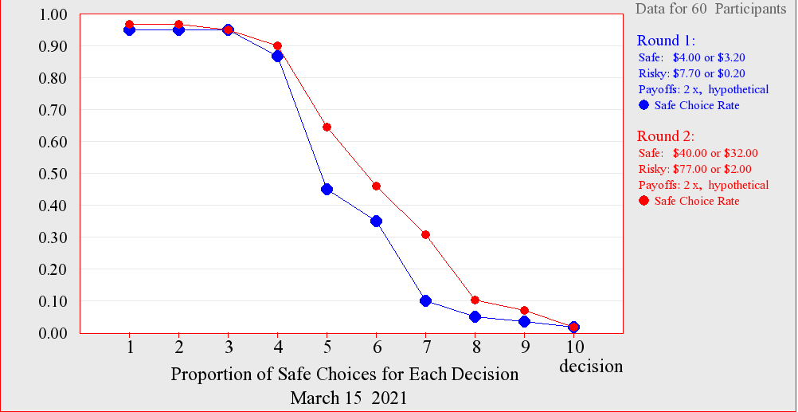
 |  |  |  | (round 1)
3180300215 pei, 2 | RRSRRSRSRR | SSRSRRRSRR | $0.20 $32.00 | $32.00
 |  |  |  | (round 2)
3180300173 CHAI, 3 | SSSSRRRRRR | SSSSSSSRRR | $0.20 $32.00 | $0.20
 |  |  |  | (round 1)
3190104761 xiatian, 4 | SSSSRRRRRR | SSSSRRRRRR | $3.20 $32.00 | $3.20
 |  |  |  | (round 1)
3180105944 wang, 5 | SSSSRRRRRR | SSSRRRRRRR | $3.20 $77.00 | $77.00
 |  |  |  | (round 2)
3180106447 Wang, 6 | SSSSSSSRRR | SSSSSSSRRR | $4.00 $32.00 | $32.00
 |  |  |  | (round 2)
3180105395 liu, 7 | SSSSSSRRRR | SSSSRRRRRR | $4.00 $40.00 | $4.00
 |  |  |  | (round 1)
3180300197 LEE, 8 | SSSSSRRRRR | SSSSSRRRRR | $7.70 $77.00 | $77.00
 |  |  |  | (round 2)
3180300098 Chen, 9 | SSSSSRRRRR | SSSSSSRRRR | $4.00 $32.00 | $4.00
 |  |  |  | (round 1)
3180300056 cai, 10 | SSSSSSRRRR | SSSSRRRRRR | $3.20 $2.00 | $2.00
 |  |  |  | (round 2)
3180300693 HAY SREY NOU, 11 | SSSSRRRRRR | SSSSSRRRRR | $7.70 $32.00 | $7.70
 |  |  |  | (round 1)
3180106443 Zhong, 12 | SSSSSSRRRR | SSSSSSRRRR | $7.70 $77.00 | $77.00
 |  |  |  | (round 2)
3170300659 Chipungu, 13 | SSSSSSRRRR | SSSSSRRRRR | $4.00 $32.00 | $4.00
 |  |  |  | (round 1)
3180300356 liu, 14 | SSSSSSRRRR | SSSSSSRRRR | $3.20 $77.00 | $77.00
 |  |  |  | (round 2)
3170101399 Shi, 15 | SSSSSSRRRR | SSSSSSSRRR | $7.70 $2.00 | $2.00
 |  |  |  | (round 2)
3170104371 GAO, 16 | SSSSRRRRRR | SSSSSRRRRR | $4.00 $77.00 | $77.00
 |  |  |  | (round 2)
3180300010 XIE, 17 | SSSSSSSRRR | RRRSSSSSSR | $4.00 $32.00 | $4.00
 |  |  |  | (round 1)
3180300449 cui, 18 | SSSSRRRRRR | SSSSRRRRRR | $7.70 $77.00 | $7.70
 |  |  |  | (round 1)
3180105930 Zheng, 19 | SSSSSSRRRR | SSSSRRRRRR | $3.20 $32.00 | $32.00
 |  |  |  | (round 2)
3180105911 fan, 20 | SSSSRRRRRR | SSSRSRRRRR | $3.20 $2.00 | $2.00
 |  |  |  | (round 2)
3180105766 qu, 21 | SSSSRRRRRR | SSSSSSSRRR | $7.70 $32.00 | $32.00
 |  |  |  | (round 2)
3180105868 wang, 22 | SSSSSRRRRR | SSSSSSRRRR | $3.20 $40.00 | $3.20
 |  |  |  | (round 1)
3180100538 Li, 23 | SSSSRRRRRR | SSSSRRRRRR | $7.70 $77.00 | $7.70
 |  |  |  | (round 1)
3180105725 huang, 24 | SSSSRRRRRR | SSSSSSRRRR | $7.70 $40.00 | $7.70
 |  |  |  | (round 1)
3180102022 liu, 25 | SSSSRRRRRR | SSSSRRRRRR | $4.00 $77.00 | $77.00
 |  |  |  | (round 2)
3180300209 CHENGYALUOJIE, 26 | SSSSRRRRRR | SSSRRRRRRR | $3.20 $2.00 | $3.20
 |  |  |  | (round 1)
3180300172 huang, 27 | SSSSSSSSSR | SSSSSSSSSR | $3.20 $32.00 | $32.00
 |  |  |  | (round 2)
3180105457 xuxinfeng, 28 | SSSSSSRRRR | SSSSSRRRRR | $4.00 $40.00 | $40.00
 |  |  |  | (round 2)
3190105038 Mei, 29 | SSSSSSRRRR | SSSSSSSRRR | $7.70 $77.00 | $0.00
3180106086 xong, 30 | SSSSRRRRRR | SSSSRRRRRR | $7.70 $2.00 | $7.70
 |  |  |  | (round 1)
3180105582 chen, 31 | SSSSSSRRRR | SSSSSRRRRR | $7.70 $40.00 | $7.70
 |  |  |  | (round 1)
3180105724 Fu Xiaofan, 32 | SSSRRRRRRR | SSSSSSSRRR | $3.20 $40.00 | $40.00
 |  |  |  | (round 2)
3200400006 shen, 33 | SSSSSSSRRR | SSSSSSSRRR | $4.00 $40.00 | $40.00
 |  |  |  | (round 2)
3180105474 zhao, 34 | SSSRRRRRRR | SSSSSSSRRR | $7.70 $32.00 | $32.00
 |  |  |  | (round 2)
3190105108 gao, 35 | RRRRRRRRRR | SSSSSSRRRR | $7.70 $77.00 | $7.70
 |  |  |  | (round 1)
3180105140 chen, 36 | SSSSSSSRRR | SSSSSRRRRR | $4.00 $77.00 | $77.00
 |  |  |  | (round 2)
3180106350 Gong Hanqing, 37 | SSSSRRRRRR | SSSSSSSRRR | $7.70 $77.00 | $77.00
 |  |  |  | (round 2)
3180105541 Hua, 38 | SSSSRRRRRR | SSSSRRRRRR | $7.70 $77.00 | $77.00
 |  |  |  | (round 2)
3180106346 sun, 39 | SSRRRRRRRR | SSSSSRRRRR | $7.70 $32.00 | $32.00
 |  |  |  | (round 2)
3180105679 zhang, 40 | SSSSRRRRRR | SSSRRRRRRR | $0.20 $32.00 | $0.20
 |  |  |  | (round 1)
3180105722 duyao, 41 | SSSSSRRRRR | SSSSSRRRRR | $4.00 $32.00 | $4.00
 |  |  |  | (round 1)
3180100630 yang, 42 | SSSSSRRRRR | SSSSSSRRRR | $7.70 $32.00 | $7.70
 |  |  |  | (round 1)
3170101752 DONG, 43 | SSSSRRRRRR | SSSSRRRRRR | $3.20 $77.00 | $77.00
 |  |  |  | (round 2)
3170106309 liu, 44 | RRRRSSSSSS | RRRRRRSSSS | $3.20 $77.00 | $3.20
 |  |  |  | (round 1)
3180300291 lucas haidong, 45 | SSSSSSRRRR | SSSSSSRRRR | $3.20 $32.00 | $32.00
 |  |  |  | (round 2)
3170104953 songjunjie, 46 | SSSRRRRRRR | SSSSRRRRRR | $7.70 $77.00 | $77.00
 |  |  |  | (round 2)
3180105974 yang, 47 | SSSSRRRRRR | SSSSSRRRRR | $4.00 $32.00 | $32.00
 |  |  |  | (round 2)
3180106466 lin, 48 | SSSSRRRRRR | SSSSSSRRRR | $0.20 $32.00 | $0.20
 |  |  |  | (round 1)
3180105942 ma, 49 | SSSSRRRRRR | SSSSRRRRRR | $3.20 $2.00 | $2.00
 |  |  |  | (round 2)
3180105139 xu, 50 | SSSSSSRRRR | SSSSSSSRRR | $4.00 $77.00 | $4.00
 |  |  |  | (round 1)
3170105603 Tian, 51 | SSSSRRRRRR | SSSSRRRRRR | $7.70 $2.00 | $7.70
 |  |  |  | (round 1)
3180105240 zhang, 52 | SSSSSRRRRR | SSSSSSRRRR | $3.20 $77.00 | $3.20
 |  |  |  | (round 1)
3180105667 Liu, 53 | SSSSRRRRRR | SSSSRRRRRR | $3.20 $32.00 | $3.20
 |  |  |  | (round 1)
3180106116 fan, 54 | SSSSSSRRRR | SSSSSSSRRR | $7.70 $40.00 | $40.00
 |  |  |  | (round 2)
3180105943 Zhangyuhao, 55 | SSSSRRRRRR | * | $3.20 | $0.00
3180105403 Jiang, 56 | SSSSSRRRRR | SSSSSSSRRR | $4.00 $40.00 | $4.00
 |  |  |  | (round 1)
3190300117 tsendayush, 57 | SSSRRRRRRR | SSSRRRRRRR | $7.70 $77.00 | $77.00
 |  |  |  | (round 2)
3180105396 lu, 58 | SSSSSRRRRR | SSSSSSSSSR | $3.20 $40.00 | $40.00
 |  |  |  | (round 2)
3200400003 LIAO YUETING, 59 | SSSSRRRRRR | SSSSRRRRRR | $7.70 $32.00 | $32.00
 |  |  |  | (round 2)
3180300252 li, 60 | SSSSRRRRRR | SSSSSSSRRR | $4.00 $32.00 | $4.00
 |  |  |  | (round 1)
Average Number | 4.72 | 5.37
of Safe Choices

