Sheet1
2024.09.02-12.07
课程名字 | Lecture/Tutorial No. | 教师 | 教师个人主页 | 教师邮箱 | 港城本部链接 | 给分（平时/考试） |  | 教室 | 上课时间 | Compulsory Readings | 中文版 | 最新版本 | PDF数
CS 5182 Computer Graphics | Lecture - 1013 | 侯军辉(Junhui HOU) | https://scholars.cityu.edu.hk/person/junhuhou Office: Room 550, Academic Building 4 | jh.hou@cityu.edu.hk | https://www.cityu.edu.hk/catalogue/pg/202425/course/CS5182.htm | 40%/60% | Course project 25% Midterm quiz 15%(10/28/2024)，closed books/noted | AC5-415 | Monday 08:30 to 10:20 | 无
 | Tutorial - 1014 | ■ Dr. ZHU Zhiyu(zhiyuzhu2-c@my.cityu.edu.hk)  Dr. ZENG Yiming (ym.zeng@my.cityu.edu.hk)  Mr. ZHANG Yifan ( yzhang3362-c@my.cityu.edu.hk)  Mr. REN Siyu (siyuren2@cityu.edu.hk)  Mr. TANG Yingzhi ( yztang4-c@my.cityu.edu.hk)  Ms. YOU Meng ( mengyou2-c@my.cityu.edu.hk) |  |  |  |  | Final examination 60% |  | Monday 10:30 to 11:20 | 根据PPT更新： 1.Computer Graphics: Principles and Practice, Third Edition, J. Hughes, A. van Dam, M. McGuire, D. Sklar, J. Foley, S. Feiner, and K. Akeley, Addison Wesley, 2014. 2.Introduction to Computer Graphics ,J. Foley, A. van Dam, S. Feiner, J. Hughes, and R. Phillips, Addison Wesley, 1994. 3.Introduction to Computer Graphics, J. Foley, A. van Dam, S. Feiner, J. Hughes, and R. Phillips, Addison Wesley, 1994. |  |  |  |  | 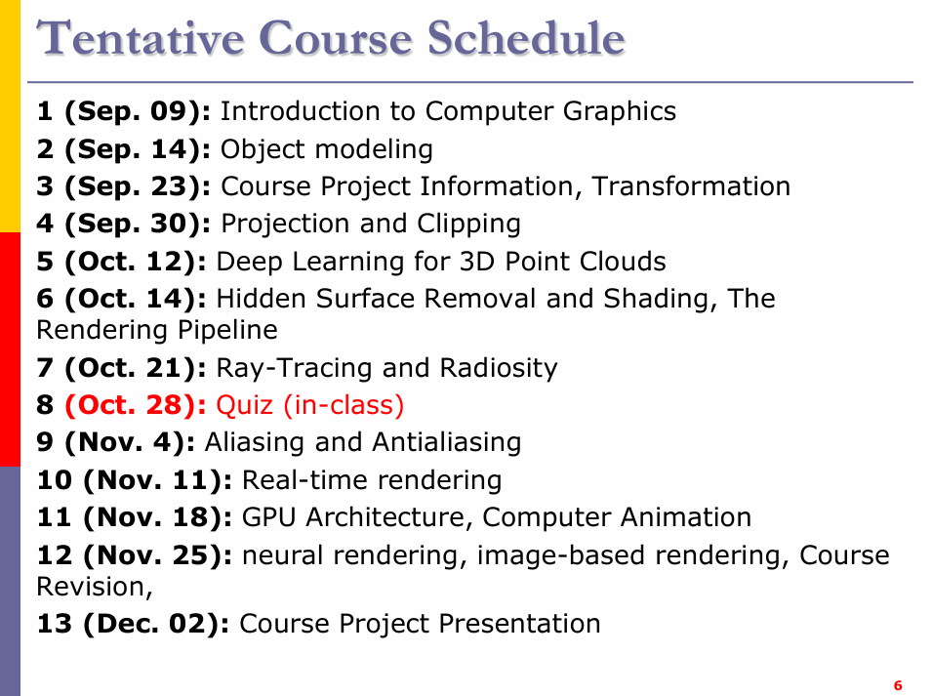
CS 6382 Algorithm Anal. & Game Theory | Lecture - 1038 | 李闽溟(Minming LI) | https://scholars.cityu.edu.hk/en/persons/minming-li(f351532b-5c15-483e-93b4-232fce338fa5).html | minming.li@cityu.edu.hk | https://www.cityu.edu.hk/catalogue/pg/202425/course/CS6382.htm | 40%/60% | 1.课内表现10%,积极发言+5% 2.Assignment 3*5% Week 4, 7, 10 3.Quiz 15% Week 9 (3 hours) | AC5-415 | Monday 14:00 to 15:50 | 1.Thomas H. Cormen, Charles E. Leiserson, Ronald L. Rivest, and Clifford Stein (2009) Introduction to Algorithms. MIT Press | 无 | 第四版 | 2
 | Tutorial - 1039 |  |  |  |  |  | 4.final exam |  | Monday 16:00 to 16:50 | 2.Noam Nisan, Tim Roughgarden, Eva Tardos and Vijay V. Vazirani (2007) Algorithmic Game Theory. Cambridge University Press | 无 | 无 | 1
CS 5285 Infor Security for E-comm | Lecture - 1042 | Prof. Gerhard Petrus HANCKE | https://scholars.cityu.edu.hk/person/pghancke | gp.hancke@cityu.edu.hk | https://www.cityu.edu.hk/catalogue/pg/202425/course/CS5285.htm | 40%/60% | 1.Problem sets 2*10%,week6&13(15/10,3/12) 2.midterm-quiz 20% week7,22/10 | AC5-515 | Tuesday 14:00 to 15:50 | Stallings W. Cryptography and Network Security: Principles and Practice. 6th Ed. Prentice Hall (2013) | 全球版+原版 | 第八版 | 4
 | Tutorial - 1043 | To be Announced |  |  |  |  |  | AC5-416 | Tuesday 16:00 to 16:50
CS 5222 Computer Networks & Internets | Lecture - 1008 | 梁维发(Weifa LIANG) HUANG Zhian ZHANG Yizhun(Project Markor) | https://scholars.cityu.edu.hk/person/weliang | weliang@cityu.edu.hk huang.za@cityu-dg.edu.cn yzhang5624-c@my.cityu.edu.hk | https://www.cityu.edu.hk/catalogue/pg/202425/course/CS5222.htm | 30%/70% | 1.3次assignment:3*5% week4&8&12 2.Project:Week10 .8% 3.Research report week13 .7% | AC5-415 | Thursday 08:30 to 10:20 | Computer Networking - A Top down Approach featuring the Internet, 7th edition, 2017, by James F Kurose and Keith Ross, Pearson International Edition | 计算机网络：自顶向下方法（原书第8版） | 第八版 | 4 | PPT是按照第七版做的，不过现在已经有第八版了
 | Tutorial - 1009 |  |  |  |  |  | Final exam 70% | AC5-416 | Thursday 10:30 to 11:20
CS 5489 Machine Learning | Lecture - 1033 | 马柯德(Kede MA) | https://scholars.cityu.edu.hk/person/kedema | kedema@cityu.edu.hk | https://www.cityu.edu.hk/catalogue/pg/202425/course/CS5489.htm | 70%/30% | tutorial exercise 10% assignments 30% project 30% | AC5-415 |  | P. Harrington (2012). Machine Learning in Action. Manning. | 机器学习实战 | 无 | 2
 | Tutorial?Lab2? | LeadTA:Mr. HaoyuChen haoychen3-c@my.cityu.edu.hk TA:Ms. ShuyanZhai TA:Mr. Shengzhuang Chen TA:Mr. Yunqiao Yang TA:Mr. MianZou TA:Ms. WenWen Tutorial Lead: Mr. Jinglong Yang Tutorial Lead: Dr. Zhan Zhuang

QA：
Q1：哪些有project？ | CG
 | Network(project+research_report)
 | machine_learning

Q2：哪些有midterm quiz?什么时候，考察范围？ | CG | 10/28/2024
 | algorithm | Week 9
 | Security | week7 .22/10/2024

每周检查 | assignment
 | PPT预习与复习
 | 教材进度
 | 提纲整理
 | 录音稿整理

