Sheet1
Incident # | Test Scenario | Test Name | Description | Type | Created By | Step No. (Design Steps) | Description (Design Steps) | Expected Result (Design Step) | Comments | Test Status
IN00405523 | Testing REX functionality | To test if materials are replenished which are completely bound for other orders. | Test Description : Error flag while trying to consume order bound material. Test Details: Trying to replenish a LU with material bonded with multiple orders. Ex - LUABC with material KMXYZ bonded to sales order 34376, 33121 and 34421 assigned 1 quantity each. If TO parent sales order is 34452 then no quantity should be replenished. Navigations: 1. Desktop Client -> REX (Select TO) 2. Desktop Client -> IVL (Select LU having that material) 3. Desktop Client -> REX (Start replenishment with that LU) | Manual | Supriya K | 1 | Login to desktop client | Desktop client should open |  | Pass
 |  |  |  |  |  | 2 | Navigate to REX screen. | REX screen should open | 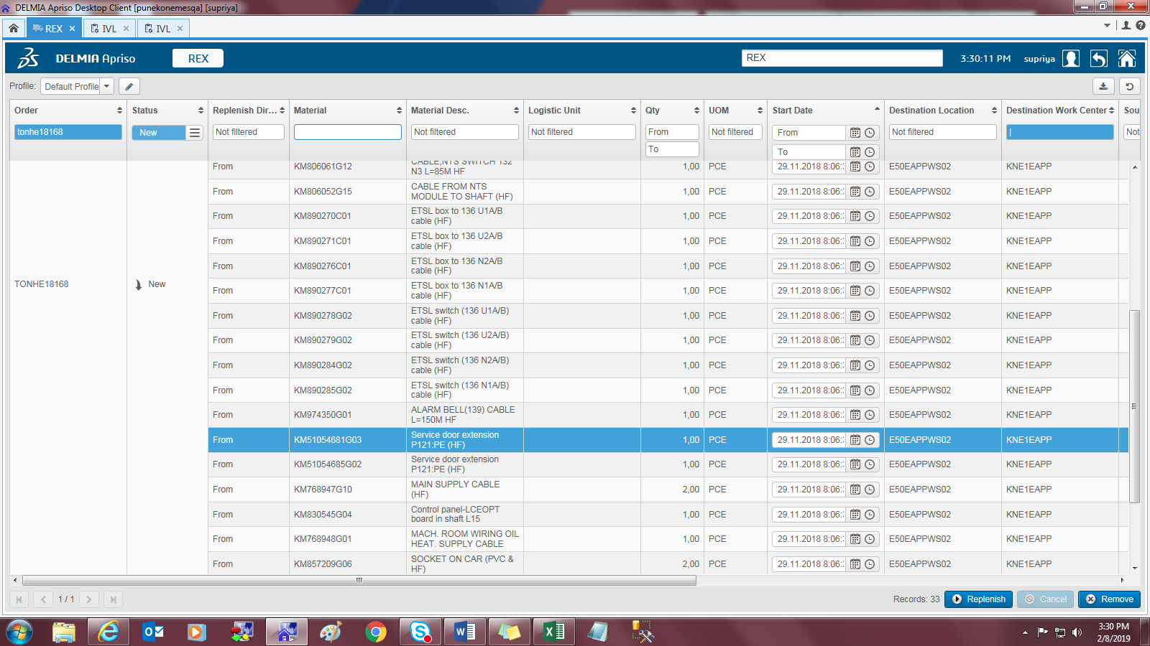 | Pass
 |  |  |  |  |  | 3 | Select a TO whos material is bounded to different orders | TO should get |  | Pass
 |  |  |  |  |  | 4 | Check the Sales order no of Material KM51054681G03 with respect to TO TONHE18168 Note : This material is bonded to order 350251029 | SO should be displayed | 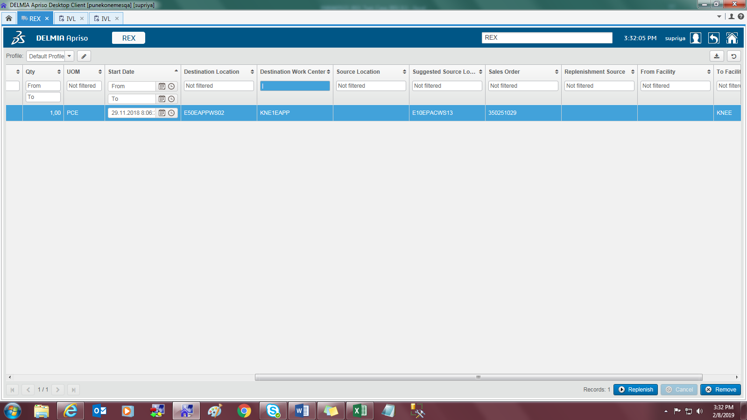 | Pass
 |  |  |  |  |  | 5 | select a TO and click on 'Replenish' | Replenishment screen should open | 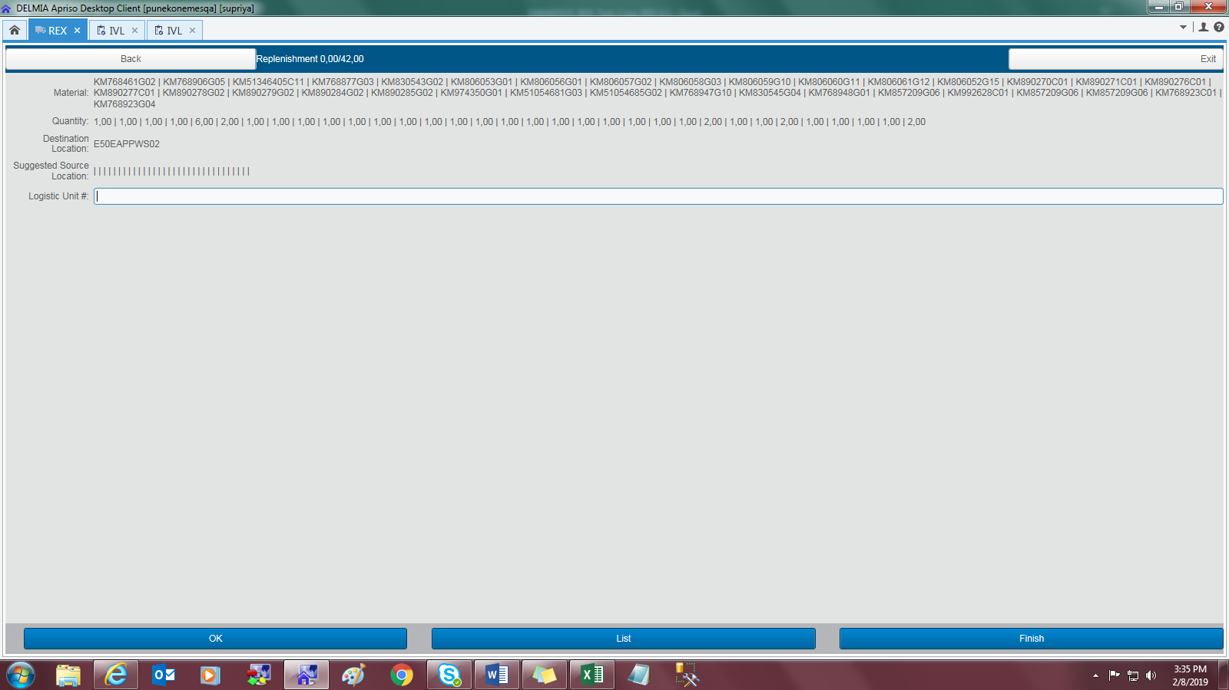 | Pass
 |  |  |  |  |  | 6 | Scan a LU which has the material but bonded to some different order. | LU should be scanned. LU has material KM51054681G03 bonded to 350248463 | 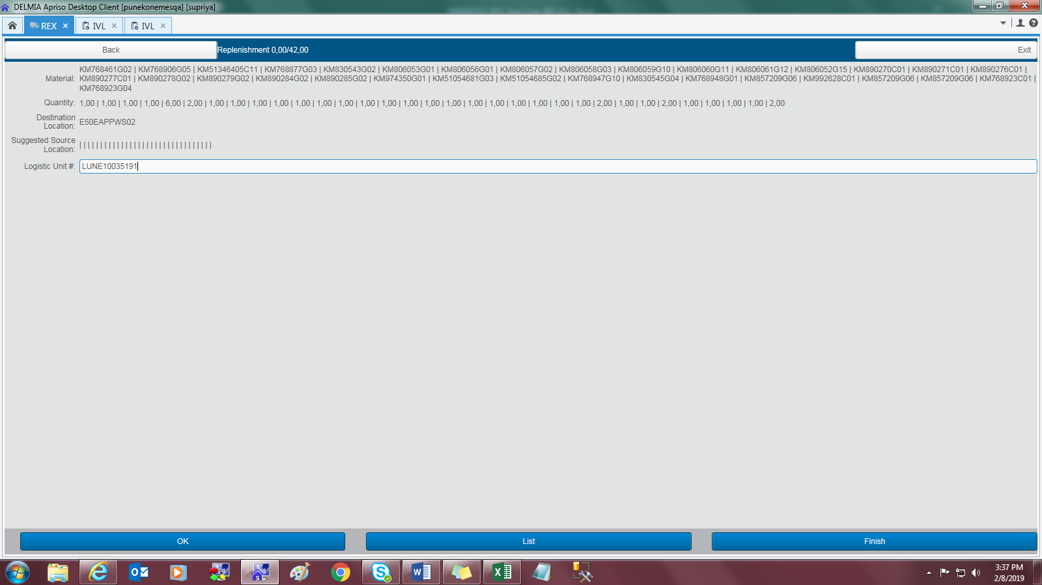 | Pass
 |  |  |  |  |  | 7 | Click on OK | Error should be thrown, as material KM51054681G03 with respect to SO 350251029 is not present in LU. | 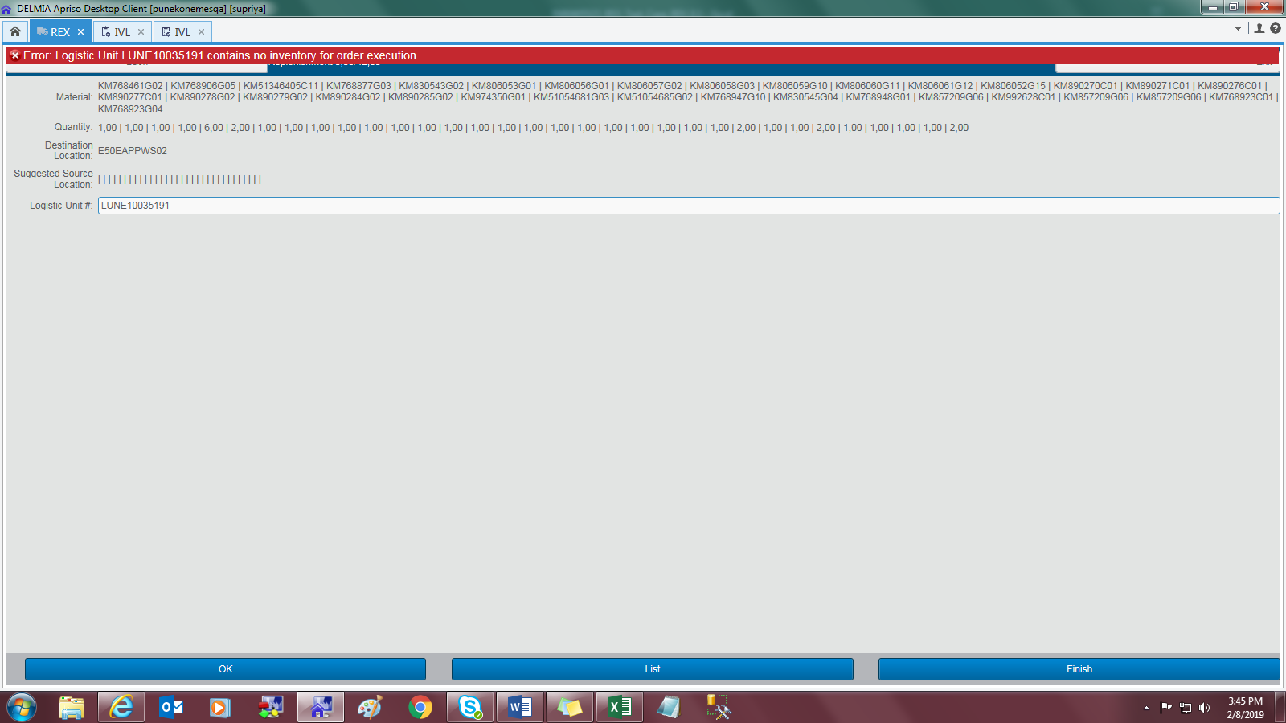 | Pass
IN00405523 | Testing REX functionality | To test if materials are replenished which are not bound for any orders. | Test Description : Successful replenishment of materials if there is no order bondings. Test Details: Trying to replenish a LU with material bonded with multiple orders. Ex - LUABC with material KMXYZ bonded to no orders. If TO parent sales order is 34452 then all quantity can be replenished. Navigations: 1. Desktop Client -> REX (Select TO) 2. Desktop Client -> IVL (Select LU having that material) 3. Desktop Client -> REX (Start replenishment with that LU) | Manual | Supriya K | 1 | Login to desktop client | Desktop client should open |  | Pass
 |  |  |  |  |  | 2 | Navigate to REX screen. | REX screen should open | 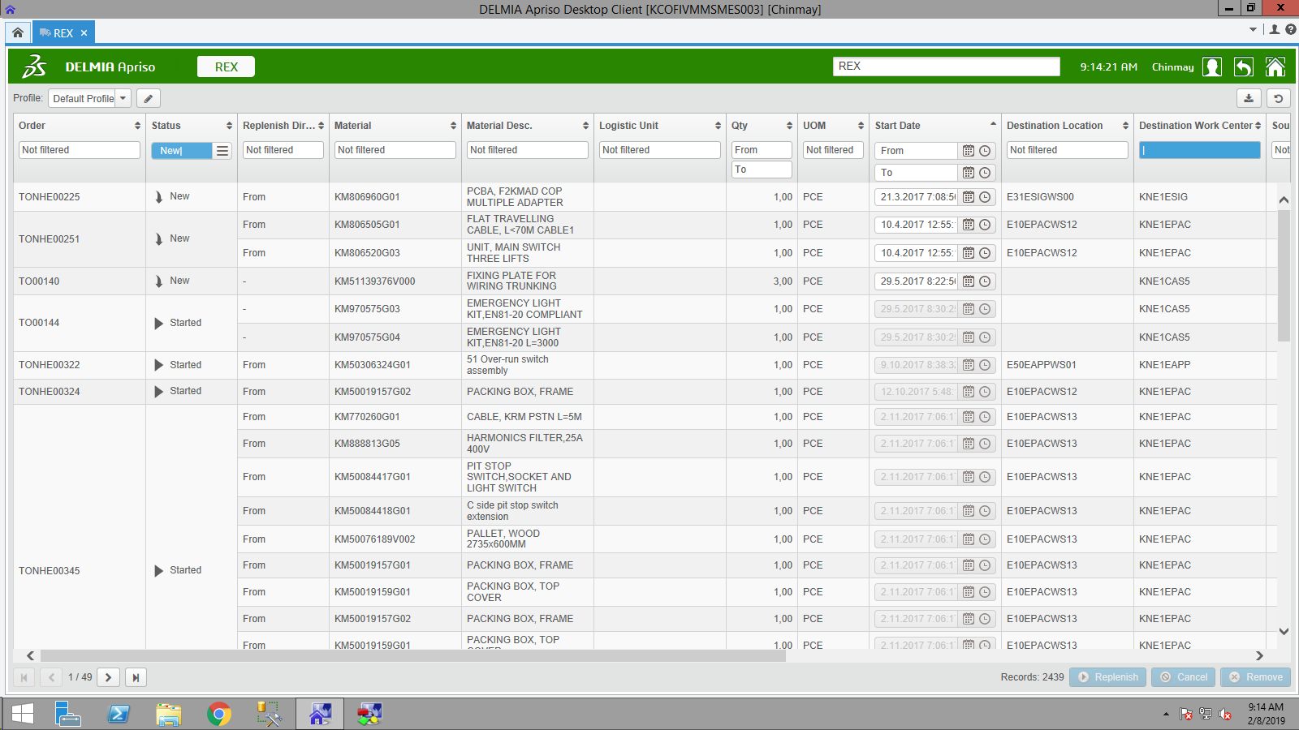 | Pass
 |  |  |  |  |  | 3 | Apply a filter for TO whos material is not bonded to any other order. | TO should found | 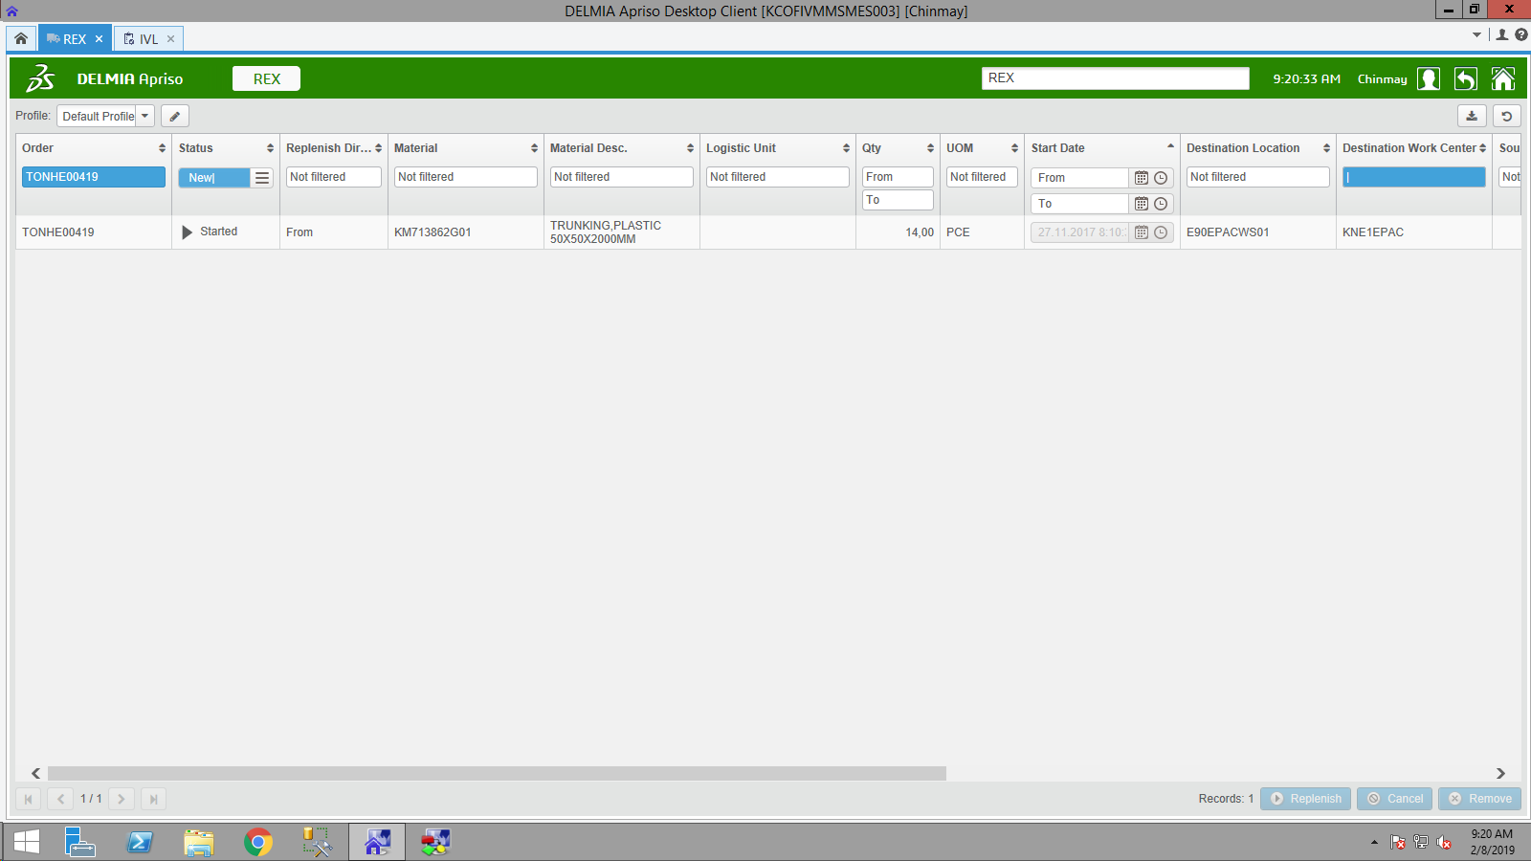 | Pass
 |  |  |  |  |  | 4 | Cross verify the details of material in IVL screen | Material should get | 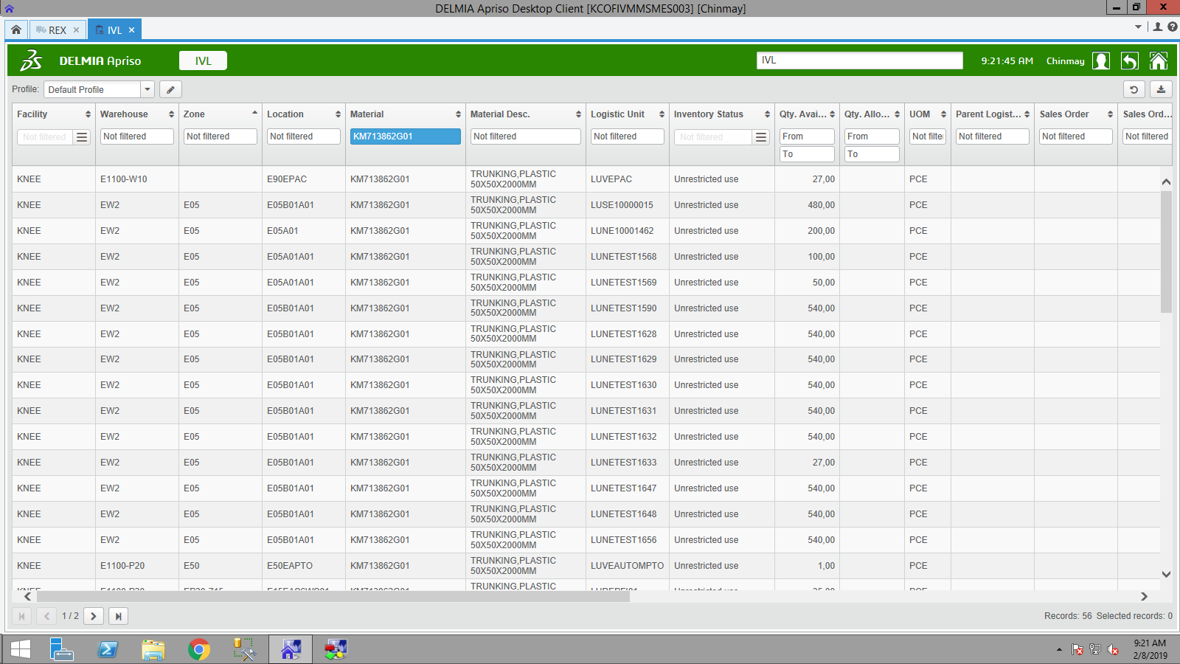 | Pass
 |  |  |  |  |  | 5 | Navigate to REX screen, check the sales order no of that TO. | Sales order should be disaplyed. | 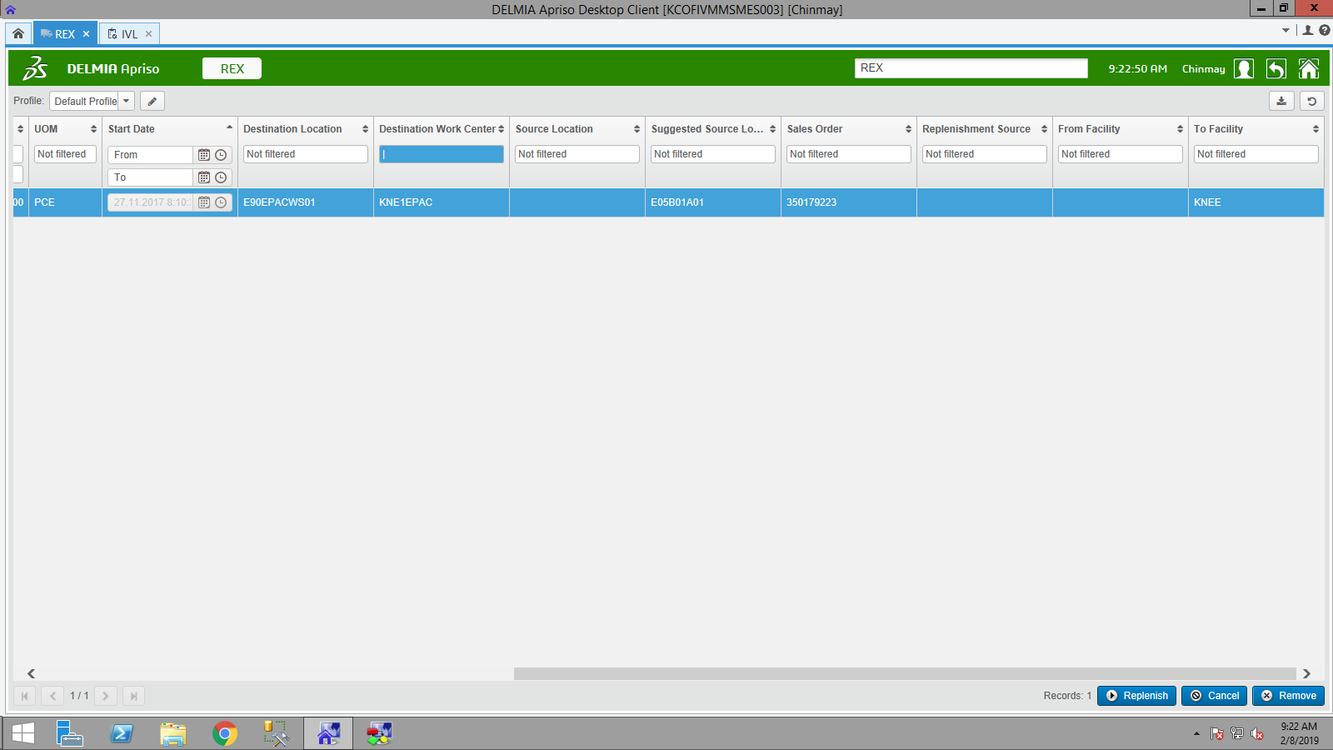 | Pass
 |  |  |  |  |  | 6 | Select a TO and click on 'Replenish' button | Replenishment screen should open | 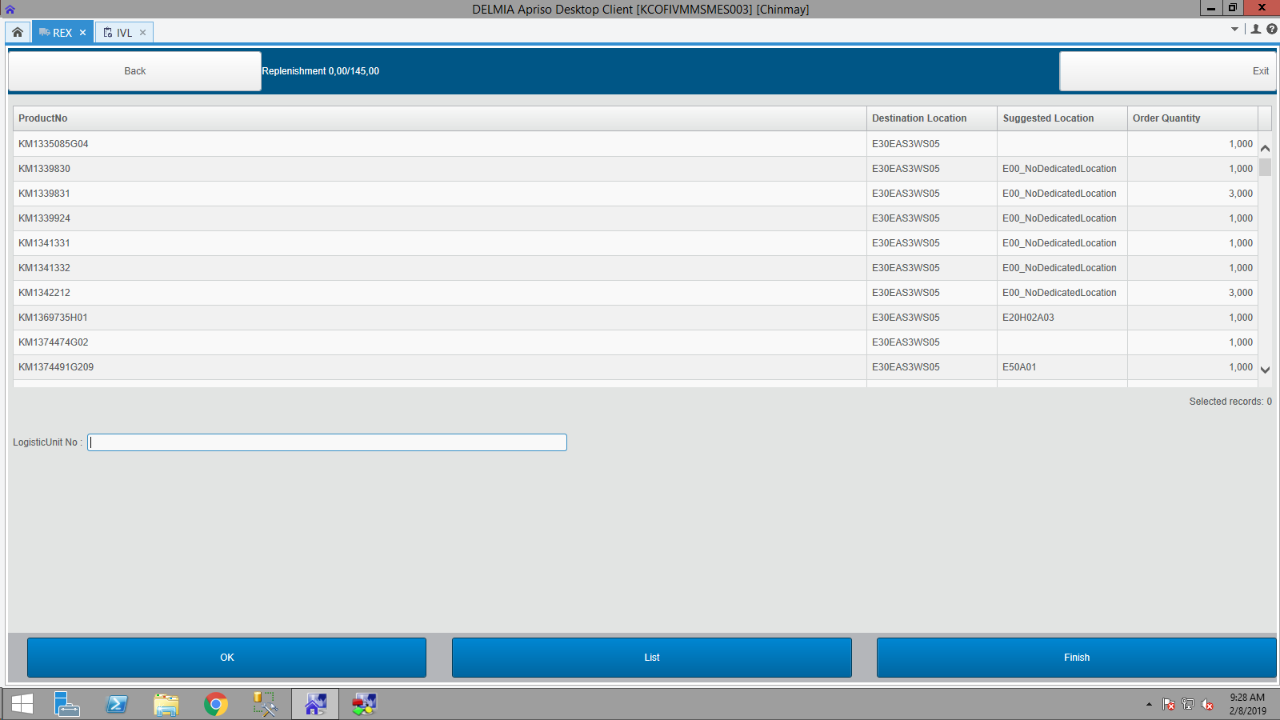 | Pass
 |  |  |  |  |  | 7 | Enter the LU through which replenishment should be taken place. | LU should be scanned | 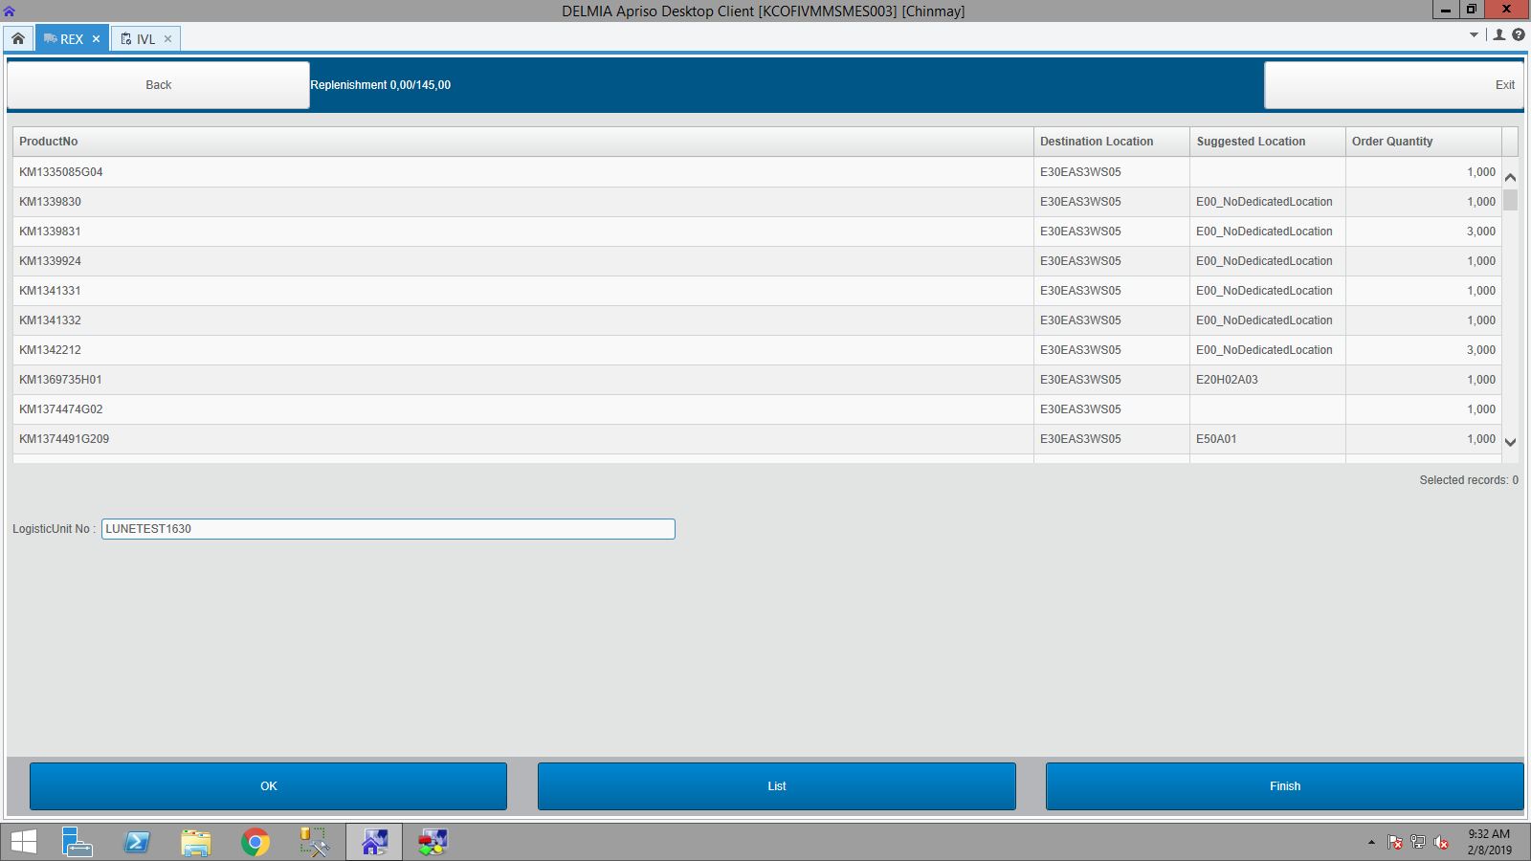 | Pass
 |  |  |  |  |  | 8 | Click on OK | Replenishment quantity adjustment screen should open for that Material |  | Pass
 |  |  |  |  |  | 9 | Change the quantity as per requirement | Quantity should be changed successfully | 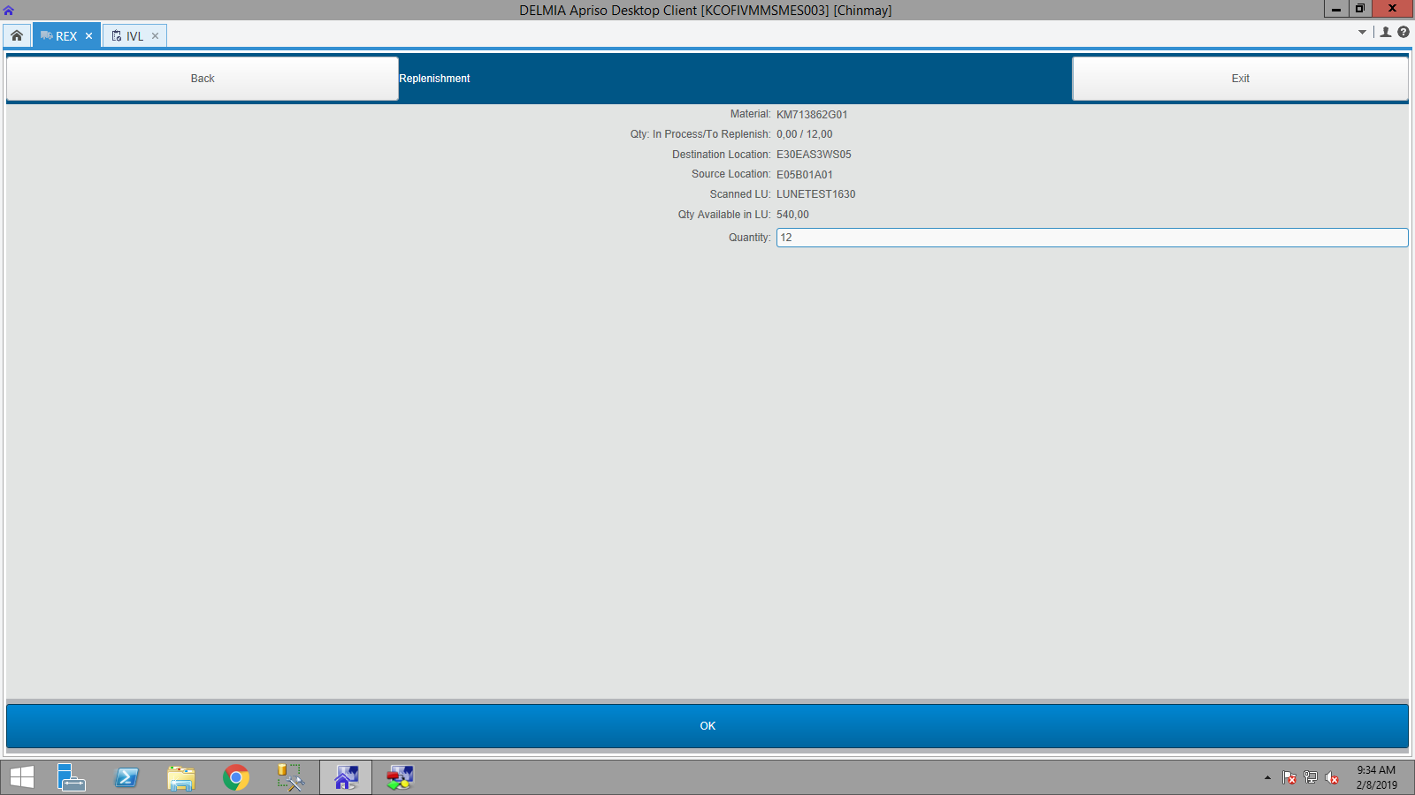 | Pass
 |  |  |  |  |  | 10 | Click on OK | Replenishment should be done and screen should redirect to the replenishment screen to scan another LU for different material. |  | Pass
 |  |  |  |  |  | 11 | Navigate to REX screen and check wether material is successfully replenished or not. | As TO has other materials to replenish it should be in 'Started' order | 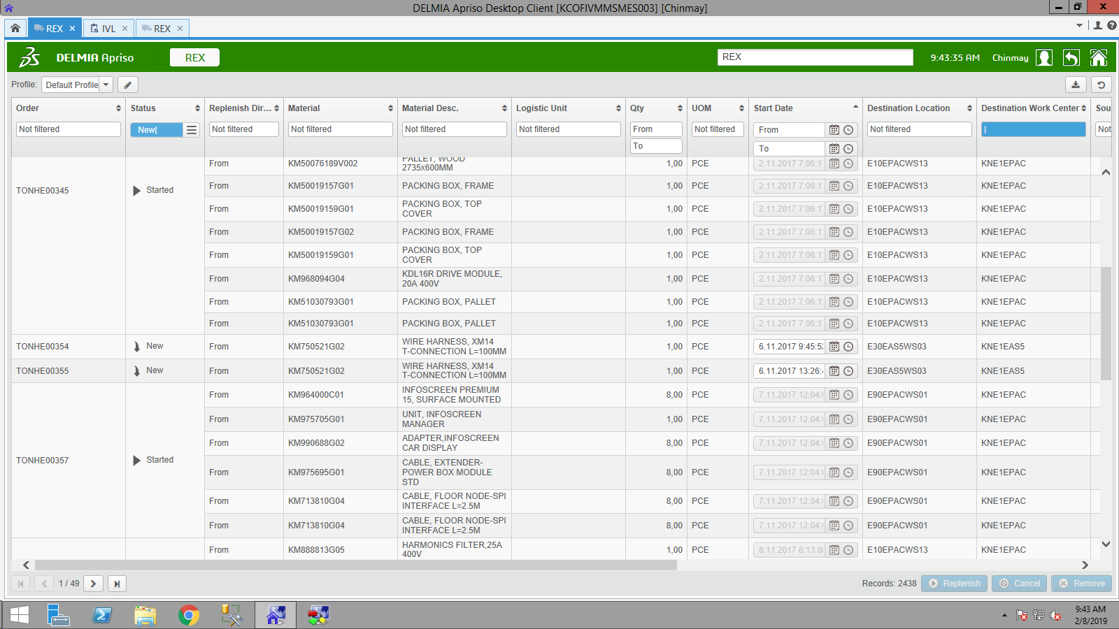 | Pass
IN00405523 | Testing REX functionality | To test if materials are replenished which are partially bound to other orders. | Test Description : Error flag while trying to consume order bound material. Test Details: Trying to replenish a LU with material bonded with multiple orders. Ex - LUABC with material KMXYZ bonded to sales order 34376, 33121 and 34421 assigned 1 quantity each. If TO parent sales order is 34421 then maximum 1 quantity should be replenished. Navigations: 1. Desktop Client -> REX (Select TO) 2. Desktop Client -> IVL (Select LU having that material) 3. Desktop Client -> REX (Start replenishment with that LU) | Manual | Supriya K | 1 | Login to desktop client | Desktop client should open |  | Pass
 |  |  |  |  |  | 2 | Navigate to REX screen. | REX screen should open |  | Pass
 |  |  |  |  |  | 4 | select a TO in which material is bonded to one order. In my case Material - KM50097586 TO - TONHE18154 SO - 350301347 | TO should get | 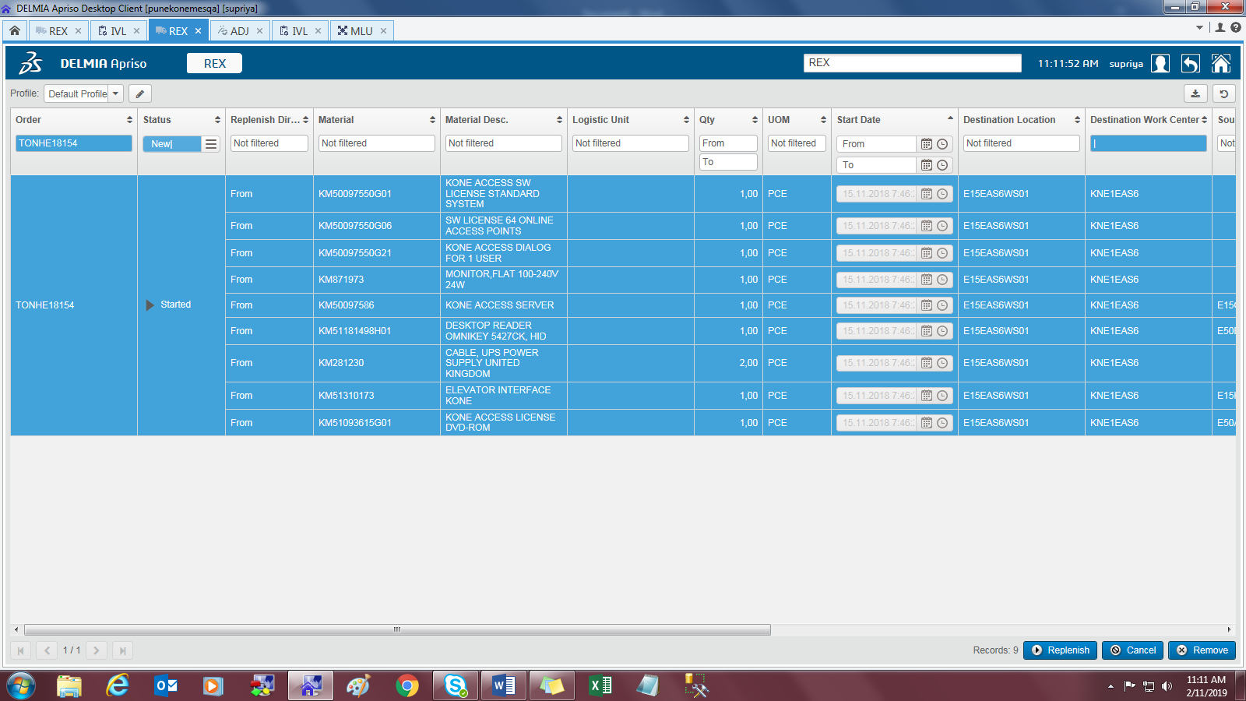 | Pass
 |  |  |  |  |  | 5 | Click on Replenish button. | Replenishment screen should open | 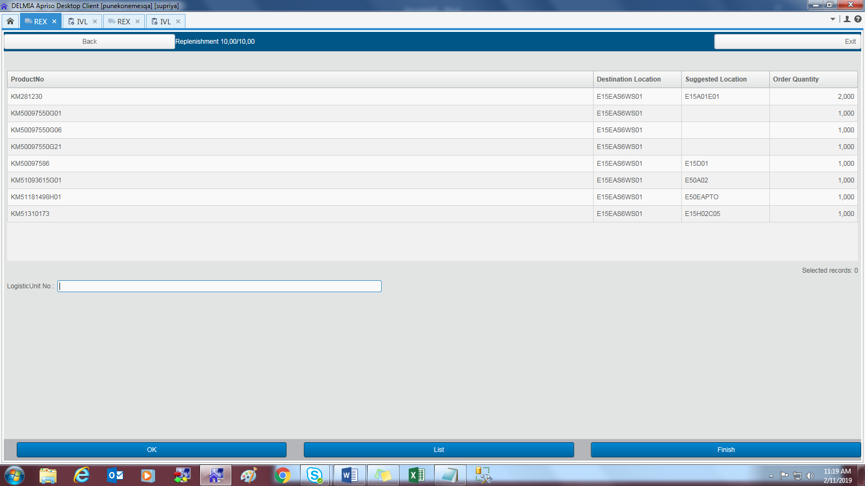 | Pass
 |  |  |  |  |  | 6 | Scan LU which has material KM50097586 bounded with other SO as well as SO 350301347 | Container should be successfully scanned |  | Pass
 |  |  |  |  |  | 7 | Click on OK | screen to replenish quantity should be displayed | 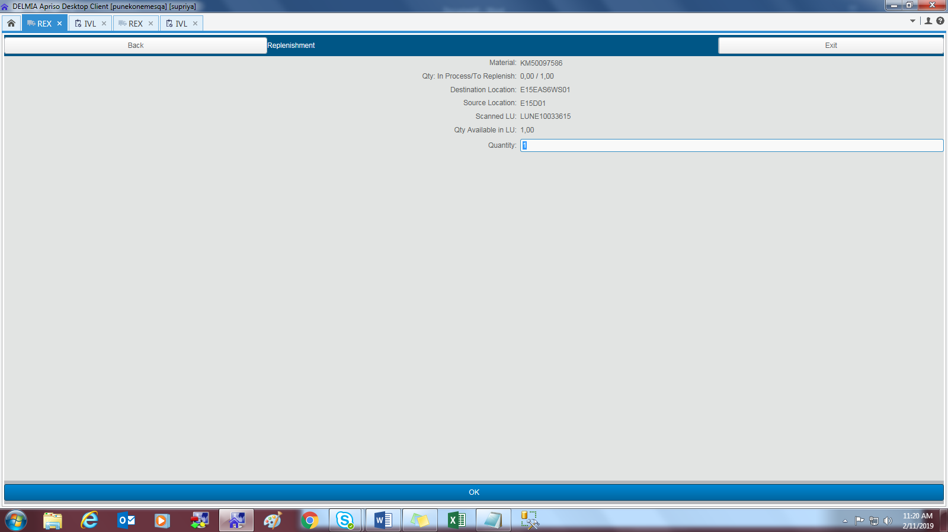 | Pass
 |  |  |  |  |  | 8 | Click on OK | Material should be replenished from LU LUNE10033615 with respect to order 350301347 and that row should be removed from the replenishment screen. | 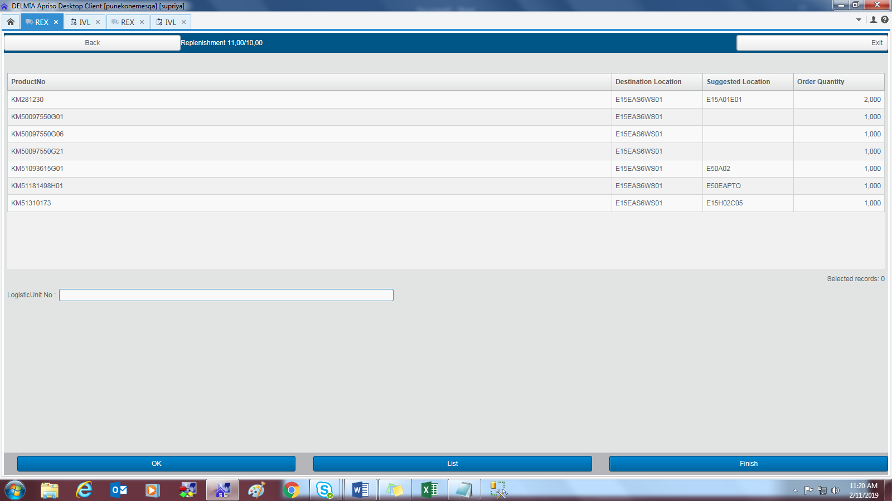 | Pass
 |  |  |  |  |  | 9 | Check the qunatity and replenished material from IVL screen. | LU with respective SO and allocated quantity should be displayed. | 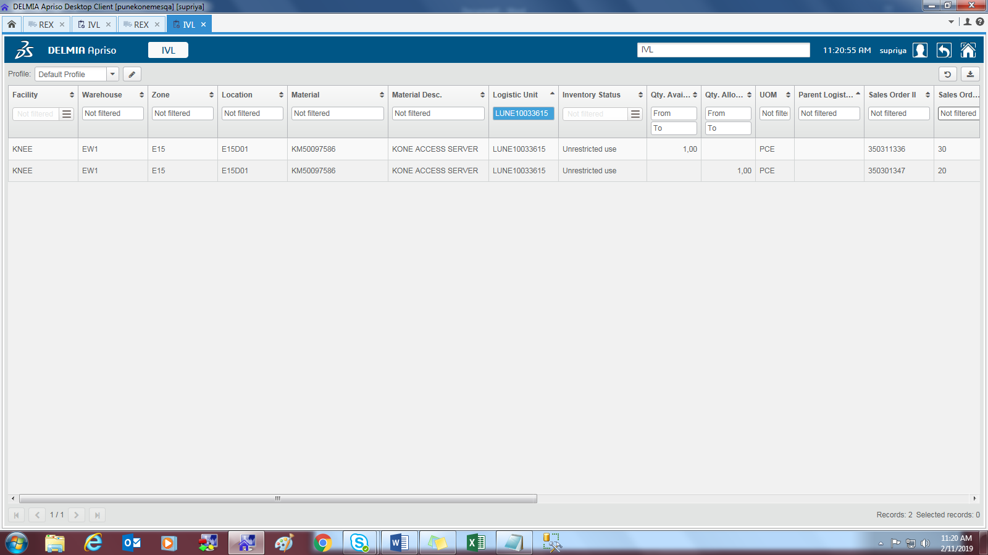 | Pass

