Generated_Data
index | Option | Window_ref | Floor | VSC_base | VSC_scen_2 | ratio | Window_orien
0 | 2133-3d-massing-BenoyPA | W25 | F0 | 24.3 | 10.1 | 0.42 | 60°N | 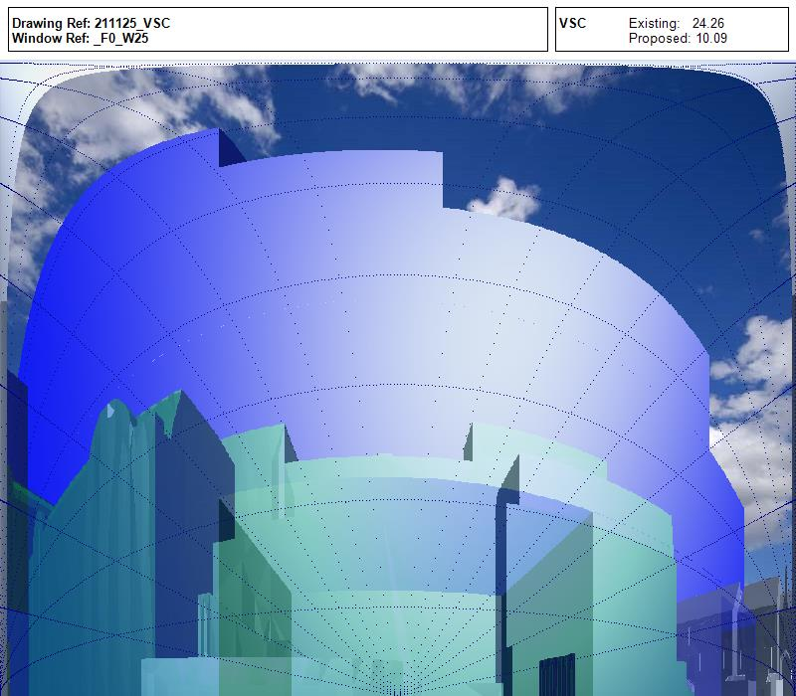
1 | 2133-3d-massing-PP-opt2 | W316 | SWAF0 | 21 | 18.7 | 0.89 | 60°N | 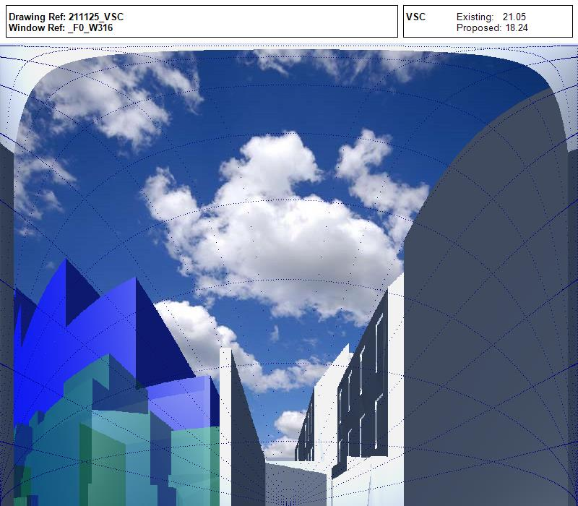
2 | 2133-3d-massing-PP-opt2 | W313 | SWAF2 | 28.6 | 21 | 0.73 | 60°N | 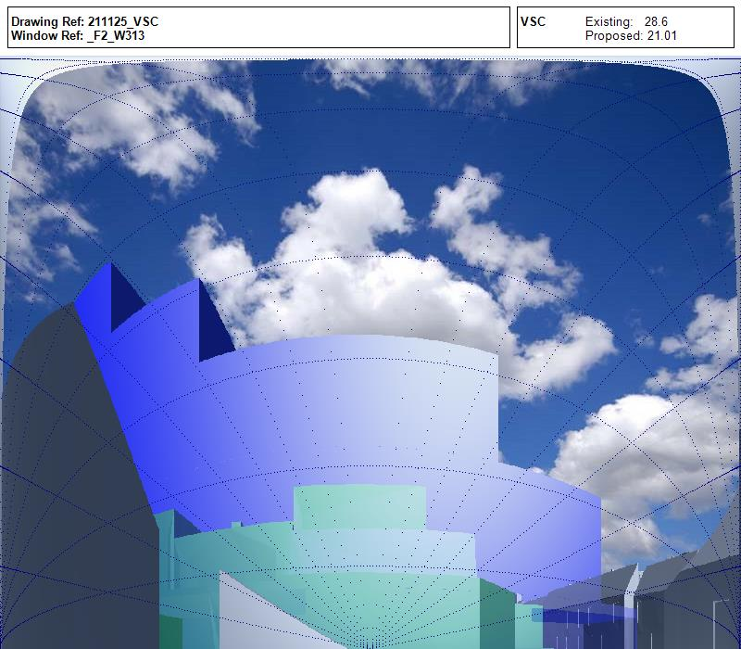
3 | 2133-3d-massing-PP-opt1 | W7 | SWAF1 | 25 | 18.2 | 0.73 | 147° | 