Generated_Data
index | Option | Window_ref | Floor | VSC_base | VSC_scen_2 | ratio | Window_orien
0 | 2133-3d-massing-BenoyPA | W23 | F4 | 17.1 | 4.2 | 0.25 | 59°N | 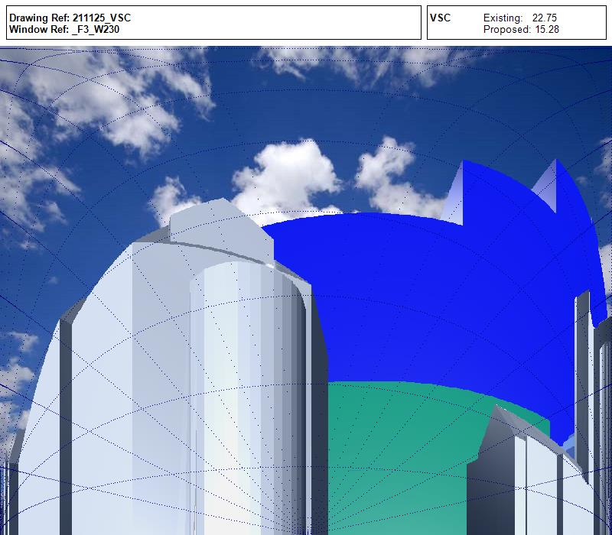
1 | 2133-3d-massing-BenoyPA | W29 | F2 | 27.5 | 11.2 | 0.41 | 60°N | 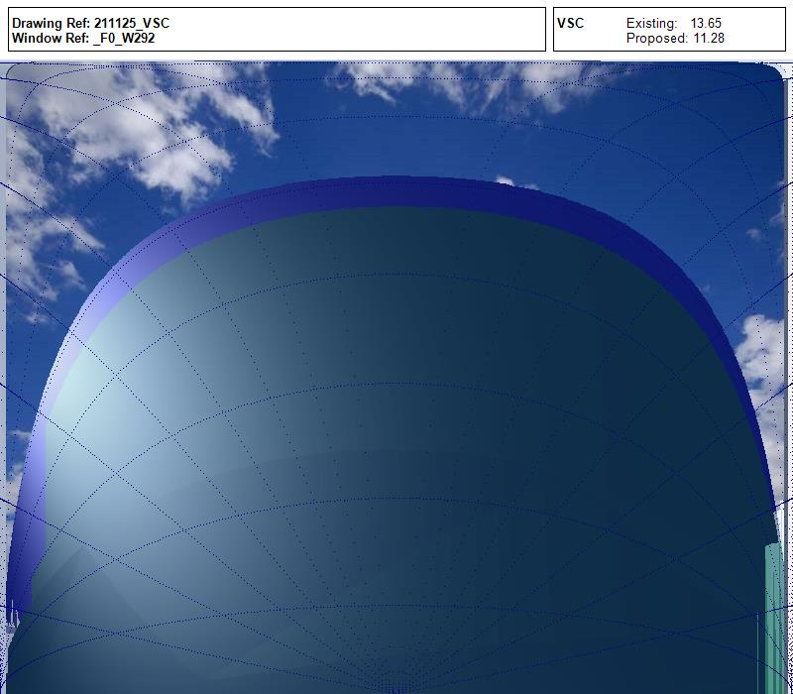
2 | 2133-3d-massing-BenoyPA | W24 | F0 | 23.6 | 9 | 0.38 | 60°N | 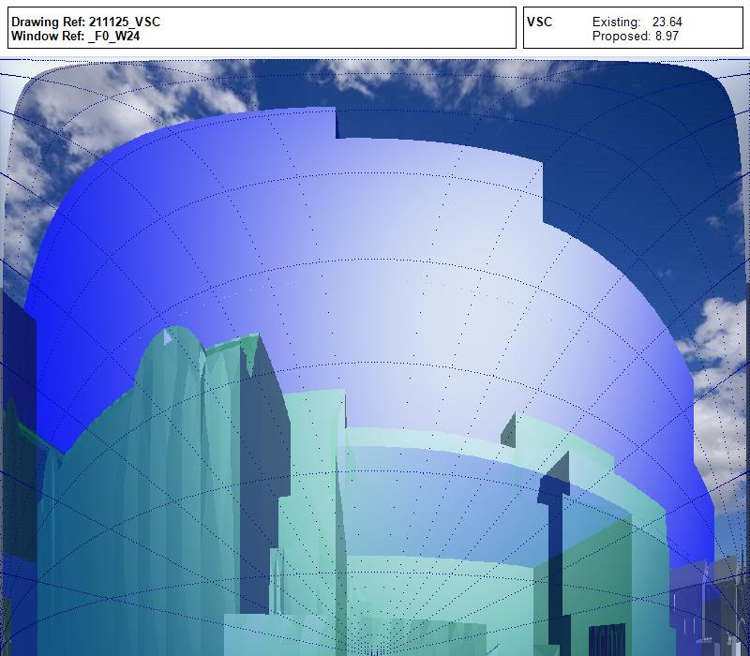
3 | 2133-3d-massing-BenoyPA | W23 | F4 | 17.1 | 4.2 | 0.25 | 59°N

