Arkusz1
Bug ID | Description | TC #ID | Steps to reproduce | Expected result | Actual result | Screenshot | Severity | Priority | Frequency | Issue type | Environment
ORHRM_001 | Wrong page is displayed after first successful login attempt. | TC_MyInfo_005 | 1. Launch browser 2. Go to: "https://opensource-demo.orangehrmlive.com/" 3. Enter valid ESS username 4. Enter valid password 5. Click on "login" button. | User should be presented "personal details" screen after first ever login is successful. | Dashboard is displayed instead of "Personal details" screen after successful login attempt. | 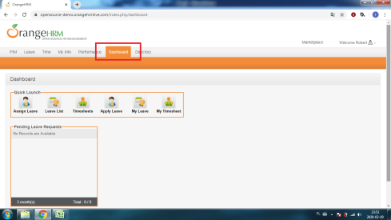 | Low | Low | Every time | Functional | Google Chrome Version 79.0.3945.130 (64 bit)
ORHRM_002 | Error message for invalid file format showing up after successful upload of photograph | TC_MyInfo_008 | 1. Launch browser 2. Go to: "https://opensource-demo.orangehrmlive.com/" 3. Login to OrangeHRM as an EES user 4. Click on "My info" tab 5. Click on "Personal details" link 6. Click on the photograph at corner of the screen 7. Click "Browse" and then select the picture from relevant path 8. Click "Upload" once the file is selected | Selecting incorrect file should result in error message that invalid file format was chosen. | It uploads exe file and then gives the message that the file format is invalid. It should give the error message immediately, before uploading. | 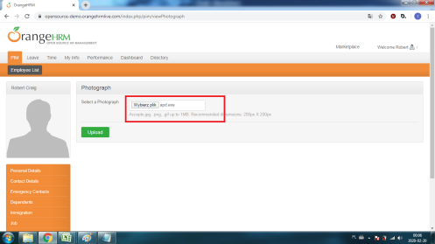 | Low | Low | Every time | Functional | Google Chrome Version 79.0.3945.130 (64 bit)

