Overview
RECORD-LEVEL HOSPITAL INPATIENT DATA TABLES

The record-level hospital inpatient data is provided in the form of six interrelated tables which are summarised below. Further information about each field in these tables is provided in the other tabs of this spreadsheet. This information includes the coding used for the field; further information on a particular coding can be found using the Search facility on Showcase to find the details of that Data-Coding. Also given is the corresponding "summary" field as explained in sections 9 & 10 of the document "Hospital Inpatient data" (resource 138483 in category 2000).

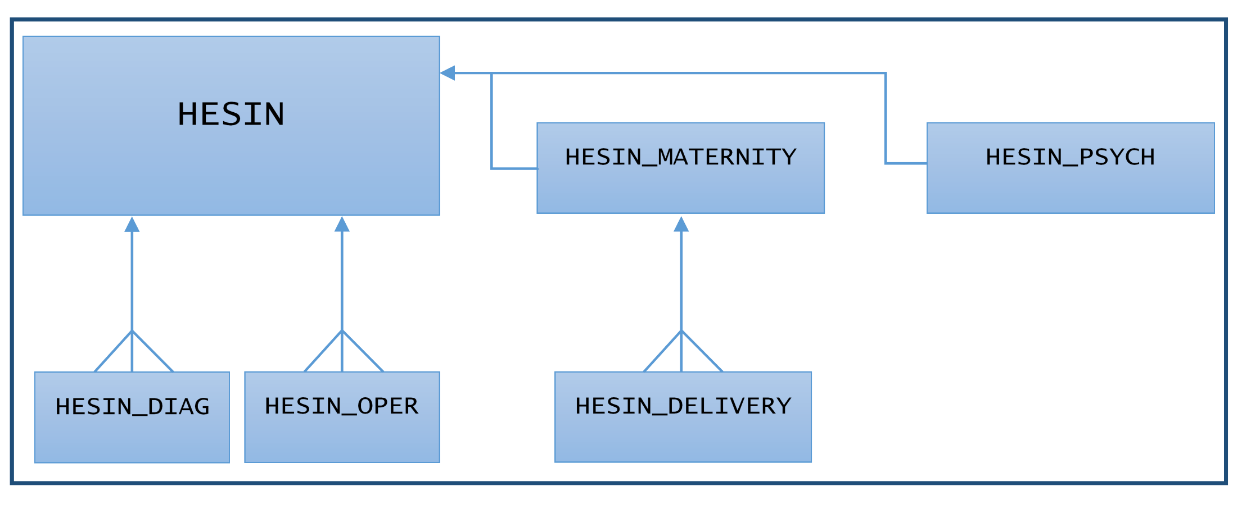

HESIN
The overall master table, providing information on admissions & discharge, the type of admission and other information relating to the inpatient record as a whole, as well as how individual episodes might fit into a hospital spell (where applicable). The effective use of any of the other record tables will usually be contingent on a project having access to the HESIN table.
Access to the HESIN table is gained by adding Showcase field 41259 from category 2006 (Record-level access) to a researcher basket.

HESIN_DIAG
Diagnosis codes (ICD-9 or ICD-10) relating to inpatient records. Links back to HESIN via the eid and ins_index fields. Since many diagnosis codes can pertain to a single HESIN record, the relationship between HESIN and HESIN_DIAG is a one-to-many relationship.
Access to the HESIN_DIAG table is gained by adding Showcase field 41234 from category 2006 (Record-level access) to a researcher basket.

HESIN_OPER
Operations and procedures codes (OPCS-3 or OPCS-4) relating to inpatient episodes. Links back to HESIN via the eid and ins_index fields. Since many operation codes can pertain to a single HESIN record, the relationship between HESIN and HESIN_OPER is a one-to-many relationship.
Access to the HESIN_OPER table is gained by adding Showcase field 41149 from category 2006 (Record-level access) to a researcher basket.

HESIN_PSYCH
A sibling table to HESIN containing fields relating to administrative aspects of psychiatric admissions, such as the history of psychiatric care and the section of the Mental Health Act relating to the admission. Not all HESIN records relate to psychiatry and so not all records will have a corresponding row on this table. For those that do, the relationship with HESIN is a one-to-one relationship, so each HESIN record has at most one HESIN_PSYCH record. Psychiatric diagnoses and procedures are still contained in the HESIN_DIAG and HESIN_OPER tables.
Access to the HESIN_PSYCH table is gained by adding Showcase field 41289 from category 2006 (Record-level access) to a researcher basket.

HESIN_MATERNITY
A sibling table to HESIN containing fields relating specifically to maternity admissions, such as antenatal information and whether anaesthetic was administered during delivery. Not all HESIN records relate to maternity and so not all records will have a corresponding row on this table. For those that do, the relationship with HESIN is a one-to-one relationship, so each HESIN record has at most one HESIN_MATERNITY record. Diagnoses and procedures relating to maternity episodes are still contained in the HESIN_DIAG and HESIN_OPER tables.
Access to the HESIN_MATERNITY table is gained by adding Showcase field 41261 from category 2006 (Record-level access) to a researcher basket.

HESIN_DELIVERY
Information regarding a child born as a result of a HESIN_MATERNITY record where applicable, such birth weight, delivery method and place, and the status of the baby. Not all maternity records result in a birth, but for those that do there will be a separate HESIN_DELIVERY record for each child giving a one-to-many relationship between HESIN_MATERNITY and HESIN_DELIVERY in such cases.
Note that in some records, information is incomplete in the HESIN_DELIVERY table but relevant information can be found in the HESIN_DIAG or HESIN_OPER table instead. For example, the presence of the ICD-10 code Z37.0 (Single live birth) in the HESIN_DIAG table where the numbaby field in HESIN_MATERNITY and other information in HESIN_DELIVERY is unknown.
Access to the HESIN_DELIVERY table is gained by adding Showcase field 41264 from category 2006 (Record-level access) to a researcher basket.

A restricted alternative table to HESIN_DELIVERY:

HESIN_BIRTH
HESIN_BIRTH is an expanded version of HESIN_DELIVERY containing all of the fields from that table plus a field giving the date of birth of the child. As the date of birth field is considered sensitive, access to this table will only be given where there is special reason why access to HESIN_DELIVERY is insufficient to meet the needs of a particular research project. Note that joining a record in HESIN_DELIVERY with the episode/admission date information in the main HESIN table (via the eid and ins_index fields) will, in the vast majority of cases, provide a good approximation of the date of birth of a child.
If access is approved to HESIN_BIRTH for a project, then a researcher will gain access to it by adding Showcase field 41265 from category 2006 (Record-level access) to their researcher basket.

