Sheet1
Qty | Location | Part# | Part Description | Weight (ounces) | Price
6 | 812A_01 | am-2222 | 30" C-Channel | 16.32 | $18
2 | 810_A_01 | am-3157 | TB Micro Molded Housing | 4 | $11
6 | 817_A_02 | am-0940a | 6" HiGrip Wheel, Rev2, White, 77 Durometer | Need | $10.00
2 | N204_A_01 | am-3090-057 | Peanut Extrusion, 57.625" +/- 0.1" | 51.2 | $12.50
16 | 812_A_02 | am-2234_half | Pulley, Timing HALF 42 tooth, HTD profile, 15mm wide, polycarbonate | 1.92 | $6.00
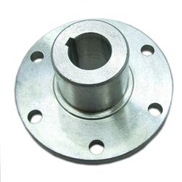
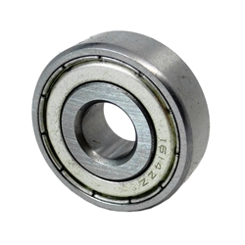
12 | 102_A_01 | am-2964a | Gearmotor, NeveRest 40, with 40:1 Ratio Gearbox Encoder, and PP45 | 12 | $28
2 | 105_A_02 | am-0940a_blue | 6" HiGrip Wheel, Rev2, Blue, 50 Durometer | Need | $10
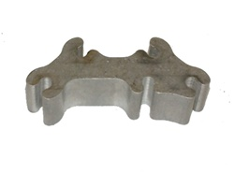
2 | 105_B_01 | am-3322 | Rhino Track Drive Module | 142.4 | $369
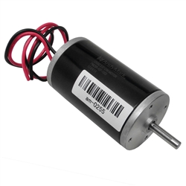
4 | 106_A_02 | am-0255 | 2.5" CIM Motor | 45.12 | $28
2 | 113_B_03 | am-2241 | Churro Tube 19.25" +/- 0.125" Long | 2.56 | $4
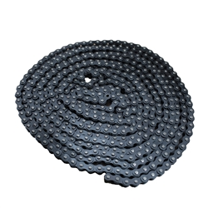
8 | 119_A_02 | am-0212 | C-Base Corner Connect | 3.84 | $4
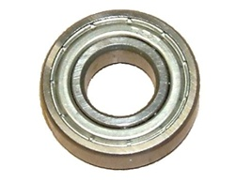
2 | 129_A-01 | am-2924 | PG188 Gearmotor with encoder | 33.6 | $94
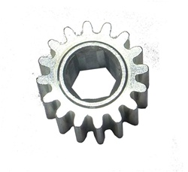
2 | 202_A_01 | am-3154 | 6" DuraOmni Wheel | 15.84 | $35
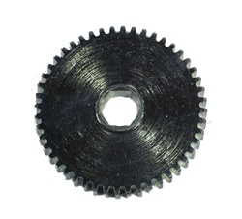
2 | 206_C_10 | am-2904 | 1" Pillow Block | 0.24 | $4
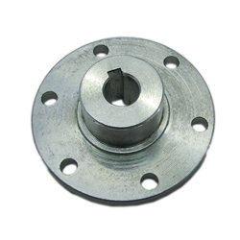
16 | 301_A_02 | am-0209 | 3/8' ID 1-1/8" OD Ball Bearing 1614ZZ | 1.024 | $3
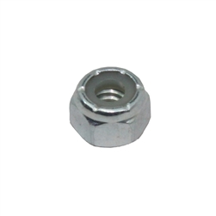
4 | 301_B_02 | am-0516 | 3/8"id bearing, shielded (R6ZZ) | 0.384 | $3
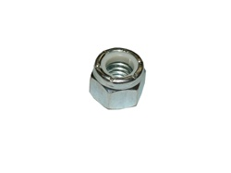
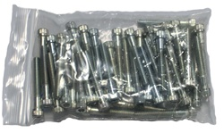
6 | 301_C_06 | am-1249 | 4mm x 12mm Machine Key Steel | 0.0288 | $0.75
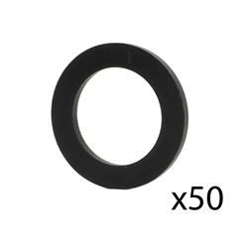
6 | 302_C_02 | am-2182 | sprocket -S25-16-H-394K AL7075 | 0.416 | $11
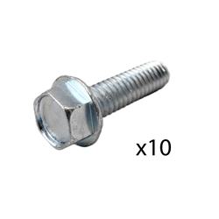
8 | 303_A_05 | am-3103 | Gearmotor, NeveRest 60, with 60:1 Ratio Gearbox, Encoder, and PP45 | 12.416 | $28
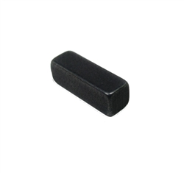
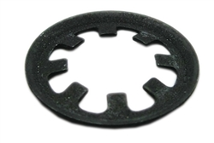
2 | 308_B_02 | am-2361 | 39 Tooth HTD Plastic Drive Pulley Kit 500 Keyed Bore | 5.12 | $15
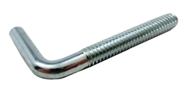
2 | 329_B_01 | am-2266 | Timing Belt, Gates HTD, 15mm wide, 160T, 800-5M-15 | 1.6 | $16
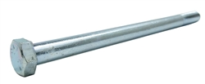
4 | 329_B_04 | am-2267 | Timing Belt, Gates HTD, 15mm wide, 104T, 520-5M-15 | 1.28 | $13
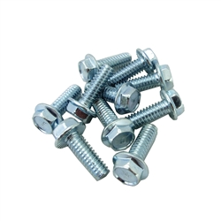
4 | 404_B_03 | am-0885 | 48 Tooth Large Output Gear 1/2" Hex Bore for Toughbox | 6.56 | $15.00
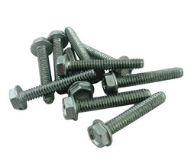
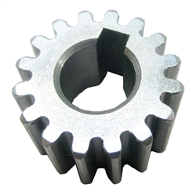
6 | 404_D_11 | am-2088 | 16 Tooth Gear 10mm Key Bore 20 DP | 1.28 | $12.00
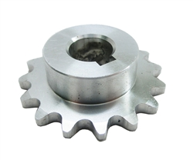
4 | 404_D_12 | am-0747 | 16 Tooth Small Cluster Gear | 1.6 | $10.00
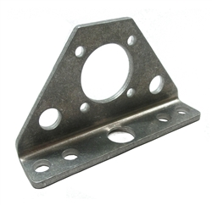
6 | 406_A_01 | am-1268 | 3/8-16 x 6 Hex Head Bolt Grade 5 | 3.2 | $2.50
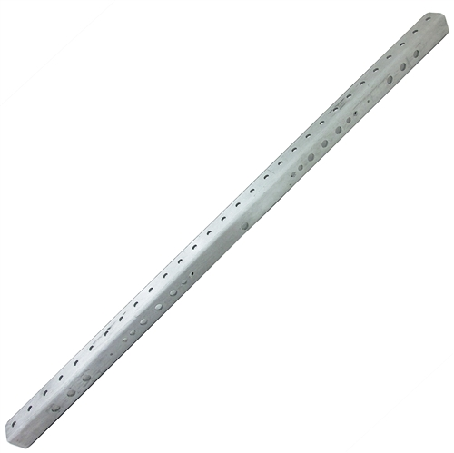
4 | 406_A_04 | am-1271 | Screw, HHCS Flanged 1/4-20 x 1-3/4" | 3.2 | $1.50
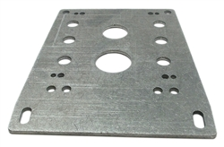
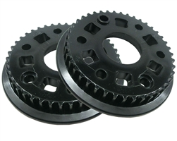
32 | 406_A_05 | am-1058 | Screw, SHCS 1/4-20 x 1-3/4" | 20.4 | $14.00
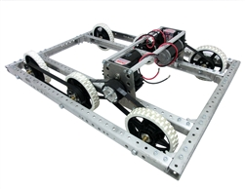
6 | 408_B_13 | am-1054 | 3/8-16 Nylock Nut | 0.3 | $0.20
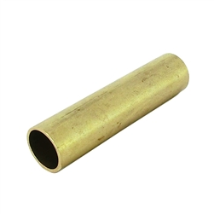
40 | 408_C_04 | am-1015 | 1/4-20 Nylock Nut | Need | $0.05
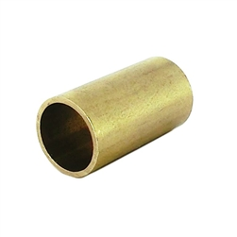
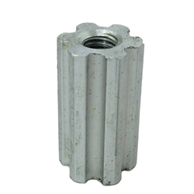
2 | 501_B_07 | am-1001 | 1/2" Flat Washer 3/4 od, Nylon, 1/16 thick | 1.152 | $5.00
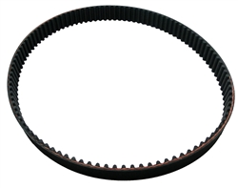
4 | 501_D_02 | am-1182 | Screw, Thread Rolling Hex Washer Head 1/4-20 x 1" Zinc | 2.72 | $4.00
5 | 503_A_07 | am-1278 | Screw, Thread Forming 10-24 x 1-1/4" Zinc, Qty 10 | 3.2 | $2.50
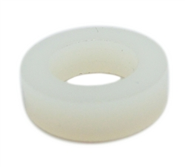
4 | 505_B_04 | am-2244 | Cross Hex Nut 990 | 0.22 | $3.00
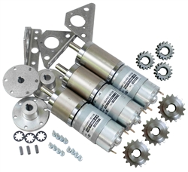
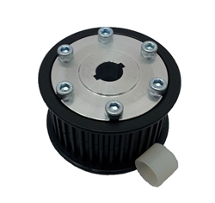
1 | 506_D_02 | am-3417 | Peanut Chassis Hardware Kit | 376 | $300.00
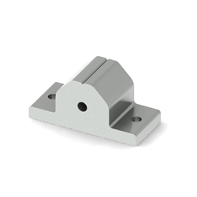
4 | 507_D_06 | am-2243 | 0.82 inch x 3/8 Spacer, Brass | 0.16 | $1.50
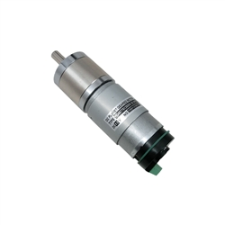
4 | 519_A_01 | am-0370 | #25 Single Strand-Riveted Roller Chain, 10 feet, 25 Series | 16.22 | $12.00
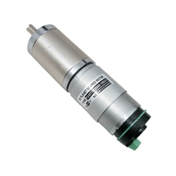
2 | 519_A_02 | am-2923 | PG27 Gearmotor with encoder | 25.6 | $85.00
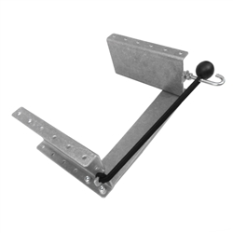
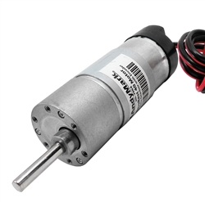
8 | 519_B_01 | am-3102 | Gearmotor, NeveRest 20, with 20:1 Ratio Gearbox, Encoder, and PP45 | 12.16 | $28.00
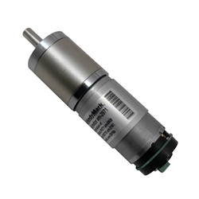
1 | 529_A_02 | am-2939 | Battery Tray Kit for AM14U3 | 12.8 | $25.00
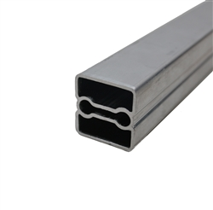
4 | 601_A_02 | am-1267 | Anchor Bolt, 1/4-20, 1.875" long, steel | 3.2 | $0.50
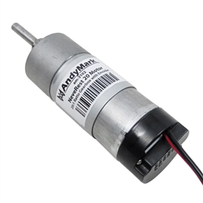
6 | 601_C_11 | am-2242 | 1.8" x 3/8" Spacer, Brass | 0.352 | $1.50
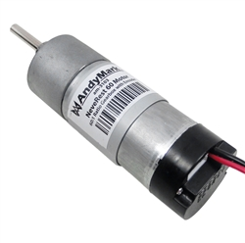
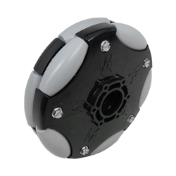
6 | 602_B_10 | am-2197 | Planetary GearMotor Bracket | 1.12 | $9.00
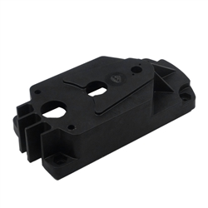
2 | 602_D_07 | am-2230 | Toughbox Mini Flat Shaft Plate | 4.8 | $9.00
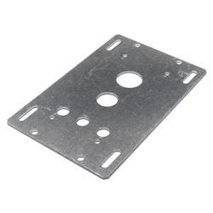
2 | 603_C_01 | am-0077a | 500 Key Hub | 1.6 | $11.00
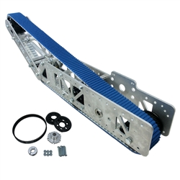
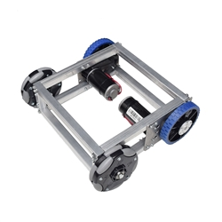
6 | 603_C_05 | am-0985a | 10mm Key Hub | 1.8 | $11.00
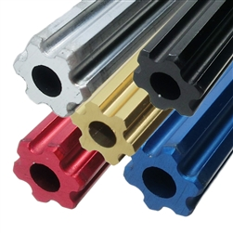
2 | 604_B_05 | am-3229 | Toughbox Mini Flat Shaft Plate - Flat | 6.4 | $9.00
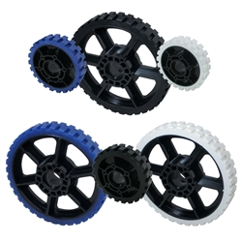
6 | 604_D_07 | am-1253 | 3/8" diameter external retaining ring | 0.016 | $0.25
2 | 607_B_08 | am-2271 | Nylon Spacer, 0.625 od, 0.385 id, 0.185 thick, white | 0.02 | $0.20
2 | 608_A_01 | am-2971 | PG71 Gearmotor w/ Hall Effect Encoder | 32 | $89.00
1.0 kit |  | am-2239 | 2013 FRC Kit Chassis | 416 | $655.00
12 | 2013 FRC Kit Chassis | am-0209 | 3/8" ID 1-1/8" OD Ball Bearing 1614ZZ | 1.024 | $3.00
8 | 2013 FRC Kit Chassis | am-0212 | C-Base Corner Connect | 3.84 | $2.00
2 | 2013 FRC Kit Chassis | am-0255 | 2.5" CIM Motor | 45.12 | $28.00
2 | 2013 FRC Kit Chassis | am-0747 | 16 Tooth Small Cluster Gear | 1.6 | $10.00
2 | 2013 FRC Kit Chassis | am-0885 | 48 Tooth Large Output Gear 1/2" Hex Bore for Toughbox | 6.56 | $15.00
6 | 2013 FRC Kit Chassis | am-0940a | 6" HiGrip Wheel, Rev2, White, 77 Durometer | Need | $10.00
2 | 2013 FRC Kit Chassis | am-1001 | 1/2" Flat Washer 3/4 od, Nylon, 1/16 thick | 1.152 | $5.00
32 | 2013 FRC Kit Chassis | am-1015 | 1/4-20 Nylock Nut | Need | $0.05
8 | 2013 FRC Kit Chassis | am-1015 | 1/4-20 Nylock Nut | Need | $0.05
6 | 2013 FRC Kit Chassis | am-1054 | 3/8-16 Nylock Nut | 0.288 | $0.20
32 | 2013 FRC Kit Chassis | am-1058 | Screw, SHCS 1/4-20 x 1-3/4" | 20.4 | $14.00
4 | 2013 FRC Kit Chassis | am-1182 | Screw, Thread Rolling Hex Washer Head 1/4-20 x 1" Zinc | 2.72 | $4.00
4 | 2013 FRC Kit Chassis | am-1267 | Anchor Bolt, 1/4-20, 1.875" long, steel | 3.2 | $0.50
6 | 2013 FRC Kit Chassis | am-1268 | 3/8-16 x 6 Hex Head Bolt Grade 5 | 3.2 | $2.50
4 | 2013 FRC Kit Chassis | am-1271 | Screw, HHCS Flanged 1/4-20 x 3/4 Steel 5 Zinc | 3.2 | $1.50
5 | 2013 FRC Kit Chassis | am-1278 | Screw, Thread Forming 10-24 x 1-1/4" Zinc, Qty 10 | 3.2 | $2.50
6 | 2013 FRC Kit Chassis | am-2222 | 30" C-Channel | 16.32 | $18.00
2 | 2013 FRC Kit Chassis | am-2230 | Toughbox Mini Flat Shaft Plate | 4.8 | $9.00
16 | 2013 FRC Kit Chassis | am-2234_half | Pulley, Timing HALF 42 tooth, HTD profile, 15mm wide, polycarbonate | 1.92 | $6.00
2 | 2013 FRC Kit Chassis | am-2241 | Churro Tube 19.25" +/- 0.125" Long | 2.56 | $4.00
6 | 2013 FRC Kit Chassis | am-2242 | 1.8" x 3/8" Spacer, Brass | 0.352 | $1.50
4 | 2013 FRC Kit Chassis | am-2243 | 0.82 inch x 3/8 Spacer, Brass | 0.16 | $1.50
4 | 2013 FRC Kit Chassis | am-2244 | Cross Hex Nut 990 | 0.22 | $3.00
2 | 2013 FRC Kit Chassis | am-2266 | Timing Belt, Gates HTD, 15mm wide, 160T, 800-5M-15 | 1.6 | $16
4 | 2013 FRC Kit Chassis | am-2267 | Timing Belt, Gates HTD, 15mm wide, 104T, 520-5M-16 | 1.28 | $13
2 | 2013 FRC Kit Chassis | am-2271 | Nylon Spacer, 0.625 od, 0.385 id, 0.185 thick, white | 0.02 | $0.20
2 | 2013 FRC Kit Chassis | am-2361 | 39 Tooth HTD Plastic Drive Pulley Kit 500 Keyed Bore | 5.12 | $15
2.0 kits |  | am-2281 | Planetary GearMotor Kit | Need | $350
6 | Planetary GearMotor Kit | am-0985a | 10mm Key Hub | 1.8 | $11.00
6 | Planetary GearMotor Kit | am-1249 | 4mm x 12mm Machine Key Steel | 0.0288 | $0.75
6 | Planetary GearMotor Kit | am-1253 | 3/8" diameter external retaining ring | 0.016 | $0.25
6 | Planetary GearMotor Kit | am-2088 | 16 Tooth Gear 10mm Key Bore 20 DP | 1.28 | $12.00
6 | Planetary GearMotor Kit | am-2182 | sprocket -S25-16-H-394K AL7075 | 0.416 | $11
6 | Planetary GearMotor Kit | am-2197 | Planetary GearMotor Bracket | 1.12 | $9.00
2 | Planetary GearMotor Kit | am-2923 | PG27 Gearmotor with encoder | 25.6 | $85.00
2 | Planetary GearMotor Kit | am-2924 | PG188 Gearmotor with encoder | 33.6 | $94
2 | Planetary GearMotor Kit | am-2971 | PG71 Gearmotor w/ Hall Effect Encoder | 32 | $89.00
1.0 kit |  | am-3417 | Peanut Chassis | 376 | $300
2 | Peanut Chassis | am-0077a | 500 Key Hub | 1.6 | $11.00
4 | Peanut Chassis | am-0209 | 3/8' ID 1-1/8" OD Ball Bearing 1614ZZ | 1.024 | $3.00
2 | Peanut Chassis | am-0255 | 2.5" CIM Motor | 45.12 | $28
4 | Peanut Chassis | am-0516 | 3/8"id bearing, shielded (R6ZZ) | 0.384 | $3
2 | Peanut Chassis | am-0747 | 16 Tooth Small Cluster Gear | 1.6 | $10.00
2 | Peanut Chassis | am-0885 | 48 Tooth Large Output Gear 1/2" Hex Bore for Toughbox | 6.56 | $15.00
2 | Peanut Chassis | am-0940a_blue | 6" HiGrip Wheel, Rev2, Blue, 50 Durometer | Need | $10
2 | Peanut Chassis | am-2904 | 1" Pillow Block | 0.24 | $4
1 | Peanut Chassis | am-2939 | Battery Tray Kit for AM14U3 | 12.8 | $25.00
2 | Peanut Chassis | am-3090-057 | Peanut Extrusion, 57.625" +/- 0.1" | 51.2 | $12.50
2 | Peanut Chassis | am-3154 | 6" DuraOmni Wheel | 15.84 | $35
2 | Peanut Chassis | am-3157 | TB Micro Molded Housing | 4 | $11
2 | Peanut Chassis | am-3229 | Toughbox Mini Flat Shaft Plate - Flat | 4.8 | $9.00
1 | Peanut Chassis | am-3417h | Peanut Chassis Hardware Kit | 376 | $300.00

