Sheet1
P/N 02-00005, Filter Subassembly |  |  |  |  |  | Rejected Images- Oversized Pore Observations
Lot #: |  | Rev.: |  |  |  | Image Ref: | 7.tif
Date: | 10/02/2021 15:22:12 |  |  |  |  | Rejected Pore Diameter (μm) | Location

Fixture Reference Settings |  |  | Inspection Specifications
Software Version | A |  | Maximum Pore Size (μm) | 80.00
Scale | 2.59 |  | Minimum Porosity (%) | 12.00%
# Of Images | 7
Threshold Method | 2.59
Threshold Value | 160

Cell Inspection Results
Image Name | Observed Porosity | Maximum Observed Pore Size | Image Result (P/F)
 |  |  |  |  |  | 1.tif | 19.00% | 65.00 | PASS
 |  |  |  |  |  | 2.tif | 15.00% | 55.00 | PASS
 |  |  |  |  |  | 3.tif | 25.00% | 79.00 | PASS
 |  |  |  |  |  | 4.tif | 19.50% | 72.00 | PASS
 |  |  |  |  |  | 5.tif | 19.90% | 75.00 | PASS
 |  |  |  |  |  | 6.tif | 11.00% | 65.00 | FAIL
 |  |  |  |  |  | 7.tif | 25.00% | 88.06 | FAIL

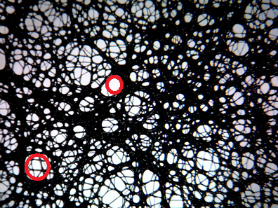
 |  |  |  |  | Rejected Pore Diameter (μm) | Location |  |  | Additional Comments:
 |  |  |  |  | 108.78 | X
 |  |  |  |  | 82.88 | X

