工作表1
# Subnets 的 指定需求 | # Subnets (須 >= 指定需求) | 反推出 # Subnet bits | # (剩下的) host bits | # hosts (可用 IP) per subnet (須 >= 指定需求最大值) | # hosts (可用 IP) per subnet 的 指定需求最大值
4 |  |  |  |  | 50

Subnet Table
Subnet Address | Host Addresses/ 可用IP (Range) | Broadcast Address | Prefix 長度 | Subnet Mask | Magic Number 神奇數字

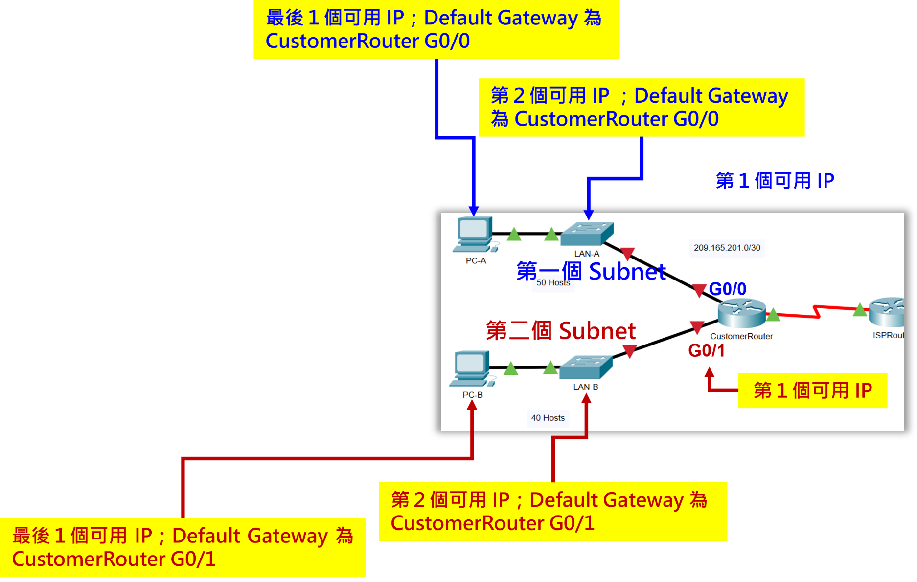

Addressing Table
Device | Interface | IP Address | Subnet Mask | Default Gateway
CustomerRouter | G0/0 | 192.168.0.1 | 255.255.255.192 | －
第 1 個可用 IP
 | G0/1 | 192.168.0.65 | 255.255.255.192
 | S0/1/0 | 209.165.201.2 | 255.255.255.252
LAN-A Switch | VLAN1 | 192.168.0.2 | 255.255.255.192 | 192.168.0.1
LAN-B Switch | VLAN1 | 192.168.0.66 | 255.255.255.192 | 192.168.0.65
PC-A | NIC | 192.168.0.62 | 255.255.255.192 | 192.168.0.1
PC-B | NIC | 192.168.0.126 | 255.255.255.192 | 192.168.0.65

