Dashcam Comparison (EN)
Table Confidentiality: □Top Secret ■Confidential □General
Intended Audience: Sales and Technical Personnel in the Sales Region
Can this Table Be Released Directly to Customers: No. Key information must be reduced and processed before release.
Product Category |  |  | Streamax Dashcam in Freight Market
Product Name |  |  | AD Plus 2.0 V1.1 | AD Plus 2.0-S | C6 Lite2.0 | C6 Lite2.0-S | DC Max | AD Plus 3.0 | DS100
Product Positioning |  |  | 4-channel Dashcam | 3-channel Dashcam | 2-channel Dashcam | 2-channel Dashcam | 6-channel Dashcam | 5-channel Dashcam | 2-channel Dashcam
Applicable Scenarios |  |  | 1. Built-in DSC+ADAS algorithm 2. Usage scenarios same as ADPlus 1.0 3. AD Plus 2.0 benchmarked against AD Plus 1.0, reducing cost | AD Plus 2.0 version without internal camera, used for 1-channel ADAS + expanded DMS functions | Built-in ADAS and DSC algorithms | C6 Lite 2.0 version without internal camera, used for 1-channel ADAS + expanded DMS functions | Flagship split-design AI dashcam with up to 4MP recording on both built-in lenses; the road-facing lens supports black-light imaging and up to 6-channel recording when cascaded with GT1 Pro. | All-in-one 5-channel AI dashcam with built-in ADAS and DSC, supporting 2 external AHD cameras and 1 IPC; built-in 4G, GNSS, Wi-Fi, and Bluetooth. | All-in-one 2-channel AI dashcam with built-in ADAS and DSC; built-in 4G, GNSS, Wi-Fi, and Bluetooth; supports OBD power supply.
Product Status | Status |  | On Market | On Market | On Market | On Market | On Market | Not launched | On Market
Product Form | Exterior View |  | 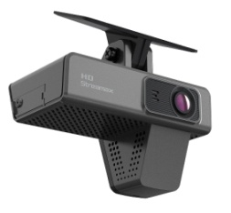 | 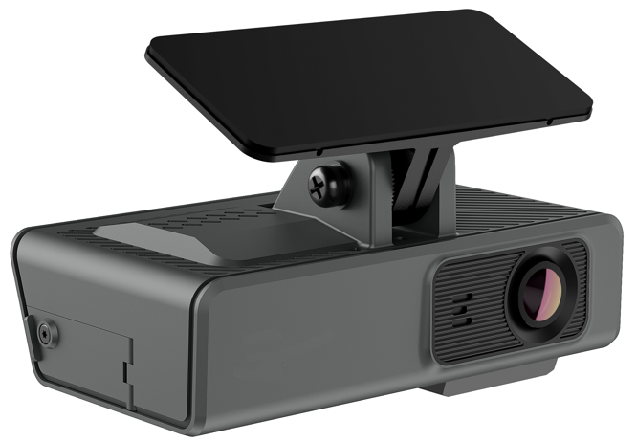 | 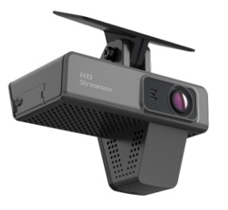 | 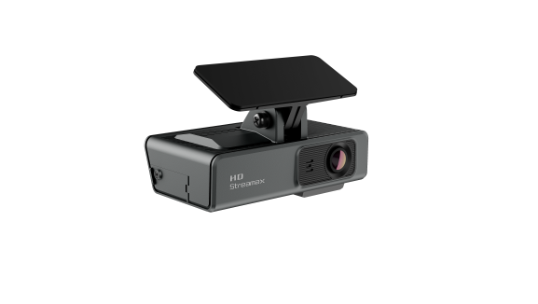 | 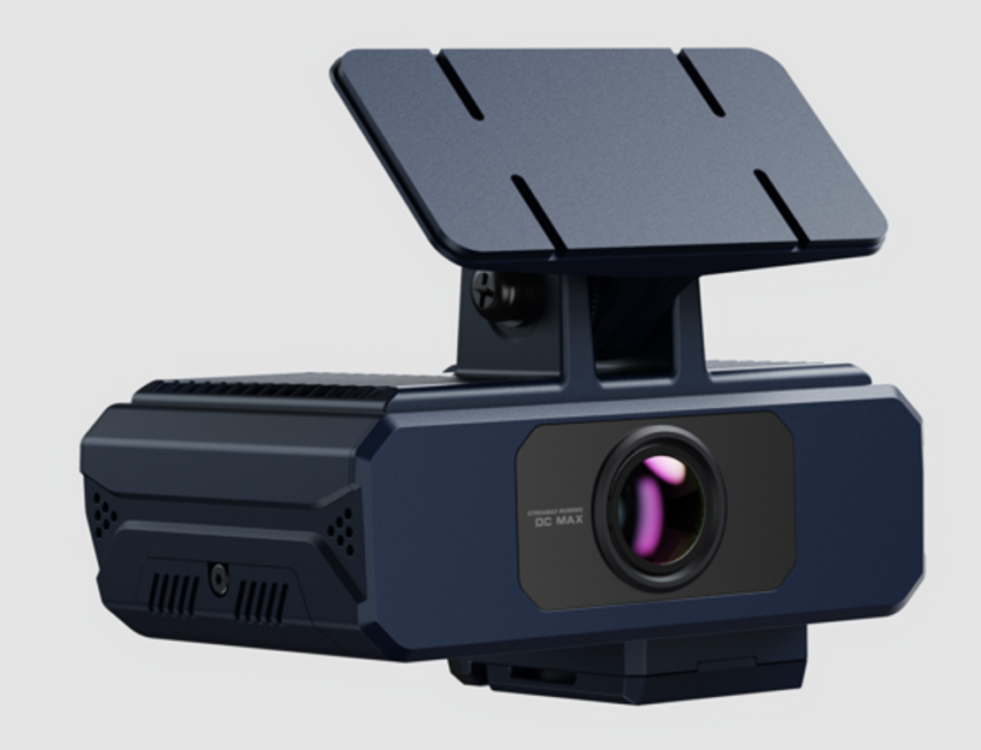 |  | 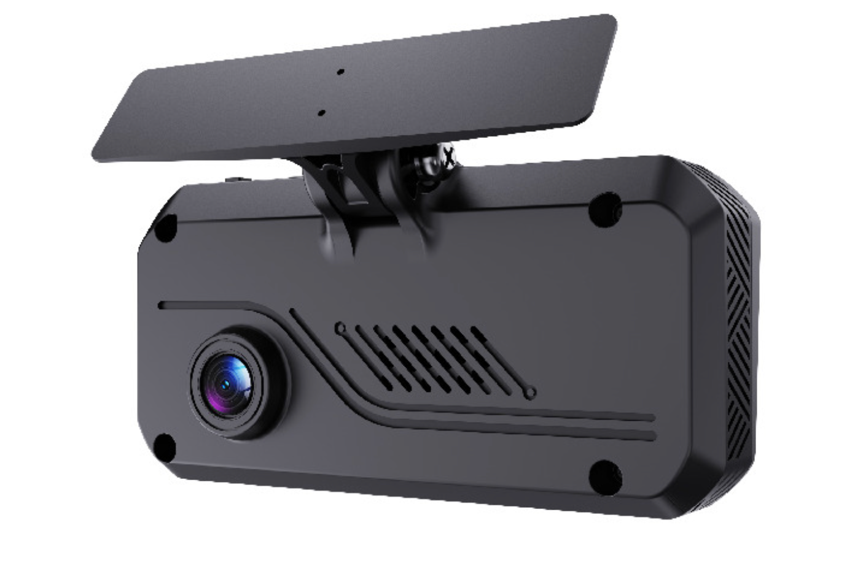
 | Interior View |  | 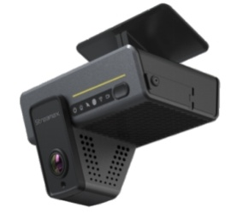 | 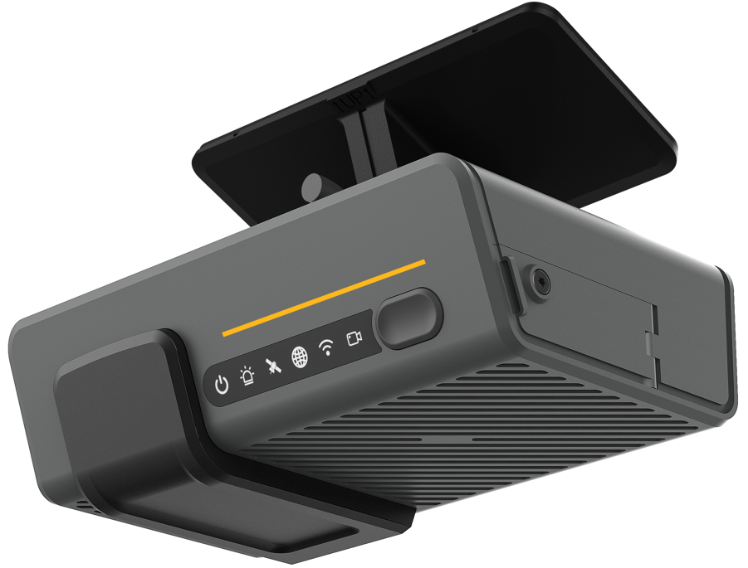 | 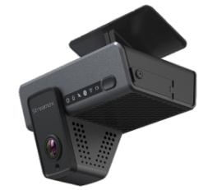 | 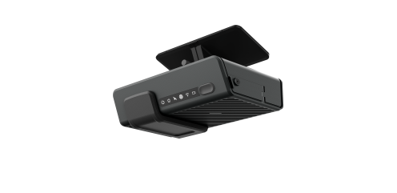 | 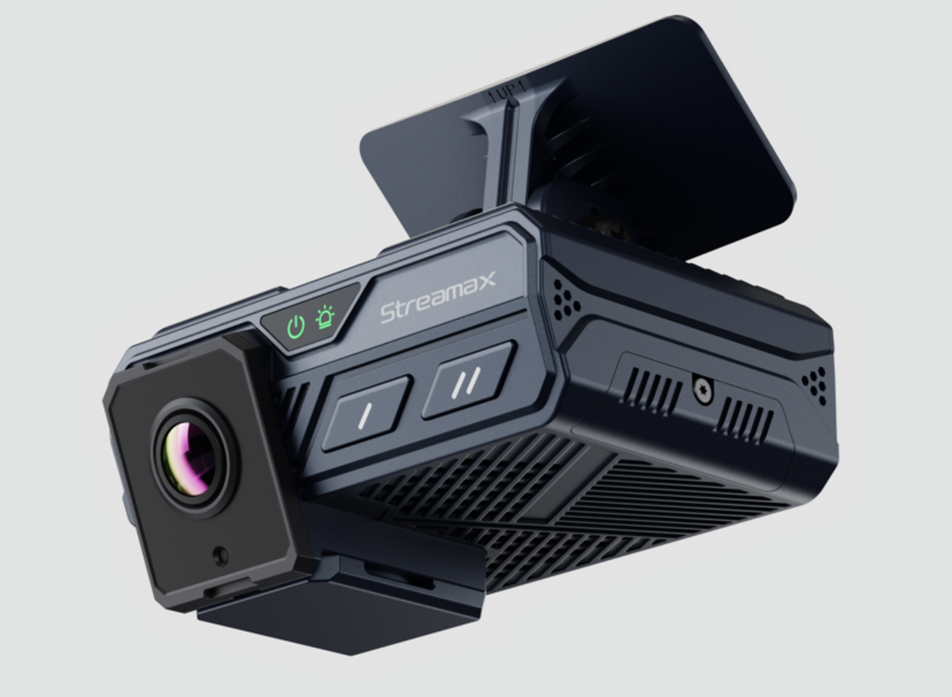 | 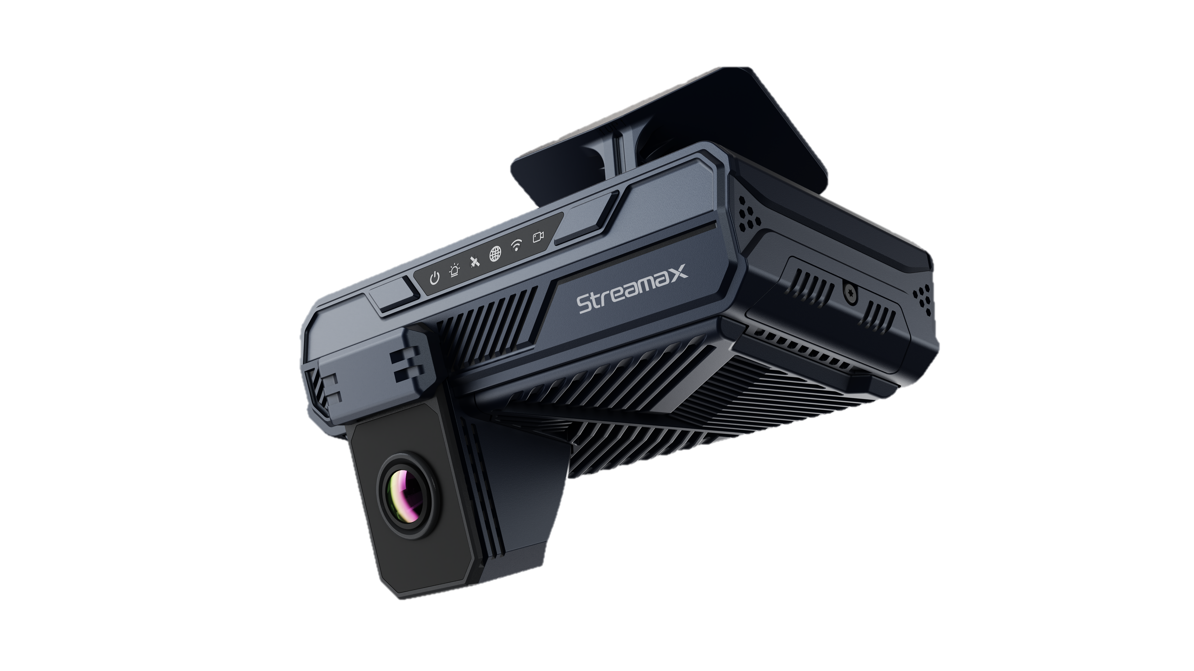 | 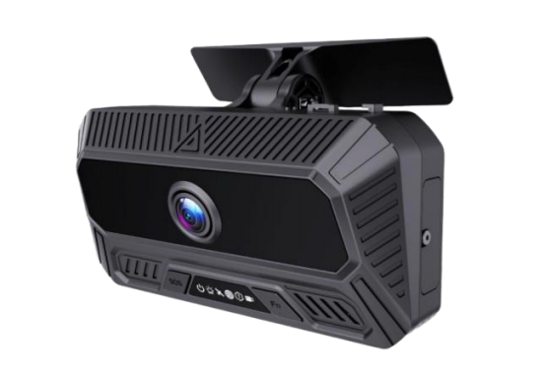
 | Dimensional Drawing |  | 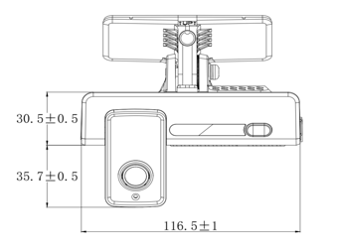 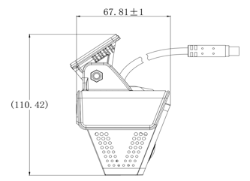 | 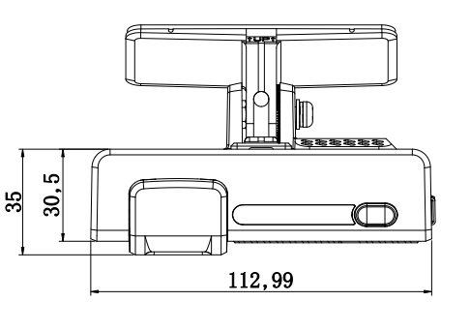 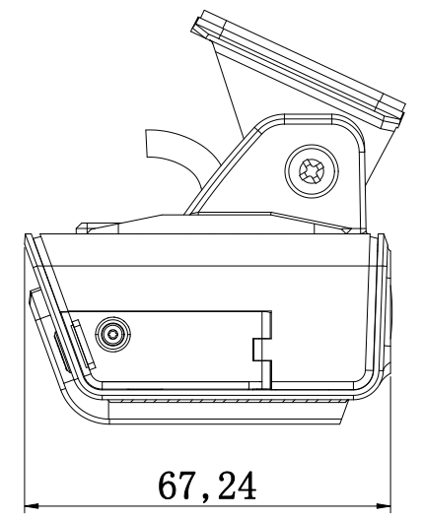 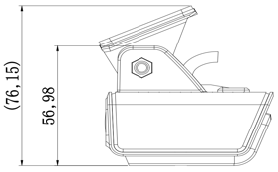 |  |  | 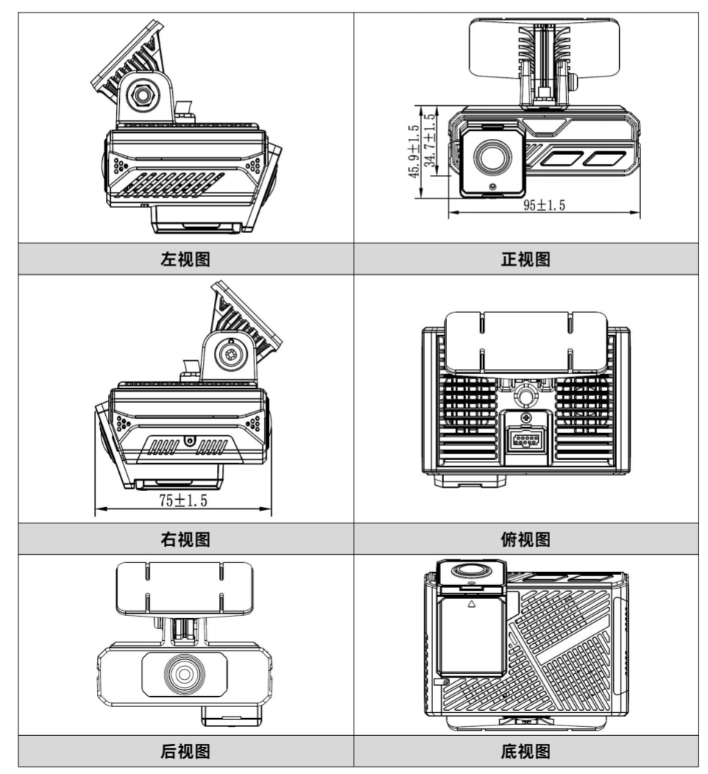 | 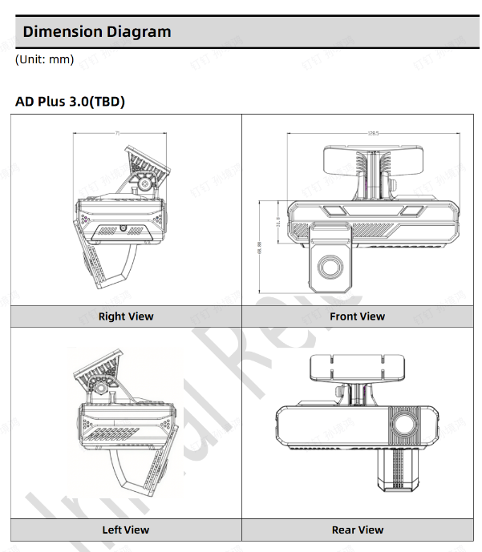 | 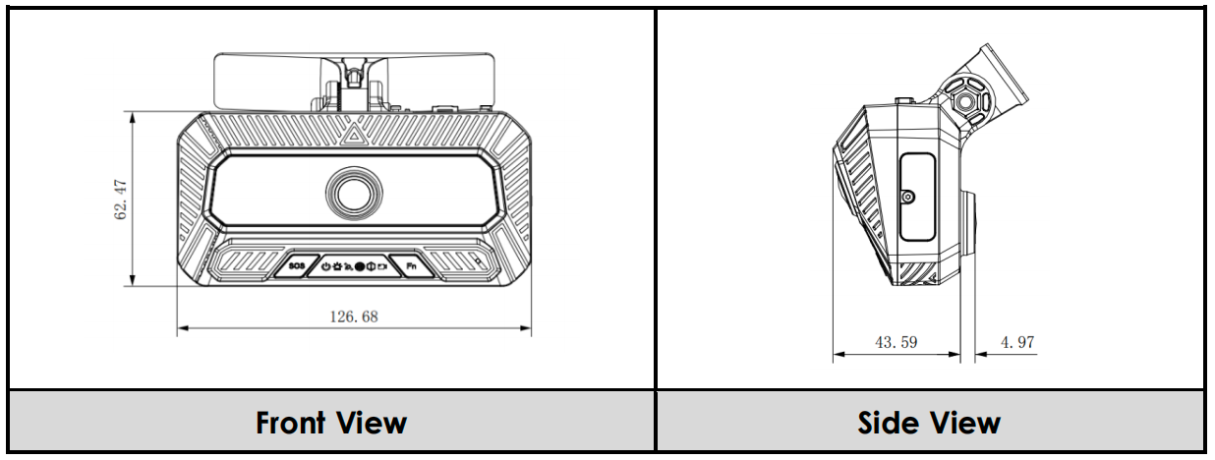
 | External Dimensions (mm) |  | 116.5×67.8×88.2 (excluding bracket) | 113.0×67.2×57.0 (excluding bracket) | 116.5 × 67.8 × 88.2 | 116.5 × 67.8 × 57.0 | 95×45.9×75 (excluding bracket) | To be supplemented | 126.68×62.47×48.56
Audio/Video | Video Input |  | 2 built-in + 2 expansion（AHD+IPC) | 1 built-in + 2 expansion（AHD+IPC） | 2 built-in | 1 built-in + 1 expansion（AHD） | 2 built-in + 4 expansion (1*AHD + 3*IPC) | 2 built-in + 3 expansion (2*AHD + 1*IPC) | 2 built-in
 | Video Output |  | 1 channel 4-pin aviation connector (CVBS) | 1 channel 4-pin aviation connector (CVBS) | Not supported | Not supported | 1 channel 4-pin aviation connector (CVBS/AHD; no audio or display power supply) | To be supplemented | To be supplemented
 | Video Encoding Format |  | H.264/H.265 | H.264/H.265 | H.264/H.265 | H.264/H.265 | H.264/H.265 (H.265 default) | H.264/H.265 | H.264/H.265
 | Maximum Video Resolution |  | Front 500W/Internal 1080P/Expansion 2*1080P | Front 500W/Expansion 2*1080P | Front 1080P | Front 1080P | Road-facing 1520P / cabin-facing 1520P / expansion 1*1080P (AHD) + 3*1080P (IPC) | Road-facing 1520P / cabin-facing 1080P / expansion 2*1080P (AHD) + 1*1080P (IPC) | Road-facing 1080P@25fps / cabin-facing 1080P@20fps
 | Audio Input |  | IP intercom, built-in MIC | IP intercom, built-in MIC | IP intercom, built-in MIC | IP intercom, built-in MIC | IP intercom, built-in MIC | IP intercom, built-in MIC | IP intercom, built-in MIC
 | Audio Format |  | ADPCM(default)、G711A、G711U、G727 | ADPCM(default)、G711A、G711U、G728 | ADPCM(default)、G711A、G711U、G732 | ADPCM(default)、G711A、G711U、G732 | ADPCM (default), G.711, G.726 | ADPCM (default), G.711, G.726 | ADPCM (default), G.711, G.726
 | Audio Output |  | 1 channel | 1 channel | 1 channel | 1 channel | 1 channel (built-in loudspeaker) | 1 channel (built-in loudspeaker) | 1 channel (built-in loudspeaker)
G-Sensor | Number of Axes |  | 6-axis | 6-axis | 6-axis | 6-axis | 6-axis | 6-axis | 6-axis
 | Frequency |  | 100Hz | 100Hz | 100Hz | 100Hz | 100Hz | To be supplemented | 100Hz
 | Supported Functions |  | Sudden acceleration, sudden deceleration, sharp turns, collision | Sudden acceleration, sudden deceleration, sharp turns, collision | Sudden acceleration, sudden deceleration, sharp turns, collision | Sudden acceleration, sudden deceleration, sharp turns, collision | Sudden acceleration, sudden deceleration, sharp turns, collision | Harsh acceleration, harsh deceleration, harsh cornering, collision | Harsh acceleration, harsh deceleration, harsh cornering, collision
Communication | Network Communication |  | 3G/4G | 3G/4G | 3G/4G | 3G/4G | Requires cascaded GT1 Pro | 4G | 4G
 | Communication Module |  | North America, South America, Europe, Middle East, Asia-Pacific (non-removable) | North America, South America, Europe, Middle East, Asia-Pacific (non-removable) | North America, South America, Europe, Middle East, Asia-Pacific (non-removable) | North America, South America, Europe, Middle East, Asia-Pacific (non-removable) | Requires cascaded GT1 Pro | Variants for North America, Europe/Asia, and Latin America/Australia/New Zealand; Nano SIM, reserved eSIM | Variants for Europe, Latin America, and North America; Nano SIM, reserved eSIM
 | 3G/4G Antenna |  | Built-in | Built-in | Built-in | Built-in | Requires cascaded GT1 Pro | To be supplemented | Built-in
 | WIFI Function/Antenna |  | Supported, built-in antenna | Supported, built-in antenna | Supported, built-in antenna | Supported, built-in antenna | Requires cascaded GT1 Pro | Supports 2.4GHz/5GHz; antenna information to be supplemented | Supports 2.4GHz Wi-Fi and BT 5.2; antenna information to be supplemented
 | WIFI AP Mode Configuration (Veyes APP) |  | Supported | Supported | Supported | Supported | Supports switching AP/Wi-Fi mode on cascaded GT1 Pro | Supported | Supported
 | WIFI AP Mode Hotspot Function (Users Connect Devices to the Internet) |  | Supported | Supported | Supported | Supported | Supported | Supported | Supported
GPS Positioning | Type |  | Default inertial GPS | Default inertial GPS | Default regular GPS | Default regular GPS | Requires cascaded GT1 Pro | GNSS (L1+L5) | GNSS
 | Module/Antenna |  | Built-in | Built-in | Built-in | Built-in | Requires cascaded GT1 Pro | Built-in | Built-in
Storage | Type |  | 2*micro sd cards | 2*micro sd cards | 2*micro sd cards | 2*micro sd cards | 1*eMMC + 1*Micro SD | 1*eMMC + 1*Micro SD | 1*eMMC + 1*Micro SD
 | Storage Medium/Maximum Capacity |  | 2*256GB | 2*256GB | 2*512GB | 2*512GB | 256GB + 1TB | 256GB + 1TB | 256GB + 1TB
Interface | Serial Port |  | Standard supports 1*RS232 Expandable to support up to 2*RS232, 2*RS485 | Standard supports 1*RS232 Expandable to support up to 2*RS232, 2*RS485 | 1*RS232 (selectable with CAN) | 1*RS232 (selectable with CAN) | 1*RS485 (for R-Watch) | 1*RS232; up to 2*RS232 and 2*RS485 with trucking expansion box | 1*RS232
 | I/O |  | 3 I/O inputs Expandable (with UPS power box) to support up to 8*IO inputs, 2*IO outputs | 3 I/O inputs Expandable (with UPS power box) to support up to 8*IO inputs, 2*IO outputs | 2 I/O inputs, 1 I/O output | 2 I/O inputs, 1 I/O output | Requires cascaded GT1 Pro | 3 inputs, 1 output; up to 8 inputs with trucking expansion box | 2 inputs, 1 output
 | USB |  | 1*mini USB port | 1*mini USB port | 1*mini USB port | 1*mini USB port | 1*Type-C | 1*Type-C | 1*Type-C (USB 2.0)
 | CAN |  | 1 channel | 1 channel | 1 channel (selectable with RS232) | 1 channel (selectable with RS232) | 1 channel | 2 channels | 1 channel
 | Supported CAN Data |  | Supports J1939 protocol | Supports J1939 protocol | Supports J1939 protocol | Supports J1939 protocol | Supports J1939 protocol | J1939, ISO15765, ISO27145, UDS | J1939
 | Pulse |  | Standard version does not supported (optional) | Standard version does not supported (optional) | Not supported | Not supported | Not supported | To be supplemented | /
 | MIC |  | Built-in MIC | Built-in MIC | Built-in MIC | Built-in MIC | Built-in MIC | Built-in MIC | Built-in MIC
 | Speaker |  | Built-in speaker (3W) | Built-in speaker (3W) | Built-in speaker (3W) | Built-in speaker (3W) | Built-in loudspeaker (3W; ≥70dB at 1m) | Built-in loudspeaker (3W) | Built-in loudspeaker (3W)
 | UPS Power Box |  | Supported (optional) | Supported (optional) | Not supported | Not supported | Supports trucking expansion box | Supports trucking expansion box | /
 | External Screen |  | 7-inch and 4.3-inch screens optional, require separate power supply | 7-inch and 4.3-inch screens optional, require separate power supply | Not supported | Not supported | Supports 7-inch/4.3-inch display; no audio or power supply to display | 7-inch screen and 4.3-inch screen are available. They require separate power supply. | 7-inch screen and 4.3-inch screen are available. They require separate power supply.
 | Veyes APP |  | Supported | Supported | Supported | Supported | Supported | Supported | Supported
AI | ADAS | Configuration | Built-in (standard) | Built-in (standard) | Built-in (standard) | Built-in (standard) | Built-in (standard) | Built-in (standard) | Built-in (standard)
 |  | Lens Specification | 2.8mm | 2.8mm | 4mm | 4mm | 3.7mm | 2.8mm | Version 1: 3.85mm; Version 2: 2.58mm
 |  | Description | 500W resolution, horizontal angle 103°, vertical angle 71° | 500W resolution, horizontal angle 103°, vertical angle 71° | 1080P resolution, horizontal angle 89°, vertical angle 46° | 1080P resolution, horizontal angle 89°, vertical angle 46° | 1520P; HFOV:127.4°±3°; VFOV:69.2°±3°; DFOV:149.2°±5° | 4MP; HFOV:126°±3°; VFOV:95.8°±3°; DFOV:70°±5° (as stated in the initial specification) | 1080P; V1 HFOV:86.4°±3°/VFOV:46°±3°/DFOV:103°±5°; V2 HFOV:124°±3°/VFOV:67.5°±3°/DFOV:147°±5°
 | DMS | Configuration | Expandable (optional) | Expandable (optional) | / | Expandable (optional) | External (optional) | External (optional; C29N recommended) | /
 |  | Lens Specification | C29N: 3mm (suitable for 50-100cm) | C29N: 3mm (suitable for 50-100cm) | / | CA29P: 4mm (suitable for 50-100cm) (recommended) CA29M: 3mm (suitable for 40-80cm) CA29M: 4mm (suitable for 60-80cm) | C29N: 3mm (for 50–100cm) | C29N: 3mm (for 50–100cm) | /
 |  | Description | Supports left and right A-pillars, windshield, and dashboard installation | Supports left and right A-pillars, windshield, and dashboard installation | / | Supports left and right A-pillars, windshield, and dashboard installation | Supports left/right A-pillar, windshield, and dashboard installation | Supports left/right A-pillar, windshield, and dashboard installation | /
 | DSC | Cabin | Built-in (standard) | / | Built-in (standard) | / | Built-in (standard) | Built-in (standard) | Built-in (standard)
 |  | Lens Specification | 2.2mm | / | 2.2mm | / | 2.2mm | 2.2mm | 2.2mm
 |  | Description | Intelligent, 1080P resolution, horizontal angle 151°, vertical angle 84° | / | Intelligent, 1080P resolution, horizontal angle 154°, vertical angle 84° | / | 1520P; HFOV:130.5°±3°; VFOV:74.6°±3°; DFOV:153.1°±5° | 2MP; HFOV:151°; VFOV:84°; DFOV:170° | 1080P; HFOV:146.6°±3°; VFOV:80.2°±3°; DFOV:172°±5°
 | BSD Top View | Configuration | Expandable (supports left and right top view BSD selection) | Expandable (supports left and right top view BSD selection) | / | / | External (left/right overhead BSD options) | External (up to 2 BSD channels; mounting type to be confirmed) | /
 |  | Lens Specification | miniC24(1.8mm) | miniC24(1.8mm) | / | / | C46 | To be supplemented | /
 |  | Description | BSD algorithm software not supported | BSD algorithm software not supported | / | / | C46 includes black-light BSD algorithm | To be supplemented | /
 | BSD Side View | Configuration | Expandable (supports left and right side BSD selection) | Expandable (supports left and right side BSD selection) | / | / | Expandable (supports left and right side BSD selection) | To be supplemented | /
 |  | Lens Specification | CA24S(6mm) | CA24S(6mm) | / | / | CA24S(6mm) | To be supplemented | /
 |  | Description | BSD algorithm software curretnly not supported | BSD algorithm software curretnly not supported | / | / | BSD algorithm software curretnly not supported | To be supplemented | /
 | Combination |  | Supports up to two AI ADAS+DSC or ADAS+DMS | Supports up to two AI ADAS+DMS | / | / | 4-channel AI: ADAS+DSC+2*BSD, or ADAS+DMS (C29N)+2*BSD | ADAS + DSC + 2*BSD + DMS (described as 4-channel AI in the specification) | ADAS + DSC
Optional Accessories | Rwatch |  | Adapter box provided, can connect to Rwatch | Adapter box provided, can connect to Rwatch | Optional | Optional | Optional (connected via RS485) | To be supplemented | /
Power Consumption | Maximum typical power consumption (without peripherals) |  | <8W | <7W | <6W | <6W | 5.4W | To be supplemented | Approx. 4W
 | Maximum typical power consumption (with full peripherals) |  | <12W | <11W | <11W | <11W | 6.6W | To be supplemented | Approx. 4.3W
 | Standby power consumption |  | <0.1W | <0.1W | <0.1W | <0.1W | <0.1W | To be supplemented | Approx. 0.072W
Operating Environment | Operating temperature |  | -40℃~+70℃ | -40℃~+70℃ | -40℃~+70℃ | -40℃~+70℃ | -40°C to +70°C | -40°C to +70°C | -40°C to +70°C
 | Operating humidity |  | 15% - 90% | 15% - 90% | 15% - 90% | 15% - 90% | 15%–95% non-condensing | 15%–95% non-condensing | 15%–95% non-condensing
 | Relative humidity |  | 15%~95% non-condensing | 15%~95% non-condensing | 15%~95% non-condensing | 15%~95% non-condensing | 15%–95% non-condensing | 15%–95% non-condensing | 15%–95% non-condensing

