Funnel for Display and Search
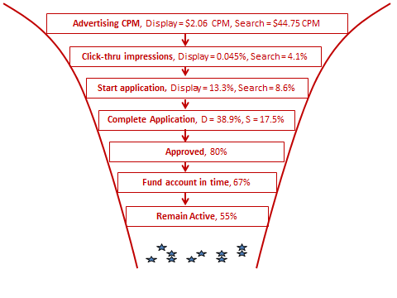
Funnel Measures
One reasonable funnel is the diagram shown below.
The following table transforms case facts to get efficiency measures at each stage.
(Note minor summation correction for total display spending.)

 | Efficiencies |  | Raw Numbers |  |  | Notes
 | Display | Search | $634,000 | Cost | $516,000
Advertising CPM | $2.05 | $44.76 | 309,274,438 | Impressions | 11,529,237 | Exs 5 & 7, totals, divide out, CPM = cost per 1,000
Click-thru per impression | 0.05% | 4.1% | 139,474 | Clicks | 472,433 | Exs 5 & 7, divide out
Start Application | 13.3% | 8.6% | 18,520 | Starts | 40,653 | Exs 5 & 7, divide out
Complete Application | 38.9% | 17.5% | 7,209 | Completes | 7,107 | Exs 5 & 7, divide out
Approved | 80.0% | 80.0% |  |  |  | Page 6, vs. 95-100% in branches
Fund in timeframe | 67.0% | 67.0% |  |  |  | Page 6, offline ~ 100%
Remain active | 55.0% | 55.0% |  |  |  | Page 3, offline = 65%
Net percent account | 0.00125% | 0.033% |  |  |  | multiply out
Net CPApplication | $87.95 | $72.60 |  |  |  | multiply out thru complete application then divide cost by probability
Net CPAccount | $164.08 | $135.46 |  |  |  | multiply out (except retention) then divide cost by probability

