Sport_Score
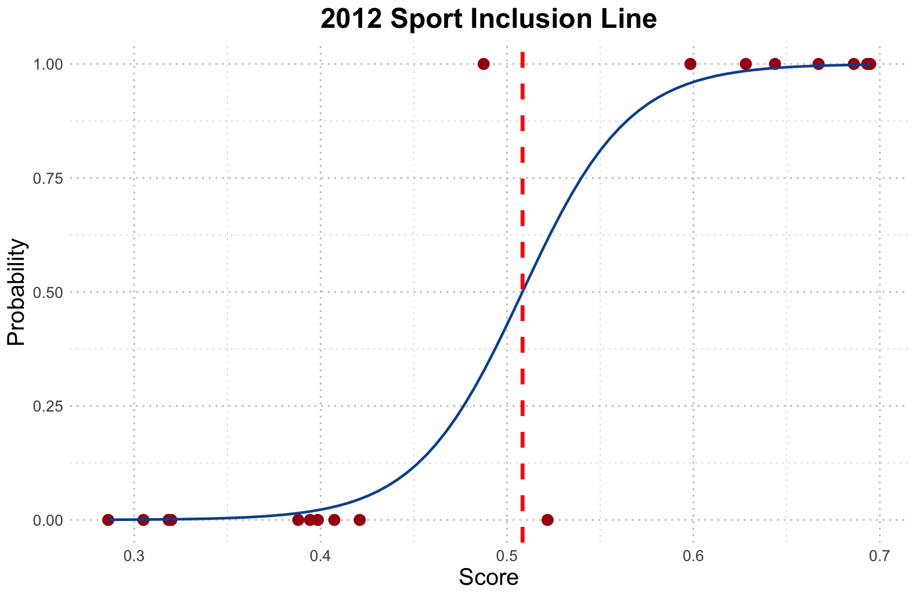
2024 | Trends Index | Gender Ratio | Popularity among young media | Appeared n times | Age | Visitor footprint(spectators number) | Injuries rate | Antidoping AAF% | Cultural index | Country | Dis2Max | Dis2Min | Unnormalized_score | Normalized_score | Enrolling Status
breaking | 0.025341246 | 1.001355223 | 0.821428571 | 0.032258065 | 1.017182131 | 0.999481969 | 0.457142857 | 1 | 1 | 0.149659864 | 0.660555439 | 0.641515373 | 0.492688544 | 0.041966686 | 1
table tennis | 0.083175074 | 0.999018786 | 0.428571429 | 0.322580645 | 0.742268041 | 0.955611433 | -0.028571429 | 0.95 | 0.5 | 1.034013605 | 0.60560314 | 0.574238791 | 0.486708241 | 0.04145729 | 1
 |  |  |  |  |  |  |  |  |  |  | 0 | 0
australian rule football | 0.186278932 | 0.98052708 | 0.535714286 | 0 | 0.608247423 | 0.99260628 | 0.831428571 | 1 | 1 | 0.142857143 | 0.636774675 | 0.617369739 | 0.492263676 | 0.041930496 | 1
Cycling | 0.179991098 | 0.902149054 | 0.964285714 | 1.032258065 | 0.642611684 | 0.974526138 | 0.485714286 | 0.85 | 0.5 | 0.857142857 | 0.416832351 | 0.756483063 | 0.64473973 | 0.054918244 | 1
Aquatics | 1.08852819 | 0.990538045 | 0.928571429 | 1.032258065 | 0.536082474 | 0.884198771 | 0.142857143 | 0.9 | 1 | 0.918367347 | 0.244627662 | 0.958808746 | 0.796725726 | 0.067864249 | 1
 |  |  |  |  |  |  |  |  |  |  | 0 | 0
baseball and softball | 0.427986501 | 0.980936365 | 0.964285714 | 0.21875 | 0.530405405 | 0.988422656 | 0.555555556 | 0.65 | 0 | 0.434210526 | 0.625988016 | 0.52683493 | 0.456995527 | 0.038926392 | 0
gymnastics | 0.209904207 | 0.982828888 | 0.571428571 | 0.96875 | 0.726351351 | 0.945150443 | 0.416666667 | 0.925 | 0.5 | 0.565789474 | 0.443117153 | 0.681834247 | 0.60610107 | 0.051627044 | 1
shooting | 0.427986501 | 0.911090766 | 0.25 | 0.90625 | 0.726351351 | 0.991317764 | 0.611111111 | 0.95 | 0 | 0.467105263 | 0.549860807 | 0.633223981 | 0.535231276 | 0.04559043 | 1
basketball | 0.918671661 | 0.99884807 | 1 | 0.65625 | 0.709459459 | 0.791555318 | 0.083333333 | 0.85 | 0.5 | 0.901315789 | 0.345248192 | 0.771458803 | 0.69083368 | 0.058844477 | 1
boxing | 0.264424781 | 0.537063194 | 1 | 0.84375 | 0 | 0.914693908 | 0.666666667 | 0.725 | 0.5 | 0.815789474 | 0.438262475 | 0.676465195 | 0.606843459 | 0.05169028 | 1
tennis | 0.427986501 | 0.994819557 | 0.964285714 | 0.5625 | 0.662162162 | 0.967191865 | 0.5 | 0.9 | 1 | 0.894736842 | 0.322632068 | 0.763213696 | 0.702874866 | 0.059870133 | 1
volleyball | 0.318945354 | 0.996479327 | 0.928571429 | 0.5 | 0.726351351 | 0.91314985 | 0.583333333 | 1 | 0.5 | 0.967105263 | 0.418508303 | 0.667976386 | 0.614805153 | 0.052368448 | 1
skateboarding | 0.046342487 | 1 | 0.428571429 | 0.0625 | 0.959459459 | 0.999829382 | 0.805555556 | 0.85 | 1 | 0.361842105 | 0.631986927 | 0.622817623 | 0.496346322 | 0.042278251 | 1
handball | 0.100863061 | 0.989007554 | 0.214285714 | 0.46875 | 0.797297297 | 0.903499491 | 0.583333333 | 0.9 | 1 | 0.881578947 | 0.505529222 | 0.673836871 | 0.571355133 | 0.048667422 | 1
cycling | 0.100863061 | 0.901627088 | 0.357142857 | 0.96875 | 0.631756757 | 0.974526138 | 0.5 | 0.85 | 1 | 0.828947368 | 0.438388113 | 0.767802877 | 0.63655166 | 0.054220793 | 1
American football | 0.200281326 | 0.124533001 | 0.464285714 | 0 | 0.635135135 | 0.98745762 | 0.138888889 | 0.475 | 0 | 0 | 0.831433128 | 0.300657872 | 0.265577478 | 0.022621607 | 0
Auto racing | 0.022108092 | 0.98381071 | 0 | 0 | 0.719594595 | 0 | 0.027777778 | 0.55 | 0.5 | 0.592105263 | 0.784049116 | 0.397340906 | 0.336333386 | 0.02864852 | 0
Bowling | 0.032194399 | 0.999059649 | 0.928571429 | 0 | 0.709459459 | 0.989387692 | 0.5 | 0.75 | 0 | 0.223684211 | 0.7773484 | 0.474278962 | 0.378929845 | 0.032276841 | 0
Chess | 0.143280067 | 0 | 0.964285714 | 0 | 0.516891892 | 1 | 1 | 1 | 0 | 0.842105263 | 0.744180041 | 0.548536752 | 0.424328635 | 0.036143861 | 0
Flying disc | 0.00190822 | 0.976961395 | 0.178571429 | 0 | 0.983108108 | 0.997687002 | 0.583333333 | 1 | 0.5 | 0.210526316 | 0.735473885 | 0.482220906 | 0.396011307 | 0.033731821 | 0
Lacrosse | 0.032194399 | 0.993003779 | 0.357142857 | 0.0625 | 0.591216216 | 0.739864865 | 0.583333333 | 0 | 0.5 | 0.111842105 | 0.739345659 | 0.396875079 | 0.349293993 | 0.02975249 | 0
Squash | 0.012021786 | 0.965442092 | 0.785714286 | 0 | 0.817567568 | 0.988877188 | 0.5 | 0.825 | 0.5 | 0.309210526 | 0.688982972 | 0.507425366 | 0.424123896 | 0.036126422 | 0
Tug-of-war | 0 | 0.95675831 | 0.071428571 | 0.1875 | 0.739864865 | 0.998073016 | 0.638888889 | 0.825 | 0 | 0 | 0.804869381 | 0.404240826 | 0.334329182 | 0.028477804 | 0

2024 Line | 0.4536439
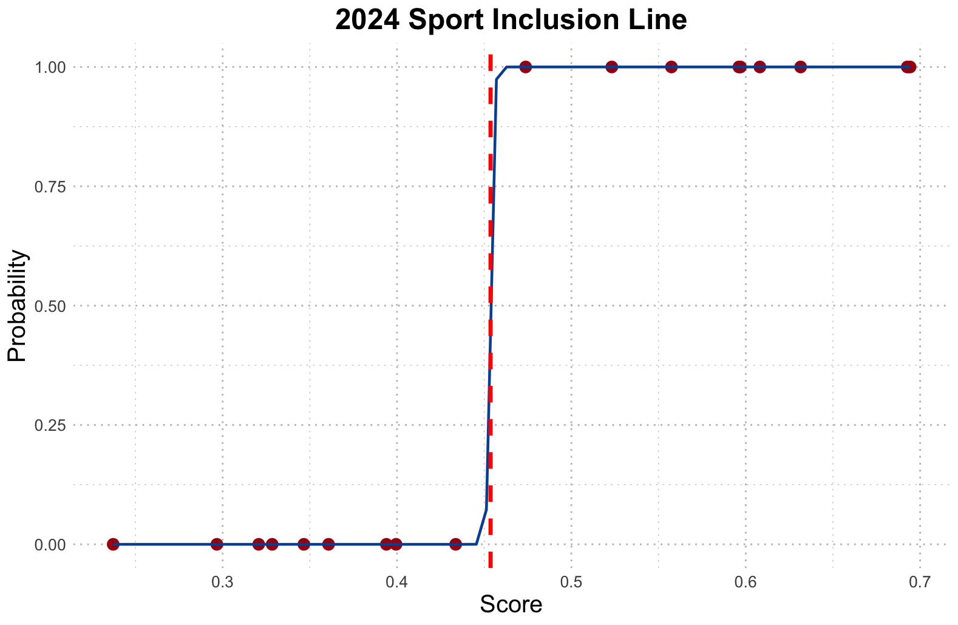

2020 | Trends Index | Gender Ratio | Popularity among young media | Appeared n times | Age | Visitor footprint(spectators number) | Injuries rate | Antidoping AAF% | Cultural index | Country | Dis2Max | Dis2Min | Unnormalized_score | Normalized_score | Enrolling Status
baseball and softball | 0.446379274 | 0.980936365 | 0.964285714 | 0.2 | 0.5395189 | 0.988422656 | 0.542857143 | 0.65 | 1 | 0.448979592 | 0.557398079 | 0.595314718 | 0.516446698 | 0.061121698 | 1
gymnastics | 0.234458852 | 0.982828888 | 0.571428571 | 1 | 0.738831615 | 0.945150443 | 0.4 | 0.925 | 1 | 0.585034014 | 0.453694795 | 0.745125713 | 0.621549021 | 0.073560605 | 1
shooting | 0.484137864 | 0.911090766 | 0.25 | 0.933333333 | 0.738831615 | 0.991317764 | 0.6 | 0.95 | 0 | 0.482993197 | 0.486071482 | 0.680564532 | 0.583356355 | 0.069040485 | 1
basketball | 1 | 0.99884807 | 1 | 0.666666667 | 0.721649485 | 0.791555318 | 0.057142857 | 0.85 | 0.5 | 0.931972789 | 0.336624407 | 0.82184701 | 0.709423641 | 0.083960605 | 1
boxing | 0.43351258 | 0.537063194 | 1 | 0.866666667 | 0 | 0.914693908 | 0.657142857 | 0.725 | 1 | 0.843537415 | 0.370022482 | 0.76261892 | 0.673310122 | 0.079686554 | 1
tennis | 0.357995402 | 0.994819557 | 0.964285714 | 0.566666667 | 0.673539519 | 0.967191865 | 0.485714286 | 0.9 | 0.5 | 0.925170068 | 0.440442715 | 0.665598446 | 0.601784517 | 0.071221467 | 1
volleyball | 0.318906711 | 0.996479327 | 0.928571429 | 0.5 | 0.738831615 | 0.91314985 | 0.571428571 | 1 | 1 | 1 | 0.445583221 | 0.702650247 | 0.611940225 | 0.072423399 | 1
skateboarding | 0.047457471 | 1 | 0.428571429 | 0.033333333 | 0.975945017 | 0.999829382 | 0.8 | 0.85 | 0.5 | 0.37414966 | 0.760514788 | 0.465487654 | 0.379679223 | 0.044935206 | 1
handball | 0.075959641 | 0.989007554 | 0.214285714 | 0.466666667 | 0.810996564 | 0.903499491 | 0.571428571 | 0.9 | 0.5 | 0.911564626 | 0.617448482 | 0.552697119 | 0.472331921 | 0.055900694 | 1
cycling | 0.126557779 | 0.901627088 | 0.357142857 | 1 | 0.642611684 | 0.974526138 | 0.485714286 | 0.85 | 0.5 | 0.857142857 | 0.519668128 | 0.709911635 | 0.57736119 | 0.068330955 | 1
American football | 0.205685233 | 0.124533001 | 0.464285714 | 0 | 0.64604811 | 0.98745762 | 0.114285714 | 0.475 | 0.5 | 0 | 0.82738828 | 0.310939271 | 0.273154481 | 0.032327955 | 0
Auto racing | 0.041404153 | 0.98381071 | 0 | 0 | 0.731958763 | 0 | 0 | 0.55 | 0.5 | 0.612244898 | 0.857983633 | 0.356826221 | 0.293730101 | 0.034763089 | 0
Bowling | 0.039829747 | 0.999059649 | 0.928571429 | 0 | 0.721649485 | 0.989387692 | 0.485714286 | 0.75 | 0.5 | 0.231292517 | 0.780502064 | 0.475545487 | 0.378604685 | 0.044808034 | 0
Chess | 0.07644825 | 0 | 0.964285714 | 0 | 0.525773196 | 1 | 1 | 1 | 0.5 | 0.870748299 | 0.747988408 | 0.568160698 | 0.431684142 | 0.051090011 | 0
Flying disc | 0.0013111 | 0.976961395 | 0.178571429 | 0 | 1 | 0.997687002 | 0.571428571 | 1 | 0.5 | 0.217687075 | 0.827265458 | 0.423035239 | 0.338346799 | 0.040043495 | 0
Lacrosse | 0.04591021 | 0.993003779 | 0.357142857 | 0.066666667 | 0.60137457 | 0.75257732 | 0.571428571 | 0 | 0.5 | 0.115646259 | 0.811626024 | 0.352880569 | 0.303030117 | 0.03586375 | 0
Squash | 0.017386324 | 0.965442092 | 0.785714286 | 0 | 0.83161512 | 0.988877188 | 0.485714286 | 0.825 | 0.5 | 0.319727891 | 0.779537305 | 0.462290348 | 0.372266109 | 0.04405786 | 0
Tug-of-war | 0 | 0.95675831 | 0.071428571 | 0.2 | 0.75257732 | 0.998073016 | 0.628571429 | 0.825 | 0 | 0 | 0.836229188 | 0.37830733 | 0.311482878 | 0.036864138 | 0

2022 Line | 0.422502
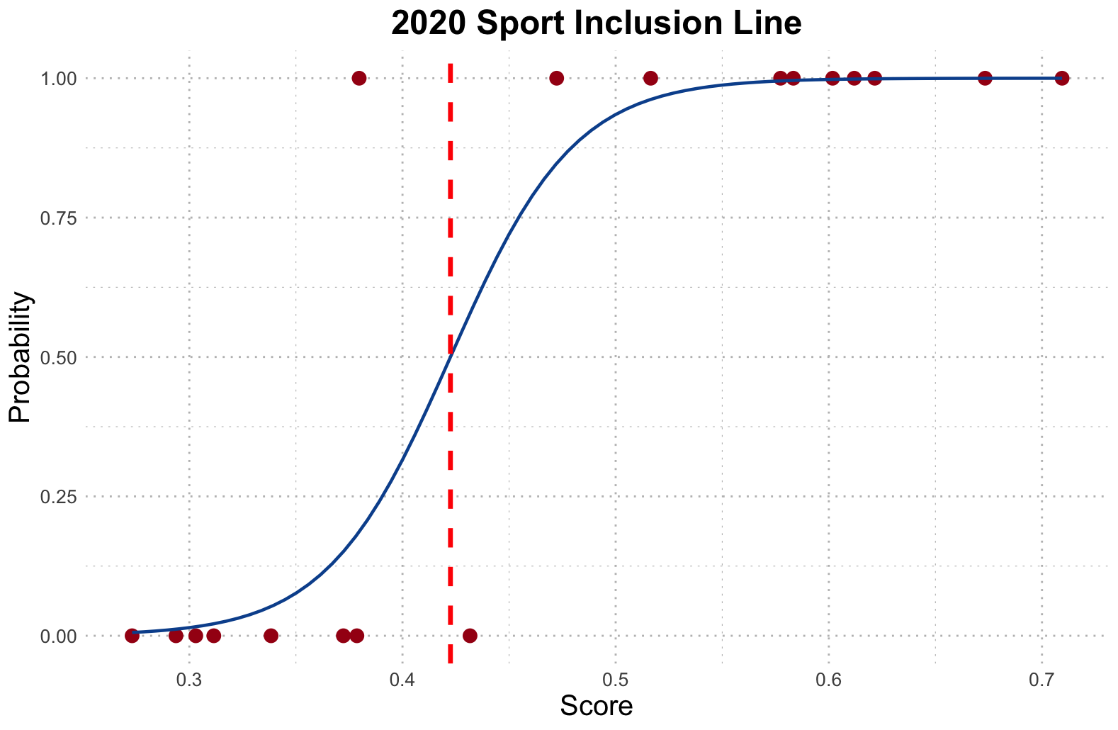

2016 | Trends Index | Gender Ratio | Popularity among young media | Appeared n times | Age | Visitor footprint(spectators number) | Injuries rate | Antidoping AAF% | Cultural index | Country | Dis2Max | Dis2Min | Unnormalized_score | Normalized_score | Enrolling Status
baseball and softball | 0.477962614 | 0.980936365 | 0.964285714 | 0.172413793 | 0.5395189 | 0.988422656 | 0.542857143 | 0.65 | 0.5 | 0.448979592 | 0.577822644 | 0.546338722 | 0.485996707 | 0.056646474 | 0
gymnastics | 0.302953529 | 0.982828888 | 0.571428571 | 1 | 0.738831615 | 0.945150443 | 0.4 | 0.925 | 1 | 0.585034014 | 0.403110125 | 0.777110428 | 0.65844509 | 0.076746595 | 1
shooting | 0.45775921 | 0.911090766 | 0.25 | 0.931034483 | 0.738831615 | 0.991317764 | 0.6 | 0.95 | 0 | 0.482993197 | 0.531710686 | 0.66300343 | 0.554947348 | 0.064683175 | 1
basketball | 1 | 0.99884807 | 1 | 0.655172414 | 0.721649485 | 0.791555318 | 0.057142857 | 0.85 | 1 | 0.931972789 | 0.306051675 | 0.856431124 | 0.736725846 | 0.08587079 | 1
boxing | 0.283591933 | 0.537063194 | 1 | 0.862068966 | 0 | 0.914693908 | 0.657142857 | 0.725 | 0.5 | 0.843537415 | 0.443966029 | 0.703320639 | 0.613029558 | 0.071453082 | 1
tennis | 0.364869996 | 0.994819557 | 0.964285714 | 0.551724138 | 0.673539519 | 0.967191865 | 0.485714286 | 0.9 | 0.5 | 0.925170068 | 0.440797233 | 0.658574427 | 0.59904621 | 0.069823221 | 1
volleyball | 0.302953529 | 0.996479327 | 0.928571429 | 0.482758621 | 0.738831615 | 0.91314985 | 0.571428571 | 1 | 1 | 1 | 0.43784491 | 0.722088028 | 0.622525669 | 0.072559923 | 1
skateboarding | 0.080396776 | 1 | 0.428571429 | 0 | 0.975945017 | 0.999829382 | 0.8 | 0.85 | 1 | 0.37414966 | 0.72780406 | 0.563262695 | 0.436276973 | 0.050851275 | 1
handball | 0.084750958 | 0.989007554 | 0.214285714 | 0.448275862 | 0.810996564 | 0.903499491 | 0.571428571 | 0.9 | 1 | 0.911564626 | 0.576904719 | 0.631859925 | 0.522731971 | 0.060928237 | 1
cycling | 0.11273964 | 0.901627088 | 0.357142857 | 1 | 0.642611684 | 0.974526138 | 0.485714286 | 0.85 | 0.5 | 0.857142857 | 0.510589418 | 0.710305921 | 0.581791001 | 0.067812 | 1
American football | 0.257582953 | 0.124533001 | 0.464285714 | 0 | 0.64604811 | 0.98745762 | 0.114285714 | 0.475 | 0.5 | 0 | 0.804619435 | 0.332611767 | 0.292475063 | 0.034090109 | 0
Auto racing | 0.072324123 | 0.98381071 | 0 | 0 | 0.731958763 | 0 | 0 | 0.55 | 1 | 0.612244898 | 0.814276426 | 0.481947684 | 0.371808918 | 0.043337051 | 0
Bowling | 0.041180111 | 0.999059649 | 0.928571429 | 0 | 0.721649485 | 0.989387692 | 0.485714286 | 0.75 | 0.5 | 0.231292517 | 0.765394852 | 0.479347452 | 0.385097743 | 0.044885961 | 0
Chess | 0.072733416 | 0 | 0.964285714 | 0 | 0.525773196 | 1 | 1 | 1 | 0 | 0.870748299 | 0.798677816 | 0.538215998 | 0.402586946 | 0.046924455 | 0
Flying disc | 0.001591889 | 0.976961395 | 0.178571429 | 0 | 1 | 0.997687002 | 0.571428571 | 1 | 0 | 0.217687075 | 0.867332189 | 0.390942867 | 0.310697463 | 0.036214063 | 0
Lacrosse | 0.065853809 | 0.993003779 | 0.357142857 | 0.068965517 | 0.60137457 | 0.75257732 | 0.571428571 | 0 | 0.5 | 0.115646259 | 0.789452173 | 0.365390339 | 0.316398414 | 0.036878551 | 0
Squash | 0.022282961 | 0.965442092 | 0.785714286 | 0 | 0.83161512 | 0.988877188 | 0.485714286 | 0.825 | 0 | 0.319727891 | 0.823367452 | 0.431265453 | 0.343738357 | 0.040065222 | 0
Tug-of-war | 0 | 0.95675831 | 0.071428571 | 0.206896552 | 0.75257732 | 0.998073016 | 0.628571429 | 0.825 | 0.5 | 0 | 0.781319282 | 0.411808724 | 0.345150497 | 0.040229817 | 0

2016 Line | 0.4645266
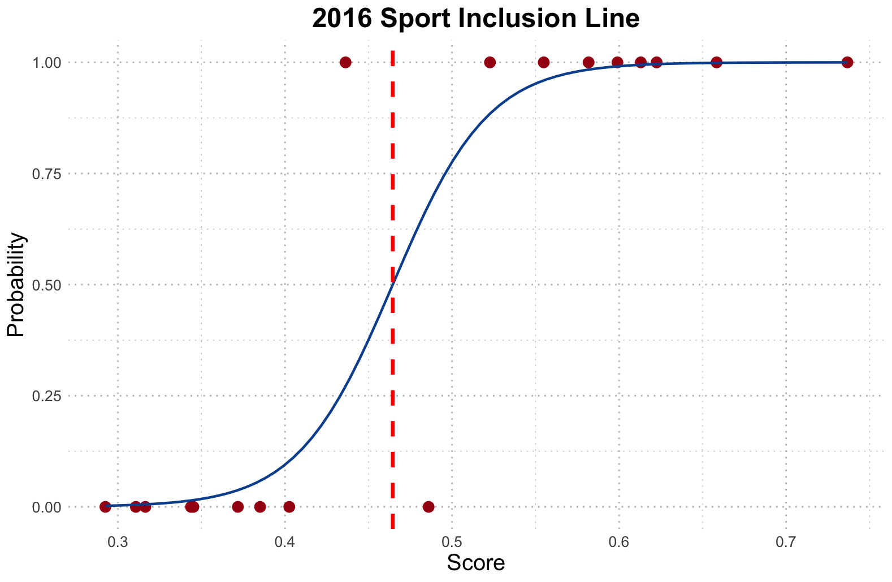

2012 | Trends Index | Gender Ratio | Popularity among young media | Appeared n times | Age | Visitor footprint(spectators number) | Injuries rate | Antidoping AAF% | Cultural index | Country | Dis2Max | Dis2Min | Unnormalized_score | Normalized_score | Enrolling Status
baseball and softball | 0.729552217 | 0.980936365 | 0.964285714 | 0.178571429 | 0.5395189 | 0.988422656 | 0.542857143 | 0.65 | 0.5 | 0.448979592 | 0.548763402 | 0.598644833 | 0.521736567 | 0.058891009 | 0
gymnastics | 0.427421198 | 0.982828888 | 0.571428571 | 1 | 0.738831615 | 0.945150443 | 0.4 | 0.925 | 1 | 0.585034014 | 0.349927866 | 0.796667709 | 0.694811428 | 0.078426832 | 1
shooting | 0.487326135 | 0.911090766 | 0.25 | 0.928571429 | 0.738831615 | 0.991317764 | 0.6 | 0.95 | 0.5 | 0.482993197 | 0.416857219 | 0.704063705 | 0.628111841 | 0.070898117 | 1
basketball | 1 | 0.99884807 | 1 | 0.642857143 | 0.721649485 | 0.791555318 | 0.057142857 | 0.85 | 0.5 | 0.931972789 | 0.361972629 | 0.790992262 | 0.686050606 | 0.077437955 | 1
boxing | 0.418339756 | 0.537063194 | 1 | 0.857142857 | 0 | 0.914693908 | 0.657142857 | 0.725 | 1 | 0.843537415 | 0.348227597 | 0.786799714 | 0.693198927 | 0.078244821 | 1
tennis | 0.475190397 | 0.994819557 | 0.964285714 | 0.535714286 | 0.673539519 | 0.967191865 | 0.485714286 | 0.9 | 1 | 0.925170068 | 0.369154197 | 0.739811108 | 0.667118353 | 0.075300977 | 1
volleyball | 0.355014007 | 0.996479327 | 0.928571429 | 0.464285714 | 0.738831615 | 0.91314985 | 0.571428571 | 1 | 0.5 | 1 | 0.449963929 | 0.670355492 | 0.598361039 | 0.067539996 | 1
skateboarding | 0.237362502 | 1 | 0.428571429 | 0 | 0.975945017 | 0.999829382 | 0.8 | 0.85 | 0.5 | 0.37414966 | 0.71366662 | 0.490593155 | 0.407381501 | 0.045983182 | 0
handball | 0.088720067 | 0.989007554 | 0.214285714 | 0.428571429 | 0.810996564 | 0.903499491 | 0.571428571 | 0.9 | 0.5 | 0.911564626 | 0.590588775 | 0.561717356 | 0.487472331 | 0.055023434 | 1
cycling | 0.165220016 | 0.901627088 | 0.357142857 | 1 | 0.642611684 | 0.974526138 | 0.485714286 | 0.85 | 1 | 0.857142857 | 0.436302151 | 0.788407078 | 0.643750418 | 0.072663321 | 1
American football | 0.378593176 | 0.124533001 | 0.464285714 | 0 | 0.64604811 | 0.98745762 | 0.114285714 | 0.475 | 0.5 | 0 | 0.797099838 | 0.349799033 | 0.304995533 | 0.034426367 | 0
Auto racing | 0.187569322 | 0.98381071 | 0 | 0 | 0.731958763 | 0 | 0 | 0.55 | 0.5 | 0.612244898 | 0.815083869 | 0.380892152 | 0.318478085 | 0.03594821 | 0
Bowling | 0.065996101 | 0.999059649 | 0.928571429 | 0 | 0.721649485 | 0.989387692 | 0.485714286 | 0.75 | 0.5 | 0.231292517 | 0.755099856 | 0.49164273 | 0.394341811 | 0.044511328 | 0
Chess | 0.128100131 | 0 | 0.964285714 | 0 | 0.525773196 | 1 | 1 | 1 | 0 | 0.870748299 | 0.772770712 | 0.561869155 | 0.420989339 | 0.047519167 | 0
Flying disc | 0.00494682 | 0.976961395 | 0.178571429 | 0 | 1 | 0.997687002 | 0.571428571 | 1 | 1 | 0.217687075 | 0.789128032 | 0.522870147 | 0.398529629 | 0.044984027 | 0
Lacrosse | 0.09853454 | 0.993003779 | 0.357142857 | 0.071428571 | 0.60137457 | 0.75257732 | 0.571428571 | 0 | 0 | 0.115646259 | 0.830858064 | 0.332987508 | 0.286109701 | 0.032294629 | 0
Squash | 0.033172593 | 0.965442092 | 0.785714286 | 0 | 0.83161512 | 0.988877188 | 0.485714286 | 0.825 | 0.5 | 0.319727891 | 0.754097126 | 0.478140543 | 0.388026235 | 0.043798457 | 0
Tug-of-war | 0 | 0.95675831 | 0.071428571 | 0.214285714 | 0.75257732 | 0.998073016 | 0.628571429 | 0.825 | 0 | 0 | 0.823625663 | 0.387401936 | 0.319895217 | 0.036108169 | 0

2012 Line | 0.5083285

Discipline_Score
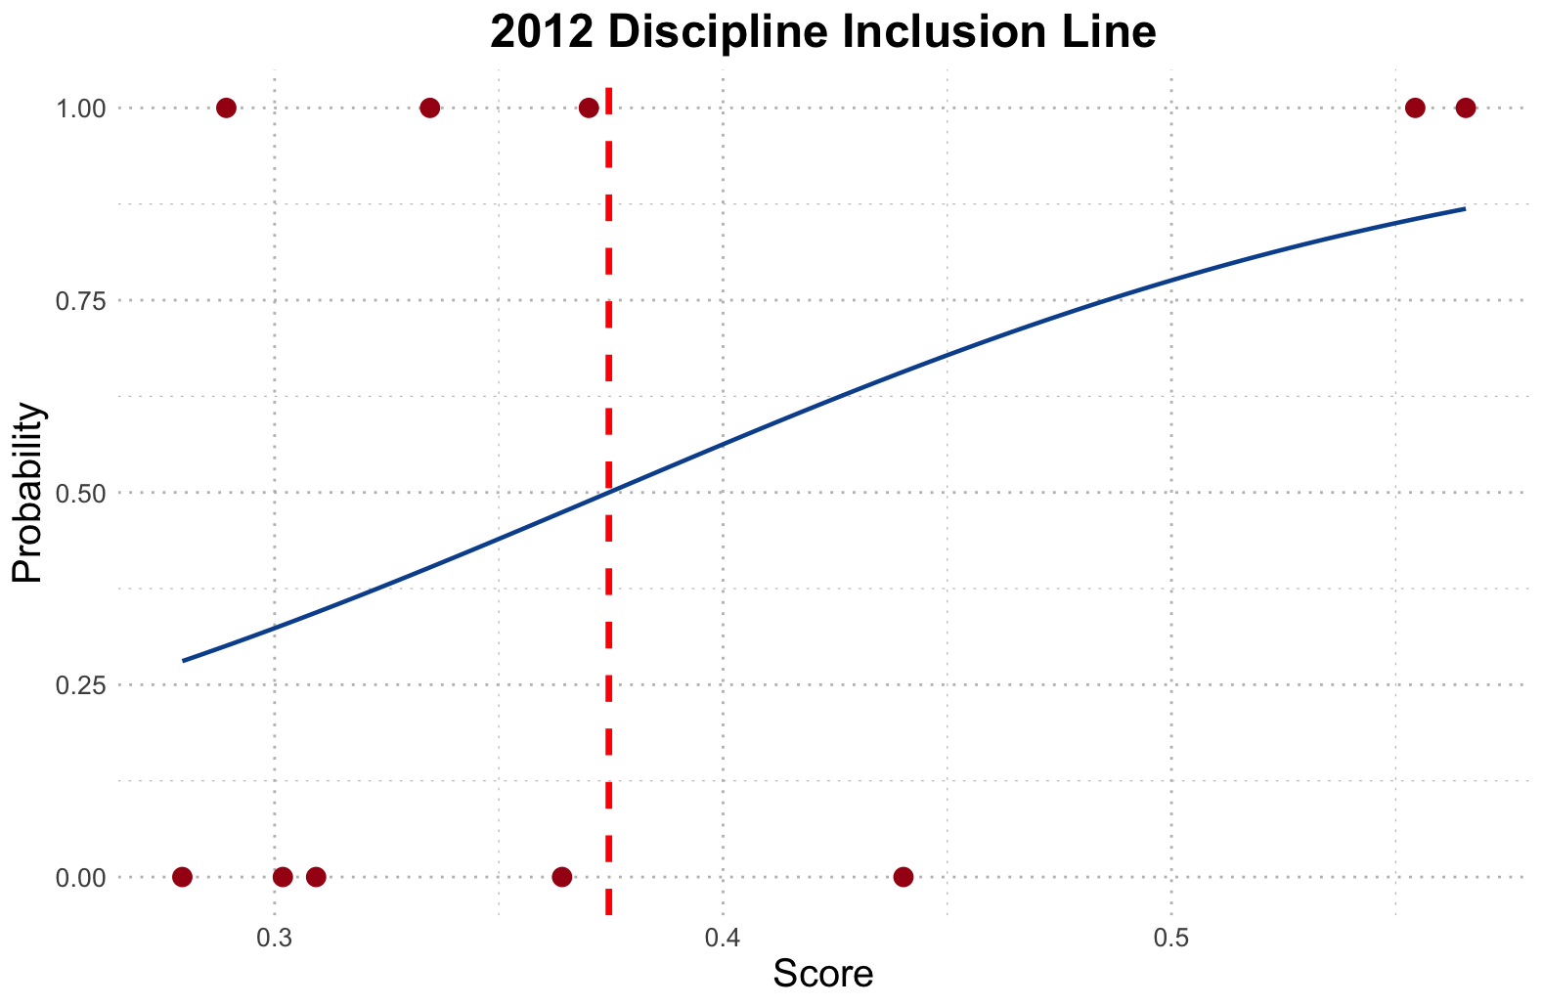
2024 | Trends index | gender ratio | injury rates | popularity among young social media (brand24) | antidoping | Cutural index | appeared n times | age | visitor footprint | Countries Involved | Dis2Max | Dis2Min | Unnormalized_score | Normalized_score | Enrolling Status
BMX Freestyle | 1.056603774 | 0.95238 | 0.080808081 | 0.324324324 | 0.85 | 1 | 0.033333333 | 0.915584416 | 0.919248575 | 0.02259887 | 0.677507263 | 0.686244333 | 0.503203321 | 0.083861536 | 1
cycling road | 0.098113208 | 0.182267 | 0.080808081 | 1 | 0.85 | 1 | 0.9 | 0.194805195 | -0.111289174 | 0.316384181 | 0.713451539 | 0.544934004 | 0.433042168 | 0.072168803 | 1
 |  |  |  |  |  |  |  |  |  |  | 0 | 0
Zwift Cycling | 0.243184906 | 1 | 0.04040404 | 0.702702703 | 0.85 | 1 | -0.033333333 | 1.149350649 | 1.001602564 | 1 | 0.675877677 | 0.662244066 | 0.494905691 | 0.082478692 | 1
swimming | 1.78509434 | 0.86905 | 0.080808081 | 0.986486486 | 0.9 | 1 | 1.033333333 | 0.051948052 | 0.408765135 | 1 | 0.595981734 | 1.127949354 | 0.65428912 | 0.109040796 | 1
 |  |  |  |  |  |  |  |  |  |  | 0 | 0
swimming | 0.083018868 | 0.816905 | 0.04040404 | 0.986486486 | 0.9 | 0.5 | 1 | 0.051948052 | 0.408765135 | 1 | 0.659843206 | 0.67001714 | 0.503825189 | 0.083965174 | 1
lacrosse field | 0.067924528 | 0.861520875 | 0.060606061 | 0.202702703 | 0 | 0 | 0.033333333 | 0.246753247 | 0.910345442 | 0.096045198 | 0.884957956 | 0.256439884 | 0.22467178 | 0.037442759 | 0
artistic gymnastics | 0.236226415 | 0.46392 | 0.282828283 | 0.486486486 | 1 | 1 | 1 | 0.376623377 | 0 | 0.209039548 | 0.634996789 | 0.5491508 | 0.463751989 | 0.07728676 | 1
beach volleyball | 0.042943396 | 0.96875 | 0.060606061 | 0.662162162 | 0.925 | 0.5 | 0.233333333 | 0.707792208 | 0.500801282 | 0.06779661 | 0.785597799 | 0.39989354 | 0.337323038 | 0.056216696 | 1
Canoeing sprint | 0 | 0.457184 | 0.080808081 | 0.162162162 | 0.875 | 0.5 | 0.666666667 | 0.201298701 | 0.734508547 | 0.209039548 | 0.783263624 | 0.368294402 | 0.319822704 | 0.053300171 | 1
rugby sevens | 0.018867925 | 0.9718 | 0.04040404 | 0.486486486 | 0.8 | 0.5 | 0.066666667 | 0.266233766 | 0.852475071 | 0.016949153 | 0.854953219 | 0.336749826 | 0.28257864 | 0.047093248 | 1
basketball 3*3 | 0.041886792 | 0.98437 | 1 | 0.175675676 | 0.8 | 1 | 0.033333333 | 1 | 0.921474359 | 0 | 0.755729184 | 0.603664798 | 0.444069053 | 0.074006493 | 1
baseball | 1 | 0.089286 | 0.252525253 | 1 | 0.65 | 0.5 | 0.166666667 | 0 | 0.93482906 | 0.039548023 | 0.675020678 | 0.617832427 | 0.477882928 | 0.079641757 | 0
rugby union | 0.00754717 | 0.980132 | 0.080808081 | 0.77027027 | 0.8 | 0 | 0.1 | 0.214285714 | 0.863603989 | 0.062146893 | 0.85536121 | 0.359635591 | 0.29599715 | 0.049329515 | 0
Croquet | 0.024258113 | 0.461538 | 0.080808081 | 0 | 1 | 0.5 | 0 | 0.194805195 | 1 | 0.096045198 | 0.888669376 | 0.278791924 | 0.238801855 | 0.039797612 | 0
Equestrian Vaulting | 0.013476981 | 0 | 0 | 0 | 0.65 | 1 | 0 | 0.532467532 | 0.556445869 | 0.694915254 | 0.839337794 | 0.406417881 | 0.326242046 | 0.054369989 | 0

Score Line: | 0.3205169
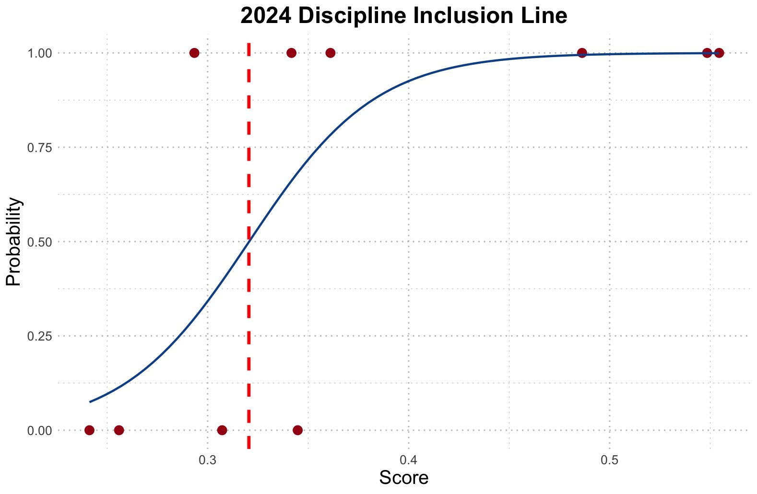

Probability
BMX Freestyle | 96.72%
cycling road | 99.99%

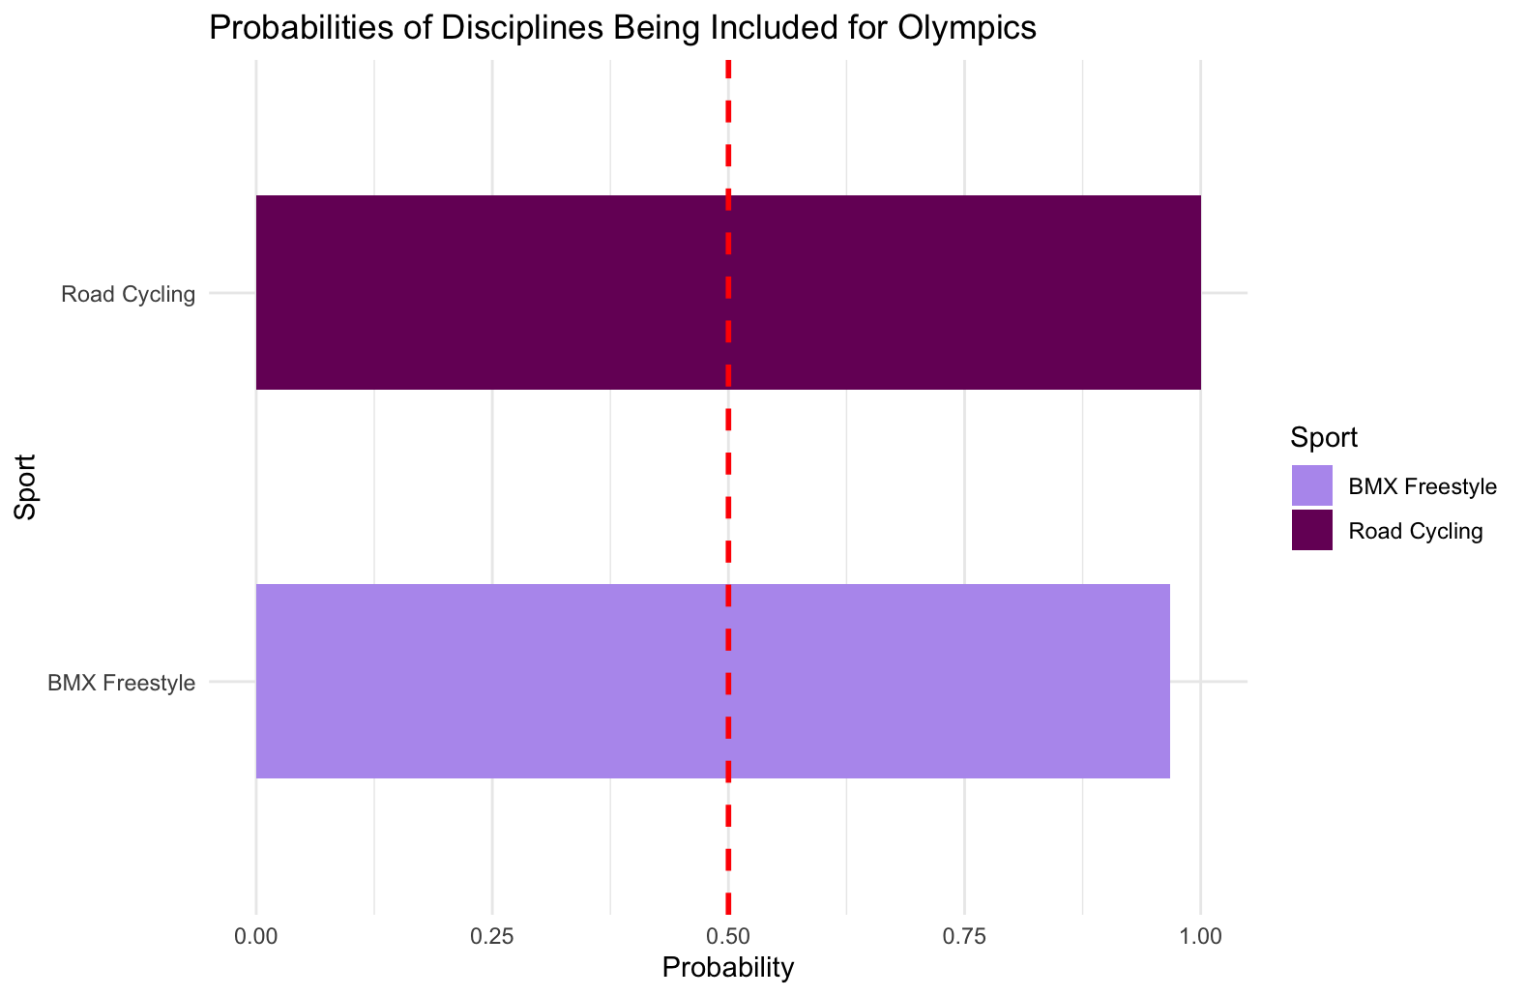

2020 | Trends index | gender ratio | injury rates | popularity among young social media (brand24) | antidoping | Cutural index | appeared n times | age | visitor footprint | Countries Involved | Dis2Max | Dis2Min | Unnormalized_score | Normalized_score | Enrolling Status
swimming | 0.430511182 | 0.816905 | 0.04040404 | 1 | 0.9 | 0.5 | 1 | 0 | 0.408765135 | 1 | 0.575000205 | 0.736640959 | 0.56161775 | 0.152782522 | 1
lacrosse field | 0.304440895 | 0.861520875 | 0.060606061 | 0.205479452 | 0 | 0.5 | 0.034482759 | 0.205479452 | 0.910345442 | 0.096045198 | 0.841456188 | 0.292131914 | 0.257705523 | 0.070106224 | 0
artistic gymnastics | 1 | 0.46392 | 0.282828283 | 0.493150685 | 1 | 1 | 1 | 0.342465753 | 0 | 0.209039548 | 0.556631153 | 0.671783357 | 0.546870256 | 0.148770613 | 1
beach volleyball | 0.181789137 | 0.96875 | 0.060606061 | 0.671232877 | 0.925 | 0.5 | 0.206896552 | 0.691780822 | 0.500801282 | 0.06779661 | 0.752799256 | 0.412278885 | 0.35386372 | 0.096265105 | 1
Canoeing sprint | 0 | 0.457184 | 0.080808081 | 0.164383562 | 0.875 | 0.5 | 0.655172414 | 0.157534247 | 0.734508547 | 0.209039548 | 0.753996195 | 0.393047931 | 0.342661561 | 0.093217669 | 1
rugby sevens | 0.079872204 | 0.9718 | 0.04040404 | 0.493150685 | 0.8 | 0.5 | 0.034482759 | 0.226027397 | 0.852475071 | 0.016949153 | 0.849522428 | 0.337005753 | 0.284026758 | 0.077266654 | 1
basketball 3*3 | 0.327348243 | 0.98437 | 1 | 0.178082192 | 0.8 | 0.5 | 0 | 1 | 0.921474359 | 0 | 0.703225363 | 0.625160598 | 0.470616685 | 0.128026587 | 1
rugby union | 0.047923323 | 0.980132 | 0.080808081 | 0.780821918 | 0.8 | 0.5 | 0.103448276 | 0.171232877 | 0.863603989 | 0.062146893 | 0.813025803 | 0.388333793 | 0.323245258 | 0.087935657 | 0
Croquet | 0.102690096 | 0.461538 | 0.080808081 | 0 | 1 | 0 | 0 | 0.150684932 | 1 | 0.096045198 | 0.896544487 | 0.274039939 | 0.234105233 | 0.063686 | 0
Equestrian Vaulting | 0.057051118 | 0 | 0 | 0 | 0.65 | 0.5 | 0 | 0.506849315 | 0.556445869 | 0.694915254 | 0.836669111 | 0.360653365 | 0.301216566 | 0.08194297 | 0

2020 Line | 0.3122287
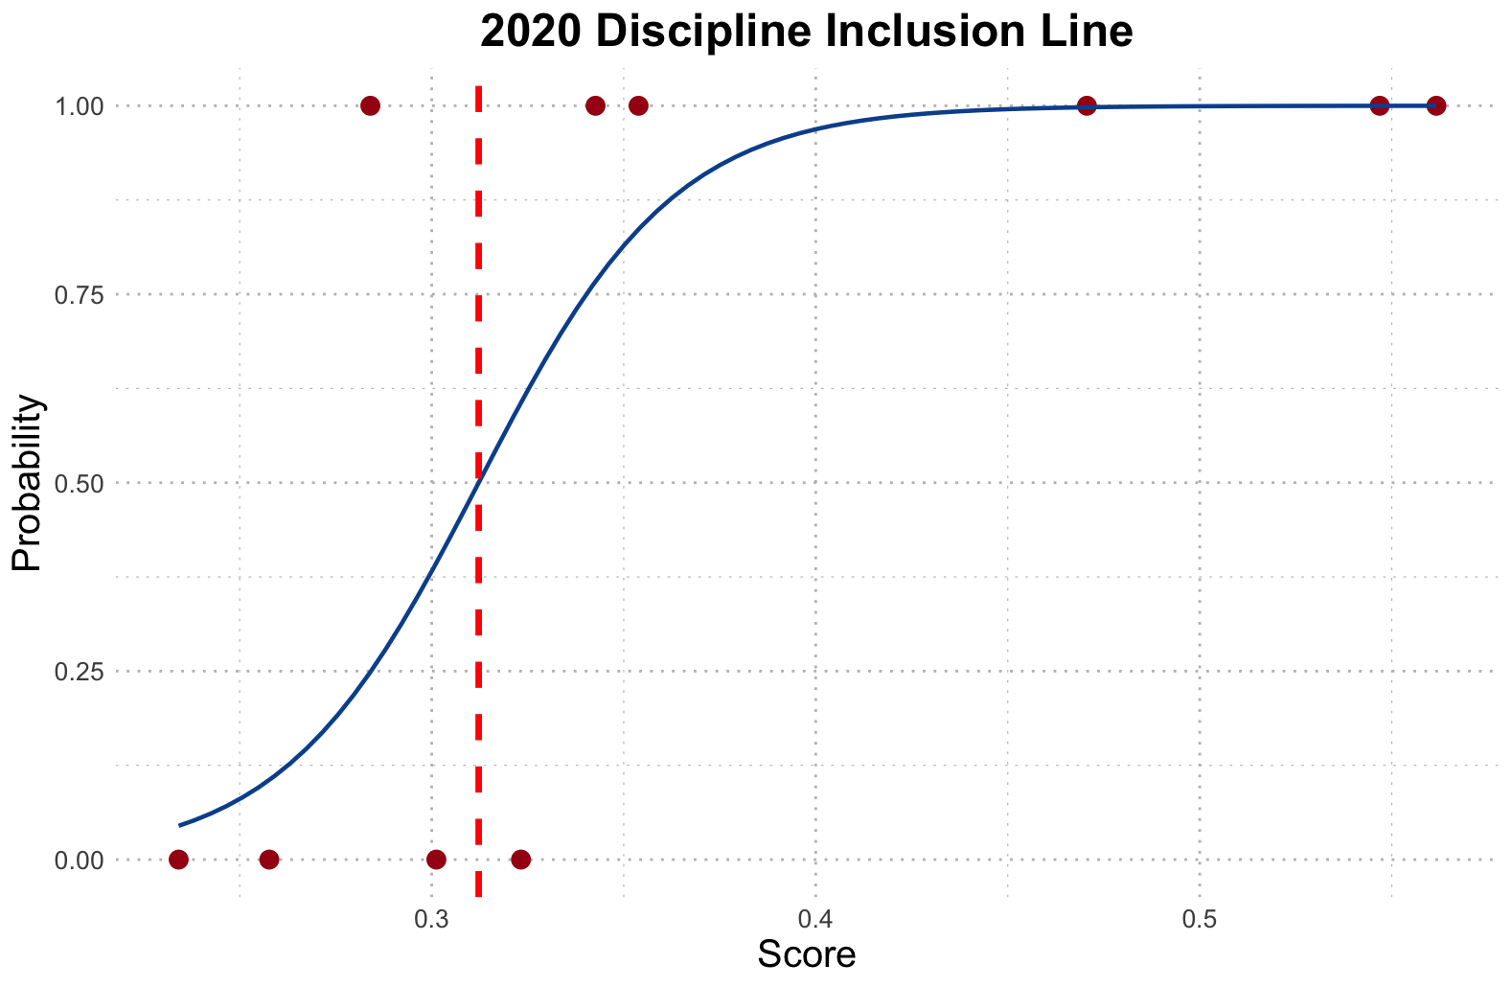

2016 | Trends index | gender ratio | injury rates | popularity among young social media (brand24) | antidoping | Cutural index | appeared n times | age | visitor footprint | Countries Involved | Dis2Max | Dis2Min | Unnormalized_score | Normalized_score | Enrolling Status
swimming | 0.395367412 | 0.816905 | 0.04040404 | 1 | 0.9 | 1 | 1 | 0 | 0.408765135 | 1 | 0.564685261 | 0.755447748 | 0.572251237 | 0.156234823 | 1
lacrosse field | 0.321341853 | 0.861520875 | 0.060606061 | 0.205479452 | 0 | 0 | 0.068965517 | 0.205479452 | 0.910345442 | 0.096045198 | 0.851799199 | 0.277579286 | 0.245780569 | 0.067102491 | 0
artistic gymnastics | 1 | 0.46392 | 0.282828283 | 0.493150685 | 1 | 0.5 | 1 | 0.342465753 | 0 | 0.209039548 | 0.565547231 | 0.636869268 | 0.529657792 | 0.14460605 | 1
beach volleyball | 0.181789137 | 0.96875 | 0.060606061 | 0.671232877 | 0.925 | 0.5 | 0.206896552 | 0.691780822 | 0.500801282 | 0.06779661 | 0.739842882 | 0.42056713 | 0.362429767 | 0.098949809 | 1
Canoeing sprint | 0 | 0.457184 | 0.080808081 | 0.164383562 | 0.875 | 0 | 0.655172414 | 0.157534247 | 0.734508547 | 0.209039548 | 0.798538861 | 0.356038058 | 0.308371017 | 0.084190803 | 1
rugby sevens | 0.119808307 | 0.9718 | 0.04040404 | 0.493150685 | 0.8 | 0.5 | 0.034482759 | 0.226027397 | 0.852475071 | 0.016949153 | 0.8241341 | 0.35329084 | 0.300053811 | 0.081920057 | 1
basketball 3*3 | 0.081821086 | 0.98437 | 1 | 0.178082192 | 0.8 | 0.5 | 0 | 1 | 0.921474359 | 0 | 0.718387561 | 0.614395984 | 0.460987072 | 0.125857716 | 0
rugby union | 0.044728435 | 0.980132 | 0.080808081 | 0.780821918 | 0.8 | 0.5 | 0.137931034 | 0.171232877 | 0.863603989 | 0.062146893 | 0.791499681 | 0.400496989 | 0.335988346 | 0.091730828 | 0
Croquet | 0.102690096 | 0.461538 | 0.080808081 | 0 | 1 | 0 | 0.034482759 | 0.150684932 | 1 | 0.096045198 | 0.893499647 | 0.268957565 | 0.231369862 | 0.06316811 | 0
Equestrian Vaulting | 0.057051118 | 0 | 0 | 0 | 0.65 | 0.5 | 0.034482759 | 0.506849315 | 0.556445869 | 0.694915254 | 0.809656999 | 0.373834452 | 0.315874231 | 0.086239315 | 0

2016 Line | 0.3605049

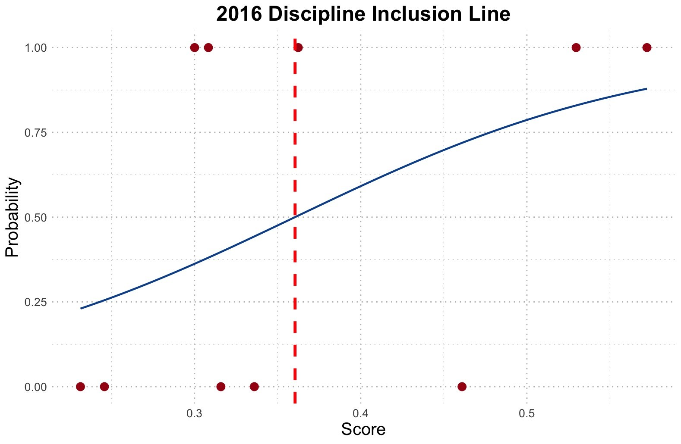

 | Trends index | gender ratio | injury rates | popularity among young social media (brand24) | antidoping | Cutural index | appeared n times | age | visitor footprint | Countries Involved | Dis2Max | Dis2Min | Unnormalized_score | Normalized_score | Enrolling Status
swimming | 0.369009585 | 0.816905 | 0.04040404 | 1 | 0.9 | 1 | 1 | 0 | 0.408765135 | 1 | 0.573914634 | 0.747357794 | 0.565634897 | 0.148507282 | 1
lacrosse field | 0.372108626 | 0.861520875 | 0.060606061 | 0.205479452 | 0 | 0.5 | 0.071428571 | 0.205479452 | 0.910345442 | 0.096045198 | 0.812847746 | 0.315199666 | 0.279420584 | 0.073361795 | 0
artistic gymnastics | 1 | 0.46392 | 0.282828283 | 0.493150685 | 1 | 1 | 1 | 0.342465753 | 0 | 0.209039548 | 0.548956507 | 0.682875796 | 0.55435776 | 0.145546473 | 1
beach volleyball | 0.181789137 | 0.96875 | 0.060606061 | 0.671232877 | 0.925 | 0 | 0.178571429 | 0.691780822 | 0.500801282 | 0.06779661 | 0.782787633 | 0.393727414 | 0.334655656 | 0.087863748 | 1
Canoeing sprint | 0 | 0.457184 | 0.080808081 | 0.164383562 | 0.875 | 1 | 0.642857143 | 0.157534247 | 0.734508547 | 0.209039548 | 0.749054645 | 0.440052723 | 0.370069797 | 0.097161721 | 1
rugby sevens | 0.089936102 | 0.9718 | 0.04040404 | 0.493150685 | 0.8 | 0.5 | 0 | 0.226027397 | 0.852475071 | 0.016949153 | 0.845146232 | 0.343913461 | 0.289231452 | 0.075937636 | 0
basketball 3*3 | 0.068198083 | 0.98437 | 1 | 0.178082192 | 0.8 | 0 | 0 | 1 | 0.921474359 | 0 | 0.762441396 | 0.599632877 | 0.44023508 | 0.115583596 | 0
rugby union | 0.054313099 | 0.980132 | 0.080808081 | 0.780821918 | 0.8 | 1 | 0.142857143 | 0.171232877 | 0.863603989 | 0.062146893 | 0.787439249 | 0.450882572 | 0.36410775 | 0.095596387 | 0
Croquet | 0.102690096 | 0.461538 | 0.080808081 | 0 | 1 | 1 | 0.035714286 | 0.150684932 | 1 | 0.096045198 | 0.854667721 | 0.369499172 | 0.301837253 | 0.079247285 | 0
Equestrian Vaulting | 0.057051118 | 0 | 0 | 0 | 0.65 | 0.5 | 0.035714286 | 0.506849315 | 0.556445869 | 0.694915254 | 0.819116286 | 0.366723587 | 0.309252198 | 0.081194077 | 0

2012 Line | 0.3745326

