Sheet1
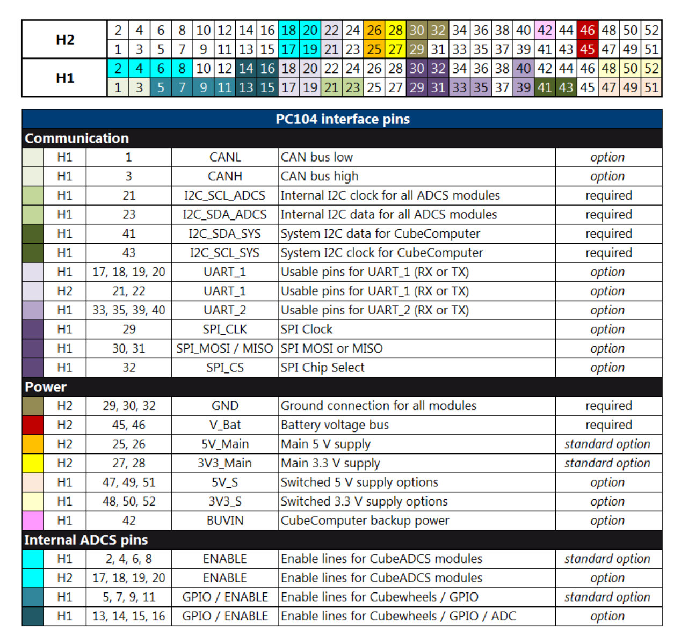
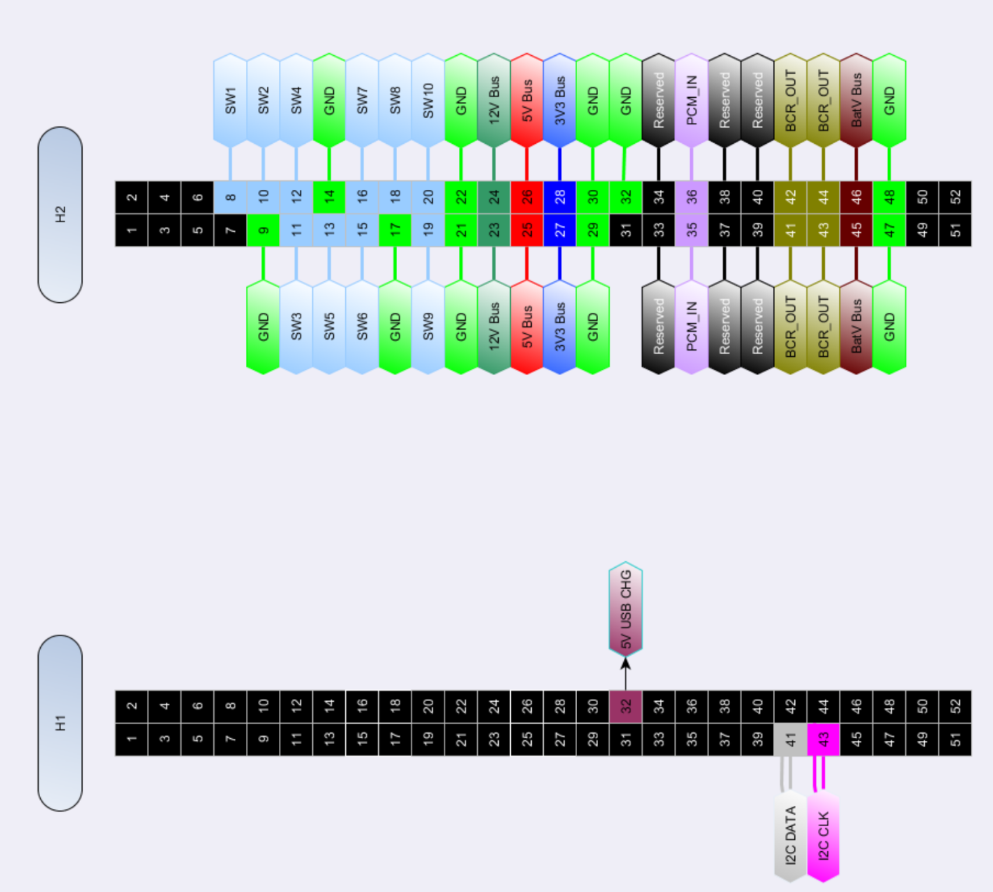
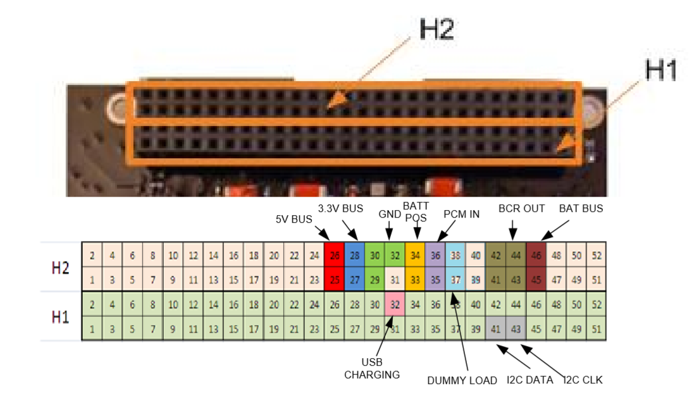
 | Pin number | Description | Open/Used | Driver | ADCS | EPS | Battery | Transciever Interface Board | 2 | 4 | 6 | 8 | 10 | 12 | 14 | 16 | 18 | 20 | 22 | 24 | 26 | 28 | 30 | 32 | 34 | 36 | 38 | 40 | 42 | 44 | 46 | 48 | 50 | 52 | H2 | ADCS |  |  |  |  |  |  |  |  |  |  |  |  |  |  |  |  |  |  |  |  |  | EPS |  |  |  |  |  | Battery
H2 Header | 2 | Transceiver-2 Request-to-Send (TRANSCEIVER PIN # - 13) | Used | 1 |  |  |  | 1 | 1 | 3 | 5 | 7 | 9 | 11 | 13 | 15 | 17 | 19 | 21 | 23 | 25 | 27 | 29 | 31 | 33 | 35 | 37 | 39 | 41 | 43 | 45 | 47 | 49 | 51
 | 4 | Transeiver-2 Clear to Send (TRANSCEIVER PIN # - 11) | Used | 1 |  |  |  | 1
 | 6 | Transceiver-2 Terminal Ready (TRANSCEIVER PIN # - 14) | Used | 1 |  |  |  | 1 | 2 | 4 | 6 | 8 | 10 | 12 | 14 | 16 | 18 | 20 | 22 | 24 | 26 | 28 | 30 | 32 | 34 | 36 | 38 | 40 | 42 | 44 | 46 | 48 | 50 | 52 | H1
 | 8 | SW1 | Used |  |  | 1 |  |  | 1 | 3 | 5 | 7 | 9 | 11 | 13 | 15 | 17 | 19 | 21 | 23 | 25 | 27 | 29 | 31 | 33 | 35 | 37 | 39 | 41 | 43 | 45 | 47 | 49 | 51
 | 10 | SW2 | Used |  |  | 1
 | 12 | SW4 | Used |  |  | 1 |  |  |  | PATCOOL Driver Board
 | 14 | Ground (H2-(9, 14, 17, 29, 30, 32, 47, 48)) | Used | 1 |  | 1 |  | 1 |  |  | USB Charge (H1-32)
 | 16 | SW7 | Used |  |  | 1 |  |  |  |  | I2C Data (H1-41)
 | 18 | SW8 - EPS | Used |  |  | 1 |  |  |  |  | I2C Clock (H1-43)
 | 20 | SW10 - EPS | Used |  |  | 1 |  |  |  |  | Ground (H2-(9, 14, 17, 29, 30, 32, 47, 48))
 | 22 | Ground - EPS (H-21, H-22) | Used |  |  | 1 |  |  |  |  | 5V Regulated Power (H2-25, H2-26)
 | 24 | 12V Bus (H2-23, H2-24) | Used |  |  | 1 |  |  |  |  | 3.3V Regulated Power (H2-27, H2-28) |  |  |  |  |  |  |  |  |  |  |  |  |  |  |  |  |  |  |  |  |  |  |  |  |  |  |  |  |  |  |  |  |  |  |  |  |  |  |  |  |  |  |  |  |  |  |  |  |  |  |  |  | Transceiver
 | 26 | 5V Regulated Power (H2-25, H2-26) | Used | 1 | 1 | 1 | 1 | 1 |  |  | Transceiver-2 Request-to-Send |  |  |  |  |  |  |  |  |  | H2-2
 | 28 | 3.3V Regulated Power (H2-27, H2-28) | Used | 1 | 1 | 1 | 1 | 1 |  |  | Transeiver-2 Clear to Send |  |  |  |  |  |  |  |  |  | H2-4
 | 30 | Ground (H2-(9, 14, 17, 29, 30, 32, 47, 48)) | Used | 1 | 1 | 1 | 1 | 1 |  |  | Transceiver-2 Terminal Ready |  |  |  |  |  |  |  |  |  | H2-6
 | 32 | Ground (H2-(9, 14, 17, 29, 30, 32, 47, 48)) | Used | 1 | 1 | 1 | 1 | 1 |  |  | Transeiver-2 Data Set Ready |  |  |  |  |  |  |  |  |  | H2-1
 | 34 | Reserved (H2 -33, H2-34) - EPS/BATT POS - Battery | Used |  |  | 1 | 1 |  |  |  | Transceiver-2 Ring Indicator |  |  |  |  |  |  |  |  |  | H2-3
 | 36 | PCM_IN (H-35, H-36) | Used |  |  | 1 | 1 |  |  |  | Transceiver-2 Data Carrier Detect |  |  |  |  |  |  |  |  |  | H2-5
 | 38 | Reserved (H2-37, H2-38) - EPS/ Dummy Load - Battery | Used |  |  | 1 | 1 |  |  |  | Transceiver-2 Output |  |  |  |  |  |  |  |  |  | H2-7
 | 40 | Reserved (H2-39, H2-40) | Used |  |  | 1 |  |  |  |  | Transceiver-1 Request-to-Send |  |  |  |  |  |  |  |  |  | H1-45
 | 42 | BCR_OUT(H2-41, H2-42) | Used |  |  | 1 | 1 |  |  |  | Transeiver-1 Clear to Send |  |  |  |  |  |  |  |  |  | H1-52
 | 44 | BCR_OUT(H2-43, H2-44) | Used |  |  | 1 | 1 |  |  |  | Transceiver-1 Terminal Ready |  |  |  |  |  |  |  |  |  | H1-49
 | 46 | Raw battery voltage | Used | 1 | 1 | 1 | 1 | 1 |  |  | Transeiver-1 Data Set Ready |  |  |  |  |  |  |  |  |  | H1-51
 | 48 | Ground (H2-(9, 14, 17, 29, 30, 32, 47, 48)) | Used | 1 |  | 1 |  | 1 |  |  | Transceiver-1 Ring Indicator |  |  |  |  |  |  |  |  |  | H1-47
 | 50 |  | Open |  |  |  |  |  |  |  | Transceiver-1 Data Carrier Detect |  |  |  |  |  |  |  |  |  | H1-50
 | 52 |  | Open |  |  |  |  |  |  |  | Transceiver-1 Output |  |  |  |  |  |  |  |  |  | H1-48
H2 Header | 1 | Transeiver-2 Data Set Ready (TRANSCEIVER PIN # - 10) | Used | 1 |  |  |  | 1 |  |  | Transceiver-1 Input |  |  |  |  |  |  |  |  |  | H1-42
 | 3 | Transceiver-2 Ring Indicator (TRANSCEIVER PIN # - 12) | Used | 1 |  |  |  | 1 |  |  | Transceiver-1 Available Network |  |  |  |  |  |  |  |  |  | H1-46
 | 5 | Transceiver-2 Data Carrier Detect (TRANSCEIVER PIN # - 9) | Used | 1 |  |  |  | 1 |  |  | Transceiver-2 Available Network |  |  |  |  |  |  |  |  |  | H1-44
 | 7 | Transceiver-2 Serial Output (TRANSCEIVER PIN # - 7) | Used | 1 |  |  |  | 1 |  |  | Transceiver-1 Power Indicator |  |  |  |  |  |  |  |  |  | H1-37
 | 9 | Ground (H2-(9, 14, 17, 29, 30, 32, 47, 48)) | Used | 1 |  | 1 |  | 1 |  |  | Transceiver-2 Power Indicator |  |  |  |  |  |  |  |  |  | H1-31 |  |  |  |  |  |  |  |  |  |  |  |  |  |  |  | 2 | 4 | 6 | 8 | 10 | 12 | 14 | 16 | 18 | 20 | 22 | 24 | 26 | 28 | 30 | 32 | 34 | 36 | 38 | 40 | 42 | 44 | 46 | 48 | 50 | 52 | H2
 | 11 | SW3 | Used |  |  | 1 |  |  |  |  | Transceiver-2 Power On |  |  |  |  |  |  |  |  |  | H1-30 |  |  |  |  |  |  |  |  |  |  |  |  |  |  |  | 1 | 3 | 5 | 7 | 9 | 11 | 13 | 15 | 17 | 19 | 21 | 23 | 25 | 27 | 29 | 31 | 33 | 35 | 37 | 39 | 41 | 43 | 45 | 47 | 49 | 51
 | 13 | SW5 | Used |  |  | 1 |  |  |  |  | Transceiver-1 Power On |  |  |  |  |  |  |  |  |  | H1-29
 | 15 | SW6 | Used |  |  | 1 |  |  |  |  | Transceiver-2 Input |  |  |  |  |  |  |  |  |  | H1-38 |  |  |  |  |  |  |  |  |  |  |  |  |  |  |  | 2 | 4 | 6 | 8 | 10 | 12 | 14 | 16 | 18 | 20 | 22 | 24 | 26 | 28 | 30 | 32 | 34 | 36 | 38 | 40 | 42 | 44 | 46 | 48 | 50 | 52 | H1
 | 17 | Ground (H2-(9, 14, 17, 29, 30, 32, 47, 48)) | Used | 1 |  | 1 |  | 1 |  |  | Enable lines for CubeADCS Modules (H1-(2,4,6,8) |  |  |  |  |  |  |  |  |  |  |  |  |  |  |  |  |  |  |  |  |  |  |  |  |  | 1 | 3 | 5 | 7 | 9 | 11 | 13 | 15 | 17 | 19 | 21 | 23 | 25 | 27 | 29 | 31 | 33 | 35 | 37 | 39 | 41 | 43 | 45 | 47 | 49 | 51
 | 19 | SW9 - EPS | Used |  |  | 1 |  |  |  |  | Enable lines for CubeADCS Modules (H1-(2,4,6,8)
 | 21 | Ground - EPS (H-21, H-22) | Used |  | 1 | 1 |  |  |  |  | Enable lines for CubeADCS Modules (H1-(2,4,6,8)
 | 23 | 12V Bus (H2-23, H2-24) | Used |  |  | 1 |  |  |  |  | Enable lines for CubeADCS Modules (H1-(2,4,6,8) |  |  |  |  |  |  |  |  |  |  |  |  |  |  |  |  |  |  |  |  |  |  |  |  |  |  | USB Charge (H1-32)
 | 25 | 5V Regulated Power (H2-25, H2-26) | Used | 1 | 1 | 1 | 1 | 1 |  |  | (Enable lines for CubeWheels (H1-(11,13,14,15)) |  |  |  |  |  |  |  |  |  |  |  |  |  |  |  |  |  |  |  |  |  |  |  |  |  |  | I2C Data (H1-41)
 | 27 | 3.3V Regulated Power (H2-27, H2-28) | Used | 1 | 1 | 1 | 1 | 1 |  |  | (Enable lines for CubeWheels (H1-(11,13,14,15)) |  |  |  |  |  |  |  |  |  |  |  |  |  |  |  |  |  |  |  |  |  |  |  |  |  |  | I2C Clock (H1-43)
 | 29 | Ground (H2-(9, 14, 17, 29, 30, 32, 47, 48)) | Used | 1 | 1 | 1 | 1 | 1 |  |  | (Enable lines for CubeWheels (H1-(11,13,14,15)) |  |  |  |  |  |  |  |  |  |  |  |  |  |  |  |  |  |  |  |  |  |  |  |  |  |  | Ground (H2-(9, 14, 17, 29, 30, 32, 47, 48))
 | 31 |  | Open |  |  |  |  |  |  |  | (Enable lines for CubeWheels (H1-(11,13,14,15)) |  |  |  |  |  |  |  |  |  |  |  |  |  |  |  |  |  |  |  |  |  |  |  |  |  |  | 5V Regulated Power (H2-25, H2-26)
 | 33 | Reserved (H2 -33, H2-34) - EPS/BATT POS - Battery | Used |  |  | 1 | 1 |  |  |  | ADCS UART_1 (RX or TX) (H1-(17,18,19,20) |  |  |  |  |  |  |  |  |  |  |  |  |  |  |  |  |  |  |  |  |  |  |  |  |  |  | 3.3V Regulated Power (H2-27, H2-28)
 | 35 | PCM_IN (H-35, H-36) | Used |  |  | 1 | 1 |  |  |  | ADCS UART_1 (RX or TX) (H1-(17,18,19,20) |  |  |  |  |  |  |  |  |  |  |  |  |  |  |  |  |  |  |  |  |  |  |  |  |  |  | Transceiver-2 Request-to-Send (PIN # - 13) |  |  |  |  |  |  |  |  |  | H2-2
 | 37 | Reserved (H2-37, H2-38) - EPS/ Dummy Load - Battery | Used |  |  | 1 | 1 |  |  |  | ADCS UART_1 (RX or TX) (H1-(17,18,19,20) |  |  |  |  |  |  |  |  |  |  |  |  |  |  |  |  |  |  |  |  |  |  |  |  |  |  | Transeiver-2 Clear to Send (PIN # - 11) |  |  |  |  |  |  |  |  |  | H2-4
 | 39 |  | Used |  |  | 1 |  |  |  |  | ADCS UART_1 (RX or TX) (H1-(17,18,19,20) |  |  |  |  |  |  |  |  |  |  |  |  |  |  |  |  |  |  |  |  |  |  |  |  |  |  | Transceiver-2 Terminal Ready (PIN # - 14) |  |  |  |  |  |  |  |  |  | H2-6
 | 41 | BCR_OUT(H2-41, H2-42) | Used |  |  | 1 | 1 |  |  |  | UART_2 (H1-(33,35,39,40) |  |  |  |  |  |  |  |  |  |  |  |  |  |  |  |  |  |  |  |  |  |  |  |  |  |  | Transeiver-2 Data Set Ready (PIN # - 10) |  |  |  |  |  |  |  |  |  | H2-1
 | 43 | BCR_OUT(H2-43, H2-44) | Used |  |  | 1 | 1 |  |  |  | UART_2 (H1-(33,35,39,40) |  |  |  |  |  |  |  |  |  |  |  |  |  |  |  |  |  |  |  |  |  |  |  |  |  |  | Transceiver-2 Ring Indicator (PIN # - 12) |  |  |  |  |  |  |  |  |  | H2-3
 | 45 | Raw battery voltage | Used |  | 1 | 1 | 1 |  |  |  | UART_2 (H1-(33,35,39,40) |  |  |  |  |  |  |  |  |  |  |  |  |  |  |  |  |  |  |  |  |  |  |  |  |  |  | Transceiver-2 Data Carrier Detect (PIN # - 9) |  |  |  |  |  |  |  |  |  | H2-5
 | 47 | Ground (H2-(9, 14, 17, 29, 30, 32, 47, 48)) | Used | 1 |  | 1 |  | 1 |  |  | UART_2 (H1-(33,35,39,40) |  |  |  |  |  |  |  |  |  |  |  |  |  |  |  |  |  |  |  |  |  |  |  |  |  |  | Transceiver-2 Output (PIN # - 7) |  |  |  |  |  |  |  |  |  | H2-7
 | 49 |  | Open |  |  |  |  |  |  |  | Internal I2C ADCS Clock (H1-21) |  |  |  |  |  |  |  |  |  |  |  |  |  |  |  |  |  |  |  |  |  |  |  |  |  |  | Transceiver-1 Request-to-Send (PIN # - 13) |  |  |  |  |  |  |  |  |  | H1-45
 | 51 |  | Open |  |  |  |  |  |  |  | Internal I2C ADCS Data (H1-23) |  |  |  |  |  |  |  |  |  |  |  |  |  |  |  |  |  |  |  |  |  |  |  |  |  |  | Transeiver-1 Clear to Send (PIN # - 11) |  |  |  |  |  |  |  |  |  | H1-52
H1 Header | 2 | Enable lines for CubeADCS Modules (H1-(2,4,6,8) | Used | 1 | 1 |  |  |  |  |  | Thermistor 1 (H1-22) |  |  |  |  |  |  |  |  |  |  |  |  |  |  |  |  |  |  |  |  |  |  |  |  |  |  | Transceiver-1 Terminal Ready (PIN # - 14) |  |  |  |  |  |  |  |  |  | H1-49
 | 4 | Enable lines for CubeADCS Modules (H1-(2,4,6,8) | Used | 1 | 1 |  |  |  |  |  | Thermistor 2 (H1-24) |  |  |  |  |  |  |  |  |  |  |  |  |  |  |  |  |  |  |  |  |  |  |  |  |  |  | Transeiver-1 Data Set Ready (PIN # - 10) |  |  |  |  |  |  |  |  |  | H1-51
 | 6 | (Enable lines for CubeADCS Modules (H1-(2,4,6,8)) | Used | 1 | 1 |  |  |  |  |  | Thermistor 3 (H1-26) |  |  |  |  |  |  |  |  |  |  |  |  |  |  |  |  |  |  |  |  |  |  |  |  |  |  | Transceiver-1 Ring Indicator (PIN # - 12) |  |  |  |  |  |  |  |  |  | H1-47
 | 8 | Enable lines for CubeADCS Modules (H1-(2,4,6,8) | Used | 1 | 1 |  |  |  |  |  | Thermistor 4 (H1-28) |  |  |  |  |  |  |  |  |  |  |  |  |  |  |  |  |  |  |  |  |  |  |  |  |  |  | Transceiver-1 Data Carrier Detect (PIN # - 9) |  |  |  |  |  |  |  |  |  | H1-50
 | 10 |  | Open |  |  |  |  |  |  |  | Thermistor 5 (H1-34) |  |  |  |  |  |  |  |  |  |  |  |  |  |  |  |  |  |  |  |  |  |  |  |  |  |  | Transceiver-1 Output (PIN # - 7) |  |  |  |  |  |  |  |  |  | H1-48
 | 12 |  | Open |  |  |  |  |  |  |  | Thermistor 6 (H1-36) |  |  |  |  |  |  |  |  |  |  |  |  |  |  |  |  |  |  |  |  |  |  |  |  |  |  | Transceiver-2 Input (PIN # - 6) |  |  |  |  |  |  |  |  |  | H1-42
 | 14 | (Enable lines for CubeWheels (H1-(11,13,14,15)) | Used | 1 | 1 |  |  |  |  |  |  |  |  |  |  |  |  |  |  |  |  |  |  |  |  |  |  |  |  |  |  |  |  |  |  |  |  | Transceiver-1 Available Network (PIN # - 19) |  |  |  |  |  |  |  |  |  | H1-46
 | 16 |  | Open |  |  |  |  |  |  |  |  |  |  |  |  |  |  |  |  |  |  |  |  |  |  |  |  |  |  |  |  |  |  |  |  |  |  | Transceiver-2 Available Network (PIN # - 19) |  |  |  |  |  |  |  |  |  | H1-44
 | 18 | Usable Pins for UART_1 (RX or TX) (H1-(17,18,19,20) | Used | 1 | 1 |  |  |  |  |  |  |  |  |  |  |  |  |  |  |  |  |  |  |  |  |  |  |  |  |  |  |  |  |  |  |  |  | Transceiver-2 Power Indicator (PIN # - 20) |  |  |  |  |  |  |  |  |  | H1-31
 | 20 | Usable Pins for UART_1 (RX or TX) (H1-(17,18,19,20) | Used | 1 | 1 |  |  |  |  |  |  |  |  |  |  |  |  |  |  |  |  |  |  |  |  |  |  |  |  |  |  |  |  |  |  |  |  | Transceiver-1 Power Indicator (PIN # - 20) |  |  |  |  |  |  |  |  |  | H1-37
 | 22 | Thermistor 1 | Open |  |  |  |  |  |  |  |  |  |  |  |  |  |  |  |  |  |  |  |  |  |  |  |  |  |  |  |  |  |  |  |  |  |  | Transceiver-1 On/Off Indicator (PIN # - 5) |  |  |  |  |  |  |  |  |  | H1-29
 | 24 | Thermistor 2 | Open |  |  |  |  |  |  |  |  |  |  |  |  |  |  |  |  |  |  |  |  |  |  |  |  |  |  |  |  |  |  |  |  |  |  | Transceiver-2 On/Off Indicator (PIN # - 5) |  |  |  |  |  |  |  |  |  | H1-30
 | 26 | Thermistor 3 | Open |  |  |  |  |  |  |  |  |  |  |  |  |  |  |  |  |  |  |  |  |  |  |  |  |  |  |  |  |  |  |  |  |  |  | Transceiver-1 Input (PIN # - 6) |  |  |  |  |  |  |  |  |  | H1-38
 | 28 | Thermistor 4 | Open
 | 30 | Transceiver-2 On/Off Indicator (PIN # - 5) | Open
 | 32 | USB Charge / 5V USB Charge - EPS/ USB Charge - Battery | Used | 1 |  | 1 | 1
 | 34 | Thermistor 5 | Used | 1
 | 36 | Thermistor 6 | Open
 | 38 | T1-Input(TRANSCEIVER PIN # -6) | Open
 | 40 | UART_2 (H1-(33,35,39,40) | Used | 1 | 1
 | 42 | T2-Input(TRANSCEIVER PIN # -6) | Used | 1 |  |  |  | 1
 | 44 | Transceiver-2 Available Network (TRANSCEIVER PIN # - 19) | Used | 1 |  |  |  | 1
 | 46 | Transceiver-1 Available Network (TRANSCEIVER PIN # - 19) | Used | 1 |  |  |  | 1
 | 48 | Transceiver-1 Output (TRANSCEIVER PIN # - 7) | Used | 1 |  |  |  | 1
 | 50 | Transceiver-1 Data Carrier Detect (TRANSCEIVER PIN # - 9) | Used | 1 |  |  |  | 1
 | 52 | Transeiver-1 Clear to Send (TRANSCEIVER PIN # - 11) | Used | 1 |  |  |  | 1
H1 Header | 1 | I2C-2-SDA (For Thermistors) | Open
 | 3 | I2C-2-SCL (For Thermistors) | Open
 | 5 |  | Open
 | 7 |  | Open
 | 9 |  | Open
 | 11 | (Enable lines for CubeWheels (H1-(11,13,14,15)) | Used | 1 | 1
 | 13 | (Enable lines for CubeWheels (H1-(11,13,14,15)) | Used | 1 | 1
 | 15 | (Enable lines for CubeWheels (H1-(11,13,14,15)) | Used | 1 | 1
 | 17 | Usable Pins for UART_1 (RX or TX) (H1-(17,18,19,20) | Used | 1 | 1
 | 19 | Usable Pins for UART_1 (RX or TX) (H1-(17,18,19,20) | Used | 1 | 1
 | 21 | Internal I2C ADCS Clock | Used | 1 | 1
 | 23 | Internal I2C ADCS Data | Used | 1 | 1
 | 25 |  | Open
 | 27 |  | Open
 | 29 | Transceiver-1 On/Off Indicator (PIN # - 5) | Open
 | 31 | Transceiver-2 Power Indicator (PIN # - 20) | Open
 | 33 | UART_2 (H1-(33,35,39,40) | Used | 1 | 1
 | 35 | UART_2 (H1-(33,35,39,40) | Used | 1 | 1
 | 37 | Transceiver-1 Power Indicator (PIN # - 20) | Open
 | 39 | UART_2 (H1-(33,35,39,40) | Used | 1 | 1
 | 41 | I2C Data (H1-41)/I2C Data for CubeComputer - ADCS/ I2C Data - EPS/I2C - Battery | Used | 1 | 1 | 1 | 1
 | 43 | I2C Clock (H1-43)/I2C Clock for CubeComputer/I2C Clock - EPS/I2C Clock - Battery | Used | 1 | 1 | 1 | 1
 | 45 | Transceiver-1 Request-to-Send (TRANSCEIVER PIN # - 13) | Used | 1 |  |  |  | 1
 | 47 | Transceiver-1 Ring Indicator (TRANSCEIVER PIN # - 12) | Used | 1 |  |  |  | 1
 | 49 | Transceiver-1 Terminal Ready (TRANSCEIVER PIN # - 14) | Used | 1 |  |  |  | 1
 | 51 | Transeiver-1 Data Set Ready (TRANSCEIVER PIN # - 10) | Used | 1 |  |  |  | 1

