Licensor Insignia
DO NOT MODIFY
Affinity Licensor Insignia
The following licensors have specific Insignia that require a unique royalty. In the Affinity Data Template tab, Licensees must report the exact Insignia Name in the Insignia column (column J) for each applicable transaction. You do not need to enter an Insignia Name for each reported transaction - only on transactions where the Insignia matches one of the following.
Licensor Name | Insignia Name | Examples
Appalachian State University | Yosef Mark | 
University of Hawaii | Vintage Marks | 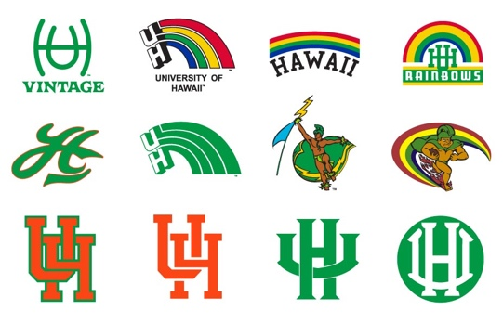
Georgia State University | Primary University Marks | 
Georgia State University | Secondary University Marks | 
Georgia State University | University Seal | 

