TABLE 2
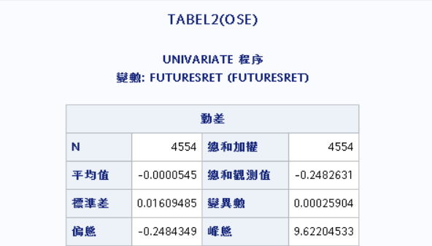
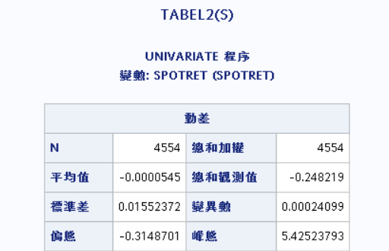
Table 2
assets | mean | sd | skewness | kurtosis
S | -0.00545% | 1.55220% | -0.3149 | 5.4252
OSE | -0.00545% | 1.60931% | -0.2484 | 9.6220

TABLE4
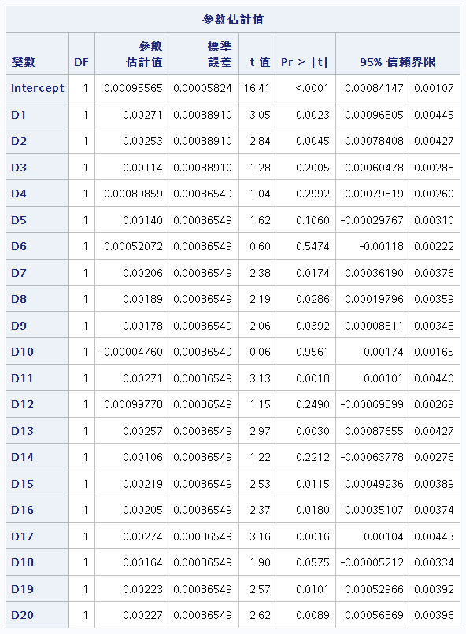
Table 4 | COC1 |  |  | Table 4 | COC2
 |  | Restriced |  |  |  | Restriced
Coefficient | Unrestricted | June dummies | December dummies | Coefficient | Unrestricted | June dummies | December dummies
b0 | 0.00096** | 0.00104** | 0.00102** | b0 | 0.00098** | 0.00108** | 0.00107
b1 | 0.00271** | 0.00262* |  | b1 | 0.00583** | 0.00573**
b2 | 0.00253** | 0.00244* |  | b2 | 0.0051** | 0.005**
b3 | 0.00114 | 0.00105 |  | b3 | 0.00312** | 0.00302**
b4 | 0.00090 | 0.00080963 |  | b4 | 0.00225** | 0.00215**
b5 | 0.00140 | 0.00131 |  | b5 | 0.00224** | 0.00214**
b6 | 0.00052 | 0.00043176 |  | b6 | 0.00084835 | 0.00075
b7 | 0.00206** | 0.00197* |  | b7 | 0.00186* | 0.00176
b8 | 0.00189** | 0.00181* |  | b8 | 0.00116 | 0.00106
b9 | 0.00178** | 0.0017* |  | b9 | 0.00050 | 0.00040
b10 | -0.00005 | -0.00013656 |  | b10 | -0.00187* | -0.002* | 0.00107**
b11 | 0.00271** |  | 0.00264** | b11 | 0.00547 |  | 0.00538**
b12 | 0.00100 |  | 0.00093444 | b12 | 0.00322** |  | 0.00313**
b13 | 0.00257** |  | 0.00251** | b13 | 0.00421** |  | 0.00412**
b14 | 0.00106 |  | 0.00099565 | b14 | 0.00214** |  | 0.00205*
b15 | 0.00219** |  | 0.00213** | b15 | 0.0027** |  | 0.00262**
b16 | 0.00205** |  | 0.00198** | b16 | 0.00202* |  | 0.00193
b17 | 0.00274** |  | 0.00267** | b17 | 0.00215** |  | 0.00206
b18 | 0.00164** |  | 0.00158* | b18 | 0.0005 |  | 0.00041141
b19 | 0.00223** |  | 0.00216** | b19 | 0.00053 |  | 0.00044
b20 | 0.00227** |  | 0.0022** | b20 | 0.00002 |  | -0.00007
F | 4.59** | 3.32** | 5.49** | F | 6.69** | 6.74** | 6.16**
**Significant at the 5% level |  |  |  | **Significant at the 5% level
*Significant at the 10% level |  |  |  | *Significant at the 10% level

