MIRP2
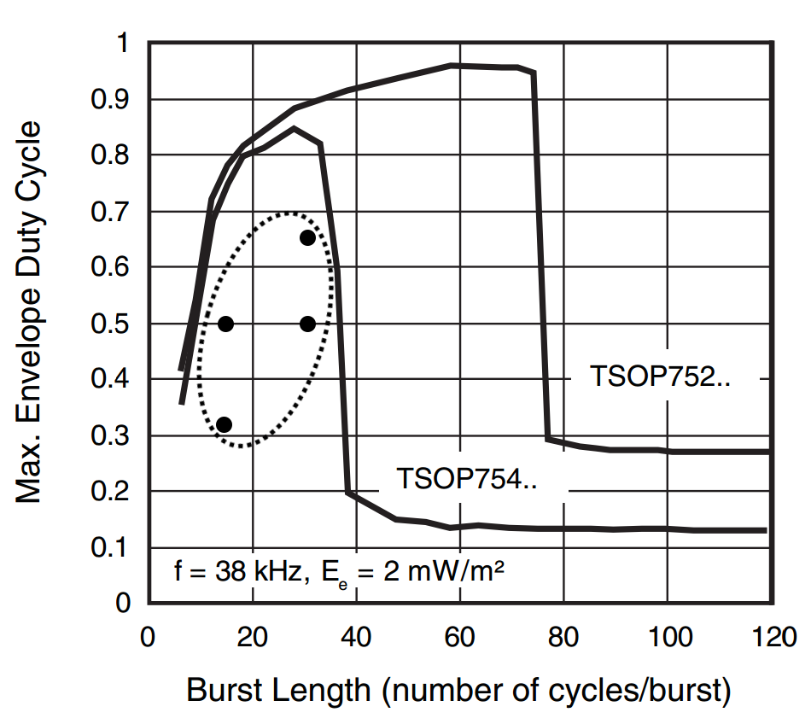
Specifications:
• Wavelength: |  |  | 940-950nm
• Optical Power: |  |  | ≥ 1mW/m²
• Carrier Frequency: |  |  | 38KHz 25% Duty
• Recommended Receiver: |  |  | TSOP75438 or TSOP75238
• Bit Encoding:

• Packet Structure: |  | (highlight fields for more information)
DESCRIPTION | START | ID |  | SPELL | STR | UNI | CRC
Hex | X | 45 | 0 | 0 | 0 | 12 | CC
Binary | X | 01000101 | 00000000 | 00000000 | 00000000 | 00010010 | 11001100
Enter values in the blue fields to see an example bitstream and CRC

