MIRP2
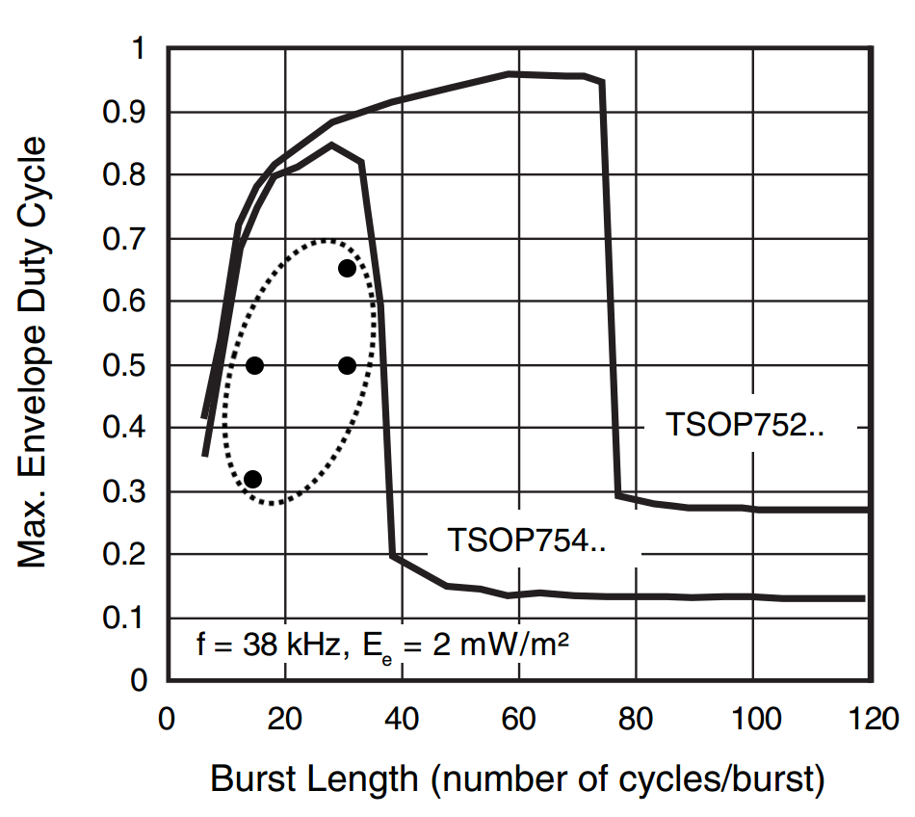
Specifications:
• Wavelength: |  |  | 940-950nm
• Optical Power: |  |  | ≥ 1mW/m²
• Carrier Frequency: |  |  | 38KHz 25% Duty
• Recommended Receiver: |  |  | TSOP75438 or TSOP75238
• Bit Encoding:

• Packet Structure: |  | (highlight fields for more information)
DESCRIPTION | START | PLAYER ID |  | SPELL | STR | UNI | CRC
Hex | X | AB | CD | 0 | 64 | 0 | 23
Binary | X | 10101011 | 11001101 | 00000000 | 01100100 | 00000000 | 00100011
Enter values in the blue fields to see an example bitstream and CRC

