Notes | Quant Analysis
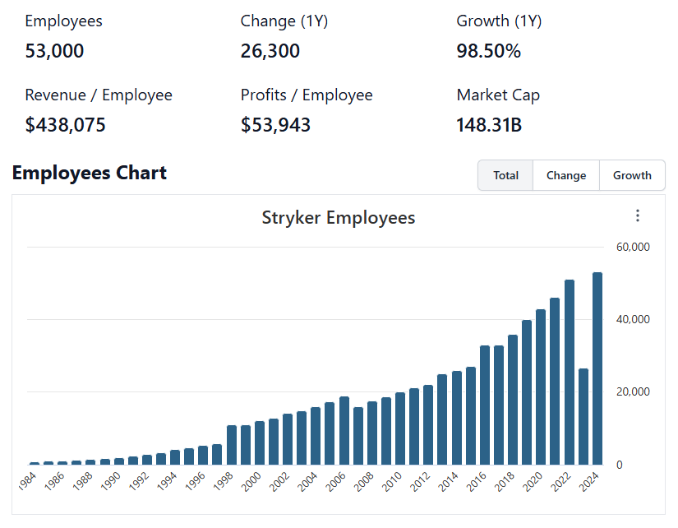
 |  |  |  |  |  |  |  |  |  |  |  |  |  |  |  |  |  |  | 0 |  |  |  | 0
Stryker Corporation Employee Snapshot |  |  |  |  |  | https://stockanalysis.com/stocks/syk/employees/ |  |  |  |  | General Notes/Observations (Updated Q1'25)
 |  |  |  |  |  |  |  |  |  |  | In the fourth quarter 2024, The Company reorganized The Company Spine business to align with certain updates to The Company internal reporting structure

 |  |  |  |  |  |  |  |  |  |  | Dizzying Amount of M&A
 |  |  |  |  |  |  |  |  |  |  |  | Will be important to follow up on the durability of organic revenue/earnings, Intelligent M&A is well rewarded by the market in the long run
 |  |  |  |  |  |  |  |  |  |  |  | Follow up on management scope
 |  |  |  |  |  |  |  |  |  |  |  | In the future, it's going to be necessary to build out a full cash flow statement. M&A activity demands tracking investing/financing figures just as closely as standard operating figures
 |  |  |  |  |  |  |  |  |  |  | [Build M&A scope]

Institutional Ownership Snapshot (4/14/2025)
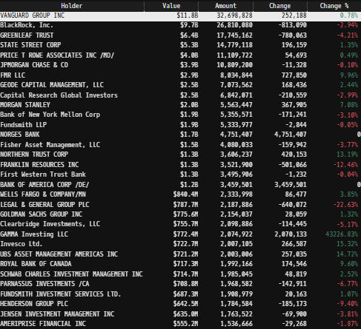
 |  |  |  |  |  |  |  |  |  |  | Financial Stmts. Notes/Observations (Updated Q1'25)
 |  |  |  |  |  |  |  |  |  |  | Revenues:
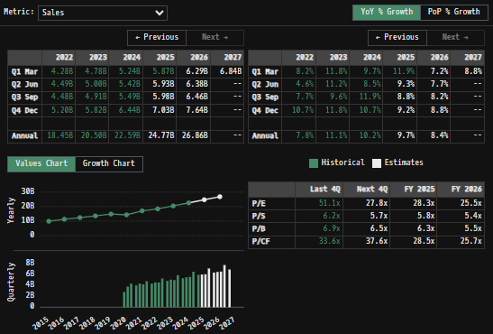

 |  |  |  |  |  |  |  |  |  |  | Net Sales FY24 Comments:
Stryker’s Major Acquisitions (1990s–Present) |  |  |  |  |  |  | [Bold = Potential competitive overlap with Penumbra]
 | 19--'s |  |  |  |  |  |  |  |  |  | Stryker to sell spinal implants business -- Announced Jan. 29, 2025
 |  | Osteo SA (1996) – Key acquisition that provided The Company entry into the orthopaedics trauma market (Swiss-based trauma implant company) |  |  |  |  |  |  |  |  |  | CFO Glenn Boehnlein, who has worked at Stryker for 22 years, will retire
 |  | Howmedica (1998, from Pfizer) – Purchased for ~$1.65B, significantly expanding Stryker’s orthopaedics divisions |  |  |  |  |  |  |  |  |  | Preston Wells, who is currently CFO of Stryker’s orthopedics group, will become the new CFO of the company starting on April 1 2025
 | 2000s |  |  |  |  |  |  |  |  |  | Inari update
 |  | Surgical Dynamics Inc. from Tyco Int. Ltd. (2002, $135M) lead products Ray Threaded Fusion Cage(TM) along with thoracolumbar and cervical spinal fixation devices |  |  |  |  |  |  |  |  |  | Stryker also used Tuesday’s call to provide an update on its $4.9 billion planned purchase of Inari Medical, which makes mechanical thrombectomy systems to treat vascular disease |  |  |  |  | Additional 10-K/Q Revenue Analysis | -->
 |  | SpineCore (2004) – Entry into the spinal disc replacement market |  |  |  |  |  |  |  |  |  | Pierce said the acquisition would make Stryker a leader in the fast-growing market for mechanical thrombectomy treatment for venous thromboembolism (VTE), a condition where blood clots form in the veins |  | Consolidated net sales in 2024 increased 10.2% as reported and 10.7% in constant currency, as foreign currency exchange rates negatively impacted net sales by 0.5% |  |  |  |  |  | Consolidated net sales in 2023 increased 11.1% as reported and 11.6% in constant currency, as foreign currency exchange rates negatively impacted net sales by 0.5%
 |  | eTrauma (2006, $50M) – Added trauma-related software solutions for digital imaging and electronic medical records |  |  |  |  |  |  |  |  |  | Stryker sees mechanical thrombectomy for VTE as a $15 billion total addressable market globally, with the U.S. accounting for nearly $6 billion of that opportunity, Pierce said
 |  | Ascent (2009, $525M) -- Market leader in reprocessing and remanufacturing of medical devices in the U.S |  |  |  |  |  |  |  |  |  |  |  |  | Excluding the 0.5% impact of acquisitions and divestitures, net sales in constant currency increased by 9.1% from increased unit volume and 1.1% due to higher prices |  |  |  |  |  | Excluding the 0.1% impact of acquisitions and divestitures, net sales in constant currency increased by 10.9% from increased unit volume and 0.6% due to higher prices
 |  | Gaymar (2010, $150M) -- support surface and pressure ulcer management solutions + temperature management segment |  |  |  |  |  |  |  |  |  |  |  |  |  | The unit volume increase was primarily due to higher shipments across all businesses |  |  |  |  |  | The unit volume increase was due to higher shipments across all MedSurg and Neurotechnology businesses and most Orthopaedics businesses
 |  | Orthovita (2011, ~$316M to complete remaining stake acquisition) – Biomaterials for spine and orthopedics |  |  |  |  |  |  |  |  |  |  |  | MedSurg and Neurotechnology Net Sales FY24:
 |  | Memometal (2011, ~$150M) – French company specializing in small bone fixation |  |  |  |  |  |  |  |  |  |  |  | MedSurg and Neurotechnology net sales in 2024 increased 11.1% as reported and 11.6% in constant currency, as foreign currency exchange rates negatively impacted net sales by 0.5% |  |  |  |  |  | MedSurg and Neurotechnology net sales in 2023 increased 11.7% as reported and 12.2% in constant currency, as foreign currency exchange rates negatively impacted net sales by 0.5%
 |  | Concentric Medical (2011, ~$135M) – Neurovascular devices for stroke treatment |  |  |  |  |  |  |  |  |  |  |  |  | Excluding the 0.4% impact of acquisitions and divestitures, net sales in constant currency increased by 9.5% from increased unit volume and 1.7% due to higher prices |  |  |  |  |  | Excluding the 0.3% impact of acquisitions and divestitures, net sales in constant currency increased by 10.2% from increased unit volume and 1.7% due to higher prices
 |  | Neurovascular Division of Boston Scientific (2011, ~$1.5B) – Expanded neurotech business, adding interventional devices for stroke care and cerebral aneurysm management |  |  |  |  |  |  |  |  |  |  |  |  |  | The unit volume increase was due to higher shipments across all MedSurg and Neurotechnology businesses |  |  |  |  |  | The unit volume increase was due to higher shipments across all MedSurg and Neurotechnology businesses
 | 2010s |  |  |  |  |  |  |  |  |  |  |  |  | Orthopaedics Net Sales FY24:
 |  | Surpass Medical (2012) (neurovascular devices) -- IP has probably been competed away through market innovation… double check... look into old filings and investigate further |  |  |  |  |  |  |  |  |  |  |  | Orthopaedics net sales in 2024 increased 8.9% as reported and 9.4% in constant currency, as foreign currency exchange rates negatively impacted net sales by 0.5% |  |  |  |  |  | Orthopaedics net sales in 2023 increased 10.3% as reported and 10.9% in constant currency, as foreign currency exchange rates negatively impacted net sales by 0.6%
 |  | Trauson Holdings Co. (2013) China-based trauma and spine implants |  |  |  |  |  |  |  |  |  |  |  |  | Excluding the 0.7% impact of acquisitions and divestitures, net sales in constant currency increased by 8.7% from increased unit volume |  |  |  |  |  | Excluding the 0.1% impact of acquisitions and divestitures, net sales in constant currency increased by 11.9% from increased unit volume partially offset by 1.1% due to lower prices
 |  | MAKO Surgical Corp. (2013, ~$1.65B) – Robotic-assisted surgeries for orthopedics; expanded Stryker's capabilities in robotic-assisted procedures |  |  |  |  |  |  |  |  |  |  |  |  |  | The unit volume increase was due to higher shipments across all Orthopaedics businesses |  |  |  |  |  | The unit volume increase was due to higher shipments across most Orthopaedics businesses
 |  | Berchtold Holding AG (2014, ~$172M) – Surgical equipment and tables |  |  |  |  |  |  |  |  | Amortization of Intangibles scope: |  |  | Gross Profit FY24:
 |  | Pivot Medical (2014) Firm specialized in hip arthroscopy products and procedures |  |  |  |  |  |  |  |  |  |  |  | Gross profit as a percentage of net sales increased to 63.9% in 2024 from 63.7% in 2023 |  |  |  |  |  | Gross profit as a percentage of net sales increased to 63.7% in 2023 from 62.8% in 2022 due to higher sales pricing and favorable volume offset by higher manufacturing and supply chain costs primarily due to higher raw material costs in the first six months of 2023 and supply chain inefficiencies
 |  | CoAlign Innovation (2014) -- Specialized in spinal implant technologies |  |  |  |  |  |  |  |  |  |  |  |  | This is due to higher sales pricing and favorable volume partially offset by higher manufacturing and supply chain costs primarily due to inflationary pressures impacting fixed and variable manufacturing costs as well as higher amortization of inventory stepped up to fair value
 |  | Patient Safety Technologies (2014, ~$120M) – Surgical safety solutions/General surgical equipment (SurgiCount) |  |  |  |  |  |  |  |  |  |  |  | While segment mix was not a significant driver of the change in gross profit as a percent of net sales between 2024, 2023 and 2022, The Company generally expect segment mix to have an unfavorable impact for the foreseeable future as The Company anticipate more rapid sales growth in The Company lower gross margin MedSurg and Neurotechnology segment than The Company Orthopaedics segment
 |  | Small Bone Innovations (2014, ~$285M after tax credits) – Enhanced foot & ankle orthopedic offerings (specialized in small bone and joint orthopedic implants and devices). |  |  |  |  |  |  |  |  |  |  |  |  | Evaluate margins across segments… quantify
 |  | Physio-Control (2016, ~$1.28B) – Defibrillators & emergency medical products; purchase from Bain Capital |  |  |  |  |  |  |  |  |  |  |  | R&D Spend FY24:
 |  | Stanmore Implants (2016, £35.6 million) -- Innovative orthopaedic oncology business |  |  |  |  |  |  |  |  |  |  |  | Research, development and engineering expenses as a percentage of net sales in 2024 decreased to 6.5% from 6.8% in 2023 primarily due to lower spend on medical device regulations in the European Union
 |  | Sage Products (2016, $2.78B) Provider of preventative care products aimed at reducing hospital-acquired conditions |  |  |  |  |  |  |  |  |  |  |  | Research, development and engineering expenses as a percentage of net sales in 2023 decreased to 6.8% from 7.9% in 2022 primarily due to increased spending for product launches, the write-off of certain intangible assets and higher spend related to the new medical device regulations in the European Union in 2022
 |  | NOVODAQ (2017, ~$701M) – Fluorescence imaging for surgeries/surgical visualization (PINPOINT, SPY) |  |  |  |  |  |  |  |  |  |  |  |  | EU really was swinging hard at American tech firm's (both software and medical in 2022) … There is an understanding that non-monetary trade barriers do block out American enterprises from Euro markets
 |  | Entellus Medical (2018, ~$662M) – Minimally invasive ENT (ear, nose, throat) devices |  |  |  |  |  |  |  |  |  |  |  | SG&A Costs FY24:
 |  | K2M (2018, ~$1.4B) – Reinforced Stryker's spine portfolio, particularly in complex and minimally invasive segments |  |  |  |  |  |  |  |  |  |  |  | Selling, general and administrative expenses as a percentage of net sales in 2024 decreased to 34.0% from 34.7% in 2023 primarily due to continued spend discipline and lower charges for structural optimization and certain legal matters partially offset by higher acquisition-related costs
 |  | Mobius Imaging & Cardan Robotics (2019, ~$500M combined) – Advanced imaging & robotics for spine procedures |  |  |  |  |  |  |  |  |  |  |  | Selling, general and administrative expenses as a percentage of net sales in 2023 of 34.7% remained relatively flat with 34.6% in 2022 as charges of $132 related to share-based awards for Vocera employees that vested upon The Company acquisition in 2022 were partially offset by disciplined increases in spend and investments in 2023 to support The Company growth, including sales growth incentives and increased spend on travel and meetings
 | 2020s |  |  |  |  |  |  |  |  |  |  |  |  |  | In addition, in 2022 The Company determined that certain commercial and regulatory milestones related to technology acquired in the purchase of Mobius Imaging and Cardan Robotics were no longer probable of being achieved and recorded $110 to reduce the fair value of contingent consideration
 |  | Wright Medical (2020, ~$5.4B) – Major acquisition in extremities: shoulder, ankle, foot; biologics (completed remaining stake acquisition from 2019) |  |  |  |  |  |  |  |  |  |  |  | Amortization of Intangible Assets
 |  | Gauss Surgical (2021) – AI-based blood loss monitoring (Triton system); applications in maternal care and hemorrhage management |  |  |  |  |  |  |  |  |  |  |  | Amortization of intangible assets was $623, $635 and $627 in 2024, 2023 and 2022
 |  | Vocera Communications (2022, ~$3.09B) – Hospital communication systems. |  |  |  |  |  |  |  |  |  |  |  |  | These amounts include amortization related to intangible assets acquired in 2024 from various acquisitions, 2023 from Cerus Endovascular Limited (Cerus) and 2022 from Vocera
 |  | Cerus Endovascular (2023) – Neurovascular devices for treatment of intracranial aneurysms; Contour Neurovascular System and Neqstent Coil Assisted Flow Diverter |  |  |  |  |  |  |  |  |  |  |  | Goodwill and Other Impairments
 |  | Sight Sciences (2023, partial stake) – Glaucoma & ocular surgery tech. |  |  |  |  |  |  |  |  |  |  |  | In 2024 and 2022 The Company recorded goodwill impairment charges of $456 and $216 related to The Company Spine business
 |  | SERF SAS (2024, completed remaining stake acquisition) -- France-based joint replacement company, from Menix |  |  |  |  |  |  |  |  |  |  |  | In 2024 The Company recognized an estimated loss of $362 as a result of classifying certain assets in The Company Spinal Implants business as held for sale
 |  | Artelon (2024) -- privately held company specializing in innovative soft tissue fixation products for foot and ankle and sports medicine procedures |  |  |  |  |  |  |  |  |  |  |  | In 2024, 2023 and 2022 The Company recorded other impairments of $159, $36 and $54
 |  | Care.ai (2024) AI-powered virtual care and ambient monitoring solutions for healthcare facilities |  |  |  |  |  |  |  |  |  |  |  | Operating Income
 |  | Molli Surgical (2024) -- Advancing surgical solutions in breast cancer care |  |  |  |  |  |  |  |  |  |  |  | Operating income was $3,689, $3,888 and $2,841 in 2024, 2023 and 2022
 |  | NICO Corporation (2024) Provider of minimally invasive surgical solutions for brain tumor removal and intracerebral hemorrhage (ICH) treatment; key products include BrainPath and Myriad |  |  |  |  |  |  |  |  |  |  |  |  | Operating income decreased as a percentage of sales to 16.3% in 2024 from 19.0% in 2023 and increased from 15.4% in 2022
 |  | 4WEB Medical, partial stake (2024) -- Acquisition of new Foot & Ankle portfolio products |  |  |  |  |  |  |  |  |  |  |  |  |  | MedSurg and Neurotechnology operating income as a percentage of net sales increased to 29.6% in 2024 from 28.5% in 2023
 |  | Vertos Medical (2024) -- Leader in interventional pain management solutions for chronic lower back pain caused by lumbar spinal stenosis |  |  |  |  |  |  |  |  |  |  |  |  |  | MedSurg and Neurotechnology operating income as a percentage of net sales increased to 28.5% in 2023 from 26.0% in 2022
 | NARI | Inari Medical (2025, ~$4.9B) – Thrombectomy & embolism mechanical devices |  |  |  |  |  |  |  |  |  |  |  |  |  | Orthopaedics operating income as a percentage of net sales increased to 28.5% in 2024 from 27.2% in 2023
 |  |  | Stryker basically jumped the R&D cycle and payed big $ to play in an expanding VTE/Thrombectomy portfolio … Compare qualitative measures of NARI vs PEN offerings |  |  |  |  |  |  |  |  |  |  |  |  | Orthopaedics operating income as a percentage of net sales increased to 27.2% in 2023 from 29.1% in 2022
 |  |  |  |  |  |  |  |  |  | Different technology/methodology for removing thrombi/emboli? |  |  |  | The increase in MedSurg and Neurotechnology operating income as a percentage of net sales in 2024 from 2023 was primarily driven by higher unit volumes, higher prices and a decrease in selling, general and administrative expenses as a percentage of sales partially offset by higher manufacturing and supply chain costs
 |  |  |  |  |  |  |  |  |  | Different pricing/market position? |  |  |  | The increase in Orthopaedics operating income as a percentage of net sales for 2024 from 2023 was primarily driven by higher sales volumes and a decrease in selling, general and administrative expenses as a percentage of sales partially offset by higher manufacturing and supply chain costs
 |  |  |  |  |  |  |  |  |  | Build PEN and NARI model out further … find cross comparable |  |  |  |  | (these impressive operating incomes -- at least in aggregate -- have cooled off in recent quarters … I imagine management had some foresight of this bomb in operating efficiency/product mix which has since switched back to less profitable volume (MedSurg/neurotech))
 |  |  |  |  |  |  |  |  |  |  |  |  |  | Other Income (Expense), Net
 |  |  |  |  |  |  |  |  |  |  |  |  |  | Other income (expense), net was ($197), ($215) and ($158) in 2024, 2023 and 2022
 |  |  |  |  |  |  |  |  |  |  |  |  |  | The decrease in net expense in 2024 from 2023 was primarily due to higher interest income partially offset by lower interest expense in 2024
Revenue Breakdown by Segment |  |  |  |  |  |  |  |  |  |  |  |  |  | Income Taxes
(SYK) Revenue by Segment (in $ millions)
 | Instruments | Endoscopy | Medical | Vascular | Neuro Cranial | Knees | Hips | Trauma and Extremities | Spinal Implants | Other
Q1 2020 | 513 | 455 | 587 | 67 | 483 | 432 | 316 | 392 | 261 | 82
 | 328 | 316 | 632 | 48 | 369 | 241 | 216 | 330 | 177 | 107
 | 467 | 467 | 600 | 66 | 518 | 435 | 334 | 430 | 302 | 118
 | 555 | 525 | 705 | 82 | 312 | 459 | 340 | 570 | 307 | 157
Q1 2021 | 469 | 469 | 622 | 289 | 281 | 412 | 309 | 640 | 278 | 123
 | 517 | 518 | 640 | 301 | 310 | 474 | 353 | 674 | 307 | 127
 | 525 | 525 | 636 | 295 | 299 | 439 | 328 | 639 | 282 | 123
 | 600 | 629 | 709 | 303 | 324 | 523 | 352 | 711 | 300 | 176
Q1 2022 | 528 | 538 | 664 | 301 | 323 | 464 | 327 | 685 | 279 | 97
 | 563 | 600 | 666 | 306 | 337 | 500 | 364 | 676 | 290 | 114
 | 535 | 590 | 765 | 294 | 332 | 481 | 347 | 672 | 280 | 111
 | 653 | 997 | 936 | 299 | 384 | 552 | 375 | 774 | 297 | 153
Q1 2023 | 566 | 707 | 778 | 284 | 355 | 566 | 375 | 769 | 284 | 94
 | 622 | 713 | 841 | 311 | 373 | 562 | 393 | 766 | 296 | 119
 | 620 | 746 | 798 | 311 | 384 | 515 | 362 | 752 | 291 | 130
 | 726 | 902 | 1042 | 320 | 764 | 630 | 414 | 860 | 122 | 35
Q1 2024 | 667 | 778 | 864 | 310 | 478 | 588 | 393 | 830 | 171 | 164
 | 698 | 768 | 908 | 327 | 416 | 602 | 428 | 832 | 307 | 136
 | 679 | 837 | 938 | 329 | 441 | 570 | 420 | 849 | 304 | 127
 | 790 | 1006 | 1142 | 341 | 801 | 687 | 463 | 996 | 85 | 125
Q1 2025 | 730 | 867 | 945 | 406 | 563 | 639 | 443 | 945 | 166 | 162
 |  |  |  |  |  |  |  |  |  |  |  |  |  | Our effective tax rate was 14.3%, 13.8% and 12.1% for 2024, 2023 and 2022
 |  |  |  |  |  |  |  |  |  |  |  |  |  |  | The effective income tax rate for 2024 decreased from 2023 due to the 2024 deferred tax benefit on the outside basis difference related to the anticipated sale of the Spinal Implants business partially offset by the 2023 tax effect related to transfers of intellectual property between tax jurisdictions
 |  |  |  |  |  |  |  |  |  |  |  |  |  | Additionally, the effective income tax rates for 2024, 2023 and 2022 reflect the continued lower effective income tax rates as a result of our European operations and certain discrete tax items
 |  |  |  |  |  |  |  |  |  |  |  |  |  | The Organization for Economic Cooperation and Development (OECD), which represents a coalition of member countries, has put forth two proposed base erosion and profit shifting frameworks that revise the existing profit allocation and nexus rules (Pillar One) and ensure a minimal level of taxation (Pillar Two)
 |  |  |  |  |  |  |  |  |  |  |  |  |  |  | On December 12, 2022 the European Union member states agreed to implement the Inclusive Framework’s global corporate minimum tax rate of 15%, and various countries within and outside the European Union have either enacted or proposed new tax laws implementing Pillar Two in 2024
 |  |  |  |  |  |  |  |  |  |  |  |  |  | The OECD continues to release additional guidance and we anticipate more countries will enact similar tax laws
 |  |  |  |  |  |  |  |  |  |  |  |  |  |  | Some of the new tax laws became effective in 2024 while others will be effective in future years
 |  |  |  |  |  |  |  |  |  |  |  |  |  |  | These tax law changes and any additional contemplated tax law changes could increase tax expense in future periods
 |  |  |  |  |  |  |  |  |  |  | Earnings Scope:
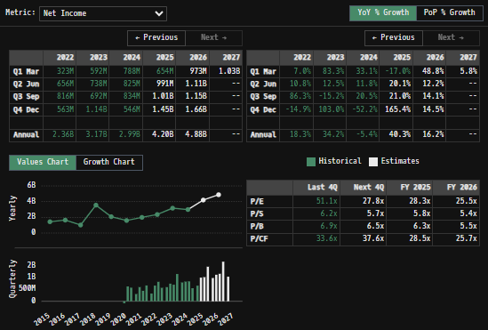
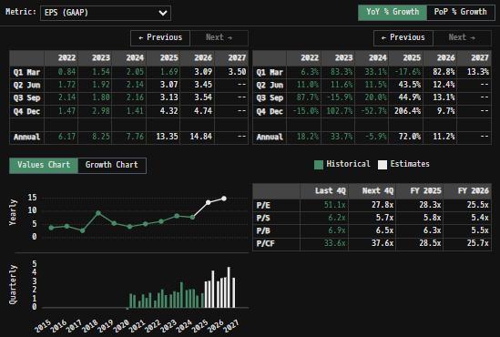

 | Consistent, abnormally high Endoscopy and Neuro Cranial revenues during Q4 period …
 |  | Hospital budgets pass EOY and that money is immediately put to work to benefit the hospital... --> higher dispersions rate EOY because of this?
 |  | [LT goal in feeding models into Tableau… Data visualization + charting is sooo much better on that platform] |  |  |  |  |  |  |  |  | Net Earnings
 |  |  |  |  |  |  |  |  |  |  |  | Net earnings for 2024 increased to $2,993 or $7.76 per diluted share from $3,165 or $8.25 per diluted share in 2023 and $2,358 or $6.17 per diluted share in 2022
Total Revenues, Net Income, FCF
(SYK) Quarterly Ttl Revenues, Net Income, Free Cash Flows (in $ millions)
 | Net Income | FCF | Revenues
 | 493 | 447 | 3588
 | -83 | 1017 | 2764
 | 621 | 254 | 3737
 | 568 | 1072 | 4262
 | 302 | 369 | 3953
 | 592 | 1150 | 4294
 | 438 | 425 | 4160
 | 662 | 794 | 4701
 | 323 | 84 | 4275
 | 656 | 386 | 4493
 | 816 | 751 | 4479
 | 563 | 815 | 5202
 | 592 | 315 | 4778
 | 738 | 536 | 4996
 | 692 | 902 | 4909
 | 1143 | 1383 | 5815
 | 788 | 37 | 5243
 | 825 | 481 | 5422
 | 834 | 1304 | 5494
 | 546 | 1665 | 6436
 | 654 | 127 | 5866

SYK Historical Return Histogram (5/3/25)
(SYK) Historical Return Histogram + Normal Distribution Overlay

 |  |  |  |  |  |  |  |  |  |  | FCF Scope [Build FCF Charting, Capex projections, D & A schedules and graph them out] + Additional Comments

 | The return distribution fits a Gaussian curve well, implying that daily change follows a roughly normal distribution
 | There is slight implied upside to mean 1-day returns

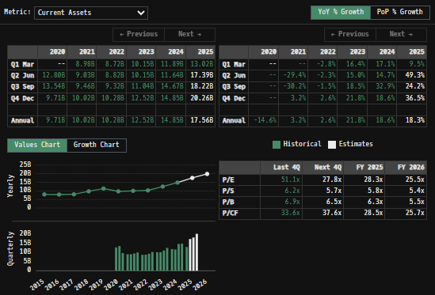
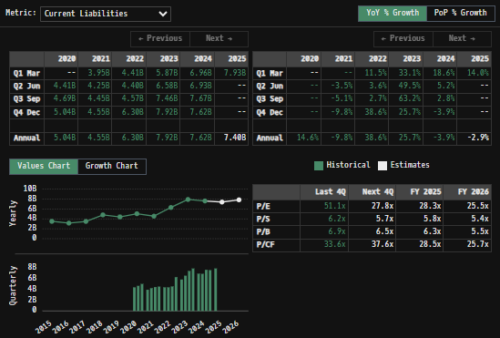
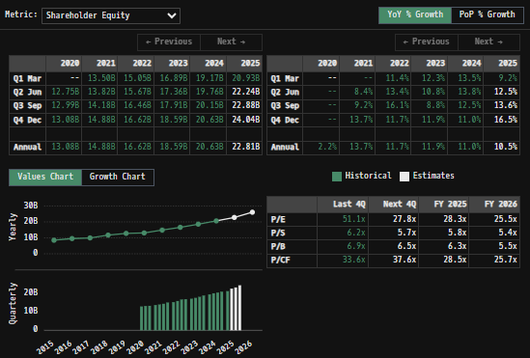
 |  |  |  |  |  |  |  |  |  |  | Balance Sheet Scope:
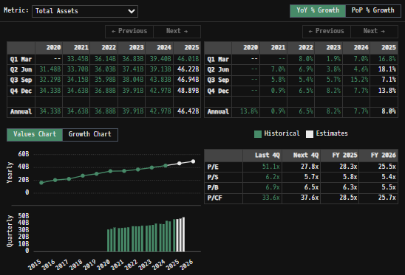
 |  | Min | -5.60%
 |  | Max | 8.35%
 |  | Mean μ | 0.03%
 |  | Median | 0.03%
 |  | SD σ | 1.33%
 |  | 3σ 1-Day Δ: ± | 3.99% |  | <- Sharpe Ratio (Risk Adjusted Return)
 |  | β (1-year avg.) | 0.94 |  | <- Sortino Ratio (Downside Risk Adjusted Return)

 | n = | 1,014
 | Histogram Data |  |  | Distribution Overlay |  |  |  | SD Lines
 | Bin | Frequency |  | (X) 1-Day Δ | (Y) Pop. Density |  |  | X | Y
 | -4.00% | 1 |  | -4.10% | 0.24330261971 |  | Mean | 0.03% | 0
 | -3.90% | 1 |  | -4.00% | 0.30633285338 |  |  | 0.03% | 32
 | -3.80% | 0 |  | -3.90% | 0.38351958155 |  | -3σ | -3.96% | 0
 | -3.70% | 0 |  | -3.80% | 0.47745086551 |  |  | -3.96% | 3
 | -3.60% | 1 |  | -3.70% | 0.59104017532 |  | -2σ | -2.63% | 0
 | -3.50% | 4 |  | -3.60% | 0.72753266254 |  |  | -2.63% | 7
 | -3.40% | 2 |  | -3.50% | 0.89050254374 |  | -1σ | -1.30% | 0
 | -3.30% | 1 |  | -3.40% | 1.0838395847 |  |  | -1.30% | 25
 | -3.20% | 1 |  | -3.30% | 1.3117226816 |  | 1σ | 1.36% | 0
 | -3.10% | 3 |  | -3.20% | 1.5785786451 |  |  | 1.36% | 25
 | -3.00% | 1 |  | -3.10% | 1.8890245151 |  | 2σ | 2.69% | 0 |  | In March 2015 we announced that our Board of Directors had authorized us to purchase up to $2,000 of our common stock
 | -2.90% | 4 |  | -3.00% | 2.2477920988 |  |  | 2.69% | 7 |  |  | The manner, timing and amount of repurchases are determined by management based on an evaluation of market conditions, stock price, and other factors and are subject to regulatory considerations
 | -2.80% | 1 |  | -2.90% | 2.6596339131 |  | 3σ | 4.02% | 0 |  |  | Purchases are made from time-to-time in the open market, in privately negotiated transactions or otherwise
 | -2.70% | 4 |  | -2.80% | 3.1292103588 |  |  | 4.02% | 3 |  |  |  | In the three months 2025 we did not repurchase any shares of our common stock under our authorized repurchase program
 | -2.60% | 1 |  | -2.70% | 3.6609587206 |  |  |  |  |  |  |  | The total dollar value of shares of our common stock that could be acquired under our authorized repurchase program was $1,033 as of March 31, 2025
 | -2.50% | 5 |  | -2.60% | 4.2589454766
 | -2.40% | 1 |  | -2.50% | 4.926704382
 | -2.30% | 2 |  | -2.40% | 5.667063817
 | -2.20% | 2 |  | -2.30% | 6.4819679309
 | -2.10% | 3 |  | -2.20% | 7.3722970932
 | -2.00% | 5 |  | -2.10% | 8.3376940391
 | -1.90% | 9 |  | -2.00% | 9.3764027913
 | -1.80% | 6 |  | -1.90% | 10.485127897
 | -1.70% | 10 |  | -1.80% | 11.658921674
 | -1.60% | 13 |  | -1.70% | 12.89110698
 | -1.50% | 11 |  | -1.60% | 14.173242436
 | -1.40% | 24 |  | -1.50% | 15.495136085
 | -1.30% | 18 |  | -1.40% | 16.844912102
 | -1.20% | 27 |  | -1.30% | 18.209133462
 | -1.10% | 18 |  | -1.20% | 19.572981448
 | -1.00% | 19 |  | -1.10% | 20.920490627
 | -0.90% | 24 |  | -1.00% | 22.234835554
 | -0.80% | 16 |  | -0.90% | 23.498663041
 | -0.70% | 26 |  | -0.80% | 24.69446156
 | -0.60% | 29 |  | -0.70% | 25.804957264
 | -0.50% | 17 |  | -0.60% | 26.813524447
 | -0.40% | 23 |  | -0.50% | 27.704596967
 | -0.30% | 37 |  | -0.40% | 28.46406655
 | -0.20% | 41 |  | -0.30% | 29.079653754
 | -0.10% | 35 |  | -0.20% | 29.541238007
 | 0.00% | 45 |  | -0.10% | 29.841134334
 | 0.10% | 53 |  | 0.00% | 29.974306183
 | 0.20% | 37 |  | 0.10% | 29.938506141
 | 0.30% | 26 |  | 0.20% | 29.734339026
 | 0.40% | 39 |  | 0.30% | 29.365244889
 | 0.50% | 33 |  | 0.40% | 28.837402591
 | 0.60% | 29 |  | 0.50% | 28.159557736
 | 0.70% | 26 |  | 0.60% | 27.342781644
 | 0.80% | 22 |  | 0.70% | 26.400170664
 | 0.90% | 24 |  | 0.80% | 25.346497213
 | 1.00% | 30 |  | 0.90% | 24.197825535
 | 1.10% | 29 |  | 1.00% | 22.971106104
 | 1.20% | 21 |  | 1.10% | 21.683762906
 | 1.30% | 19 |  | 1.20% | 20.353287519
 | 1.40% | 20 |  | 1.30% | 18.996852945
 | 1.50% | 11 |  | 1.40% | 17.630958759
 | 1.60% | 11 |  | 1.50% | 16.271117218
 | 1.70% | 7 |  | 1.60% | 14.931587841
 | 1.80% | 12 |  | 1.70% | 13.62516558
 | 1.90% | 7 |  | 1.80% | 12.363025343
 | 2.00% | 5 |  | 1.90% | 11.154623232
 | 2.10% | 7 |  | 2.00% | 10.007652748
 | 2.20% | 14 |  | 2.10% | 8.9280522822
 | 2.30% | 3 |  | 2.20% | 7.9200586489
 | 2.40% | 7 |  | 2.30% | 6.9863002426
 | 2.50% | 7 |  | 2.40% | 6.1279225789
 | 2.60% | 8 |  | 2.50% | 5.3447385928
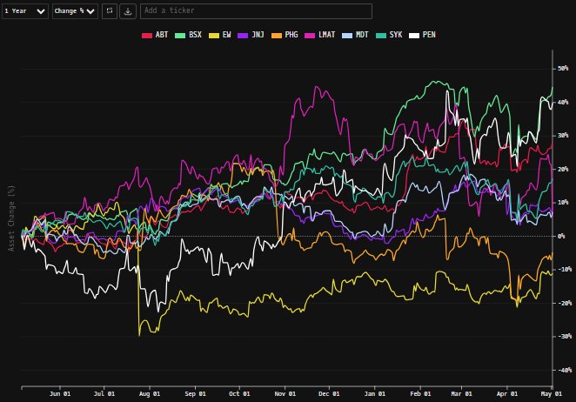
 | 2.70% | 2 |  | 2.60% | 4.6353960237
 | 2.80% | 0 |  | 2.70% | 3.9975545082
 | 2.90% | 4 |  | 2.80% | 3.4280655687
 | 3.00% | 1 |  | 2.90% | 2.9231494611
 | 3.10% | 2 |  | 3.00% | 2.4785637767
 | 3.20% | 2 |  | 3.10% | 2.0897597047
 | 3.30% | 0 |  | 3.20% | 1.7520229012
 | 3.40% | 2 |  | 3.30% | 1.4605969253
 | 3.50% | 2 |  | 3.40% | 1.2107881476
 | 3.60% | 0 |  | 3.50% | 0.99805187629
 | 3.70% | 0 |  | 3.60% | 0.81806016491
 | 3.80% | 0 |  | 3.70% | 0.66675234355
 | 3.90% | 0 |  | 3.80% | 0.54036975334
 | 4.00% | 1 |  | 3.90% | 0.43547646445
 | More | 6 |  | 4.00% | 0.3489679324
 |  |  |  | 4.10% | 0.27806961003
...

