Notes | Quant Analysis
 |  |  |  |  |  |  |  |  |  | 0
Medtronic Employee Snapshot |  |  |  |  | https://stockanalysis.com/stocks/mdt/employees/ |  |  |  | General Notes/Observations (Updated Q1'25)
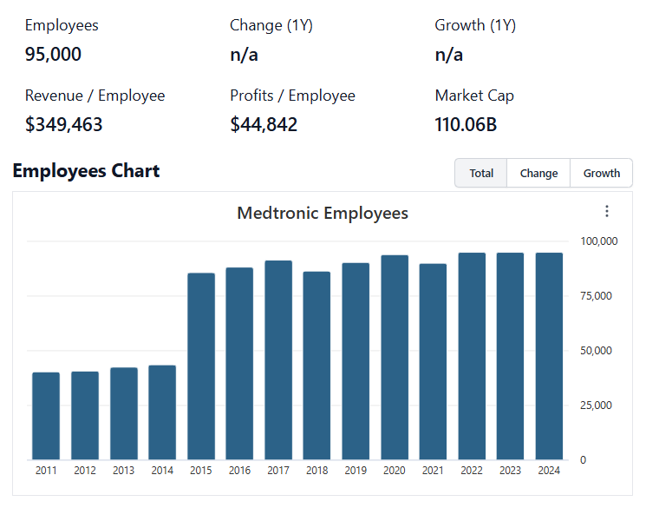

Institutional Ownership Snapshot (4/14/2025)
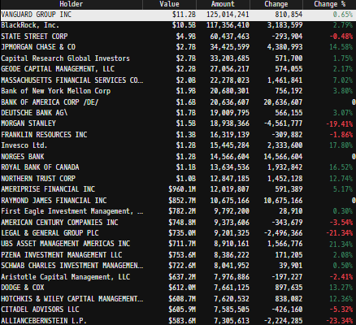
 |  |  |  |  |  |  |  |  | Financial Stmts. Notes/Observations (Updated Q1'25)
 |  |  |  |  |  |  |  |  | Revenues:
 |  |  |  |  |  |  |  |  | [Godel Snapshot of projected sales]

[Company] Major Acquisitions (1990s - Present)
 | 19--'s

 | 2000s

 | 2010s

 | 2020s

Revenue Breakdown by Segment (Build graph for this section if applicable…. See example below)
(MDT) Revenue by Segment (in $ millions)
 | Cardiac Rhythm & Heart Failure | Structural Heart & Aortic | Coronary & Peripheral Vascular | Cranial & Spinal Technologies | Specialty Therapies | Neuromodulation | Surgical & Endoscopy | Acute Care & Monitoring | Ttl Other Revenues
Q1 2021 | 1247 | 627 | 558 | 944 | 453 | 314 | 1080 | 720 | 564
 | 1426 | 733 | 567 | 1071 | 581 | 411 | 1393 | 893 | 572
 | 1371 | 730 | 606 | 1081 | 618 | 427 | 1423 | 890 | 629
 | 1540 | 744 | 623 | 1192 | 655 | 449 | 1542 | 795 | 648
Q1 2022 | 1483 | 787 | 620 | 1123 | 641 | 440 | 1554 | 768 | 571
 | 1471 | 750 | 606 | 1067 | 634 | 435 | 1497 | 802 | 585
 | 1402 | 740 | 603 | 1102 | 633 | 409 | 1519 | 771 | 584
 | 1552 | 778 | 631 | 1164 | 684 | 451 | 1490 | 740 | 599
Q1 2023 | 1381 | 741 | 579 | 1043 | 667 | 405 | 1455 | 479 | 621
 | 1431 | 757 | 584 | 1081 | 686 | 419 | 1398 | 672 | 557
 | 1431 | 760 | 581 | 1128 | 699 | 421 | 1425 | 712 | 570
 | 1540 | 1105 | 631 | 1199 | 763 | 448 | 1574 | 274 | 1010
Q1 2024 | 1446 | 814 | 589 | 1103 | 696 | 420 | 1546 | 459 | 629
 | 1492 | 819 | 612 | 1157 | 705 | 426 | 1641 | 462 | 670
 | 1470 | 843 | 616 | 1204 | 726 | 425 | 1616 | 496 | 693
 | 1587 | 882 | 661 | 1292 | 778 | 474 | 1705 | 491 | 719
Q1 2025 | 1535 | 856 | 616 | 1147 | 713 | 457 | 1544 | 452 | 595
 | 1578 | 881 | 643 | 1234 | 737 | 480 | 1649 | 478 | 723
 | 1545 | 874 | 618 | 1250 | 732 | 476 | 1596 | 476 | 725

 |  |  |  |  |  |  |  |  | Earnings Scope:
 |  |  |  |  |  |  |  |  | [Godel Snapshot of projected earnings/EPS]

 | Notes: | [X]
 |  | [Y]
 |  | [Z]

Total Revenues, Net Income, FCF
(MDT) Quarterly Ttl Revenues, Net Income, Free Cash Flows (in $ millions)
 | Net Income |  | FCF |  | Revenues
Q1 2021 | 487 |  | -56 | Q1 2020 | 6507
 | 489 |  | 1580 | Q2 2020 | 7647
 | 1270 |  | 1993 | Q3 2021 | 7775
 | 1360 |  | 1368 | Q4 2021 | 8188
Q1 2022 | 763 |  | 914 | Q1 2021 | 7987
 | 1311 |  | 1498 | Q2 2021 | 7847
 | 1480 |  | 1898 | Q3 2022 | 7763
 | 1485 |  | 1668 | Q4 2022 | 8089
Q1 2023 | 929 |  | 657 | Q1 2022 | 7371
 | 427 |  | 599 | Q2 2022 | 7585
 | 1222 |  | 1242 | Q3 2023 | 7727
 | 1180 |  | 2082 | Q4 2023 | 8544
Q1 2024 | 791 |  | 521 | Q1 2023 | 7702
 | 909 |  | 200 | Q2 2023 | 7984
 | 1322 |  | 2128 | Q3 2024 | 8089
 | 654 |  | 2351 | Q4 2024 | 8589
Q1 2025 | 1043 |  | 466 | Q1 2024 | 7915
 | 1270 |  | 554 | Q2 2024 | 8403
 | 1294 |  | 2096 | Q3 2025 | 8292

 | Notes: | [X]
 |  | [Y]
 |  | [Z]

[Ticker] Historical Return Histogram (Date Built)
(MDT) Historical Return Histogram + Normal Distribution Overlay

 |  |  |  |  |  |  |  |  | Balance Sheet Scope:
 |  |  |  |  |  |  |  |  | [Godel Snapshot of projected balances (assets, liabilities, equity)]

 |  | Min | -6.70%
 |  | Max | 5.94%
 |  | Mean μ | -0.03%
 |  | Median | 0.01%
 |  | SD σ | 1.19%
 |  | 3σ 1-Day Δ: ± | 3.56% |  | <- Sharpe Ratio (Risk Adjusted Return)
 |  | β (1-year avg.) |  |  | <- Sortino Ratio (Downside Risk Adjusted Return)

 | n = | 2,010
 | Histogram Data |  |  | Distribution Overlay |  |  | SD Lines
 | Bin | Frequency |  | (X) 1-Day Δ | (Y) Pop. Density |  | X | Y
 | -4.00% | 1 |  | -4.10% | 0.094546670744 | Mean | -0.03% | 0
 | -3.90% | 2 |  | -4.00% | 0.12574565813 |  | -0.03% | 35
 | -3.80% | 4 |  | -3.90% | 0.16605728558 | -3σ | -3.59% | 0
 | -3.70% | 0 |  | -3.80% | 0.21774141941 |  | -3.59% | 5
 | -3.60% | 4 |  | -3.70% | 0.28349300249 | -2σ | -2.41% | 0
 | -3.50% | 1 |  | -3.60% | 0.3664897361 |  | -2.41% | 10
 | -3.40% | 2 |  | -3.50% | 0.47043482929 | -1σ | -1.22% | 0
 | -3.30% | 2 |  | -3.40% | 0.59959126621 |  | -1.22% | 25
 | -3.20% | 1 |  | -3.30% | 0.7588034684 | 1σ | 1.16% | 0
 | -3.10% | 3 |  | -3.20% | 0.95350175179 |  | 1.16% | 25
 | -3.00% | 4 |  | -3.10% | 1.1896846607 | 2σ | 2.34% | 0
 | -2.90% | 2 |  | -3.00% | 1.4738741692 |  | 2.34% | 10
 | -2.80% | 7 |  | -2.90% | 1.8130389403 | 3σ | 3.53% | 0
 | -2.70% | 4 |  | -2.80% | 2.2144813909 |  | 3.53% | 5
 | -2.60% | 8 |  | -2.70% | 2.6856852691
 | -2.50% | 5 |  | -2.60% | 3.234121845
 | -2.40% | 5 |  | -2.50% | 3.8670146504
 | -2.30% | 7 |  | -2.40% | 4.5910649396
 | -2.20% | 10 |  | -2.30% | 5.4121426256
 | -2.10% | 9 |  | -2.20% | 6.3349502555
 | -2.00% | 10 |  | -2.10% | 7.3626704789
 | -1.90% | 21 |  | -2.00% | 8.4966102558
 | -1.80% | 22 |  | -1.90% | 9.7358575251
 | -1.70% | 18 |  | -1.80% | 11.076967998
 | -1.60% | 22 |  | -1.70% | 12.513700919
 | -1.50% | 19 |  | -1.60% | 14.036822877
 | -1.40% | 23 |  | -1.50% | 15.633997834
 | -1.30% | 26 |  | -1.40% | 17.289779468
 | -1.20% | 26 |  | -1.30% | 18.985718578
 | -1.10% | 22 |  | -1.20% | 20.700593785
 | -1.00% | 44 |  | -1.10% | 22.410768322
 | -0.90% | 49 |  | -1.00% | 24.090669392
 | -0.80% | 43 |  | -0.90% | 25.713380004
 | -0.70% | 56 |  | -0.80% | 27.251326516
 | -0.60% | 52 |  | -0.70% | 28.677038896
 | -0.50% | 61 |  | -0.60% | 29.963955419
 | -0.40% | 64 |  | -0.50% | 31.087239417
 | -0.30% | 70 |  | -0.40% | 32.024573339
 | -0.20% | 93 |  | -0.30% | 32.756894777
 | -0.10% | 91 |  | -0.20% | 33.269040654
 | 0.00% | 83 |  | -0.10% | 33.550269155
 | 0.10% | 82 |  | 0.00% | 33.594634334
 | 0.20% | 84 |  | 0.10% | 33.401195145
 | 0.30% | 86 |  | 0.20% | 32.97404863
 | 0.40% | 69 |  | 0.30% | 32.322185634
 | 0.50% | 87 |  | 0.40% | 31.459176145
 | 0.60% | 65 |  | 0.50% | 30.402699629
 | 0.70% | 63 |  | 0.60% | 29.173943083
 | 0.80% | 69 |  | 0.70% | 27.796895388
 | 0.90% | 44 |  | 0.80% | 26.297570785
 | 1.00% | 48 |  | 0.90% | 24.703196428
 | 1.10% | 37 |  | 1.00% | 23.04139926
 | 1.20% | 34 |  | 1.10% | 21.339425637
 | 1.30% | 38 |  | 1.20% | 19.623423712
 | 1.40% | 25 |  | 1.30% | 17.917813648
 | 1.50% | 23 |  | 1.40% | 16.244764823
 | 1.60% | 18 |  | 1.50% | 14.623792635
 | 1.70% | 24 |  | 1.60% | 13.071480842
 | 1.80% | 20 |  | 1.70% | 11.601328921
 | 1.90% | 13 |  | 1.80% | 10.22371815
 | 2.00% | 11 |  | 1.90% | 8.9459851972
 | 2.10% | 11 |  | 2.00% | 7.7725882369
 | 2.20% | 5 |  | 2.10% | 6.7053480526
 | 2.30% | 7 |  | 2.20% | 5.7437452418
 | 2.40% | 7 |  | 2.30% | 4.8852544741
 | 2.50% | 5 |  | 2.40% | 4.125697597
 | 2.60% | 5 |  | 2.50% | 3.459599072
 | 2.70% | 6 |  | 2.60% | 2.8805295217
 | 2.80% | 1 |  | 2.70% | 2.3814258743
 | 2.90% | 3 |  | 2.80% | 1.954879463
 | 3.00% | 2 |  | 2.90% | 1.5933863015 |  |  |  | [Equity Performance Compared to Peers]
 | 3.10% | 0 |  | 3.00% | 1.2895564351 |  |  |  | Use Godel CMS command
 | 3.20% | 0 |  | 3.10% | 1.0362816445
 | 3.30% | 4 |  | 3.20% | 0.8268627682
 | 3.40% | 1 |  | 3.30% | 0.65509946881
 | 3.50% | 2 |  | 3.40% | 0.51534638782
 | 3.60% | 0 |  | 3.50% | 0.40254033544
 | 3.70% | 1 |  | 3.60% | 0.31220348802
 | 3.80% | 0 |  | 3.70% | 0.2404275751
 | 3.90% | 1 |  | 3.80% | 0.18384379676
 | 4.00% | 0 |  | 3.90% | 0.13958278639
 | More | 13 |  | 4.00% | 0.10522838993
 |  |  |  | 4.10% | 0.078768425801
...

