Notes | Quant Analysis
Rev, Earnings, FCF graph

Institutional Ownership Snapshot (4/14/2025)
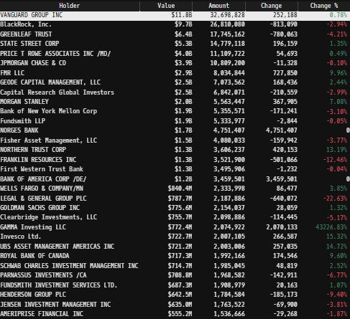

 | Stryker’s Major Acquisitions (1990s–Present)
1990s
 | 1. Osteonics Corp. (1998) – Key acquisition that strengthened Stryker’s orthopedic implants business.
 | 2. Howmedica (1998, from Pfizer) – Purchased for ~$1.65B, significantly expanding Stryker’s joint replacement segment.
2000s
 | 3. SpineCore (2005) – Entry into the spinal disc replacement market.
 | 4. eTrauma (2006) – Added trauma-related software solutions.
 | 5. Orthovita (2011, ~$316M) – Biomaterials for spine and orthopedics.
 | 6. Memometal (2011, ~$150M) – French company specializing in small bone fixation.
 | 7. Concentric Medical (2011, ~$135M) – Neurovascular devices for stroke treatment.
 | 8. Neurovascular Division of Boston Scientific (2011, ~$1.5B) – Expanded Stryker’s stroke care portfolio.
2010s
 | 9. MAKO Surgical Corp. (2013, ~$1.65B) – Robotic-assisted surgery (ROSA platform).
 | 10. Berchtold Holding AG (2013, ~$172M) – Surgical equipment and tables.
 | 11. Patient Safety Technologies (2014, ~$120M) – Surgical safety solutions (SurgiCount).
 | 12. Small Bone Innovations (2014) – Enhanced foot & ankle orthopedic offerings.
 | 13. Physio-Control (2016, ~$1.28B) – Defibrillators & emergency medical products.
 | 14. Novadaq (2017, ~$701M) – Fluorescence imaging for surgeries (PINPOINT, SPY).
 | 15. Entellus Medical (2018, ~$662M) – Minimally invasive ENT (ear, nose, throat) devices.
 | 16. K2M (2018, ~$1.4B) – Strengthened spine surgery portfolio.
 | 17. Mobius Imaging & Cardan Robotics (2019, ~$500M combined) – Advanced imaging & robotics for spine procedures.
2020s
 | 18. Wright Medical (2020, ~$5.4B) – Major acquisition in extremities (shoulder, ankle, foot).
 | 19. Gauss Surgical (2021) – AI-based blood loss monitoring (Triton system).
 | 20. CareMomentum (2021) – Digital health & patient engagement platform.
 | 21. Vocera Communications (2022, ~$3.09B) – Hospital communication systems.
 | 22. Cerus Endovascular (2023) – Neuro-interventional devices.
 | 23. Sight Sciences (2023, partial stake) – Glaucoma & ocular surgery tech.
 | 24. Inari Medical (2025, ~$4.9B) – Thrombectomy & embolism mechanical devices

