Notes | Quant Analysis
 |  |  |  |  |  |  |  |  |  | 0
Google Employee Snapshot (Q4'24) |  |  |  |  |  |  |  |  | General Notes/Observations (Updated Q1'25)
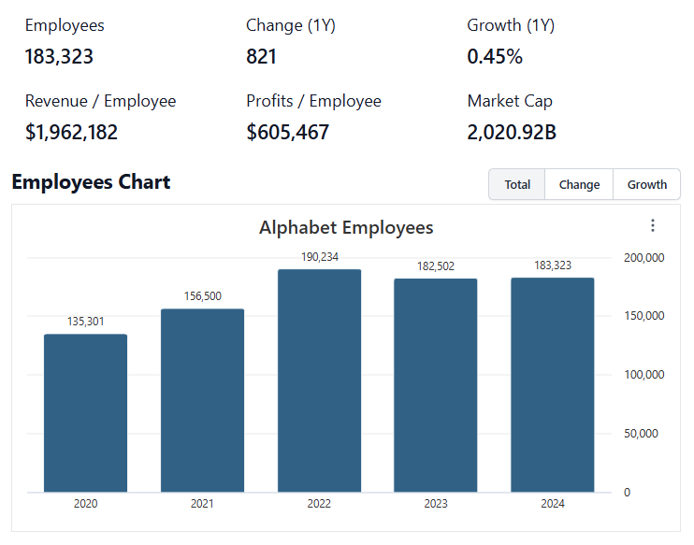
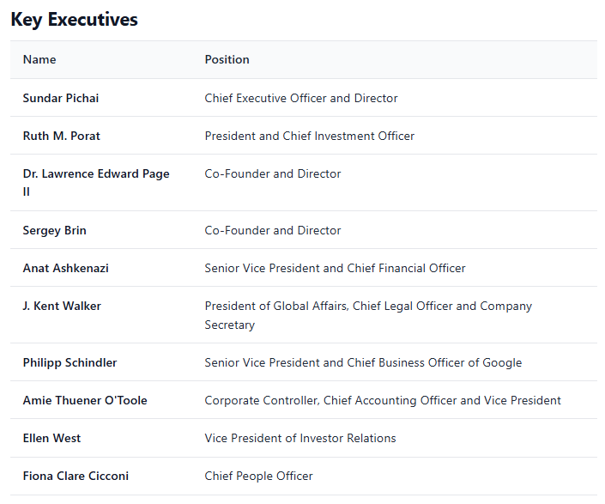

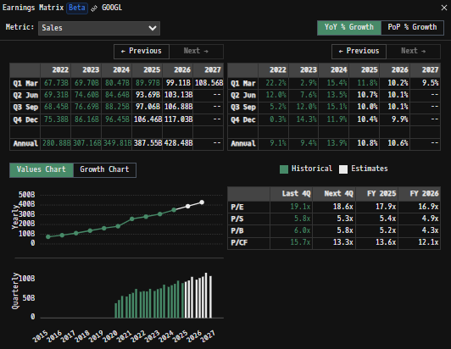
 |  |  |  |  |  |  |  |  | Financial Stmts. Notes/Observations (Updated Q1'25)
Institutional Ownership Snapshot (4/14/2025) |  |  |  |  |  |  |  |  | Revenues:
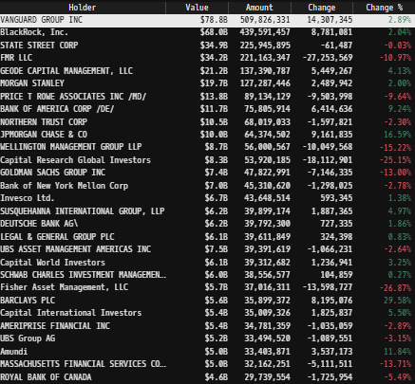

 | Notes: | [X]
 |  | [Y]
 |  | [Z]

Revenue Breakdown by Segment
(Ticker) Revenue by Segment (in $ millions)
 | Search Ads | Youtube Ads | Network Ads | Subscriptions, Platforms, & Devices | Google Cloud | Other Bets
Q1 2020 | 24502 | 4038 | 5223 | 4435 | 2777 | 135
 | 21319 | 3812 | 4736 | 5124 | 3007 | 148
 | 26338 | 5037 | 5720 | 5478 | 3444 | 178
 | 31903 | 6885 | 7411 | 6674 | 3831 | 196
Q1 2021 | 31879 | 6005 | 6800 | 6494 | 4047 | 198
 | 35845 | 7002 | 7597 | 6623 | 4628 | 192
 | 37926 | 7205 | 7999 | 6754 | 4990 | 182
 | 43301 | 8633 | 9305 | 8161 | 5541 | 181
Q1 2022 | 39618 | 6869 | 8174 | 6811 | 5821 | 440
 | 40689 | 7340 | 8259 | 6553 | 6276 | 193
 | 39539 | 7071 | 7872 | 6895 | 6868 | 209
 | 42604 | 7963 | 8475 | 8796 | 7315 | 226
Q1 2023 | 40359 | 6693 | 7496 | 7413 | 7454 | 288
 | 42628 | 7665 | 7850 | 8142 | 8031 | 285
 | 44026 | 7952 | 7669 | 8339 | 8411 | 297
 | 48020 | 9200 | 8297 | 10794 | 9192 | 657
Q1 2024 | 46156 | 8090 | 7413 | 8739 | 9574 | 495
 | 48509 | 8663 | 7444 | 9312 | 10347 | 365
 | 49385 | 8921 | 7548 | 10656 | 11353 | 388
 | 54034 | 10473 | 7954 | 11633 | 11955 | 400
Q1 2025 | 50702 | 8927 | 7256 | 10379 | 12260 | 450

 | Notes: | [X]
 |  | [Y]
 |  | [Z]

Total Revenues, Net Income, FCF |  |  |  |  |  |  |  |  | Earnings Scope (5/23/25):
(GOOGL) Quarterly Ttl Revenues, Net Income, Free Cash Flows (in $ millions)
 | Net Income | FCF | Revenues
 | 6836 | 5446 | 41159
 | 6959 | 8602 | 38297
 | 11247 | 11597 | 46173
 | 15227 | 17198 | 56898
 | 17930 | 13347 | 55314
 | 18525 | 16394 | 61880
 | 18936 | 18720 | 65118
 | 20642 | 18551 | 75325
 | 16436 | 15320 | 68011
 | 16002 | 12594 | 69685
 | 13910 | 16077 | 69092
 | 13624 | 16019 | 76048
 | 15051 | 17220 | 69787
 | 18368 | 21778 | 74604
 | 19689 | 22601 | 76693
 | 20687 | 7896 | 86310
 | 23662 | 16836 | 80539
 | 23619 | 13454 | 84742
 | 26301 | 17637 | 88268
 | 26536 | 24837 | 96469
 | 34540 | 18953 | 90234
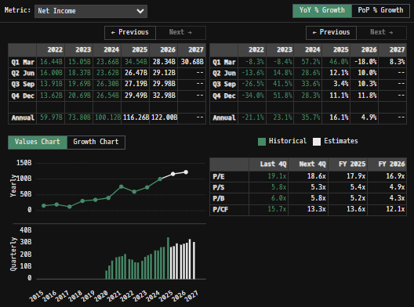
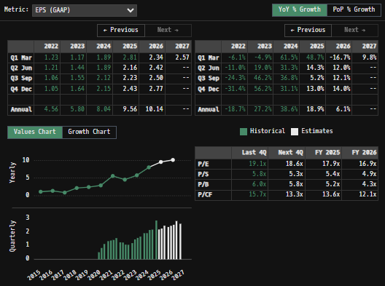
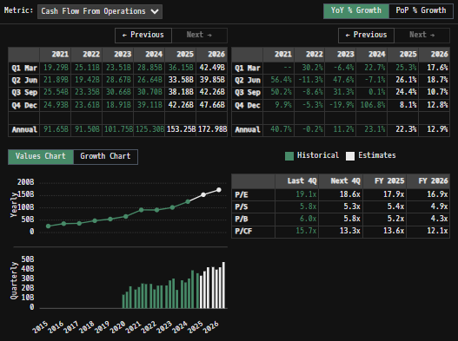

 | Notes: | Google's data center investment, particularly for AI, has seen a significant increase in recent years, especially around 2023 and into 2025
 |  |  | Massive CapEx spend into these data centers has really cut into FCF in recent quarters … Investment CapEx turns into future earnings … Is that earnings growth already priced in though?
 |  |  | [Create AI/ data center CapEx scope to track capital investment, quarterly + projected future investment demands]
 |  | [Y]
 |  | [Z]

[GOOGL] Historical Return Histogram (5/21/2025)
(GOOGL) Historical Return Histogram + Normal Distribution Overlay

 | Notes: | [X]
 |  | [Y]
 |  | [Z]

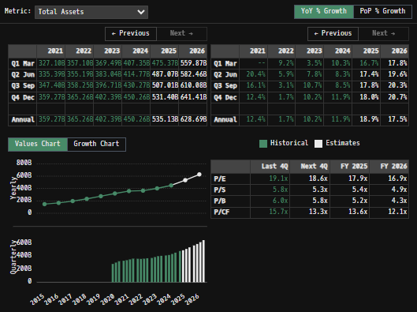
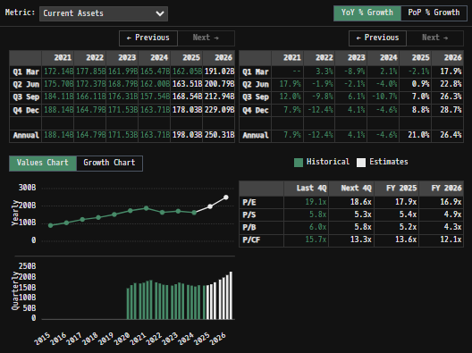
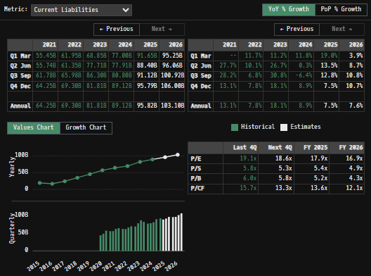
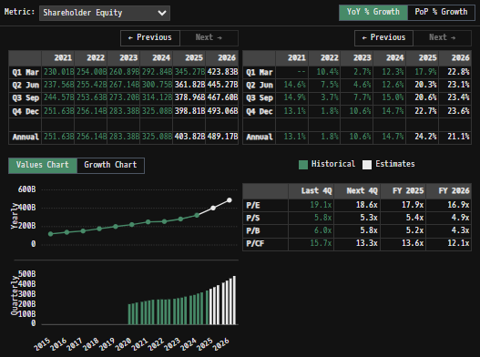
 |  |  |  |  |  |  |  |  | Balance Sheet Scope:
 |  | Min | -7.74%
 |  | Max | 9.90%
 |  | Mean μ | 0.07%
 |  | Median | 0.08%
 |  | SD σ | 1.49%
 |  | 3σ 1-Day Δ: ± | 4.48% |  | <- Sharpe Ratio (Risk Adjusted Return)
 |  | β (1-year avg.) | 1.01 |  | <- Sortino Ratio (Downside Risk Adjusted Return)

 | n = | 1,760
 | Histogram Data |  |  | Distribution Overlay |  |  | SD Lines
 | Bin | Frequency |  | (X) 1-Day Δ | (Y) Pop. Density |  | X | Y
 | -5.00% | 1 |  | -5.10% | 0.066775706457 | Mean | 0.07% | 0
 | -4.75% | 2 |  | -5.00% | 0.084022264795 |  | 0.07% | 30
 | -4.50% | 2 |  | -4.75% | 0.14631937047 | -3σ | -4.41% | 0
 | -4.25% | 4 |  | -4.50% | 0.24775377353 |  | -4.41% | 5
 | -4.00% | 2 |  | -4.25% | 0.407896281 | -2σ | -2.92% | 0
 | -3.75% | 6 |  | -4.00% | 0.65296548724 |  | -2.92% | 10
 | -3.50% | 4 |  | -3.75% | 1.0163463275 | -1σ | -1.43% | 0
 | -3.25% | 9 |  | -3.50% | 1.5381696256 |  | -1.43% | 20
 | -3.00% | 14 |  | -3.25% | 2.263485692 | 1σ | 1.56% | 0
 | -2.75% | 16 |  | -3.00% | 3.238637124 |  | 1.56% | 20
 | -2.50% | 13 |  | -2.75% | 4.5056540169 | 2σ | 3.05% | 0
 | -2.25% | 25 |  | -2.50% | 6.0948693915 |  | 3.05% | 10
 | -2.00% | 27 |  | -2.25% | 8.016448019 | 3σ | 4.54% | 0
 | -1.75% | 39 |  | -2.00% | 10.252046608 |  | 4.54% | 5
 | -1.50% | 57 |  | -1.75% | 12.748238407
 | -1.25% | 57 |  | -1.50% | 15.413483264
 | -1.00% | 79 |  | -1.25% | 18.120176658
 | -0.75% | 97 |  | -1.00% | 20.712621706
 | -0.50% | 111 |  | -0.75% | 23.020711008
 | -0.25% | 113 |  | -0.50% | 24.877882155
 | 0.00% | 146 |  | -0.25% | 26.140813177
 | 0.25% | 147 |  | 0.00% | 26.707657245
 | 0.50% | 134 |  | 0.25% | 26.531604117
 | 0.75% | 130 |  | 0.50% | 25.627263636
 | 1.00% | 91 |  | 0.75% | 24.068663686
 | 1.25% | 107 |  | 1.00% | 21.979243179
 | 1.50% | 84 |  | 1.25% | 19.515716625
 | 1.75% | 60 |  | 1.50% | 16.848734484
 | 2.00% | 48 |  | 1.75% | 14.143636399
 | 2.25% | 28 |  | 2.00% | 11.544254527
 | 2.50% | 22 |  | 2.25% | 9.1618192098
 | 2.75% | 25 |  | 2.50% | 7.0698232356
 | 3.00% | 14 |  | 2.75% | 5.3045238566
 | 3.25% | 12 |  | 3.00% | 3.8698601636
 | 3.50% | 9 |  | 3.25% | 2.7450809196
 | 3.75% | 3 |  | 3.50% | 1.8933288116
 | 4.00% | 1 |  | 3.75% | 1.2697199699
 | 4.25% | 1 |  | 4.00% | 0.8279438227
 | 4.50% | 8 |  | 4.25% | 0.52493412213
 | 4.75% | 0 |  | 4.50% | 0.32360837413
 | 5.00% | 1 |  | 4.75% | 0.19397497862
 | More | 11 |  | 5.00% | 0.1130531552
 |  |  |  | 5.10% | 0.090382544022

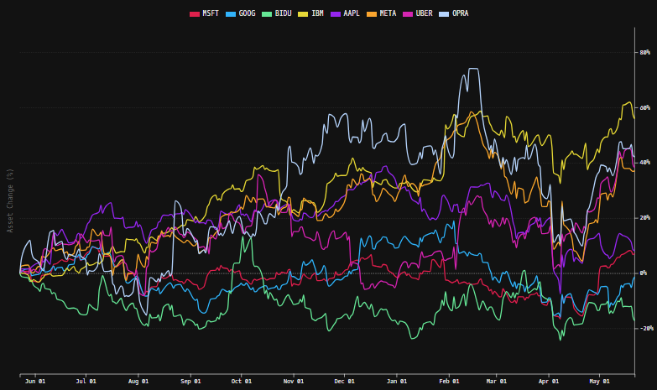
 |  |  |  |  |  |  |  |  | [Equity Preformance Compared to Peers] (5/23/24)

 |  |  |  |  |  |  |  |  | Google is a sole underpreformer when compared to U.S. peer's short term return profiles
...

