Main | Overview
Master |  |  |  |  |  |  |  |  |  |  |  |  |  |  |  |  |  |  |  |  |  |  |  |  |  |  |  |  | -
Capital Structure Snapshot: |  |  |  |  |  |  |  |  |  |  |  |  |  |  |  |  |  |  |  |  |  |  |  |  |  | General Definitions: |  | Penumbra Operating Definitions

 | PEN |  |  |  |  |  |  |  |  |  |  |  |  |  |  |  |  |  |  |  |  |  |  |  |  | Thrombus/I : A clot that forms and remains in place inside a blood vessel
 | Cash | $277.42 | 2025-04-24
 | SO | 38.562 | Q1'25 |  |  |  |  |  |  |  |  |  |  |  |  |  |  |  |  |  |  |  |  |  |  | Thrombosis: Thrombosis is the formation of a blood clot (thrombus) inside a blood vessel, obstructing blood flow
 | MC | $10,697.87 |  |  |  |  |  |  |  |  |  |  |  |  |  |  |  |  |  |  |  |  |  |  |  |  | Can occur in arteries (arterial thrombosis) or veins (venous thrombosis) <-- Penumbra's product are FDA-approved for arterial cases, but have been used off-label for DVT/PE in some cases
 | Cash | $378.85 | Q1'25
 | Debt | $0.00 | Q1'25 |  |  |  |  |  |  |  |  |  |  |  |  |  |  |  |  |  |  |  |  |  |  | Thrombectomy:
 | EV | $10,319.02
 |  |  |  |  |  |  |  |  |  |  |  |  |  |  |  |  |  |  |  |  |  |  |  |  |  | Embolus/I : a thrombus, or other substance that breaks free and circulates through blood vessels
 | Penumbra Inc. (PEN)
 |  |  |  |  |  |  |  |  |  |  |  |  |  |  |  |  |  |  |  |  |  |  |  |  |  | Embolism: An embolism occurs when a blood clot (thrombus), air bubble, fat globule, or other foreign material travels through the bloodstream and lodges in a blood vessel, blocking blood flow.
Company Overview:

 | Founded: 2004 |  |  |  | Registered Exchange: NYSE |  |  |  | Sources for model:
 | Headquarted: Alameda |  |  |  | Address: One Penumbra Place, Alameda, CA 94502 |  |  |  | SEC filings | https://www.sec.gov/edgar/browse/?CIK=1321732&owner=exclude | PubMed/NIH reporting's
 | Current CEO: Adam Elsesser (Founding Member) |  |  |  |  |  |  |  | Earnings calls |  | U.S. Patent Office filings
 | Employees: 4,500 |  |  |  |  |  |  |  | Godel Terminal |  | FDA Medical Device reporting's

 | Penumbra, Inc. designs, develops, manufactures, and markets medical devices in the United States and internationally
 |  | Strong track record of organic product development and commercial expansion that has established the foundation of our global organization
 | The Company has successfully developed, obtained regulatory clearance or approval for, and introduced products into a range of markets including:
 |  | the Thrombectomy market (entered 2007)
 |  | the Access market (entered 2008)
 |  | the Embolization market (entered 2011)
 |  | the Neurosurgical market (entered 2014)
 |  | the Immersive Healthcare market (entered 2020, exited September 2024) <-- Decision to wind down and exit the Immersive Healthcare business, and as a result, incurred a $115.3 million impairment charge at year end
 |  |  | During the year ended December 31, 2024, The Company permanently ceased sales of Immersive Healthcare products and related commercial operations
 |  |  | (important to track/sum the total impairment cost in model)
 | The Company sells its products through direct sales organizations and distributors
 |  | The Company sells products to healthcare providers primarily through our direct sales organization in the United States, most of Europe, Canada and Australia, as well as through distributors in select international markets (China, APac, LatAm)
 | The Company expects to continue developing and building a portfolio of products, including thrombectomy, embolization and access technologies, while iterating on currently available products
 |  | The Company's research and development activities are centered around development of new products and clinical activities designed to support regulatory submissions and demonstrate product efficacy to regulating bodies and medical professionals
 |  | Generally, when introducing a next generation product or a new product designed to replace a current product, sales of the earlier generation product or the product replaced decline
 |  |  | Similar to BioPharma, economic returns decline once a treatment option "goes generic," or a newer, more effective form of treatment is developed/commercialized
 | The Business was impacted by the COVID-19 Pandemic
 |  | The pandemic impacted the performance of certain elective and semi-elective medical procedures, which were deferred to provide resources to fight the pandemic
 |  | The pandemic impacted global supply chains and labor markets, resulting in cost inflation and raw material supply constraints for The Company and wider economy

Markets:

 | The Company concentrates on improving treatment outcomes for patients with certain forms of vascular disease
 |  | Vascular disease refers to any condition that affects the circulatory system and typically manifests as a blockage or rupture of an artery or a vein
 | The Company classifies end markets according to the anatomic location of the disorder and divides them into two categories:
 |  | Neuro, which included neurovascular and neurosurgical
 |  | Vascular, which included peripheral vascular and cardiovascular.
 | The Company began to classify end markets based on the type of procedure being performed (beginning with the three months ended December 31, 2023), and therefore divide markets into two categories:
 |  | Thrombectomy, which includes products that treat conditions such as pulmonary embolism, deep vein thrombosis, acute limb ischemia, ischemic stroke and coronary disease
 |  | Embolization and Access, which include products to treat aneurysms and to occlude vessels as well as products to access the vasculature

Thrombectomy Market:

 | The thrombectomy market is comprised of vascular diseases and disorders occurring in vessels throughout the body, including ischemic stroke, VT such as pulmonary embolism, acute limb ischemia, DVT, coronary disease and other conditions
 |  | Disruption of blood flow to the vasculature can have serious adverse consequences, including death and morbidity, and our solutions address the intervention of these diseases
 |  | There are approximately 2.15 million incidences of clot in the vasculature each year in the United States, the vast majority of which do not currently receive mechanical thrombectomy intervention
 |  | Studies have shown that patients treated with mechanical thrombectomy had improved functional outcomes compared with treatments such as tissue-type plasminogen activator (tPA) alone
 | Common conditions The Company is focused on include:

 |  | Pulmonary Embolism ("PE"): |  |  |  | PE is a condition that occurs when blood clots, which typically travel from the veins in the legs, get caught in the lungs |  |  |  |  |  |  |  |  |  |  |  |  |  |  |  |  |  | Eligible for mechanical intervention
 |  |  |  |  |  |  | Approximately 1.2 million PEs occur annually worldwide. In the U.S., there are approximately 350,000 PEs per year causing approximately 50,000 annual deaths according to the Centers for Disease Control and Prevention |  |  |  |  |  |  |  |  |  |  |  |  |  |  |  |  | U.S. # of PEs per year: | ~350k
 |  |  |  |  |  |  | High- and intermediate-risk PEs, which are generally eligible for treatment with mechanical or computer assisted vacuum thrombectomy, represent approximately 44% of such PEs, or approximately 150,000 U.S. patients |  |  |  |  |  |  |  |  |  |  |  |  |  |  |  |  | Intl. # of PEs per year: | ~800k
 |  |  |  |  |  |  | Approximately 800,000 annual PEs outside the U.S. and approximately 350,000 of them are massive or sub-massive, making them eligible for thrombectomy |  |  |  |  |  |  |  |  |  |  |  |  |  |  |  |  | Sum total estimated PEs per year: | ~1.2 mil

 |  | Deep Vein Thrombosis ("DVT"): |  |  |  | DVT occurs when a clot forms in a deep vein, usually in the leg and sometimes in the arm |  |  |  |  |  |  |  |  |  |  |  |  |  |  |  |  |  | Eligible for mechanical intervention
 |  |  |  |  |  |  | Approximately 4 million DVTs occur annually worldwide |  |  |  |  |  |  |  |  |  |  |  |  |  |  |  |  | U.S. # of DVTs per year: | ~350k
 |  |  |  |  |  |  | Approximately 350,000 DVTs are eligible for treatment with mechanical or computer assisted vacuum thrombectomy in the U.S. |  |  |  |  |  |  |  |  |  |  |  |  |  |  |  |  | Intl. # of DVTs per year: | ~2 mil
 |  |  |  |  |  |  |  | In the U.S., there are approximately 30,000 annual deaths caused by DVT according to the Centers for Disease Control and Prevention |  |  |  |  |  |  |  |  |  |  |  |  |  |  |  | Sum total estimated DVTs per year: | ~2.4 mil
 |  |  |  |  |  |  | Approximately 2 million annual DVTs outside the U.S. that are eligible for thrombectomy procedures
 |  |  |  |  |  |  |  |  |  |  |  |  |  |  |  |  |  |  |  |  |  |  |  | Eligible for mechanical intervention
 |  | Acute Limb Ischemia ("ALI"): |  |  |  | ALI occurs when the leg experiences an occlusion in an artery, caused either by a blood clot in the artery or by emboli from the heart or another place within the body that travel to the leg and cause an occlusion |  |  |  |  |  |  |  |  |  |  |  |  |  |  |  |  |  | U.S. # of ALIs per year: | ~250k
 |  |  |  |  |  |  | Approximately 2.5 million ALIs occur annually and that there are approximately 16 million ALI survivors worldwide. |  |  |  |  |  |  |  |  |  |  |  |  |  |  |  |  | Intl. # of ALIs per year: | ~2.25 mil
 |  |  |  |  |  |  | Approximately 250,000 ALIs per year in the U.S., which are generally eligible for treatment with mechanical or computer assisted vacuum thrombectomy |  |  |  |  |  |  |  |  |  |  |  |  |  |  |  |  | Sum total estimated ALIs per year: | ~2.5 mil
 |  |  |  |  |  |  | Approximately 2.25 million annual ALIs outside the U.S. that are eligible for thrombectomy
 |  |  |  |  |  |  |  |  |  |  |  |  |  |  |  |  |  |  |  |  |  |  |  | Eligible for mechanical intervention
 |  | Ischemic Stroke: |  |  |  | A stroke occurs when a blood vessel that carries oxygen and nutrients to the brain is either blocked by a clot or bursts (ruptures) |  |  |  |  |  |  |  |  |  |  |  |  |  |  |  |  |  | U.S. # of strokes per year: | ~200k
 |  |  |  |  |  |  | It is estimated that nearly 14 million strokes occur annually and that there are more than 80 million survivors of stroke globally |  |  |  |  |  |  |  |  |  |  |  |  |  |  |  |  | Intl. # of strokes per year: | ~1.9 mil
 |  |  |  |  |  |  | Nearly 800,000 strokes occur annually, and lead to approximately 150,000 deaths per year. |  |  |  |  |  |  |  |  |  |  |  |  |  |  |  |  | Sum total estimated strokes per year: | ~2.1 mil
 |  |  |  |  |  |  | Ischemic strokes represent approximately 87% of strokes, or approximately 700,000 patients annually, in the United States
 |  |  |  |  |  |  |  | Of these cases, we estimate that approximately 200,000 are treatable with mechanical thrombectomy, which involves removal of the clot causing the blockage by mechanical means and restoring blood flow to the blocked vessels
 |  |  |  |  |  |  | Outside of the United States, we estimate, based on published sources, that there are approximately 9.7 million ischemic strokes annually and that 1.9 million of these patients are treatable with mechanical thrombectomy

 |  | Acute Coronary Syndrome ("ACS"): |  |  |  | ACS includes various conditions associated with sudden, reduced blood flow to the heart |  |  |  |  |  |  |  |  |  |  |  |  |  |  |  |  |  | Eligible for mechanical intervention
 |  |  |  |  |  |  | One such condition is a heart attack (acute myocardial infarction or “AMI”), when cell death results in damaged or destroyed heart tissue. Heart attacks can often be associated with high thrombus burden in the coronary arteries |  |  |  |  |  |  |  |  |  |  |  |  |  |  |  |  | U.S. # of ACS per year: | ~300k
 |  |  |  |  |  | Approximately 8.5 million AMIs occur annually and there are approximately 23.5 million AMI survivors worldwide |  |  |  |  |  |  |  |  |  |  |  |  |  |  |  |  |  | Intl. # of ACS per year: | ~8 mil
 |  |  |  |  |  | In the U.S., there are approximately 500,000 AMIs per year causing approximately 350,000 annual deaths according to the American Heart Association. |  |  |  |  |  |  |  |  |  |  |  |  |  |  |  |  |  | Sum total estimated ACS per year: | ~8.3 mil
 |  |  |  |  |  |  | AMIs involving high thrombus burden, which are generally eligible for treatment with mechanical thrombectomy, represent approximately 60% of U.S. AMIs, or approximately 300,000 U.S. patients
 |  |  |  |  |  | We estimate there are approximately 8 million annual AMIs outside the U.S. that are eligible for mechanical thrombectomy.

 |  | Clot from Arteriovenous Graft or Fistula: |  |  |  | Arteriovenous grafts or fistulas are created for access to dialyze the blood of patients with end-stage renal disease.
 |  |  |  |  |  |  | It is common for clots to form within these access vessels when patients undergo dialysis long-term

Embolization and Access Market:

 | The Embolization and Access markets are comprised of various diseases and conditions throughout the body, such as aneurysm, hemorrhagic stroke, vessel malformations, bleeding, endoleaks, ovarian veins, varicoceles, and hematomas, as well as products that provide access to the diseased area.

 |  | Aneurysm: |  |  |  | An aneurysm is a weak area in a blood vessel that usually enlarges and is often described as a “ballooning” of the blood vessel.
 |  |  |  |  |  | Approximately 2% of the general population has or will develop an aneurysm and approximately 9 million people in the United States may currently have an aneurysm
 |  |  |  |  |  |  | If a patient has had an aneurysm, there is a 20% likelihood that the patient will have one or more additional aneurysms
 |  |  |  |  |  | The primary endovascular procedure for treating unruptured aneurysms uses a repair technique called embolization, in which the aneurysm is packed with coils in a minimally invasive procedure

 |  | Hemorrhagic Stroke: |  |  |  | Hemorrhagic strokes, caused by the sudden rupture of a brain artery that leads to bleeding into or around the brain, represent approximately 13% of strokes in the United States
 |  |  |  |  |  |  | Brain aneurysms and arteriovenous malformations (“AVM”) can both cause hemorrhagic stroke
 |  |  |  |  |  |  | According to independent sources, every year 0.5% to 3.0% of people with a brain aneurysm and 1.0% to 3.0% of people with an AVM may suffer from bleeding
 |  |  |  |  |  |  | According to the AHA and ASA, once a brain aneurysm or an AVM bleeds, the chance of death is 30% to 40% and 10% to 15%, respectively
 |  |  |  |  |  |  | Intracerebral hemorrhage, a type of hemorrhagic stroke, occurs when a vessel within the brain bursts, allowing blood to leak inside the brain

 | Most endovascular procedures require access to the diseased area using guidewires and catheters
 |  | Accessing the brain through the tortuous neurovasculature has been a substantial challenge for physicians treating vascular disorders in the brain
 |  | Companies that developed catheters and other products for neurovascular applications historically leveraged technologies developed for use in coronary or peripheral vascular interventions
 |  |  | I need to look more into how The Company started… does Penumbra currently target engineers from med tech firms that have worked on similar projects? (is there a secret sauce talent pool of Med-Tech engineers similar to the Tiwanese with Semis… look into engineering talent pool across firms)
 |  | This approach created challenges given the vastly different anatomy, structure and sizing of the neurovascular vessels.

 | While reliable third-party data is not available for many markets outside the United States, The Company believes that there are substantial additional market opportunities for thrombectomy, and embolization and access products throughout the world.

Product Portfolio Scope:

 |  | Product Families |  |  |  |  | Key Product Brands
 |  |  |  |  | Indigo System
 |  |  | Peripheral |  | Lightning
 |  |  |  |  | Bolt
 | Thrombectomy |  |  |  | Cat RX
 |  |  |  |  | Penumbra System
 |  |  | Neuro |  | Penumbra RED, SENDit, JET, ACE, BMX, and MAX catheters
 |  |  |  |  | 3D Revascularization Device
 |  |  |  |  | Penumbra Engine and other components and accessories
 |  |  |  |  | Ruby Coil System
 |  |  |  |  | Ruby LP
 |  |  | Peripheral |  | Lantern
 |  |  | Embolization |  | POD (Penumbra Occlusion Device)
 |  |  |  |  | Packing Coil
 |  |  |  |  | Packing Coil LP
 |  |  |  |  | Penumbra Coil 400
 |  |  | Neuro |  | POD400
 | Embolization |  | Embolization |  | PAC400
 | & Access |  |  |  | Penumbra SMART COIL
 |  |  |  |  | SwiftPAC Coil
 |  |  |  |  | Neuron
 |  |  |  |  | Neuron Max
 |  |  |  |  | BENCHMARK
 |  |  | Access |  | BMX
 |  |  |  |  | DDC
 |  |  |  |  | PX SLIM
 |  |  |  |  | MIDWAY
 |  |  | Neurosurgical Tools |  | Artemis Neuro Evacuation Device
 | For further analysis on markets and product lines, visit "Markets | Product Lines" tab
 |  | https://ppubs.uspto.gov/pubwebapp/static/pages/ppubsbasic.html

Research and Development:

 | The Company's research and development team has a track record of product innovation and significant product improvements … this is the lifeblood of an IP firm like Penumbra, who's flagship products ultimately do have a finite commercial lifespan and must be innovated/developed upon to retain long term revenues/cashflows
 |  | Since inception, The Company has introduced multiple brands in either the United States, international, or both markets
 | The Company believes its ability to rapidly develop innovative products is in large part attributable to the fully integrated product innovation process that has been implemented, and the management philosophy behind that process.
 |  | In addition, The Company has recruited and retained engineers with a variety of backgrounds and experience to support the development of innovative therapies
 | Substantially all of The Company's research and development efforts are based out of the campus in Alameda, California

Manufacturing:

 | The Company currently maintains manufacturing facilities in Alameda and Roseville, California and currently produce substantially all products in-house.
 | The Company believes they have adequate supplies or sources of availability of raw materials necessary to meet demand
 |  | There are risks and uncertainties with respect to the supply of raw materials, particularly where provided by a single supplier, which could impact availability in sufficient quantities to meet The Company's needs
 |  | In an effort to manage risk associated with raw materials supply, The Company works closely with suppliers to help ensure availability and continuity of supply while maintaining high quality and reliability
 |  | The Company also utilizes long-term supply contracts with some suppliers to help maintain continuity of supply and manage the risk of price increases
 |  | Where possible, The Company seeks second source suppliers or suppliers that have alternate manufacturing sites at which they could manufacture critical parts
 | The Company has ~ 1 year of inventory on hand (when compared to COGS) … product mix of inventories is unknown ATT

Sales and Marketing:

 | The Company sells products directly in the United States, most of Europe, Canada and Australia, subject to required regulatory clearances and approvals
 |  | The Company has complemented it's direct sales organization with distributors in most international markets
 | The Company currently sells products in the United States through a dedicated "in-house" salesforce
 |  | Our sales representatives and sales managers generally have substantial medical device experience and market our products directly to a variety of specialist physicians engaged in the treatment of vascular disorders, who are the end users of our products and significantly influence buying decisions in hospitals and other healthcare settings relating to medical devices
 |  | focused on developing strong relationships with specialist physicians and other healthcare providers and devote significant resources to training and educating physicians and other healthcare providers in the use and benefits of our products
 | The principal specialist physicians and other healthcare providers in The Company's target end markets include:
 |  | Thrombectomy: Interventional radiologists, interventional neuroradiologists, vascular surgeons, neurosurgeons, interventional cardiologists and interventional neurologists
 |  | Embolization and Access: Neurosurgeons, interventional neuroradiologists, interventional neurologists, interventional radiologists, vascular surgeons and pediatric interventional cardiologists
 | In addition to direct sales organizations, The Company works with distributors in certain geographic areas, having determined that selling through distributors is likely to be more effective
 | The Company has continued licensing the technology of certain products to our existing distribution partner in China pursuant to a series of licensing arrangements entered into in December 2020, February 2022, September 2023 and March 2024, which permit The Company's partner to manufacture and commercialize such products in China in exchange for fixed payments upon the transfer of the distinct licensed technology and upon the provision of related regulatory support, as well as, in certain cases, royalty payments on downstream sales of the licensed products
 |  | We believe these arrangements will allow us to monetize our technology while helping us to mitigate market risk
 | The Company's direct sales have been, and we anticipate will continue to represent, a majority of our revenues
 |  | In 2024, direct sales accounted for approximately 87% of our revenue, with the balance generated by independent distributors that sell our products outside of the United States and by the arrangements with our partner in China, which include licensing royalty and distribution revenue
 | In recent years, The Company has shifted towards education and learning hospital outreach for brand maintenance and continued outreach/expansion … The Company seeks to demonstrate the efficacy of their superior technology when compared to competitors (primarily Inari's offering)

Competition:

 | The medical device industry is intensely competitive, subject to rapid change and significantly affected by new product introductions and other market activities of industry participants.
 |  | See in notes tab about pricing/long term economic returns of med tech products… does it follow similar suit to pharma, meaning rapid depreciation of asset FMV after the product line is innovated upon, or "goes generic" with competing firms entering the market once economic barriers are reduced
 | The Company competes with a number of manufacturers and distributors of neuro and vascular medical devices. Notable competitors include:

 |  | Public Competitors: |  | Ticker: |  |  | Private Competitors:
 |  | Abbott Labs |  | ABT |  |  | Imperative Care
 |  | AngioDynamics |  | ANGO |  |  | Rapid Medical
 |  | Boston Scientific |  | BSX |  |  | Vesalio
 |  | Edwards Lifesciences |  | EW |  |  | Cook Medical
 |  | Johnson and Johnson |  | JNJ |  |  | Argon Medical Devices (acquired in 2017 by Shandong Weigao Group (Chinese) for $850M)
 |  | Koninklijke Philips N.V. |  | PHG (Japanese) |  |  | Acandis GmbH (German)
 |  | Lemaitre Vascular |  | LMAT
 |  | Medtronic |  | MDT
 |  | Inari Medical |  | NARI | <- Acquired by Stryker (Feb. 20, 2025) for ~$4.9 billion (an incredible 60% premium on the trading market valuation) … Stryker has a talented management team with a long term track record of suceess M&A activity … what are they seeing here that demanded such a premium (for context NARI was ultimately acquired for ~ it's IPO valuation... so was it really a massive premium?... do the work and find out!!!)
 |  | Silk Road Medical |  | SILK | <- Acquired by Boston Scientific (Sep. 17, 2024) for ~$1.16 billion
 |  | Stryker |  | SYK
 |  | Terumo |  | TRUMY (Japanese)
 |  | Teleflex |  | TFX

 | Most of these competitors are large, well-capitalized companies with longer operating histories and greater resources than The Company has
 |  | As a consequence, they are able to spend more on product acquisition, development, marketing, sales and other product initiatives than The Company currently can facilitate … It has carved out a strong niche among these operators, and really does have the potentiality of "going big"
 | The Company also competes with a number of smaller medical device companies that have single products or a limited range of products

 | Some of the advantages competing firms have:
 | - | Significantly greater name recognition
 | - | Broader or deeper relations with healthcare professionals, customers, group purchasing organizations, and third-party payors
 | - | More established distribution networks
 | - | Additional lines of products and the ability to offer rebates or bundle products to offer greater discounts or other incentives to gain a competitive advantage
 | - | Greater experience in conducting research and development, manufacturing, clinical trials, marketing and obtaining regulatory clearance or approval for products
 | - | Greater financial and human resources for product development, sales and marketing and patent litigation

 | The Company competes primarily on the basis that their products are able to treat patients with neuro and vascular diseases and disorders and other health conditions safely and effectively
Intellectual Property:
 | The Company's advantages depend on the continued ability to:
 | - | Develop innovative, proprietary products that can cost-effectively address significant clinical needs
 | - | Continue to innovate and develop scientifically advanced technology
 | - | Obtain and maintain regulatory clearances or approvals
 | - | Demonstrate safety and efficacy in Penumbra-sponsored and third-party clinical trials and studies
 | - | Apply technology across product lines and markets
 | - | Attract and retain skilled research and development and sales personnel
 | - | Cost-effectively manufacture and successfully market and sell products

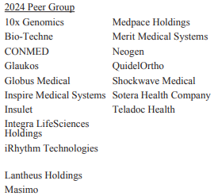
 | Peer Group:

Government Regulation:

 | The Company's success depends in part on it's ability to protect proprietary technology and intellectual property and operate without infringing the patents and other proprietary rights of third parties
 |  | Innovation is in MedTech is absolutely key; consequences include falling behind in the value chain -> reduces earnings potential if The Company falls behind in product pipeline while requiring the same if not more R&D spend to catch up/leapfrog competitors back into a dominant position (think mix between semiconductor and biopharma industries)
 |  | The Company relies on a combination of patent, trademark, trade secret, copyright and other intellectual property rights and measures to protect intellectual property rights that are considered important to The Company's interests
 |  | The Company also relies on know-how and continuing technological innovation to develop and maintain it's competitive position in the markets it operates in
Healthcare Fraud & Abuse Regulations | The Company does not have any material licenses to any technology or intellectual property rights
 | ! Important ! As of December 31, 2024, The Company owned and/or had rights to 120 issued patents globally, of which 58 were U.S. patents. As of December 31, 2024, The Company owned and/or had rights to 55 pending patent applications, of which 29 were patent applications pending in the United States
Human Capital Resources |  | Penumbra's Patent Catalog: |  |  | https://www.penumbrainc.com/patents/ |  |  |  |  |  |  | Current IP Assets: |  |  |  |  |  | IP Application Pipeline
 |  | U.S. Patent Search Tool: |  |  | https://ppubs.uspto.gov/pubwebapp/static/pages/ppubsbasic.html |  |  |  |  |  |  | Domestic Patents |  | Intl. Patents |  | Ttl Issued Patents |  | Domestic Patents |  | Intl. Patents |  | Ttl Pending Patent Apps.
 |  |  |  |  |  |  |  |  |  |  |  | 58 | issued | 62 | issued | 120 | issued | 29 | issued | 26 | issued | 55 | issued
 | 16 of The Company's issued patents are currently set to expire between 2025 and 2026
 |  | 13 of these patents relate to components of the Penumbra System and the Indigo System (flagship thrombectomy products) |  |  |  |  |  |  |  |  |  | IP Expiries (2025 - 2026)
 | Thirty-seven of our issued patents, which relate to components of the Penumbra Coil 400, Ruby Coil System and Smart Coil System, are currently expected to expire between 2029 and 2037 |  |  |  |  |  |  |  |  |  |  | Patents Set to Expire
 | Eighteen patents pertaining to the 3D Revascularization Device are projected to expire between 2032 and 2034

 | Additionally, The Company owns or has rights to trademarks or trade names that are used in their business and in conjunction with the sale of their products, including 45 U.S. trademark registrations and 225 foreign trademark registrations as of December 31, 2024
 | It really will be super important to learn more about MedTech products and the human conditions they're trying to address if I am going to be able to add/analyze this industry beyond modeling the financials … that is what separates a mid-wit analyst from a great analyst ...
 |  | Med devices are a bit tougher of a market to learn than say beverage companies ... does that mean potentially greater arbitrage opportunity... or just a smaller pool of even more fierce competition?

 | Our products are subject to extensive and ongoing regulation by the United States Food and Drug Administration (“FDA”) under the Federal Food, Drug, and Cosmetic Act (the “FD&C Act”) and its implementing regulations, as well as other federal and state regulatory bodies in the United States and comparable authorities in other countries under other statutes and regulations

 |  | United States |  | Medical devices are classified into three classes—Class I, Class II or Class III—depending on the degree of risk associated with each medical device and the extent of control needed to provide reasonable assurance of safety and effectiveness

 |  | European Union

 |  | Other Regions

 |  |  |  | !Hey! I assisted The Company compile and submit their Sunshine Act filing during my winter '24 internship. Cool!

 | As of December 31st, 2024, The Company had appx. 4,500 employees worldwide, with the majority of employees being in a manufacturing specialist role (blue collar)

 | Category |  |  | Brief description of role
 | Engineering & R&D appx. 25-30% |  |  | <-- focus on developing the next generations of cutting edge products
 | Manufacturing & Operations appx. 30-40% |  |  | <-- skilled labor force focused on device assembly, QC, and supply chain management
 | Sales & Clinical Support appx. 20-25% |  |  | <-- direct engagement with hospitals neuro and vascular specialist for outreach, sales, and teaching purposes
 | Regulatory & Compliance appx. 10% |  |  | <-- ensures FDA, CE, EMA and other market approvals; manages global initiatives

 | I hope I get to visit some the engineering and manufacturing workspaces … the finance internship keeps me a bit couped up in the 3011 building unless I go out to the gym or Oscar's
 | See Management scope tab for further details on company leadership structure

Notes | Quant Analysis
Quarterly Ttl Revenues, Net Income, Free Cash Flows (in millions)
 | Net Income | FCF | Revenues
Q1'19 | 10.7 | -16.1 | 128.4
Q2'19 | 15.7 | -28.4 | 134.2
Q3'19 | 3.7 | -7.7 | 139.5
Q4'19 | 20.5 | -5.8 | 145.3
Q1'20 | 1.5 | -16.1 | 137.3
Q2'20 | -11.9 | -28.4 | 105.1
Q3'20 | -8.8 | -7.7 | 151.1
Q4'20 | 3.7 | -5.8 | 166.9
Q1'21 | 11.8 | -18.4 | 169.2
Q2'21 | 9.3 | -6.6 | 184.3
Q3'21 | 8.8 | 30.6 | 190.1
Q4'21 | -24.7 | -17.4 | 204.0
Q1'22 | 0.1 | -9.5 | 203.9
Q2'22 | -3.7 | -44.0 | 208.3
Q3'22 | -2.3 | -19.3 | 213.7
Q4'22 | 3.9 | -2.2 | 221.2
Q1'23 | 8.6 | 9.2 | 241.4
Q2'23 | 19.1 | 12.8 | 261.5
Q3'23 | 9.2 | 26.5 | 270.9
Q4'23 | 54.1 | 32.6 | 284.7
Q1'24 | 11.1 | 32.5 | 278.7
Q2'24 | -60.2 | 18.1 | 299.4
Q3'24 | 29.5 | 51.0 | 301.0
Q4'24 | 33.6 | 45.7 | 315.5
Q1'25 | 39.2 | 62.4 | 324.1
 |  |  |  |  |  |  |  |  |  |  |  |  |  |  |  |  |  |  | 0 | -
Total Revenues, Net Income, FCF |  |  |  |  |  |  |  |  |  |  |  |  | General Notes/Observations (Updated Q1'25) |  |  |  |  | Earnings Call Transcript Scopes:
 |  |  |  |  |  |  |  |  |  |  |  |  | Track and quantify the total write-down/impairment of Immersive !!Important!! I am having a tough time with this

 |  |  |  |  |  |  |  |  |  |  |  |  | As stated in the business overview section: "Generally, when introducing a next generation product or a new product designed to replace a current product, sales of the earlier generation product or the product replaced decline"
 |  |  |  |  |  |  |  |  |  |  |  |  |  | Similar to BioPharma, economic returns decline once a treatment option "goes generic," or a newer, more effective form of treatment is developed/commercialized
 |  |  |  |  |  |  |  |  |  |  |  |  |  | It will be important to track depreciation and amortization expenses for the various product lines
 |  |  |  |  |  |  |  |  |  |  |  |  |  | Inventories, and inventory fair-value adjustments will also be important figures to track. Management must be incredibly diligent with revenue/profit maximization models for their current portfolio, and continue to develop a pipeline of new/innovative products
 |  |  |  |  |  |  |  |  |  |  |  |  |  |  | Commit to an inventory turnover model!!! Inventories are a large portion of the firms balance sheet and from my understanding has a "limited" shelf life, and because they are medical products, require extra care ($) in storing the units
 |  |  |  |  |  |  |  |  |  |  |  |  |  |  | Track inventory write-offs on Stmt of Cash Flow … develop further inference processes with time

 |  |  |  |  |  |  |  |  |  |  |  |  | Look into MedTech sales rep protocols. Does MedTech sales function similarly to biopharma reps?
 |  |  |  |  |  |  |  |  |  |  |  |  |  | Look into product sales cycles
 |  |  |  |  |  |  |  |  |  |  |  |  |  | Look into deal structures. How does the transaction shape up for domestic clients?
 |  |  |  |  |  |  |  |  |  |  |  |  |  |  | Are there a variety of offerings for consumers (hospitals potentially leasing Penumbra products vs buying)? Do international sales function differently (licenses, joint-partnerships)

 |  |  |  |  |  |  |  |  |  |  |  |  | PubMed for efficacy research:
 |  |  |  |  |  |  |  |  |  |  |  |  |  | https://pubmed.ncbi.nlm.nih.gov/?term=Penumbra+Inc
 |  |  |  |  |  |  |  |  |  |  |  |  |  |  | https://pubmed.ncbi.nlm.nih.gov/37084878/
 |  |  |  |  |  |  |  |  |  |  |  |  |  |  | https://pubmed.ncbi.nlm.nih.gov/34706845/

 |  |  |  |  |  |  |  |  |  |  |  |  | Financial Stmts. Notes/Observations (Updated Q1'25) |  |  |  | Global Thrombectomy Market Scope:
 |  |  |  |  |  |  |  |  |  |  |  |  | Revenues:
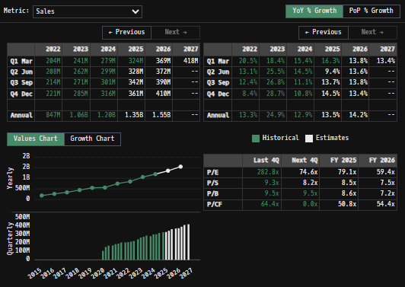
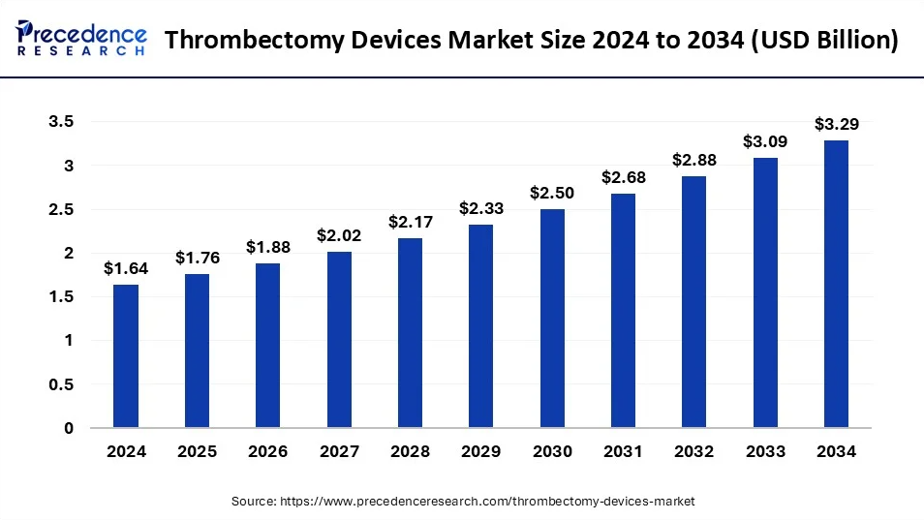
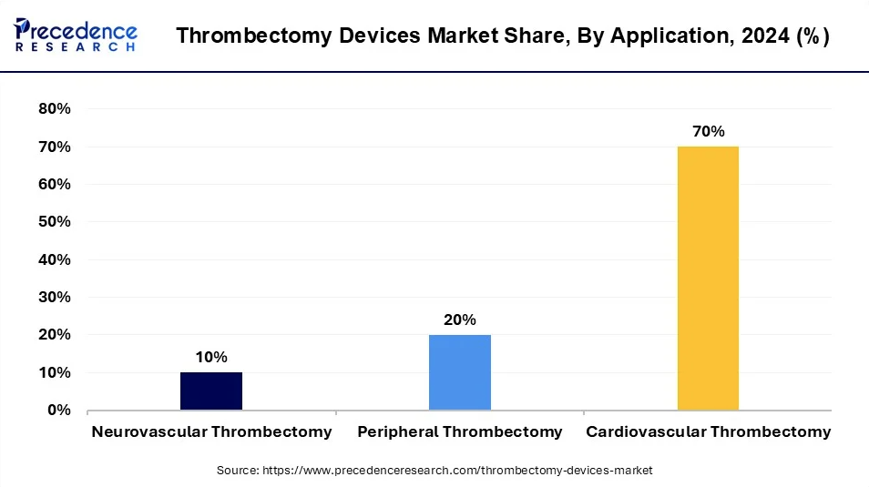

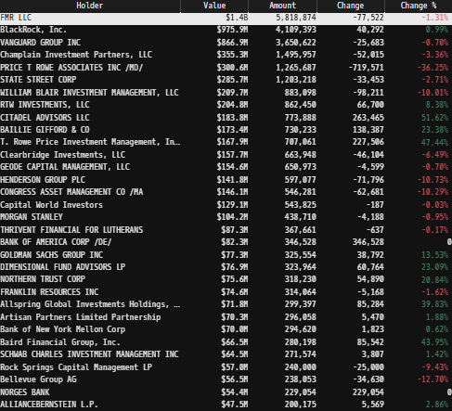
Institutional Ownership Snapshot (4/14/2025)
 |  |  |  |  |  |  |  |  |  | Follow Up List
 |  |  |  |  |  |  |  |  |  | Share Repurchase Program Scope
 |  |  |  |  |  |  |  |  |  | Look into product sales cycles
 |  |  |  |  |  |  |  |  |  | Clinical Trial/Product Channels

CAGR of 7.21%

 |  |  |  |  |  |  |  |  |  |  |  |  | Thrombectomy is driving outsized growth for The Company (~20-21% FY'25E)
 |  |  |  |  |  |  |  |  |  |  |  |  |  | Q1'25 thrombectomy revenues reached $226.5 million, an increase of 20.7% year-over-year, with U.S. thrombectomy contributing significantly to this growth. International thrombectomy increased 3.3%, excluding challenges in China

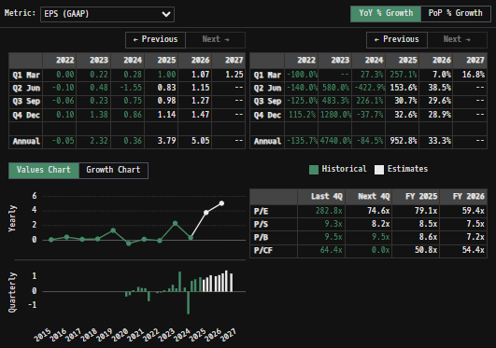
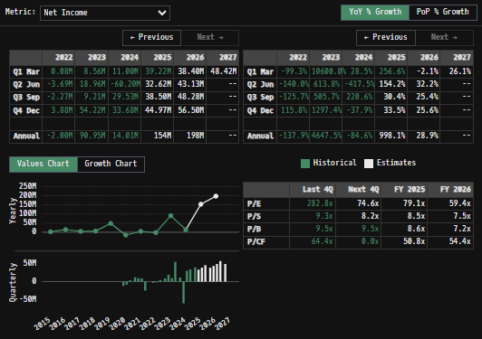
 |  |  |  |  |  |  |  |  |  | Revenue growth remains healthy (at a projected 13.1% FY'25) and I believe The Company is actually in line to outperform market expectation due to durable thrombectomy market growth. Embolization is relatively uninteresting, as revenues have plateaued and begun to decay in recent quarters.
 |  |  |  |  |  |  |  |  |  |  | Focus up on understanding stalling embolization growth. Why is thrombectomy continuing to drive massive growth from a larger base while embolization has reached a local max of sorts.
 |  |  |  |  |  |  |  |  |  |  | Focus up on laggard international growth. I remember announcements of slight pullbacks in EU during my 2023 internship, and the China market has been struggling out of the COVID era (already a questionable business segment though with the licensing deal... commit to further research)
 |  |  |  |  |  |  |  |  |  |  | Listen in to earnings call about projected/guided revenue growth figures (although management is somewhat hesitant to share insights into such figures because of a previous mishap)
 |  |  |  |  |  |  |  |  |  |  |  | Revenue from the embolization and access business rose to $97.6 million, a 7.3% increase compared to Q1 2024, primarily driven by U.S. growth

 |  |  |  |  |  |  |  | Max | 10.26%
 |  |  |  |  |  |  |  | Min | -6.21%
 |  |  |  |  |  |  |  | SD σ | 2.23%
PEN 1 Year Historical Return Histogram (3/30/25) |  |  |  |  |  |  |  | Mean | 0.08%
Close | High | Low | Open | Volume | UTC Date | 1D Change |  | 3 σ 1-Day Δ: ± | 6.70%
267.56 | 269.595 | 264.45 | 267.71 | 303460 | Fri, 28 Mar 2025 00:00:00 GMT | -0.06% | The return distribution doesn't quite follow a Gaussian distribution curve.
269.62 | 275.03 | 267.77 | 274.44 | 471362 | Thu, 27 Mar 2025 00:00:00 GMT | -1.76% | There is slight implied upside to mean 1-day returns
275.15 | 282.34 | 272.98 | 282.34 | 433245 | Wed, 26 Mar 2025 00:00:00 GMT | -2.55%
283.42 | 288.5699 | 280.45 | 286.88 | 542655 | Tue, 25 Mar 2025 00:00:00 GMT | -1.21%
286.23 | 287.71 | 282.43 | 285.02 | 259517 | Mon, 24 Mar 2025 00:00:00 GMT | 0.42%
280.38 | 282.08 | 273 | 277.98 | 737372 | Fri, 21 Mar 2025 00:00:00 GMT | 0.86%
281.33 | 283.405 | 276.31 | 276.31 | 353789 | Thu, 20 Mar 2025 00:00:00 GMT | 1.82%
279.48 | 281.16 | 271.07 | 276.07 | 532310 | Wed, 19 Mar 2025 00:00:00 GMT | 1.24%
275.29 | 276.685 | 272.46 | 275.12 | 431903 | Tue, 18 Mar 2025 00:00:00 GMT | 0.06%
276.07 | 278.27 | 268.846 | 270.23 | 242610 | Mon, 17 Mar 2025 00:00:00 GMT | 2.16%
272.62 | 274.86 | 264.925 | 268.19 | 307499 | Fri, 14 Mar 2025 00:00:00 GMT | 1.65%
260.63 | 266.93 | 256.54 | 266.93 | 281756 | Thu, 13 Mar 2025 00:00:00 GMT | -2.36% |  |  |  |  |  |  | Gross margin expanded to 66.6%, driven by favorable thrombectomy product mix and productivity improvements
267.13 | 272.715 | 264.11 | 266.01 | 470259 | Wed, 12 Mar 2025 00:00:00 GMT | 0.42% |  |  |  |  |  |  |  | The company expects Q2'25 gross margins to remain similar to or slightly lower than Q1, due to expedited manufacturing costs for Ruby XL
262.34 | 265.38 | 254.5 | 257.24 | 508894 | Tue, 11 Mar 2025 00:00:00 GMT | 1.98% |  |  |  |  |  |  |  | Sequential gross margin improvements are anticipated in the second half of 2025
257.24 | 272.5021 | 256.17 | 272.05 | 693380 | Mon, 10 Mar 2025 00:00:00 GMT | -5.44% |  |  |  |  |  |  | Management's 2023 guidance is proving accurate as margin improvements begins to materialize (both Gross & Net)
274.79 | 278.81 | 269.42 | 275.59 | 347006 | Fri, 07 Mar 2025 00:00:00 GMT | -0.29% |  |  |  |  |  |  |  | Explosive NI/FCF growth projected for '25, '26, outpacing revenues as the firm matures into a profitability/earnings stage
277.69 | 287.86 | 276.23 | 282.24 | 263249 | Thu, 06 Mar 2025 00:00:00 GMT | -1.61% |  |  |  |  |  |  | Is this margin expansion and projected earnings growth already priced in?
286.38 | 287.35 | 280.44 | 281.76 | 393198 | Wed, 05 Mar 2025 00:00:00 GMT | 1.64% |  |  |  |  |  |  |  | Build a reverse DCF model to back out implied market expectations; stress test expectations and compare to competing firms in the sector
283.62 | 287.69 | 278.62 | 282.88 | 437027 | Tue, 04 Mar 2025 00:00:00 GMT | 0.26% |  |  |  |  |  |  |  |  | Compare consensus FCF growth rates to management guidance and peer benchmarks… e.g. If current price implies 10% long-term FCF growth, but peers are trading at 15%+ assumed growth, the market may be conservative on The Firm's value
285.88 | 292.14 | 281.89 | 285.48 | 434432 | Mon, 03 Mar 2025 00:00:00 GMT | 0.14% |  |  |  |  |  |  | Management has continued to demonstrate strong capital investment initiatives when it comes to the core business…
285.44 | 285.44 | 278.41 | 280.22 | 323048 | Fri, 28 Feb 2025 00:00:00 GMT | 1.86% |  |  |  |  |  |  |  | Comercially successful and expanding portfolio (strong niche in the acute thrombectomy market)
281.46 | 292.785 | 280.77 | 291.8 | 361612 | Thu, 27 Feb 2025 00:00:00 GMT | -3.54% |  |  |  |  |  |  |  | Office expansion with Alameda campus during the Pandemic + entrance into Roseville, Livermore sites (all of which have reached full operating capacity)
291.84 | 294.28 | 280.74 | 280.74 | 448981 | Wed, 26 Feb 2025 00:00:00 GMT | 3.95% |  |  |  |  |  |  |  | Strategic Share Repurchase through ASR when shares where beaten down (Aug. 2024)
281.62 | 288.485 | 275.27 | 288.18 | 502240 | Tue, 25 Feb 2025 00:00:00 GMT | -2.28% |  |  |  |  |  |  |  | Costa Rica site expansion for cost arbitrage/comparative advantage (announced year-end 2024)
287.7 | 294.59 | 286.2 | 291.28 | 561488 | Mon, 24 Feb 2025 00:00:00 GMT | -1.23% |  |  |  |  |  |  |  | [Add to this list to highlight other initiatives]
291.68 | 304.11 | 290.55 | 303 | 635329 | Fri, 21 Feb 2025 00:00:00 GMT | -3.74% |  |  |  |  |  |  | Management has a demonstrated trackrecord of allocating capital towards high-IRR projects (I am personally really excited for the Costa Rica site investment).
303.12 | 309.08 | 300 | 303.22 | 683701 | Thu, 20 Feb 2025 00:00:00 GMT | -0.03% |  |  |  |  |  |  |  | With a cash geyser being projected to begin erupting this year, management's ability to pivot away from defensive (buybacks and core product investment) to offensive (potential M&A/R&D expansion) strategies will be their next big test
303.76 | 310 | 290.11 | 296.1 | 1816341 | Wed, 19 Feb 2025 00:00:00 GMT | 2.59% |  |  |  |  |  |  |  | I believe there are still levers management can pull to surprise to the upside …
271.14 | 273.555 | 264.815 | 266.5 | 716997 | Tue, 18 Feb 2025 00:00:00 GMT | 1.74% |  |  |  |  |  |  |  |  | After completing full DCF model (from cash flows and not the net income shortcut), build out a reverse DCF snapshot to assist in make inferences on the market's assumptions for The Company's future operating preformance
268.67 | 274.7529 | 266.86 | 272.85 | 400891 | Fri, 14 Feb 2025 00:00:00 GMT | -1.53%
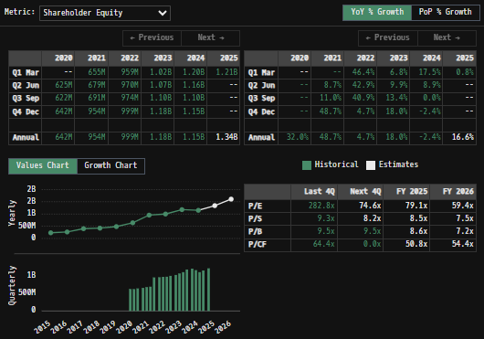
272.89 | 273.07 | 267.3666 | 267.97 | 301641 | Thu, 13 Feb 2025 00:00:00 GMT | 1.84% |  |  |  |  |  |  | Balance sheet scope
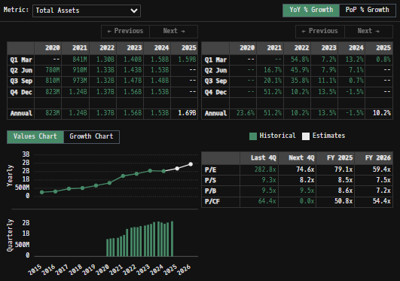
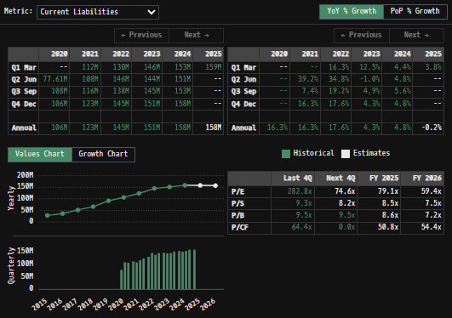
267.06 | 267.64 | 260.51 | 264 | 350865 | Wed, 12 Feb 2025 00:00:00 GMT | 1.16%
268.3 | 270.915 | 258.82 | 259.15 | 779003 | Tue, 11 Feb 2025 00:00:00 GMT | 3.53%
261.05 | 262.315 | 259.43 | 260.31 | 300754 | Mon, 10 Feb 2025 00:00:00 GMT | 0.28%
260.67 | 263.11 | 259.21 | 261.09 | 266249 | Fri, 07 Feb 2025 00:00:00 GMT | -0.16%
261.5 | 265.56 | 259.79 | 265.56 | 342922 | Thu, 06 Feb 2025 00:00:00 GMT | -1.53%
265.94 | 266.65 | 263.05 | 266.44 | 367115 | Wed, 05 Feb 2025 00:00:00 GMT | -0.19%
262.11 | 266.4899 | 259.58 | 264.65 | 886098 | Tue, 04 Feb 2025 00:00:00 GMT | -0.96%
265 | 267 | 263.16 | 264.9 | 536800 | Mon, 03 Feb 2025 00:00:00 GMT | 0.04%
266.97 | 271.531 | 266.62 | 270.07 | 490013 | Fri, 31 Jan 2025 00:00:00 GMT | -1.15%
269 | 272.5 | 267.28 | 270.21 | 259519 | Thu, 30 Jan 2025 00:00:00 GMT | -0.45%
269.73 | 271.57 | 266.37 | 271.57 | 371690 | Wed, 29 Jan 2025 00:00:00 GMT | -0.68%
270.82 | 275.18 | 269.51 | 273.1 | 317563 | Tue, 28 Jan 2025 00:00:00 GMT | -0.83%
272.73 | 275 | 270.545 | 274.04 | 258097 | Mon, 27 Jan 2025 00:00:00 GMT | -0.48%
274.06 | 275.49 | 271.0136 | 272.36 | 409593 | Fri, 24 Jan 2025 00:00:00 GMT | 0.62%
273.78 | 275.65 | 270.04 | 275.65 | 639072 | Thu, 23 Jan 2025 00:00:00 GMT | -0.68%
275.84 | 277.89 | 266.23 | 267.43 | 745591 | Wed, 22 Jan 2025 00:00:00 GMT | 3.14%
268.2 | 270.69 | 265.14 | 270 | 448904 | Tue, 21 Jan 2025 00:00:00 GMT | -0.67%
263.69 | 264.93 | 259.31 | 264.93 | 433780 | Fri, 17 Jan 2025 00:00:00 GMT | -0.47%
262.31 | 263.77 | 257.89 | 261.17 | 490394 | Thu, 16 Jan 2025 00:00:00 GMT | 0.44%
261.77 | 262.74 | 253.93 | 254.64 | 617648 | Wed, 15 Jan 2025 00:00:00 GMT | 2.80%
252.89 | 254 | 245.27 | 248.32 | 450393 | Tue, 14 Jan 2025 00:00:00 GMT | 1.84%
246.93 | 248.54 | 237.65 | 238.63 | 425411 | Mon, 13 Jan 2025 00:00:00 GMT | 3.48%
250.62 | 255.625 | 247.94 | 254.45 | 467204 | Fri, 10 Jan 2025 00:00:00 GMT | -1.51%
257.81 | 258.52 | 248.705 | 252.19 | 445238 | Wed, 08 Jan 2025 00:00:00 GMT | 2.23%
252.23 | 260.875 | 238 | 240.2 | 1052684 | Tue, 07 Jan 2025 00:00:00 GMT | 5.01%
237.28 | 252.9 | 222.59 | 243.35 | 1023630 | Mon, 06 Jan 2025 00:00:00 GMT | -2.49%
241.97 | 243.375 | 239.76 | 241.28 | 170597 | Fri, 03 Jan 2025 00:00:00 GMT | 0.29%
239.99 | 243.15 | 237.635 | 238.84 | 145808 | Thu, 02 Jan 2025 00:00:00 GMT | 0.48% |  |  |  |  |  |  | Zero debt leverage -- Double edged sword
237.48 | 241.89 | 236.62 | 241.04 | 189833 | Tue, 31 Dec 2024 00:00:00 GMT | -1.48% |  |  |  |  |  |  |  | No debt (equity holders are junior to no other stakeholder) = No interest expenses, no refinancing risk exposure (unlike many of The Company's larger competitors), and well positioned for future strategic moves (M&A, R&D expansion, share buybacks and other vehicles to increase shareholder returns)
238.18 | 240.51 | 234.55 | 238.35 | 196502 | Mon, 30 Dec 2024 00:00:00 GMT | -0.07% |  |  |  |  |  |  |  | Missed opportunity? to access credit markets and lock in low rate bond offerings (like so many of the big tech companies)…
239.85 | 241.89 | 236.93 | 238.47 | 294374 | Fri, 27 Dec 2024 00:00:00 GMT | 0.58% |  |  |  |  |  |  |  |  | Despite the company's more limited operating footprint at the time, debt markets presented an attractive opportunity for low-cost capital pre FED hike cycle beg. 2022.
240.54 | 241.92 | 238.54 | 238.79 | 180617 | Thu, 26 Dec 2024 00:00:00 GMT | 0.73% |  |  |  |  |  |  |  |  |  | With credit spreads between investment-grade corporate bonds at historically tight levels and interest rates near zero, The Company could have strategically leveraged favorable borrowing conditions to secure inexpensive funding.
240.36 | 241.82 | 239.59 | 241.82 | 88821 | Tue, 24 Dec 2024 00:00:00 GMT | -0.60% |  |  |  |  |  |  |  |  |  | MedTech as a sector is R&D intensive; financing capital through equity issuance may align better with long-term IP development timelines… The Company's managers did raise capital through equity issuance at the time, which corroborates this thesis
240.55 | 245.74 | 237.6801 | 243 | 213495 | Mon, 23 Dec 2024 00:00:00 GMT | -1.01% |  |  |  |  |  |  | Inventories currently represent 26% of Ttl. assets. This balance spooked me a bit with a knee-jerk concern, as I am not used to seeing firms with so much of their balance sheet tied up in assets…
242.54 | 245.89 | 241.235 | 242 | 948331 | Fri, 20 Dec 2024 00:00:00 GMT | 0.22% |  |  |  |  |  |  |  | Compare to competitors/other med-tech firms; I could just be used to other sector comps, which have much less inventory on hand … requires further research
243.52 | 245.56 | 235.7548 | 238.71 | 439284 | Thu, 19 Dec 2024 00:00:00 GMT | 2.01% |  |  |  |  |  |  |  |  | Inventory turnover, and inventory FMV adjustments will also be important figures to track. Management must be incredibly diligent with revenue/profit maximization models for their current product portfolio, and continue to develop a pipeline of new/innovative products
238.9 | 247.925 | 238.7 | 246.54 | 472034 | Wed, 18 Dec 2024 00:00:00 GMT | -3.10% |  |  |  |  |  |  |  |  | Commit to an inventory turnover model!!! Inventories are a large portion of the firms balance sheet and from my understanding have a costly and "limited" shelf life because they are medical products, require extra care ($) in storing the inventories on hand
247.55 | 251.28 | 244.64 | 250.08 | 336442 | Tue, 17 Dec 2024 00:00:00 GMT | -1.01% |  |  |  |  |  |  | Follow Up:
247.24 | 250.37 | 243.7354 | 245 | 324263 | Mon, 16 Dec 2024 00:00:00 GMT | 0.91% |  |  |  |  |  |  | MedTech firms across the sector have higher Inventory/Ttl. Asset ratios than consumer staple, and discretionary firms (which I am more accustomed to evaluating. MedTech firms often carry higher inventory levels due to:
245.55 | 251.74 | 244.37 | 251.59 | 240273 | Fri, 13 Dec 2024 00:00:00 GMT | -2.40% |  |  |  |  |  |  |  | (I) Regulatory buffers enforced by health agencies (FDA-mandated safety stock on critical parts)
252.26 | 254.575 | 243.36 | 251.08 | 409509 | Thu, 12 Dec 2024 00:00:00 GMT | 0.47% |  |  |  |  |  |  |  | (ii) General product complexity (similar to a manufacturing firm having higher proportions of PP&E due to heavy machinery demand)
253.66 | 259.27 | 247.555 | 250 | 679290 | Wed, 11 Dec 2024 00:00:00 GMT | 1.46% |  |  |  |  |  |  |  | (iii) Lengthy sales cycles with client base (hospital budgets with little slack)
242.27 | 245.3 | 240.47 | 244.29 | 239072 | Tue, 10 Dec 2024 00:00:00 GMT | -0.83% |  |  |  |  |  |  |  | (look into other reasons why this is a feature of the sector)
240.86 | 241.975 | 236.62 | 237.6 | 170697 | Mon, 09 Dec 2024 00:00:00 GMT | 1.37% |  |  |  |  |  |  | The Firm's quick ratio is >3x current liabilities, which alleviated some of my initial concerns. The quick ratio calculations confirm there are no near-term solvency concerns… Tracking potential inventory overhangs/changes in working capital will still be critical as the firm scales
237.23 | 245.3 | 236.605 | 244.97 | 203865 | Fri, 06 Dec 2024 00:00:00 GMT | -3.16% |  |  |  |  |  |  |  | Perishability of devices, and the sterile/expiry constraints is still a concern/figure to watch for
242.7 | 248.605 | 242.3 | 247.42 | 194691 | Thu, 05 Dec 2024 00:00:00 GMT | -1.91% |  |  |  |  |  |  |  | Obsolescence of old products as new products come to market, rendering older inventory "worthless" (e.g. Lightning 2.0 taking over 1.0; a competing firm releases an innovative offering in the same market, eroding economic profits)
249.08 | 250.63 | 244.1 | 244.88 | 233870 | Wed, 04 Dec 2024 00:00:00 GMT | 1.72% |  |  |  |  |  |  | The Firm turns inventory over ~once a year at current rates and balances
245.24 | 246.77 | 242.7 | 244.11 | 281939 | Tue, 03 Dec 2024 00:00:00 GMT | 0.46% |  |  |  |  |  |  |  | Compare The Company's days inventory outstanding (DIO) with competing firms. Look for outliers.
244.84 | 245.66 | 241.91 | 243.01 | 224078 | Mon, 02 Dec 2024 00:00:00 GMT | 0.75% |  |  |  |  |  |  | In general, The Companies balance sheet is pristine, but inventory turnover and product mix are critical swing factors which will be important to track periodically.
244.12 | 246.61 | 242.3 | 242.56 | 114677 | Fri, 29 Nov 2024 00:00:00 GMT | 0.64% |  |  |  |  |  |  |  | Modeling out inventory scenarios explicitly may reveal upside or uncover potentially hidden risks. Inventories are the line item to watch for on the balance sheet, and requires further analysis on my end.
244.15 | 250.81 | 240.3 | 249.86 | 271479 | Wed, 27 Nov 2024 00:00:00 GMT | -2.29% |  |  |  |  |  |  | Goodwill remains only 10-15% of the balance sheet
248.96 | 250.945 | 244.02 | 245.68 | 297557 | Tue, 26 Nov 2024 00:00:00 GMT | 1.34% |  |  |  |  |  |  |  | Not much M&A activity to gunk up that balance
244.68 | 249.86 | 243.875 | 247.29 | 422387 | Mon, 25 Nov 2024 00:00:00 GMT | -1.06% |  |  |  |  |  |  | Relatively esoteric balance sheet. It would be nice to have an inventory breakdown by product (is all the inventory low margin catheters, or a bunch of brand new Lightning systems sitting around?
244.84 | 245.21 | 237.92 | 240 | 251999 | Fri, 22 Nov 2024 00:00:00 GMT | 2.02%
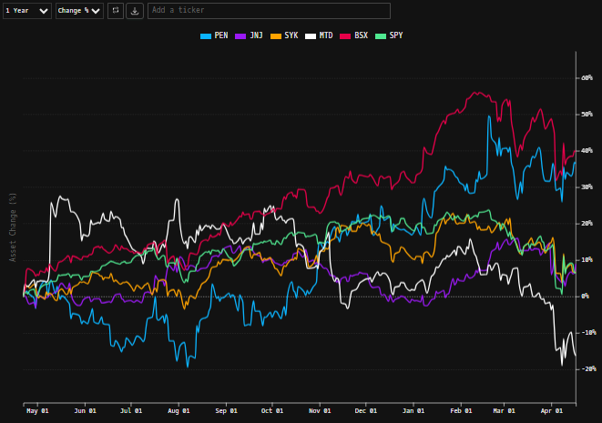
240.49 | 241 | 235.93 | 237.29 | 203330 | Thu, 21 Nov 2024 00:00:00 GMT | 1.35%
239.2 | 242.95 | 235.29 | 235.29 | 248896 | Wed, 20 Nov 2024 00:00:00 GMT | 1.66%
237.11 | 239.35 | 234.62 | 237.16 | 203426 | Tue, 19 Nov 2024 00:00:00 GMT | -0.02%
240.48 | 241.82 | 235.305 | 236.48 | 643266 | Mon, 18 Nov 2024 00:00:00 GMT | 1.69%
237.84 | 239.73 | 231.27 | 233.88 | 382919 | Fri, 15 Nov 2024 00:00:00 GMT | 1.69%
233.51 | 237.25 | 232.505 | 236 | 195676 | Thu, 14 Nov 2024 00:00:00 GMT | -1.06%
236.05 | 238.29 | 235.13 | 237.77 | 180913 | Wed, 13 Nov 2024 00:00:00 GMT | -0.72%
236.22 | 242.65 | 236.01 | 240.28 | 274564 | Tue, 12 Nov 2024 00:00:00 GMT | -1.69%
242.07 | 243.385 | 236.71 | 237.96 | 446469 | Mon, 11 Nov 2024 00:00:00 GMT | 1.73%
236.45 | 236.54 | 231.93 | 232.36 | 318792 | Fri, 08 Nov 2024 00:00:00 GMT | 1.76%
233.07 | 239.99 | 232.92 | 233.96 | 381267 | Thu, 07 Nov 2024 00:00:00 GMT | -0.38%
233.7 | 238.9 | 228.9 | 238.9 | 463471 | Wed, 06 Nov 2024 00:00:00 GMT | -2.18%
232.39 | 235.47 | 228.645 | 229.01 | 417594 | Tue, 05 Nov 2024 00:00:00 GMT | 1.48%
229.51 | 237.46 | 227.89 | 233.84 | 453739 | Mon, 04 Nov 2024 00:00:00 GMT | -1.85%
233.3 | 236.56 | 227.93 | 231.08 | 525994 | Fri, 01 Nov 2024 00:00:00 GMT | 0.96%
228.87 | 230.75 | 207.58 | 207.58 | 953178 | Thu, 31 Oct 2024 00:00:00 GMT | 10.26%
211.29 | 218.21 | 208.18 | 208.18 | 734000 | Wed, 30 Oct 2024 00:00:00 GMT | 1.49%
209.63 | 214.97 | 206.515 | 208.62 | 585440 | Tue, 29 Oct 2024 00:00:00 GMT | 0.48%
208.74 | 213.86 | 205.8 | 206.17 | 536897 | Mon, 28 Oct 2024 00:00:00 GMT | 1.25%
204.71 | 206.7237 | 203.72 | 206 | 244602 | Fri, 25 Oct 2024 00:00:00 GMT | -0.63%
206.55 | 208.22 | 204.89 | 204.89 | 330421 | Thu, 24 Oct 2024 00:00:00 GMT | 0.81%
203.71 | 205.36 | 199.01 | 205.36 | 249777 | Wed, 23 Oct 2024 00:00:00 GMT | -0.80%
205.62 | 206.81 | 202 | 205.85 | 228881 | Tue, 22 Oct 2024 00:00:00 GMT | -0.11%
206.68 | 209.91 | 201.96 | 208.35 | 225223 | Mon, 21 Oct 2024 00:00:00 GMT | -0.80%
208.65 | 209.695 | 203.84 | 204.29 | 221677 | Fri, 18 Oct 2024 00:00:00 GMT | 2.13%
202.26 | 206.28 | 198.68 | 205.43 | 280298 | Thu, 17 Oct 2024 00:00:00 GMT | -1.54%
205.43 | 209.41 | 203.795 | 204.96 | 272458 | Wed, 16 Oct 2024 00:00:00 GMT | 0.23%
206.62 | 212.48 | 204.87 | 211.39 | 361428 | Tue, 15 Oct 2024 00:00:00 GMT | -2.26%
211.36 | 217.44 | 204.77 | 205 | 586871 | Mon, 14 Oct 2024 00:00:00 GMT | 3.10%
203.19 | 203.86 | 193.495 | 193.7 | 387667 | Fri, 11 Oct 2024 00:00:00 GMT | 4.90%
192.58 | 197.22 | 192.54 | 197.22 | 295550 | Thu, 10 Oct 2024 00:00:00 GMT | -2.35%
197.55 | 197.82 | 193.66 | 194.75 | 272446 | Wed, 09 Oct 2024 00:00:00 GMT | 1.44%
194.81 | 196.41 | 190.51 | 191.96 | 273502 | Tue, 08 Oct 2024 00:00:00 GMT | 1.48%
190.81 | 194.64 | 190.08 | 194.64 | 244036 | Mon, 07 Oct 2024 00:00:00 GMT | -1.97%
194.73 | 198.89 | 192.26 | 197.59 | 243639 | Fri, 04 Oct 2024 00:00:00 GMT | -1.45%
194.99 | 197.09 | 189.94 | 192.18 | 304184 | Thu, 03 Oct 2024 00:00:00 GMT | 1.46% |  |  |  |  |  |  | Penumbra is uniquely positioned, and almost benefits from the currently proposed tariff regime when compared to competing firms/peers and their positioning (who have much greater sensitivities to shifts in trade policy and the global business environment)
193.02 | 194.01 | 187.84 | 190.83 | 248342 | Wed, 02 Oct 2024 00:00:00 GMT | 1.15% |  |  |  |  |  |  |  | Costa Rica remains unaffected by specially levied tariffs beyond the baseline 10% … it will be important to track the capital investment going into the Costa Rica site, and learn more about the proposed operations.
191.56 | 194.55 | 186.965 | 193.93 | 274310 | Tue, 01 Oct 2024 00:00:00 GMT | -1.22% |  |  |  |  |  |  |  | The Company will be able to meet all U.S. demand with domestic manufacturing, allowing for margins to remain relatively unaffected by current trade policy debacles…
194.31 | 194.44 | 191.12 | 191.12 | 296876 | Mon, 30 Sep 2024 00:00:00 GMT | 1.67% |  |  |  |  |  |  |  |  | Will be important to track retaliatory tariffs, although international markets have been a shrinking portion of revenues for The Company, and the Chinese business has already been heavily discounted by the market well before federal policy came into play
191.55 | 195.02 | 189.47 | 193.27 | 159095 | Fri, 27 Sep 2024 00:00:00 GMT | -0.89% |  |  |  |  |  |  |  |  |  | [Important] The Chinese business and revenues were entirely removed from FY'25 estimates
191.63 | 192.1 | 186.09 | 189.71 | 282054 | Thu, 26 Sep 2024 00:00:00 GMT | 1.01% |  |  |  |  |  |  | Seen below -- Penumbra's traded common stock has decisively outperformed the majority of it's competing peers (next up, look into BSX)
186.89 | 191.96 | 185.13 | 191.96 | 380320 | Wed, 25 Sep 2024 00:00:00 GMT | -2.64% |  |  |  |  |  |  |  | Med-Tech had been punished and left behind in the '24 bull market, as with most other healthcare operators… in the new risk off environment, analysts and the market are looking for safer cash flows… now to determine if these cash flows are overvalued…
191.4 | 195.95 | 191.35 | 195.86 | 332508 | Tue, 24 Sep 2024 00:00:00 GMT | -2.28% |  |  |  |  |  |  | The coming years mark an inflection point for The Company, as revenue growth normalizes and EPS/FCF growth is projected to accelerate at an unprecedented rate. The company is entering a maturity stage where:
194.9 | 198.9575 | 194.655 | 196.09 | 276361 | Mon, 23 Sep 2024 00:00:00 GMT | -0.61% |  |  |  |  |  |  |  | Margins projected to rapidly expand in the coming years, driving earnings and FCF growth
195 | 200.775 | 194.725 | 200.22 | 835823 | Fri, 20 Sep 2024 00:00:00 GMT | -2.61% |  |  |  |  |  |  |  | Revenues/revenue growth remain strong, but the bigger opportunity going forward lies in capital deployment as cash really starts to roll in -- whether through M&A, R&D into new markets, or cash return programs for shareholders through buybacks or dividends(creating a designated share repurchase program beyond the occasional lump sum allocation as seen in Aug '24 with the strategic ASR)
200.82 | 203.28 | 198.0956 | 201 | 370035 | Thu, 19 Sep 2024 00:00:00 GMT | -0.09% |  |  |  |  |  |  | Non-cash expenses (D&A) have been balancing out with PP&E spend in recent quarters, which could suggest a stabilization in the firms capital investment intensity
195.58 | 199.66 | 188.75 | 189.71 | 464298 | Wed, 18 Sep 2024 00:00:00 GMT | 3.09% |  |  |  |  |  |  |  | Going forward, it will be important to consider and distinguish between growth CapEx (e.g. expansion into the Costa Rica facility) and maintenance CapEx will be critical for estimating the firm's true FCF generation capabilities
187.06 | 192.92 | 185.07 | 188.18 | 406336 | Tue, 17 Sep 2024 00:00:00 GMT | -0.60% |  |  |  |  |  |  |  | A DCF model's accuracy hinges on deriving an NPV from projected cash flows... not GAAP compliant net income, which includes non-cash expenses (D&A) and does not consider CapEx demand nor changes in working capital (large cash account outflows)
187.65 | 191.29 | 184.8 | 187.29 | 497037 | Mon, 16 Sep 2024 00:00:00 GMT | 0.19% |  |  |  |  |  |  |  |  | Currently, the model provides a rough estimate into the equities value, as long-term net incomes and FCF figures tend to converge (as cash flows mature and reinvestment beyond maintenance is not required, resulting in CapEx = D&A) but a DCF from cash flows would still be optimal
186.94 | 200.01 | 186.78 | 199.31 | 601133 | Fri, 13 Sep 2024 00:00:00 GMT | -6.21% |  |  |  |  |  |  |  |  | Additionally, while my current DCF model delivered a FMV in line with currently traded prices, I believe that Penumbra's intellectual property + potential for future innovations may not be fully captured/reflected in medium term. I would attribute an additional premium for its long-term productivity edge (seen in the higher terminal rate figure).
200.01 | 203.63 | 198.06 | 202.03 | 257034 | Thu, 12 Sep 2024 00:00:00 GMT | -1.00%
202.31 | 205.23 | 198.87 | 201.88 | 393491 | Wed, 11 Sep 2024 00:00:00 GMT | 0.21%
204.12 | 207.81 | 194.78 | 194.78 | 445925 | Tue, 10 Sep 2024 00:00:00 GMT | 4.80%
195.08 | 204.8 | 194.86 | 203.98 | 550892 | Mon, 09 Sep 2024 00:00:00 GMT | -4.36%
203.73 | 205.9959 | 199.93 | 204.46 | 539207 | Fri, 06 Sep 2024 00:00:00 GMT | -0.36%
204.04 | 205.51 | 199.99 | 202.39 | 306028 | Thu, 05 Sep 2024 00:00:00 GMT | 0.82%
202.55 | 209.68 | 202.17 | 204.11 | 340274 | Wed, 04 Sep 2024 00:00:00 GMT | -0.76%
204.97 | 209.245 | 203.01 | 203.01 | 358909 | Tue, 03 Sep 2024 00:00:00 GMT | 0.97%
202.32 | 203.835 | 199.86 | 202.35 | 267470 | Fri, 30 Aug 2024 00:00:00 GMT | -0.01%
202.4 | 204.93 | 201.4 | 202.24 | 286392 | Thu, 29 Aug 2024 00:00:00 GMT | 0.08%
200.46 | 204.35 | 197.98 | 203.36 | 323259 | Wed, 28 Aug 2024 00:00:00 GMT | -1.43%
203.16 | 203.99 | 199.395 | 200.53 | 334792 | Tue, 27 Aug 2024 00:00:00 GMT | 1.31%
202.07 | 210.015 | 201.98 | 209.54 | 420489 | Mon, 26 Aug 2024 00:00:00 GMT | -3.56%
210.12 | 211.185 | 198.66 | 199.24 | 983455 | Fri, 23 Aug 2024 00:00:00 GMT | 5.46%
197.57 | 200.16 | 195.03 | 196 | 382720 | Thu, 22 Aug 2024 00:00:00 GMT | 0.80%
195.21 | 195.945 | 191.52 | 193.19 | 331885 | Wed, 21 Aug 2024 00:00:00 GMT | 1.05%
192.07 | 192.77 | 187.99 | 190.67 | 550211 | Tue, 20 Aug 2024 00:00:00 GMT | 0.73%
191.45 | 194.44 | 188.62 | 190.23 | 419716 | Mon, 19 Aug 2024 00:00:00 GMT | 0.64%
190.51 | 191.16 | 186.68 | 188.88 | 320096 | Fri, 16 Aug 2024 00:00:00 GMT | 0.86%
189.26 | 192.05 | 184.19 | 184.29 | 520750 | Thu, 15 Aug 2024 00:00:00 GMT | 2.70%
183.1 | 187.845 | 181.13 | 186.75 | 545044 | Wed, 14 Aug 2024 00:00:00 GMT | -1.95%
186.94 | 194.51 | 174.23 | 177.29 | 1046475 | Tue, 13 Aug 2024 00:00:00 GMT | 5.44%
168.79 | 172.42 | 168.3 | 169.45 | 383916 | Mon, 12 Aug 2024 00:00:00 GMT | -0.39%
170.03 | 171.27 | 166.64 | 170.11 | 294006 | Fri, 09 Aug 2024 00:00:00 GMT | -0.05%
169.38 | 170.13 | 164.42 | 164.42 | 349259 | Thu, 08 Aug 2024 00:00:00 GMT | 3.02%
163.64 | 172.16 | 163.63 | 171.57 | 451656 | Wed, 07 Aug 2024 00:00:00 GMT | -4.62%
171.44 | 177.9932 | 171.41 | 177.46 | 551861 | Tue, 06 Aug 2024 00:00:00 GMT | -3.39%
177.56 | 181.44 | 169.84 | 170.63 | 617380 | Mon, 05 Aug 2024 00:00:00 GMT | 4.06%
175.51 | 180.5 | 167.76 | 169.91 | 850453 | Fri, 02 Aug 2024 00:00:00 GMT | 3.30%
171.25 | 172.85 | 160.18 | 168.73 | 726531 | Thu, 01 Aug 2024 00:00:00 GMT | 1.49%
167.09 | 176.745 | 148 | 151.98 | 2326977 | Wed, 31 Jul 2024 00:00:00 GMT | 9.94%
173.09 | 180.8 | 171.66 | 178.52 | 921460 | Tue, 30 Jul 2024 00:00:00 GMT | -3.04%
178.38 | 181.75 | 174.05 | 180.94 | 673391 | Mon, 29 Jul 2024 00:00:00 GMT | -1.41%
178.43 | 191.525 | 176.66 | 190.16 | 552683 | Fri, 26 Jul 2024 00:00:00 GMT | -6.17%
190.1 | 196.16 | 189.98 | 191.49 | 409808 | Thu, 25 Jul 2024 00:00:00 GMT | -0.73%
193.22 | 194.3 | 187.66 | 187.66 | 344929 | Wed, 24 Jul 2024 00:00:00 GMT | 2.96%
188.3 | 192.2 | 188.24 | 192.2 | 383099 | Tue, 23 Jul 2024 00:00:00 GMT | -2.03%
192.25 | 192.48 | 184.95 | 190.95 | 207586 | Mon, 22 Jul 2024 00:00:00 GMT | 0.68%
189.87 | 192.13 | 187.285 | 192.13 | 182531 | Fri, 19 Jul 2024 00:00:00 GMT | -1.18%
190.81 | 204.29 | 188.65 | 202.34 | 382245 | Thu, 18 Jul 2024 00:00:00 GMT | -5.70%
203.22 | 207.25 | 193.3 | 194.73 | 672376 | Wed, 17 Jul 2024 00:00:00 GMT | 4.36%
196.75 | 198.37 | 190.88 | 191.6 | 455098 | Tue, 16 Jul 2024 00:00:00 GMT | 2.69%
191.68 | 193.58 | 188.3525 | 190.83 | 449346 | Mon, 15 Jul 2024 00:00:00 GMT | 0.45%
190.83 | 194.58 | 187.44 | 187.44 | 389981 | Fri, 12 Jul 2024 00:00:00 GMT | 1.81%
186.29 | 186.68 | 179.75 | 181.02 | 341402 | Thu, 11 Jul 2024 00:00:00 GMT | 2.91%
179.46 | 179.69 | 177.27 | 178.83 | 315721 | Wed, 10 Jul 2024 00:00:00 GMT | 0.35%
177.99 | 180.075 | 174.5 | 179.37 | 276994 | Tue, 09 Jul 2024 00:00:00 GMT | -0.77%
179.27 | 183.32 | 179.19 | 181.14 | 323643 | Mon, 08 Jul 2024 00:00:00 GMT | -1.03%
181.09 | 181.31 | 176.79 | 178.19 | 183884 | Fri, 05 Jul 2024 00:00:00 GMT | 1.63%
177.42 | 178.21 | 175.1 | 176.32 | 130530 | Wed, 03 Jul 2024 00:00:00 GMT | 0.62%
175.99 | 179.51 | 174.5 | 177.97 | 185703 | Tue, 02 Jul 2024 00:00:00 GMT | -1.11%
177.09 | 181.25 | 174.69 | 179.99 | 349594 | Mon, 01 Jul 2024 00:00:00 GMT | -1.61%
179.97 | 181.2899 | 173.815 | 176.16 | 750545 | Fri, 28 Jun 2024 00:00:00 GMT | 2.16%
174.9 | 175.08 | 171.77 | 174.25 | 339167 | Thu, 27 Jun 2024 00:00:00 GMT | 0.37%
174.82 | 175.25 | 171.11 | 171.77 | 194761 | Wed, 26 Jun 2024 00:00:00 GMT | 1.78%
172.27 | 175.555 | 172.15 | 174.62 | 320248 | Tue, 25 Jun 2024 00:00:00 GMT | -1.35%
174.4 | 178.68 | 174.04 | 178 | 358709 | Mon, 24 Jun 2024 00:00:00 GMT | -2.02%
178.56 | 180.48 | 175.96 | 176.75 | 516399 | Fri, 21 Jun 2024 00:00:00 GMT | 1.02%
175.45 | 176.67 | 170.59 | 176.02 | 561509 | Thu, 20 Jun 2024 00:00:00 GMT | -0.32%
176.03 | 186.74 | 175.03 | 185.93 | 469421 | Tue, 18 Jun 2024 00:00:00 GMT | -5.32%
187.32 | 187.96 | 182.67 | 184.72 | 265474 | Mon, 17 Jun 2024 00:00:00 GMT | 1.41%
187.78 | 188.47 | 185.095 | 187.47 | 203456 | Fri, 14 Jun 2024 00:00:00 GMT | 0.17%
188 | 192.025 | 186.61 | 191.39 | 268585 | Thu, 13 Jun 2024 00:00:00 GMT | -1.77%
191.77 | 198.48 | 189.15 | 193.54 | 367221 | Wed, 12 Jun 2024 00:00:00 GMT | -0.91%
189.94 | 191.05 | 185.02 | 187.72 | 295989 | Tue, 11 Jun 2024 00:00:00 GMT | 1.18%
188.06 | 192.315 | 184.1 | 187.33 | 515041 | Mon, 10 Jun 2024 00:00:00 GMT | 0.39%
188.95 | 194.97 | 187.06 | 194.97 | 584448 | Fri, 07 Jun 2024 00:00:00 GMT | -3.09%
196.41 | 198.61 | 191.59 | 192.47 | 547231 | Thu, 06 Jun 2024 00:00:00 GMT | 2.05%
193.29 | 195.3962 | 191.46 | 191.46 | 279781 | Wed, 05 Jun 2024 00:00:00 GMT | 0.96%
190.86 | 193.38 | 188 | 188 | 305841 | Tue, 04 Jun 2024 00:00:00 GMT | 1.52%
188.04 | 192.47 | 186.83 | 190.38 | 285215 | Mon, 03 Jun 2024 00:00:00 GMT | -1.23%
189.47 | 191.17 | 187 | 188.55 | 435845 | Fri, 31 May 2024 00:00:00 GMT | 0.49%
188.01 | 192.07 | 185.12 | 190.18 | 512191 | Thu, 30 May 2024 00:00:00 GMT | -1.14%
191.34 | 193.18 | 189.525 | 190.51 | 211101 | Wed, 29 May 2024 00:00:00 GMT | 0.44%
192.81 | 194.12 | 191.155 | 193.65 | 230879 | Tue, 28 May 2024 00:00:00 GMT | -0.43%
193.66 | 196.25 | 190.96 | 190.96 | 193348 | Fri, 24 May 2024 00:00:00 GMT | 1.41%
190.69 | 199.6869 | 190.58 | 198.5 | 247586 | Thu, 23 May 2024 00:00:00 GMT | -3.93%
198.97 | 201.37 | 198.82 | 199.97 | 170699 | Wed, 22 May 2024 00:00:00 GMT | -0.50%
200.23 | 201.15 | 198.47 | 200.68 | 166696 | Tue, 21 May 2024 00:00:00 GMT | -0.22%
201.44 | 204.12 | 199.6 | 203.54 | 166823 | Mon, 20 May 2024 00:00:00 GMT | -1.03%
203.53 | 204.09 | 200.69 | 201.5 | 220680 | Fri, 17 May 2024 00:00:00 GMT | 1.01%
201.53 | 204.81 | 200.96 | 204.4 | 273269 | Thu, 16 May 2024 00:00:00 GMT | -1.40%
204.7 | 211.07 | 203.95 | 211.07 | 295161 | Wed, 15 May 2024 00:00:00 GMT | -3.02%
208.73 | 211.85 | 206.2012 | 206.28 | 188996 | Tue, 14 May 2024 00:00:00 GMT | 1.19%
204.77 | 214.97 | 204.365 | 213.1 | 218417 | Mon, 13 May 2024 00:00:00 GMT | -3.91%
212.28 | 213.035 | 206.57 | 209.83 | 335546 | Fri, 10 May 2024 00:00:00 GMT | 1.17%
209.4 | 210.77 | 202.76 | 204.02 | 380712 | Thu, 09 May 2024 00:00:00 GMT | 2.64%
203.09 | 220.4075 | 199.54 | 205.91 | 918833 | Wed, 08 May 2024 00:00:00 GMT | -1.37%
210 | 214.94 | 209.4852 | 212.89 | 565627 | Tue, 07 May 2024 00:00:00 GMT | -1.36%
211.62 | 211.92 | 208.27 | 209.79 | 327016 | Mon, 06 May 2024 00:00:00 GMT | 0.87%
208.55 | 209.67 | 206.58 | 208.81 | 311088 | Fri, 03 May 2024 00:00:00 GMT | -0.12%
206.06 | 208.14 | 202.81 | 207.08 | 368376 | Thu, 02 May 2024 00:00:00 GMT | -0.49%
205.29 | 208.7799 | 196.48 | 196.69 | 544684 | Wed, 01 May 2024 00:00:00 GMT | 4.37%
196.47 | 203.2604 | 196.23 | 201.11 | 302761 | Tue, 30 Apr 2024 00:00:00 GMT | -2.31%
202.04 | 207.6685 | 199.32 | 205.83 | 361558 | Mon, 29 Apr 2024 00:00:00 GMT | -1.84%
204.41 | 207.17 | 203.1 | 206.4 | 290642 | Fri, 26 Apr 2024 00:00:00 GMT | -0.96%
205.5 | 206.66 | 201.01 | 204.22 | 261670 | Thu, 25 Apr 2024 00:00:00 GMT | 0.63%
206.15 | 209.005 | 204.12 | 207.31 | 336365 | Wed, 24 Apr 2024 00:00:00 GMT | -0.56%
205.7 | 207.21 | 203.095 | 203.9 | 391951 | Tue, 23 Apr 2024 00:00:00 GMT | 0.88%
203 | 206.36 | 200.8 | 204.04 | 348377 | Mon, 22 Apr 2024 00:00:00 GMT | -0.51%
202.72 | 204.1099 | 199.38 | 202.7 | 338662 | Fri, 19 Apr 2024 00:00:00 GMT | 0.01%
201.84 | 208.595 | 200.96 | 208.15 | 330454 | Thu, 18 Apr 2024 00:00:00 GMT | -3.03%
208.68 | 211.4 | 208.4 | 209.48 | 346505 | Wed, 17 Apr 2024 00:00:00 GMT | -0.38%
210.05 | 212.77 | 207.04 | 209.29 | 232495 | Tue, 16 Apr 2024 00:00:00 GMT | 0.36%
210.19 | 221.13 | 210.16 | 219.24 | 208831 | Mon, 15 Apr 2024 00:00:00 GMT | -4.13%
217.45 | 222.305 | 216.78 | 220.09 | 171287 | Fri, 12 Apr 2024 00:00:00 GMT | -1.20%
222.46 | 224.3 | 219.265 | 223.55 | 206905 | Thu, 11 Apr 2024 00:00:00 GMT | -0.49%
221.1 | 221.85 | 216.34 | 218.91 | 192515 | Wed, 10 Apr 2024 00:00:00 GMT | 1.00%
222.91 | 223.8 | 220.58 | 221.99 | 234655 | Tue, 09 Apr 2024 00:00:00 GMT | 0.41%
220.07 | 224 | 217.6 | 223.66 | 303372 | Mon, 08 Apr 2024 00:00:00 GMT | -1.61%
223.95 | 226.27 | 214.84 | 216.27 | 489384 | Fri, 05 Apr 2024 00:00:00 GMT | 3.55%
215.46 | 218.6 | 214.72 | 216.04 | 333139 | Thu, 04 Apr 2024 00:00:00 GMT | -0.27%
215 | 215.34 | 209.45 | 209.83 | 279310 | Wed, 03 Apr 2024 00:00:00 GMT | 2.46%
211.5 | 215.26 | 209.99 | 214.99 | 296945 | Tue, 02 Apr 2024 00:00:00 GMT | -1.62%
217.39 | 224.195 | 215.335 | 223.18 | 305822 | Mon, 01 Apr 2024 00:00:00 GMT | -2.59%

