Notes | Quant Analysis
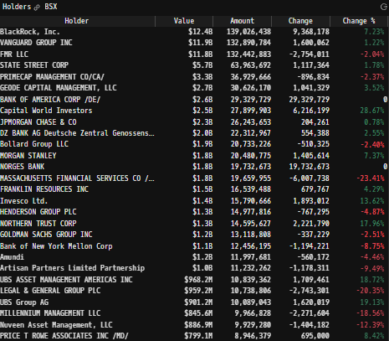
 |  |  |  |  |  |  |  |  |  |  |  | 0
Top Institutional Holders: |  |  |  |  |  |  |  |  | Dizzying Amount of M&A
 |  |  |  |  |  |  |  |  |  | Will be important to follow up on the durability of organic revenue/earnings, Intelligent M&A is well rewarded by the market in the long run
 |  |  |  |  |  |  |  |  |  | Follow up on management scope
 |  |  |  |  |  |  |  |  |  | In the future, it's going to be necessary to build out a full cash flow statement. M&A activity demands tracking investing/financing figures just as closesly as standard operating figures

 |  |  |  |  |  |  |  |  |  | [Build M&A scope]

 |  |  |  |  |  |  |  |  | Strong Ttl revenue growth, especially in recent years
 |  |  |  |  |  |  |  |  |  | Look for management comments/reportings on organic vs inorganic sales
 |  |  |  |  |  |  |  |  |  | Cardiovacular is the larger business, and it is growing at a faster rate
 |  |  |  |  |  |  |  |  |  |  | Look into Cardiovascular vs MedSurg; see if there are any reported figures on profitability comps between segments
 |  |  |  |  |  |  |  |  |  | Research BSX market share in each of their business segements
 |  |  |  |  |  |  |  |  |  |  | Build list of competitors to model
 |  |  |  |  |  |  |  |  |  | Boston Scientific generates a significant portion of it's revenues (~36%) from international clients… listen into earnings call for management comments on tariff affects + potential changes to FY rev/earnings guidance

 |  |  |  |  |  |  |  |  | Revenue Estimates:
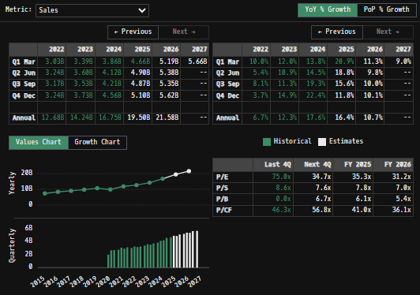

Revenue Breakdown by Segment
(BSX) Revenue by Segment (in $ millions)
 | Endoscopy | Urology | Neuromodulation | Interventional Cardiology | Watchman | Cardiac Rhythm | Electrophysiology | Peripheral Interventions
Q1 2020 | 442 | 332 | 191 | 633 | 41 | 437 | 74 | 393
 | 348 | 228 | 122 | 495 | 68 | 351 | 51 | 340
 | 475 | 350 | 216 | 586 | 74 | 465 | 76 | 417
 | 515 | 376 | 232 | 585 | 36 | 451 | 86 | 427
Q1 2021 | 499 | 361 | 198 | 526 | 170 | 469 | 83 | 433
 | 551 | 397 | 247 | 574 | 216 | 524 | 95 | 473
 | 533 | 384 | 221 | 534 | 210 | 512 | 86 | 452
 | 558 | 441 | 243 | 575 | 233 | 514 | 101 | 462
Q1 2022 | 532 | 413 | 209 | 544 | 226 | 519 | 118 | 465
 | 561 | 450 | 238 | 574 | 250 | 541 | 152 | 478
 | 559 | 433 | 221 | 549 | 262 | 519 | 148 | 479
 | 569 | 477 | 249 | 561 | 281 | 521 | 167 | 477
Q1 2023 | 577 | 469 | 234 | 591 | 291 | 548 | 177 | 502
 | 630 | 485 | 244 | 629 | 317 | 566 | 193 | 535
 | 629 | 483 | 229 | 583 | 323 | 552 | 190 | 538
 | 646 | 527 | 269 | 614 | 343 | 552 | 240 | 534
Q1 2024 | 642 | 513 | 256 | 652 | 344 | 575 | 300 | 575
 | 675 | 525 | 282 | 665 | 379 | 576 | 428 | 590
 | 678 | 532 | 268 | 661 | 380 | 561 | 527 | 602
 | 692 | 630 | 300 | 667 | 413 | 567 | 649 | 643
Q1 2025 | 673 | 633 | 271 | 697 | 425 | 578 | 730 | 657

Total Revenues, Net Income, FCF
(BSX) Quarterly Ttl Revenues, Net Income, Free Cash Flows (in $ millions)
 | Income | FCF | Revenues
Q1 2020 | 11 | -174 | 2543
Q2 2020 | -152 | 202 | 2003
Q3 2020 | -169 | 596 | 2659
Q4 2020 | 196 | 520 | 2708
Q1 2021 | 327 | 213 | 2752
Q2 2021 | 172 | 540 | 3077
Q3 2021 | 405 | 361 | 2932
Q4 2021 | 80 | 216 | 3127
Q1 2022 | 97 | 82 | 3026
Q2 2022 | 246 | -50 | 3244
Q3 2022 | 174 | 321 | 3170
Q4 2022 | 124 | 597 | 3242
Q1 2023 | 300 | 82 | 3389
Q2 2023 | 261 | 515 | 3599
Q3 2023 | 504 | 509 | 3527
Q4 2023 | 504 | 690 | 3725
Q1 2024 | 495 | -14 | 3857
Q2 2024 | 324 | 658 | 4120
Q3 2024 | 468 | 823 | 4209
Q4 2024 | 565 | 1181 | 4561
Q1 2025 | 674 | 354 | 4663

 |  |  |  |  |  |  |  |  | Net Income - EPS Scope
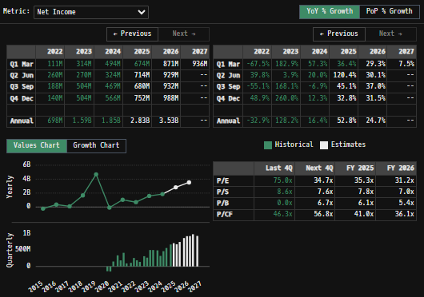
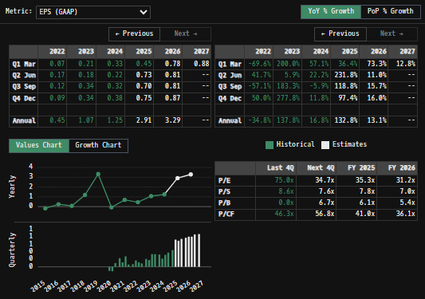

BSX Historical Return Histogram (4/30/25)
(BSX) Historical Return Histogram + Normal Distribution Overlay

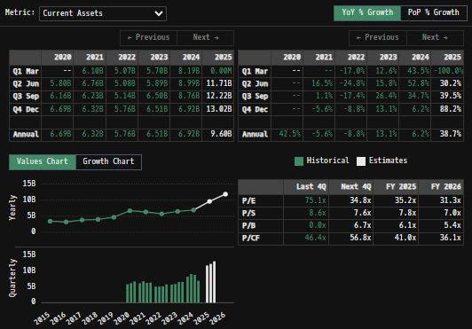
 |  |  |  |  |  |  |  |  | Balance Sheet Overview
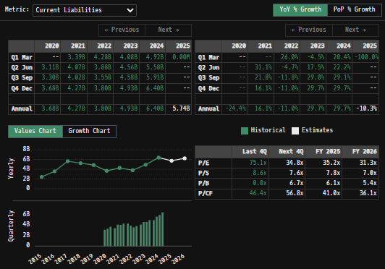
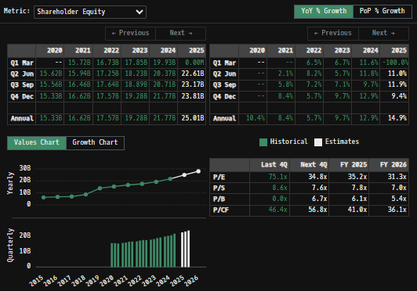

 |  | Min | -7.14% | The return distribution does fit a Gaussian distribution curve, but the curve is quite wide from return variability (high SD in daily avg returns), which reduces confidence in any statistical inferences made
 |  | Max | 7.35% | There is slight implied upside to mean 1-day returns
 |  | Mean μ | 0.02%
 |  | Median | 0.05%
 |  | SD σ | 1.38%
 |  | 3σ 1-Day Δ: ± | 4.15% |  | <- Sharpe Ratio (Risk Adjusted Return)
 |  | β (1-year avg.) | 0.73 |  | <- Sortino Ratio (Downside Risk Adjusted Return)

 | n = | 1,994
 | Histogram Data |  |  | Distribution Overlay |  |  | SD Lines
 | Bin | Frequency |  | (X) 1-Day Δ | (Y) Pop. Density |  | X | Y
 | -5.00% | 1 |  | -0.051 | 0.030667878832 | Mean | 0.02% | 0
 | -4.90% | 2 |  | -0.05 | 0.03997434185 |  | 0.02% | 35
 | -4.80% | 2 |  | -0.049 | 0.051833095618 | -3σ | -4.13% | 0
 | -4.70% | 0 |  | -0.048 | 0.066859205744 |  | -4.13% | 5
 | -4.60% | 1 |  | -0.047 | 0.085791353704 | -2σ | -2.75% | 0
 | -4.50% | 1 |  | -0.046 | 0.10951007328 |  | -2.75% | 10
 | -4.40% | 1 |  | -0.045 | 0.13905700133 | -1σ | -1.37% | 0
 | -4.30% | 0 |  | -0.044 | 0.17565474726 |  | -1.37% | 25
 | -4.20% | 0 |  | -0.043 | 0.22072684956 | 1σ | 1.40% | 0
 | -4.10% | 1 |  | -0.042 | 0.2759171396 |  | 1.40% | 25
 | -4.00% | 6 |  | -0.041 | 0.34310767659 | 2σ | 2.78% | 0
 | -3.90% | 2 |  | -0.04 | 0.42443425962 |  | 2.78% | 10
 | -3.80% | 2 |  | -0.039 | 0.52229837034 | 3σ | 4.16% | 0
 | -3.70% | 3 |  | -0.038 | 0.63937426344 |  | 4.16% | 5
 | -3.60% | 3 |  | -0.037 | 0.77860981154
 | -3.50% | 2 |  | -0.036 | 0.94321963929
 | -3.40% | 0 |  | -0.035 | 1.1366690607
 | -3.30% | 2 |  | -0.034 | 1.3626473768
 | -3.20% | 2 |  | -0.033 | 1.6250292083
 | -3.10% | 2 |  | -0.032 | 1.927822744
 | -3.00% | 6 |  | -0.031 | 2.2751040803
 | -2.90% | 5 |  | -0.03 | 2.6709372215
 | -2.80% | 5 |  | -0.029 | 3.1192797998
 | -2.70% | 5 |  | -0.028 | 3.6238751472
 | -2.60% | 7 |  | -0.027 | 4.1881320058
 | -2.50% | 7 |  | -0.026 | 4.8149938674
 | -2.40% | 6 |  | -0.025 | 5.506800666
 | -2.30% | 8 |  | -0.024 | 6.265146282
 | -2.20% | 6 |  | -0.023 | 7.0907360022
 | -2.10% | 10 |  | -0.022 | 7.9832486898
 | -2.00% | 10 |  | -0.021 | 8.9412089024
 | -1.90% | 18 |  | -0.02 | 9.9618745121
 | -1.80% | 12 |  | -0.019 | 11.041145497
 | -1.70% | 11 |  | -0.018 | 12.173499452
 | -1.60% | 23 |  | -0.017 | 13.351958984
 | -1.50% | 20 |  | -0.016 | 14.568095505
 | -1.40% | 29 |  | -0.015 | 15.812073036
 | -1.30% | 18 |  | -0.014 | 17.072734429
 | -1.20% | 30 |  | -0.013 | 18.33773107
 | -1.10% | 44 |  | -0.012 | 19.593695533
 | -1.00% | 37 |  | -0.011 | 20.826455012
 | -0.90% | 41 |  | -0.01 | 22.021281633
 | -0.80% | 54 |  | -0.009 | 23.163174089
 | -0.70% | 55 |  | -0.008 | 24.237163507
 | -0.60% | 62 |  | -0.007 | 25.228635111
 | -0.50% | 53 |  | -0.006 | 26.123656204
 | -0.40% | 59 |  | -0.005 | 26.909300296
 | -0.30% | 70 |  | -0.004 | 27.573956886
 | -0.20% | 69 |  | -0.003 | 28.107616574
 | -0.10% | 72 |  | -0.002 | 28.502121708
 | 0.00% | 83 |  | -0.001 | 28.751373823
 | 0.10% | 62 |  | 2.7755575616E-17 | 28.851490475
 | 0.20% | 80 |  | 0.001 | 28.800905865
 | 0.30% | 73 |  | 0.002 | 28.600411577
 | 0.40% | 63 |  | 0.003 | 28.253135971
 | 0.50% | 83 |  | 0.004 | 27.764462967
 | 0.60% | 70 |  | 0.005 | 27.14189318
 | 0.70% | 76 |  | 0.006 | 26.394852397
 | 0.80% | 59 |  | 0.007 | 25.534454238
 | 0.90% | 46 |  | 0.008 | 24.573225351
 | 1.00% | 43 |  | 0.009 | 23.524802623
 | 1.10% | 42 |  | 0.01 | 22.403612616
 | 1.20% | 53 |  | 0.011 | 21.224543702
 | 1.30% | 28 |  | 0.012 | 20.002621236
 | 1.40% | 26 |  | 0.013 | 18.752695502
 | 1.50% | 28 |  | 0.014 | 17.489151249
 | 1.60% | 17 |  | 0.015 | 16.225646381
 | 1.70% | 21 |  | 0.016 | 14.974885879
 | 1.80% | 20 |  | 0.017 | 13.748435399
 | 1.90% | 15 |  | 0.018 | 12.556577304
 | 2.00% | 12 |  | 0.019 | 11.408210169
 | 2.10% | 11 |  | 0.02 | 10.310791232
 | 2.20% | 15 |  | 0.021 | 9.2703197721
 | 2.30% | 11 |  | 0.022 | 8.2913582027
 | 2.40% | 6 |  | 0.023 | 7.377086608
 | 2.50% | 10 |  | 0.024 | 6.5293857609
 | 2.60% | 7 |  | 0.025 | 5.7489431605
 | 2.70% | 2 |  | 0.026 | 5.0353764361
 | 2.80% | 3 |  | 0.027 | 4.3873685018
 | 2.90% | 8 |  | 0.028 | 3.8028090971
 | 3.00% | 1 |  | 0.029 | 3.2789377874
 | 3.10% | 2 |  | 0.03 | 2.8124840658
 | 3.20% | 3 |  | 0.031 | 2.3998008672
 | 3.30% | 2 |  | 0.032 | 2.0369885256
 | 3.40% | 6 |  | 0.033 | 1.7200069458
 | 3.50% | 3 |  | 0.034 | 1.4447744744
 | 3.60% | 5 |  | 0.035 | 1.2072526322
 | 3.70% | 4 |  | 0.036 | 1.0035164666
 | 3.80% | 1 |  | 0.037 | 0.82981080745
 | 3.90% | 1 |  | 0.038 | 0.68259312807
 | 4.00% | 1 |  | 0.039 | 0.55856404701
 | 4.10% | 3 |  | 0.04 | 0.45468673661
 | 4.20% | 1 |  | 0.041 | 0.36819665184
 | 4.30% | 0 |  | 0.042 | 0.29660305878
 | 4.40% | 0 |  | 0.043 | 0.23768384114
 | 4.50% | 3 |  | 0.044 | 0.18947500649
 | 4.60% | 0 |  | 0.045 | 0.15025621522
 | 4.70% | 0 |  | 0.046 | 0.1185335254
 | 4.80% | 0 |  | 0.047 | 0.093020399143
 | 4.90% | 0 |  | 0.048 | 0.072617858512
 | 5.00% | 0 |  | 0.049 | 0.056394521706
 | More | 8 |  | 0.05 | 0.043567098665
...

