Notes | Quant Analysis
 |  |  |  |  |  |  |  |  |  |  |  |  |  |  |  |  |  |  | 0
 |  |  |  |  |  |  | Google Employee Snapshot (Q4'24) |  |  |  |  |  |  |  |  |  |  | General Notes/Observations (Updated Q1'25)
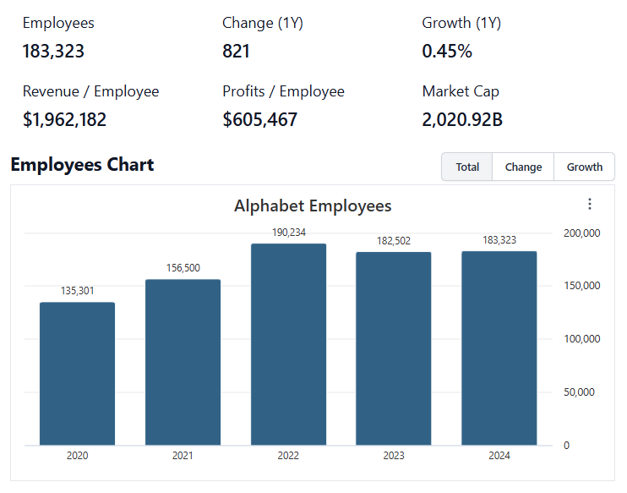

 |  |  |  |  |  |  | Institutional Ownership Snapshot (4/14/2025)
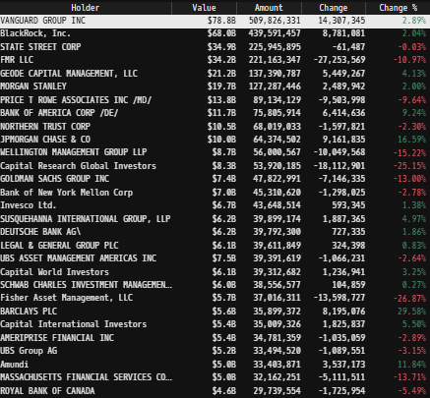
 |  |  |  |  |  |  |  |  |  |  |  |  |  |  |  |  |  | Financial Stmts. Notes/Observations (Updated Q1'25)
 |  |  |  |  |  |  |  |  |  |  |  |  |  |  |  |  |  | Revenues:
 |  |  |  |  |  |  |  |  |  |  |  |  |  |  |  |  |  | [Godel Snapshot of projected sales]

 |  |  |  |  |  |  | [Company] Major Acquisitions (1990s - Present)
 |  |  |  |  |  |  |  | 19--'s

 |  |  |  |  |  |  |  | 2000s

 |  |  |  |  |  |  |  | 2010s

 |  |  |  |  |  |  |  | 2020s

(Ticker) Revenue by Segment (in $ millions)
 | Medical | Trauma and Extremities | Endoscopy | Instruments | Knees | Neuro Cranial | Hips | Vascular | Spinal Implants | Other
Q1 2020 | 587 | 392 | 455 | 513 | 432 | 483 | 316 | 67 | 261 | 82
 | 632 | 330 | 316 | 328 | 241 | 369 | 216 | 48 | 177 | 107
 | 600 | 430 | 467 | 467 | 435 | 518 | 334 | 66 | 302 | 118
 | 705 | 570 | 525 | 555 | 459 | 312 | 340 | 82 | 307 | 157
Q1 2021 | 622 | 640 | 469 | 469 | 412 | 281 | 309 | 289 | 278 | 123
 | 640 | 674 | 518 | 517 | 474 | 310 | 353 | 301 | 307 | 127
 | 636 | 639 | 525 | 525 | 439 | 299 | 328 | 295 | 282 | 123
 | 709 | 711 | 629 | 600 | 523 | 324 | 352 | 303 | 300 | 176
Q1 2022 | 664 | 685 | 538 | 528 | 464 | 323 | 327 | 301 | 279 | 97
 | 666 | 676 | 600 | 563 | 500 | 337 | 364 | 306 | 290 | 114
 | 765 | 672 | 590 | 535 | 481 | 332 | 347 | 294 | 280 | 111
 | 936 | 774 | 997 | 653 | 552 | 384 | 375 | 299 | 297 | 153
Q1 2023 | 778 | 769 | 707 | 566 | 566 | 355 | 375 | 284 | 284 | 94
 | 841 | 766 | 713 | 622 | 562 | 373 | 393 | 311 | 296 | 119
 | 798 | 752 | 746 | 620 | 515 | 384 | 362 | 311 | 291 | 130
 | 1042 | 860 | 902 | 726 | 630 | 764 | 414 | 320 | 122 | 35
Q1 2024 | 864 | 830 | 778 | 667 | 588 | 478 | 393 | 310 | 171 | 164
 | 908 | 832 | 768 | 698 | 602 | 416 | 428 | 327 | 307 | 136
 | 938 | 849 | 837 | 679 | 570 | 441 | 420 | 329 | 304 | 127
 | 1142 | 996 | 1006 | 790 | 687 | 801 | 463 | 341 | 85 | 125
Q1 2025 | 945 | 945 | 867 | 730 | 639 | 563 | 443 | 406 | 166 | 162
 |  |  |  |  |  |  | Revenue Breakdown by Segment (Build graph for this section if applicable…. See example below)

 |  |  |  |  |  |  |  |  |  |  |  |  |  |  |  |  |  | Earnings Scope:
 |  |  |  |  |  |  |  |  |  |  |  |  |  |  |  |  |  | [Godel Snapshot of projected earnings/EPS]

 |  |  |  |  |  |  |  | Notes: | [X]
 |  |  |  |  |  |  |  |  | [Y]
 |  |  |  |  |  |  |  |  | [Z]

 |  |  |  |  |  |  | Total Revenues, Net Income, FCF
(BSX) Quarterly Ttl Revenues, Net Income, Free Cash Flows (in $ millions)
 | Net Income |  | FCF |  | Revenues |  | Income |  | FCF |  | Revenues
 | 590 |  | 493 | Q1 2020 | 2.0% | Q1 2020 | 11 | Q1 2020 | -174 | Q1 2020 | 2543
 | -87 |  | -83 |  | -24.3% | Q2 2020 | -152 | Q2 2020 | 202 | Q2 2020 | 2003
 | 780 |  | 621 |  | 4.2% | Q3 2020 | -169 | Q3 2020 | 596 | Q3 2020 | 2659
 | 671 |  | 568 |  | 3.2% | Q4 2020 | 196 | Q4 2020 | 520 | Q4 2020 | 2708
 | 367 |  | 302 | Q1 2021 | 10.2% | Q1 2021 | 327 | Q1 2021 | 213 | Q1 2021 | 2752
 | 662 |  | 592 |  | 55.4% | Q2 2021 | 172 | Q2 2021 | 540 | Q2 2021 | 3077
 | 495 |  | 438 |  | 11.3% | Q3 2021 | 405 | Q3 2021 | 361 | Q3 2021 | 2932
 | 757 |  | 662 |  | 10.3% | Q4 2021 | 80 | Q4 2021 | 216 | Q4 2021 | 3127
 | 386 |  | 323 | Q1 2022 | 8.1% | Q1 2022 | 97 | Q1 2022 | 82 | Q1 2022 | 3026
 | 720 |  | 656 |  | 4.6% | Q2 2022 | 246 | Q2 2022 | -50 | Q2 2022 | 3244
 | 816 |  | 816 |  | 7.7% | Q3 2022 | 174 | Q3 2022 | 321 | Q3 2022 | 3170
 | 761 |  | 563 |  | 10.7% | Q4 2022 | 124 | Q4 2022 | 597 | Q4 2022 | 3242
 | 679 |  | 592 | Q1 2023 | 11.8% | Q1 2023 | 300 | Q1 2023 | 82 | Q1 2023 | 3389
 | 899 |  | 738 |  | 11.2% | Q2 2023 | 261 | Q2 2023 | 515 | Q2 2023 | 3599
 | 869 |  | 692 |  | 9.6% | Q3 2023 | 504 | Q3 2023 | 509 | Q3 2023 | 3527
 | 1226 |  | 1143 |  | 11.8% | Q4 2023 | 504 | Q4 2023 | 690 | Q4 2023 | 3725
 | 923 |  | 788 | Q1 2024 | 9.7% | Q1 2024 | 495 | Q1 2024 | -14 | Q1 2024 | 3857
 | 998 |  | 825 |  | 8.5% | Q2 2024 | 324 | Q2 2024 | 658 | Q2 2024 | 4120
 | 1043 |  | 834 |  | 11.9% | Q3 2024 | 468 | Q3 2024 | 823 | Q3 2024 | 4209
 | 528 |  | 546 |  | 10.7% | Q4 2024 | 565 | Q4 2024 | 1181 | Q4 2024 | 4561
 | 764 |  | 654 | Q1 2025 | 11.9% | Q1 2025 | 674 | Q1 2025 | 354 | Q1 2025 | 4663

n # of Trading Days? (From: date the data snapshot was collected)
Close | High | Low | Open | Volume | UTC Date | Change
 |  |  |  |  |  | #DIV/0!

 |  |  |  |  |  |  |  | Notes: | [X]
 |  |  |  |  |  |  |  |  | [Y]
 |  |  |  |  |  |  |  |  | [Z]

 |  |  |  |  |  |  | [Ticker] Historical Return Histogram (Date Built)
(Ticker) Historical Return Histogram + Normal Distribution Overlay
The return distribution fits a Gaussian curve well, implying that daily change follows a roughly normal distribution
There is slight implied upside to mean 1-day returns
 | 0
 | 0
 | 0
 | 0
 | 0
 | 0 |  | 0
 | 0 |  | 0
...

 |  |  |  |  |  |  |  |  |  |  |  |  |  |  |  |  |  | Balance Sheet Scope:
 |  |  |  |  |  |  |  |  |  |  |  |  |  |  |  |  |  | [Godel Snapshot of projected balances (assets, liabilities, equity)]

 |  |  |  |  |  |  |  |  | Min | #DIV/0!
 |  |  |  |  |  |  |  |  | Max | #DIV/0!
 |  |  |  |  |  |  |  |  | Mean μ | #DIV/0!
 |  |  |  |  |  |  |  |  | Median | #DIV/0!
 |  |  |  |  |  |  |  |  | SD σ | #DIV/0!
 |  |  |  |  |  |  |  |  | 3σ 1-Day Δ: ± | #DIV/0! |  | <- Sharpe Ratio (Risk Adjusted Return)
 |  |  |  |  |  |  |  |  | β (1-year avg.) | [look up] |  | <- Sortino Ratio (Downside Risk Adjusted Return)

 |  |  |  |  |  |  |  |  |  |  | n = | 1,014
 |  |  |  |  |  |  |  |  |  |  | Histogram Data |  | Distribution Overlay |  |  | SD Lines
 |  |  |  |  |  |  |  |  |  |  | Bin | Frequency | (X) 1-Day Δ | (Y) Pop. Density |  | X | Y
 |  |  |  |  |  |  |  |  |  |  |  |  |  |  | Mean

 |  |  |  |  |  |  |  |  |  |  |  |  |  |  | -3σ

 |  |  |  |  |  |  |  |  |  |  |  |  |  |  | -2σ

 |  |  |  |  |  |  |  |  |  |  |  |  |  |  | -1σ

 |  |  |  |  |  |  |  |  |  |  |  |  |  |  | 1σ

 |  |  |  |  |  |  |  |  |  |  |  |  |  |  | 2σ

 |  |  |  |  |  |  |  |  |  |  |  |  |  |  | 3σ

 |  |  |  |  |  |  |  |  |  |  |  |  |  |  |  |  |  | [Equity Preformance Compared to Peers]
 |  |  |  |  |  |  |  |  |  |  |  |  |  |  |  |  |  | Use Godel CMS command

Management
