Notes | Quant Analysis
 |  |  |  |  |  |  |  |  |  | 0
Medtronic Employee Snapshot |  |  |  |  | https://stockanalysis.com/stocks/mdt/employees/ |  |  |  | General Notes/Observations (Updated Q1'25)
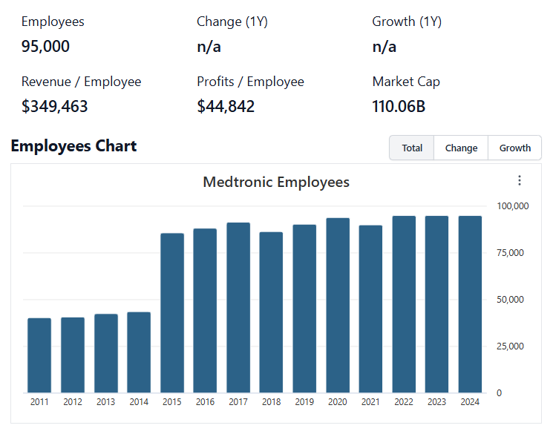

Institutional Ownership Snapshot (4/14/2025)
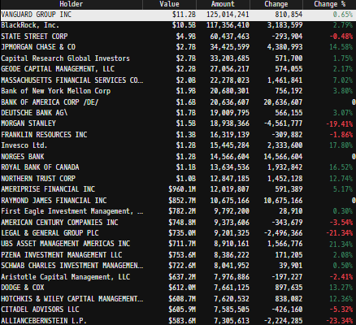
 |  |  |  |  |  |  |  |  | Financial Stmts. Notes/Observations (Updated Q1'25)
 |  |  |  |  |  |  |  |  | Revenues:
 |  |  |  |  |  |  |  |  | [Godel Snapshot of projected sales]

[Company] Major Acquisitions (1990s - Present)
 | 19--'s

 | 2000s

 | 2010s

 | 2020s

(Ticker) Revenue by Segment (in $ millions)
 | Medical | Trauma and Extremities | Endoscopy | Instruments | Knees | Neuro Cranial | Hips | Vascular | Spinal Implants | Other
Q1 2020 | 587 | 392 | 455 | 513 | 432 | 483 | 316 | 67 | 261 | 82
 | 632 | 330 | 316 | 328 | 241 | 369 | 216 | 48 | 177 | 107
 | 600 | 430 | 467 | 467 | 435 | 518 | 334 | 66 | 302 | 118
 | 705 | 570 | 525 | 555 | 459 | 312 | 340 | 82 | 307 | 157
Q1 2021 | 622 | 640 | 469 | 469 | 412 | 281 | 309 | 289 | 278 | 123
 | 640 | 674 | 518 | 517 | 474 | 310 | 353 | 301 | 307 | 127
 | 636 | 639 | 525 | 525 | 439 | 299 | 328 | 295 | 282 | 123
 | 709 | 711 | 629 | 600 | 523 | 324 | 352 | 303 | 300 | 176
Q1 2022 | 664 | 685 | 538 | 528 | 464 | 323 | 327 | 301 | 279 | 97
 | 666 | 676 | 600 | 563 | 500 | 337 | 364 | 306 | 290 | 114
 | 765 | 672 | 590 | 535 | 481 | 332 | 347 | 294 | 280 | 111
 | 936 | 774 | 997 | 653 | 552 | 384 | 375 | 299 | 297 | 153
Q1 2023 | 778 | 769 | 707 | 566 | 566 | 355 | 375 | 284 | 284 | 94
 | 841 | 766 | 713 | 622 | 562 | 373 | 393 | 311 | 296 | 119
 | 798 | 752 | 746 | 620 | 515 | 384 | 362 | 311 | 291 | 130
 | 1042 | 860 | 902 | 726 | 630 | 764 | 414 | 320 | 122 | 35
Q1 2024 | 864 | 830 | 778 | 667 | 588 | 478 | 393 | 310 | 171 | 164
 | 908 | 832 | 768 | 698 | 602 | 416 | 428 | 327 | 307 | 136
 | 938 | 849 | 837 | 679 | 570 | 441 | 420 | 329 | 304 | 127
 | 1142 | 996 | 1006 | 790 | 687 | 801 | 463 | 341 | 85 | 125
Q1 2025 | 945 | 945 | 867 | 730 | 639 | 563 | 443 | 406 | 166 | 162
Revenue Breakdown by Segment (Build graph for this section if applicable…. See example below)

 |  |  |  |  |  |  |  |  | Earnings Scope:
 |  |  |  |  |  |  |  |  | [Godel Snapshot of projected earnings/EPS]

 | Notes: | [X]
 |  | [Y]
 |  | [Z]

Total Revenues, Net Income, FCF
(Ticker) Quarterly Ttl Revenues, Net Income, Free Cash Flows (in $ millions)
 | Net Income | FCF | Revenues
 | 590 | 493 | 0.0204778157
 | -87 | -83 | -0.24273972603
 | 780 | 621 | 0.041817674937
 | 671 | 568 | 0.031711450012
 | 367 | 302 | 0.10172798216
 | 662 | 592 | 0.55354558611
 | 495 | 438 | 0.11319240032
 | 757 | 662 | 0.10300328484
 | 386 | 323 | 0.081457121174
 | 720 | 656 | 0.046343735445
 | 816 | 816 | 0.076682692308
 | 761 | 563 | 0.10657306956
 | 679 | 592 | 0.11766081871
 | 899 | 738 | 0.11195192522
 | 869 | 692 | 0.096003572226
 | 1226 | 1143 | 0.11783929258
 | 923 | 788 | 0.097321054835
 | 998 | 825 | 0.085268214572
 | 1043 | 834 | 0.1191688735
 | 528 | 546 | 0.1067927773
 | 764 | 654 | 0.11882510013

 | Notes: | [X]
 |  | [Y]
 |  | [Z]

[Ticker] Historical Return Histogram (Date Built)
(MDT) Historical Return Histogram + Normal Distribution Overlay

 |  |  |  |  |  |  |  |  | Balance Sheet Scope:
 |  |  |  |  |  |  |  |  | [Godel Snapshot of projected balances (assets, liabilities, equity)]

 |  | Min | -6.70%
 |  | Max | 5.94%
 |  | Mean μ | -0.03%
 |  | Median | 0.01%
 |  | SD σ | 1.19%
 |  | 3σ 1-Day Δ: ± | 3.56% |  | <- Shapre Ratio (Risk Adjusted Return)
 |  | β (1-year avg.) |  |  | <- Sortino Ratio (Downside Risk Adjusted Return)

 | n = | 2,010
 | Histogram Data |  |  | Distribution Overlay |  |  | SD Lines
 | Bin | Frequency |  | (X) 1-Day Δ | (Y) Pop. Density |  | X | Y
 | -4.00% | 1 |  | -4.10% | 0.094546670744 | Mean | -0.03% | 0
 | -3.90% | 2 |  | -4.00% | 0.12574565813 |  | -0.03% | 35
 | -3.80% | 4 |  | -3.90% | 0.16605728558 | -3σ | -3.59% | 0
 | -3.70% | 0 |  | -3.80% | 0.21774141941 |  | -3.59% | 5
 | -3.60% | 4 |  | -3.70% | 0.28349300249 | -2σ | -2.41% | 0
 | -3.50% | 1 |  | -3.60% | 0.3664897361 |  | -2.41% | 10
 | -3.40% | 2 |  | -3.50% | 0.47043482929 | -1σ | -1.22% | 0
 | -3.30% | 2 |  | -3.40% | 0.59959126621 |  | -1.22% | 25
 | -3.20% | 1 |  | -3.30% | 0.7588034684 | 1σ | 1.16% | 0
 | -3.10% | 3 |  | -3.20% | 0.95350175179 |  | 1.16% | 25
 | -3.00% | 4 |  | -3.10% | 1.1896846607 | 2σ | 2.34% | 0
 | -2.90% | 2 |  | -3.00% | 1.4738741692 |  | 2.34% | 10
 | -2.80% | 7 |  | -2.90% | 1.8130389403 | 3σ | 3.53% | 0
 | -2.70% | 4 |  | -2.80% | 2.2144813909 |  | 3.53% | 5
 | -2.60% | 8 |  | -2.70% | 2.6856852691
 | -2.50% | 5 |  | -2.60% | 3.234121845
 | -2.40% | 5 |  | -2.50% | 3.8670146504
 | -2.30% | 7 |  | -2.40% | 4.5910649396
 | -2.20% | 10 |  | -2.30% | 5.4121426256
 | -2.10% | 9 |  | -2.20% | 6.3349502555
 | -2.00% | 10 |  | -2.10% | 7.3626704789
 | -1.90% | 21 |  | -2.00% | 8.4966102558
 | -1.80% | 22 |  | -1.90% | 9.7358575251
 | -1.70% | 18 |  | -1.80% | 11.076967998
 | -1.60% | 22 |  | -1.70% | 12.513700919
 | -1.50% | 19 |  | -1.60% | 14.036822877
 | -1.40% | 23 |  | -1.50% | 15.633997834
 | -1.30% | 26 |  | -1.40% | 17.289779468
 | -1.20% | 26 |  | -1.30% | 18.985718578
 | -1.10% | 22 |  | -1.20% | 20.700593785
 | -1.00% | 44 |  | -1.10% | 22.410768322
 | -0.90% | 49 |  | -1.00% | 24.090669392
 | -0.80% | 43 |  | -0.90% | 25.713380004
 | -0.70% | 56 |  | -0.80% | 27.251326516
 | -0.60% | 52 |  | -0.70% | 28.677038896
 | -0.50% | 61 |  | -0.60% | 29.963955419
 | -0.40% | 64 |  | -0.50% | 31.087239417
 | -0.30% | 70 |  | -0.40% | 32.024573339
 | -0.20% | 93 |  | -0.30% | 32.756894777
 | -0.10% | 91 |  | -0.20% | 33.269040654
 | 0.00% | 83 |  | -0.10% | 33.550269155
 | 0.10% | 82 |  | 0.00% | 33.594634334
 | 0.20% | 84 |  | 0.10% | 33.401195145
 | 0.30% | 86 |  | 0.20% | 32.97404863
 | 0.40% | 69 |  | 0.30% | 32.322185634
 | 0.50% | 87 |  | 0.40% | 31.459176145
 | 0.60% | 65 |  | 0.50% | 30.402699629
 | 0.70% | 63 |  | 0.60% | 29.173943083
 | 0.80% | 69 |  | 0.70% | 27.796895388
 | 0.90% | 44 |  | 0.80% | 26.297570785
 | 1.00% | 48 |  | 0.90% | 24.703196428
 | 1.10% | 37 |  | 1.00% | 23.04139926
 | 1.20% | 34 |  | 1.10% | 21.339425637
 | 1.30% | 38 |  | 1.20% | 19.623423712
 | 1.40% | 25 |  | 1.30% | 17.917813648
 | 1.50% | 23 |  | 1.40% | 16.244764823
 | 1.60% | 18 |  | 1.50% | 14.623792635
 | 1.70% | 24 |  | 1.60% | 13.071480842
 | 1.80% | 20 |  | 1.70% | 11.601328921
 | 1.90% | 13 |  | 1.80% | 10.22371815
 | 2.00% | 11 |  | 1.90% | 8.9459851972
 | 2.10% | 11 |  | 2.00% | 7.7725882369
 | 2.20% | 5 |  | 2.10% | 6.7053480526
 | 2.30% | 7 |  | 2.20% | 5.7437452418
 | 2.40% | 7 |  | 2.30% | 4.8852544741
 | 2.50% | 5 |  | 2.40% | 4.125697597
 | 2.60% | 5 |  | 2.50% | 3.459599072
 | 2.70% | 6 |  | 2.60% | 2.8805295217
 | 2.80% | 1 |  | 2.70% | 2.3814258743
 | 2.90% | 3 |  | 2.80% | 1.954879463
 | 3.00% | 2 |  | 2.90% | 1.5933863015 |  |  |  | [Equity Preformance Compared to Peers]
 | 3.10% | 0 |  | 3.00% | 1.2895564351 |  |  |  | Use Godel CMS command
 | 3.20% | 0 |  | 3.10% | 1.0362816445
 | 3.30% | 4 |  | 3.20% | 0.8268627682
 | 3.40% | 1 |  | 3.30% | 0.65509946881
 | 3.50% | 2 |  | 3.40% | 0.51534638782
 | 3.60% | 0 |  | 3.50% | 0.40254033544
 | 3.70% | 1 |  | 3.60% | 0.31220348802
 | 3.80% | 0 |  | 3.70% | 0.2404275751
 | 3.90% | 1 |  | 3.80% | 0.18384379676
 | 4.00% | 0 |  | 3.90% | 0.13958278639
 | More | 13 |  | 4.00% | 0.10522838993
 |  |  |  | 4.10% | 0.078768425801
...

