Notes | Quant Analysis
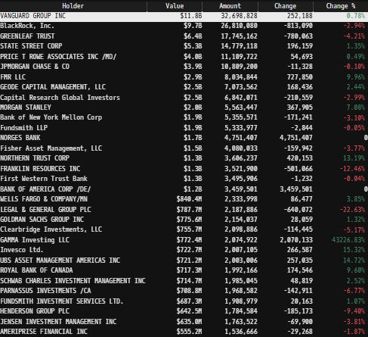
 |  |  |  |  |  |  |  |  |  | 0
Institutional Ownership Snapshot (4/14/2025) |  |  |  |  |  |  |  |  | General Notes/Observations (Updated Q1'25)
 |  |  |  |  |  |  |  |  | In the fourth quarter 2024, The Company reorganized our Spine business to align with certain updates to our internal reporting structure

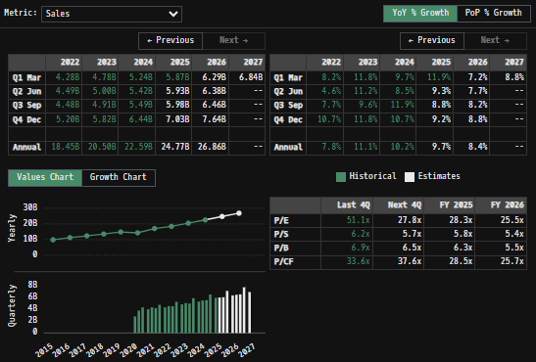
Stryker’s Major Acquisitions (1990s–Present) |  |  |  |  |  |  |  |  | Financial Stmts. Notes/Observations (Updated Q1'25)
 | 1990s |  |  |  |  |  |  |  | Revenues:
 |  | Osteonics Corp. (1998) – Key acquisition that strengthened Stryker’s orthopedic implants business.
 |  | Howmedica (1998, from Pfizer) – Purchased for ~$1.65B, significantly expanding Stryker’s joint replacement segment.
 | 2000s
 |  | SpineCore (2005) – Entry into the spinal disc replacement market.
 |  | eTrauma (2006) – Added trauma-related software solutions.
 |  | Orthovita (2011, ~$316M) – Biomaterials for spine and orthopedics.
 |  | Memometal (2011, ~$150M) – French company specializing in small bone fixation.
 |  | Concentric Medical (2011, ~$135M) – Neurovascular devices for stroke treatment.
 |  | Neurovascular Division of Boston Scientific (2011, ~$1.5B) – Expanded Stryker’s stroke care portfolio.
 | 2010s
 |  | MAKO Surgical Corp. (2013, ~$1.65B) – Robotic-assisted surgery (ROSA platform).
 |  | Berchtold Holding AG (2013, ~$172M) – Surgical equipment and tables.
 |  | Patient Safety Technologies (2014, ~$120M) – Surgical safety solutions (SurgiCount).
 |  | Small Bone Innovations (2014) – Enhanced foot & ankle orthopedic offerings.
 |  | Physio-Control (2016, ~$1.28B) – Defibrillators & emergency medical products.
 |  | Novadaq (2017, ~$701M) – Fluorescence imaging for surgeries (PINPOINT, SPY).
 |  | Entellus Medical (2018, ~$662M) – Minimally invasive ENT (ear, nose, throat) devices.
 |  | K2M (2018, ~$1.4B) – Strengthened spine surgery portfolio.
 |  | Mobius Imaging & Cardan Robotics (2019, ~$500M combined) – Advanced imaging & robotics for spine procedures.
 | 2020s
 |  | Wright Medical (2020, ~$5.4B) – Major acquisition in extremities (shoulder, ankle, foot).
 |  | Gauss Surgical (2021) – AI-based blood loss monitoring (Triton system).
 |  | CareMomentum (2021) – Digital health & patient engagement platform.
 |  | Vocera Communications (2022, ~$3.09B) – Hospital communication systems.
 |  | Cerus Endovascular (2023) – Neuro-interventional devices.
 |  | Sight Sciences (2023, partial stake) – Glaucoma & ocular surgery tech.
 |  | Inari Medical (2025, ~$4.9B) – Thrombectomy & embolism mechanical devices

Revenue Breakdown by Segment
(SYK) Revenue by Segment (in $ millions)
 | Instruments | Endoscopy | Medical | Vascular | Neuro Cranial | Knees | Hips | Trauma and Extremities | Spinal Implants | Other
Q1 2020 | 513 | 455 | 587 | 67 | 483 | 432 | 316 | 392 | 261 | 82
Q2 2020 | 328 | 316 | 632 | 48 | 369 | 241 | 216 | 330 | 177 | 107
Q3 2020 | 467 | 467 | 600 | 66 | 518 | 435 | 334 | 430 | 302 | 118
Q4 2020 | 555 | 525 | 705 | 792 | -398 | 459 | 340 | 570 | 307 | 157
Q1 2021 | 469 | 469 | 622 | 289 | 281 | 412 | 309 | 640 | 278 | 123
Q2 2021 | 517 | 518 | 640 | 301 | 310 | 474 | 353 | 674 | 307 | 127
Q3 2021 | 525 | 525 | 636 | 295 | 299 | 439 | 328 | 639 | 282 | 123
Q4 2021 | 600 | 629 | 709 | 303 | 324 | 523 | 352 | 711 | 300 | 176
Q1 2022 | 528 | 538 | 664 | 301 | 323 | 464 | 327 | 685 | 279 | 97
Q2 2022 | 563 | 600 | 666 | 306 | 337 | 500 | 364 | 676 | 290 | 114
Q3 2022 | 535 | 590 | 765 | 294 | 332 | 481 | 347 | 672 | 280 | 111
Q4 2022 | 653 | 997 | 936 | 299 | 384 | 552 | 375 | 774 | 297 | 153
Q1 2023 | 566 | 707 | 778 | 284 | 355 | 566 | 375 | 769 | 284 | 94
Q2 2023 | 622 | 713 | 841 | 311 | 373 | 562 | 393 | 766 | 296 | 119
Q3 2023 | 620 | 746 | 798 | 311 | 384 | 515 | 362 | 752 | 291 | 130
Q4 2023 | 726 | 902 | 1042 | 320 | 764 | 630 | 414 | 860 | -158 | 315
Q1 2024 | 667 | 778 | 864 | 310 | 478 | 588 | 393 | 830 | 171 | 164
Q2 2024 | 698 | 768 | 908 | 327 | 416 | 602 | 428 | 832 | 307 | 136
Q3 2024 | 679 | 837 | 938 | 329 | 441 | 570 | 420 | 849 | 304 | 127
Q4 2024 | 790 | 1006 | 1142 | 341 | 801 | 687 | 463 | 996 | -75 | 285
Q1 2025 | 730 | 867 | 945 | 406 | 563 | 639 | 443 | 945 | 166 | 162

 |  |  |  |  |  |  |  |  | Earnings Scope:
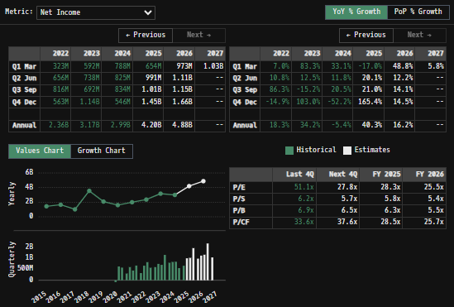
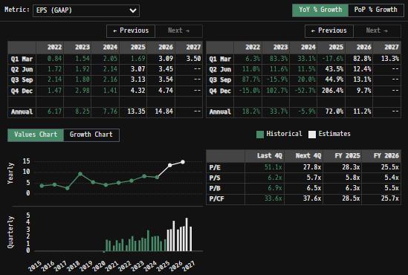

Total Revenues, Net Income, FCF
(SYK) Quarterly Ttl Revenues, Net Income, Free Cash Flows (in $ millions)
 | Net Income | FCF | Revenues
 | 493 | 447 | 3588
 | -83 | 1017 | 2764
 | 621 | 254 | 3737
 | 568 | 1072 | 4262
 | 302 | 369 | 3953
 | 592 | 1150 | 4294
 | 438 | 425 | 4160
 | 662 | 794 | 4701
 | 323 | 84 | 4275
 | 656 | 386 | 4493
 | 816 | 751 | 4479
 | 563 | 815 | 5202
 | 592 | 315 | 4778
 | 738 | 536 | 4996
 | 692 | 902 | 4909
 | 1143 | 1383 | 5815
 | 788 | 37 | 5243
 | 825 | 481 | 5422
 | 834 | 1304 | 5494
 | 546 | 1665 | 6436
 | 654 | 127 | 5866

SYK Historical Return Histogram (5/3/25)
(SYK) Historical Return Histogram + Normal Distribution Overlay

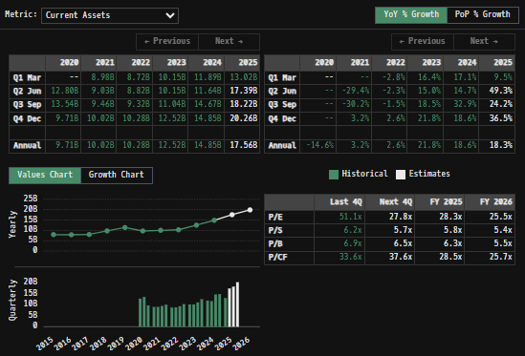
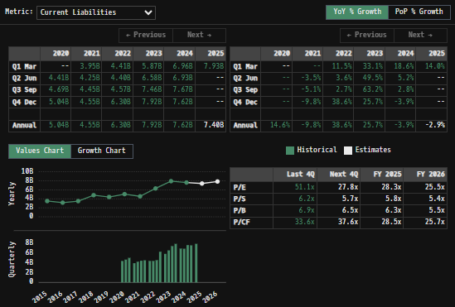
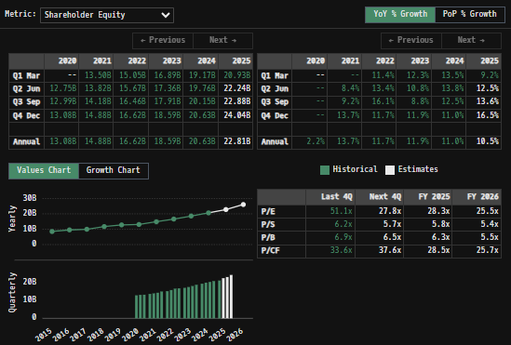
 |  |  |  |  |  |  |  |  | Balance Sheet Scope:
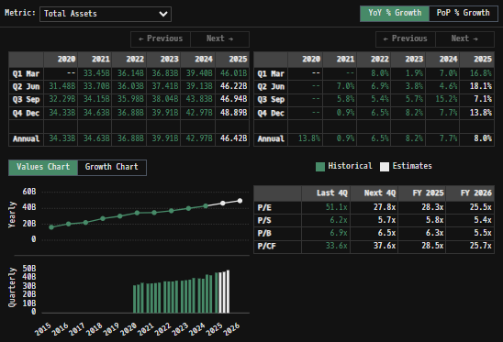

 |  | Min | -5.60% | The return distribution fits a Gaussian curve well, implying that daily change follows a roughly normal distribution
 |  | Max | 8.35%
 |  | Mean μ | 0.03% | There is slight implied upside to mean 1-day returns
 |  | Median | 0.03%
 |  | SD σ | 1.33%
 |  | 3σ 1-Day Δ: ± | 3.99% |  | <- Shapre Ratio (Risk Adjusted Return)
 |  | β (1-year avg.) | 0.94 |  | <- Sortino Ratio (Downside Risk Adjusted Return)

 | n = | 1,014
 | Histogram Data |  |  | Distribution Overlay |  |  | SD Lines
 | Bin | Frequency |  | (X) 1-Day Δ | (Y) Pop. Density |  | X | Y
 | -4.00% | 1 |  | -4.10% | 0.24330261971 | Mean | 0.03% | 0
 | -3.90% | 1 |  | -4.00% | 0.30633285338 |  | 0.03% | 32
 | -3.80% | 0 |  | -3.90% | 0.38351958155 | -3σ | -3.96% | 0
 | -3.70% | 0 |  | -3.80% | 0.47745086551 |  | -3.96% | 3
 | -3.60% | 1 |  | -3.70% | 0.59104017532 | -2σ | -2.63% | 0
 | -3.50% | 4 |  | -3.60% | 0.72753266254 |  | -2.63% | 7
 | -3.40% | 2 |  | -3.50% | 0.89050254374 | -1σ | -1.30% | 0
 | -3.30% | 1 |  | -3.40% | 1.0838395847 |  | -1.30% | 25
 | -3.20% | 1 |  | -3.30% | 1.3117226816 | 1σ | 1.36% | 0
 | -3.10% | 3 |  | -3.20% | 1.5785786451 |  | 1.36% | 25
 | -3.00% | 1 |  | -3.10% | 1.8890245151 | 2σ | 2.69% | 0
 | -2.90% | 4 |  | -3.00% | 2.2477920988 |  | 2.69% | 7
 | -2.80% | 1 |  | -2.90% | 2.6596339131 | 3σ | 4.02% | 0
 | -2.70% | 4 |  | -2.80% | 3.1292103588 |  | 4.02% | 3
 | -2.60% | 1 |  | -2.70% | 3.6609587206
 | -2.50% | 5 |  | -2.60% | 4.2589454766
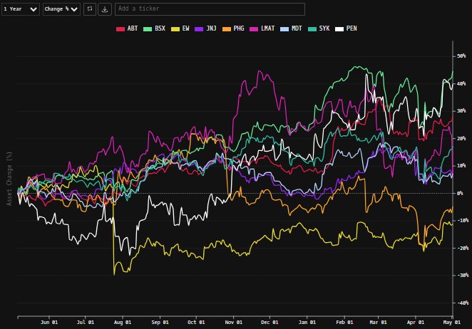
 | -2.40% | 1 |  | -2.50% | 4.926704382
 | -2.30% | 2 |  | -2.40% | 5.667063817
 | -2.20% | 2 |  | -2.30% | 6.4819679309
 | -2.10% | 3 |  | -2.20% | 7.3722970932
 | -2.00% | 5 |  | -2.10% | 8.3376940391
 | -1.90% | 9 |  | -2.00% | 9.3764027913
 | -1.80% | 6 |  | -1.90% | 10.485127897
 | -1.70% | 10 |  | -1.80% | 11.658921674
 | -1.60% | 13 |  | -1.70% | 12.89110698
 | -1.50% | 11 |  | -1.60% | 14.173242436
 | -1.40% | 24 |  | -1.50% | 15.495136085
 | -1.30% | 18 |  | -1.40% | 16.844912102
 | -1.20% | 27 |  | -1.30% | 18.209133462
 | -1.10% | 18 |  | -1.20% | 19.572981448
 | -1.00% | 19 |  | -1.10% | 20.920490627
 | -0.90% | 24 |  | -1.00% | 22.234835554
 | -0.80% | 16 |  | -0.90% | 23.498663041
 | -0.70% | 26 |  | -0.80% | 24.69446156
 | -0.60% | 29 |  | -0.70% | 25.804957264
 | -0.50% | 17 |  | -0.60% | 26.813524447
 | -0.40% | 23 |  | -0.50% | 27.704596967
 | -0.30% | 37 |  | -0.40% | 28.46406655
 | -0.20% | 41 |  | -0.30% | 29.079653754
 | -0.10% | 35 |  | -0.20% | 29.541238007
 | 0.00% | 45 |  | -0.10% | 29.841134334
 | 0.10% | 53 |  | 0.00% | 29.974306183
 | 0.20% | 37 |  | 0.10% | 29.938506141
 | 0.30% | 26 |  | 0.20% | 29.734339026
 | 0.40% | 39 |  | 0.30% | 29.365244889
 | 0.50% | 33 |  | 0.40% | 28.837402591
 | 0.60% | 29 |  | 0.50% | 28.159557736
 | 0.70% | 26 |  | 0.60% | 27.342781644
 | 0.80% | 22 |  | 0.70% | 26.400170664
 | 0.90% | 24 |  | 0.80% | 25.346497213
 | 1.00% | 30 |  | 0.90% | 24.197825535
 | 1.10% | 29 |  | 1.00% | 22.971106104
 | 1.20% | 21 |  | 1.10% | 21.683762906
 | 1.30% | 19 |  | 1.20% | 20.353287519
 | 1.40% | 20 |  | 1.30% | 18.996852945
 | 1.50% | 11 |  | 1.40% | 17.630958759
 | 1.60% | 11 |  | 1.50% | 16.271117218
 | 1.70% | 7 |  | 1.60% | 14.931587841
 | 1.80% | 12 |  | 1.70% | 13.62516558
 | 1.90% | 7 |  | 1.80% | 12.363025343
 | 2.00% | 5 |  | 1.90% | 11.154623232
 | 2.10% | 7 |  | 2.00% | 10.007652748
 | 2.20% | 14 |  | 2.10% | 8.9280522822
 | 2.30% | 3 |  | 2.20% | 7.9200586489
 | 2.40% | 7 |  | 2.30% | 6.9863002426
 | 2.50% | 7 |  | 2.40% | 6.1279225789
 | 2.60% | 8 |  | 2.50% | 5.3447385928
 | 2.70% | 2 |  | 2.60% | 4.6353960237
 | 2.80% | 0 |  | 2.70% | 3.9975545082
 | 2.90% | 4 |  | 2.80% | 3.4280655687
 | 3.00% | 1 |  | 2.90% | 2.9231494611
 | 3.10% | 2 |  | 3.00% | 2.4785637767
 | 3.20% | 2 |  | 3.10% | 2.0897597047
 | 3.30% | 0 |  | 3.20% | 1.7520229012
 | 3.40% | 2 |  | 3.30% | 1.4605969253
 | 3.50% | 2 |  | 3.40% | 1.2107881476
 | 3.60% | 0 |  | 3.50% | 0.99805187629
 | 3.70% | 0 |  | 3.60% | 0.81806016491
 | 3.80% | 0 |  | 3.70% | 0.66675234355
 | 3.90% | 0 |  | 3.80% | 0.54036975334
 | 4.00% | 1 |  | 3.90% | 0.43547646445
 | More | 6 |  | 4.00% | 0.3489679324
 |  |  |  | 4.10% | 0.27806961003
...

