Main

Master
 | ABT
 | Price | 102.98 | 9/21/2026
 | SO | 1,730.4 | Q2'26
 | MC | 178,195
 | Cash | 5,603 | Q2'26
 | Debt | 10,036 | Q2'26
 | EV | 182,628

 | Abbott Laboratories (ABT)

 | Founder(s): | Wallace Calvin Abbott |  | Registered Exchange: NYSE |  |  |  | Resources:
 | Founded: 1888 |  |  | Address: | 100 Abbott Park Road, Abbott Park North Chicago, IL 60064 U.S. |  |  | SEC filings |  | https://www.sec.gov/edgar/browse/?CIK=1800&owner=exclude
 | Headquarters: Chicago, IL |  |  | Investor Relations Contact: |  |  |  | Abbott Labs Homepage |  | https://www.abbott.com/
 | Current CEO: Robert Ford |  |  | Investors Relation Department |  |  |  |  | Abbott Labs IR Page |  | https://www.abbott.com/investors.html
 | Employees: 114,000 |  |  | Phone: | (224) 667-6100 | Email: | investor.relations@abbott.com |  | Abbott Vascular Products |  | https://www.cardiovascular.abbott/us/en/hcp/products.html
 | Industry: Medical Devices - Pharmaceuticals |  |  |  |  |  |  | Earnings Calls |  | https://seekingalpha.com/symbol/ABT/earnings/transcripts
 | Sector: Healthcare |  |  |  |  |  |  | Equity Analysis |  | https://stockanalysis.com/stocks/abt/company/
 | IPO: 1929 … shortly before the start of the Great Depression |  |  |  |  |  |  | MacroTrends |  | https://www.macrotrends.net/stocks/charts/ORCL/oracle/income-statement?freq=Q
 | Fiscal Year: [January - December] |  |  |  |  |  |  | ROIC, WACC |  | https://www.gurufocus.com/term/wacc/ABT
 |  |  |  |  |  |  |  | Godel Terminal |  | https://app.godelterminal.com/
Company Overview:
 | Founded in 1888 and headquartered in Abbott Park, Illinois, Abbott Laboratories is a diversified global healthcare company that discovers, develops, manufactures, and sells a broad range of healthcare products
 |  | Abbott operates across diagnostics, medical devices, nutrition, and branded generic pharmaceuticals segments
 | Business Segments:
 | Branded Generic Pharmaceuticals (Approx. 10-15% of Revenue)
 |  | Focus on emerging and international markets, offering affordable branded generics for chronic conditions
 |  | Management describes a significant growth opportunity as middle-income populations expand in key regions
 | Nutrition (Approx. 20-25% of Revenue)
 |  | Includes adult and pediatric nutritional products like Ensure (meal replacements) and Similac (infant formula)
 | Diagnostics (Approx. 20-25% of Revenue)
 |  | Products include laboratory-based testing instruments and assays, point-of-care diagnostics, blood glucose monitoring (FreeStyle Libre CGM), and molecular diagnostics
 |  |  | Market leader in point-of-care testing, including COVID-19, infectious diseases, and cardiovascular diagnostics
 |  | Strong innovation pipeline and expanding global footprint … big MNC presence
 | Medical Devices (Approx. 35-40% of Revenue)
 |  | Includes cardiovascular devices (stents, catheters), neuromodulation devices, diabetes care including CGMs, thrombectomy and other minimally invasive surgical products
 |  |  | Emphasis on implantable cardiac rhythm management and vascular access … Direct competitive overlap with PEN in the thrombectomy & embolization space
 |  | Beneficiary of increasing global demand for medical technology and aging populations … large and established japanese presence … kinda the primary case study along with South Korea in reguards to the developed world aging population problem
 | Market leadership in diagnostics and strong positioning in CGM products (Freestyle Libre platform) … competing with Dexcom
 | Diversified portfolio across high-growth healthcare segments balancing cyclical risks
 |  | Steady demand through economic cycles … especially desirable in economically uncertian times … Bond like earnings prints … evaluate equity beta
 |  | Powerful global brands such as Ensure and Similac provide resilience in adverse economic conditions
 | Strong dividend cash return program … investigate dividend yeild and sustainability

Business Segments and Geographical Info:
 | [Begin researching fundamentals / core business … begin with SEC filings, but expand and use all public resources available]

Notes | Quant Analysis
 |  |  |  |  |  |  |  |  |  | 0
Employee Scope: |  |  |  |  |  |  |  |  | General Notes/Observations
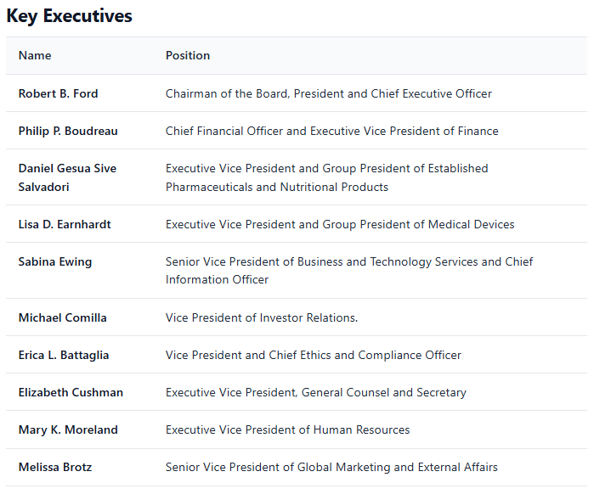
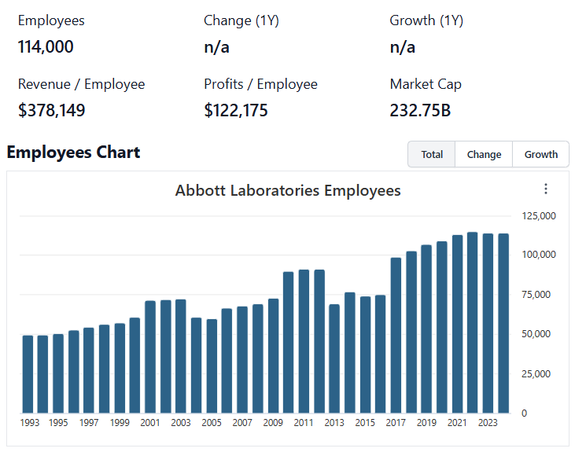

 | Notes: | [X]
 |  | [Y]
 |  | [Z]

Institutional Ownership Snapshot Q2'25
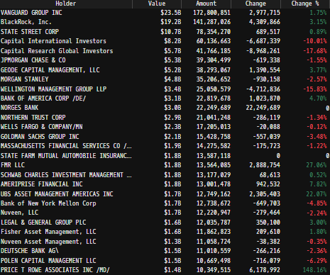

 | Notes: | [X]
 |  | [Y]
 |  | [Z]
 |  |  |  |  |  |  |  |  | Financial Stmts. Notes/Observations
(ABT) Revenue by Segment (in $ millions)
 | Pharma | Nutritionals | Med-Devices | Diagnostics | Other
Q1 2020 | 1044 | 1904 | 2937 | 1826 | 15
 | 1013 | 1883 | 2423 | 1994 | 15
 | 1099 | 1924 | 3170 | 2640 | 20
 | 1147 | 1936 | 3257 | 4345 | 16
Q1 2021 | 1070 | 2036 | 3320 | 4014 | 16
 | 1180 | 2108 | 3666 | 3247 | 22
 | 1265 | 2108 | 3632 | 3912 | 11
 | 1203 | 2042 | 3749 | 4471 | 3
Q1 2022 | 1147 | 1894 | 3594 | 5257 | 3
 | 1223 | 1953 | 3785 | 4294 | 2
 | 1326 | 1795 | 3645 | 3641 | 3
 | 1216 | 1817 | 3778 | 3277 | 3
Q1 2023 | 1189 | 1967 | 3900 | 2688 | 3
 | 1287 | 2076 | 4295 | 2317 | 3
 | 1368 | 2073 | 4249 | 2449 | 4
 | 1222 | 2038 | 4443 | 2534 | 4
Q1 2024 | 1226 | 2068 | 4453 | 2214 | 3
 | 1294 | 2150 | 4734 | 2195 | 4
 | 1406 | 2066 | 4747 | 2412 | 4
 | 1268 | 2129 | 5052 | 2520 | 5
Q1 2025 | 1260 | 2146 | 4895 | 2054 | 3
 | 1383 | 2212 | 5369 | 2173 | 5
 | 1511 | 2153 | 5448 | 2253 | 4
 | 1382 | 1940 | 5675 | 2457 | 5
Q1 2026 | 1426 | 2017 | 5539 | 2180 | 2
 | 1426 | 2017 | 5539 | 2180 | 2
Revenue Breakdown by Segment |  |  |  |  |  |  |  |  | Revenues:
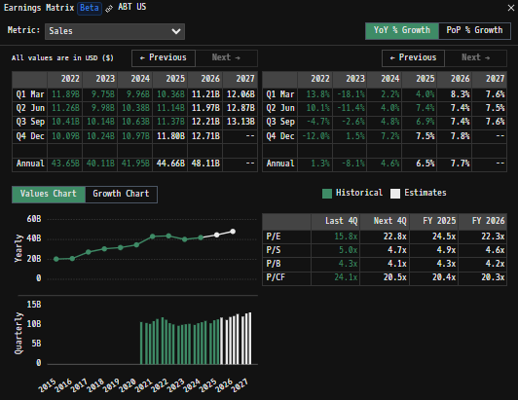

 | Notes: | [X]
 |  | [Y]
 |  | [Z]

Revenue Breakdown of Diagnostics Segment |  |  |  |  |  |  |  |  | Earnings Scope:
(ABT) Revenue of Diagnostics Segment (in $ millions)
 | Core Lab | Molecular | Point of Care | Rapid Diagnostics
Q1 2020 | 989 | 139 | 138 | 560
 | 987 | 359 | 118 | 530
 | 1176 | 458 | 131 | 875
 | 1323 | 482 | 129 | 2411
Q1 2021 | 1182 | 447 | 129 | 2256
 | 1306 | 290 | 137 | 1514
 | 1292 | 345 | 135 | 2140
 | 1348 | 345 | 135 | 2643
Q1 2022 | 1184 | 420 | 128 | 3525
 | 1221 | 212 | 139 | 2722
 | 1219 | 183 | 127 | 2112
 | 1264 | 180 | 131 | 1702
Q1 2023 | 1182 | 147 | 134 | 1225
 | 1293 | 141 | 142 | 741
 | 1314 | 133 | 140 | 862
 | 1370 | 153 | 149 | 862
Q1 2024 | 1205 | 129 | 139 | 741
 | 1329 | 127 | 156 | 583
 | 1314 | 128 | 146 | 824
 | 1387 | 137 | 147 | 849
Q1 2025 | 1177 | 122 | 142 | 613
 | 1358 | 123 | 148 | 544
 | 1364 | 131 | 158 | 600
 | 1461 | 141 | 158 | 697
Q1 2026 | 1272 | 149 | 96 | 663
 | 1272 | 149 | 96 | 663
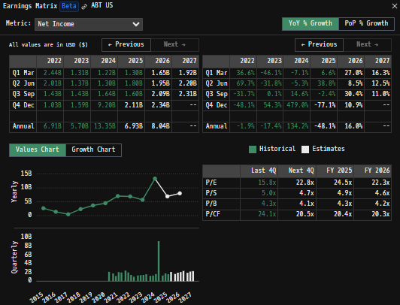
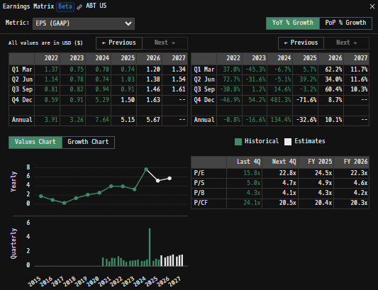

 | Notes: | [X]
 |  | [Y]
 |  | [Z]

Revenue Breakdown of Med-Devices Segment |  |  |  |  |  |  |  |  | Balance Sheet Scope:
(ABT) Revenue of Med-Devices Segment (in $ millions)
 | Rhythm Management | Heart Failure | Structural Heart | Vascular | Neuromodulation | Electrophysiology | Diabetes Care
Q1 2020 | 474 | 203 | 318 | 625 | 177 | 388 | 752
 | 401 | 158 | 223 | 481 | 106 | 299 | 755
 | 507 | 190 | 353 | 630 | 206 | 441 | 843
 | 532 | 189 | 353 | 603 | 213 | 450 | 917
Q1 2021 | 519 | 194 | 377 | 635 | 184 | 431 | 980
 | 567 | 227 | 422 | 697 | 210 | 487 | 1056
 | 571 | 229 | 392 | 644 | 190 | 485 | 1121
 | 541 | 239 | 419 | 678 | 197 | 504 | 1171
Q1 2022 | 524 | 250 | 411 | 619 | 179 | 485 | 1126
 | 548 | 269 | 440 | 653 | 197 | 486 | 1192
 | 533 | 258 | 420 | 606 | 192 | 469 | 1167
 | 514 | 258 | 441 | 605 | 202 | 487 | 1271
Q1 2023 | 527 | 281 | 461 | 617 | 196 | 505 | 1313
 | 583 | 295 | 498 | 715 | 227 | 553 | 1424
 | 563 | 284 | 487 | 672 | 227 | 544 | 1472
 | 582 | 301 | 498 | 677 | 240 | 593 | 1552
Q1 2024 | 562 | 305 | 515 | 689 | 226 | 587 | 1569
 | 607 | 321 | 564 | 724 | 243 | 627 | 1648
 | 597 | 322 | 558 | 699 | 236 | 610 | 1725
 | 624 | 331 | 609 | 725 | 257 | 643 | 1863
Q1 2025 | 585 | 339 | 577 | 710 | 228 | 629 | 1827
 | 673 | 368 | 636 | 757 | 254 | 700 | 1981
 | 686 | 366 | 635 | 745 | 254 | 705 | 2057
 | 705 | 375 | 675 | 783 | 274 | 730 | 2133
Q1 2026 | 684 | 389 | 578 | 777 | 243 | 788 | 2080
 | 684 | 389 | 578 | 777 | 243 | 788 | 2080

 | Notes: | [X]
 |  | [Y]
 |  | [Z]

Q/q Total Revenues, Net Income, FCF |  |  |  |  |  |  |  |  | [Equity Preformance Compared to Peers]
(ABT) Quarterly Ttl Revenues, Net Income, Free Cash Flows (in $ millions)
 | Income |  | FCF |  | Revenues
Q1 2020 | 564 | Q1 2020 | 355 | Q1 2020 | 7726
Q2 2020 | 537 | Q2 2020 | 680 |  | 7328
Q3 2020 | 1232 | Q3 2020 | 1570 |  | 8853
Q4 2020 | 2138 | Q4 2020 | 3119 |  | 10701
Q1 2021 | 1793 | Q1 2021 | 2240 | Q1 2021 | 10456
Q2 2021 | 1189 | Q2 2021 | 1715 |  | 10223
Q3 2021 | 2100 | Q3 2021 | 2240 |  | 10928
Q4 2021 | 1989 | Q4 2021 | 2453 |  | 11468
Q1 2022 | 2447 | Q1 2022 | 1744 | Q1 2022 | 11895
Q2 2022 | 2018 | Q2 2022 | 2031 |  | 11257
Q3 2022 | 1435 | Q3 2022 | 2313 |  | 10410
Q4 2022 | 1033 | Q4 2022 | 1716 |  | 10091
Q1 2023 | 1318 | Q1 2023 | 763 | Q1 2023 | 9747
Q2 2023 | 1375 | Q2 2023 | 696 |  | 9978
Q3 2023 | 1436 | Q3 2023 | 1317 |  | 10143
Q4 2023 | 1594 | Q4 2023 | 2283 |  | 10241
Q1 2024 | 1225 | Q1 2024 | 627 | Q1 2024 | 9964
Q2 2024 | 1302 | Q2 2024 | 1427 |  | 10377
Q3 2024 | 1646 | Q3 2024 | 2149 |  | 10635
Q4 2024 | 9229 | Q4 2024 | 2148 |  | 10974
Q1 2025 | 1325 | Q1 2025 | 933 | Q1 2025 | 10358
 | 1779 |  | 1545 |  | 11142
 | 1644 |  | 2291 |  | 11369
 | 1776 |  | 2626 |  | 11459
 | 1077 |  | 916 | Q1 2026 | 11164
 | 928 |  | 1991 |  | 12593
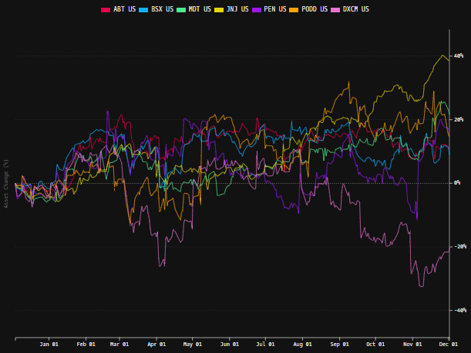

 | Notes: | [X]
 |  | [Y]
 |  | [Z]

Y/y Total Revenues, Net Income, FCF
(ABT) Annual Ttl Revenues, Net Income, Free Cash Flows (in $ millions)
 | Income |  | FCF |  | Revenues
Q1 2020 | 5746 | Q1 2020 | 8215 | 2009 | 30765
Q2 2020 | 4626 | Q2 2020 | 3797 | 2010 | 35167
Q3 2020 | 4729 | Q3 2020 | 8970 | 2011 | 38851
Q4 2020 | 237 | Q4 2020 | 9314 | 2012 | 19050
Q1 2021 | 1988 | Q1 2021 | 3324 | 2013 | 19657
Q2 2021 | 1718 | Q2 2021 | 2598 | 2014 | 20222
Q3 2021 | 2606 | Q3 2021 | 1856 | 2015 | 20405
Q4 2021 | 1063 | Q4 2021 | 2082 | 2016 | 20853
Q1 2022 | 353 | Q1 2022 | 4435 | 2017 | 27390
Q2 2022 | 2334 | Q2 2022 | 4906 | 2018 | 30578
Q3 2022 | 3687 | Q3 2022 | 4498 | 2019 | 31904
Q4 2022 | 4471 | Q4 2022 | 5724 | 2020 | 34608
Q1 2023 | 7071 | Q1 2023 | 8648 | 2021 | 43075
Q2 2023 | 6933 | Q2 2023 | 7804 | 2022 | 43653
Q3 2023 | 5723 | Q3 2023 | 5059 | 2023 | 40109
Q4 2023 | 13402 | Q4 2023 | 6351 | 2024 | 41950
Q1 2024 | 6524 | Q1 2024 | 7395 | 2025 | 44328
Q2 2024 |  | Q2 2024
Q3 2024 |  | Q3 2024
Q4 2024 |  | Q4 2024
Q1 2025 |  | Q1 2025

 | Notes: | [X]
 |  | [Y]
 |  | [Z]

(ABT) Historical Return Histogram + Normal Distribution Overlay

 |  | Min | -5.17%
 |  | Max | 4.64%
 |  | Mean μ | 0.04%
 |  | Median | 0.02%
 |  | SD σ | 1.18%
 |  | 3σ 1-Day Δ: ± | 3.53% |  | <- Sharpe Ratio (Risk Adjusted Return)
 |  | β (1-year avg.) | 0.71 |  | <- Sortino Ratio (Downside Risk Adjusted Return)

 | n = | 1,256
 | Histogram Data |  |  | Distribution Overlay |  |  | SD Lines
 | Bin | Frequency |  | (X) 1-Day Δ | (Y) Pop. Density |  | X | Y
 | -4.00% | 1 |  | -4.00% | 0.095481521436 | Mean | 0.04% | 0
 | -3.90% | 1 |  | -3.90% | 0.1272697772 |  | 0.04% | 34
 | -3.80% | 1 |  | -3.80% | 0.16842240464 | -3σ | -3.50% | 0
 | -3.70% | 0 |  | -3.70% | 0.22128046232 |  | -3.50% | 1
 | -3.60% | 0 |  | -3.60% | 0.28863892821 | -2σ | -2.32% | 0
 | -3.50% | 0 |  | -3.50% | 0.37379661389 |  | -2.32% | 5
 | -3.40% | 3 |  | -3.40% | 0.48060075555 | -1σ | -1.14% | 0
 | -3.30% | 0 |  | -3.30% | 0.61348247662 |  | -1.14% | 21
 | -3.20% | 1 |  | -3.20% | 0.77747870334 | 1σ | 1.21% | 0
 | -3.10% | 0 |  | -3.10% | 0.97823560947 |  | 1.21% | 21
 | -3.00% | 1 |  | -3.00% | 1.2219883362 | 2σ | 2.39% | 0
 | -2.90% | 2 |  | -2.90% | 1.5155116527 |  | 2.39% | 5
 | -2.80% | 1 |  | -2.80% | 1.866036464 | 3σ | 3.57% | 0
 | -2.70% | 5 |  | -2.70% | 2.281127702 |  | 3.57% | 1
 | -2.60% | 3 |  | -2.60% | 2.7685202078
 | -2.50% | 4 |  | -2.50% | 3.3359107562
 | -2.40% | 3 |  | -2.40% | 3.9907063874
 | -2.30% | 4 |  | -2.30% | 4.7397316647
 | -2.20% | 5 |  | -2.20% | 5.5889002815
 | -2.10% | 7 |  | -2.10% | 6.5428594813
 | -2.00% | 10 |  | -2.00% | 7.604618857
 | -1.90% | 9 |  | -1.90% | 8.7751780604
 | -1.80% | 6 |  | -1.80% | 10.053170538
 | -1.70% | 9 |  | -1.70% | 11.434542383
 | -1.60% | 15 |  | -1.60% | 12.912286508
 | -1.50% | 17 |  | -1.50% | 14.476252377
 | -1.40% | 12 |  | -1.40% | 16.113050364
 | -1.30% | 14 |  | -1.30% | 17.80606727
 | -1.20% | 18 |  | -1.20% | 19.535605726
 | -1.10% | 25 |  | -1.10% | 21.279155099
 | -1.00% | 32 |  | -1.00% | 23.011795459
 | -0.90% | 24 |  | -0.90% | 24.706729295
 | -0.80% | 31 |  | -0.80% | 26.33592854
 | -0.70% | 30 |  | -0.70% | 27.870877343
 | -0.60% | 37 |  | -0.60% | 29.283384608
 | -0.50% | 50 |  | -0.50% | 30.546434832
 | -0.40% | 31 |  | -0.40% | 31.635041932
 | -0.30% | 52 |  | -0.30% | 32.527068615
 | -0.20% | 40 |  | -0.20% | 33.2039739
 | -0.10% | 60 |  | -0.10% | 33.651453582
 | 0.00% | 52 |  | 0.00% | 33.859942762
 | 0.10% | 29 |  | 0.10% | 33.824955776
 | 0.20% | 48 |  | 0.20% | 33.547246661
 | 0.30% | 57 |  | 0.30% | 33.032782132
 | 0.40% | 50 |  | 0.40% | 32.292528433
 | 0.50% | 52 |  | 0.50% | 31.342062689
 | 0.60% | 36 |  | 0.60% | 30.201027991
 | 0.70% | 47 |  | 0.70% | 28.892458847
 | 0.80% | 40 |  | 0.80% | 27.44200932
 | 0.90% | 31 |  | 0.90% | 25.877119909
 | 1.00% | 28 |  | 1.00% | 24.226160806
 | 1.10% | 27 |  | 1.10% | 22.517588567
 | 1.20% | 23 |  | 1.20% | 20.779150576
 | 1.30% | 21 |  | 1.30% | 19.037167338
 | 1.40% | 17 |  | 1.40% | 17.315916832
 | 1.50% | 23 |  | 1.50% | 15.63713846
 | 1.60% | 10 |  | 1.60% | 14.019667016
 | 1.70% | 15 |  | 1.70% | 12.479199923
 | 1.80% | 7 |  | 1.80% | 11.028194391
 | 1.90% | 9 |  | 1.90% | 9.6758852573
 | 2.00% | 11 |  | 2.00% | 8.4284096001
 | 2.10% | 5 |  | 2.10% | 7.2890206942
 | 2.20% | 6 |  | 2.20% | 6.2583717949
 | 2.30% | 7 |  | 2.30% | 5.3348493915
 | 2.40% | 7 |  | 2.40% | 4.5149359461
 | 2.50% | 1 |  | 2.50% | 3.7935835193
 | 2.60% | 1 |  | 2.60% | 3.1645818514
 | 2.70% | 4 |  | 2.70% | 2.6209071941
 | 2.80% | 1 |  | 2.80% | 2.1550412097
 | 2.90% | 5 |  | 2.90% | 1.7592523605
 | 3.00% | 3 |  | 3.00% | 1.4258352
 | 3.10% | 0 |  | 3.10% | 1.1473056924
 | 3.20% | 2 |  | 3.20% | 0.91655301687
 | 3.30% | 5 |  | 3.30% | 0.72695020065
 | 3.40% | 0 |  | 3.40% | 0.57242732515
 | 3.50% | 3 |  | 3.50% | 0.44751199407
 | 3.60% | 2 |  | 3.60% | 0.34734226261
 | 3.70% | 0 |  | 3.70% | 0.26765736918
 | 3.80% | 1 |  | 3.80% | 0.20477145093
 | 3.90% | 0 |  | 3.90% | 0.15553503696
 | 4.00% | 1 |  | 4.00% | 0.11728857033
 | More | 5
...

Med-Devices
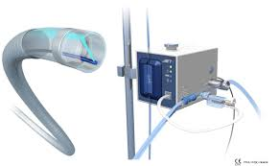
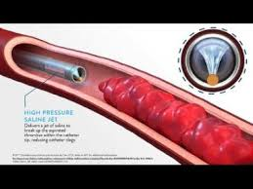
Vascular
 | Abbott expanded peripheral vascular offerings with acquisition of Walk Vascular in 2021
 |  | Peripheral Thrombectomy Devices
 |  | Jeti–6 Fr
 |  |  | Mode of Operation: Internal saline jet just within the catheter tip breaks up thrombus and soft emboli while removing the thrombus through aspiration
 |  |  | FDA Indicated Use: For all peripheral venous and arterial vasculature
 |  | Jeti–8 Fr
 |  |  | Mode of Operation: Internal saline jet just within the catheter tip breaks up thrombus and soft emboli while removing the thrombus through aspiration
 |  |  | FDA Indicated Use: For all peripheral venous and arterial vasculature
Saline jet
 |  | Jeti line competes directly with Penumbra's peripheral Indigo Lightning & Bolt CAVT Systems
 |  |  | Jeti uses a "hydrodynamic" approach. It shoots a high-speed jet of saline at the tip to break up the clot before sucking it in (maceration + aspiration)
 |  |  |  | This is designed to prevent clogging and reduce blood loss by breaking the clot into smaller pieces first

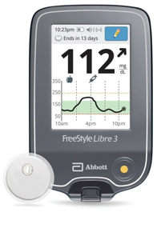
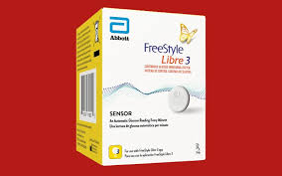
CGMs / Diabetes Care
 | Abbott’s diabetes franchise is a dominant growth driver in The Company's overall medical devices portfolio
 | CGM Monitor - FreeStyle Libre
 |  | FreeStyle Libre 3 System
 |  |  | Abbott's flagship CGM product - Disposable sensor device (Libre 3 / Libre 3 Plus) and reader for viewing sensor outputs … Requires perscription from healthcare provider
 |  |  | The Libre 3 or Libre 3 Plus sensor streams real-time glucose data every minute directly to a reader device or dedicated smartphone app via Bluetooth, with no need to scan the sensor manually
 |  |  |  | Intended patients are all people with Type 1, Type 2 (on insulin), or gestational diabetes
 |  |  |  | Libre 3 Plus has a 15-day wear time and is approved for children as young as 2 years old … Standard Libre 3 sensor has 14-day wear time and is approved for children 4 and older
 |  |  |  | Most advanced censor technology … Includes features necessary for intensive diabetes management … alarms, data sharing with healthcare providers, compatibility with insulin pumps
 |  |  |  |  | World's smallest and thinnest CGM sensor (size of two stacked pennies)
 |  |  |  |  | Huge development for diabetes patients ... eliminates the need for frequent patient fingerstick pricks which have traditionally been required for blood glucose monitoring (BGM)
 |  | FreeStyle Libre 2 System
 |  |  | Abbott's Budget CGM product - Disposable sensor device (Libre 2 / Libre 2 Plus) and reader for viewing sensor outputs … Requires perscription from healthcare provider
Libre 3 Plus Sensor
Reader
 |  |  | The Libre 2 or Libre 2 Plus sensor requires manual scanning ("Flash monitoring") meaning the user must actively hold a reader or smartphone near the sensor on their arm to get a current glucose reading
 |  |  |  | The sensor only stores 8 hours of data. If the user does not scan at least every eight hours, there will be gaps (broken lines) in the historical glucose graph
 |  |  |  | Intended patients are all people with Type 1, Type 2 (on insulin), or gestational diabetes
 |  |  |  | Libre 2 Plus has a 15-day wear time and is approved for children as young as 2 years old … Standard Libre 2 sensor has 14-day wear time and is approved for children 4 and older
 | CGM Monitor - Libre Rio
 |  |  | Abbott's over-the-counter (OTC) continuous glucose monitoring (CGM) system - Disposable sensor device and reader for viewing sensor outputs
 |  |  | The Libre Rio sensor streams real-time glucose data every minute directly to a reader device or dedicated smartphone app via Bluetooth, with no need to scan the sensor manually
 |  |  |  | Intended for patients with type 2 diabetes who do not use insulin and manage their condition primarily through diet and lifestyle
 |  |  |  | Libre Rio has a 14-day wear time and is approved for adults 18 and older
 |  |  |  | Based on the FreeStyle Libre technology … Focuses on providing glucose data and personalized insights for lifestyle management … does not include certain clinical features
 |  | CGM Monitor - Libre Lingo
 |  |  | Abbott's over-the-counter (OTC) continuous glucose monitoring (CGM) system - Disposable sensor device and reader for viewing sensor outputs
 |  |  | The Libre Lingo sensor streams real-time glucose data every minute directly to a reader device or dedicated smartphone app via Bluetooth, with no need to scan the sensor manually
 |  |  |  | Intended for general consumers without diabetes (same market as DXCM's Stelo) for general health and wellness purposes
 |  |  |  | Libre Lingo has a 14-day wear time and is approved for adults 18 and older
 |  |  |  | Based on the FreeStyle Libre technology … Focuses on providing health oriented consumers insights into glocuse levels … data not intended / approved for medical action without consulting healthcare providers
 | Management's strategy for CGM offerings rely on marketing The Company's proven FreeStyle Libre sensor technology across different consumer markets by tailoring the software experience and regulatory clearance for each user base
 |  | Each device has a different intended target audience … relies on the same base technology, but each system uses its own dedicated app, preventing users from simply using the "wrong" software for their condition

Heart Failure

Structural Heart

Electrophysiology

Neuromodulation

Rhythm Management

