Main

Master |  |  |  |  |  |  |  |  |  |  |  | 1
 | BSX
 | Price | 43.79 | 2026-08-02
 | SO | 1,470.2 | Q2'26
 | MC | 64,380
 | Cash | 1,453 | Q2'26
 | Debt | 10,988 | Q2'26
 | EV | 73,915 |  |  |  |  |  | Resources:
 |  |  |  |  |  |  |  | SEC filings |  | https://www.sec.gov/edgar/browse/?CIK=885725&owner=exclude
 | Boston Scientific Corp. (BSX) |  |  |  |  |  |  | Boston Scientific Homepage |  | https://www.bostonscientific.com/en-US/home.html
 |  |  |  |  |  |  |  |  | BSX IR Page |  | https://investors.bostonscientific.com/
 | Founder(s): John Abele, Peter Nicholas |  |  |  | Registered Exchange: NYSE |  |  | Earnings Calls |  | https://seekingalpha.com/symbol/BSX/earnings/transcripts
 | Founded: 1979 |  |  |  | Address: 300 Boston Scientific Way Marlborough, MA 01752-1234 U.S. |  |  | Godel Terminal |  | https://app.godelterminal.com/
 | Headquarted: Marlborough, MA |  |  |  | Investor Relations Contact: |  |  | FDA Med Device Reporting's |  | https://www.fda.gov/medical-devices
 | Current CEO: Michael F. Mahoney (since 2012) |  |  |  | Investors Relation Department |  |  | U.S. Patent Office Search |  | https://ppubs.uspto.gov/pubThe Companybapp/static/pages/ppubsbasic.html
 | Employees: 53,000 (Q4'24) |  |  |  | Phone: | Email: | BSXInvestorRelations@bsci.com |  | BSX IP Catalog |  | https://www.bostonscientific.com/content/dam/bostonscientific/corporate/patent-marking-spreadsheet-6feb-2025.pdf
 | Sector: Healthcare |  |  |  |  |  |  | Thrombecotomy News |  | https://evtoday.com/
 | Industry: Medical Devices |  |  |  |  |  |  | MedTech News |  | https://www.medtechdive.com/
 | IPO: May 19, 1992 -- $1.6B valuation |  |  |  |  |  |  | MacroTrends |  | https://www.macrotrends.net/stocks/charts/BSX/boston-scientific/income-statement?freq=Q
 | Fiscal Year: [January - December] |  |  |  |  |  |  | ROIC, WACC |  | https://www.gurufocus.com/term/wacc/BSX

Overview:
 | Boston Scientific Corporation is a global developer, manufacturer and marketer of medical devices that are used in a broad range of interventional medical specialties for both domestic and international markets
 |  | The Company operates through three segments:
 |  |  | MedSurg: | Minimally invasive devices for endoscopy, urology, and pelvic health
 |  |  | Rhythm and Neuro: | Solutions for cardiac rhythm management (CRM), electrophysiology (EP), and neuromodulation
 |  |  | Cardiovascular: | Devices for interventional cardiology, peripheral interventions, and structural heart
 | The Company states that they operate pursuant to five strategic imperatives
 |  | Strengthen Category Leadership, Expand into High Growth Adjacencies, Drive Global Expansion, Fund the Journey to Fuel Growth and Develop Key Capabilities
 | Management expects to continue to invest in our core businesses and pursue opportunities to diversify and further expand our presence in strategic, high-growth adjacencies and new global markets, including growth within the countries we define as emerging markets
 |  | Maintaining and expanding our international presence is an important component of our long-term growth strategy
 |  | Through our international presence, we seek to increase net sales and market share, leverage our relationships with leading physicians and their clinical research programs, accelerate the time to bring new products to market and gain access to worldwide technological developments that we can implement across our product lines
 | Our research and development efforts are focused largely on the development of next-generation and novel technology offerings across multiple programs and all divisions
 |  | !Check into R&D projects, product pipelines, and create useful life schedules for current assets!
 | In the past several years, The Company has completed numerous acquisitions in support of its growth strategy, both strengthening the core businesses and expanding into high growth adjacent markets

Product Offerings

 | The Company's core businesses are organized into two reportable segments: MedSurg and Cardiovascular. The following describes our key product offerings and new product innovations by reportable segment and business unit
 |  | Rhythm and Neuro operating segment is consolidated into the Cardiovascular segment on financial filings

 | [Build table here]

Notes | Analysis

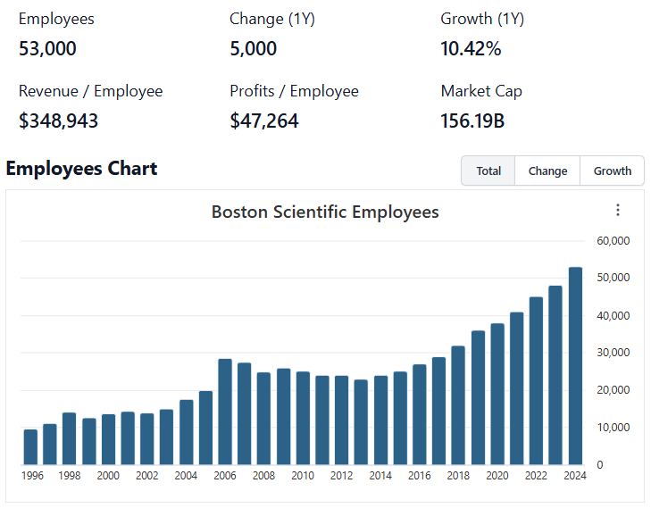
 |  |  |  |  |  |  |  |  |  |  |  |  | 0
Employee Snapshot |  |  |  |  |  |  |  |  |  | Dizzying Amount of M&A
 |  |  |  |  |  |  |  |  |  |  | Will be important to follow up on the durability of organic revenue/earnings, Intelligent M&A is well rewarded by the market in the long run
 |  |  |  |  |  |  |  |  |  |  | Follow up on management scope
 |  |  |  |  |  |  |  |  |  |  | In the future, it's going to be necessary to build out a full cash flow statement. M&A activity demands tracking investing/financing figures just as closely as standard operating figures
 |  |  |  |  |  |  |  |  |  |  | [Build M&A scope]

 |  |  |  |  |  |  |  |  |  | Strong Ttl revenue growth, especially in recent years
 |  |  |  |  |  |  |  |  |  |  | Look for management comments/reporting's on organic vs inorganic sales
 |  |  |  |  |  |  |  |  |  |  | Cardiovascular is the larger business, and it is growing at a faster rate
 |  |  |  |  |  |  |  |  |  |  |  | Look into Cardiovascular vs MedSurg; see if there are any reported figures on profitability comps between segments
 |  |  |  |  |  |  |  |  |  |  | Research BSX market share in each of their business segments
 |  |  |  |  |  |  |  |  |  |  |  | Build list of competitors to model
 |  |  |  |  |  |  |  |  |  |  | Boston Scientific generates a significant portion of it's revenues (~36%) from international clients… listen into earnings call for management comments on tariff affects + potential changes to FY rev/earnings guidance
 |  |  |  |  |  |  |  |  |  |  | Learn more about BSX's venture arm, and the innovative products that are bought and developed internally … now driving top-line growth

 |  |  |  |  |  |  |  |  | Revenue Estimates:
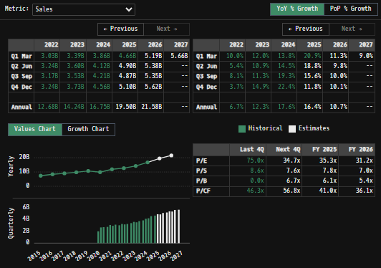

 | Notes: | [X]
 |  | [Y]
 |  | [Z]

Top Institutional Holders:
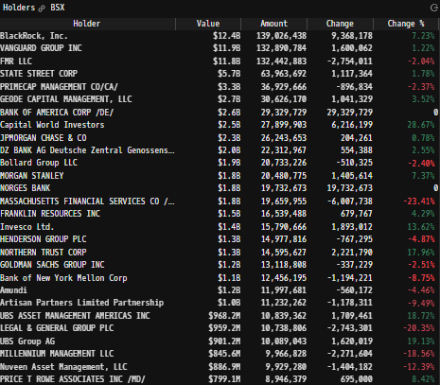

 | Notes: | [X]
 |  | [Y]
 |  | [Z]

Revenue by Segment |  |  |  |  |  |  |  |  | Earnings Snapshot:
(BSX) Revenue by Segment (in $ millions)
 | Endoscopy | Urology | Neuromodulation | Interventional Cardiology | Watchman | Cardiac Rhythm | Electrophysiology | Peripheral Interventions
Q1 2020 | 442 | 332 | 191 | 633 | 41 | 437 | 74 | 393
 | 348 | 228 | 122 | 495 | 68 | 351 | 51 | 340
 | 475 | 350 | 216 | 586 | 74 | 465 | 76 | 417
 | 515 | 376 | 232 | 585 | 36 | 451 | 86 | 427
Q1 2021 | 499 | 361 | 198 | 526 | 170 | 469 | 83 | 433
 | 551 | 397 | 247 | 574 | 216 | 524 | 95 | 473
 | 533 | 384 | 221 | 534 | 210 | 512 | 86 | 452
 | 558 | 441 | 243 | 575 | 233 | 514 | 101 | 462
Q1 2022 | 532 | 413 | 209 | 544 | 226 | 519 | 118 | 465
 | 561 | 450 | 238 | 574 | 250 | 541 | 152 | 478
 | 559 | 433 | 221 | 549 | 262 | 519 | 148 | 479
 | 569 | 477 | 249 | 561 | 281 | 521 | 167 | 477
Q1 2023 | 577 | 469 | 234 | 591 | 291 | 548 | 177 | 502
 | 630 | 485 | 244 | 629 | 317 | 566 | 193 | 535
 | 629 | 483 | 229 | 583 | 323 | 552 | 190 | 538
 | 646 | 527 | 269 | 614 | 343 | 552 | 240 | 534
Q1 2024 | 642 | 513 | 256 | 652 | 344 | 575 | 300 | 575
 | 675 | 525 | 282 | 665 | 379 | 576 | 428 | 590
 | 678 | 532 | 268 | 661 | 380 | 561 | 527 | 602
 | 692 | 630 | 300 | 667 | 413 | 567 | 649 | 643
Q1 2025 | 673 | 633 | 271 | 697 | 425 | 578 | 729 | 657
 | 737 | 676 | 303 | 731 | 486 | 590 | 840 | 698
 | 747 | 682 | 293 | 686 | 512 | 578 | 865 | 702
 | 760 | 717 | 332 | 732 | 541 | 607 | 889 | 708
Q1 2026 | 736 | 646 | 319 | 764 | 506 | 906 | 578 | 749
 | 793 | 684 | 341 | 833 | 507 | 585 | 916 | 783
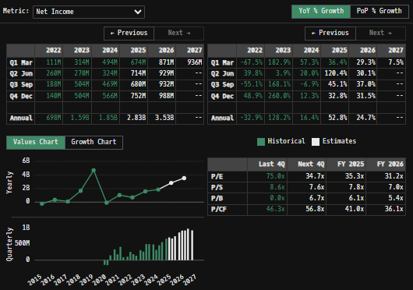
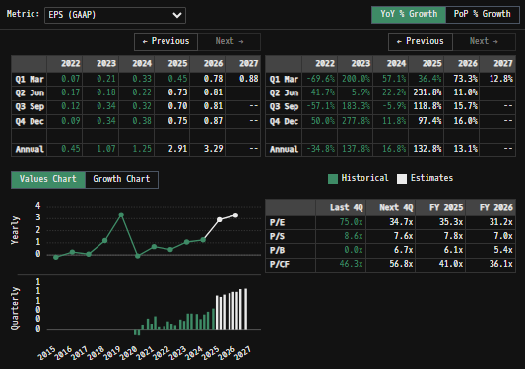

 | Notes: | Watchman and the Electrohpysiology Portfolio are worth building case studies on … Growth is incredible …
 |  | Venture Capital driven … really special to see IP get commercialized so effectively
 |  | [Z]

Revenue by Segment |  |  |  |  |  |  |  |  | Balance Sheet Overview
(BSX) Revenue by Segment (in $ millions)
 | U.S. Revenues | Euro, Mid. East, Afr | A-Pac | Lat Am + Canada
Q1 2020 | 1452 | 552 | 409 | 89
 | 1058 | 416 | 410 | 51
 | 1496 | 540 | 472 | 77
 | 1502 | 589 | 490 | 90
Q1 2021 | 1577 | 604 | 473 | 85
 | 1800 | 662 | 520 | 95
 | 1726 | 590 | 517 | 99
 | 1798 | 662 | 560 | 107
Q1 2022 | 1778 | 624 | 517 | 107
 | 1934 | 660 | 530 | 120
 | 1934 | 585 | 532 | 119
 | 1986 | 657 | 537 | 123
Q1 2023 | 2003 | 712 | 548 | 126
 | 2110 | 723 | 626 | 140
 | 2099 | 671 | 611 | 146
 | 2213 | 750 | 615 | 147
Q1 2024 | 2258 | 803 | 647 | 149
 | 2466 | 822 | 670 | 162
 | 2593 | 773 | 684 | 159
 | 2893 | 830 | 685 | 153
Q1 2025 | 2960 | 846 | 701 | 156
 | 3224 | 878 | 790 | 169
 | 3294 | 793 | 803 | 175
 | 3385 | 933 | 789 | 179
Q1 2026 | 3284 | 932 | 803 | 185
 | 3426 | 932 | 878 | 206
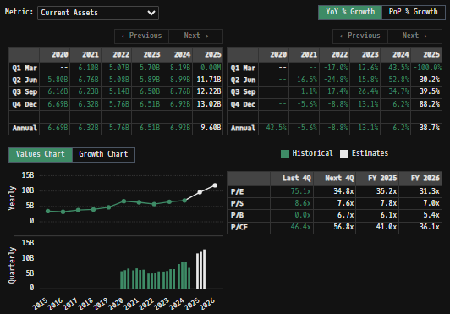
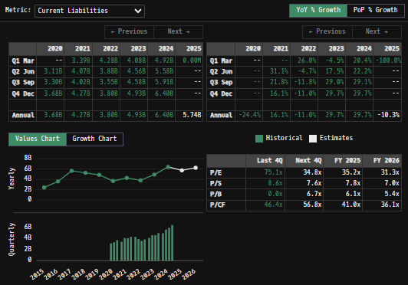

 | Notes: | [X]
 |  | [Y]
 |  | [Z]

Q/q Total Revenues, Net Income, FCF |  |  |  |  |  |  |  |  | Equity Preformance Compared to Peers
(BSX) Quarterly Ttl Revenue, Net Income, Free Cash Flows (in $ millions)
 | Income |  | FCF |  | Revenues
Q1 2020 | 11 | Q1 2020 | -174 | Q1 2020 | 2543
Q2 2020 | -152 | Q2 2020 | 202 |  | 2003
Q3 2020 | -169 | Q3 2020 | 596 |  | 2659
Q4 2020 | 196 | Q4 2020 | 520 |  | 2708
Q1 2021 | 327 | Q1 2021 | 213 | Q1 2021 | 2752
Q2 2021 | 172 | Q2 2021 | 540 |  | 3077
Q3 2021 | 405 | Q3 2021 | 361 |  | 2932
Q4 2021 | 80 | Q4 2021 | 216 |  | 3127
Q1 2022 | 97 | Q1 2022 | 82 | Q1 2022 | 3026
Q2 2022 | 246 | Q2 2022 | -50 |  | 3244
Q3 2022 | 174 | Q3 2022 | 321 |  | 3170
Q4 2022 | 124 | Q4 2022 | 597 |  | 3242
Q1 2023 | 300 | Q1 2023 | 82 | Q1 2023 | 3389
Q2 2023 | 261 | Q2 2023 | 515 |  | 3599
Q3 2023 | 504 | Q3 2023 | 509 |  | 3527
Q4 2023 | 504 | Q4 2023 | 690 |  | 3725
Q1 2024 | 495 | Q1 2024 | -14 | Q1 2024 | 3857
Q2 2024 | 324 | Q2 2024 | 658 |  | 4120
Q3 2024 | 468 | Q3 2024 | 823 |  | 4209
Q4 2024 | 565 | Q4 2024 | 1181 |  | 4561
Q1 2025 | 674 | Q1 2025 | 354 | Q1 2025 | 4663
 | 797 |  | 1129 |  | 5061
 | 755 |  | 1163 |  | 5065
 | 672 |  | 1013 |  | 5286
 | 1341 |  | 171 | Q1 2026 | 5204
 | 907 |  | 1279 |  | 5442

 | Notes: | [X]
 |  | [Y]
 |  | [Z]

Y/y Total Revenue, Net Income, FCF
(BSX) Annualized Ttl Revenue, Net Income, Free Cash Flows (in $ millions)
 | Net Income |  | FCF |  | Revenues
Q1 2020 | -1025 | Q1 2020 |  | 2009 | 8188
Q2 2020 | -1065 | Q2 2020 |  | 2010 | 7806
Q3 2020 | 441 | Q3 2020 |  | 2011 | 7622
Q4 2020 | -4068 | Q4 2020 |  | 2012 | 7249
Q1 2021 | -121 | Q1 2021 |  | 2013 | 7143
Q2 2021 | -119 | Q2 2021 |  | 2014 | 7380
Q3 2021 | -239 | Q3 2021 |  | 2015 | 7477
Q4 2021 | 347 | Q4 2021 |  | 2016 | 8386
Q1 2022 | 104 | Q1 2022 |  | 2017 | 9048
Q2 2022 | 1670 | Q2 2022 |  | 2018 | 9823
Q3 2022 | 4700 | Q3 2022 |  | 2019 | 10735
Q4 2022 | -81 | Q4 2022 | 1144 | 2020 | 9913
Q1 2023 | 1039 | Q1 2023 | 1330 | 2021 | 11888
Q2 2023 | 696 | Q2 2023 | 950 | 2022 | 12682
Q3 2023 | 1592 | Q3 2023 | 1106 | 2023 | 14240
Q4 2023 | 1848 | Q4 2023 | 2648 | 2024 | 16747
Q1 2024 | 2893 | Q1 2024 | 3659 | 2025 | 20075
Q2 2024 |  | Q2 2024
Q3 2024 |  | Q3 2024
Q4 2024 |  | Q4 2024
Q1 2025 |  | Q1 2025

 | Notes: | [X]
 |  | [Y]
 |  | [Z]

BSX Historical Return Histogram (4/30/25)
(BSX) 1-Day Historical Return Histogram + Normal Distribution Overlay

 |  | Min | -7.14% | The return distribution does fit a Gaussian distribution curve, but the curve is quite wide from return variability (high SD in daily avg returns), which reduces confidence in any inferences
 |  | Max | 7.35% | There is slight implied upside to mean 1-day returns
 |  | Mean μ | 0.02%
 |  | Median | 0.05%
 |  | SD σ | 1.38%
 |  | 3σ 1-Day Δ: ± | 4.15% |  | <- Sharpe Ratio (Risk Adjusted Return)
 |  | β (1-year avg.) | 0.73 |  | <- Sortino Ratio (Downside Risk Adjusted Return)

 | n = | 1,994
 | Histogram Data |  |  | Distribution Overlay |  |  | SD Lines
 | Bin | Frequency |  | (X) 1-Day Δ | (Y) Pop. Density |  | X | Y
 | -5.00% | 1 |  | -5.10% | 0.030591924133 | Mean | 0.02% | 0
 | -4.90% | 2 |  | -5.00% | 0.039877712362 |  | 0.02% | 30
 | -4.80% | 2 |  | -4.90% | 0.051710857816 | -3σ | -4.13% | 0
 | -4.70% | 0 |  | -4.80% | 0.066705448846 |  | -4.13% | 2
 | -4.60% | 1 |  | -4.70% | 0.085599049485 | -2σ | -2.75% | 0
 | -4.50% | 1 |  | -4.60% | 0.10927092926 |  | -2.75% | 5
 | -4.40% | 1 |  | -4.50% | 0.13876131072 | -1σ | -1.37% | 0
 | -4.30% | 0 |  | -4.40% | 0.17529124006 |  | -1.37% | 20
 | -4.20% | 0 |  | -4.30% | 0.22028255042 | 1σ | 1.40% | 0
 | -4.10% | 1 |  | -4.20% | 0.27537723922 |  | 1.40% | 20
 | -4.00% | 6 |  | -4.10% | 0.34245542462 | 2σ | 2.78% | 0
 | -3.90% | 2 |  | -4.00% | 0.42365088814 |  | 2.78% | 5
 | -3.80% | 2 |  | -3.90% | 0.52136305791 | 3σ | 4.16% | 0
 | -3.70% | 3 |  | -3.80% | 0.63826415061 |  | 4.16% | 2
 | -3.60% | 3 |  | -3.70% | 0.77730007889
 | -3.50% | 2 |  | -3.60% | 0.94168365924
 | -3.40% | 0 |  | -3.50% | 1.1348786337
 | -3.30% | 2 |  | -3.40% | 1.3605730611
 | -3.20% | 2 |  | -3.30% | 1.6226407517
 | -3.10% | 2 |  | -3.20% | 1.9250896216
 | -3.00% | 6 |  | -3.10% | 2.2719961408
 | -2.90% | 5 |  | -3.00% | 2.6674254399
 | -2.80% | 5 |  | -2.90% | 3.1153371294
 | -2.70% | 5 |  | -2.80% | 3.619477459
 | -2.60% | 7 |  | -2.70% | 4.1832590984
 | -2.50% | 7 |  | -2.60% | 4.8096305237
 | -2.40% | 6 |  | -2.50% | 5.5009377292
 | -2.30% | 8 |  | -2.40% | 6.2587817167
 | -2.20% | 6 |  | -2.30% | 7.0838759031
 | -2.10% | 10 |  | -2.20% | 7.9759081981
 | -2.00% | 10 |  | -2.10% | 8.9334129859
 | -1.90% | 18 |  | -2.00% | 9.9536585673
 | -1.80% | 12 |  | -1.90% | 11.032555732
 | -1.70% | 11 |  | -1.80% | 12.164593013
 | -1.60% | 23 |  | -1.70% | 13.342803793
 | -1.50% | 20 |  | -1.60% | 14.55876979
 | -1.40% | 29 |  | -1.50% | 15.802664533
 | -1.30% | 18 |  | -1.40% | 17.063339254
 | -1.20% | 30 |  | -1.30% | 18.328452279
 | -1.10% | 44 |  | -1.20% | 19.584641383
 | -1.00% | 37 |  | -1.10% | 20.817736961
 | -0.90% | 41 |  | -1.00% | 22.013012128
 | -0.80% | 54 |  | -0.90% | 23.155464201
 | -0.70% | 55 |  | -0.80% | 24.230120475
 | -0.60% | 62 |  | -0.70% | 25.222359882
 | -0.50% | 53 |  | -0.60% | 26.118241034
 | -0.40% | 59 |  | -0.50% | 26.904826495
 | -0.30% | 70 |  | -0.40% | 27.570492795
 | -0.20% | 69 |  | -0.30% | 28.105215823
 | -0.10% | 72 |  | -0.20% | 28.500821839
 | 0.00% | 83 |  | -0.10% | 28.751195311
 | 0.10% | 62 |  | 0.00% | 28.852436193
 | 0.20% | 80 |  | 0.10% | 28.802961006
 | 0.30% | 73 |  | 0.20% | 28.603544041
 | 0.40% | 63 |  | 0.30% | 28.257297197
 | 0.50% | 83 |  | 0.40% | 27.769589189
 | 0.60% | 70 |  | 0.50% | 27.147907049
 | 0.70% | 76 |  | 0.60% | 26.401664923
 | 0.80% | 59 |  | 0.70% | 25.541966977
 | 0.90% | 46 |  | 0.80% | 24.581332768
 | 1.00% | 43 |  | 0.90% | 23.533394542
 | 1.10% | 42 |  | 1.00% | 22.412576688
 | 1.20% | 53 |  | 1.10% | 21.23376781
 | 1.30% | 28 |  | 1.20% | 20.011995769
 | 1.40% | 26 |  | 1.30% | 18.76211543
 | 1.50% | 28 |  | 1.40% | 17.498517956
 | 1.60% | 17 |  | 1.50% | 16.234869213
 | 1.70% | 21 |  | 1.60% | 14.98388337
 | 1.80% | 20 |  | 1.70% | 13.757136183
 | 1.90% | 15 |  | 1.80% | 12.564920692
 | 2.00% | 12 |  | 1.90% | 11.416146409
 | 2.10% | 11 |  | 2.00% | 10.318281472
 | 2.20% | 15 |  | 2.10% | 9.2773357591
 | 2.30% | 11 |  | 2.20% | 8.2978817428
 | 2.40% | 6 |  | 2.30% | 7.3831088383
 | 2.50% | 10 |  | 2.40% | 6.5349062702
 | 2.60% | 7 |  | 2.50% | 5.7539690032
 | 2.70% | 2 |  | 2.60% | 5.0399210804
 | 2.80% | 3 |  | 2.70% | 4.3914507518
 | 2.90% | 8 |  | 2.80% | 3.8064520231
 | 3.00% | 1 |  | 2.90% | 3.2821676958
 | 3.10% | 2 |  | 3.00% | 2.8153295318
 | 3.20% | 3 |  | 3.10% | 2.4022918506
 | 3.30% | 2 |  | 3.20% | 2.0391555838
 | 3.40% | 6 |  | 3.30% | 1.7218805511
 | 3.50% | 3 |  | 3.40% | 1.4463844404
 | 3.60% | 5 |  | 3.50% | 1.2086276476
 | 3.70% | 4 |  | 3.60% | 1.0046837336
 | 3.80% | 1 |  | 3.70% | 0.83079577615
 | 3.90% | 1 |  | 3.80% | 0.68341931965
 | 4.00% | 1 |  | 3.90% | 0.55925295364
 | 4.10% | 3 |  | 4.00% | 0.45525778809
 | 4.20% | 1 |  | 4.10% | 0.36866723722
 | 4.30% | 0 |  | 4.20% | 0.2969885921
 | 4.40% | 0 |  | 4.30% | 0.23799786085
 | 4.50% | 3 |  | 4.40% | 0.18972929914
 | 4.60% | 0 |  | 4.50% | 0.15046095503
 | 4.70% | 0 |  | 4.60% | 0.11869742256
 | 4.80% | 0 |  | 4.70% | 0.093150850814
 | 4.90% | 0 |  | 4.80% | 0.07272109776
 | 5.00% | 0 |  | 4.90% | 0.056475760672
 | More | 8 |  | 5.00% | 0.043630663252
 |  |  |  | 5.10% | 0.03353123919
...

Interventional Cardiology
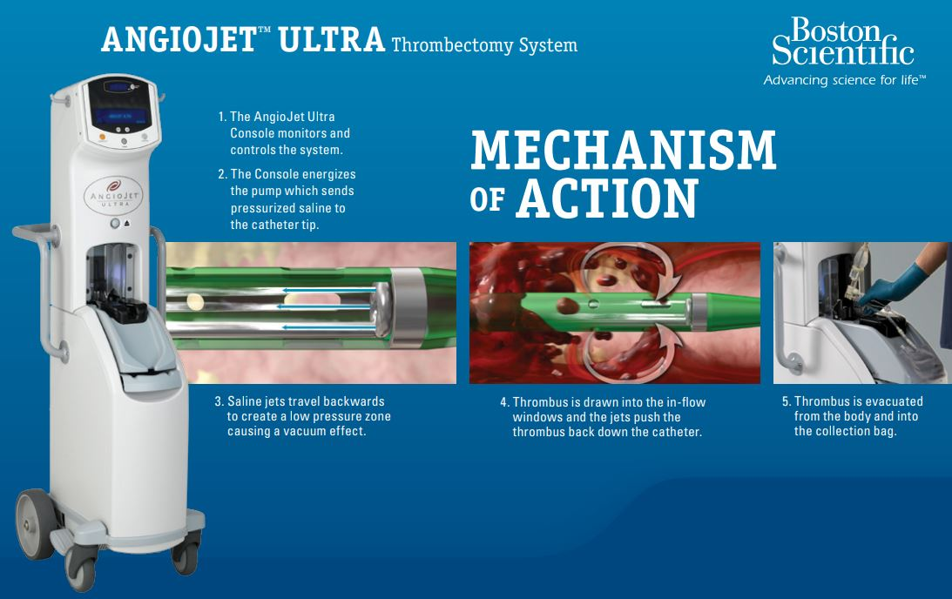
 |  |  |  |  |  |  | 0
ANGIOJET Peripheral Thrombectomy System
 | The AngioJet Thrombectomy System is a pharmacomechanical peripheral thrombectomy device with active aspiration and Power Pulse™ lytic delivery designed to treat the widest range of thrombosed vessels, rapidly restoring blood flow
 |  | AngioJet is a console‑based rheolytic thrombectomy system composed of a mobile drive unit, a disposable pump set, and a family of single‑use catheters
 |  | High‑pressure saline is pumped to jet orifices near the catheter tip; the jets exit retrograde, creating a localized low‑pressure (Venturi) zone that sucks thrombus into side windows
 |  |  | The resulting behavior can be thought of as a high‑pressure, internal “washout” within the vessel itself
 |  | Fragments and transports clot particles back through the catheter to an external collection bag, providing active aspiration while minimizing distal embolization
 | Key features that differentiate The Company's thrombectomy offering include:
 |  | Rheolytic thrombus removal (no rotating parts), suitable for fresh and subacute clot
 |  | Power Pulse™ mode, allowing infusion of physician‑selected lytic agent into the thrombus followed by mechanical removal, i.e., pharmacomechanical thrombectomy
 |  |  | Power Pulse mode is a feature of the AngioJet Thrombectomy System that combines mechanical clot disruption with simultaneous, targeted infusion of thrombolytic drugs (like tPA) directly into the thrombus
 |  |  | Allows for delivering of medication where it's most effective to soften clots and speed up removal … offers flexibility for physicians to treat various clot burdens and restore blood flow rapidly in peripheral arteries
 |  | The AngioJet Ultra platform covers arterial, venous, and arteriovenous (AV) access indications (all trad peripheral indications) … Accompaning catheter families optimized by vessel size and anatomy for optimal treatment outcomes
 |  |  | Representative use cases in deep vein thrombosis (DVT), peripheral arteries, AV access (dialysis fistulas and grafts) and legacy coronary treatments
 | From an industry perspective, newer aspiration‑based systems (PEN Lightning, NARI ClotTriever/FlowTriever) are driving a shift toward larger‑lumen catheters, simplified setup, and “no‑lytic” (tPA / drug assisted thrombectomy) strategies
 |  | The use of larger "super-sized" bore catheters is associated with a higher aspiration force and improved clot retrieval efficacy
 |  |  | Elsesser mentioned on a PEN conference call that enlarging catheter lumen improves aspiration force to a point … although simply maximizing lumen size yields diminishing returns due to the physics of fluid dynamics in the brain's vasculature
 |  |  | For aspiration to work effectively, you need "flow ingestion" or the ability to suck the clot into the catheter using high-speed fluid flow …
 |  |  |  | Elsesser and Penumbra have historically argued that 0.072" (1.83 mm) represents an optimal "sweet spot" for the Middle Cerebral Artery (MCA) balancing three critical factors that decline if lumen size goes larger:
 |  |  |  | The Corking Effect:
 |  |  |  |  | If a catheter is too large (e.g., "super bore" 0.088" in a 2.5mm vessel), it effectively seals the vessel like a cork … This completely stops blood flow …
 |  |  |  |  |  | Without blood flow around the tip, the catheter acts like a static vacuum plug rather than a vacuum cleaner … It cannot "ingest" the clot because there is no fluid flow to sweep the thrombus into the mouth of the catheter
 |  |  |  | An "Optimal Ratio":
 |  |  |  |  | Studies and Penumbra's commentary suggest the optimal catheter-to-vessel diameter ratio is roughly 0.7 to 0.8 … Exceeding this ratio creates a seal that reduces aspiration efficiency
 |  |  |  | Trackability Trade-off:
 |  |  |  |  | Enlarging the lumen generally requires stiffer walls to prevent collapse under vacuum … Ezperts have argued that "super bore" catheters sacrifice the flexibility needed to navigate tortuous anatomy ("trackability") to reach the clot in the first place

EKOS / EKOS+ Endovascular System
 | Boston Scientific’s EKOS Endovascular System is an ultrasound‑assisted, catheter‑directed thrombolysis platform used to dissolve thrombus in pulmonary embolism (PE), deep vein thrombosis (DVT), and select peripheral arterial occlusions
 |  | It is a lytic‑based therapy focused on accelerating and localizing drug effect, rather than a purely mechanical thrombectomy device
 |  | The EKOS system consists of three components:
 |  |  | An infusion catheter that delivers a thrombolytic drug (typically tPA) along the length of the clot
 |  |  | An ultrasonic core wire that sits inside the infusion catheter and emits high‑frequency, low‑power ultrasound energy
 |  |  | A control unit that powers and monitors the ultrasonic core
 |  | Ultrasound energy mechanically unwinds and thins fibrin strands and produces “acoustic streaming,” which drives the lytic agent deeper into the thrombus and exposes more binding sites
 |  |  | This allows effective clot dissolution with much lower lytic dose and shorter infusion times compared with standard catheter‑directed thrombolysis (CDT) or systemic thrombolysis
 |  |  | EKOS is cleared for ultrasound‑assisted, catheter‑directed thrombolysis in pulmonary Embolism (PE), deep vein thrombosis (DVT), and Peripheral arterial occlusions (POA)
 | EKOS is fundamentally pharmacologic plus ultrasound; it does not aspirate or physically remove clots in the way PEN, NARI, or other systems do
 |  | The device serves the market as an option for patients who are poor candidates for full‑dose systemic lytics but in whom some lytic use is acceptable and as a therapy favored by some centers for intermediate‑risk PE, where data support RV function improvement with relatively low bleeding risk
 |  | Mechanical thrombectomy is growing rapidly in the stroke treatment space while gaining guidline traction … there is still a place for EKOS (occupies the ultrasound‑assisted lytic niche), but market share is being taken by aspiration devices

On 1/15/2026 Boston Scientific entered an agreement to acquire Penumbra at $374 dollars per share or ~$14.5B … This is Boston Scientific's largest acquisition to date and vastly exands its Thrombectomy and Embolectomy portfolios

Watchman
WATCHMAN FLX
 | The Boston Scientific Watchman FLX is a percutaneous, transcatheter left atrial appendage (LAA) closure device designed as an alternative to long-term oral anticoagulation (OAC) in patients with non-valvular atrial fibrillation (NVAF) at increased risk of stroke and systemic embolism
 |  | NVAF significantly increases the risk of thromboembolic stroke due to blood stasis in the left atrial appendage (LAA)
 |  |  | Stroke prevention in atrial fibrillation (AF) patients who either cannot take or do poorly on long‑term anticoagulants
 |  | FLX is also approved for NVAF patients eligible for anticoagulation therapy aswell (wider label / patient pool)
 | Unlike direct oral anticoagulants (DOACs) or warfarin, which carry inherent bleeding risks, the Watchman FLX mechanically excludes the LAA (primary site of thrombus formation in atrial fibrillation (AF)) ... reducing stroke risk without necessitating lifelong anticoagulant treatment
 |  | WATCHMAN device was the first of its kind to receive FDA approval as a Left Atrial Appendage Closure (LAAC) device … novel device that emerged from BSX's VC arm and has since been widely adopted by the global market … incredible success story
 | The device is implanted via a minimally invasive procedure and, following endothelialization, typically allows discontinuation of oral anticoagulants after a short-term post-implant antithrombotic regimen
 |  | Large contemporary medical registries report that Watchman implant success rates are ~98-99% and result in high left atrial appendage seal rates, which has reinforced physician confidence and encouraged broader use globally
 |  |  | Better procedural success and more consistent outcomes
 | Compared to OACs, the Watchman FLX may be particularly advantageous for patients with contraindications to anticoagulation (ex: history of major bleeding, high fall risk, or compliance challenges), offering a durable solution with comparable stroke prevention efficacy while mitigating hemorrhagic risks

 |  | Seems like a great technology for addressing risks associated with elderly patients being treated with OACs
 | Since NVAF-related strokes often originate from the LAA, occluding the LAA (via devices like Watchman FLX) can be an effective alternative to long-term anticoagulation in eligible patients, particularly those with high bleeding risk

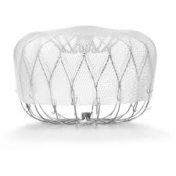
 | Watchman FLX Implant:
 |  |  |  | WATCHMAN (now mainly WATCHMAN FLX) is a self‑expanding nitinol frame with fixation anchors and a permeable fabric cap (polyethylene terephthalate) that sits at the opening of the left atrial appendage (LAA)
 |  |  |  |  | It is delivered percutaneously via a trans‑septal sheath from the femoral vein, then deployed like a parachute/umbrella to plug the LAA orifice
 |  |  |  |  | The device is recapturable and repositionable before final release offering physicians superior implant flexibility
 |  |  |  |  | Average patient expected to heal within 45 days of the procedure … the exposed surface becomes covered with endothelial tissue, permanently sealing off the LAA so clots that form inside cannot escape into the systemic circulation
 |  |  |  |  |  | Boston Scientific’s cited post-implant regimen in the FLX study was NOAC/ASA for 45 days, then clopidogrel/ASA to 6 months, then aspirin afterward … Rapidly de-risks patients from further thromboembolic stroke complications and drops need for OACs
 |  |  |  | From an engineering standpoint, while WATCHMAN is 'just' a nitinol plug with fabric, clinically it hits several sweet spots in the market it serves …
 |  |  |  |  | Solves a single, well‑characterized failure mode (LAA thrombus formation) with a localized mechanical solution
 |  |  |  |  | Converts a chronic systemic therapy problem (lifelong anticoagulation medication ingestion) into a discrete procedural problem, which fits the incentives of hospitals, EP labs, and device companies to drive superior patient outcomes (contrary to many healthcare sceptic beliefs)
 |  |  |  |  | BSX's R&D team has iterated quickly (2.5 -> FLX -> FLX Pro) to improve safety and endothelialization while growing the addressable anatomy range over the last few years (see most recent patient TAM numbers below)

 | Market Position: |  | https://www.massdevice.com/boston-scientific-farapulse-watchman-drive-2025-growth/
 | Boston Scientific's Watchman FLX (including its latest iteration, Watchman FLX Pro) holds a commanding position in the global left atrial appendage closure (LAAC) device market, maintaining approximately 70-90% market share due to its robust clinical evidence, first-mover advantage, reimbursement support, and broad physician adoption

 |  | Huge, clearly defined patient pool … growing prevelance of AF in a aging global population with a large cohort already intolerant to OACs
 |  | For patients and referring physicians, the story is straightforward: “Plug the pouch where the clot forms; potentially stop blood thinners later” … That clarity drives referrals from cardiologists, neurologists, and primary care
 |  |  | Very simple reimbursment process on the commercial side
 |  |  | The device is a key growth engine for Boston Scientific's structural heart portfolio, with the company reporting ~20% compound annual growth rate (CAGR) for Watchman in 2025, reflecting both category expansion and significant sales momentum
 |  | Boston Scientific describes WATCHMAN FLX as built on the “most studied and implanted” LAAC platform, which supports physician familiarity and adoption
 | While Abbott’s Amplatzer Amulet is gaining share in Europe and launched in the US, Watchman’s entrenched customer base, earlier US approval, and continuous innovation enable it to maintain a substantial lead in both procedural volume and revenue
 | In July, Boston Scientific received FDA approval expanding Watchman FLX and FLX Pro labels to include post-ablation patients, potentially adding 1-2 million patients globally to their market
 |  | Expansion to potential patient population is BIG and will substantially boost procedural volumes, securing Watchman's category leadership
 | Boston Scientific received FDA approval expanding Watchman FLX and FLX Pro labels to include post-ablation patients, potentially adding 1-2 million patients globally to their market

