Main

Master
 | DXCM
 | Price | 78.30 | 9/21/2026
 | SO | 382 | Q2'26
 | MC | 29,926
 | Cash | 1,947 | Q2'26
 | Debt | 83 | Q2'26
 | EV | 28,062

 | DexCom, Inc. (DXCM)

 | Founder(s): Scott Glenn, John Burd, Lauren Otsuki, Ellen Preston, and Bret Megargel |  |  |  |  |  |  | Resources:
 | Founded: 1999 |  |  |  |  |  |  | SEC filings |  | https://www.sec.gov/edgar/browse/?CIK=310764&owner=exclude
 | Headquarters: San Diego, CA |  |  | Registered Exchange: NASDAQ |  |  |  | Company Homepage |  | dexcom.com/en-us
 | Current CEO: Kevin Sayer |  |  | Address: 6340 Sequence Drive San Diego, CA 92121 U.S. |  |  |  |  | Company IR Page |  | https://investors.dexcom.com/overview/default.aspx
 | Employees: 10,300 |  |  | Investor Relations Contact: |  |  |  | Earnings Calls |  | https://seekingalpha.com/symbol/DXCM/earnings/transcripts
 | Industry: CGMS - Medical Devices |  |  | Investors Relation Department |  |  |  | Equity Analysis |  | https://stockanalysis.com/stocks/dxcm/company/
 | Sector: Healthcare |  |  | Phone: | (858) 410-1560 | Email: | IR@dexcom.com | MacroTrends |  | https://www.macrotrends.net/stocks/charts/DXCM/dexcom/cash-flow-statement?freq=Q
 | IPO: Apr 14, 2005 |  |  |  |  |  |  | ROIC, WACC |  | https://www.gurufocus.com/term/wacc/DXCM
 | Fiscal Year: [January - December] |  |  |  |  |  |  | Godel Terminal |  | https://app.godelterminal.com/

Company Overview:
 | DexCom, Inc., a medical device company, focuses on the design, development, and commercialization of continuous glucose monitoring (CGM) systems in the United States and internationally
 | The Company provides its systems for the management of diabetes and metabolic health by patients, caregivers, and clinicians
 | Its products include:
 |  | Dexcom G6 and Dexcom G7, integrated CGM systems for diabetes management
 |  | Dexcom Share, a remote monitoring system; Dexcom Real-Time API, which enables authorized third-party software developers to integrate real-time CGM data into their digital health apps and devices
 |  | Dexcom ONE, that is designed to replace finger stick blood glucose testing for diabetes treatment decisions
 |  | Stelo, a new over-the-counter glucose biosensor designed for adults with prediabetes and Type 2 diabetes
 |  |  | Stelo is a new offering put out by Dexcom and Oura, fitting into the Oura ring software ecosystem
 |  |  | Stelo is an over-the-counter (OTC) continuous glucose monitor (iCGM)—the first in its class FDA-cleared for adults (18+) not on insulin, available without a prescription
 |  |  | Designed for the wellness, prediabetic, and health-optimization population—not intended for diabetics on insulin or those with problematic hypoglycemia … Health nut target
 | The Company has a collaboration and license agreement with Verily Life Sciences LLC and Verily Ireland Limited to develop blood-based or interstitial glucose monitoring products
 |  | Verily Life Sciences LLC is a subsidiary of Alphabet (GOOG) which operates in the wider healthcare market
 | It markets its products directly to endocrinologists, physicians, and diabetes educators
 | The Company was incorporated in 1999 and is headquartered in San Diego, California

Business Segments and Geographical Info:

Notes | Quant Analysis
 |  |  |  |  |  |  |  |  |  | 0
Employee Scope: |  |  |  |  |  |  |  |  | General Notes/Observations (Updated Q1'25)

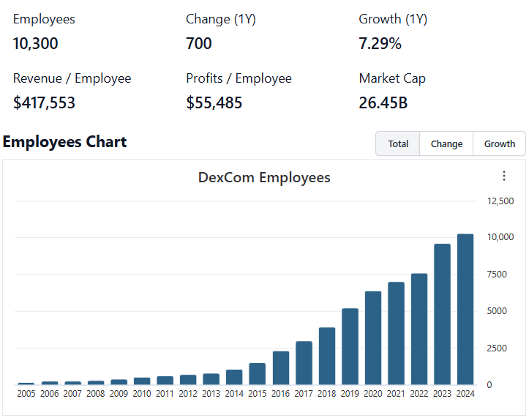

 | Notes: | Kevin Sayer serves as The Company's CEO
 |  | [Y]
 |  | [Z]
 |  |  |  |  |  |  |  |  | Financial Stmts. Notes/Observations
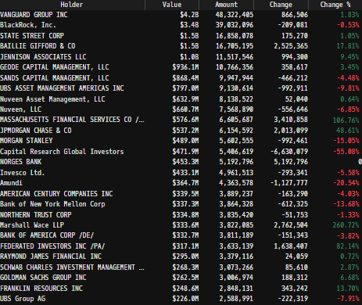
Institutional Ownership Snapshot Q2'25 |  |  |  |  |  |  |  |  | Revenues:
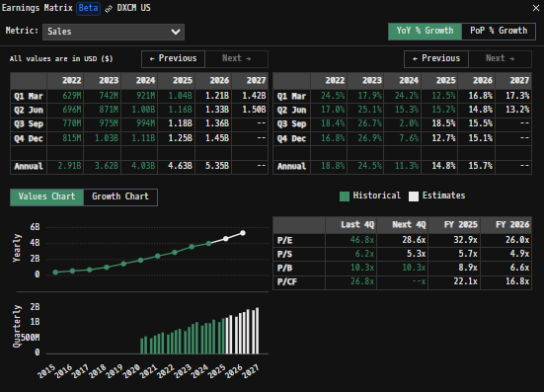

 | Notes: | Alphabet Inc. (GOOG) holds a minority interest in DXCM (~0.27% stake) - just over a million shares … Investigate further … was there an old partnership or spin off?
 |  |  | In August 2015, Dexcom entered a partnership with Google's life sciences team (which later became Verily) to jointly develop next-generation continuous glucose monitoring (CGM) products
 |  |  | The collaboration aimed to combine Google’s miniaturized electronics platform with Dexcom's biometric sensor technologies
 |  |  |  | This allowed the team to create smaller, less expensive and disposable CGM sensors without finger pricking … This is their patch business which relays data back to the DXCM app
 |  |  | DXCM retained sales and distribution rights but made upfront and milestone payments to Google/Verily as part of the collab and licensing deal
 |  |  |  | The partnership included Alphabet receiving over a billion shares of Dexcom via stock payments as part of licensing and collaboration agreements
 |  |  | The collaboration involves ongoing joint product development, sharing R&D resources, and expanded options for joint ventures in diabetes technology
 |  | [Y]
 |  | [Z]

(DXCM) Revenue by Segment (in $ millions)
 | Distributor Revenues | Direct Revenues
Q1 2020 | 286.1 | 119.0
 | 331.7 | 120.1
 | 382.4 | 118.5
 | 437.4 | 131.5
Q1 2021 | 390.7 | 114.3
 | 495.9 | 99.2
 | 552.3 | 97.9
 | 410.5 | 287.7
Q1 2022 | 527.1 | 101.7
 | 585.1 | 111.1
 | 656.2 | 113.4
 | 702.4 | 112.8
Q1 2023 | 618.9 | 122.6
 | 738.8 | 132.5
 | 713.6 | 261.4
 | 1024.3 | 10.2
Q1 2024 | 778.8 | 142.5
 | 860.1 | 144.2
 | 843.3 | 150.9
 | 947.9 | 165.3
Q1 2025 | 880.0 | 156.0
 | 977.8 | 179.3
 | 1026.0 | 183.3
 | 1075.2 | 184.4
Q1 2026 | 1010.3 | 181.6
 | 1102.4 | 206.0
Revenue Breakdown by Segment |  |  |  |  |  |  |  |  | Earnings Scope:
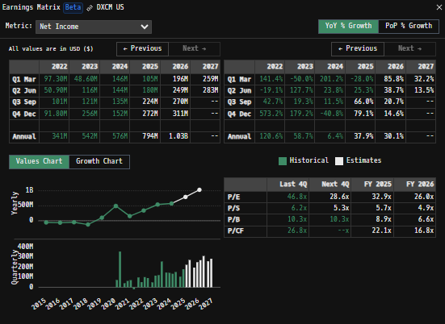
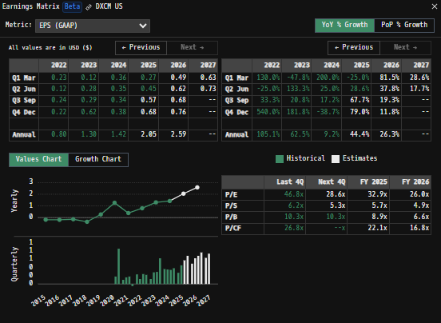
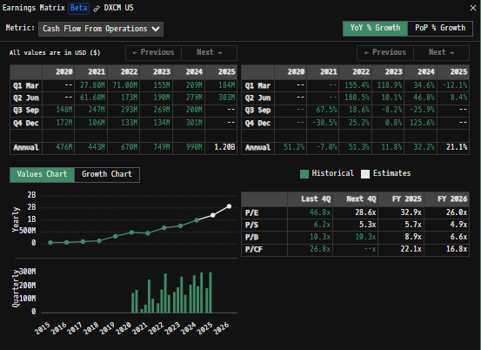

 | Notes: | [X]
 |  | [Y]
 |  | [Z]

(DXCM) Quarterly Ttl Revenues, Net Income, Free Cash Flows (in $ millions)
 | Income |  | FCF |  | Revenues
Q1 2020 | 19.9 | Q1 2020 | -31.3 | Q1 2020 | 405.1
Q2 2020 | 46.3 | Q2 2020 | 95.9 |  | 451.8
Q3 2020 | 72.2 | Q3 2020 | 100.2 |  | 500.9
Q4 2020 | 413.8 | Q4 2020 | 111.8 |  | 568.9
Q1 2021 | 56.5 | Q1 2021 | -71.9 | Q1 2021 | 505.0
Q2 2021 | 78.9 | Q2 2021 | -39.6 |  | 595.1
Q3 2021 | 88.6 | Q3 2021 | 139.3 |  | 650.2
Q4 2021 | -7.1 | Q4 2021 | 25.5 |  | 698.2
Q1 2022 | 99.3 | Q1 2022 | -30.6 | Q1 2022 | 628.8
Q2 2022 | 52.8 | Q2 2022 | 81.3 |  | 696.2
Q3 2022 | 103.0 | Q3 2022 | 185.2 |  | 769.6
Q4 2022 | 86.1 | Q4 2022 | 68.8 |  | 815.2
Q1 2023 | 48.6 | Q1 2023 | 80.7 | Q1 2023 | 741.5
Q2 2023 | 115.9 | Q2 2023 | 131.3 |  | 871.3
Q3 2023 | 120.7 | Q3 2023 | 218.8 |  | 975.0
Q4 2023 | 256.3 | Q4 2023 | 81.1 |  | 1034.5
Q1 2024 | 146.7 | Q1 2024 | 152.3 | Q1 2024 | 921.3
Q2 2024 | 143.5 | Q2 2024 | 216.9 |  | 1004.3
Q3 2024 | 134.6 | Q3 2024 | 88.3 |  | 994.2
Q4 2024 | 151.4 | Q4 2024 | 176.8 |  | 1113.2
Q1 2025 | 105.4 | Q1 2025 | 96.8 | Q1 2025 | 1036.0
 | 179.8 |  | 208.9 |  | 1157.1
 | 283.8 |  | 579.4 |  | 1209.3
 | 267.3 |  | 192.1 |  | 1259.6
 | 199.5 |  | 449 | Q1 2026 | 1191.9
 | 249.1 |  | 184.5 |  | 1308.4
Q/q Total Revenues, Net Income, FCF |  |  |  |  |  |  |  |  | Balance Sheet Scope:
 |  |  |  |  |  |  |  |  | [Godel Snapshot of projected balances (assets, liabilities, equity)]

 | Notes: | [X]
 |  | [Y]
 |  | [Z]

Y/y Total Revenues, Net Income, FCF |  |  |  |  |  |  |  |  | [Equity Preformance Compared to Peers]
(DXCM) Annual Ttl Revenues, Net Income, Free Cash Flows (in $ millions)
 | Income |  | FCF |  | Revenues
Q1 2020 | -44.6 | Q1 2020 | -38.0 | 2011 | 76.4
Q2 2020 | -54.5 | Q2 2020 | -42.6 | 2012 | 99.9
Q3 2020 | -29.8 | Q3 2020 | -5.5 | 2013 | 160.0
Q4 2020 | -22.3 | Q4 2020 | 7.4 | 2014 | 259.2
Q1 2021 | -57.5 | Q1 2021 | 15.7 | 2015 | 402.0
Q2 2021 | -65.6 | Q2 2021 | 0.5 | 2016 | 573.3
Q3 2021 | -50.2 | Q3 2021 | 26.0 | 2017 | 718.5
Q4 2021 | -127.1 | Q4 2021 | 56.1 | 2018 | 1031.6
Q1 2022 | 101.1 | Q1 2022 | 130.3 | 2019 | 1476.0
Q2 2022 | 552.2 | Q2 2022 | 276.6 | 2020 | 1926.7
Q3 2022 | 216.9 | Q3 2022 | 53.3 | 2021 | 2448.5
Q4 2022 | 341.2 | Q4 2022 | 304.7 | 2022 | 2909.8
Q1 2023 | 541.5 | Q1 2023 | 511.9 | 2023 | 3622.3
Q2 2023 | 576.2 | Q2 2023 | 634.3 | 2024 | 4033.0
Q3 2023 | 836.3 | Q3 2023 | 1077.2 | 2025 | 4662.0
Q4 2023 |  | Q4 2023
Q1 2024 |  | Q1 2024
Q2 2024 |  | Q2 2024
Q3 2024 |  | Q3 2024
Q4 2024 |  | Q4 2024
Q1 2025 |  | Q1 2025
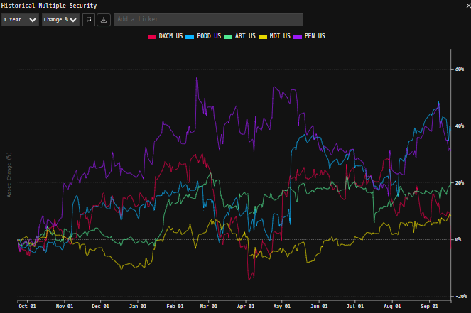

 | Notes: | [X]
 |  | [Y]
 |  | [Z]

(DXCM) Historical Return Histogram + Normal Distribution Overlay

 |  | Min | -8.40%
 |  | Max | 11.23%
 |  | Mean μ | 0.00%
 |  | Median | 0.03%
 |  | SD σ | 2.33%
 |  | 3σ 1-Day Δ: ± | 6.99% |  | <- Sharpe Ratio (Risk Adjusted Return)
 |  | β (1-year avg.) | 1.49 |  | <- Sortino Ratio (Downside Risk Adjusted Return)

 | n = | 1,256
 | Histogram Data |  |  | Distribution Overlay |  |  | SD Lines
 | Bin | Frequency |  | (X) 1-Day Δ | (Y) Pop. Density |  | X | Y
 | -7.00% | 6 |  | -7.25% | 0.13621792461 | Mean | 0.00% | 0
 | -6.75% | 1 |  | -7.00% | 0.18906588154 |  | 0.00% | 17
 | -6.50% | 0 |  | -6.75% | 0.25941364979 | -3σ | -7.00% | 0
 | -6.25% | 2 |  | -6.50% | 0.35186270672 |  | -7.00% | 2
 | -6.00% | 2 |  | -6.25% | 0.4717961685 | -2σ | -4.67% | 0
 | -5.75% | 2 |  | -6.00% | 0.62536897997 |  | -4.67% | 3
 | -5.50% | 5 |  | -5.75% | 0.81944350263 | -1σ | -2.34% | 0
 | -5.25% | 9 |  | -5.50% | 1.061457114 |  | -2.34% | 11
 | -5.00% | 4 |  | -5.25% | 1.3592102574 | 1σ | 2.33% | 0
 | -4.75% | 6 |  | -5.00% | 1.720567003 |  | 2.33% | 11
 | -4.50% | 6 |  | -4.75% | 2.1530657448 | 2σ | 4.66% | 0
 | -4.25% | 4 |  | -4.50% | 2.6634450932 |  | 4.66% | 3
 | -4.00% | 7 |  | -4.25% | 3.2570990082 | 3σ | 6.99% | 0
 | -3.75% | 8 |  | -4.00% | 3.937485138 |  | 6.99% | 2
 | -3.50% | 13 |  | -3.75% | 4.7055202857
 | -3.25% | 12 |  | -3.50% | 5.5590058067
 | -3.00% | 17 |  | -3.25% | 6.4921322856
 | -2.75% | 23 |  | -3.00% | 7.4951158262
 | -2.50% | 29 |  | -2.75% | 8.5540166628
 | -2.25% | 25 |  | -2.50% | 9.6507838859
 | -2.00% | 28 |  | -2.25% | 10.76355772
 | -1.75% | 32 |  | -2.00% | 11.867243483
 | -1.50% | 49 |  | -1.75% | 12.93435025
 | -1.25% | 49 |  | -1.50% | 13.936064136
 | -1.00% | 57 |  | -1.25% | 14.843503215
 | -0.75% | 64 |  | -1.00% | 15.62908095
 | -0.50% | 44 |  | -0.75% | 16.267889939
 | -0.25% | 52 |  | -0.50% | 16.739009877
 | 0.00% | 64 |  | -0.25% | 17.026644205
 | 0.25% | 67 |  | 0.00% | 17.120999377
 | 0.50% | 62 |  | 0.25% | 17.018838505
 | 0.75% | 63 |  | 0.50% | 16.723665722
 | 1.00% | 60 |  | 0.75% | 16.245526626
 | 1.25% | 48 |  | 1.00% | 15.600440651
 | 1.50% | 55 |  | 1.25% | 14.809510097
 | 1.75% | 52 |  | 1.50% | 13.897774923
 | 2.00% | 35 |  | 1.75% | 12.892899902
 | 2.25% | 33 |  | 2.00% | 11.823789874
 | 2.50% | 27 |  | 2.25% | 10.719229034
 | 2.75% | 21 |  | 2.50% | 9.6066319655
 | 3.00% | 19 |  | 2.75% | 8.51097884
 | 3.25% | 13 |  | 3.00% | 7.4539868758
 | 3.50% | 9 |  | 3.25% | 6.4535472178
 | 3.75% | 13 |  | 3.50% | 5.5234333181
 | 4.00% | 7 |  | 3.75% | 4.6732659179
 | 4.25% | 5 |  | 4.00% | 3.9087026004
 | 4.50% | 6 |  | 4.25% | 3.2318077401
 | 4.75% | 8 |  | 4.50% | 2.6415519792
 | 5.00% | 4 |  | 4.75% | 2.1343889329
 | 5.25% | 5 |  | 5.00% | 1.7048599751
 | 5.50% | 2 |  | 5.25% | 1.346184621
 | 5.75% | 0 |  | 5.50% | 1.0508029657
 | 6.00% | 2 |  | 5.75% | 0.8108466188
 | 6.25% | 4 |  | 6.00% | 0.61852446954
 | 6.50% | 3 |  | 6.25% | 0.46641855177
 | 6.75% | 2 |  | 6.50% | 0.34769264352
 | 7.00% | 1 |  | 6.75% | 0.25622172046
 | More | 10 |  | 7.00% | 0.18665393037
 |  |  |  | 7.25% | 0.13441851424
...

