Main

 | FIG
 | Price | 23.95 | 10/22/2026
 | SO | 455.1 | Q2'26
 | MC | 10,900
 | Cash | 1,683 | Q2'26
 | Debt | - | Q2'26
 | EV | 9,217

 | Figma, Inc. (FIG)

 | Founder(s): Dylan Field and Evan Wallace |  |  | Registered Exchange: NASDAQ |  |  | Resources:
 | Founded: 2012 |  |  | Address: 760 Market Street, San Francisco, CA 94102 U.S. |  |  | SEC filings |  | https://www.sec.gov/edgar/browse/?CIK=1579878&owner=exclude
 | Headquarters: San Francisco, CA |  |  | Investor Relations Contact: |  |  | Company Homepage |  | https://www.figma.com/
 | Current CEO: Dylan Field |  |  | Investors Relation Department |  |  |  | Company IR Page |  | https://investor.figma.com/overview/default.aspx
 | Employees: 1,886 |  |  | Phone: | (415) 890 - 5404 | Email: | Earnings Calls |  | https://seekingalpha.com/symbol/FIG/earnings/transcripts
 | Industry: Software Services |  |  |  |  |  | Equity Analysis |  | https://stockanalysis.com/stocks/fig/company/
 | Sector: Technology |  |  |  |  |  | MacroTrends |  | https://www.macrotrends.net/stocks/charts/FIG/figma/income-statement
 | IPO: Jul 31, 2025 -- $19.3B valuation |  |  |  |  |  | ROIC, WACC |  | https://www.gurufocus.com/term/wacc/FIG
 | Fiscal Year: [January - December] |  |  |  |  |  | Godel Terminal |  | https://app.godelterminal.com/

Company Overview:
 | Figma, Inc. develops and sells a collaborative, browser-based platform for designing, prototyping, building digital experiences, and subscriptions for access to its platform
 | The Company offers Figma Design, a collaborative design tool for teams that explore ideas and gather feedback, build realistic prototypes, and streamline product development with design systems
 |  | Dev Mode to inspect designs and translate them into code without changing the design file
 |  | FigJam to define ideas, align decisions, and move work forward—all in one place
 |  | Figma Slides, a presentation tool built for designers and their teams
 | It also provides Figma Draw to create expressive designs with illustration tools; Figma Buzz, which publishes brand templates to create social media assets, display ads, one-pagers, and others
 |  | Figma Sites to design, prototype, and publish; Payload CMS is an open-source, headless content management system and application framework acquired by Figma; Figma Make, an AI tool to design and prompt way to a functional prototype; Figma Weave for AI-powered media generation and editing
 | The Company was incorporated in 2012 and is headquartered in San Francisco, California

Business Segments and Geographical Info:

Notes | Quant Analysis
 |  |  |  |  |  |  |  |  |  | 0
Employee Scope: |  |  |  |  |  |  |  |  | General Notes/Observations

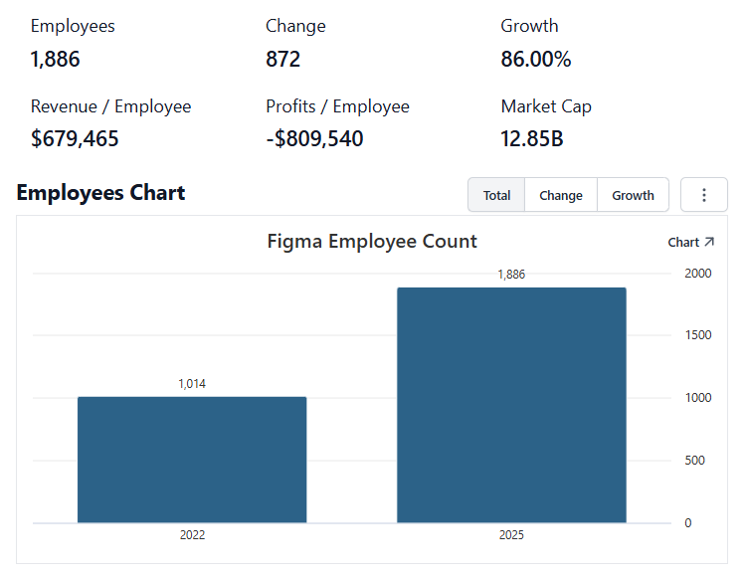

 | Notes: | [X]
 |  | [Y]
 |  | [Z]
 |  |  |  |  |  |  |  |  | Financial Stmts. Notes/Observations
Institutional Ownership Snapshot |  |  |  |  |  |  |  |  | Revenues:
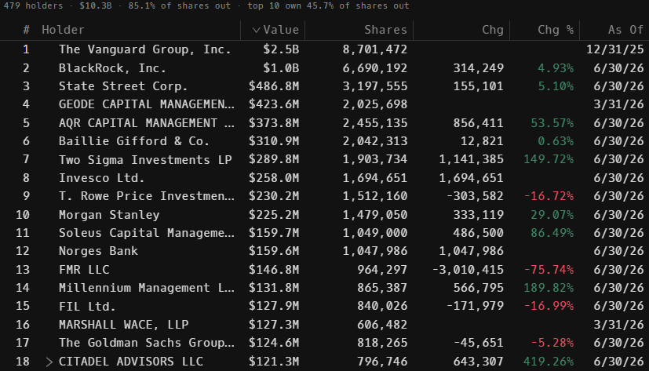

 | Notes: | [X]
 |  | [Y]
 |  | [Z]

(FIG) Revenue by Segment (in $ millions)
 | U.S. Revenues | International Revenues
Q1 2024 | 73.0 | 83.2
 | 85.2 | 92.0
 | 94.7 | 104.0
 | 106.5 | 110.4
Q1 2025 | 107.5 | 120.7
 | 116.8 | 132.9
 | 126.8 | 147.4
 | 140.5 | 163.2
Q1 2026 | 155.1 | 178.4
 | 170.8 | 199.3
Revenue Breakdown by Segment (Build graph for this section if applicable…. See example below) |  |  |  |  |  |  |  |  | Earnings Scope:
(FIG) Customer Mix Chart:
 | U.S. % of Revenues | International % of Revenues
Q1 2024 | 46.7% | 53.3%
 | 48.1% | 51.9%
 | 47.7% | 52.3%
 | 49.1% | 50.9%
Q1 2025 | 47.1% | 52.9%
 | 46.8% | 53.2%
 | 46.2% | 53.8%
 | 46.3% | 53.7%
Q1 2026 | 46.5% | 53.5%
 | 46.2% | 53.8%

 | Notes: | [X]
 |  | [Y]
 |  | [Z]

Q/q Total Revenues, Net Income, FCF |  |  |  |  |  |  |  |  | Balance Sheet Scope:
(FIG) Quarterly Ttl Revenues, Net Income, Free Cash Flows (in $ millions)
 | Income |  | FCF |  | Revenues
Q1 2020 | 0.0 | Q1 2020 |  | Q1 2024 | 156.2
Q2 2020 | -827.9 | Q2 2020 |  |  | 177.2
Q3 2020 | -15.6 | Q3 2020 |  |  | 198.6
Q4 2020 | 111.4 | Q4 2020 | 70.825 |  | 217.0
Q1 2021 | 8.6 | Q1 2021 | 94.582 | Q1 2025 | 228.2
Q2 2021 | 0.8 | Q2 2021 | 60.603 |  | 249.6
Q3 2021 | -1097.0 | Q3 2021 | 49.047 |  | 274.2
Q4 2021 | -162.9 | Q4 2021 | 38.452 |  | 303.8
Q1 2022 | -142.4 | Q1 2022 | 88.608 | Q1 2026 | 333.4
Q2 2022 | -112.2 | Q2 2022 | 53.21 |  | 370.1
Q3 2022 |  | Q3 2022
Q4 2022 |  | Q4 2022
Q1 2023 |  | Q1 2023
Q2 2023 |  | Q2 2023
Q3 2023 |  | Q3 2023
Q4 2023 |  | Q4 2023
Q1 2024 |  | Q1 2024
Q2 2024 |  | Q2 2024
Q3 2024 |  | Q3 2024
Q4 2024 |  | Q4 2024
Q1 2025 |  | Q1 2025

 | Notes: | [X]
 |  | [Y]
 |  | [Z]

Y/y Total Revenues, Net Income, FCF |  |  |  |  |  |  |  |  | [Equity Preformance Compared to Peers]
(FIG) Annual Ttl Revenues, Net Income, Free Cash Flows (in $ millions)
 | Income |  | FCF |  | Revenues
Q1 2020 | 285.9 | Q1 2020 |  | 2023 | 504.9
Q2 2020 | -732.1 | Q2 2020 | 70.8 | 2024 | 749.0
Q3 2020 | -1250.5 | Q3 2020 | 242.7 | 2025 | 1055.8
Q4 2020 |  | Q4 2020
Q1 2021 |  | Q1 2021
Q2 2021 |  | Q2 2021
Q3 2021 |  | Q3 2021
Q4 2021 |  | Q4 2021
Q1 2022 |  | Q1 2022
Q2 2022 |  | Q2 2022
Q3 2022 |  | Q3 2022
Q4 2022 |  | Q4 2022
Q1 2023 |  | Q1 2023
Q2 2023 |  | Q2 2023
Q3 2023 |  | Q3 2023
Q4 2023 |  | Q4 2023
Q1 2024 |  | Q1 2024
Q2 2024 |  | Q2 2024
Q3 2024 |  | Q3 2024
Q4 2024 |  | Q4 2024
Q1 2025 |  | Q1 2025
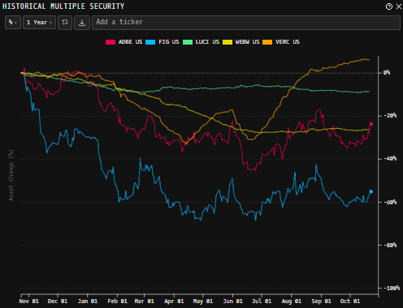

 | Notes: | [X]
 |  | [Y]
 |  | [Z]

(FIG) 1-Day Historical Return Histogram + Normal Distribution Overlay

 |  | Min | -10.44%
 |  | Max | 11.18%
 |  | Mean μ | -0.03%
 |  | Median | -0.37%
 |  | SD σ | 4.18%
 |  | 3σ 1-Day Δ: ± | 12.53% |  | <- Sharpe Ratio (Risk Adjusted Return)
 |  | β (1-year avg.) | 1.60 |  | <- Sortino Ratio (Downside Risk Adjusted Return)

 | n = | 252
 | Histogram Data |  |  | Distribution Overlay |  |  | SD Lines
 | Bin | Frequency |  | (X) 1-Day Δ | (Y) Pop. Density |  | X | Y
 | -13.00% | 0 |  | -13.00% | 0.076793393001 | Mean | -0.03% | 0
 | -12.75% | 0 |  | -12.75% | 0.092315317971 |  | -0.03% | 9.5
 | -12.50% | 0 |  | -12.50% | 0.11057783941 | -3σ | -12.56% | 0
 | -12.25% | 0 |  | -12.25% | 0.13197961186 |  | -12.56% | 0.1
 | -12.00% | 0 |  | -12.00% | 0.15696036879 | -2σ | -8.38% | 0
 | -11.75% | 0 |  | -11.75% | 0.1860019901 |  | -8.38% | 2
 | -11.50% | 0 |  | -11.50% | 0.21962895144 | -1σ | -4.20% | 0
 | -11.25% | 0 |  | -11.25% | 0.25840802823 |  | -4.20% | 6
 | -11.00% | 0 |  | -11.00% | 0.3029471234 | 1σ | 4.15% | 0
 | -10.75% | 0 |  | -10.75% | 0.35389308828 |  | 4.15% | 6
 | -10.50% | 0 |  | -10.50% | 0.41192840965 | 2σ | 8.33% | 0
 | -10.25% | 1 |  | -10.25% | 0.47776664496 |  | 8.33% | 2
 | -10.00% | 0 |  | -10.00% | 0.55214650116 | 3σ | 12.51% | 0
 | -9.75% | 1 |  | -9.75% | 0.63582447206 |  | 12.51% | 0.1
 | -9.50% | 0 |  | -9.50% | 0.7295659742
 | -9.25% | 0 |  | -9.25% | 0.83413495204
 | -9.00% | 0 |  | -9.00% | 0.95028195986
 | -8.75% | 0 |  | -8.75% | 1.0787307698
 | -8.50% | 2 |  | -8.50% | 1.2201636019
 | -8.25% | 0 |  | -8.25% | 1.3752051222
 | -8.00% | 0 |  | -8.00% | 1.5444054081
 | -7.75% | 3 |  | -7.75% | 1.728222134
 | -7.50% | 2 |  | -7.50% | 1.9270022825
 | -7.25% | 0 |  | -7.25% | 2.1409637395
 | -7.00% | 1 |  | -7.00% | 2.3701771754
 | -6.75% | 1 |  | -6.75% | 2.6145486543
 | -6.50% | 3 |  | -6.50% | 2.8738034467
 | -6.25% | 2 |  | -6.25% | 3.1474715368
 | -6.00% | 3 |  | -6.00% | 3.4348753255
 | -5.75% | 3 |  | -5.75% | 3.7351200236
 | -5.50% | 0 |  | -5.50% | 4.0470872039
 | -5.25% | 1 |  | -5.25% | 4.3694319466
 | -5.00% | 3 |  | -5.00% | 4.7005839538
 | -4.75% | 3 |  | -4.75% | 5.0387529403
 | -4.50% | 6 |  | -4.50% | 5.381938519
 | -4.25% | 3 |  | -4.25% | 5.7279447036
 | -4.00% | 2 |  | -4.00% | 6.0743990367
 | -3.75% | 2 |  | -3.75% | 6.418776236
 | -3.50% | 2 |  | -3.50% | 6.7584261246
 | -3.25% | 7 |  | -3.25% | 7.0906054904
 | -3.00% | 6 |  | -3.00% | 7.4125133935
 | -2.75% | 0 |  | -2.75% | 7.7213293299
 | -2.50% | 5 |  | -2.50% | 8.0142535534
 | -2.25% | 13 |  | -2.25% | 8.288548772
 | -2.00% | 5 |  | -2.00% | 8.5415823635
 | -1.75% | 9 |  | -1.75% | 8.7708682114
 | -1.50% | 5 |  | -1.50% | 8.9741072344
 | -1.25% | 6 |  | -1.25% | 9.1492256915
 | -1.00% | 7 |  | -1.00% | 9.2944103705
 | -0.75% | 4 |  | -0.75% | 9.4081398265
 | -0.50% | 13 |  | -0.50% | 9.4892109181
 | -0.25% | 6 |  | -0.25% | 9.5367599942
 | 0.00% | 8 |  | 0.00% | 9.5502782099
 | 0.25% | 7 |  | 0.25% | 9.5296205906
 | 0.50% | 8 |  | 0.50% | 9.4750086212
 | 0.75% | 4 |  | 0.75% | 9.3870262922
 | 1.00% | 5 |  | 1.00% | 9.2666097042
 | 1.25% | 4 |  | 1.25% | 9.1150304887
 | 1.50% | 6 |  | 1.50% | 8.9338734546
 | 1.75% | 9 |  | 1.75% | 8.7250090124
 | 2.00% | 2 |  | 2.00% | 8.4905610435
 | 2.25% | 0 |  | 2.25% | 8.2328709897
 | 2.50% | 7 |  | 2.50% | 7.9544590076
 | 2.75% | 1 |  | 2.75% | 7.6579830893
 | 3.00% | 5 |  | 3.00% | 7.3461970712
 | 3.25% | 8 |  | 3.25% | 7.0219084537
 | 3.50% | 1 |  | 3.50% | 6.6879369236
 | 3.75% | 6 |  | 3.75% | 6.347074421
 | 4.00% | 5 |  | 4.00% | 6.0020475187
 | 4.25% | 2 |  | 4.25% | 5.65548279
 | 4.50% | 3 |  | 4.50% | 5.3098757358
 | 4.75% | 4 |  | 4.75% | 4.9675637237
 | 5.00% | 1 |  | 5.00% | 4.6307032723
 | 5.25% | 0 |  | 5.25% | 4.3012518847
 | 5.50% | 1 |  | 5.50% | 3.980954516
 | 5.75% | 1 |  | 5.75% | 3.671334641
 | 6.00% | 3 |  | 6.00% | 3.3736897792
 | 6.25% | 1 |  | 6.25% | 3.0890912373
 | 6.50% | 0 |  | 6.50% | 2.8183877492
 | 6.75% | 1 |  | 6.75% | 2.562212621
 | 7.00% | 0 |  | 7.00% | 2.3209939404
 | 7.25% | 2 |  | 7.25% | 2.0949673743
 | 7.50% | 0 |  | 7.50% | 1.8841910564
 | 7.75% | 1 |  | 7.75% | 1.6885620676
 | 8.00% | 2 |  | 8.00% | 1.5078340163
 | 8.25% | 1 |  | 8.25% | 1.3416352524
 | 8.50% | 2 |  | 8.50% | 1.1894872807
 | 8.75% | 0 |  | 8.75% | 1.0508229774
 | 9.00% | 0 |  | 9.00% | 0.92500426558
 | 9.25% | 1 |  | 9.25% | 0.81133895277
 | 9.50% | 2 |  | 9.50% | 0.70909649006
 | 9.75% | 2 |  | 9.75% | 0.61752246423
 | 10.00% | 1 |  | 10.00% | 0.53585168795
 | 10.25% | 2 |  | 10.25% | 0.46331980192
 | 10.50% | 0 |  | 10.50% | 0.39917334901
 | 10.75% | 0 |  | 10.75% | 0.3426783209
 | 11.00% | 2 |  | 11.00% | 0.29312721348
 | 11.25% | 1 |  | 11.25% | 0.24984465659
 | 11.50% | 0 |  | 11.50% | 0.21219170799
 | 11.75% | 0 |  | 11.75% | 0.17956891903
 | 12.00% | 0 |  | 12.00% | 0.15141829262
 | 12.25% | 0 |  | 12.25% | 0.12722426136
 | 12.50% | 0 |  | 12.50% | 0.106513817
 | 12.75% | 0 |  | 12.75% | 0.088855921493
 | 13.00% | 0 |  | 13.00% | 0.073860325776
 | More | 0 |  | More | #VALUE!

