Main
Master
Capital Structure Snapshot:


 | ISRG
 | Price | 407.34 | 10/21/2026
 | SO | 349.0 | Q2'26
 | MC | 142,162
 | Cash | 6,800 | Q2'26
 | Debt | - | Q2'26
 | EV | 135,361

 | Intuitive Surgical, Inc. (ISRG)

 | Founder(s): Frederic Moll, John Freund, and Robert Younge |  |  | Registered Exchange: NASDAQ |  |  | Resources:
 | Founded: 1995 |  |  | Address: 1020 Kifer Road, Sunnyvale, California 94086 |  |  | SEC filings |  | https://www.sec.gov/edgar/browse/?CIK=1035267&owner=exclude
 | Headquarters: Sunnyvale, CA |  |  | Investor Relations Contact: |  |  | Intuitive Homepage |  | https://www.intuitive.com/en-us
 | Current CEO: David Rosa (Succeeding Gary Guthart who stepped back into Chairman role July 1st, 2025) |  |  | Investors Relation Department |  |  |  | Intuitive IR Page |  | https://isrg.intuitive.com/
 | Employees: 15,638 (Q4'24) |  |  | Phone: (408) 523-2161 | Email: | investor.relations@intusurg.com | Earnings Calls |  | https://seekingalpha.com/symbol/ISRG/earnings/transcripts
 | Industry: Medical Instruments & Supplies |  |  |  |  |  | Equity Analysis |  | https://stockanalysis.com/stocks/isrg/company/
 | Sector: Healthcare |  |  |  |  |  | MacroTrends |  | https://www.macrotrends.net/stocks/charts/ISRG/intuitive-surgical/cash-flow-statement?freq=Q
 | IPO: June 13, 2000 -- ~$116M valuation |  |  |  |  |  | ROIC, WACC |  | https://www.gurufocus.com/term/wacc/ISRG
 | Fiscal Year: [January - December] |  |  |  |  |  | Godel Terminal |  | https://app.godelterminal.com/

Company Overview:
 | Intuitive Surgical, Inc. develops, manufactures, and markets products that enable physicians and healthcare providers to enhance the quality of and access to minimally invasive care in the United States and internationally
 | The Company offers the Da Vinci Surgical System that enables surgical procedures using a minimally invasive approach; and Ion endoluminal system, which extends its commercial offerings beyond surgery into diagnostic endoluminal procedures enabling minimally invasive biopsies in the lung
 | It also provides a suite of stapling, energy, and core instrumentation for its multi-port da Vinci surgical systems; progressive learning pathways to support the use of its technology
 |  | Infrastructure of service and support specialists, a complement of services to its customers
 |  | Including installation, repair, maintenance, 24/7 technical support, and proactive system health monitoring
 |  | Integrated digital capabilities providing connected offerings, streamlining performance for hospitals with program-enhancing insights
 | The Company sells its products through direct sales organizations, such as capital and clinical sales teams
 |  | Intuitive Surgical, Inc. was incorporated in 1995 and is headquartered in Sunnyvale, California
 | They did surgery on a grape

Business Segments and Geographical Info:

Notes | Quant Analysis
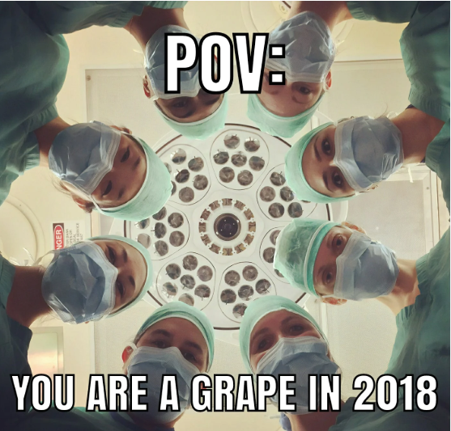
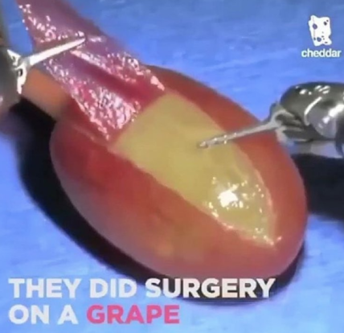
Employee Scope: |  |  |  |  |  |  |  |  | Financial Stmts. Notes/Observations | 0

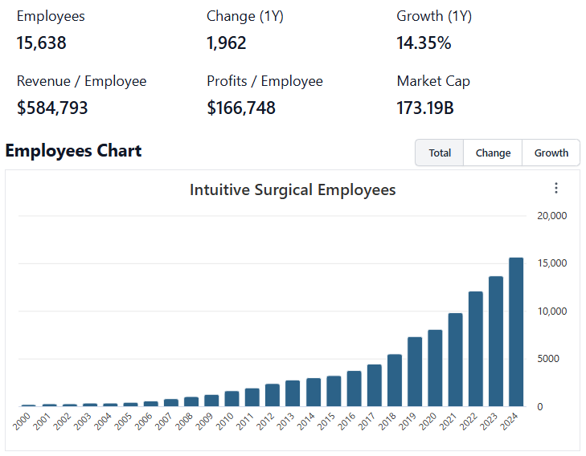

 | Notes: | In Q2'25 Dr. Gary Guthart stepped down as CEO after 15 years of service… He announced he will now be serving as chairman of the board ... David Rosa is taking on the CEO role
 |  | [Y]
 |  | [Z]

Institutional Ownership Snapshot (4/14/2025) |  |  |  |  |  |  |  |  | Revenues:
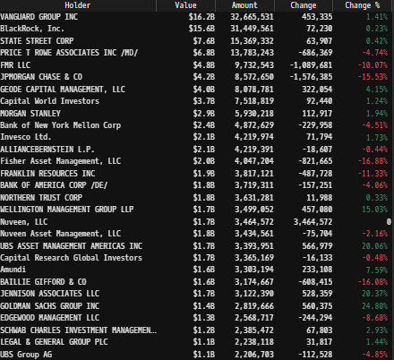
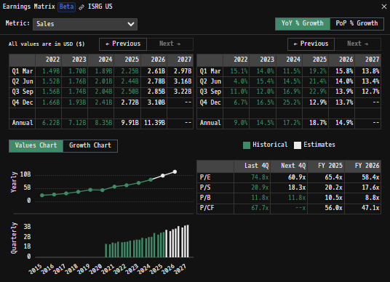

 | Notes: | [X]
 |  | [Y]
 |  | [Z]

(ISRG) Revenue by Segment (in $ millions)
 | Services | Instruments & Accessories | Systems
Q1 2020 | 199 | 618 | 283
 | 130 | 461 | 261
 | 179 | 631 | 268
 | 215 | 747 | 367
Q1 2021 | 218 | 706 | 369
 | 228 | 796 | 440
 | 233 | 755 | 415
 | 238 | 843 | 470
Q1 2022 | 249 | 810 | 428
 | 252 | 895 | 375
 | 260 | 872 | 426
 | 263 | 941 | 451
Q1 2023 | 283 | 986 | 427
 | 287 | 1076 | 393
 | 293 | 1071 | 379
 | 304 | 1144 | 480
Q1 2024 | 314 | 1159 | 418
 | 317 | 1244 | 448
 | 329 | 1264 | 445
 | 347 | 1412 | 655
Q1 2025 | 363 | 1368 | 523
 | 391 | 1474 | 575
 | 395 | 1519 | 590
 | 423 | 1658 | 786
Q1 2026 | 434 | 1686 | 651
 | 472 | 1735 | 685
 | 482 | 1797 | 769
Revenue Breakdown by Segment |  |  |  |  |  |  |  |  | Earnings Scope:
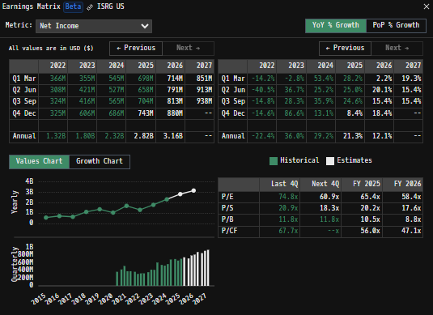
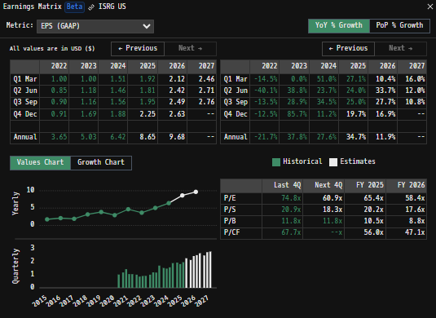

 | Notes: | [X]
 |  | [Y]
 |  | [Z]

Total Revenues, Net Income, FCF |  |  |  |  |  |  |  |  | Balance Sheet Scope:
(ISRG) Quarterly Ttl Revenues, Net Income, Free Cash Flows (in $ millions)
 | Income |  | FCF |  | Revenues
Q1 2020 | 316 | Q1 2020 | 248 | Q1 2020 | 1100
 | 70 |  | 120 |  | 852
 | 317 |  | 210 |  | 1078
 | 364 |  | 566 |  | 1329
Q1 2021 | 435 | Q1 2021 | 419 | Q1 2021 | 1292
 | 523 |  | 467 |  | 1464
 | 387 |  | 433 |  | 1403
 | 383 |  | 431 |  | 1551
Q1 2022 | 369 | Q1 2022 | 129 | Q1 2022 | 1488
 | 314 |  | 316 |  | 1522
 | 325 |  | 214 |  | 1557
 | 337 |  | 299 |  | 1655
Q1 2023 | 361 | Q1 2023 | 177 | Q1 2023 | 1696
 | 426 |  | 487 |  | 1756
 | 420 |  | 292 |  | 1744
 | 611 |  | -207 |  | 1928
Q1 2024 | 547 | Q1 2024 | 23 | Q1 2024 | 1891
 | 532 |  | 311 |  | 2010
 | 571 |  | 459 |  | 2038
 | 688 |  | 511 |  | 2414
Q1 2025 | 704 | Q1 2025 | 465 | Q1 2025 | 2253
 | 664 |  | 560 |  | 2440
 | 709 |  | 736 |  | 2504
 | 801 |  | 730 |  | 2867
 | 826 |  | 809 | Q1 2026 | 2771
 | 823 |  | 948 |  | 2892
 | 524 |  | 1111 |  | 3049

 | Notes: | [X]
 |  | [Y]
 |  | [Z]

Total Revenues, Net Income, FCF
(ISRG) Annual Ttl Revenues, Net Income, Free Cash Flows (in $ millions)
 | Income |  | FCF |  | Revenues
Q1 2020 | 233 | Q1 2020 | 324 | 2009 | 1052
 | 382 |  | 487 | 2010 | 1413
 | 495 |  | 595 | 2011 | 1757
 | 657 |  | 700 | 2012 | 2179
Q1 2021 | 671 | Q1 2021 | 775 | 2013 | 2265
 | 419 |  | 560 | 2014 | 2132
 | 589 |  | 725 | 2015 | 2384
 | 738 |  | 1033 | 2016 | 2707
Q1 2022 | 671 | Q1 2022 | 953 | 2017 | 3138
 | 1125 |  | 982 | 2018 | 3724
 | 1382 |  | 1172 | 2019 | 4479
 | 1067 |  | 1143 | 2020 | 4358
Q1 2023 | 1728 | Q1 2023 | 1750 | 2021 | 5710
 | 1344 |  | 958 | 2022 | 6222
 | 1817 |  | 750 | 2023 | 7124
 | 2338 |  | 1304 | 2024 | 8352
Q1 2024 | 2878 | Q1 2024 | 2491 | 2025 | 10065
Q1 2025 |  | Q1 2025

 | Notes: | [X]
 |  | [Y]
 |  | [Z]

[ISRG] Historical Return Histogram (8/3/2025) |  |  |  |  |  |  |  |  | [Equity Preformance Compared to Peers]
(ISRG) Historical Return Histogram + Normal Distribution Overlay
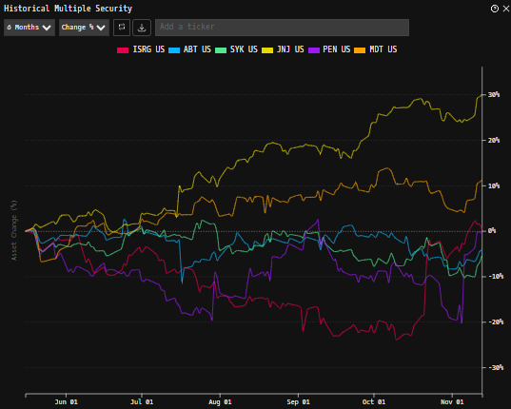

 | Notes: | [X]
 |  | [Y]
 |  | [Z]

 |  | Min | -8.24%
 |  | Max | 16.21%
 |  | Mean μ | 0.03%
 |  | Median | 0.08%
 |  | SD σ | 1.70%
 |  | 3σ 1-Day Δ: ± | 5.10% |  | <- Sharpe Ratio (Risk Adjusted Return)
 |  | β (1-year avg.) | 1.36 |  | <- Sortino Ratio (Downside Risk Adjusted Return)

 | n = | 1,256
 | Histogram Data |  |  | Distribution Overlay |  |  | SD Lines
 | Bin | Frequency |  | (X) 1-Day Δ | (Y) Pop. Density |  | X | Y
 | -5.20% | 4 |  | -5.30% | 0.1729 | Mean | 0.03% | 0
 | -5.10% | 1 |  | -5.20% | 0.2075 |  | 0.03% | 23.5
 | -5.00% | 0 |  | -5.10% | 0.2482 | -3σ | -5.1% | 0
 | -4.90% | 3 |  | -5.00% | 0.2959 |  | -5.1% | 2
 | -4.80% | 1 |  | -4.90% | 0.3515 | -2σ | -3.4% | 0
 | -4.70% | 1 |  | -4.80% | 0.4161 |  | -3.4% | 4
 | -4.60% | 0 |  | -4.70% | 0.4909 | -1σ | -1.7% | 0
 | -4.50% | 1 |  | -4.60% | 0.5772 |  | -1.7% | 14
 | -4.40% | 0 |  | -4.50% | 0.6762 | 1σ | 1.7% | 0
 | -4.30% | 1 |  | -4.40% | 0.7895 |  | 1.7% | 14
 | -4.20% | 1 |  | -4.30% | 0.9187 | 2σ | 3.4% | 0
 | -4.10% | 0 |  | -4.20% | 1.0652 |  | 3.4% | 4
 | -4.00% | 2 |  | -4.10% | 1.2309 | 3σ | 5.1% | 0
 | -3.90% | 1 |  | -4.00% | 1.4174 |  | 5.1% | 2
 | -3.80% | 1 |  | -3.90% | 1.6266
 | -3.70% | 4 |  | -3.80% | 1.8602
 | -3.60% | 6 |  | -3.70% | 2.1200
 | -3.50% | 0 |  | -3.60% | 2.4076
 | -3.40% | 1 |  | -3.50% | 2.7249
 | -3.30% | 2 |  | -3.40% | 3.0734
 | -3.20% | 3 |  | -3.30% | 3.4545
 | -3.10% | 7 |  | -3.20% | 3.8693
 | -3.00% | 3 |  | -3.10% | 4.3191
 | -2.90% | 6 |  | -3.00% | 4.8044
 | -2.80% | 9 |  | -2.90% | 5.3259
 | -2.70% | 5 |  | -2.80% | 5.8835
 | -2.60% | 8 |  | -2.70% | 6.4771
 | -2.50% | 8 |  | -2.60% | 7.1059
 | -2.40% | 9 |  | -2.50% | 7.7688
 | -2.30% | 2 |  | -2.40% | 8.4643
 | -2.20% | 15 |  | -2.30% | 9.1901
 | -2.10% | 10 |  | -2.20% | 9.9438
 | -2.00% | 10 |  | -2.10% | 10.7221
 | -1.90% | 7 |  | -2.00% | 11.5213
 | -1.80% | 12 |  | -1.90% | 12.3374
 | -1.70% | 13 |  | -1.80% | 13.1656
 | -1.60% | 10 |  | -1.70% | 14.0009
 | -1.50% | 11 |  | -1.60% | 14.8378
 | -1.40% | 11 |  | -1.50% | 15.6704
 | -1.30% | 9 |  | -1.40% | 16.4925
 | -1.20% | 19 |  | -1.30% | 17.2978
 | -1.10% | 26 |  | -1.20% | 18.0798
 | -1.00% | 18 |  | -1.10% | 18.8318
 | -0.90% | 22 |  | -1.00% | 19.5474
 | -0.80% | 24 |  | -0.90% | 20.2200
 | -0.70% | 30 |  | -0.80% | 20.8436
 | -0.60% | 31 |  | -0.70% | 21.4122
 | -0.50% | 40 |  | -0.60% | 21.9203
 | -0.40% | 32 |  | -0.50% | 22.3630
 | -0.30% | 48 |  | -0.40% | 22.7357
 | -0.20% | 35 |  | -0.30% | 23.0349
 | -0.10% | 25 |  | -0.20% | 23.2574
 | 0.00% | 41 |  | -0.10% | 23.4009
 | 0.10% | 30 |  | 0.00% | 23.4640
 | 0.20% | 44 |  | 0.10% | 23.4459
 | 0.30% | 49 |  | 0.20% | 23.3470
 | 0.40% | 32 |  | 0.30% | 23.1682
 | 0.50% | 39 |  | 0.40% | 22.9113
 | 0.60% | 52 |  | 0.50% | 22.5790
 | 0.70% | 35 |  | 0.60% | 22.1747
 | 0.80% | 26 |  | 0.70% | 21.7024
 | 0.90% | 23 |  | 0.80% | 21.1668
 | 1.00% | 31 |  | 0.90% | 20.5731
 | 1.10% | 28 |  | 1.00% | 19.9269
 | 1.20% | 19 |  | 1.10% | 19.2344
 | 1.30% | 22 |  | 1.20% | 18.5019
 | 1.40% | 26 |  | 1.30% | 17.7357
 | 1.50% | 19 |  | 1.40% | 16.9426
 | 1.60% | 14 |  | 1.50% | 16.1290
 | 1.70% | 13 |  | 1.60% | 15.3015
 | 1.80% | 21 |  | 1.70% | 14.4662
 | 1.90% | 18 |  | 1.80% | 13.6293
 | 2.00% | 16 |  | 1.90% | 12.7965
 | 2.10% | 13 |  | 2.00% | 11.9731
 | 2.20% | 7 |  | 2.10% | 11.1639
 | 2.30% | 5 |  | 2.20% | 10.3735
 | 2.40% | 7 |  | 2.30% | 9.6058
 | 2.50% | 5 |  | 2.40% | 8.8641
 | 2.60% | 6 |  | 2.50% | 8.1515
 | 2.70% | 3 |  | 2.60% | 7.4702
 | 2.80% | 10 |  | 2.70% | 6.8223
 | 2.90% | 2 |  | 2.80% | 6.2090
 | 3.00% | 5 |  | 2.90% | 5.6313
 | 3.10% | 3 |  | 3.00% | 5.0898
 | 3.20% | 5 |  | 3.10% | 4.5844
 | 3.30% | 2 |  | 3.20% | 4.1149
 | 3.40% | 3 |  | 3.30% | 3.6808
 | 3.50% | 2 |  | 3.40% | 3.2811
 | 3.60% | 3 |  | 3.50% | 2.9147
 | 3.70% | 3 |  | 3.60% | 2.5802
 | 3.80% | 3 |  | 3.70% | 2.2763
 | 3.90% | 2 |  | 3.80% | 2.0012
 | 4.00% | 2 |  | 3.90% | 1.7533
 | 4.10% | 1 |  | 4.00% | 1.5308
 | 4.20% | 0 |  | 4.10% | 1.3319
 | 4.30% | 0 |  | 4.20% | 1.1549
 | 4.40% | 2 |  | 4.30% | 0.9979
 | 4.50% | 0 |  | 4.40% | 0.8593
 | 4.60% | 2 |  | 4.50% | 0.7373
 | 4.70% | 0 |  | 4.60% | 0.6305
 | 4.80% | 1 |  | 4.70% | 0.5373
 | 4.90% | 0 |  | 4.80% | 0.4563
 | 5.00% | 1 |  | 4.90% | 0.3862
 | 5.10% | 1 |  | 5.00% | 0.3257
 | 5.20% | 1 |  | 5.10% | 0.2738
 | More | 10 |  | 5.20% | 0.2293
 |  |  |  | 5.30% | 0.1914
...

