Main | Overview

Master |  |  |  |  |  |  |  |  |  |  |  |  |  |  |  |  |  |  |  |  |  |  |  |  |  |  | -
 | PEN |  |  |  |  |  |  |  |  |  |  |  |  |  |  |  |  |  |  |  |  |  |  |  | Thrombus/I : A clot that forms and remains in place inside a blood vessel
 | Price | 319.11 | 10/72026 |  |  |  |  |  |  |  |  | Resources:
 | SO | 39.4 | Q2'26 |  |  |  |  |  |  |  |  | SEC Filings |  |  | https://www.sec.gov/edgar/browse/?CIK=1321732&owner=exclude |  |  |  |  |  |  |  |  |  | Thrombosis: Thrombosis is the formation of a blood clot (thrombus) inside a blood vessel, obstructing blood flow
 | MC | 12,569 |  |  |  |  |  |  |  |  |  | Penumbra Homepage |  |  | https://www.penumbrainc.com/ |  |  |  |  |  |  |  |  |  |  | Can occur in arteries (arterial thrombosis) or veins (venous thrombosis) <-- Penumbra's product are FDA-approved for arterial cases, but have been used off-label for DVT/PE in some cases
 | Cash | 659 | Q2'26 |  |  |  |  |  |  |  |  |  | Penumbra IR Page |  |  | https://www.penumbrainc.com/about-us/leadership/
 | Debt | - | Q2'26 |  |  |  |  |  |  |  |  | Comp. + Board structure |  |  | https://www.sec.gov/Archives/edgar/data/1321732/000114036125014193/ef20047412_ars.pdf |  |  |  |  |  |  |  |  |  | Thrombectomy: | Restores blood flow by clearing a blockage
 | EV | 11,911 |  |  |  |  |  |  |  |  |  | U.S. Patent Office Search |  |  | https://ppubs.uspto.gov/pubThe Companybapp/static/pages/ppubsbasic.html
 |  |  |  |  |  |  |  |  |  |  |  |  | Penumbra IP Catalog |  |  | https://www.penumbrainc.com/patents/ |  |  |  |  |  |  |  |  | Embolus/i : a thrombus, or other substance that breaks free and circulates through blood vessels
 | Penumbra Inc. (PEN) |  |  |  |  |  |  |  |  |  |  | PubMed/NIH reporting's |  |  | https://pubmed.ncbi.nlm.nih.gov/
 |  |  |  |  |  |  |  |  |  |  |  | Clinical Trail.Gov |  |  | https://clinicaltrials.gov/ |  |  |  |  |  |  |  |  |  | Embolism: An embolism occurs when a blood clot (thrombus), air bubble, fat globule, or other foreign material travels through the bloodstream and lodges in a blood vessel, blocking blood flow.
 | Founders: Arani Bose, Adam Elsesser |  |  |  |  | Registered Exchange: NYSE |  |  |  |  |  |  | FDAAA Trail Tracker |  |  | https://fdaaa.trialstracker.net/
 | Founded: 2004 |  |  |  |  | Address: One Penumbra Place, Alameda, CA 94502 |  |  |  |  |  | FDA Med Device reporting's |  |  | https://www.fda.gov/medical-devices |  |  |  |  |  |  |  |  |  | Embolization: | Stops blood flow to prevent or control bleeding or to cut off supply to abnormal tissue
 | Headquarted: Alameda, CA |  |  |  |  | Investor Relations / Corporate Strategy Contacts |  |  |  |  |  | EV Today Trade News |  |  | https://evtoday.com/
 | Current CEO: Adam Elsesser (Co-Founder) |  |  |  |  |  | Investor Relations |  | (Cecilia Furlong) |  |  | MedTech News |  |  | https://www.medtechdive.com/news/stryker-inari-medical-acquisition/736615/
 | Employees: 4,600 (Q2'25) |  |  |  |  |  | Phone: | (510) 995-2461 |  | Email: | investors@penumbrainc.com | American Heart Association |  |  | https://www.heart.org/en/
 | Sector: Medical Devices |  |  |  |  |  |  | (510) 748-3200 |  |  |  | MacroTrends |  |  | https://www.macrotrends.net/stocks/charts/PEN/penumbra/income-statement?freq=Q
 | Industry: Thrombectomy/Embolization |  |  |  |  |  |  |  |  |  |  | ROIC, WACC |  |  | https://www.gurufocus.com/term/wacc/PEN
 | IPO: September 18, 2015 -- $895M valuation … Secondary offering May 27, 2020, 1 week after NARIs IPO? |  |  |  |  |  |  |  |  |  |  | Earnings Calls |  |  | https://seekingalpha.com/symbol/PEN/earnings/transcripts
 | Fiscal Year: [January - December] |  |  |  |  |  |  |  |  |  |  | Godel Terminal |  |  | https://app.godelterminal.com/

Company Overview:
 | Penumbra, the world’s leading thrombectomy company, is focused on developing the most innovative technologies for challenging medical conditions in the thrombectomy and embolization space
 | The Company designs, develops, manufactures, and markets medical devices in the United States and internationally
 |  | The Company's broad portfolio, which includes computer assisted vacuum thrombectomy (CAVT), centers on removing blood clots from head-to-toe with speed, safety and simplicity
 |  |  | Strong track record of organic product development and commercial expansion that has established a strong foundation for The Company's global operations
 |  |  |  | Focused and lean portfolio of assets … many individual offerings feed into a system
 |  |  | Company managers state their belief that the cost-effectiveness of The Company's products are attractive to customers
 |  |  |  | Offerings are cheaper for MT products when compared to almost all other competitors … Economic impact is even greater due to leading edge speed safety and ease of use
 | The Company has successfully developed, obtained regulatory clearance or approval for, and introduced products into a range of markets which make up a portfolio including:
 |  | the Thrombectomy market (entered 2007)
 |  | the Access market (entered 2008)
 |  | the Embolization market (entered 2011)
 |  | the Neurosurgical market (entered 2014)
 |  | the Immersive Healthcare market (entered 2020, divested September 2024) <-- Decision to wind down and exit the Immersive Healthcare business, and as a result, incurred a $115.3 million impairment charge at year-end
 |  |  | During year ended December 31, 2024, The Company permanently ceased sales of Immersive Healthcare products and related commercial operations
 |  |  | (important to track/sum the total impairment cost in model) … (see additional comments in Notes tab)
 | The Company sells its products through direct sales organizations and distributors
 |  | The Company sells products to healthcare providers primarily through The Company's direct sales organization in the United States, most of Europe, Canada and Australia, and as a partner with distributors in select international markets (China, APac, LatAm)
 |  |  | Salesforce serves as a consultative ramp of sorts … top notch sales people are necessary to effectively describe the superiority of The Company's offering (CAVT, Ruby, etc.) as well as the clinical and economic impact demonstated from PEN products
 |  | A significant portion of the company's inventory is outstanding and in consignment, ready to be used by healthcare providers
 | The Company expects to continue developing and building a portfolio of products, including thrombectomy, embolization and access technologies, while iterating on currently available products
 |  | The Company's research and development activities are centered around development of new products and clinical activities designed to support regulatory submissions and demonstrate product efficacy to regulating bodies and medical professionals
 |  | Generally, when introducing a next generation product or a new product designed to replace a current product, sales of the earlier generation product or the product replaced decline
 |  |  | Similar to BioPharma, economic returns decline once a treatment option "goes generic," or a newer, more effective form of treatment is developed/commercialized
 | The Company attributes it's success to their culture built on cooperation, it's highly efficient product innovation process, it's disciplined approach to product and commercial development, it's deep understanding of it's target end markets and it's relationships with specialist physicians and other healthcare providers. We believe these factors have enabled us to rapidly innovate in a highly efficient manner
 | The Company sells it's products to healthcare providers primarily through it's direct sales organization in the United States, most of Europe, Canada and Australia, as well as through distributors in select international markets

Markets:
 | The Company concentrates on improving treatment outcomes for patients with certain forms of vascular disease
 |  | Vascular disease refers to any condition that affects the circulatory system and typically manifests as a blockage or rupture of an artery or a vein
 | The Company classifies end markets according to the anatomic location of the disorder and divides them into two categories:
 |  | Neuro, which included neurovascular and neurosurgical (Stroke, Aneurysm)
 |  | Vascular, which included peripheral vascular and cardiovascular.
 | The Company began to classify end markets based on the type of procedure being performed (beginning with the three months ended December 31, 2023), and therefore divide markets into two segment categories:
 |  | Thrombectomy, which includes products that treat conditions such as pulmonary embolism, deep vein thrombosis, acute limb ischemia, ischemic stroke and coronary disease
 |  | Embolization and Access, which include products to treat aneurysms and to occlude vessels as well as products to access the vasculature

Thrombectomy Market:
 | The thrombectomy market is comprised of vascular diseases and disorders occurring in vessels throughout the body, including ischemic stroke, VT such as pulmonary embolism, acute limb ischemia, DVT, coronary disease and other conditions
 |  | Disruption of blood flow to the vasculature can have serious adverse consequences, including death and morbidity, and The Company's solutions address the intervention of these diseases
 |  | There are approximately 2.15 million incidences of clot in the vasculature each year in the United States, the vast majority of which do not currently receive mechanical thrombectomy intervention
 |  | Studies have shown that patients treated with mechanical thrombectomy had improved functional outcomes compared with treatments such as tissue-type plasminogen activator (tPA) alone
 |  |  | [Commit to tracking hospital adoption … terrific products will win, but continued education to demonstrate efficacy that trumps both status quo pharmaceuticals (which a cheap and available everywhere … but with lower patient outcome quality, or other mechanical offerings (which are inferior)]
 | Common conditions The Company is focused on include:

 |  |  |  | Estimated Elligible Patient Population |  | Pulmonary Embolism ("PE"):
 | U.S. # of PEs per year: |  |  | ~150k |  |  | PE is a condition that occurs when blood clots, which typically travel from the veins in the legs, get caught in the lungs
 | Intl. # of PEs per year: |  |  | ~350k |  |  |  | Approximately 1.2 million PEs occur annually worldwide. In the U.S., there are approximately 350,000 PEs per year causing approximately 50,000 annual deaths according to the Centers for Disease Control and Prevention
 | Total est. PEs per year: |  |  | ~500k |  |  |  | High- and intermediate-risk PEs, which are generally eligible for treatment with mechanical or computer assisted vacuum thrombectomy, represent approximately 44% of such PEs, or approximately 150,000 U.S. patients
 | Cases per year (globally) |  |  | 1.2m |  |  |  | Approximately 800,000 annual PEs outside the U.S. and approximately 350,000 of them are massive or sub-massive, making them eligible for thrombectomy

 |  |  |  | Estimated Elligible Patient Population |  | Deep Vein Thrombosis ("DVT"):
 | U.S. # of DVTs per year: |  |  | ~350k |  |  | DVT occurs when a clot forms in a deep vein, usually in the leg and sometimes in the arm
 | Intl. # of DVTs per year: |  |  | ~2m |  |  |  | Approximately 4 million DVTs occur annually worldwide
 | Total est. DVTs per year: |  |  | ~2.4m |  |  |  | Approximately 350,000 DVTs are eligible for treatment with mechanical or computer assisted vacuum thrombectomy in the U.S. … In the U.S., there are approximately 30,000 annual deaths caused by DVT according to the Centers for Disease Control and Prevention
 | Cases per year (globally) |  |  | 4m |  |  |  | Approximately 2 million annual DVTs outside the U.S. that are eligible for thrombectomy procedures

 |  |  |  | Estimated Elligible Patient Population |  | Acute Limb Ischemia ("ALI"):
 | U.S. # of ALIs per year: |  |  | ~250k |  |  | ALI occurs when the leg experiences an occlusion in an artery, caused either by a blood clot in the artery or by emboli from the heart or another place within the body that travel to the leg and cause an occlusion
 | Intl. # of ALIs per year: |  |  | ~2.25m |  |  |  | Approximately 2.5 million ALIs occur annually and that there are approximately 16 million ALI survivors worldwide.
 | Total est. ALIs per year: |  |  | ~2.5m |  |  |  | Approximately 250,000 ALIs per year in the U.S., which are generally eligible for treatment with mechanical or computer assisted vacuum thrombectomy
 | Cases per year (globally) |  |  | 2.5m |  |  |  | Approximately 2.25 million annual ALIs outside the U.S. that are eligible for thrombectomy

 |  |  |  | Estimated Elligible Patient Population |  | Ischemic Stroke:
 | U.S. # of strokes per year: |  |  | ~200k |  |  | A stroke occurs when a blood vessel that carries oxygen and nutrients to the brain is either blocked by a clot or bursts (ruptures) … Ischemic strokes represent approximately 87% of strokes, or approximately 800,000 patients annually, in the United States
 | Intl. # of strokes per year: |  |  | ~1.9m |  |  |  | Nearly 800,000 strokes occur annually, and lead to approximately 150,000 deaths per year.
 | Total est. strokes per year: |  |  | ~2.1m |  |  |  |  | Of these cases, The Company estimate that approximately 200,000 are treatable with mechanical thrombectomy, which involves removal of the clot causing the blockage by mechanical means and restoring blood flow to the blocked vessels
 | Cases per year (globally) |  |  | 9.7m |  |  |  | Outside of the United States, The Company estimate, based on published sources, that there are approximately 9.7 million ischemic strokes annually and that 1.9 million of these patients are treatable with mechanical thrombectomy

 |  |  |  | Estimated Elligible Patient Population |  | Acute Coronary Syndrome ("ACS"):
 | U.S. # of ACS per year: |  |  | ~300k |  |  | ACS includes various conditions associated with sudden, reduced blood flow to the heart
 | Intl. # of ACS per year: |  |  | ~8m |  |  |  | One such condition is a heart attack (acute myocardial infarction or “AMI”), when cell death results in damaged or destroyed heart tissue. Heart attacks can often be associated with high thrombus burden in the coronary arteries
 | Total est. ACS per year: |  |  | ~8.3m |  |  | Approximately 8.5 million AMIs occur annually and there are approximately 23.5 million AMI survivors worldwide
 | Cases per year (globally) |  |  | 8.5m |  |  | In the U.S., there are approximately 500,000 AMIs per year causing approximately 350,000 annual deaths according to the American Heart Association.
 |  |  |  |  |  |  |  | AMIs involving high thrombus burden, which are generally eligible for treatment with mechanical thrombectomy, represent approximately 60% of U.S. AMIs, or approximately 300,000 U.S. patients
 |  |  |  |  |  |  | The Company estimate there are approximately 8 million annual AMIs outside the U.S. that are eligible for mechanical thrombectomy.

 |  |  |  |  |  | Clot from Arteriovenous Graft or Fistula:
 |  |  |  |  |  |  | Arteriovenous grafts or fistulas are created for access to dialyze the blood of patients with end-stage renal disease.
 |  |  |  |  |  |  |  | It is common for clots to form within these access vessels when patients undergo dialysis long-term

Embolization and Access Market:
 | The Embolization and Access markets are comprised of various diseases and conditions throughout the body, such as aneurysm, hemorrhagic stroke, vessel malformations, bleeding, endoleaks, ovarian veins, varicoceles, and hematomas, as well as products that provide access to the diseased area.
 |  |  |  | Aneurysm: |  | An aneurysm is a weak area in a blood vessel that usually enlarges and is often described as a “ballooning” of the blood vessel.
 |  |  |  |  |  | Approximately 2% of the general population has or will develop an aneurysm and approximately 9 million people in the United States may currently have an aneurysm
 |  |  |  |  |  |  | If a patient has had an aneurysm, there is a 20% likelihood that the patient will have one or more additional aneurysms
 |  |  |  |  |  | The primary endovascular procedure for treating unruptured aneurysms uses a repair technique called embolization, in which the aneurysm is packed with coils in a minimally invasive procedure
 |  |  |  | Hemorrhagic Stroke: |  | Hemorrhagic strokes, caused by the sudden rupture of a brain artery that leads to bleeding into or around the brain, represent approximately 13% of strokes in the United States
 |  |  |  |  |  |  | Brain aneurysms and arteriovenous malformations (“AVM”) can both cause hemorrhagic stroke
 |  |  |  |  |  |  | According to independent sources, every year 0.5% to 3.0% of people with a brain aneurysm and 1.0% to 3.0% of people with an AVM may suffer from bleeding
 |  |  |  |  |  |  | According to the AHA and ASA, once a brain aneurysm or an AVM bleeds, the chance of death is 30% to 40% and 10% to 15%, respectively
 |  |  |  |  |  |  | Intracerebral hemorrhage, a type of hemorrhagic stroke, occurs when a vessel within the brain bursts, allowing blood to leak inside the brain
 | Most endovascular procedures require access to the diseased area using guidewires and catheters
 |  | Accessing the brain through the tortuous neurovasculature has been a substantial challenge for physicians treating vascular disorders in the brain
 |  | Companies that developed catheters and other products for neurovascular applications historically leveraged technologies developed for use in coronary or peripheral vascular interventions
 |  |  | I need to look more into how The Company started… does Penumbra currently target engineers from med tech firms that have worked on similar projects? (is there a secret sauce talent pool of Med-Tech engineers similar to the Taiwanese with Semis… look into engineering talent pool across firms)
 |  | This approach created challenges given the vastly different anatomy, structure and sizing of the neurovascular vessels.
 | While reliable third-party data is not available for many markets outside the United States, The Company believes that there are substantial additional market opportunities for thrombectomy, and embolization and access products throughout the world.

Product Portfolio Scope:
 |  |  |  | Product Families |  |  |  |  | Key Product Brands
 |  |  |  |  |  |  | Indigo System
 |  |  |  |  | Peripheral |  | Lightning
 |  |  |  |  |  |  | Bolt
 |  | Thrombectomy |  |  |  |  | Cat RX
 |  |  |  |  |  |  | Penumbra System
 |  |  |  |  | Neuro |  | Penumbra RED, SENDit, JET, ACE, BMX, and MAX catheters
 |  |  |  |  |  |  | 3D Revascularization Device
 |  |  |  |  |  |  | Penumbra Engine and other components and accessories
 |  |  |  |  |  |  | Ruby Coil System
 |  |  |  |  |  |  | Ruby LP
 |  |  |  |  | Peripheral |  | Lantern
 |  |  |  |  | Embolization |  | POD (Penumbra Occlusion Device)
 |  |  |  |  |  |  | Packing Coil
 |  |  |  |  |  |  | Packing Coil LP
 |  |  |  |  |  |  | Penumbra Coil 400
 |  |  |  |  | Neuro |  | POD400
 |  | Embolization |  |  | Embolization |  | PAC400
 |  | & Access |  |  |  |  | Penumbra SMART COIL
 |  |  |  |  |  |  | SwiftPAC Coil
 |  |  |  |  |  |  | Neuron
 |  |  |  |  |  |  | Neuron Max
 |  |  |  |  |  |  | BENCHMARK
 |  |  |  |  | Access |  | BMX
 |  |  |  |  |  |  | DDC
 |  |  |  |  |  |  | PX SLIM
 |  |  |  |  |  |  | MIDWAY
 |  |  |  |  | Neurosurgical Tools |  | Artemis Neuro Evacuation Device
 | For further analysis on markets and product lines, visit "Portfolio | Product Lines" tab
 |  | https://ppubs.uspto.gov/pubThe Companybapp/static/pages/ppubsbasic.html

Sales and Marketing:
 | The Company sells products directly in the United States, most of Europe, Canada and Australia, subject to required regulatory clearances and approvals
 |  | The Company has complemented it's direct sales organization with distributors in most international markets
 | The Company currently sells products in the United States through a dedicated "in-house" salesforce
 |  | The Company's sales representatives and sales managers generally have substantial medical device experience and market The Company's products directly to a variety of specialist physicians engaged in the treatment of vascular disorders, who are the end users of The Company's products and significantly influence buying decisions in hospitals and other healthcare settings relating to medical devices
 |  | focused on developing strong relationships with specialist physicians and other healthcare providers and devote significant resources to training and educating physicians and other healthcare providers in the use and benefits of The Company's products
 |  | While Adam has been manning the corporate ship, it is my understanding that Arani is at the forefront of product demonstration and outreach
 | The principal specialist physicians and other healthcare providers in The Company's target end markets include:
 |  | Thrombectomy: Interventional radiologists, interventional neuroradiologists, vascular surgeons, neurosurgeons, interventional cardiologists and interventional neurologists
 |  | Embolization and Access: Neurosurgeons, interventional neuroradiologists, interventional neurologists, interventional radiologists, vascular surgeons and pediatric interventional cardiologists
 | In addition to direct sales organizations, The Company works with distributors in certain geographic areas, having determined that selling through distributors is likely to be more effective
 |  | Most of The Company's customer relationships are with government entities (UK, China, other)
 | The Company has continued licensing the technology of certain products to existing distribution partner in China pursuant to a series of licensing arrangements entered into in December 2020, February 2022, September 2023 and March 2024, which permit The Company's partner to manufacture and commercialize such products in China in exchange for fixed payments upon the transfer of the distinct licensed technology and upon the provision of related regulatory support, as well as, in certain cases, royalty payments on downstream sales of the licensed products
 |  | The Company believes these arrangements will allow them to monetize technology while helping to mitigate market risk
 | The Company's direct sales have been, and The Company anticipate will continue to represent, a majority of The Company's revenues
 |  | In 2024, direct sales accounted for approximately 87% of The Company revenue, with the balance generated by independent distributors that sell products outside of the United States and by the arrangements with partners in China, which include licensing royalty and distribution revenue
 | In recent years, The Company has shifted towards education and learning hospital outreach for brand maintenance and continued outreach/expansion … The Company seeks to demonstrate the efficacy of their superior technology when compared to competitors (primarily Inari's offering)

Revenue Recognition:
 | Revenue is primarily comprised of product revenue net of returns, discounts, administration fees and sales rebates
 | The Company recognizes revenue when control of the promised goods or services is transferred to our customers, in an amount that reflects the consideration we expect to be entitled to in exchange for those goods or services
 | Revenue from product sales is recognized either on the date of shipment or the date of receipt by the customer, but is deferred for certain transactions when control has not yet transferred
 |  | Under current GAAP (specifically ASC 606), revenue is recognized when control of a promised good or service is transferred to the customer |  |  |  |  |  |  |  |  |  |  |  | <-- | https://viewpoint.pwc.com/dt/us/en/pwc/accounting_guides/revenue
 |  |  | The transfer of legal title can be an important indicator of control, but it is not the sole determinant
 | With respect to products that The Company consigns to hospitals, which primarily consist of coils, it recognizes revenue at the time hospitals utilize products in a procedure
 | Certain arrangements with customers contain multiple performance obligations
 |  | For these contracts, each promise is evaluated to determine if it is a performance obligation
 |  |  | The Company considers a number of factors when determining whether a promise is a contractual performance obligation, including whether the customer can benefit from the good or service on its own or together with other resources that are readily available to the customer or whether the goods or services are highly interdependent
 |  |  | Revenue is allocated to each performance obligation based on its relative standalone selling price
 |  |  | Standalone selling prices are based on observable prices at which we separately sell the products or services
 |  |  | If a standalone selling price is not directly observable, then we estimate the standalone selling prices considering market conditions and entity-specific factors including, but not limited to, the expected cost and margin of the products and services, geographies, and other market conditions
 |  |  |  | The use of alternative estimates could result in a different amount of revenue deferral
 | The Company defers revenue for amounts that have already been invoiced to customers and are ultimately expected to be recognized as revenue, but for which not all revenue recognition criteria have been met
 | Revenue is recorded at the net sales price, which includes estimates of variable consideration such as product returns utilizing historical return rates, rebates, discounts, and other adjustments to net revenue
 |  | Revenue also includes shipping and handling costs that we charge to customers
 |  | To the extent the transaction price includes variable consideration, we estimate the amount of variable consideration that should be included in the transaction price
 |  | Variable consideration is included in revenue only to the extent that it is probable that a significant reversal of the revenue recognized will not occur when the uncertainty associated with the variable consideration is subsequently resolved
 |  |  | During the year ended December 31, 2024, The Company had made no material changes in estimates for variable consideration
 | The Company's TOS permit product returns and exchanges
 |  | The Company bases it's estimates for sales returns on actual historical returns and they are recorded as reductions in revenue at the time of sale
 |  | Upon recognition, we reduce revenue and cost of revenue for the estimated return
 |  | Return rates can fluctuate over time, but are sufficiently predictable to allow us to estimate expected future product returns
 |  |  | Interesting … I wonder what factors lead to a customer returning a product

COGS:
 | Cost of revenue consists primarily of the cost of raw materials and components, personnel costs, including stock-based compensation, inbound freight charges, receiving costs, inspection and testing costs, warehousing costs, royalty expense, shipping and handling costs and other labor and overhead costs incurred in the manufacturing of products
 |  | Cool tid-bit I learned … The Company's Embolization coils use Platinum due to the metal's biocompatibility and high radiopacity (making the tool easier to track under microscope)
 |  |  | Scrap is the given to a partnered smelting firm, who recycles the material and feed it back to us to be used again … pretty cool
 |  | Substantially all products are manufactured in Alameda and Roseville

SG&A:
 | SG&A expenses primarily consist of salaries, benefits and other related costs, including stock-based compensation, for personnel and consultants engaged in sales, marketing, finance, legal, compliance, administrative, facilities and information technology and human resource activities
 |  | SG&A expenses also include marketing trials, medical education, training, commissions, generally based on sales, to direct sales representatives, amortization of acquired intangible assets and acquisition-related costs

R&D:
 | The Company's research and development team has a track record of product innovation and significant product improvements … this is the lifeblood of an IP firm like Penumbra, who's flagship products ultimately do have a finite commercial lifespan and must be innovated/developed upon to retain long term revenues/cashflows
 |  | Since inception, The Company has introduced multiple brands in either the United States, international, or both markets
 | The Company believes its ability to rapidly develop innovative products is in large part attributable to the fully integrated product innovation process that has been implemented, and the management philosophy behind that process.
 |  | In addition, The Company has recruited and retained engineers with a variety of backgrounds and experience to support the development of innovative therapies
 |  | Substantially all of The Company's research and development efforts are based out of the campus in Alameda, California
 | R&D expenses primarily consist of product development, clinical and regulatory expenses, materials, depreciation and other costs associated with the development of our products
 | R&D expenses also include salaries, benefits and other related costs, including stock-based compensation, for personnel and consultants

Income Tax Expenses:
 | We are taxed at the rates applicable within each jurisdiction in which we operate
 |  | The composite income tax rate, tax provisions, deferred tax assets and deferred tax liabilities will vary according to the jurisdiction in which profits arise
 |  | Tax laws are complex and subject to different interpretations by management and the respective governmental taxing authorities, and require us to exercise judgment in determining our income tax provision, deferred tax assets and deferred tax liabilities and the potential valuation allowance recorded against net DTAs
 |  | Deferred tax assets and liabilities are determined using the enacted tax rates in effect for the years in which those tax assets are expected to be realized
 |  |  | A valuation allowance is established when it is more likely than not that the future realization of all or some of the DTAs will not be achieved
 |  |  |  |  |  |  |  |  |  |  |  |  |  |  |  |  |  |  | Location: |  | Square Footage
Facilities: |  |  |  |  |  |  |  |  |  |  |  |  |  |  |  |  |  |  | Alameda: |  | 610k | sq. ft.
 | The Company currently maintains manufacturing facilities in Alameda and Roseville, California and currently produce substantially all products in-house. |  |  |  |  |  |  |  |  |  |  |  |  |  |  |  |  |  | Roseville: |  | 210k | sq. ft. | + 50k sq. ft. expansion set for 2025
 |  | Expanding manufacturing to Costa Rica |  |  |  |  |  |  |  |  |  |  |  |  |  |  |  |  | Livermore: |  | 70k | sq. ft. | (Livermore site is next door to Stryker's distribution center… pretty cool, and gives vision to a bigger future for The Company)
 | The Company maintains approximately 610,000 square feet of office, R&D, manufacturing and administrative facilities in nine buildings at our campus in Alameda, California as of December 31, 2024 |  |  |  |  |  |  |  |  |  |  |  |  |  |  |  |  |  | Salt Lake City: |  | 100k | sq. ft.
 |  | The leases for these nine buildings expire at various times in 2036, subject to our option to renew certain leases for an additional five to fifteen years |  |  |  |  |  |  |  |  |  |  |  |  |  |  |  |  | Costa Rica: |  | 330k | sq. ft.
 | The Company also leases approximately 210,000 square feet of office and manufacturing facilities in two buildings in Roseville, California |  |  |  |  |  |  |  |  |  |  |  |  |  |  |  |  |  |  | Σ: | 1,370k | sq. ft. | + additional Euro, LatAm & APac facilities
 |  | The leases for these two buildings expire in 2035, subject to our option to renew the leases for an additional five to ten years
 |  | An additional approximately 50,000 square feet of space in one of the buildings, located at 620 Roseville Parkway, will be added to the lease upon the completion of certain improvements to the premises, which are expected to commence in 2025
 | In addition, The Company leases approximately 70,000 square feet of warehouse space in Livermore, California, and approximately 100,000 square feet of warehouse space in Salt Lake City, Utah
 |  | The leases for the Livermore warehouse spaces expire at various times in 2025 to 2028
 |  | The lease for the Salt Lake City warehouse expires in 2027, subject to our option to renew the lease for an additional five years
 | The Company also leases office and/or warehouse space in Germany, Italy, Brazil, Australia, Singapore, Japan, Hong Kong and Taiwan as of December 31, 2024 <-- MNC … Evaluate foreign operations
 |  | The office in Germany supports our direct sales operations in Europe as well as distributor relationships in Europe and the Middle East
 |  | The offices in Brazil, Australia, Singapore, Japan, Hong Kong and Taiwan support our sales and marketing efforts, including through our distribution partners, in Latin America, Australia and Southeast Asia
 |  | The offices in Italy support the operations of Crossmed S.p.A., our wholly-owned subsidiary in Italy, including supporting our direct sales operations in Italy, San Marino, Vatican City, and Switzerland
 |  | The Company also warehouses and distributes finished products to international customers utilizing third-party logistics providers in the Netherlands and Australia
 | On February 14, 2025, The Company entered into agreements to acquire property in Costa Rica and construct a manufacturing facility and warehouse, totaling approximately 330,000 square feet, for the production of medical devices
 |  | The capital project is expected to cost approximately $35 million, excluding certain improvements to the facility that the Company plans to undertake in connection with the construction of the facility
 |  | In accordance with ASC 360, the Company capitalized these payments within property and equipment, net, in the condensed consolidated balance sheets, as they represent costs directly attributable to acquiring the assets and preparing them for their intended use, including the cost of land, work performed and advance payments that are capitalizable as part of the project
 | I'm super excited for the Costa Rica development … Play MNC and let's juice those margins to a competitive standing in a more mature market

Manufacturing:
 | The Company believes they have adequate supplies or sources of availability of raw materials necessary to meet demand
 |  | There are risks and uncertainties with respect to the supply of raw materials, particularly where provided by a single supplier, which could impact availability in sufficient quantities to meet The Company's needs
 |  | In an effort to manage risk associated with raw materials supply, The Company works closely with suppliers to help ensure availability and continuity of supply while maintaining high quality and reliability
 |  | The Company also utilizes long-term supply contracts with some suppliers to help maintain continuity of supply and manage the risk of price increases
 |  | Where possible, The Company seeks second source suppliers or suppliers that have alternate manufacturing sites at which they could manufacture critical parts
 | The Company has ~ 1 year of inventory on hand (when compared to annualized COGS) … product mix of inventories is unknown ATT

Intellectual Property:
 | The Company's success depends in part on it's ability to protect proprietary technology and intellectual property and operate without infringing the patents and other proprietary rights of third parties
 |  | Innovation is in MedTech is absolutely key; consequences include falling behind in the value chain -> reduces earnings potential if The Company falls behind in product pipeline while requiring the same if not more R&D spend to catch up/leapfrog competitors back into a dominant position (think mix between semiconductor and biopharma industries)
 |  | The Company relies on a combination of patent, trademark, trade secret, copyright and other intellectual property rights and measures to protect intellectual property rights that are considered important to The Company's interests
 |  | The Company also relies on know-how and continuing technological innovation to develop and maintain it's competitive position in the markets it operates in
 | The Company does not have any material licenses to any technology or intellectual property rights
 | ! Important ! As of December 31, 2024, The Company owned and/or had rights to 120 issued patents globally, of which 58 were U.S. patents. As of December 31, 2024, The Company owned and/or had rights to 55 pending patent applications, of which 29 The were patent applications pending in the United States
 |  | Penumbra's Patent Catalog: |  |  | https://www.penumbrainc.com/patents/
 |  | U.S. Patent Search Tool: |  |  | https://ppubs.uspto.gov/pubThe Companybapp/static/pages/ppubsbasic.html |  |  |  |  |  |  |  | Current IP Assets: |  |  |  |  |  | IP Application Pipeline
 | 16 of The Company's issued patents are currently set to expire between 2025 and 2026 |  |  |  |  |  |  |  |  |  |  |  | Domestic Patents |  | Intl. Patents |  | Ttl Issued Patents |  | Domestic Patents |  | Intl. Patents |  | Ttl Pending Patent Apps.
 |  | 13 of these patents relate to components of the Penumbra System and the Indigo System (flagship thrombectomy products) |  |  |  |  |  |  |  |  |  |  | 58 | issued | 62 | issued | 120 | issued | 29 | issued | 26 | issued | 55 | issued
 | Thirty-seven of The Company issued patents, which relate to components of the Penumbra Coil 400, Ruby Coil System and Smart Coil System, are currently expected to expire between 2029 and 2037
 | Eighteen patents pertaining to the 3D Revascularization Device are projected to expire between 2032 and 2034 |  |  |  |  |  |  |  |  |  |  |  |  |  |  |  |  |  | IP Expiries (2025 - 2026)
 |  | Look into long term patent expire schedule … explore differences between Pharma IP and Med-Tech IP expiries |  |  |  |  |  |  |  |  |  |  |  |  |  |  |  |  | Patents Set to Expire
 |  | … is their such a thing as a "generic" cutting edge thrombectomy product … definitely wouldn't have a 66% gross margin |  |  |  |  |  |  |  |  |  |  |  |  |  |  |  |  | 16 Patents Set to Expire
 | Additionally, The Company owns or has rights to trademarks or trade names that are used in their business and in conjunction with the sale of their products, including 45 U.S. trademark registrations and 225 foreign trademark registrations as of December 31, 2024
 | It's necessary to learn more about Med-Tech products and the medical conditions they're trying to address if I am going to be able to add/analyze this industry beyond modeling the financials … that is what separates a mid-wit analyst from a great analyst ...
 |  | Med devices are a bit tougher of a market to learn than say beverage companies ... does that mean potentially greater arbitrage opportunity... or just a smaller pool of even more fierce competition?

Competition:
 | The medical device industry is intensely competitive, subject to rapid change and significantly affected by new product introductions and other market activities of industry participants.
 |  | See in notes tab about pricing/long term economic returns of med tech products… does it follow similar suit to pharma, meaning rapid depreciation of asset FMV after the product line is innovated upon, or "goes generic" with competing firms entering the market once economic barriers are reduced
 | The Company competes with a number of manufacturers and distributors of neuro and vascular medical devices. Notable competitors include:
 | Public Competitors: |  |  | Ticker: | Additional Notes:
 | Abbott Labs |  |  | ABT | <- Offers both mechanical thrombectomy and embolization devices (JETi Peripheral Thrombectomy System + Amplatzer™ Vascular Plug Family)
 | AngioDynamics |  |  | ANGO | <- Offers a comprehensive thrombectomy product portfolio focused on mechanical aspiration for the removal of blood clots from the venous system (Primary thrombectomy offering: AlphaVac System + AngioVac System)
 | Boston Scientific |  |  | BSX | <- Offers a robust portfolio in both thrombectomy and embolization for vascular and interventional procedures (AngioJet™ Thrombectomy System, Fetch™2 Aspiration Catheter, EKOS™ Endovascular System + Embold™ Embolization Coils, TheraSphere™, Interventional Oncology Portfolio)
 | Silk Road Medical |  |  | SILK | <- Acquired by Boston Scientific (Sep. 17, 2024) for ~$1.16 billion
 | Edwards Lifesciences |  |  | EW | <- Offers a comprehensive suite of thrombectomy catheters under its Fogarty® brand (Fogarty Arterial Embolectomy Catheters, Fogarty Venous Thrombectomy Catheters, Fogarty Thru-Lumen Embolectomy Catheters, Fogarty Corkscrew Catheters, Fogarty Graft Thrombectomy Catheters)
 | Johnson and Johnson |  |  | JNJ | <- Offers a comprehensive portfolio focused on neurovascular thrombectomy and embolization for stroke and aneurysm treatment (Thrombectomy Scope: EMBOTRAP® III Revascularization Device, CEREGLIDE™ Catheter Family, CEREBASE™ DA Guide Sheath, CERENOVUS NIMBUS™ Geometric Clot Extractor + Embolization: CEREPAK™ Detachable Coil System, CEREPAK™ Detachable Coil System)
 | Koninklijke Philips N.V. |  |  | PHG | Japanese listing
 | Lemaitre Vascular |  |  | LMAT | <- Offers a robust portfolio of thrombectomy and embolectomy products under the TufTex® and Syntel® brands, with a focus on both arterial and venous clot management (TufTex® Embolectomy Catheter, Syntel® Silicone Embolectomy/Thrombectomy Catheter, Python Over-the-Wire Embolectomy Catheter, Latis Graft Cleaning Catheter)
 | Medtronic |  |  | MDT | <- Offers a comprehensive portfolio of thrombectomy and embolization products, with a strong focus on neurovascular applications as well as peripheral interventions (Thrombectomy: Solitaire™ X Stent Retriever Device, Riptide™ Aspiration System, Excipio Peripheral Thrombectomy System)
 | Stryker |  |  | SYK | <- Offers a comprehensive portfolio in neurovascular thrombectomy, with a strong focus on acute ischemic stroke treatment (Trevo NXT ProVue Stent Retriever, AXS Universal Aspiration System, FlowGate2 Balloon Guide Catheter, Excelsior XT-27 Microcatheter / Trevo Trak 21 Microcatheter, etc)
 | Inari Medical |  |  | NARI | <- Acquired by Stryker (Feb. 20, 2025) for ~$4.9 billion (an incredible 60% premium on the trading market valuation) … Stryker has a talented management team with a long term track record of successful M&A activity … what are they seeing here that demanded such a premium (for context NARI was ultimately acquired for ~ it's IPO valuation... so was it really a massive premium?... do the work and find out!!!)
 | Terumo |  |  | TRUMY | Japanese listing
 | Teleflex |  |  | TFX | <- Offers the Pronto Extraction Catheter, a manual aspiration device designed for removing fresh, soft emboli and thrombi from coronary and peripheral vessels
 |  | [click hyperlinks to access subsequent models]
 | Private Competitors: |  |  | Additional Notes:
 | Argon Medical Devices |  |  | <- Acquired in 2017 by Shandong Weigao Group (Chinese) for $850M
 | Acandis GmbH (German) |  |  | Small Euro firm … Penumbra actually markets some of Acandis's products through their sales team in U.S. Markets for a commission
 | Milli-Spinner - (Startup) |  |  | <- Document
 | Imperative Care
 | Cook Medical
 | Vesalio
 | Rapid Medical

 | Most of these competitors are large, well-capitalized companies with longer operating histories and greater resources than The Company has
 |  | As a consequence, they are able to spend more on product acquisition, development, marketing, sales and other product initiatives than The Company currently can facilitate … It has carved out a strong niche among these operators, and really does have the potentiality of "going big"
 | The Company also competes with a number of smaller medical device companies that have single products or a limited range of products
 | Some of the advantages competing firms have:
 | - | Significantly greater name recognition
 | - | Broader or deeper relations with healthcare professionals, customers, group purchasing organizations, and third-party payors
 | - | More established distribution networks
 | - | Additional lines of products and the ability to offer rebates or bundle products to offer greater discounts or other incentives to gain a competitive advantage
 | - | Greater experience in conducting research and development, manufacturing, clinical trials, marketing and obtaining regulatory clearance or approval for products
 | - | Greater financial and human resources for product development, sales and marketing and patent litigation
 | The Company competes primarily on the basis that their products are able to treat patients with neuro and vascular diseases and disorders and other health conditions safely and effectively
 | The Company's advantages depend on the continued ability to:
 | - | Develop innovative, proprietary products that can cost-effectively address significant clinical needs
 | - | Continue to innovate and develop scientifically advanced technology
 | - | Obtain and maintain regulatory clearances or approvals
 | - | Demonstrate safety and efficacy in Penumbra-sponsored and third-party clinical trials and studies
 | - | Apply technology across product lines and markets
 | - | Attract and retain skilled research and development and sales personnel
 | - | Cost-effectively manufacture and successfully market and sell products

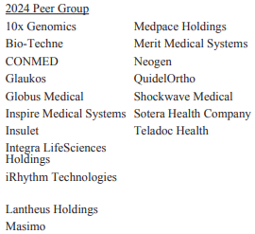
 | Peer Group:

Human Capital Resources:
 | As of December 31st, 2024, The Company had appx. 4,500 employees worldwide, with the majority of employees being in a manufacturing specialist role (blue collar)
 | Category |  |  |  |  | Brief description of role
 | Engineering & R&D appx. 25-30% |  |  |  |  | <-- Focus on developing the next generations of cutting edge products
 | Manufacturing & Operations appx. 30-40% |  |  |  |  | <-- Skilled labor force focused on device assembly, QC, and supply chain management
 | Sales & Clinical Support appx. 20-25% |  |  |  |  | <-- Direct engagement with hospitals neuro and vascular specialist for outreach, sales, and teaching purposes
 | Regulatory & Compliance appx. 10% |  |  |  |  | <-- Ensures FDA, CE, EMA and other market approvals; manages global initiatives
 | I hope I get to visit some the engineering and manufacturing workspaces … the finance internship keeps me a bit couped up in the 3011 building unless I go out to the gym or Oscar's
 | See Management scope tab for further details on company leadership structure

Government Regulation:
 | The Company's products are subject to extensive and ongoing regulation by the United States Food and Drug Administration (“FDA”) under the Federal Food, Drug, and Cosmetic Act (the “FD&C Act”) and its implementing regulations, as well as other federal and state regulatory bodies in the United States and comparable authorities in other countries under other statutes and regulations

 |  | United States |  | Medical devices are classified into three classes—Class I, Class II or Class III—depending on the degree of risk associated with each medical device and the extent of control needed to provide reasonable assurance of safety and effectiveness

 |  | European Union |  | CE Mark

 |  | Other Regions

Healthcare Fraud & Abuse Regulations: |  |  |  |  | !Hey! I assisted The Company compile and submit their Sunshine Act filing during my winter '24 internship. Cool!

Share Repurchase Program:
 | On August 5, 2024, the Company’s Board of Directors approved a share repurchase authorization in the amount of up to $200.0 million, allowing the Company to repurchase its common stock from time to time at such prices as it deems appropriate through open market purchases, block transactions, privately negotiated transactions, including accelerated share repurchase transactions, or otherwise
 | Under this authorization, the Company entered into an accelerated share repurchase agreement (“ASR”) with JPMorgan Chase Bank, National Association to repurchase $100.0 million of the Company’s common stock during the three months ended September 30, 2024
 |  | During the three months ended September 30, 2024, the Company repurchased an aggregate of 517,763 shares under the ASR at an aggregate cost of $100.4 million, including legal and financial advisor fees of $0.4 million associated with the repurchase
 |  | As of September 30, 2024, the Company had remaining authority to purchase $100.0 million of its common stock under the share repurchase authorization
 |  | The repurchase authorization expires on July 31, 2025 … Will The company enter another block trade on current stock price weakness?

Business Risks:
 | The Company's existing products may be rendered obsolete and The Company may be unable to effectively introduce and market new products or may fail to keep pace with advances in technologies
 |  | The medical device market is highly competitive and is characterized by rapidly advancing technology
 |  |  | Product designs change often to adjust to shifting market preferences and other factors, and therefore product life cycles are relatively short
 |  |  | Follows similar market dynamics to pharma / pharma economics
 |  | The Company's success and growth depends, in part, on it's ability to anticipate technological advancements and competitive innovations and respond accordingly
 |  | Any delays in The Company's product launches may significantly impede The Company's ability to enter or compete in a given market and may reduce the sales that The Company are able to generate from these products
 |  |  | [Track FDA pipeline]
 |  | To compete in the marketplace, The Company have made, and The Company must continue to make, substantial investments in new product development, whether internally through research and development or externally through licensing or acquisitions
 |  |  | Track R&D pipeline + search around the sector for competing product offerings… could be interesting M&A prospects backed by future cash flow growth or equity raises
 |  | Significant risk to the core business if:
 |  |  | Managers are unsuccessful in identifying, developing or acquiring, and marketing new products or enhancing existing products
 |  |  | Experience delays in any phase of a new product launch, including during research and development, clinical trials, regulatory review, manufacturing and marketing
 | [Continue to insert all disclosed risks]

Notes | Analysis
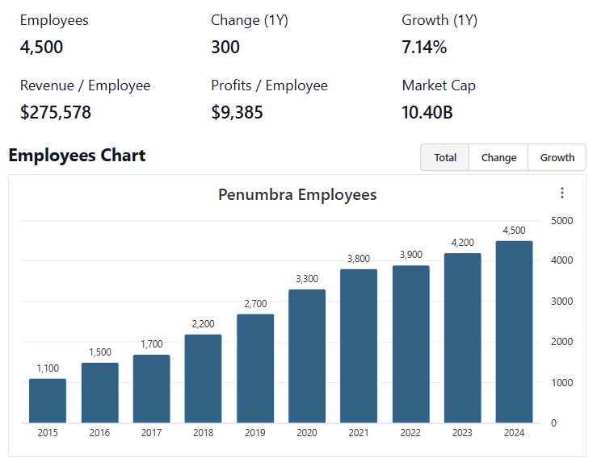
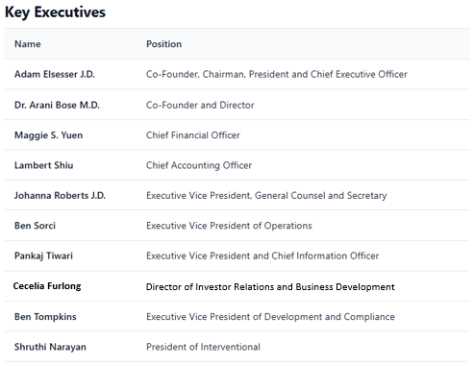
 |  |  |  |  |  |  |  |  |  |  |  |  |  |  |  |  |  |  |  |  |  |  |  |  | -
Employee Snapshot (Q4'24) |  |  |  |  |  |  |  |  | General Notes/Observations (Updated Q1'25) |  |  |  |  |  |  |  |  |  |  |  |  |  |  | Q1 2025 Earnings Call Transcript Scopes:
 |  |  |  |  |  |  |  |  |  | Track and quantify the total write-down/impairment of Immersive !!Important!!
 |  |  |  |  |  |  |  |  |  |  | During the year ended December 31, 2024, The Company made the strategic decision to wind down and exit it's Immersive Healthcare business, and as a result, incurred $115.3 million in impairment and other charges in connection with this decision
 |  |  |  |  |  |  |  |  |  | Look into MedTech sales rep protocols. Does MedTech sales function similarly to biopharma reps?
 |  |  |  |  |  |  |  |  |  |  | Look into product sales cycles … how do sales reps market the device?
 |  |  |  |  |  |  |  |  |  |  |  | Follow up:
 |  |  |  |  |  |  |  |  |  |  |  | PENs sales model almost serves as a consultative on-ramp for health care providers … Old model (such as SYK's strategy) is focused a bit more on distribution networks and bundling contracts (has a hybrid model with direct sales people as well)
 |  |  |  |  |  |  |  |  |  | Penumbra IPO: Sept. 2015 … Secondary offering May 27, 2020
 |  |  |  |  |  |  |  |  |  |  | Has never offered warrants, bonds or convertible notes
 |  |  |  |  |  |  |  |  |  | 5/30/2025 8-K filing: |  |  | Shareholder friendly governance changes announced
 |  |  |  |  |  |  |  |  |  |  | Declassification of Board: |  |  |  | The board will be “declassified” over three years. Instead of directors serving staggered multi-year terms, all directors will eventually be elected annually. By the 2028 annual meeting, the board will be fully declassified, and all directors will stand for election each year
 |  |  |  |  |  |  |  |  |  |  | Elimination of Supermajority Voting: |  |  |  | The prior requirement for a 66 2/3% supermajority shareholder vote on certain actions is replaced with a simple majority standard. This makes it easier for shareholders to approve key corporate actions
 |  |  |  |  |  |  |  |  |  |  | I personally see this as a positive for the business … The Company is modernizing it's governance structure -> could be working on going from mid to large cap which requires capital market support
 |  |  |  |  |  |  |  |  |  |  |  | Executives & insiders still control a significant majority of voting power (appx. 40% as of Q4'24)
 |  |  |  |  |  |  |  |  |  | Penumbra is a significant manufacturer in the Bay Area, only behind TSLA's Fremont Gigaplant

 |  |  |  |  |  |  |  |  |  | PubMed: |  |  |  |  |  |  | Follow Up List:
 |  |  |  |  |  |  |  |  |  |  | https://pubmed.ncbi.nlm.nih.gov/?term=Penumbra+Inc |  |  |  |  |  | Share Repurchase Program Scope --- ASR program $100m in Aug 2024 … allotted cash to share repurchases was $200m from recollection … $100m remaining for strategic stock repurchase expires July 2025
 |  |  |  |  |  |  |  |  |  |  |  | https://pubmed.ncbi.nlm.nih.gov/37084878/ |  |  |  |  | Look into product sales cycles |  |  | !!! Q2'25 Earnings call + SEC reporting release July 29th … Managers still have $100m in the barrel for share repurchases …
 |  |  |  |  |  |  |  |  |  |  |  | https://pubmed.ncbi.nlm.nih.gov/34706845/ |  |  |  |  | Clinical Trial/Product Channels |  |  | The program expires end of July, displaying a degree of foresight I am impressed with (can be thought of as "safety slack" or a price floor for the common stock price … although we don’t know what that imaginary floor price is)
 |  |  |  |  |  |  |  |  |  | FDA Clinical Trails:
 |  |  |  |  |  |  |  |  |  |  | https://clinicaltrials.gov/ |  |  |  |  |  | NIH clinical trial tracker
 |  |  |  |  |  |  |  |  |  |  |  | https://clinicaltrials.gov/search?intr=Thrombectomy |  |  |  |  | Thrombectomy Focus
 |  |  |  |  |  |  |  |  |  |  | https://clinicaltrials.gov/study/NCT05437055 |  |  |  |  |  | THUNDER Study
 |  |  |  |  |  |  |  |  |  |  |  | https://fdaaa.trialstracker.net/trial/NCT05437055/ |  |  |  |  | 3rd Party Trial Tracker
 |  |  |  |  |  |  |  |  |  |  | https://clinicaltrials.gov/study/NCT05684796?term=STORM%20Penumbra&rank=1 |  |  |  |  |  | STORM II Trial

 | Notes: | Cecelia Furlong has since taken on the role of Investor Relations Officer, assisting during earnings calls and general investor relations activities
 |  |  | Cecelia and Jason Mills front up the Corporate Strategy and IR team
 |  | Shruthi Narayan is the most likely candidate for CEO as Adam Elsesser will probably shift into a pure chairman role in the coming years
 |  | Dave Barry is not mentioned (as he prefers) but was one of the first employees (quasi founder) … He has held a bunch of different roles in the business including head of marketing and operations
 |  |  | A bit more hands off now … Holds an ad libitum general consulting role now … really cool guy

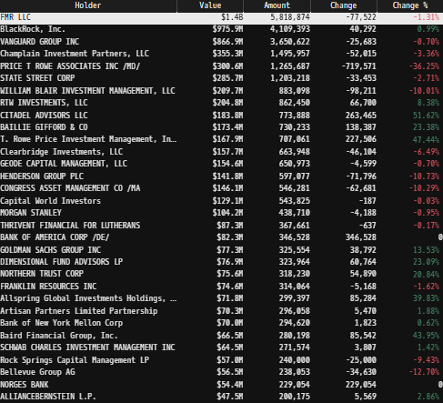
Institutional Ownership Snapshot (4/14/2025) |  |  |  |  |  |  |  |  | Financial Stmts. Notes/Observations (Updated Q1'25) |  |  |  |  |  |  |  |  | Global Thrombectomy Market Scope:
 |  |  |  |  |  |  |  |  |  | Revenues: |  |  |  |  |  |  |  |  | Stryker's Managers stated they see "mechanical thrombectomy for VTE as a $15 billion TAM globally" after acquiring competing firm Inari Medical
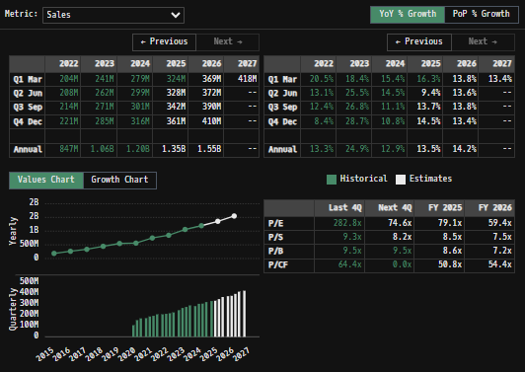
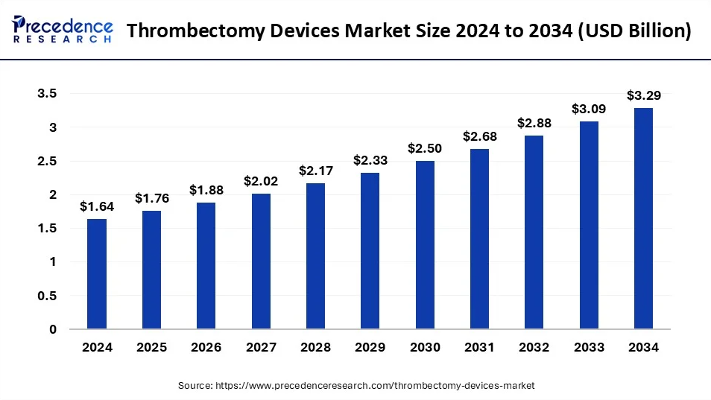
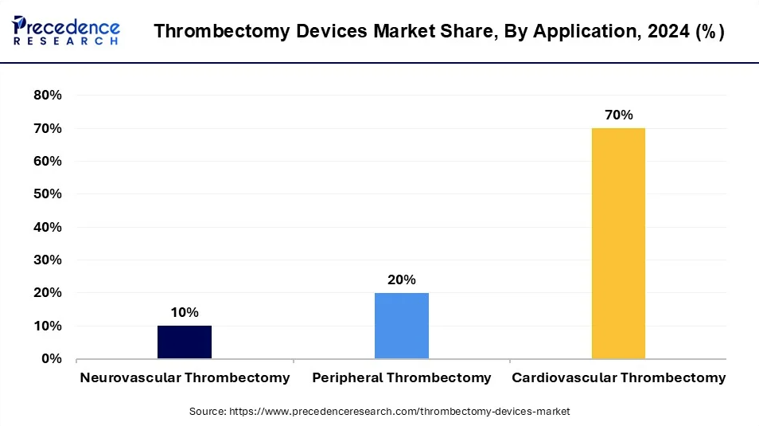

CAGR of 7.21%

 |  |  |  |  |  |  |  |  |  | The Company sells interventional products directly to hospitals and through distributors for use in procedures performed by specialist physicians to treat patients in two reported segments: Thrombectomy and Embolization & Access
 |  |  |  |  |  |  |  |  |  | The Company sells products through purchase orders (POs), and does not have long term purchase commitments from customers
 |  |  |  |  |  |  |  |  |  | Straightforward high-tech manufacturing business with integrated sales channel through direct to end consumers (doctors/healthcare systems) sales team … Would be incredibly powerful if management could scheme up a method to secure reoccurring service revenues from customer base (I think that's what the Immersive business was supposed to be)
 |  |  |  |  |  |  |  |  |  |  | From a very high level The Company's business shares tangential characteristics with Pharma and Semiconductor business economics
 |  |  |  |  |  |  |  |  |  |  |  | R&D / innovation dependent -> Winner takes most of the newly innovated market, with huge first mover advantages (companies left behind in the innovation cycle have minimal pricing power + increased demand for R&D spend just to catch up ... reminds me of NVDA / Semis)
 |  |  |  |  |  |  |  |  |  |  |  | IP protection serves as an additional moat … tangentially similar to pharma economics where new products with higher efficacy rate will cannibalize older offerings (this can happen from a single company releasing a flagship product to replace an older offering, or an innovative competitor that comes up with a new, even better offering than all competitors) … doctors only want to use "the best / safest" and what they're most comfortable using
 | Notes: | Curious to see Fidelity as the largest shareholder … |  |  |  |  |  |  |  |  |  | PEN's CAVT technology is the future … it's now about FDA clearance, educating physicians through clinical data, and the commercial rollout of these new products … This technology will reap economic profits
 |  |  | Spread across multiple funds and accounts the firm manages, rather than a single entity holding all the shares (similar to Vanguard or Blackrock) |  |  |  |  |  |  |  |  |  | Begin reading into medical journals (BIH, PubMed, Universities, etc.) + trade news (websites, magazines and other publications) to get a better sense of technologies available
 |  | [Y] |  |  |  |  |  |  |  |  |  |  |  | Stanford's Zhao Lab and their Milli-Spinner project is something worth tracking … Novel thrombectomy offering in a preclinical stage … has potentiality to outpreform CAVT in neuro and peripheral cases … Could disrupt entire thrombectomy market … Reference doc: |  |  |  |  |  |  |  | Milli-Spinner Thrombectomy Device Report.docx
 |  | [Z] |  |  |  |  |  |  |  |  |  |  |  | The industry as a whole seems to be moving away from TPA and invasive surgical approaches for minimally invasive aspiration and stent-triever procedures … Reference asirational thrombectomy investigation doc: |  |  |  |  |  |  | Aspirational Thrombectomy Devices.docx
 |  |  |  |  |  |  |  |  |  |  |  |  |  | Additional research created during the STORM PE clinical trial put on by The Company indicates superiority of CAVT over TPAs alone … Generating findings such as this is key to drive changes in hospital patient procedures and for adoption of PEN products
Revenue Breakdown by Segment |  |  |  |  |  |  |  |  |  | Management has stated revenue guidance for the year of 2025 to be between $1.375B to $1.381B
(PEN) Revenue by Segment (in $ millions)
 | Embolization & Access | Thrombectomy
Q1 2023 | 96 | 145
 | 99 | 162
 | 92 | 179
 | 94 | 191
Q1 2024 | 91 | 188
 | 96 | 203
 | 96.89 | 204
 | 95.11 | 220
Q1 2025 | 97.596 | 226.544
 | 109.199 | 230.256
 | 118.3 | 236.4
 | 130.652 | 254.718
Q1 2026 | 120.841 | 253.917
 | 131.065 | 258.981
 |  |  |  |  |  |  |  |  |  |  | Thrombectomy segment is driving outsized growth for The Company (20-21% FY'25E)
 |  |  |  |  |  |  |  |  |  |  |  | Q1'25 thrombectomy revenues reached $226.5 million, an increase of 20.7% year-over-year, with U.S. thrombectomy contributing significantly to this growth. International thrombectomy increased 3.3%, excluding challenges in China
 |  |  |  |  |  |  |  |  |  |  |  | Q2'25 thrombectomy revenues reached $230.03 million, an increase of 13.1% year-over-year … some relief with the china business with a single, large volume order being placed through Genesis (the chinese joint partnership firm)
 |  |  |  |  |  |  |  |  |  |  |  | Q3'25 thrombectomy revenues reached $236.4 million, an increase of 15.9% year-over-year
 |  |  |  |  |  |  |  |  |  |  |  | Comparing The Company's figures to the total Thrombectomy Device market, The Company holds ~16% market share, and is growing faster than the wider Thrombectomy market, indicating they are taking market share
 |  |  |  |  |  |  |  |  |  |  |  | Differentiate peripheral v. neuro … is one franchise driving growth for the segment?
 |  |  |  |  |  |  |  |  |  |  |  |  | Peripheral thrombectomy is a significantly more common occurrence, and the peripheral franchise is significantly larger by treatment volume but Neuro procedures have a significantly higher ASP per procedure … didn't get much more info other than that
 |  |  |  |  |  |  |  |  |  |  |  | Demonstrable innovative edge above competitors, with a pipeline of products in various stages of the FDA process
 |  |  |  |  |  |  |  |  |  |  |  |  | The Company's Thrombectomy growth well outperforms total market growth, indicating that they are taking market share in a growing pie … SYK's managers see thrombectomy as a $15b global market (Yeah yeah I know the guy's just talking his book, but I'm still bullish on mechanical thrombectomy as an industry)
 |  |  |  |  |  |  |  |  |  |  |  |  | Follow-up commentary on competitors products from Q1 Earnings Call:
 |  |  |  |  |  |  |  |  |  |  |  |  |  | Elsesser Stated: I can tell you that that we were pretty confident that we are taking significant share not because of the merger, but rather because to be honest and not sort of snotty about it, we just have the better product. And as more and more people talk about it, that word of mouth spreads from doctor to doctor. We're seeing people come on board.

 |  |  |  |  |  |  |  |  |  |  |  |  | Additional efforts by management (specifically co-founder Arani Bose) to begin awareness campaigns into the merits of mechanical intervention above established pharmacological treatments available & alternative MedTech offerings
 |  |  |  |  |  |  |  |  |  |  |  |  |  | Studies have shown that patients treated with mechanical thrombectomy had improved functional outcomes compared with treatments such as tissue-type plasminogen activator (tPA) alone
 |  |  |  |  |  |  |  |  |  |  |  |  |  |  | Storm II trial results (released November of 2025) confirm the thesis that aspirational thrombectomy offers patients superior outcome when compared to utilizing tPAs alone
 |  |  |  |  |  |  |  |  |  |  |  |  |  |  |  | It's now up to the sales team and PEN's clinical outreach team to leverage these study findings … ultimate goal is to drive change in hospital treatment procedures to use PEN products … doesn’t happen over night, but definitely a positive development
 |  |  |  |  |  |  |  |  |  |  |  |  |  |  |  | Terrific products will win, but continued investment into education/outreach to demonstrate efficacy that trumps both status quo pharmaceuticals (e.g. blood thinners, which is cheap and available everywhere … but with lower patient outcome quality), and other mechanical thrombectomy offerings (which are inferior) will be necessary for LT success
 |  |  |  |  |  |  |  |  |  |  |  | Upcoming THUNDER trail reporting's for neuro thrombectomy will be incredibly important to track intimately ... The Company is required to give updates on the studies findings on Sept. 23 2025
 |  |  |  |  |  |  |  |  |  |  |  |  | FDAAA tracker says the trail is ongoing, but clinicaltrail.gov says that the study has seen it's last patient and it has concluded… not sure how to make odds with this … I believe endpoint data is being reviewed by regulators before they give an opinion/approval...
 |  |  |  |  |  |  |  |  |  |  |  |  |  | When I go to clinicaltrails.gov, it is stated that the study was completed on 12/10/2024 and the last update hasn't been since 1/29/2025
 |  |  |  |  |  |  |  |  |  |  |  |  |  | If trial results were positive … wouldn’t managers immediately come out and make the announcement -> commercializing Thunderbolt neuro CAVT immediately?
 |  |  |  |  |  |  |  |  |  |  |  |  |  | Look out for SAVA plays … Penumbra is obviously more diversified in it's business, and staffed by a higher grade of managers… but even large companies and their valuations can be affected by binary trade opportunities such as an undesirable trail result being announced on a required date
 |  |  |  |  |  |  |  |  |  |  |  |  | Follow-up commentary on THUNDER Clinical Trail from Q1 Earnings Call:
 |  |  |  |  |  |  |  |  |  |  |  |  |  | Elsesser Stated: "Regarding our THUNDER trial, in the first quarter of 2025, we submitted the clinical data to the FDA for review. We will provide additional future updates as appropriate and remain excited to introduce CAVT to the neurovascular field"
 |  |  |  |  |  |  |  |  |  |  |  |  |  |  | "Lots and lots of talk out there, excitement about it. And obviously, the two most important parts about those stroke procedures is one, you have to be able to get the catheter there safely and quickly with this new catheter"
 |  |  |  |  |  |  |  |  |  |  |  |  |  |  | "I think in that size category, we are without a doubt sort of the market leader on that side and then be able to get it out really quickly. I think Thunderbolt will show that benefit. So I think our stroke business is in pretty great shape"
 |  |  |  |  |  |  |  |  |  |  |  |  |  | Larry Beigelsen of Wells Fargo asked:
 |  |  |  |  |  |  |  |  |  |  |  |  |  | (i) | Do you expect a normal FDA review process for Thunderbolt?
 |  |  |  |  |  |  |  |  |  |  |  |  |  | (ii) | What key metrics will physicians use to compare Thunderbolt against other catheters (first-pass effect, procedure time, etc.)?
 |  |  |  |  |  |  |  |  |  |  |  |  |  | Elsesser responded:
 |  |  |  |  |  |  |  |  |  |  |  |  |  | (i) | "Thunderbolt was submitted as a 510(k) with clinical data, which is what they're currently looking at" ... No surprises so far, but Elsesser avoids timeline predictions due to past regulatory unpredictability (memories of Jet7 2019-2020??? or just a generally good precaution to take towards forward projections while dealing with regulatory body approval)
 |  |  |  |  |  |  |  |  |  |  |  |  |  | (ii) | "Physician will be looking at traditional benchmarks, including: Primary/secondary endpoints, first-pass effect, and procedure time … Additionally they may consider a new differentiator: Time to clot removal after device engagement (showcasing CAV tech’s speed vs. existing catheters) which we hope will drive physician adoption"
 |  |  |  |  |  |  |  |  |  |  |  |  |  | Ok ok ... so The Company is just waiting on final 510(k) approval …
 |  |  |  |  |  |  |  |  |  |  |  |  |  |  | Elsesser commented: "Yes. Well, so the big thing that we've talked about obviously is Thunderbolt isn't in the guidance until we get approved, and we'll obviously add it. We've said that before. Thunderbolt's the product that probably has the most obvious price for us"
 | Notes: | Embo growth has picked up again in most recent quarter due to commercial release/success of Ruby XL catheter offering |  |  |  |  |  |  |  |  |  |  |  |  |  | I imagine the market is working to price THUNDER commercialization into the equity's price … but my model is in line with company guidance and has an appealing NPV value as is
 |  | [Y] |  |  |  |  |  |  |  |  |  |  | Follow-up commentary on THUNDER Clinical Trail from Q2 Earnings Call:
 |  | [Z] |  |  |  |  |  |  |  |  |  |  |  | The Company has still not received an approval label from the FDA to introduce CAVT to neuro anatomy as of Q2'25
 |  |  |  |  |  |  |  |  |  |  |  |  |  |  | Elsesser mentioned: We are currently in an active process with the FDA and we'll provide additional updates as soon as possible. We remain very excited to introduce Thunderbolt to the neurovascular field
Q/q Total Revenues, Net Income, FCF |  |  |  |  |  |  |  |  |  |  |  |  |  | Larry Beigelsen of Wells Fargo Asked:
(PEN) Quarterly Ttl Revenues, Net Income, Free Cash Flows (in $ millions)
 | Net Income |  | FCF |  | Revenues
Q1 2019 | 10.7 | Q1 2019 | -4.6 | Q1 2019 | 128.4
Q2 2019 | 16.8 | Q2 2019 | -1.8 |  | 134.2
Q3 2019 | 11.5 | Q3 2019 | 14.1 |  | 139.5
Q4 2019 | 9.5 | Q4 2019 | -3.2 |  | 145.3
Q1 2020 | 1.5 | Q1 2020 | -16.1 | Q1 2020 | 137.3
Q2 2020 | -11.9 | Q2 2020 | -28.4 |  | 105.1
Q3 2020 | -8.8 | Q3 2020 | -7.7 |  | 151.1
Q4 2020 | 3.7 | Q4 2020 | -5.8 |  | 166.9
Q1 2021 | 11.8 | Q1 2021 | -18.4 | Q1 2021 | 169.2
Q2 2021 | 9.3 | Q2 2021 | -6.6 |  | 184.3
Q3 2021 | 8.8 | Q3 2021 | 30.6 |  | 190.1
Q4 2021 | -24.7 | Q4 2021 | -17.4 |  | 204.0
Q1 2022 | 0.1 | Q1 2022 | -9.5 | Q1 2022 | 203.9
Q2 2022 | -3.7 | Q2 2022 | -44.0 |  | 208.3
Q3 2022 | -2.3 | Q3 2022 | -19.3 |  | 213.7
Q4 2022 | 3.9 | Q4 2022 | -2.2 |  | 221.2
Q1 2023 | 8.6 | Q1 2023 | 9.2 | Q1 2023 | 241.4
Q2 2023 | 19.1 | Q2 2023 | 12.8 |  | 261.5
Q3 2023 | 9.2 | Q3 2023 | 26.5 |  | 270.9
Q4 2023 | 54.1 | Q4 2023 | 32.6 |  | 284.7
Q1 2024 | 11.1 | Q1 2024 | 32.5 | Q1 2024 | 278.7
Q2 2024 | -60.2 | Q2 2024 | 18.1 |  | 299.4
Q3 2024 | 29.5 | Q3 2024 | 51.0 |  | 301.0
Q4 2024 | 33.6 | Q4 2024 | 45.7 |  | 315.5
Q1 2025 | 39.2 | Q1 2025 | 35.5 | Q1 2025 | 324.1
 | 45.3 |  | 29.4 |  | 339.5
 | 45.9 |  | 42.0 |  | 354.7
 | 47.3 |  | 68.1 |  | 385.4
 | 32.6 |  | 73.3 | Q1 2026 | 374.8
 | 34.8 |  | 32.5 |  | 390.0
 |  |  |  |  |  |  |  |  |  |  |  |  |  | (i) | "Any update on how we should think about the FDA review time for Thunderbolt? I think in the past, if I'm not mistaken, you've pointed to precedents that had about a 6-month review time"
 |  |  |  |  |  |  |  |  |  |  |  |  |  | (ii) | "Also … some investors, Adam, I think, have construed some of your recent comments that your enthusiasm for Thunder has changed. Could you address those items, please?"
 |  |  |  |  |  |  |  |  |  |  |  |  |  |  |  | From personal interactions with Adam and the C-suite, there was a degree of underlying excitement for Thunderbolt and introducing CAVT to the brain which felt genuine … It remains a valuable prospect, but were is their approval label; thought something would have come out by now (9/28/25)
 |  |  |  |  |  |  |  |  |  |  |  |  |  | Elsesser responded:
 |  |  |  |  |  |  |  |  |  |  |  |  |  | (i) | "Yes, I don't remember saying 6 months for a clinical study. The product review times vary depending on the company. That being said, I can tell you the following. We worked with the FDA for many, many years, the neuro division."
 |  |  |  |  |  |  |  |  |  |  |  |  |  |  |  | "I can tell you that they are thorough, which is something that I'm extremely supportive of. These are obviously products going up into people's brains, and I'm very supportive of that process … The process is what we expected with the FDA"
 |  |  |  |  |  |  |  |  |  |  |  |  |  |  |  | The FDA's District office is just across the street from Penumbra's HQ … They actually come over to eat at our cafeteria … close relationship (good sentiment and proximity)
 |  |  |  |  |  |  |  |  |  |  |  |  |  | (ii) | "To be honest, I've heard the rumors that I'm somehow not excited. I do not know how to say it any more than I've said it over and over. It is an amazing product, and I think it will have a huge, huge positive impact for many, many people for many, many years to come"
 |  |  |  |  |  |  |  |  |  |  |  |  |  | William John Plovanic of Canaccord asked:
 |  |  |  |  |  |  |  |  |  |  |  |  |  | (i) | "So you've submitted your filing … I understand and appreciate kind of the process with the FDA on Thunderbolt … At this point, you should be getting towards the end of that … "
 |  |  |  |  |  |  |  |  |  |  |  |  |  |  |  | "Is there any more like data or studies or anything else you need to provide? Or is this just answering basic questions and labeling as we think about the process to get the product cleared from the FDA and on the market?"
 |  |  |  |  |  |  |  |  |  |  |  |  |  | Elsesser responded:
 |  |  |  |  |  |  |  |  |  |  |  |  |  | (i) | "I 100% appreciate and respect the question. I think there's only -- I'm only going to get in trouble if I answer that because it's going to be a nuanced thing that it's going to be misunderstood, and I don't want that to be done"
 |  |  |  |  |  |  |  |  |  |  |  |  |  |  |  | "… Let me stick with what I said, which is we're going through the process. It's what we expected, and we can't wait to launch this product"
 |  |  |  |  |  |  |  |  |  |  |  |  |  |  |  | This was interesting to see in person … and the tone is somewhat lost on the call … Just doesn't want to be caught in any binds with investors, giving out an uncertain approval date … The product has been bouncing around in the FDA approval process for a while now though
 |  |  |  |  |  |  |  |  |  |  |  |  |  | Throughout the call Company Management continued to reiterate a preperation and underlying excitement for the kick off of Thunderbolt's commercial approval and rollout
 |  |  |  |  |  |  |  |  |  |  |  |  | Follow-up commentary on THUNDER Clinical Trail from Q3 Earnings Call:
 |  |  |  |  |  |  |  |  |  |  |  |  |  | As of October, The Company has submitted thorough responses to all the outstanding questions received from the FDA during the 510 review process … now in the stage where The Company addresses any final questions and provides required clarifications
 |  |  |  |  |  |  |  |  |  |  |  |  |  |  | Managers reiterated - For obvious reasons, we'll be prudent in our discussion today about Thunderbolt. However, we remain excited about the prospect of introducing CVT to the neurovascular field
 |  |  |  |  |  |  |  |  |  |  |  |  |  |  | Historically, new innovation has catalyzed the stroke market ... Optimistic that with the anticipated introduction of Thunderbolt, we'll see a similar dynamic play out in neuroembolization
 |  |  |  |  |  |  |  |  |  |  |  |  |  | Travis Steed of BofA asked:
 |  |  |  |  |  |  |  |  |  |  |  |  |  | (i) | "I'll start with Thunderbolt since it's topical ... It sounds like you're a lot closer to approval than you were. Assume nothing surprising with the FDA back and forth, how are you thinking about the product when it hits the market ... how much share you can take and when will investors see the data from Thunderbolt?"
 |  |  |  |  |  |  |  |  |  |  |  |  |  | (ii) | "Is there anything else you can share on the FDA process ... It would be helpful if you could provide insight into if the product will be approved by year end or into 2026
 |  |  |  |  |  |  |  |  |  |  |  |  |  | Elsesser responded:
 |  |  |  |  |  |  |  |  |  |  |  |  |  | (i) | A lot of nuances to that question ... Let me try to cover as much as possible. Let's start with the process and give a little additional color ... Then we can talk about a point in time of what happens subsequently. I know there's been a lot of thoughts around the timing of the approval
 |  |  |  |  |  |  |  |  |  |  |  |  |  |  |  | I want to level set the process and the timing because there's some, I think, misunderstanding. Thunderbolt is a brand new product. It doesn't ... It's not already approved ... It's not just seeking a new indication …
 |  |  |  |  |  |  |  |  |  |  |  |  |  |  |  | So I know in the past there's been comparables to products that have already been on the market that have a history, that have, you know, safety information that the FDA sees and collects … all they're looking for is a new indication on the label … That's a different time period usually, and those can be shorter for products that aren't brand new
 |  |  |  |  |  |  |  |  |  |  |  |  |  |  |  | Those processes, at least in our experience with the neuro division, sometimes take a while. For example, this is not fundamentally different timing than our original Red72 silver label, which was an update on an existing product, but it was a new product with some, you know, new materials and so on
 |  |  |  |  |  |  |  |  |  |  |  |  |  |  |  | It takes a while because the FDA and I applaud them for this, are incredibly thorough … So there's nothing about this process and timing that's out of the ordinary … we're feeling hopeful and optimistic
 |  |  |  |  |  |  |  |  |  |  |  |  |  | (ii) | We are ready to launch this product and excited about the work to come when we receive approval to do so … gotta have a little prudence until we have a clearance letter from giving you more sort of detail on that
 |  |  |  |  |  |  |  |  |  |  |  |  | Current offerings are priced cheaper than competitors (NARI), with innovative products that grant future pricing power if management pulled the lever
 |  |  |  |  |  |  |  |  |  |  |  |  |  | Why are PEN's products' priced cheaper than NARI's if they're superior? Are The Company's managers looking for penetration into targeted markets (budget constrained hospitals) over maximizing individual unit profitability?
 |  |  |  |  |  |  |  |  |  |  |  |  |  |  | Budget constrained also means firms with little budget slack, who have to plan out "experimental" equipment acquisitions more than a year out (lengthening sales cycle and customer ramp times)
 |  |  |  |  |  |  |  |  |  |  |  |  |  | Follow-up commentary on pricing from Q1 Earnings Call:
 | Notes: | [X] |  |  |  |  |  |  |  |  |  |  |  |  | Elsesser made the following statement on pricing: "The larger question about raising price ... lots of companies we compete with are raising their prices in response to this moment in time [tariff insanity] and that's how they're seeing their growth. They're just saying my product now cost X and that is the growth. It's not volume growth, it's not market growth. In fact, in some of the cases, it's a decline but covered over by raising prices. That's something that hospitals are all talking about right now. I've been brought into some of those conversations, and it's -- everyone's hearing about it. We have not done that, and it provides us because we have lots of growth coming from volume, new cases. And that really does in times when things are tough, not doing that is a big deal and people remember that in a positive way for a long time. So I just wanted to make sure that was clear that we're not increasing our price
 |  | [Y]
 |  | [Z]
 |  |  |  |  |  |  |  |  |  |  |  |  |  |  |  | That’s a boss move, and I respect managers positions in not "taking price" at this uncertain moment in time … Organic revenue and market share dominance is what I'm looking for... I believe pricing power is absolutely a lever that managers can pull in the future, but volume growth is organic (desirable) … The Company needs it’s entry/foot in the door to ramp customers (supported by consultative sales force)
Y/y Total Revenues, Net Income, FCF |  |  |  |  |  |  |  |  |  |  |  |  |  | Penumbra is currently the only company with a commercially available, computer-assisted thrombectomy device in the United States market. Their Lightning portfolio (including Lightning Flash, Lightning Bolt, and Lightning 7) and CAVT™ (Computer Assisted Vacuum Thrombectomy) platform integrate microprocessor technology and proprietary clot detection algorithms
(PEN) Annualized Ttl Revenues, Net Income, Free Cash Flows (in $ millions)
 | Net Income |  | FCF |  | Revenues
2015 | 1.0 | 2015 | -26.1 | 2015 | 186.1
2016 | 15.3 | 2016 | -26.6 | 2016 | 263.3
2017 | 4.6 | 2017 | 0.2 | 2017 | 333.8
2018 | 6.5 | 2018 | 19.1 | 2018 | 444.9
2019 | 48.5 | 2019 | 4.5 | 2019 | 547.4
2020 | -15.6 | 2020 | -58.0 | 2020 | 560.4
2021 | 5.3 | 2021 | -11.7 | 2021 | 747.6
2022 | -2.0 | 2022 | -75.0 | 2022 | 847.1
2023 | 91.0 | 2023 | 81.1 | 2023 | 1058.5
2024 | 14.0 | 2024 | 147.3 | 2024 | 1194.6
 | 177.7 |  | 174.9 | 2025 | 1403.7
 |  |  |  |  |  |  |  |  |  |  |  |  |  |  | These systems provide real-time audio-visual cues, modulate aspiration automatically, and help operators optimize clot removal while minimizing blood loss
 |  |  |  |  |  |  |  |  |  |  |  |  |  |  | No other major competitors currently offer a thrombectomy device with embedded computer-assisting chips or real-time algorithmic clot detection as part of their marketed systems in the US
 |  |  |  |  |  |  |  |  |  |  |  |  |  |  |  | Most competitors still use traditional mechanical, aspiration, or stent retriever-based thrombectomy methods without integrated computer guidance
 |  |  |  |  |  |  |  |  |  |  |  |  | Reliance on thrombectomy growth could be a headwind for equity valuation in the future … how will management allocate presently generated cash flows? (theory being allocate cash flows from current geyser into investments that will develop into potential future geysers, similar to Big Tech and their "long shot shops")
 |  |  |  |  |  |  |  |  |  |  |  |  |  | We as capital managers are searching for vehicles to park invested capital (initial CapEx input cost + operating costs to develop) which will generate outsized returns for shareholders in the future
 |  |  |  |  |  |  |  |  |  |  |  |  |  | As stated in the business overview section: "Generally, when introducing a next generation product or a new product designed to replace a current product, sales of the earlier generation product or the product replaced decline"
 |  |  |  |  |  |  |  |  |  |  |  |  |  |  | Similar to BioPharma, economic returns decline once a treatment option "goes generic," or a newer, more effective form of treatment is developed/commercialized
 |  |  |  |  |  |  |  |  |  |  | Embolization & Access revenues had been plateauing but the segment bounced this last year do to the successful commercial roll-out of RubyXL
 |  |  |  |  |  |  |  |  |  |  |  | Q1'25 Embo & Access revenues reached $97 million, an increase of 7.2% year-over-year … primarily driven by U.S. growth … Wow! Big rip / directional shift due to Ruby XL initial success … expedited RubyXL commercialization had a negative impact on margins, but should rebound as yield rate improve
 |  |  |  |  |  |  |  |  |  |  |  | Q2'25 Embo & Access revenues reached $109 million, an increase of 13.7% year-over-year
 |  |  |  |  |  |  |  |  |  |  |  | Q3'25 Embo & Access revenues reached $118 million, an increase of 22.1% year-over-year
 |  |  |  |  |  |  |  |  |  |  |  |  | Ruby XL's release has had an immediate impact on E&A growth … impressive … will be important to track rollout and any management commentary in the coming quarters
 |  |  |  |  |  |  |  |  |  |  |  | Potentially mature market/technologies, or is the firm loosing market share to competitors??? Why has E&A flatlined if we remove Ruby XL?
 |  |  |  |  |  |  |  |  |  |  |  |  |  | Commoditization of subsegments such as (aneurysm) coiling?
 |  |  |  |  |  |  |  |  |  |  |  |  | Follow-up commentary on Embolization Growth from Q1 Earnings Call:
 |  |  |  |  |  |  |  |  |  |  |  |  |  | Managers reiterated that The Company will continue to invest in its Embolization & Access business …
 |  |  |  |  |  |  |  |  |  |  |  |  |  | The Company received FDA clearance for Ruby XL, a new larger size diagnostic catheter compatible peripheral coil. Ruby XL will further augment The Company's existing peripheral embolization portfolio, expanding its market leadership into larger vessel anatomies
 |  |  |  |  |  |  |  |  |  |  |  |  |  | FDA clearance of Ruby XL came earlier than The Company expected, so they have commenced an expedited inventory bill to support a market launch in either late Q2 or early Q3, in order to quickly meet the high interest in the product we have seen from physicians to-date
 |  |  |  |  |  |  |  |  |  |  |  |  |  |  | Listen in to management commentary on launch of Ruby XL in next earnings call … If supply constrained, pay attention to yield rates and commentary on prod line … if the market continues to adopt, Ruby XL serves to expand and cement embolization position into the future
 |  |  |  |  |  |  |  |  |  |  |  |  | Follow-up commentary on Embolization Growth from Q2 Earnings Call:
 |  |  |  |  |  |  |  |  |  |  |  |  |  | Dedicated Embo team created … focused solely on a lean embo portfolio sprearheaded by RubyXL

 |  |  |  |  |  |  |  |  |  |  |  |  | Follow-up commentary on Embolization Growth from Q3 Earnings Call:
 |  |  |  |  |  |  |  |  |  |  |  |  |  | Management complimented the rapid initial success of the dedicated sales team

 | Notes: | 10x in Ttl. revenues in 10 years … super impressive
 |  | Managers announced in 2023 that the firm would be shifting towards earnings … That projection has held true, and a literal cash geyser will be erupting in the next 2 years
 |  | [Z]

PEN Historical Return Histogram (4/30/25)
(PEN) 1-Day Historical Return Histogram + Normal Distribution Overlay
 |  |  |  |  |  |  |  |  |  | Ttl revenue growth remains healthy (12-14% FY'25E) due to durable thrombectomy segment growth. Embolization reporting's beyond the Ruby XL development are relatively uninteresting
 |  |  |  |  |  |  |  |  |  | Ttl revenues geographically continue to shift towards the US (at almost 80% of Ttl revenues as of Q1'25)
 |  |  |  |  |  |  |  |  |  |  | Focus up on laggard international growth. I remember announcements of slight pullbacks in EU operations during my 2023 internship, and the Chinese economy has been struggling out of the COVID era (already a questionable business segment though with the licensing deal... commit to further research)
 |  |  |  |  |  |  |  |  |  |  |  | !Important! China revenues were entirely excluded from 2025 revenue estimates as the business is seemingly rolling over? How is the Chinese operation arranged? Normally a Joint-Partnership with a local manufacturing partner …
 |  |  |  |  |  |  |  |  |  |  |  |  | Hopefully we're only providing commodity product IP ... don't have much respect for IP law and definitely will undercut us with price on the global market if allowed (think Siemens with their rail technology + countless examples)
 |  |  |  |  |  |  |  |  |  |  |  |  | China is a larger portion of international revenues and the licensing deals were previously stable revenues … Inclusion of China revenue decay will have a material impact on aggregate international revenue growth … continue following closely
 |  |  |  |  |  |  |  |  |  |  |  |  |  | China ended up placing an order during Q2, with managers cutting a deal after some of the tariff volatility subsided … I still don’t know how to think of the relationship we have with our licensing deal with the foreign partnering firm
 |  |  |  |  |  |  |  |  |  |  | Did the firm use to have a proportionally larger international presence … or has domestic revenue just grown substantially quicker than international in recent years? I believe I remember managers describing strategic pullbacks in some international markets during my 2023 internship
 |  |  |  |  |  |  |  |  |  | FX headwinds are a real concern as dollar volatility begins to take its toll on internationally operating businesses
 |  |  |  |  |  |  |  |  |  |  | Dollar volatility has turned into dollar weakness since current administration has taken office …
 |  |  |  |  |  |  |  |  |  |  |  | Could be in The Company's strategic interests to expand international sales presence as a DXY currency hedge
 |  |  |  |  |  |  |  |  |  |  | Costa Rica facility as a cost of imports hedge works very well from a corporate strategy perspective
 |  |  |  |  |  |  |  |  |  | Look into competitors and their product pipelines/upcoming product launches… do any of the firms offering's have any competitive overlap with Penumbra's offerings? (Thrombectomy being the most efficient segment ATM)
 |  |  |  |  |  |  |  |  |  | Listen to earnings call for commentary on sales force hiring trends (if mentioned)
 |  |  |  |  |  |  |  |  |  |  | I remember there was a decent hiring growth during '23 and '24, especially in the sales teams… follow human capital trends
 |  |  |  |  |  |  |  |  |  |  | Follow-up commentary on Sales Force from Q1 Earnings Call:
 |  |  |  |  |  |  |  |  |  |  |  | Elsesser said: As we further expand our product portfolio, we will strategically invest in our commercial team in a measured way to support and enhance focus on the large market opportunities we're addressing, positioning our commercial team for success. We continue to expand and leverage our market access initiatives to increase awareness around CAVT's clinical as well as health economic benefits. The other area that we're investing in is I've talked about making sure the commercial team has the capacity to focus. We have a lot of products and vascular is selling a suite now of embolization tools with yet another one to launch and then a suite of CAVT tools, sometimes they're different customer bases. That's a lot to do and we need those teams to focus. So we'll give you more information about that probably in upcoming quarters of what that really means at a specific level

 |  |  |  |  |  |  |  |  |  |  | With SYK's recent acquisition of NARI in Q1'25, there was significant sales force flight … Penumbra management mentioned that the lot of them are not compatible with PEN's strategy, but has selectively picked up prime talent looking for new opportunity
 |  |  |  |  |  |  |  |  |  |  |  | Picking up small amounts of highly trained and experience med-tech sales people … track for commentary during Q2 earnings commentary
 |  |  |  |  |  |  |  |  |  |  | Follow-up commentary on Sales Force from Q2 Earnings Call:
 |  |  |  |  |  |  |  |  |  |  |  | Elsesser mentioned: We strategically invested in the build-out of a separate peripheral embolization sales force so as to provide heightened focus in thrombectomy and embolization ... We have added over 50 embolization sales reps and over 40 vascular clinical specialists to our teams … With these new hires in place, we will be able to have a team solely focused on our thrombectomy business as well as a separate team focused on launching RUBY XL and driving long-term growth in our embolization business

 |  |  |  |  |  |  |  |  |  |  |  | Elsesser followed up: We expect to see ramping benefit from our investment in our commercial team through the back half of the year and beyond with our thrombectomy team well positioned to exclusively focus on continuing to address the significant unmet need in the treatment of clot burden throughout the body and our new Embo team able to focus on providing our comprehensive coil portfolio to physicians and hospitals

 |  |  |  |  |  |  |  |  |  | Cost of revenue consists primarily of the cost of raw materials and components, personnel costs, including stock-based compensation, inbound freight charges, receiving costs, inspection and testing costs, warehousing costs, royalty expense, shipping and handling costs and other labor and overhead costs incurred in the manufacturing of products
 |  |  |  |  |  |  |  |  |  |  | The Company manufactures substantially all products in it's manufacturing facilities in Alameda and Roseville, California … expansion into Costa Rica
 |  |  |  |  |  |  |  |  |  |  |  | In addition, approximately three-quarters of The Company's raw materials and components are currently sourced in the United States
 |  |  |  |  |  |  |  |  |  |  |  | The Company is also engaged in a regular, ongoing process of optimizing its supply chain which includes, among other things, the strategic onshoring of certain materials that are not currently sourced in the United States
 |  |  |  |  |  |  |  |  |  |  |  |  | Signal from management to avoid the wary gaze of an evil eye? Is their management team engaged in any government partnerships to improve reshoring efforts, or is it purely in The Company's interests/efforts?
 | The return distribution is highly non-normal and doesn't fit a Gaussian curve, reducing confidence in any statistical inferences made
 |  | Fat tails, with extremely volatile daily returns (±6-7% change in share price) occurring more often than expected in a Gaussian distribution
 |  | Potential inference advancements if I employ kernel density estimates for a empirical return distribution (adjusts/accounts for extreme outliers better than current approach)
 | There is slight implied upside to mean 1-day returns
 | Highly volatility... yet relatively low correlation to the S&P with a historical beta of just .56 |  |  |  |  |  |  |  | Earnings Scope:
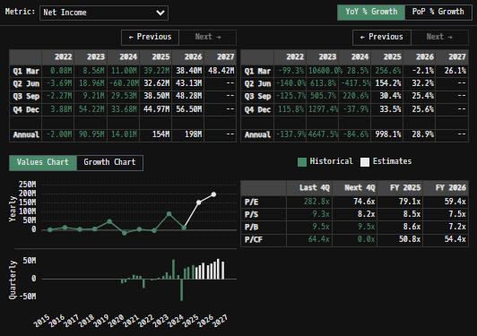
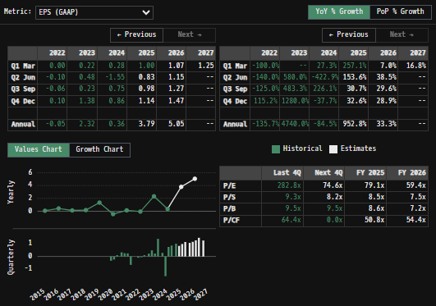
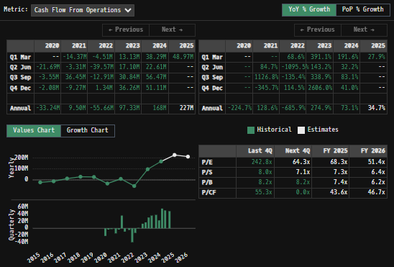
 |  | Wide range of returns with many significant outliers (resulting in 3 sigma >±7.5%)
 |  | Look into Value-at-Risk (VaR) model development while understanding its limitation to capture severity of 3σ+ events
 |  |  | Conditional VaR (CVaR) model will better capture tail risk…
 |  |  | Evaluate difference in output vs Sortino Ratio…
 |  | Consider using CVaR as the denominator in the Sortino Ratio (instead of downside deviation) to better capture outsized tail risks

 |  | Min | -13.20%
 |  | Max | 18.35%
 |  | Mean | 0.00%
 |  | Median | -0.06%
 |  | SD σ | 2.37%
 |  | 3σ 1-Day Δ: ± | 7.12% |  | <- Sharpe Ratio (Risk Adjusted Return)
 |  | β (1-year avg.) | 0.77 |  | <- Sortino Ratio (Downside Risk Adjusted Return)

 | n = | 1,004
 | Histogram Data |  |  | Distribution Overlay |  |  | SD Lines
 | Bin | Frequency |  | (X) 1-Day Δ | (Y) Pop. Density |  | X | Y
 | -7.50% | 1 |  | -7.75% | 0.080875363794 | Mean | 0.00% | 0
 | -7.25% | 1 |  | -7.50% | 0.11346218485 |  | 0.00% | 17
 | -7.00% | 1 |  | -7.25% | 0.15742293419 | -3σ | -7.12% | 0
 | -6.75% | 0 |  | -7.00% | 0.21600650472 |  | -7.12% | 1
 | -6.50% | 2 |  | -6.75% | 0.29312146452 | -2σ | -4.74% | 0
 | -6.25% | 0 |  | -6.50% | 0.39337828267 |  | -4.74% | 3
 | -6.00% | 2 |  | -6.25% | 0.52210169608 | -1σ | -2.37% | 0
 | -5.75% | 0 |  | -6.00% | 0.68530167586 |  | -2.37% | 10
 | -5.50% | 2 |  | -5.75% | 0.8895911413 | 1σ | 2.38% | 0 |  | Gross margin expanded to 66.7%, driven by favorable thrombectomy product mix and productivity improvements
 | -5.25% | 7 |  | -5.50% | 1.1420393572 |  | 2.38% | 10 |  |  | Incredible margins … like software business comparable … I'd like to understand the operating efficiency of Med-Tech further … how do they do it?
 | -5.00% | 2 |  | -5.25% | 1.4499521096 | 2σ | 4.75% | 0 |  |  |  | The company expects Q2'25 gross margins to remain similar to or slightly lower than Q1, due to expedited manufacturing costs for Ruby XL
 | -4.75% | 7 |  | -5.00% | 1.8205734762 |  | 4.75% | 3 |  |  |  | Sequential gross margin improvements are anticipated in the second half of 2025
 | -4.50% | 5 |  | -4.75% | 2.2607093479 | 3σ | 7.13% | 0 |  |  |  |  | Management reiterated during Q2 call - "We remain on track and are well positioned to achieve a gross margin profile of over 70% by the end of 2026 and expect operating margin expansion to outpace gross margin expansion for the foreseeable future"
 | -4.25% | 2 |  | -4.50% | 2.7762796823 |  | 7.13% | 1 |  |  | Management's 2023 guidance is proving accurate as margin improvements begin to rapidly expand (both Gross & Net)
 | -4.00% | 12 |  | -4.25% | 3.3718144327 |  |  |  |  |  |  | Explosive NI/FCF growth projected for '25, '26, outpacing revenues as the firm matures into a profitability/earnings stage
 | -3.75% | 8 |  | -4.00% | 4.0499166161 |  |  |  |  |  | Platinum is a key input in coil business … Price of platinum has risen significantly
 | -3.50% | 10 |  | -3.75% | 4.8107242477 |  |  |  |  |  |  | Platinum is used due to the metal's biocompatibility and high radiopacity (making the tool easier to track in the patient's body)
 | -3.25% | 6 |  | -3.50% | 5.6514099466 |  |  |  |  |  | Taiwanese (and other) imports have been hit with tariffs … could have a material impact on gross margin from Q1
 | -3.00% | 11 |  | -3.25% | 6.5657618383 |  |  |  |  |  | Management projects margins to expand to over 70% by YE26 (They have multiple levers available to pull in order to achieve this margin incl. price increases, VTE product mix growth (more profitable segment than aneurysm coiling), etc.) … I believe managers will achieve this margin
 | -2.75% | 9 |  | -3.00% | 7.5438910035 |  |  |  |  |  |  | Is this margin expansion and projected earnings growth already priced in to the common stock?
 | -2.50% | 25 |  | -2.75% | 8.5721083206 |  |  |  |  |  |  |  | Build a reverse DCF model to back out implied market expectations; stress test expectations and compare to competing firms in the sector
 | -2.25% | 32 |  | -2.50% | 9.6330066813 |  |  |  |  |  |  |  | Compare consensus FCF growth rates to management guidance and peer benchmarks… e.g. If current price implies 10% long-term FCF growth, but peers are trading at 15%+ assumed growth, the market may be conservative on The Firm's value
 | -2.00% | 18 |  | -2.25% | 10.705773195 |  |  |  |  | Management has continued to seize opportunities to strengthen The Company's financial standing through intelligent capital investment initiatives into the core business…
 | -1.75% | 27 |  | -2.00% | 11.76674065 |  |  |  |  |  | Commercially successful and expanding portfolio (strong niche in the mechanical thrombectomy market)
 | -1.50% | 24 |  | -1.75% | 12.790169205 |  |  |  |  |  |  | Steady investment into R&D for developing technologies/creating new innovative products to stay ahead of competitors
 | -1.25% | 42 |  | -1.50% | 13.7492296 |  |  |  |  |  | Office expansion with Alameda campus during the Pandemic + entrance into Roseville, Livermore sites (all of which have reached full operating capacity)
 | -1.00% | 53 |  | -1.25% | 14.617139934 |  |  |  |  |  | Investment into sales force … Sales headcount expanded through 2023/2024 + strong internal training initiatives for the teams has developed a grade A sales force
 | -0.75% | 48 |  | -1.00% | 15.368391333 |  |  |  |  |  |  | Salesforce serves for outreach and education efforts … They understand the products intimately and are on the front lines when communicating with practicing medical professionals
 | -0.50% | 47 |  | -0.75% | 15.979985559 |  |  |  |  |  |  | Strong relations with Doctors, researchers, teaching hospitals etc. … this is hard to value quantifiably but is what separates unicorns from the heard in a competitive med-tech space
 | -0.25% | 49 |  | -0.50% | 16.432601375 |  |  |  |  |  | $100m Strategic Share Repurchase through ASR when shares were really beaten down (Aug. 2024)
 | 0.00% | 51 |  | -0.25% | 16.711607374 |  |  |  |  |  | Costa Rica site expansion for cost arbitrage/comparative advantages … potential tax strategy??? (announced year-end 2024)
 | 0.25% | 42 |  | 0.00% | 16.807847267 |  |  |  |  |  |  | Expands into international manufacturing of lower margin goods
 | 0.50% | 61 |  | 0.25% | 16.718138859 |  |  |  |  |  |  | Investment into international distribution ... The Company has infrastructure/channels layed out to continue expanding as a globally operating MNC
 | 0.75% | 43 |  | 0.50% | 16.445448764 |  |  |  |  |  |  |  | Individual regulatory bodies for each country's healthcare system makes scaling for The Company more difficult than say a software company
 | 1.00% | 41 |  | 0.75% | 15.998729507 |  |  |  |  |  | [Add to this list to highlight other initiatives]
 | 1.25% | 41 |  | 1.00% | 15.392431456 |  |  |  |  | Management has a demonstrated track record of allocating capital towards strategic, high-IRR projects that fit into cementing Penumbra as a dominant, globally operating Med-Tech player (I am personally really excited for the Costa Rica site investment).
 | 1.50% | 38 |  | 1.25% | 14.645726736 |  |  |  |  |  | With a cash geyser beginning to erupt from the core business (driven by thrombectomy), management's ability to pivot away from defensive (ASR program and core product investment) to offensive (potential M&A/R&D expansion) strategies will be their next big test
 | 1.75% | 33 |  | 1.50% | 13.781503219 |  |  |  |  |  |  | I believe there are still levers management can pull to surprise to the upside … (surprise is the element that revaluates companies … and through principals of reflexivity, I think PEN is in position to surprise equity holders to the upside in the future
 | 2.00% | 33 |  | 1.75% | 12.8252022 |  |  |  |  |  |  | After completing full DCF model (from cash flows and not the net income shortcut), build out a reverse DCF snapshot to assist in making inferences on the market's assumptions for The Company's future operating performance
 | 2.25% | 28 |  | 2.00% | 11.80358187
 | 2.50% | 17 |  | 2.25% | 10.74348986
 | 2.75% | 15 |  | 2.50% | 9.670722149
 | 3.00% | 17 |  | 2.75% | 8.6090335228
 | 3.25% | 12 |  | 3.00% | 7.5793481771
 | 3.50% | 12 |  | 3.25% | 6.599199882
 | 3.75% | 11 |  | 3.50% | 5.6824114074
 | 4.00% | 6 |  | 3.75% | 4.8390045447
 | 4.25% | 8 |  | 4.00% | 4.0753165885
 | 4.50% | 4 |  | 4.25% | 3.3942876221
 | 4.75% | 4 |  | 4.50% | 2.7958759242
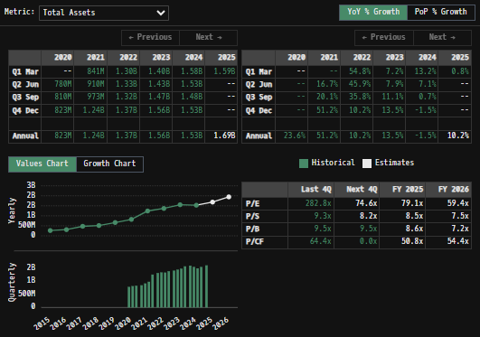
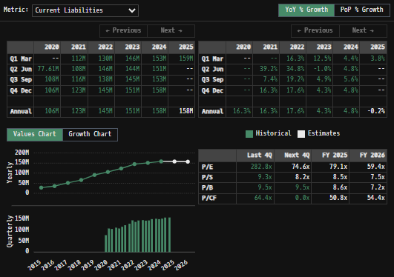
 | 5.00% | 4 |  | 4.75% | 2.2775562619 |  |  |  | Balance Sheet Scope:
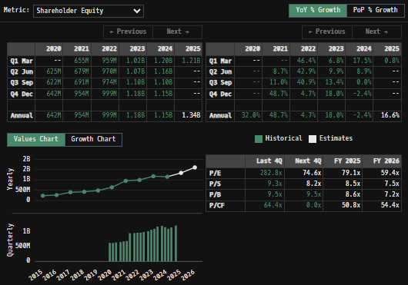
 | 5.25% | 4 |  | 5.00% | 1.8348573233
 | 5.50% | 6 |  | 5.25% | 1.4618992758
 | 5.75% | 2 |  | 5.50% | 1.1518994426
 | 6.00% | 1 |  | 5.75% | 0.89762233658
 | 6.25% | 1 |  | 6.00% | 0.69175881163
 | 6.50% | 1 |  | 6.25% | 0.52722708686
 | 6.75% | 2 |  | 6.50% | 0.3973952712
 | 7.00% | 0 |  | 6.75% | 0.29623041102
 | 7.25% | 0 |  | 7.00% | 0.21838286194
 | 7.50% | 1 |  | 7.25% | 0.15921699797
 | More | 8 |  | 7.50% | 0.11480010221
 |  |  |  | 7.75% | 0.081861007273

 |  |  |  |  |  |  |  |  |  |  |  |  |  |  |  |  |  |  |  |  |  |  | DataM Intelligence projects 5.8% CAGR as demand grows for minimally invasive clot removal amid rising stroke incidence and aging population

 |  |  |  |  |  |  |  |  |  | Zero debt leverage -- Double edged sword
 |  |  |  |  |  |  |  |  |  |  | No debt (equity holders are junior to no other stakeholder) = No interest expenses, no refinancing risk exposure (unlike many of The Company's larger competitors), and well positioned for future strategic moves (M&A, R&D expansion, share buybacks and other vehicles to increase shareholder returns)
 |  |  |  |  |  |  |  |  |  |  | Missed opportunity? to access credit markets and lock in low rate bond offerings (like so many of the big tech companies)…
 |  |  |  |  |  |  |  |  |  |  |  | Despite the company's more limited operating footprint at the time, debt markets presented an attractive opportunity for low-cost capital pre FED hike cycle beg. 2022.
 |  |  |  |  |  |  |  |  |  |  |  |  | With credit spreads between investment-grade corporate bonds at historically tight levels and interest rates near zero, The Company could have strategically leveraged favorable borrowing conditions to secure inexpensive funding. We take cash when we can get it... not necessarily when we "need" it
 |  |  |  |  |  |  |  |  |  |  |  |  | MedTech as a sector is R&D intensive; financing through equity issuance may align better with MEd-Tech's long-term IP development timelines…
 |  |  |  |  |  |  |  |  |  |  |  |  |  | The Company's managers did raise capital through a second equity offering in 2020, which fits the thesis (equity issuance diluting current shareholders, but no interest or senior bond holders meaning managers have greater flexibility and no "debt bombs" to worry about as the firm establishes itself)
 |  |  |  |  |  |  |  |  |  | Cash Ratio on the balance sheet is increasing -->The Company has been steadily exiting ST marketable investments, and moving those funds into Cash accounts … why?
 |  |  |  |  |  |  |  |  |  |  | Money markets aren't paying more than T-Bills/Notes or Corporate Debt ... Is Penumbra gearing up for some serious capital investment?
 |  |  |  |  |  |  |  |  |  |  |  | Angiodynamic Inc has a $400M price tag … Lemaitre Vascular Inc has a $2B price tag … plenty of related assets in the private markets… or is The Company looking to branch into another high growth market ... are their other products/businesses that have potential "synergy" within The Business if acquired?
 |  |  |  |  |  |  |  |  |  |  | Instead of inorganic growth through acquisitions … could the firm look to develop a new product internally through some R&D super cycle? Is internal development capacity already saturated?
 |  |  |  |  |  |  |  |  |  |  |  | Probably less efficient than just doing analysis on existing players in markets of interest and acquiring the best of the bunch
 |  |  |  |  |  |  |  |  |  | Inventories, and inventory FV adjustments will also be important figures to track. Management must be incredibly diligent with revenue/profit maximization models for their current portfolio, and continue to develop a pipeline of new/innovative products to remain economically competitive
 |  |  |  |  |  |  |  |  |  |  | Commit to an inventory turnover model!!! Inventories are a large portion of the firms balance sheet and from my understanding have a "limited" shelf life, and because they are medical products, require extra care ($) in storing the units
 |  |  |  |  |  |  |  |  |  |  | Track inventory write-offs on Stmt of Cash Flow … develop further inference processes with time
 |  |  |  |  |  |  |  |  |  |  | Inventories are definitely the working capital line item to track intimately
 |  |  |  |  |  |  |  |  |  |  | Inventories currently represent 26% of Ttl. assets. This balance spooked me a bit with a knee-jerk initial concern, as I am not used to seeing firms with so much of their balance sheet/working capital tied up in inventory assets…
 |  |  |  |  |  |  |  |  |  |  |  | Compare to competitors/other med-tech firms; I could just be used to other sector comps, which have much less inventory on hand … requires further research
 |  |  |  |  |  |  |  |  |  |  |  |  | Inventory turnover, and inventory FMV adjustments will also be important figures to track. Management must be incredibly diligent with revenue/profit maximization models for their current product portfolio, and continue to develop a pipeline of new/innovative products (pushing IP lifespan forward)
 |  |  |  |  |  |  |  |  |  |  |  |  | Commit to an inventory turnover model!!! Inventories are a large portion of the firms balance sheet and from my understanding have a costly and "limited" shelf life because they are medical products, require extra care ($) in storing the inventories on hand
 |  |  |  |  |  |  |  |  |  |  | Follow Up:
 |  |  |  |  |  |  |  |  |  |  |  | MedTech firms across the sector have higher Inventory/Ttl. Asset ratios than technology, and payment processing firms (which I am more accustomed to evaluating). MedTech firms often carry higher inventory levels due to:
 |  |  |  |  |  |  |  |  |  |  |  |  | (I) Regulatory buffers enforced by health agencies (FDA-mandated safety stock on critical parts)
 |  |  |  |  |  |  |  |  |  |  |  |  | (ii) General product complexity (similar to a manufacturing firm having higher proportions of PP&E due to heavy machinery demand)
 |  |  |  |  |  |  |  |  |  |  |  |  | (iii) Lengthy sales cycles with client base (hospital budgets with little slack)
 |  |  |  |  |  |  |  |  |  |  |  |  | (look into other reasons why this is a feature of the sector)
 |  |  |  |  |  |  |  |  |  |  |  | The Firm's quick ratio is >3x current liabilities, which alleviated some of my initial concerns. The quick ratio calculations confirm there are no near-term solvency concerns… Tracking potential inventory overhangs/changes in working capital will still be critical as the firm scales
 |  |  |  |  |  |  |  |  |  |  |  |  | Perishability of devices, and the sterile/expiry constraints is still a concern/figure to watch for --> watch for large Inventory write-downs in Stmt. Of Cash Flow
 |  |  |  |  |  |  |  |  |  |  |  |  | Obsolescence of old products as new products come to market, rendering older inventory "worthless" (e.g. Lightning 2.0 taking over 1.0; a competing firm releases an innovative offering in the same market, eroding economic profits)
 |  |  |  |  |  |  |  |  |  |  |  | The Firm turns inventory over ~ once a year at current rates and balances
 |  |  |  |  |  |  |  |  |  |  |  |  | High capital intensity… that Inventory costs money to manufacture and store ... MUST be sold to generate revenue (and collected upon by the A/R team to convert to cash)
 |  |  |  |  |  |  |  |  |  |  |  |  | Compare The Company's days inventory outstanding (DIO) with competing firms. Look for outliers.
 |  |  |  |  |  |  |  |  |  |  |  | The Firm has a significant portion of its inventory lock in consignment agreements at any given time
 |  |  |  |  |  |  |  |  |  |  |  |  | Keeping SKU numbers low will allow for a more efficient direct sales force, and less inventory stuck in a Sales carrying kit
 |  |  |  |  |  |  |  |  |  | In general, The Companies balance sheet is pristine, but inventory turnover and product mix are critical swing factors which will be important to track periodically.
 |  |  |  |  |  |  |  |  |  |  | Modeling out inventory scenarios explicitly may reveal upside or uncover potentially hidden risks ... Inventories are the line item to watch for on the balance sheet, and requires further analysis on my end.
 |  |  |  |  |  |  |  |  |  | Relatively unesoteric balance sheet. It would be nice to have an inventory breakdown by product (is all the inventory low margin catheters, or a bunch of brand new INDIGO systems sitting around?
 |  |  |  |  |  |  |  |  |  |  | Inventories are manufactured in batches on a medically sterile factory line of sorts … akin to an incredibly diligent cookie bakery
 |  |  |  |  |  |  |  |  |  | During the year ended December 31, 2024, The Company made the strategic decision to wind down and exit it's Immersive Healthcare business, and as a result, incurred $115.3 million in impairment and other charges in connection with this decision
 |  |  |  |  |  |  |  |  |  | Goodwill remains only 10-15% of the balance sheet
 |  |  |  |  |  |  |  |  |  |  | Not much M&A activity to gunk up that balance

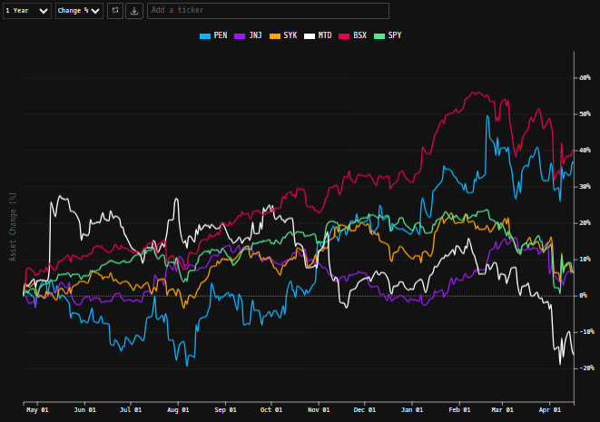
 |  |  |  |  |  |  |  |  | [Equity Performance Compared to Peers] April 20th, 2025

 |  |  |  |  |  |  |  |  |  | Penumbra is uniquely positioned, and almost benefits from the currently proposed tariff regime when compared to competing firms/peers and their positioning (competitors seemingly have much greater sensitivities to shifts in trade policy and the global business environment)
 |  |  |  |  |  |  |  |  |  |  | Costa Rica remains unaffected by specially levied tariffs beyond the baseline 10-20% … it will be important to track capital investment going into the Costa Rica site, and learn more about the proposed operations
 |  |  |  |  |  |  |  |  |  |  | The Company will be able to meet all U.S. demand with domestic manufacturing, allowing for margins to remain relatively unaffected by current trade policy debacles…
 |  |  |  |  |  |  |  |  |  |  |  | Will be important to track retaliatory tariffs, although international markets have been a shrinking portion of revenues for The Company, and the Chinese business has already been heavily discounted by the market well before federal policy came into play
 |  |  |  |  |  |  |  |  |  |  |  |  | [Important] The Chinese business and revenues were entirely removed from FY'25 estimates… (Is the Chinese business a joint venture with Penumbra… hopefully we are only marketing older portions of the portfolio to this segment)
 |  |  |  |  |  |  |  |  |  |  | Follow-up commentary on Tariffs from Q1 Earnings Call:
 |  |  |  |  |  |  |  |  |  |  |  | Elsesser Stated: I'd like to address the question of proposed or enacted tariffs and the current macro backdrop. We currently manufacture 100% of our products in the United States and are manufacturing facilities in Alameda and Roseville, California. In addition, approximately three-quarters of our raw materials and components are currently sourced in the United States. We're also engaged in a regular, ongoing process of optimizing our supply chain which includes, among other things, the strategic onshoring of certain materials that are not currently sourced in the United States

 |  |  |  |  |  |  |  |  |  | Seen above -- Penumbra's traded common stock has decisively outperformed the majority of it's competing peers (next up, look into BSX)
 |  |  |  |  |  |  |  |  |  |  | Med-Tech had been punished and left behind in the '24 tech-fueled bull market, as with most other healthcare operators… in the new risk off environment, analysts and the market are looking for safer cash flows… now to determine if these cash flows are overvalued…
 |  |  |  |  |  |  |  |  |  | The coming years mark an inflection point for The Company, as revenue growth normalizes and EPS/FCF growth is projected to accelerate at an unprecedented rate. The company is entering a maturity stage where:
 |  |  |  |  |  |  |  |  |  |  | Margins projected to rapidly expand in the coming years, driving earnings and FCF growth
 |  |  |  |  |  |  |  |  |  |  | Revenues/revenue growth remain strong, but the bigger opportunity going forward lies in capital deployment as cash really starts to roll in -- whether through M&A, R&D into new markets, or cash return programs for shareholders through buybacks or dividends (creating a designated share repurchase program beyond the occasional lump sum allocation as seen in Aug '24 with the strategic ASR)
 |  |  |  |  |  |  |  |  |  | Non-cash expenses (D&A) have been balancing out with PP&E spend in recent quarters, which could suggest a stabilization in the firms capital investment intensity
 |  |  |  |  |  |  |  |  |  |  | Going forward, it will be important to consider and distinguish between growth CapEx (e.g. expansion into the Costa Rica facility) and maintenance CapEx … Will be critical for estimating the firm's true FCF generation capabilities
 |  |  |  |  |  |  |  |  |  |  | A DCF model's accuracy hinges on deriving an NPV from projected cash flows... not GAAP compliant net income, which includes non-cash expenses (D&A) and does not consider CapEx demand nor changes in working capital (large cash account outflows)
 |  |  |  |  |  |  |  |  |  |  |  | Currently, the model provides a rough estimate into the equity's value, as LT Net Income and FCF figures tend to converge (as cash flows mature and reinvestment beyond maintenance is not required, resulting in CapEx = D&A) but a DCF from cash flows would still be optimal
 |  |  |  |  |  |  |  |  |  |  |  | Additionally, while my current DCF model delivered a FMV in line with currently traded prices, I believe that Penumbra's intellectual property + potential for future innovations may not be fully captured/reflected in medium term. I would attribute an additional premium for its long-term productivity edge (seen in the higher terminal rate figure).
 |  |  |  |  |  |  |  |  |  | On a final note … I think Penumbra is going to be a big company … but Managers should give time to contemplate on what kind of big company it will grow into … Will the company grow into the next ISRG … SYK … BSX ?
 |  |  |  |  |  |  |  |  |  |  | Both Stryker and Intuitive are incredibly successful companies (>$150B) but there are qualitative differences
 |  |  |  |  |  |  |  |  |  |  |  | Robotic surgery capabilities from a programable platform like the Da Vinci machine has a much greater TAM than CAVT in its current form … but can the underlying technology be leveraged into "the next big thing"?
...

Portfolio | Product Lines
 |  |  |  |  | 0
Product Snapshot: | https://www.penumbrainc.com/products/?pages=1 |  |  | General Market Research:
 | Product Families |  | Key Product Brands | Penumbra Engine:
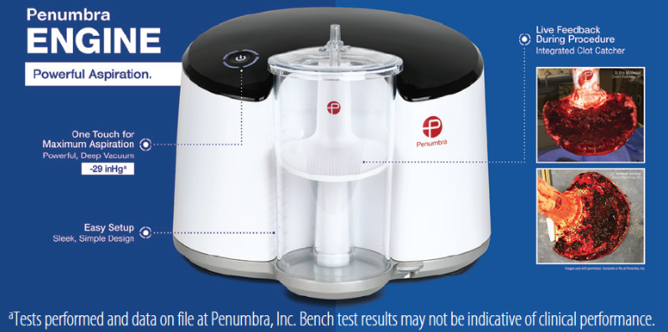
 |  |  | Indigo System
 |  | Peripheral | Cat RX
 |  |  | Lightning
Thrombectomy |  |  | Bolt
 |  |  | Penumbra System
 |  | Neuro | Penumbra RED, JET, ACE, and MAX catheters
 |  |  | 3D Revascularization Device
 |  |  | Penumbra Engine and other components and accessories
 |  |  | Ruby Coil System
 |  |  | Ruby LP
 |  | Peripheral | Lantern
 |  | Embolization | POD (Penumbra Occlusion Device)
 |  |  | Packing Coil
 |  |  | Packing Coil LP
 |  |  | Penumbra Coil 400
 |  | Neuro | POD400
Embolization |  | Embolization | PAC400
& Access |  |  | Penumbra SMART COIL
 |  |  | SwiftPAC Coil
 |  |  | Neuron
 |  |  | Neuron Max
 |  |  | BENCHMARK
 |  | Access | Element
 |  |  | BMX
 |  |  | DDC
 |  |  | PX SLIM
 |  |  | MIDWAY
 |  | Neurosurgical Tools | Artemis Neuro Evacuation Device
 |  |  | [click hyperlinks to access subsequent info]

Penumbra Introduces Red 72 Silver Label Large-Bore Reperfusion Catheter (April 24, 2025)
https://evtoday.com/news/penumbra-introduces-red-72-silver-label-large-bore-reperfusion-catheter?c4src=news-landing
 | Penumbra recently announced the introduction of the Red 72 Silver Label large-bore reperfusion catheter with SendIt technology
 |  | The device is an update of the company’s flagship Red 72 device
 | Penumbra stated that the new Red 72 Silver Label is adapted from the company’s Red 43 and Red 62 catheters, which are designed to support more distal vessels
 |  | As outlined in Penumbra’s press release, Red 72 Silver Label has a 0.072-inch (1.83-mm) lumen, an 0.085-inch (2.16-mm) outer diameter, and a 132-cm length to reach target vessels
 |  | Additionally, the company noted that Red 72 was designed to occupy approximately 72% to 77% of the average M1 segment of the middle cerebral artery, which is within the optimal catheter-to-vessel inner-diameter ratio to create a pressure differential necessary for an effective thrombectomy procedure

 |  | Red 72 Silver Label tracked with ease to an M1 occlusion in a patient in their 90s with extreme cervical carotid tortuosity and underlying atherosclerotic disease
 | Penumbra’s SendIt technology is intended to minimize the ledge effect, simplify preparation, and ease delivery in large vessel occlusion
 |  | It features a smooth 1.5-cm taper for ease of navigation and close clot proximity
 |  | The Red 72 Silver Label, which has been developed for speed and ease of navigation, has shown a 50% increase in trackability versus the original Red 72 with SendIt technology, stated Penumbra
 | On The Company's Q2 earnings call, managers mentioned "In its first full quarter on the market, RED 72 SILVER LABEL with its enhanced trackability continued to generate strong physician interest and saw ramping adoption and utilization"

Penumbra Commences STRIDE II Study of Lightning Bolt CAVT to Treat Lower Extremity ALI (May 7, 2025)
https://evtoday.com/news/penumbra-commences-stride-ii-of-lightning-bolt-cavt-to-treat-lower-extremity-ali?c4src=home
 | Penumbra announced that it will begin recruitment for the STRIDE II study of its Lightning Bolt computer-assisted vacuum thrombectomy (CAVT) technology, which uses modulated aspiration for removing clots
 |  | According to the company, the prospective, multicenter, global clinical study will evaluate the safety and effectiveness of Lightning Bolt CAVT devices in patients with lower-extremity acute limb ischemia (ALI)
 |  | The Lightning Bolt portfolio includes Lightning Bolt 6x with Trax, Lightning Bolt 7, and Lightning Bolt 12
 | STRIDE II will enroll up to 300 adult patients at up to 50 global sites. Patients will be followed through 6 months postprocedure
 |  | Compared to the first STRIDE study, STRIDE II will more than double the number of patients enrolled
 |  | approximately triple the number of sites reporting data; and be more inclusive in terms of vessel locations, including iliac arteries and below, noted The Company
 | STRIDE showed that the use of Penumbra’s Indigo aspiration system in lower extremity ALI is safe and effective with a 30-day limb-salvage rate of 98.2% and a mortality rate of 3.4%
 |  | By comparison, data suggest that traditional open vascular surgery to perform an embolectomy has an 83% 30-day limb salvage rate, advised Penumbra in the press release
 | The first STRIDE study showed that the Indigo aspiration system, including CAVT technology, was safe and effective for managing arterial thrombus with high limb-salvage rates, very low adverse events, low risk of bleeding, low mortality, all while being extremely efficient with an average 22 minutes of device time
 |  | STRIDE II will test the latest technology while expanding the sample size and geographic scope of the investigation on a wider set of cases

Penumbra, Inc. Announces Completion of Enrollment for Landmark STORM-PE Randomized Controlled Trial (June 16, 2025)
https://www.penumbrainc.com/penumbra-inc-announces-completion-of-enrollment-for-landmark-storm-pe-randomized-controlled-trial/
 | STORM-PE is a first-of-its-kind clinical trial comparing computer assisted vacuum thrombectomy (CAVT™) using Penumbra’s Lightning Flash™ with anticoagulation versus anticoagulation alone in the treatment of acute intermediate-high risk pulmonary embolism
 | Penumbra announced the completion of enrollment in the STORM-PE clinical trial
 |  | The pivotal, prospective, multi-center randomized controlled trial enrolled 100 patients to evaluate computer assisted vacuum thrombectomy (CAVT) using Penumbra’s Lightning Flash™ plus anticoagulation, versus anticoagulation alone, for the treatment of acute intermediate-high risk pulmonary embolism (PE)
 | The pivotal, prospective, multi-center randomized controlled trial enrolled 100 patients to evaluate computer assisted vacuum thrombectomy (CAVT) using Penumbra’s Lightning Flash™ plus anticoagulation, versus anticoagulation alone, for the treatment of acute intermediate-high risk pulmonary embolism (PE)
 |  | “The trial successfully randomized patients well ahead of schedule thanks to the dedication of our clinical partners and the tireless efforts of our internal teams”
 |  | Conducted in partnership with The PERT Consortium®, a multi-disciplinary group dedicated to improving the care of patients with PE, the trial aims to provide high-quality evidence on the role of CAVT in improving right heart function and clinical outcomes in this critically ill patient population
 | “Pulmonary embolism remains a leading cause of cardiovascular morbidity and mortality, yet treatment strategies for intermediate-high risk patients are not well defined.” said Rachel Rosovsky, MD, MPH, co-global principal investigator of STORM-PE and hematologist at the Massachusetts General Hospital
 |  | “The results of this trial will provide level 1 clinical evidence aimed at informing treatment guidelines and patient care”
 |  | In the U.S., an estimated 900,000 cases of symptomatic PE occur annually.[i] Pulmonary embolism can be life-threatening with 10-30 percent of individuals dying within one month of diagnosis
 | “We are pleased to announce that STORM-PE has successfully completed enrollment,” said Robert Lookstein, MD, MHCDL co-global principal investigator and professor of radiology and surgery at the Icahn School of Medicine at Mount Sinai
 |  | “We congratulate all the sites and the investigators for their dedication and commitment to answering the critical clinical question of whether endovascular therapy with CAVT is superior to medical therapy for acute intermediate-high risk pulmonary embolism”
 | Penumbra’s Lightning Flash portfolio is the most advanced mechanical thrombectomy system on the market to address venous and pulmonary thrombus
 |  | It features Penumbra’s Lightning CAVT technology with the latest dual clot detection algorithms, using both pressure and flow-based processes to detect blood clot and blood flow
 |  | The Lightning Flash catheter is made with MaxID hypotube technology, allowing an inner diameter similar to large-bore catheters while maintaining a lower profile and a soft, atraumatic tip design
 |  | They are designed to help remove blood clots with speed, safety and simplicity, allowing physicians to better navigate the body’s complex anatomy and deliver high power aspiration for clot removal

Management
Public Management Scope Recources:
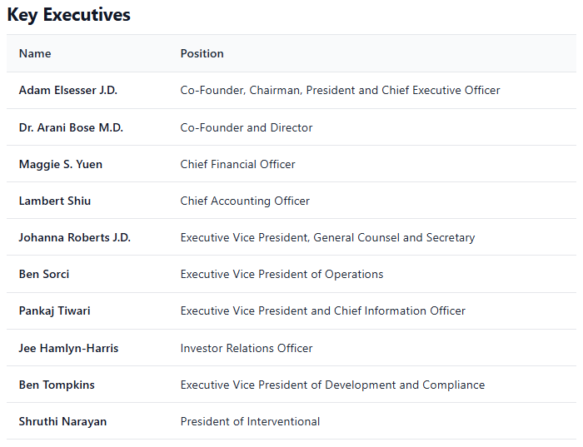

Penumbra IR snapshot |  | https://www.penumbrainc.com/about-us/leadership/
Compensation + general background info |  | https://www.sec.gov/Archives/edgar/data

Cecelia Furlong has since taken on the role of Investor Relations Officer, assisting during earnings calls and general investor relations activities
 | Cecelia and Jason Mills front up the Corporate Strategy and IR team
Shruthi Narayan is the most likely candidate for CEO as Adam Elsesser will probably shift into a pure chairman role in the coming years

Peripheral Thrombectomy
...
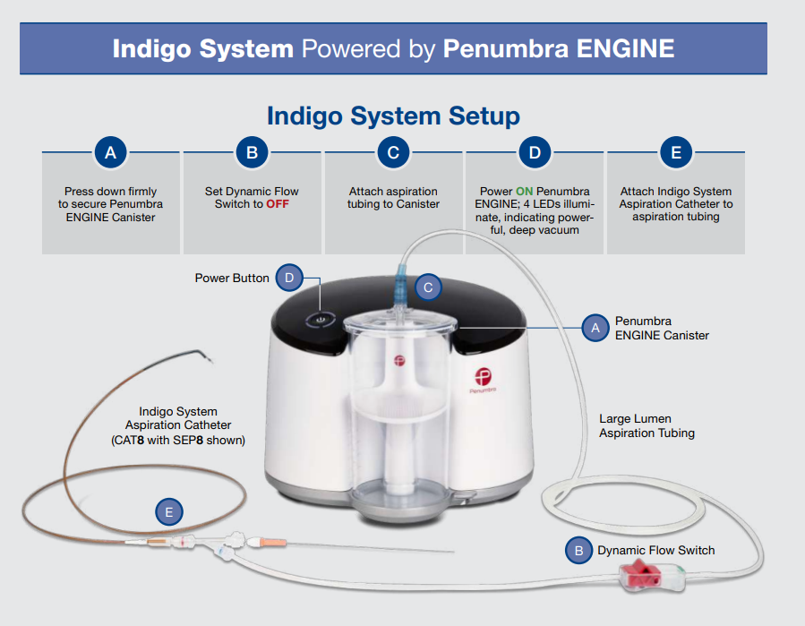
...
Computer Assisted Vacuum Thrombectomy (Powered by an ASIC)



