Main

 | PL
 | Price | 17.43 | 7/5/2026
 | SO | 359.6 | Q1'26
 | MC | 6,268
 | Cash | 867 | Q1'26
 | Debt | 448 | Q1'26
 | EV | 5,849
 |  |  |  |  |  |  | Resources:
 | Planet Labs PBC (PL) |  |  |  |  |  | SEC filings |  | https://www.sec.gov/edgar/browse/?CIK=1836833&owner=exclude
 |  |  |  |  |  |  | Company Homepage |  | https://www.planet.com/
 | Founder(s): Will Marshall, Robbie Schingler, and Chris Boshuizen (three former NASA scientists) |  |  | Registered Exchange: NYSE |  |  |  | Company IR Page |  | https://investors.planet.com/overview/default.aspx
 | Founded: 2010 |  |  | Address: 645 Harrison Street, San Francisco, CA 94107 U.S. |  |  |  | Planet Labs Constellations |  | https://www.planet.com/constellations/
 | Headquarters: San Francisco, CA |  |  | Investor Relations Contact: |  |  |  | Comprehensive Dove 1 Space Missions |  | https://space.skyrocket.de/doc_sdat/dove-1.htm
 | Current CEO: William Marshall |  |  | Investors Relation Department |  |  | Earnings Calls |  | https://seekingalpha.com/symbol/PL/earnings/transcripts
 | Employees: 1,000 |  |  | Phone: | (415) 829 - 3313 | Email: | Equity Analysis |  | https://stockanalysis.com/stocks/pl/company/
 | Industry: Aerospace & Defense |  |  |  |  |  | MacroTrends |  | https://www.macrotrends.net/stocks/charts/PL/planet-labs-pbc/revenue
 | Sector: Industrials |  |  |  |  |  | ROIC, WACC |  | https://www.gurufocus.com/term/wacc/PL
 | IPO: December 8th, 2021 (Through SPAC) -- $2.8B valuation |  |  |  |  |  | Godel Terminal |  | https://app.godelterminal.com/
 | Fiscal Year: [February - January] |  |  |  |  |  | SpaceNews |  | https://spacenews.com/

Company Overview:
 | Planet is a vertically integrated Earth Observation (EO) enterprise and operates a large fleet of LEO imaging satellites. The Company sells satellite images, analytics, and related services through a cloud platform and APIs ... Their main value is giving customers frequent, updated views of Earth for monitoring change over time
 |  | The Company is best viewed as a geospatial data platform, not just a satellite company … Market offerings are strongest where customers need frequent monitoring of large areas rather than one-off high-resolution snapshots … sells daily satellite imagery and analytics through a recurring subscription model
 | The Company's core asset is the Dove/SuperDove constellation for daily, broad-earth coverage, with SkySat and Pelican for higher-resolution tasking and Tanager for hyperspectral monitoring
 |  | The Earth Observation platform enables customers to access, analyze, and act on proprietary data catalogs by discovering image tasking capacity, relevant data layers, extracting useful information, and delivering insights through custom-built solutions or GIS workflows via APIs and browser-based applications
 |  | In addition, the company’s satellite services arrangements include designing and manufacturing customer-owned satellites, mission systems engineering, launch procurement, ground station infrastructure, satellite operations, and maintenance, as well as dedicated image tasking capacity on company-owned or customer-owned satellites
 | Main Satellite Assets:
 |  | Dove / SuperDove: daily, medium-resolution global coverage
 |  | SkySat: higher-resolution imagery for specific locations
 |  | Pelican: next-gen very-high-resolution tasking satellites
 |  | Tanager: hyperspectral satellites for more detailed environmental monitoring
 | The Company reports revenue through a consolidated revenue reporting framework (no segmentation) but frequently destinguishes end customers between Government / National Defense and Enterprise Solutions … Main Customers include: Government, defense, agriculture, forestry, mapping, energy, finance, and insurance customers
 |  | Google has maintained a close relationship with Planet Labs, acting as a major partner … similar in nature to PLTR / BKSY partnership … very interesting
 | Planet Labs was founded in 2010 as a Public Benefit Corporation and is headquartered in San Francisco, California

Business Segments and Geographical Info:
 | [Begin researching fundamentals / core business … begin with SEC filings, but expand and use all public resources available]

Notes | Quant Analysis
 |  |  |  |  |  |  |  |  |  | 0
Employee Scope: |  |  |  |  |  |  |  |  | General Notes/Observations (Updated Q1'26)

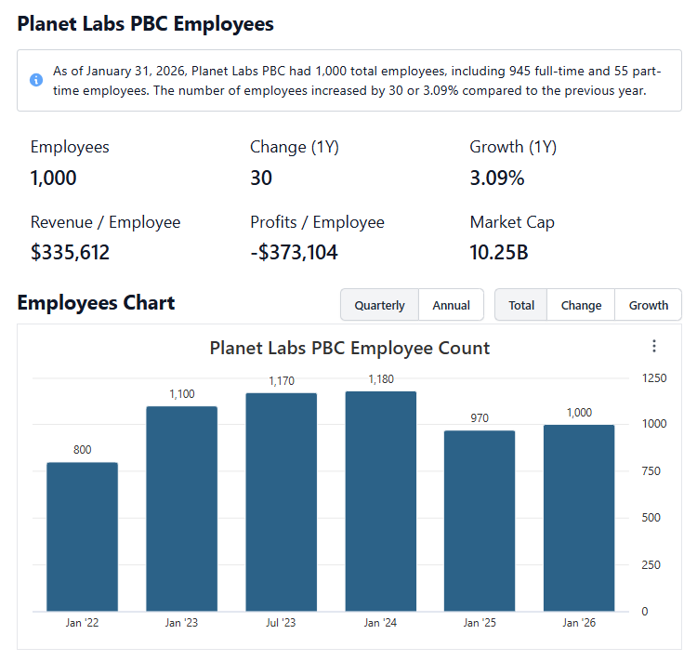

 | Notes: | [X]
 |  | [Y]
 |  | [Z]
 |  |  |  |  |  |  |  |  | Financial Stmts. Notes/Observations (Updated Q1'26)
Institutional Ownership Snapshot Q1'26 |  |  |  |  |  |  |  |  | Revenues:
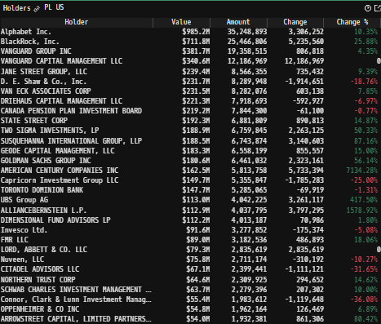

 | Notes: | As of Q1'26 Google is a majority shareholder, owning 11% of The Company's outstanding equity
 |  | [Y]
 |  | [Z]

(PL) Revenue by Segment (in $ millions)
 | Civil Government | Commercial | Defense & Intelligence
Q1 2024 | 18.0 | 12.8 | 29.6
 | 17.2 | 14.2 | 29.7
 | 18.6 | 14.2 | 28.5
 | 18.1 | 15.0 | 28.4
Q1 2025 | 16.3 | 13.3 | 36.6
 | 16.4 | 15.1 | 41.9
 | 18.8 | 13.1 | 49.4
 | 20.4 | 14.1 | 52.3
Q1 2026 | 16.2 | 16.6 | 61.4
 | 17.5 | 17.6 | 81.0
Revenue Breakdown by Segment |  |  |  |  |  |  |  |  | Earnings Scope:

 | Notes: | [X]
 |  | [Y]
 |  | [Z]

(PL) Revenue by Segment (in $ millions)
 | North America | APAC | Euro, Mid-East & Africa | LATAM
Q1 2024 | 32.7 | 11.1 | 13.7 | 2.9
 | 30.8 | 10.3 | 17.2 | 2.8
 | 27.0 | 10.3 | 20.0 | 3.9
 | 28.8 | 10.6 | 19.2 | 3.0
Q1 2025 | 29.5 | 15.3 | 18.8 | 2.6
 | 31.1 | 16.2 | 23.5 | 2.7
 | 35.1 | 14.3 | 27.6 | 4.2
 | 36.2 | 14.0 | 33.7 | 2.8
Q1 2026 | 37.0 | 19.3 | 35.1 | 2.8
 | 39.0 | 19.1 | 55.2 | 2.7
Revenue Breakdown by Segment |  |  |  |  |  |  |  |  | Balance Sheet Scope:

 | Notes: | [X]
 |  | [Y] |  |  |  |  |  |  | [Equity Preformance Compared to Peers]
 |  | [Z]

Q/q Total Revenues, Net Income, FCF
(PL) Quarterly Ttl Revenues, Net Income, Free Cash Flows (in $ millions)
 | Income |  | FCF |  | Revenues
Q1 2020 | -29.2 | Q1 2020 | -31.9 | Q1 2021 | 32.0
Q2 2020 | -20.4 | Q2 2020 | -23.7 |  | 30.4
Q3 2020 | -41.5 | Q3 2020 | -44.3 |  | 31.7
Q4 2020 | -46.0 | Q4 2020 | -52.2 |  | 37.1
Q1 2021 | -44.4 | Q1 2021 | -47.9 | Q1 2022 | 40.1
Q2 2021 | -39.6 | Q2 2021 | -43.8 |  | 48.4
Q3 2021 | -40.2 | Q3 2021 | -43.2 |  | 49.7
Q4 2021 | -37.8 | Q4 2021 | -39.8 |  | 53.0
Q1 2022 | -34.4 | Q1 2022 | -41.5 | Q1 2023 | 52.7
Q2 2022 | -37.9 | Q2 2022 | -54.6 |  | 53.8
Q3 2022 | -38.0 | Q3 2022 | -46.6 |  | 55.4
Q4 2022 | -30.0 | Q4 2022 | -40.2 |  | 58.9
Q1 2023 | -29.3 | Q1 2023 | -40.7 | Q1 2024 | 60.4
Q2 2023 | -38.7 | Q2 2023 | -55.3 |  | 61.1
Q3 2023 | -20.0 | Q3 2023 | -29.0 |  | 61.3
Q4 2023 | -35.1 | Q4 2023 | -48.0 |  | 61.6
Q1 2024 | -12.6 | Q1 2024 | -21.9 | Q1 2025 | 66.3
Q2 2024 | -22.6 | Q2 2024 | -44.1 |  | 73.4
Q3 2024 | -59.1 | Q3 2024 | -86.9 |  | 81.3
Q4 2024 | -152.5 | Q4 2024 | -175.5 |  | 86.8
Q1 2025 | -138.8 | Q1 2025 | -156.9 | Q1 2026 | 94.2
 | -9.4 |  | -156.9 |  | 116.1

 | Notes: | [X]
 |  | [Y]
 |  | [Z]

Y/y Total Revenues, Net Income, FCF
(PL) Annual Ttl Revenues, Net Income, Free Cash Flows (in $ millions)
 | Income |  | FCF |  | Revenues
Q1 2020 | -137.1 | Q1 2020 | -152.1 | 2020 | 131.2
Q2 2020 | -162.0 | Q2 2020 | -174.7 | 2021 | 191.2
Q3 2020 | -140.4 | Q3 2020 | -182.9 | 2022 | 220.8
Q4 2020 | -123.1 | Q4 2020 | -173.0 | 2023 | 244.4
Q1 2021 | -106.4 | Q1 2021 | -154.2 | 2024 | 250.3
Q2 2021 | -246.8 | Q2 2021 | -328.4 | 2025 | 307.8
Q3 2021 |  | Q3 2021
Q4 2021 |  | Q4 2021
Q1 2022 |  | Q1 2022
Q2 2022 |  | Q2 2022
Q3 2022 |  | Q3 2022
Q4 2022 |  | Q4 2022
Q1 2023 |  | Q1 2023
Q2 2023 |  | Q2 2023
Q3 2023 |  | Q3 2023
Q4 2023 |  | Q4 2023
Q1 2024 |  | Q1 2024
Q2 2024 |  | Q2 2024
Q3 2024 |  | Q3 2024
Q4 2024 |  | Q4 2024
Q1 2025 |  | Q1 2025

 | Notes: | [X]
 |  | [Y]
 |  | [Z]

(PL) 1-Day Historical Return Histogram + Normal Distribution Overlay

 |  | Min | -20.18%
 |  | Max | 25.37%
 |  | Mean μ | 0.00%
 |  | Median | -0.08%
 |  | SD σ | 4.27%
 |  | 3σ 1-Day Δ: ± | 12.82% |  | <- Sharpe Ratio (Risk Adjusted Return)
 |  | β (1-year avg.) | 2.95 |  | <- Sortino Ratio (Downside Risk Adjusted Return)

 | n = | 1,014
 | Histogram Data |  |  | Distribution Overlay |  |  | SD Lines
 | Bin | Frequency |  | (X) 1-Day Δ | (Y) Pop. Density |  | X | Y
 | -13.50% | 5 |  | -14.50% | 0.02945841057 | Mean | 0.00% | 0
 | -13.25% | 1 |  | -14.25% | 0.035867731699 |  | 0.00% | 9.5
 | -13.00% | 0 |  | -14.00% | 0.043522286917 | -3σ | -12.82% | 0
 | -12.75% | 0 |  | -13.75% | 0.052629918372 |  | -12.82% | 1
 | -12.50% | 2 |  | -13.50% | 0.063425935086 | -2σ | -8.54% | 0
 | -12.25% | 0 |  | -13.25% | 0.076175314256 |  | -8.54% | 2
 | -12.00% | 0 |  | -13.00% | 0.091174800962 | -1σ | -4.27% | 0
 | -11.75% | 1 |  | -12.75% | 0.10875483825 |  | -4.27% | 5.5
 | -11.50% | 0 |  | -12.50% | 0.12928125019 | 1σ | 4.27% | 0
 | -11.25% | 0 |  | -12.25% | 0.15315659172 |  | 4.27% | 5.5
 | -11.00% | 2 |  | -12.00% | 0.18082107076 | 2σ | 8.55% | 0
 | -10.75% | 1 |  | -11.75% | 0.21275294168 |  | 8.55% | 2
 | -10.50% | 0 |  | -11.50% | 0.24946826363 | 3σ | 12.82% | 0
 | -10.25% | 0 |  | -11.25% | 0.29151991477 |  | 12.82% | 1
 | -10.00% | 0 |  | -11.00% | 0.33949575316
 | -9.75% | 3 |  | -10.75% | 0.39401581792
 | -9.50% | 2 |  | -10.50% | 0.45572847143
 | -9.25% | 4 |  | -10.25% | 0.52530539365
 | -9.00% | 2 |  | -10.00% | 0.60343535508
 | -8.75% | 1 |  | -9.75% | 0.69081671473
 | -8.50% | 2 |  | -9.50% | 0.78814861344
 | -8.25% | 2 |  | -9.25% | 0.8961208625
 | -8.00% | 2 |  | -9.00% | 1.0154025602
 | -7.75% | 4 |  | -8.75% | 1.1466295068
 | -7.50% | 3 |  | -8.50% | 1.2903905279
 | -7.25% | 5 |  | -8.25% | 1.4472128597
 | -7.00% | 8 |  | -8.00% | 1.617546793
 | -6.75% | 6 |  | -7.75% | 1.8017498165
 | -6.50% | 2 |  | -7.50% | 2.0000705428
 | -6.25% | 2 |  | -7.25% | 2.2126327395
 | -6.00% | 9 |  | -7.00% | 2.4394198214
 | -5.75% | 4 |  | -6.75% | 2.6802601912
 | -5.50% | 8 |  | -6.50% | 2.9348138317
 | -5.25% | 8 |  | -6.25% | 3.2025605675
 | -5.00% | 6 |  | -6.00% | 3.4827904124
 | -4.75% | 7 |  | -5.75% | 3.774596406
 | -4.50% | 16 |  | -5.50% | 4.0768703207
 | -4.25% | 8 |  | -5.25% | 4.3883015805
 | -4.00% | 15 |  | -5.00% | 4.7073796839
 | -3.75% | 9 |  | -4.75% | 5.0324003585
 | -3.50% | 11 |  | -4.50% | 5.3614756028
 | -3.25% | 14 |  | -4.25% | 5.6925476827
 | -3.00% | 10 |  | -4.00% | 6.0234070598
 | -2.75% | 17 |  | -3.75% | 6.3517141305
 | -2.50% | 17 |  | -3.50% | 6.6750245498
 | -2.25% | 27 |  | -3.25% | 6.9908178175
 | -2.00% | 27 |  | -3.00% | 7.2965287012
 | -1.75% | 16 |  | -2.75% | 7.5895809821
 | -1.50% | 25 |  | -2.50% | 7.8674229272
 | -1.25% | 32 |  | -2.25% | 8.1275638189
 | -1.00% | 31 |  | -2.00% | 8.3676108258
 | -0.75% | 47 |  | -1.75% | 8.5853054553
 | -0.50% | 28 |  | -1.50% | 8.778558818
 | -0.25% | 32 |  | -1.25% | 8.9454849366
 | 0.00% | 50 |  | -1.00% | 9.0844313566
 | 0.25% | 8 |  | -0.75% | 9.1940063663
 | 0.50% | 40 |  | -0.50% | 9.2731021981
 | 0.75% | 18 |  | -0.25% | 9.320913672
 | 1.00% | 37 |  | 0.00% | 9.3369518402
 | 1.25% | 21 |  | 0.25% | 9.3210523116
 | 1.50% | 27 |  | 0.50% | 9.273378057
 | 1.75% | 32 |  | 0.75% | 9.1944166282
 | 2.00% | 21 |  | 1.00% | 9.0849718572
 | 2.25% | 19 |  | 1.25% | 8.9461502335
 | 2.50% | 25 |  | 1.50% | 8.7793422825
 | 2.75% | 12 |  | 1.75% | 8.5861993819
 | 3.00% | 17 |  | 2.00% | 8.3686065586
 | 3.25% | 19 |  | 2.25% | 8.1286518905
 | 3.50% | 15 |  | 2.50% | 7.8685932085
 | 3.75% | 14 |  | 2.75% | 7.5908228389
 | 4.00% | 10 |  | 3.00% | 7.2978311533
 | 4.25% | 15 |  | 3.25% | 6.9921696996
 | 4.50% | 10 |  | 3.50% | 6.6764146676
 | 4.75% | 9 |  | 3.75% | 6.353131412
 | 5.00% | 9 |  | 4.00% | 6.0248406973
 | 5.25% | 6 |  | 4.25% | 5.6939872633
 | 5.50% | 5 |  | 4.50% | 5.362911226
 | 5.75% | 6 |  | 4.75% | 5.0338227385
 | 6.00% | 8 |  | 5.00% | 4.7087802361
 | 6.25% | 3 |  | 5.25% | 4.3896724909
 | 6.50% | 2 |  | 5.50% | 4.078204598
 | 6.75% | 4 |  | 5.75% | 3.775887917
 | 7.00% | 2 |  | 6.00% | 3.4840339004
 | 7.25% | 7 |  | 6.25% | 3.2037516548
 | 7.50% | 6 |  | 6.50% | 2.9359490081
 | 7.75% | 8 |  | 6.75% | 2.6813367888
 | 8.00% | 2 |  | 7.00% | 2.4404359777
 | 8.25% | 3 |  | 7.25% | 2.2135873506
 | 8.50% | 3 |  | 7.50% | 2.0009632087
 | 8.75% | 0 |  | 7.75% | 1.8025807797
 | 9.00% | 4 |  | 8.00% | 1.6183168727
 | 9.25% | 4 |  | 8.25% | 1.4479233831
 | 9.50% | 2 |  | 8.50% | 1.2910432606
 | 9.75% | 0 |  | 8.75% | 1.1472265829
 | 10.00% | 0 |  | 9.00% | 1.0159464145
 | 10.25% | 0 |  | 9.25% | 0.89661416499
 | 10.50% | 0 |  | 9.50% | 0.78859420806
 | 10.75% | 1 |  | 9.75% | 0.69121756197
 | 11.00% | 0 |  | 10.00% | 0.60379447991
 | 11.25% | 3 |  | 10.25% | 0.52562583874
 | 11.50% | 0 |  | 10.50% | 0.4560132561
 | 11.75% | 1 |  | 10.75% | 0.39426790262
 | 12.00% | 2 |  | 11.00% | 0.33971800974
 | 12.25% | 1 |  | 11.25% | 0.29171510208
 | 12.50% | 1 |  | 11.50% | 0.24963900832
 | 12.75% | 0 |  | 11.75% | 0.2129017238
 | 13.00% | 0 |  | 12.00% | 0.18095021374
 | 13.25% | 0 |  | 12.25% | 0.15326825632
 | 13.50% | 0 |  | 12.50% | 0.12937743191
 | More | 7 |  | 12.75% | 0.1088373677
 |  |  |  | 13.00% | 0.091245346836
 |  |  |  | 13.25% | 0.076235388291
 |  |  |  | 13.50% | 0.063476898738
 |  |  |  | 13.75% | 0.052672990717
 |  |  |  | 14.00% | 0.043558553455
 |  |  |  | 14.25% | 0.035898153741
 |  |  |  | 14.50% | 0.029483834936
...

