Main

Master
 | PODD
 | Price | 133.93 | 10/14/2026
 | SO | 96.3 | Q2'26
 | MC | 12,897
 | Cash | 535 | Q2'26
 | Debt | 948 | Q2'26
 | EV | 13,311

 | Insulet Corporation (PODD)

 | Founder(s): John Brooks, Amparo Diaz, and Duane DeSisto |  |  | Registered Exchange: NASDAQ |  |  | Resources:
 | Founded: 2000 |  |  | Address: 100 Nagog Park, Acton, MA 01720 U.S. |  |  | SEC filings |  | https://www.sec.gov/edgar/browse/?CIK=1145197&owner=exclude
 | Headquarters: Acton, MA |  |  | Investor Relations Contact: |  |  | Company Homepage |  | https://www.insulet.com/
 | Current CEO: Ashley McEvoy |  |  | Investors Relation Department |  |  |  | Company IR Page |  | https://investor.insulet.com/overview/default.aspx
 | Employees: 5,700 |  |  | Phone: | (978) 600 - 7000 | Email: | Earnings Calls |  | https://seekingalpha.com/symbol/PODD/earnings/transcripts
 | Industry: Medical Devices |  |  |  |  |  | Equity Analysis |  | https://stockanalysis.com/stocks/podd/company/
 | Sector: Healthcare |  |  |  |  |  | MacroTrends |  | https://www.macrotrends.net/stocks/charts/PODD/insulet/income-statement?freq=A
 | IPO: May 15, 2007 |  |  |  |  |  | ROIC, WACC |  | https://www.gurufocus.com/term/wacc/PODD
 | Fiscal Year: [January - December] |  |  |  |  |  | Godel Terminal |  | https://app.godelterminal.com/

Company Overview:
 | Insulet Corporation develops, manufactures, and sells insulin delivery systems for people with insulin-dependent diabetes in the United States and internationally
 | The Company offers Omnipod platform products comprising Omnipod 5 automated insulin delivery system, which includes a proprietary AID algorithm embedded in the pod that integrates with a third-party continuous glucose monitor to obtain glucose values through wireless Bluetooth communication
 |  | The Company also offers Omnipod DASH insulin management system that features a Bluetooth enabled pod that is controlled by a smartphone-like personal diabetes manager with a color touch screen user interface
 |  | It also provides pods for Amgen for use in the Neulasta Onpro kit, which is a delivery system to help reduce the risk of infection after intense chemotherapy
 | The Company sells its products to end-users through the pharmacy channel; and independent distributors
 | Insulet Corporation was incorporated in 2000 and is headquartered in Acton, Massachusetts

Business Segments and Geographical Info:

Notes | Quant Analysis
 |  |  |  |  |  |  |  |  |  | 0
Employee Scope: |  |  |  |  |  |  |  |  | General Notes/Observations

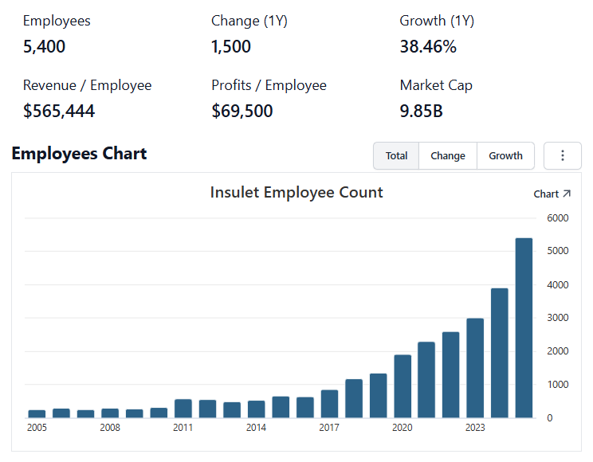

 | Notes: | [X]
 |  | [Y]
 |  | [Z]
 |  |  |  |  |  |  |  |  | Financial Stmts. Notes/Observations
Institutional Ownership Snapshot |  |  |  |  |  |  |  |  | Revenues:
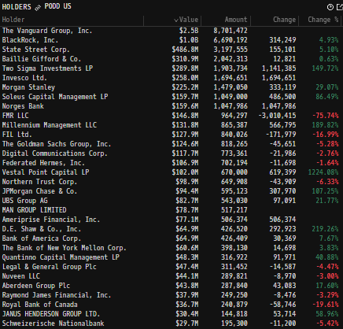

 | Notes: | [X]
 |  | [Y]
 |  | [Z]

(PODD) Revenue by Segment (in $ millions)
 | Omnipod Products | Drug Delivery
Q1 2021 | 233.2 | 19.1
 | 242.1 | 21.1
 | 260.3 | 15.3
 | 275.8 | 31.9
Q1 2022 | 269.5 | 25.9
 | 285.8 | 13.6
 | 326.1 | 14.7
 | 366.4 | 3.3
Q1 2023 | 357.6 | 0.5
 | 380.5 | 16.0
 | 422.0 | 10.7
 | 501.0 | 8.8
Q1 2024 | 433.0 | 8.7
 | 480.4 | 8.1
 | 533.5 | 10.3
 | 585.8 | 11.8
Q1 2025 | 554.0 | 14.9
 | 639.0 | 10.2
 | 699.2 | 7.1
 | 781.8 | 1.9
Q1 2026 | 758.4 | 3.3
 | 795.9 | 5.8
Revenue Breakdown by Segment |  |  |  |  |  |  |  |  | Earnings Scope:
(PODD) Customer Mix Chart:
 | Omnipod Products % of Revenues | Drug Delivery % of Revenues
Q1 2021 | 92.4% | 7.6%
 | 92.0% | 8.0%
 | 94.4% | 5.6%
 | 89.6% | 10.4%
Q1 2022 | 91.2% | 8.8%
 | 95.5% | 4.5%
 | 95.7% | 4.3%
 | 99.1% | 0.9%
Q1 2023 | 99.9% | 0.1%
 | 96.0% | 4.0%
 | 97.5% | 2.5%
 | 98.3% | 1.7%
Q1 2024 | 98.0% | 2.0%
 | 98.3% | 1.7%
 | 98.1% | 1.9%
 | 98.0% | 2.0%
Q1 2025 | 97.4% | 2.6%
 | 98.4% | 1.6%
 | 99.0% | 1.0%
 | 99.8% | 0.2%
Q1 2026 | 99.6% | 0.4%
 | 99.3% | 0.7%

 | Notes: | [X]
 |  | [Y]
 |  | [Z]

Q/q Total Revenues, Net Income, FCF |  |  |  |  |  |  |  |  | Balance Sheet Scope:
(PODD) Quarterly Ttl Revenues, Net Income, Free Cash Flows (in $ millions)
 | Income |  | FCF |  | Revenues
Q1 2020 | 0.0 | Q1 2020 | -67.9 | Q1 2021 | 252.3
Q2 2020 | -25.0 | Q2 2020 | -1.7 |  | 263.2
Q3 2020 | 12.6 | Q3 2020 | -53.1 |  | 275.6
Q4 2020 | 29.2 | Q4 2020 | -68.1 |  | 307.7
Q1 2021 | 27.8 | Q1 2021 | -29.6 | Q1 2022 | 295.4
Q2 2021 | -35.0 | Q2 2021 | 6.2 |  | 299.4
Q3 2021 | -5.2 | Q3 2021 | 22.8 |  | 340.8
Q4 2021 | 17.0 | Q4 2021 | -16.2 |  | 369.7
Q1 2022 | 25.4 | Q1 2022 | -11.5 | Q1 2023 | 358.1
Q2 2022 | 29.7 | Q2 2022 | 25.9 |  | 396.5
Q3 2022 | 55.4 | Q3 2022 | 34.4 |  | 432.7
Q4 2022 | 95.8 | Q4 2022 | 12.9 |  | 509.8
Q1 2023 | 58.3 | Q1 2023 | 63.6 | Q1 2024 | 441.7
Q2 2023 | -86.4 | Q2 2023 | 62.0 |  | 488.5
Q3 2023 | 88.1 | Q3 2023 | 79.0 |  | 543.8
Q4 2023 | 358.3 | Q4 2023 | 91.8 |  | 597.6
Q1 2024 | 35.4 | Q1 2024 | 48.2 | Q1 2025 | 568.9
Q2 2024 | 22.5 | Q2 2024 | 173.2 |  | 649.2
Q3 2024 | 87.6 | Q3 2024 | 94.6 |  | 706.3
Q4 2024 | 101.6 | Q4 2024 | 42.5 |  | 783.7
Q1 2025 | 91.1 | Q1 2025 | 86.0 | Q1 2026 | 761.7
 | 95.0 |  | 51.2 |  | 801.7

 | Notes: | [X]
 |  | [Y]
 |  | [Z]

Y/y Total Revenues, Net Income, FCF |  |  |  |  |  |  |  |  | [Equity Preformance Compared to Peers]
(PODD) Annual Ttl Revenues, Net Income, Free Cash Flows (in $ millions)
 | Income |  | FCF |  | Revenues
Q1 2020 | -45.7 | Q1 2020 | -36.6 | 2011 | 152.3
Q2 2020 | -51.9 | Q2 2020 | -40.1 | 2012 | 211.4
Q3 2020 | -45.0 | Q3 2020 | -4.0 | 2013 | 247.1
Q4 2020 | -47.9 | Q4 2020 | -2.6 | 2014 | 231.3
Q1 2021 | -61.6 | Q1 2021 | -23.2 | 2015 | 263.9
Q2 2021 | -27.2 | Q2 2021 | -6.2 | 2016 | 367.0
Q3 2021 | -26.8 | Q3 2021 | -32.5 | 2017 | 463.8
Q4 2021 | 3.3 | Q4 2021 | -121.5 | 2018 | 563.8
Q1 2022 | 11.6 | Q1 2022 | -65.3 | 2019 | 738.2
Q2 2022 | 6.8 | Q2 2022 | -82.5 | 2020 | 904.4
Q3 2022 | 16.8 | Q3 2022 | -190.8 | 2021 | 1098.8
Q4 2022 | 4.6 | Q4 2022 | -16.8 | 2022 | 1305.3
Q1 2023 | 206.3 | Q1 2023 | 61.7 | 2023 | 1697.1
Q2 2023 | 418.3 | Q2 2023 | 296.4 | 2024 | 2071.6
Q3 2023 | 247.1 | Q3 2023 | 358.5 | 2025 | 2708.1
Q4 2023 |  | Q4 2023
Q1 2024 |  | Q1 2024
Q2 2024 |  | Q2 2024
Q3 2024 |  | Q3 2024
Q4 2024 |  | Q4 2024
Q1 2025 |  | Q1 2025

 | Notes: | [X]
 |  | [Y]
 |  | [Z]

(PODD) 1-Day Historical Return Histogram + Normal Distribution Overlay

 |  | Min | -11.82%
 |  | Max | 8.55%
 |  | Mean μ | -0.10%
 |  | Median | -0.04%
 |  | SD σ | 2.12%
 |  | 3σ 1-Day Δ: ± | 6.35% |  | <- Sharpe Ratio (Risk Adjusted Return)
 |  | β (1-year avg.) | 0.45 |  | <- Sortino Ratio (Downside Risk Adjusted Return)

 | n = | 1,003
 | Histogram Data |  |  | Distribution Overlay |  |  | SD Lines
 | Bin | Frequency |  | (X) 1-Day Δ | (Y) Pop. Density |  | X | Y
 | -7.00% | 7 |  | -7.50% | 0.041135155166 | Mean | -0.10% | 0
 | -6.75% | 0 |  | -7.25% | 0.061784757139 |  | -0.10% | 19
 | -6.50% | 2 |  | -7.00% | 0.091512953708 | -3σ | -6.44% | 0
 | -6.25% | 1 |  | -6.75% | 0.13366473055 |  | -6.44% | 2
 | -6.00% | 0 |  | -6.50% | 0.19252365875 | -2σ | -4.33% | 0
 | -5.75% | 1 |  | -6.25% | 0.27345408207 |  | -4.33% | 4
 | -5.50% | 3 |  | -6.00% | 0.38301672651 | -1σ | -2.21% | 0
 | -5.25% | 3 |  | -5.75% | 0.52903462183 |  | -2.21% | 13
 | -5.00% | 4 |  | -5.50% | 0.72058210764 | 1σ | 2.02% | 0
 | -4.75% | 2 |  | -5.25% | 0.96786743728 |  | 2.02% | 13
 | -4.50% | 4 |  | -5.00% | 1.281980173 | 2σ | 4.14% | 0
 | -4.25% | 6 |  | -4.75% | 1.6744792231 |  | 4.14% | 4
 | -4.00% | 6 |  | -4.50% | 2.1568067944 | 3σ | 6.25% | 0
 | -3.75% | 5 |  | -4.25% | 2.7395280267 |  | 6.25% | 2
 | -3.50% | 10 |  | -4.00% | 3.4314152557
 | -3.25% | 8 |  | -3.75% | 4.2384184626
 | -3.00% | 12 |  | -3.50% | 5.1625873488
 | -2.75% | 15 |  | -3.25% | 6.2010326487
 | -2.50% | 11 |  | -3.00% | 7.3450312542
 | -2.25% | 16 |  | -2.75% | 8.579387887
 | -2.00% | 21 |  | -2.50% | 9.8821623327
 | -1.75% | 23 |  | -2.25% | 11.224853694
 | -1.50% | 43 |  | -2.00% | 12.573101442
 | -1.25% | 39 |  | -1.75% | 13.887919007
 | -1.00% | 41 |  | -1.50% | 15.127423162
 | -0.75% | 55 |  | -1.25% | 16.248967173
 | -0.50% | 53 |  | -1.00% | 17.211534512
 | -0.25% | 58 |  | -0.75% | 17.97820995
 | 0.00% | 63 |  | -0.50% | 18.518522292
 | 0.25% | 54 |  | -0.25% | 18.810452137
 | 0.50% | 56 |  | 0.00% | 18.841920436
 | 0.75% | 69 |  | 0.25% | 18.611617635
 | 1.00% | 48 |  | 0.50% | 18.129094081
 | 1.25% | 43 |  | 0.75% | 17.414103002
 | 1.50% | 41 |  | 1.00% | 16.495259045
 | 1.75% | 30 |  | 1.25% | 15.408139313
 | 2.00% | 24 |  | 1.50% | 14.193002455
 | 2.25% | 19 |  | 1.75% | 12.892329135
 | 2.50% | 23 |  | 2.00% | 11.548391964
 | 2.75% | 16 |  | 2.25% | 10.201045212
 | 3.00% | 12 |  | 2.50% | 8.8858883906
 | 3.25% | 11 |  | 2.75% | 7.6329085792
 | 3.50% | 7 |  | 3.00% | 6.4656515034
 | 3.75% | 2 |  | 3.25% | 5.4009175747
 | 4.00% | 8 |  | 3.50% | 4.4489326508
 | 4.25% | 7 |  | 3.75% | 3.6139083817
 | 4.50% | 2 |  | 4.00% | 2.8948860292
 | 4.75% | 4 |  | 4.25% | 2.2867507356
 | 5.00% | 3 |  | 4.50% | 1.7813087846
 | 5.25% | 3 |  | 4.75% | 1.3683355708
 | 5.50% | 0 |  | 5.00% | 1.0365232526
 | 5.75% | 0 |  | 5.25% | 0.77428082937
 | 6.00% | 2 |  | 5.50% | 0.57036253295
 | 6.25% | 1 |  | 5.75% | 0.414320571
 | 6.50% | 3 |  | 6.00% | 0.29679393995
 | 6.75% | 1 |  | 6.25% | 0.20965565776
 | 7.00% | 1 |  | 6.50% | 0.14604650534
 | More | 1 |  | 6.75% | 0.10032490964
 |  |  |  | 7.00% | 0.06796094515
 |  |  |  | 7.25% | 0.045398663523
 |  |  |  | 7.50% | 0.02990609792
...

