Notes | Quant Analysis
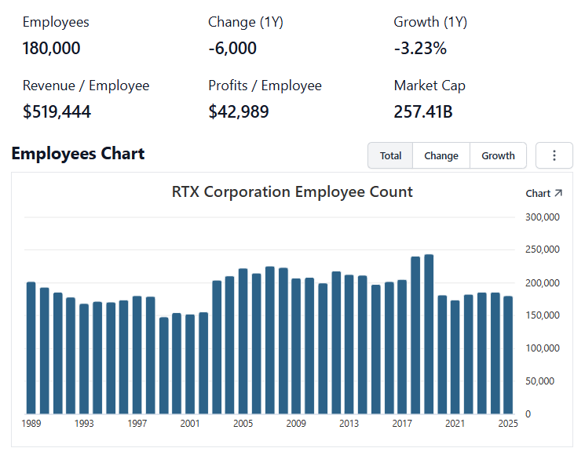
 |  |  |  |  |  |  |  |  |  | 0
Employee Scope: |  |  |  |  |  |  |  |  | General Notes/Observations


 | Notes: | [X]
 |  | [Y]
 |  | [Z]
 |  |  |  |  |  |  |  |  | Financial Stmts. Notes/Observations
Institutional Ownership |  |  |  |  |  |  |  |  | Revenues:
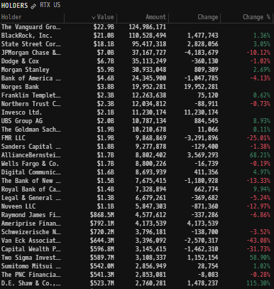

 | Notes: | [X]
 |  | [Y]
 |  | [Z]

(RTX) Revenue by Segment (in $ millions)
 | Collins Aerospace | Pratt & Whitney | Raytheon | Intersegment Eliminations
Q1 2021 | 4370 | 4030 | 7558 | -707
 | 4545 | 4280 | 7790 | -735
 | 4592 | 4725 | 7642 | -746
 | 4942 | 5115 | 7729 | -742
Q1 2022 | 4824 | 4529 | 7099 | -736
 | 5011 | 4969 | 7128 | -794
 | 5718 | 5380 | 6308 | -455
 | 5044 | 5652 | 8640 | -1243
Q1 2023 | 6120 | 5230 | 6292 | -428
 | 6384 | 5701 | 6700 | -470
 | 6629 | 926 | 6472 | -563
 | 7120 | 6439 | 6886 | -518
Q1 2024 | 6673 | 6456 | 6659 | -483
 | 6999 | 6802 | 6511 | -591
 | 7075 | 7239 | 6386 | -611
 | 7537 | 7569 | 7157 | -640
Q1 2025 | 7217 | 7366 | 6340 | -617
 | 7622 | 7631 | 7001 | -673
 | 7621 | 8423 | 7045 | -611
 | 7736 | 9496 | 7657 | -651
Q1 2026 | 7602 | 8173 | 6945 | -644
 | 8210 | 8889 | 8269 | -660
 | 8382 | 9231 | 8031 | -679
Revenue Breakdown by Segment |  |  |  |  |  |  |  |  | Earnings Scope:

 | Notes: | [X]
 |  | [Y]
 |  | [Z]

(RTX) Revenue by Geography (in $ millions)
 | Europe | APAC | Mid-East | Other regions | U.S.
Q1 2021 | 2147 | 1772 | 992 | 610 | 9730
 | 2316 | 2002 | 1167 | 524 | 9871
 | 2408 | 2006 | 1140 | 563 | 10096
 | 2727 | 2189 | 1080 | 734 | 10314
Q1 2022 | 2572 | 1857 | 829 | 728 | 9730
 | 2678 | 1808 | 869 | 774 | 10185
 | 2663 | 2160 | 978 | 728 | 10422
 | 3198 | 2232 | 923 | 887 | 10853
Q1 2023 | 2990 | 2050 | 763 | 863 | 10548
 | 3286 | 2109 | 851 | 842 | 11227
 | 3514 | 2414 | 824 | 958 | 11155
 | 3711 | 2476 | 799 | 990 | 11951
Q1 2024 | 3833 | 2427 | 849 | 835 | 11361
 | 3589 | 2661 | 791 | 1055 | 11625
 | 4120 | 2789 | 628 | 1141 | 11411
 | 4433 | 3016 | 1190 | 1294 | 11690
Q1 2025 | 4413 | 2592 | 848 | 1187 | 11266
 | 4205 | 3410 | 904 | 1325 | 11737
 | 5225 | 3567 | 732 | 1220 | 11734
 | 4956 | 4213 | 1137 | 1378 | 12554
Q1 2026 | 4882 | 2804 | 930 | 1547 | 11913
 | 5350 | 3656 | 1042 | 1567 | 13093
 | 5670 | 3521 | 975 | 1558 | 13241
Revenue Breakdown by Geography |  |  |  |  |  |  |  |  | Balance Sheet Scope:

 | Notes: | [X]
 |  | [Y] |  |  |  |  |  |  | [Equity Preformance Compared to Peers]
 |  | [Z]

Q/q Total Revenues, Net Income, FCF
(RTX) Quarterly Ttl Revenues, Net Income, Free Cash Flows (in $ millions)
 | Income |  | FCF |  | Revenues
Q1 2020 | 813 | Q1 2020 | 336 | Q1 2021 | 15251
Q2 2020 | 1088 | Q2 2020 | 966 |  | 15880
Q3 2020 | 1473 | Q3 2020 | 1499 |  | 16213
Q4 2020 | -3257 | Q4 2020 | 2207 |  | 17044
Q1 2021 | 1126 | Q1 2021 | 37 | Q1 2022 | 15716
Q2 2021 | 1338 | Q2 2021 | 807 |  | 16314
Q3 2021 | 1395 | Q3 2021 | 263 |  | 16951
Q4 2021 | 1468 | Q4 2021 | 3773 |  | 18093
Q1 2022 | 1481 | Q1 2022 | -1383 | Q1 2023 | 17214
Q2 2022 | 1359 | Q2 2022 | 193 |  | 18315
Q3 2022 | -933 | Q3 2022 | 2752 |  | 13464
Q4 2022 | 1473 | Q4 2022 | 3906 |  | 19927
Q1 2023 | 1743 | Q1 2023 | -125 | Q1 2024 | 19305
Q2 2023 | 175 | Q2 2023 | 2196 |  | 19721
Q3 2023 | 1535 | Q3 2023 | 1971 |  | 20089
Q4 2023 | 1560 | Q4 2023 | 492 |  | 21623
Q1 2024 | 1625 | Q1 2024 | 792 | Q1 2025 | 20306
Q2 2024 | 1725 | Q2 2024 | -72 |  | 21581
Q3 2024 | 2006 | Q3 2024 | 4025 |  | 22478
Q4 2024 | 1713 | Q4 2024 | 3195 |  | 24238
Q1 2025 | 2157 | Q1 2025 | 1309 | Q1 2026 | 22076
 | 2249 |  | 2878 |  | 24708
 | 2708 |  | 2119 |  | 24965

 | Notes: | [X]
 |  | [Y]
 |  | [Z]

Y/y Total Revenues, Net Income, FCF
(RTX) Annual Ttl Revenues, Net Income, Free Cash Flows (in $ millions)
 | Income |  | FCF |  | Revenues
Q1 2020 | 6746 | Q1 2020 | 15546 | 2012 | 57708
Q2 2020 | 7445 | Q2 2020 | 5745 | 2013 | 56600
Q3 2020 | 8230 | Q3 2020 | 5385 | 2014 | 57900
Q4 2020 | 6004 | Q4 2020 | 5103 | 2015 | 56098
Q1 2021 | 7612 | Q1 2021 | 4713 | 2016 | 57244
Q2 2021 | 5670 | Q2 2021 | 3617 | 2017 | 59837
Q3 2021 | 2152 | Q3 2021 | 1203 | 2018 | 34701
Q4 2021 | 5255 | Q4 2021 | 3953 | 2019 | 45349
Q1 2022 | 5230 | Q1 2022 | 2539 | 2020 | 63817
Q2 2022 | 117 | Q2 2022 | 5008 | 2021 | 64388
Q3 2022 | 5327 | Q3 2022 | 4880 | 2022 | 67074
Q4 2022 | 3380 | Q4 2022 | 5468 | 2023 | 68920
Q1 2023 | 5013 | Q1 2023 | 4534 | 2024 | 80738
Q2 2023 | 7069 | Q2 2023 | 7940 | 2025 | 88603
Q3 2023 |  | Q3 2023
Q4 2023 |  | Q4 2023
Q1 2024 |  | Q1 2024
Q2 2024 |  | Q2 2024
Q3 2024 |  | Q3 2024
Q4 2024 |  | Q4 2024
Q1 2025 |  | Q1 2025

 | Notes: | [X]
 |  | [Y]
 |  | [Z]

(RTX) 1-Day Historical Return Histogram + Normal Distribution Overlay

 |  | Min | -6.79%
 |  | Max | 7.91%
 |  | Mean μ | 0.01%
 |  | Median | 0.01%
 |  | SD σ | 1.29%
 |  | 3σ 1-Day Δ: ± | 3.88% |  | <- Sharpe Ratio (Risk Adjusted Return)
 |  | β (1-year avg.) | 0.49 |  | <- Sortino Ratio (Downside Risk Adjusted Return)

 | n = | 1,014
 | Histogram Data |  |  | Distribution Overlay |  |  | SD Lines
 | Bin | Frequency |  | (X) 1-Day Δ | (Y) Pop. Density |  | X | Y
 | -4.50% | 3 |  | -5.00% | 0.017056933838 | Mean | 0.01% | 0
 | -4.40% | 0 |  | -4.90% | 0.022941086238 |  | 0.01% | 30.5
 | -4.30% | 2 |  | -4.80% | 0.030671307648 | -3σ | -3.87% | 0
 | -4.20% | 1 |  | -4.70% | 0.04076203983 |  | -3.87% | 1
 | -4.10% | 2 |  | -4.60% | 0.053849890926 | -2σ | -2.58% | 0
 | -4.00% | 1 |  | -4.50% | 0.070716221755 |  | -2.58% | 5
 | -3.90% | 0 |  | -4.40% | 0.092312087543 | -1σ | -1.28% | 0
 | -3.80% | 2 |  | -4.30% | 0.11978526486 |  | -1.28% | 15
 | -3.70% | 1 |  | -4.20% | 0.15450890863 | 1σ | 1.30% | 0
 | -3.60% | 3 |  | -4.10% | 0.19811116617 |  | 1.30% | 15
 | -3.50% | 3 |  | -4.00% | 0.25250482779 | 2σ | 2.60% | 0
 | -3.40% | 1 |  | -3.90% | 0.3199158223 |  | 2.60% | 5
 | -3.30% | 1 |  | -3.80% | 0.40290908083 | 3σ | 3.89% | 0
 | -3.20% | 5 |  | -3.70% | 0.50441000667 |  | 3.89% | 1
 | -3.10% | 0 |  | -3.60% | 0.62771951971
 | -3.00% | 5 |  | -3.50% | 0.77652041147
 | -2.90% | 3 |  | -3.40% | 0.95487257551
 | -2.80% | 3 |  | -3.30% | 1.1671945923
 | -2.70% | 2 |  | -3.20% | 1.4182291755
 | -2.60% | 6 |  | -3.10% | 1.7129901513
 | -2.50% | 4 |  | -3.00% | 2.0566889694
 | -2.40% | 6 |  | -2.90% | 2.4546392464
 | -2.30% | 3 |  | -2.80% | 2.912138532
 | -2.20% | 6 |  | -2.70% | 3.4343273613
 | -2.10% | 8 |  | -2.60% | 4.0260267039
 | -2.00% | 13 |  | -2.50% | 4.6915561076
 | -1.90% | 3 |  | -2.40% | 5.4345361255
 | -1.80% | 14 |  | -2.30% | 6.2576799545
 | -1.70% | 10 |  | -2.20% | 7.1625805219
 | -1.60% | 11 |  | -2.10% | 8.149500471
 | -1.50% | 23 |  | -2.00% | 9.2171735129
 | -1.40% | 16 |  | -1.90% | 10.362626358
 | -1.30% | 15 |  | -1.80% | 11.58103082
 | -1.20% | 26 |  | -1.70% | 12.865595643
 | -1.10% | 26 |  | -1.60% | 14.207507046
 | -1.00% | 30 |  | -1.50% | 15.595925956
 | -0.90% | 41 |  | -1.40% | 17.018048275
 | -0.80% | 34 |  | -1.30% | 18.459232505
 | -0.70% | 32 |  | -1.20% | 19.903196509
 | -0.60% | 59 |  | -1.10% | 21.332282381
 | -0.50% | 56 |  | -1.00% | 22.727785347
 | -0.40% | 44 |  | -0.90% | 24.070339524
 | -0.30% | 60 |  | -0.80% | 25.340350382
 | -0.20% | 58 |  | -0.70% | 26.518461054
 | -0.10% | 59 |  | -0.60% | 27.586037396
 | 0.00% | 51 |  | -0.50% | 28.52565506
 | 0.10% | 48 |  | -0.40% | 29.321570916
 | 0.20% | 58 |  | -0.30% | 29.960161081
 | 0.30% | 49 |  | -0.20% | 30.430308558
 | 0.40% | 57 |  | -0.10% | 30.723725071
 | 0.50% | 57 |  | 0.00% | 30.835194094
 | 0.60% | 46 |  | 0.10% | 30.762725119
 | 0.70% | 50 |  | 0.20% | 30.507612774
 | 0.80% | 41 |  | 0.30% | 30.074398356
 | 0.90% | 33 |  | 0.40% | 29.470735366
 | 1.00% | 44 |  | 0.50% | 28.707164605
 | 1.10% | 39 |  | 0.60% | 27.796808076
 | 1.20% | 30 |  | 0.70% | 26.754994101
 | 1.30% | 16 |  | 0.80% | 25.598828615
 | 1.40% | 21 |  | 0.90% | 24.346729356
 | 1.50% | 19 |  | 1.00% | 23.017940626
 | 1.60% | 16 |  | 1.10% | 21.632046361
 | 1.70% | 13 |  | 1.20% | 20.20849851
 | 1.80% | 8 |  | 1.30% | 18.766176232
 | 1.90% | 14 |  | 1.40% | 17.322989268
 | 2.00% | 7 |  | 1.50% | 15.895536269
 | 2.10% | 13 |  | 1.60% | 14.498825883
 | 2.20% | 10 |  | 1.70% | 13.146065344
 | 2.30% | 5 |  | 1.80% | 11.848518228
 | 2.40% | 8 |  | 1.90% | 10.615430162
 | 2.50% | 11 |  | 2.00% | 9.4540186794
 | 2.60% | 5 |  | 2.10% | 8.3695212573
 | 2.70% | 5 |  | 2.20% | 7.3652938698
 | 2.80% | 7 |  | 2.30% | 6.4429512377
 | 2.90% | 2 |  | 2.40% | 5.6025392983
 | 3.00% | 3 |  | 2.50% | 4.8427302728
 | 3.10% | 0 |  | 2.60% | 4.1610310059
 | 3.20% | 0 |  | 2.70% | 3.5539959236
 | 3.30% | 2 |  | 2.80% | 3.0174369267
 | 3.40% | 1 |  | 2.90% | 2.5466237115
 | 3.50% | 3 |  | 3.00% | 2.1364693078
 | 3.60% | 1 |  | 3.10% | 1.7816969643
 | 3.70% | 1 |  | 3.20% | 1.4769858138
 | 3.80% | 1 |  | 3.30% | 1.2170939681
 | 3.90% | 0 |  | 3.40% | 0.99695877042
 | 4.00% | 1 |  | 3.50% | 0.81177484345
 | 4.10% | 0 |  | 3.60% | 0.65705130321
 | 4.20% | 1 |  | 3.70% | 0.5286500475
 | 4.30% | 1 |  | 3.80% | 0.42280739267
 | 4.40% | 2 |  | 3.90% | 0.33614152884
 | 4.50% | 0 |  | 4.00% | 0.26564831889
 | More | 5 |  | 4.10% | 0.20868790292
 |  |  |  | 4.20% | 0.16296441427
 |  |  |  | 4.30% | 0.12650089182
 |  |  |  | 4.40% | 0.097611210053
 |  |  |  | 4.50% | 0.074870564585
 |  |  |  | 4.60% | 0.057085764513
 |  |  |  | 4.70% | 0.043266307979
 |  |  |  | 4.80% | 0.032596964175
 |  |  |  | 4.90% | 0.024412360528
 |  |  |  | 5.00% | 0.018173881717
...

