Notes | Quant Analysis
 |  |  |  |  |  |  |  |  |  | 0
Employee Scope: |  |  |  |  |  |  |  |  | General Notes/Observations

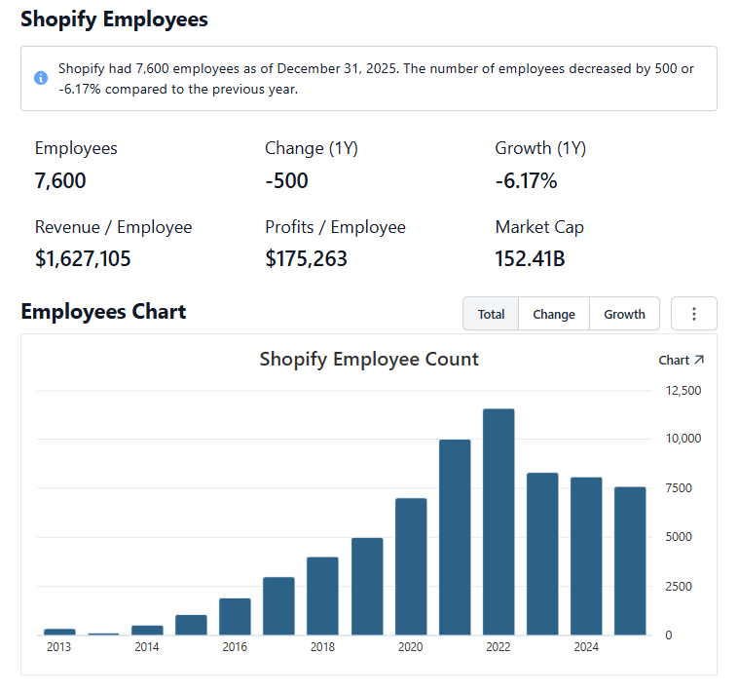

 | Notes: | [X]
 |  | [Y]
 |  | [Z]
 |  |  |  |  |  |  |  |  | Financial Stmts. Notes/Observations
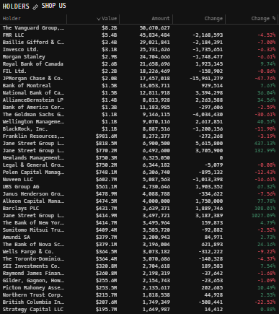
Institutional Ownership Snapshot Q2'25 |  |  |  |  |  |  |  |  | Revenues:

 | Notes: | [X]
 |  | [Y]
 |  | [Z]

(SHOP) Revenue by Segment (in $ millions)
 | U.S. | Canada | Europe | APAC | Rest of World
Q1 2024 | 1198 | 99 | 354 | 189 | 21
 | 1323 | 114 | 381 | 203 | 24
 | 1377 | 119 | 418 | 223 | 25
 | 1810 | 151 | 554 | 270 | 27
Q1 2025 | 1499 | 119 | 461 | 240 | 41
 | 1703 | 133 | 554 | 265 | 25
 | 1783 | 138 | 615 | 282 | 26
 | 2346 | 177 | 796 | 341 | 12
Q1 2026 | 2001 | 147 | 653 | 312 | 57
Revenue Breakdown by Segment (Build graph for this section if applicable…. See example below) |  |  |  |  |  |  |  |  | Earnings Scope:

 | Notes: | [X]
 |  | [Y]
 |  | [Z]

Q/q Total Revenues, Net Income, FCF |  |  |  |  |  |  |  |  | Balance Sheet Scope:
(SHOP) Quarterly Ttl Revenues, Net Income, Free Cash Flows (in $ millions)
 | Income | FCF | Revenues
Q1 2020 | -273 | 232 | 1861
Q2 2020 | 171 | 333 | 2045
Q3 2020 | 828 | 421 | 2162
Q4 2020 | 1293 | 611 | 2812
Q1 2021 | -682 | 363 | 2360
Q2 2021 | 906 | 422 | 2680
Q3 2021 | 264 | 507 | 2844
Q4 2021 | 743 | 715 | 3672
Q1 2022 | -581 | 476 | 3170
Q2 2022
Q3 2022
Q4 2022
Q1 2023
Q2 2023
Q3 2023
Q4 2023
Q1 2024
Q2 2024
Q3 2024
Q4 2024
Q1 2025

 | Notes: | [X]
 |  | [Y]
 |  | [Z]

Y/y Total Revenues, Net Income, FCF |  |  |  |  |  |  |  |  | [Equity Preformance Compared to Peers]
(SHOP) Annual Ttl Revenues, Net Income, Free Cash Flows (in $ millions)
 | Income | FCF | Revenues
Q1 2020 | 2019 | 1597 | 8880
Q2 2020 | 1231 | 2007 | 11556
Q3 2020
Q4 2020
Q1 2021
Q2 2021
Q3 2021
Q4 2021
Q1 2022
Q2 2022
Q3 2022
Q4 2022
Q1 2023
Q2 2023
Q3 2023
Q4 2023
Q1 2024
Q2 2024
Q3 2024
Q4 2024
Q1 2025

 | Notes: | [X]
 |  | [Y]
 |  | [Z]

(SHOP) Historical Return Histogram + Normal Distribution Overlay

 |  | Min | -14.54%
 |  | Max | 7.64%
 |  | Mean μ | 0.01%
 |  | Median | -0.03%
 |  | SD σ | 3.08%
 |  | 3σ 1-Day Δ: ± | 9.23% |  | <- Sharpe Ratio (Risk Adjusted Return)
 |  | β (1-year avg.) | 2.21 |  | <- Sortino Ratio (Downside Risk Adjusted Return)

 | n = | 251
 | Histogram Data |  |  | Distribution Overlay |  |  | SD Lines
 | Bin | Frequency |  | (X) 1-Day Δ | (Y) Pop. Density |  | X | Y
 | -10.00% | 1 |  | -10.00% | 0.065434788434 | Mean | 0.01% | 0
 | -9.75% | 0 |  | -9.75% | 0.084935556378 |  | 0.01% | 13
 | -9.50% | 0 |  | -9.50% | 0.10952309667 | -3σ | -9.22% | 0
 | -9.25% | 0 |  | -9.25% | 0.14029986021 |  | -9.22% | 0.2
 | -9.00% | 1 |  | -9.00% | 0.17854352594 | -2σ | -6.15% | 0
 | -8.75% | 0 |  | -8.75% | 0.22571806632 |  | -6.15% | 2
 | -8.50% | 0 |  | -8.50% | 0.28348095045 | -1σ | -3.07% | 0
 | -8.25% | 1 |  | -8.25% | 0.35368511638 |  | -3.07% | 8
 | -8.00% | 0 |  | -8.00% | 0.43837424787 | 1σ | 3.09% | 0
 | -7.75% | 1 |  | -7.75% | 0.53976985719 |  | 3.09% | 8
 | -7.50% | 0 |  | -7.50% | 0.66024871987 | 2σ | 6.17% | 0
 | -7.25% | 1 |  | -7.25% | 0.80230934841 |  | 6.17% | 2
 | -7.00% | 0 |  | -7.00% | 0.96852644297 | 3σ | 9.25% | 0
 | -6.75% | 0 |  | -6.75% | 1.1614926274 |  | 9.25% | 0.2
 | -6.50% | 2 |  | -6.50% | 1.3837472716
 | -6.25% | 1 |  | -6.25% | 1.6376928118
 | -6.00% | 0 |  | -6.00% | 1.9254996907
 | -5.75% | 0 |  | -5.75% | 2.2490018294
 | -5.50% | 0 |  | -5.50% | 2.6095853724
 | -5.25% | 1 |  | -5.25% | 3.0080742716
 | -5.00% | 0 |  | -5.00% | 3.4446170428
 | -4.75% | 2 |  | -4.75% | 3.9185796794
 | -4.50% | 3 |  | -4.50% | 4.4284501795
 | -4.25% | 3 |  | -4.25% | 4.9717603839
 | -4.00% | 2 |  | -4.00% | 5.5450307756
 | -3.75% | 3 |  | -3.75% | 6.1437435244
 | -3.50% | 3 |  | -3.50% | 6.7623483531
 | -3.25% | 2 |  | -3.25% | 7.3943047535
 | -3.00% | 4 |  | -3.00% | 8.0321627154
 | -2.75% | 7 |  | -2.75% | 8.6676825056
 | -2.50% | 6 |  | -2.50% | 9.2919922106
 | -2.25% | 7 |  | -2.25% | 9.8957798348
 | -2.00% | 7 |  | -2.00% | 10.46951484
 | -1.75% | 8 |  | -1.75% | 11.00369222
 | -1.50% | 8 |  | -1.50% | 11.489090677
 | -1.25% | 12 |  | -1.25% | 11.917035276
 | -1.00% | 6 |  | -1.00% | 12.279654223
 | -0.75% | 6 |  | -0.75% | 12.570119198
 | -0.50% | 7 |  | -0.50% | 12.78285902
 | -0.25% | 10 |  | -0.25% | 12.913737303
 | 0.00% | 12 |  | 0.00% | 12.960186197
 | 0.25% | 12 |  | 0.25% | 12.921290176
 | 0.50% | 9 |  | 0.50% | 12.797816045
 | 0.75% | 7 |  | 0.75% | 12.592187802
 | 1.00% | 10 |  | 1.00% | 12.3084075
 | 1.25% | 10 |  | 1.25% | 11.951925718
 | 1.50% | 2 |  | 1.50% | 11.529467504
 | 1.75% | 8 |  | 1.75% | 11.048821541
 | 2.00% | 2 |  | 2.00% | 10.518601776
 | 2.25% | 10 |  | 2.25% | 9.9479916735
 | 2.50% | 1 |  | 2.50% | 9.3464816543
 | 2.75% | 6 |  | 2.75% | 8.7236101224
 | 3.00% | 3 |  | 3.00% | 8.0887177777
 | 3.25% | 9 |  | 3.25% | 7.4507237764
 | 3.50% | 6 |  | 3.50% | 6.8179307883
 | 3.75% | 3 |  | 3.75% | 6.1978642334
 | 4.00% | 4 |  | 4.00% | 5.5971490757
 | 4.25% | 2 |  | 4.25% | 5.0214256286
 | 4.50% | 1 |  | 4.50% | 4.4753039903
 | 4.75% | 3 |  | 4.75% | 3.9623550801
 | 5.00% | 2 |  | 5.00% | 3.4851348558
 | 5.25% | 4 |  | 5.25% | 3.0452372167
 | 5.50% | 1 |  | 5.50% | 2.6433703547
 | 5.75% | 0 |  | 5.75% | 2.2794509248
 | 6.00% | 0 |  | 6.00% | 1.9527103272
 | 6.25% | 3 |  | 6.25% | 1.6618076153
 | 6.50% | 0 |  | 6.50% | 1.4049439925
 | 6.75% | 1 |  | 6.75% | 1.1799745042
 | 7.00% | 2 |  | 7.00% | 0.98451328455
 | 7.25% | 0 |  | 7.25% | 0.81602954476
 | 7.50% | 2 |  | 7.50% | 0.67193231852
 | 7.75% | 1 |  | 7.75% | 0.54964277389
 | 8.00% | 0 |  | 8.00% | 0.4466536222
 | 8.25% | 0 |  | 8.25% | 0.36057577285
 | 8.50% | 0 |  | 8.50% | 0.28917288703
 | 8.75% | 0 |  | 8.75% | 0.23038486443
 | 9.00% | 0 |  | 9.00% | 0.18234155831
 | 9.25% | 0 |  | 9.25% | 0.14336816454
 | 9.50% | 0 |  | 9.50% | 0.11198378275
 | 9.75% | 0 |  | 9.75% | 0.086894619758
 | 10.00% | 0 |  | 10.00% | 0.066983214566
 | More | 0

