Main

Master
 | TMO
 | Price | 694.02 | 10/21/2026
 | SO | 370.0 | Q3'26
 | MC | 256,787
 | Cash | 6,061 | Q3'26
 | Debt | 41,370 | Q3'26
 | EV | 292,096

 | Thermo Fisher Scientific, Inc. |  |  |  |  |  |  | Resources:
 |  |  |  |  |  |  |  | SEC filings |  | https://www.sec.gov/edgar/browse/?CIK=97745&owner=exclude
 | Founder(s): George Hatsopoulos & Peter Nomikos |  |  | Registered Exchange: NYSE |  |  |  | Thermofisher Homepage |  | https://www.thermofisher.com/us/en/home.html
 | Founded: 1956 |  |  | Address: 168 THIRD AVENUE, WALTHAM, MA, 02451 |  |  |  |  | TMO IR page |  | https://ir.thermofisher.com/investors/overview/default.aspx
 | Headquarters: Waltham, Massachusetts |  |  | Investor Relations Contact: |  |  |  | FDA Med Device Reporting's |  | https://www.fda.gov/medical-devices
 | Current CEO: Marc Casper |  |  | Investors Relation Department |  |  |  | U.S. Patent Office Search |  | https://ppubs.uspto.gov/pubThe Companybapp/static/pages/ppubsbasic.html
 | Employees: 125,000 |  |  | Phone: | (781) 622 - 1000 | Email: | BSXInvestorRelations@bsci.com | MedTech News |  | https://www.medtechdive.com/
 | Sector: Healthcare |  |  |  |  |  |  | Earnings Calls |  | https://seekingalpha.com/symbol/BSX/earnings/transcripts
 | Industry: Medical Devices |  |  |  |  |  |  | Equity Analysis |  | https://stockanalysis.com/stocks/tmo/company/
 | IPO: May 19, 1992 -- $1.6B valuation |  |  |  |  |  |  | MacroTrends |  | https://www.macrotrends.net/stocks/charts/BSX/boston-scientific/income-statement?freq=Q
 | Fiscal Year: [January - December] |  |  |  |  |  |  | ROIC, WACC |  | https://www.gurufocus.com/term/wacc/BSX
 |  |  |  |  |  |  |  | Godel Terminal |  | https://app.godelterminal.com/

Company Overview:
 | Thermo Fisher Scientific is a life sciences and lab equipment maker that sells scientific instruments, reagents, consumables, and software. It also provides contract drug development, manufacturing, and clinical research services
 |  | Brands include Thermo Scientific, Applied Biosystems, Invitrogen, Fisher Scientific, Patheon, and PPD in the North America, Europe, Asia-Pacific, and internationally
 | The Company’s Life Sciences Solutions segment offers reagents, instruments, and consumables for biological and medical research, discovery and production of drugs and vaccines, as well as diagnosis of infections and diseases
 | Its Analytical Instruments segment provides instruments, consumables, software, and services for pharmaceutical, biotechnology, academic, government, environmental, and other research and industrial markets, as well as clinical laboratories
 | The Company’s Specialty Diagnostics segment includes clinical diagnostics offering liquid, ready-to-use, and lyophilized immunodiagnostic reagent kits, as well as calibrators, controls, protein detection assays, and instruments
 |  | immunodiagnostics offers develops, manufactures, and markets complete blood test systems to support the clinical diagnosis and monitoring of allergy, asthma, and autoimmune diseases
 |  | microbiology offers dehydrated and prepared culture media, collection and transport systems, instrumentation, and consumables; transplant diagnostics products include human leukocyte antigen typing and testing for organ transplant market
 |  | healthcare market channel offers consumables, diagnostic kits and reagents, equipment, instruments, solutions, and services
 | Laboratory Products and Biopharma Services segment provides laboratory products, research and safety market channel, and pharma services and clinical research
 | The Company offers products and services through a direct sales force, customer-service professionals, electronic commerce, and third-party distributors under Thermo Scientific; Applied Biosystems; Invitrogen; Fisher Scientific; Unity Lab Services; and Patheon and PPD
 | Thermo Fisher Scientific Inc. was founded in 1956 and is headquartered in Waltham, Massachusetts

Business Segments and Geographical Info:

Notes | Quant Analysis
 |  |  |  |  |  |  |  |  |  | 0
TMO Employee Snapshot (Q4'25) |  |  |  |  |  |  |  |  | General Notes/Observations (Updated Q2'25)
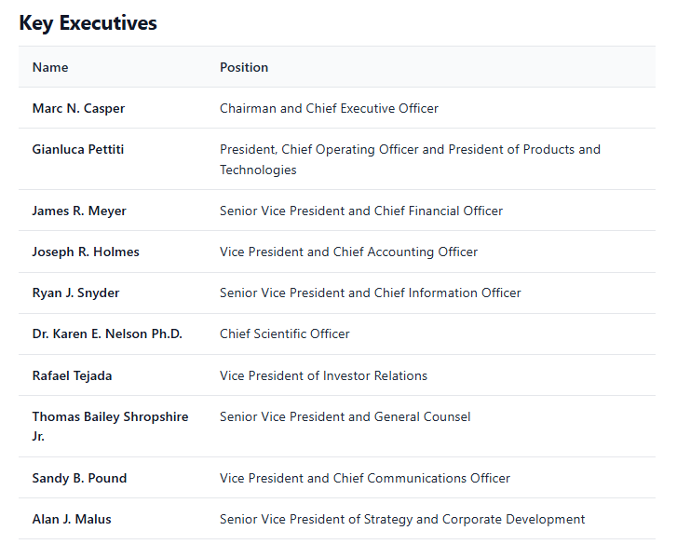
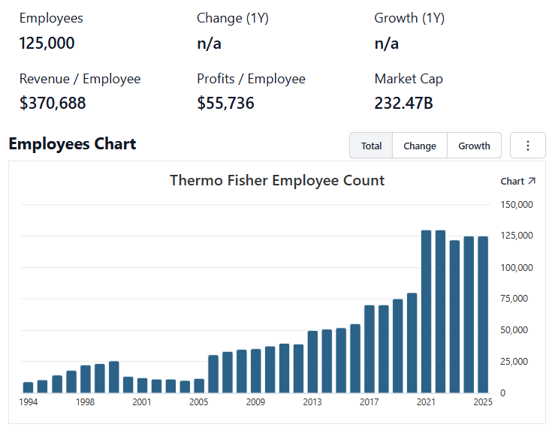

 | Notes: | [X]
 |  | [Y]
 |  | [Z]

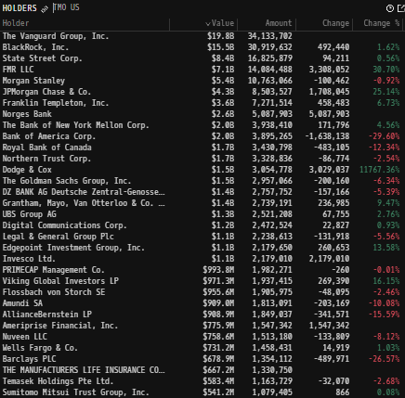
Institutional Ownership Snapshot (8/24/2026) |  |  |  |  |  |  |  |  | Financial Stmts. Notes/Observations (Updated Q2'25)
 |  |  |  |  |  |  |  |  | Revenues:

 | Notes: | [X]
 |  | [Y]
 |  | [Z]

(TMO) Revenue by Segment (in $ millions)
 | Life Science Solutions | Analytical Instruments | Specialty Diagnostics | Lab Products & Biopharma Services
Q1 2025 | 2341 | 1718 | 1147 | 5641
 | 2499 | 1728 | 1135 | 5995
 | 2588 | 1893 | 1174 | 5970
 | 2947 | 2215 | 1221 | 6378
Q1 2026 | 2636 | 1716 | 1141 | 6036
 | 2816 | 1846 | 1205 | 6693
 | 0 | 0 | 0 | 0
Revenue Breakdown by Segment (Build graph for this section if applicable…. See example below)

 | Notes: | [X]
 |  | [Y]
 |  | [Z]

Total Revenues, Net Income, FCF
(TMO) Quarterly Ttl Revenues, Net Income, Free Cash Flows (in $ millions)
 | Net Income | FCF | Revenues
 | 2337 | 1350 | 9906
 | 1828 | 1687 | 9273
 | 1902 | 2126 | 9330
 | 1658 | 1626 | 10702
 | 2215 | 1562 | 11818
 | 1664 | 1022 | 10970
 | 1495 | 1390 | 10677
 | 1576 | 2937 | 11450
 | 1289 | 271 | 10710
 | 1361 | 1256 | 10687
 | 1715 | 2082 | 10574
 | 1630 | 3318 | 10886
 | 1326 | 903 | 10345
 | 1548 | 1662 | 10541
 | 1630 | 1891 | 10598
 | 1832 | 2811 | 11395
 | 1507 | 360 | 10364
 | 1617 | 1107 | 10855
 | 1615 | 1834 | 11122
 | 1965 | 2993 | 12215
 | 1651 | 817 | 11005
 | 1737 | 1674 | 11994
 | 1721 | 2113 | 12137

 | Notes: | [X]
 |  | [Y]
 |  | [Z]

Total Revenues, Net Income, FCF
(TMO) Annual Ttl Revenues, Net Income, Free Cash Flows (in $ millions)
 | Net Income | FCF | Revenues
 | 986 | 1205 | 10393.1
 | 1023 | 1416 | 11558.8
 | 1258 | 1753 | 12509.9
 | 1279 | 1733 | 13090.3
 | 1895 | 2196 | 16889.6
 | 1980 | 2528 | 16965
 | 2025 | 2816 | 18274
 | 2228 | 3498 | 20918
 | 2938 | 3785 | 24358
 | 3698 | 4047 | 25542
 | 6380 | 6815 | 32218
 | 7725 | 6789 | 39211
 | 6950 | 6911 | 44915
 | 5995 | 6927 | 42857
 | 6336 | 7267 | 42879
 | 6704 | 6294 | 44556

 |  |  |  |  |  |  |  |  | Earnings Scope:

 | Notes: | [X]
 |  | [Y]
 |  | [Z]

[TMO] Historical Return Histogram
(TMO) 1-Day Historical Return Histogram + Normal Distribution Overlay

 |  | Min | -7.06%
 |  | Max | 9.39%
 |  | Mean μ | -0.01%
 |  | Median | -0.01%
 |  | SD σ | 1.44%
 |  | 3σ 1-Day Δ: ± | 4.31% |  | <- Shapre Ratio (Risk Adjusted Return)
 |  | β (1-year avg.) | 0.76 |  | <- Sortino Ratio (Downside Risk Adjusted Return)

 | n = | 1,256
 | Histogram Data |  |  | Distribution Overlay |  |  | SD Lines
 | Bin | Frequency |  | (X) 1-Day Δ | (Y) Pop. Density |  | X | Y
 | -4.40% | 8 |  | -4.50% | 0.20883865812 | Mean | -0.01% | 0
 | -4.30% | 1 |  | -4.40% | 0.25903476778 |  | -0.01% | 28
 | -4.20% | 2 |  | -4.30% | 0.31974115026 | -3σ | -4.32% | 0
 | -4.10% | 0 |  | -4.20% | 0.39276457972 |  | -4.32% | 2
 | -4.00% | 0 |  | -4.10% | 0.48013062288 | -2σ | -2.88% | 0
 | -3.90% | 1 |  | -4.00% | 0.58409004694 |  | -2.88% | 4
 | -3.80% | 1 |  | -3.90% | 0.7071206399 | -1σ | -1.45% | 0
 | -3.70% | 1 |  | -3.80% | 0.85192336723 |  | -1.45% | 17
 | -3.60% | 1 |  | -3.70% | 1.0214117648 | 1σ | 1.43% | 0
 | -3.50% | 3 |  | -3.60% | 1.2186934856 |  | 1.43% | 17
 | -3.40% | 2 |  | -3.50% | 1.4470429846 | 2σ | 2.86% | 0
 | -3.30% | 3 |  | -3.40% | 1.7098644506 |  | 2.86% | 4
 | -3.20% | 1 |  | -3.30% | 2.0106442799 | 3σ | 4.30% | 0
 | -3.10% | 1 |  | -3.20% | 2.3528926379 |  | 4.30% | 2
 | -3.00% | 5 |  | -3.10% | 2.7400739735
 | -2.90% | 2 |  | -3.00% | 3.175526731
 | -2.80% | 1 |  | -2.90% | 3.6623729427
 | -2.70% | 3 |  | -2.80% | 4.2034188676
 | -2.60% | 6 |  | -2.70% | 4.8010483578
 | -2.50% | 3 |  | -2.60% | 5.4571111557
 | -2.40% | 10 |  | -2.50% | 6.1728088444
 | -2.30% | 6 |  | -2.40% | 6.9485816488
 | -2.20% | 8 |  | -2.30% | 7.783999698
 | -2.10% | 10 |  | -2.20% | 8.677662685
 | -2.00% | 7 |  | -2.10% | 9.6271120572
 | -1.90% | 9 |  | -2.00% | 10.628759935
 | -1.80% | 18 |  | -1.90% | 11.677838848 |  |  |  | Balance Sheet Scope:
 | -1.70% | 7 |  | -1.80% | 12.768376084 |  |  |  | [Godel Snapshot of projected balances (assets, liabilities, equity)]
 | -1.60% | 14 |  | -1.70% | 13.893196009
 | -1.50% | 17 |  | -1.60% | 15.043953015
 | -1.40% | 14 |  | -1.50% | 16.211196962
 | -1.30% | 19 |  | -1.40% | 17.384472006
 | -1.20% | 25 |  | -1.30% | 18.552448564
 | -1.10% | 17 |  | -1.20% | 19.703087044
 | -1.00% | 28 |  | -1.10% | 20.823830703
 | -0.90% | 31 |  | -1.00% | 21.901823825
 | -0.80% | 22 |  | -0.90% | 22.924150276
 | -0.70% | 32 |  | -0.80% | 23.878086485
 | -0.60% | 40 |  | -0.70% | 24.751362088
 | -0.50% | 39 |  | -0.60% | 25.532420879
 | -0.40% | 36 |  | -0.50% | 26.210674348
 | -0.30% | 34 |  | -0.40% | 26.776740085
 | -0.20% | 48 |  | -0.30% | 27.222657554
 | -0.10% | 47 |  | -0.20% | 27.542074303
 | 0.00% | 47 |  | -0.10% | 27.730396526
 | 0.10% | 37 |  | 0.00% | 27.784899003
 | 0.20% | 43 |  | 0.10% | 27.704790715
 | 0.30% | 54 |  | 0.20% | 27.491233951
 | 0.40% | 42 |  | 0.30% | 27.147316246
 | 0.50% | 43 |  | 0.40% | 26.677976105
 | 0.60% | 43 |  | 0.50% | 26.089885004
 | 0.70% | 31 |  | 0.60% | 25.391289614
 | 0.80% | 23 |  | 0.70% | 24.591819464
 | 0.90% | 38 |  | 0.80% | 23.702266303
 | 1.00% | 25 |  | 0.90% | 22.734342224
 | 1.10% | 22 |  | 1.00% | 21.700424112
 | 1.20% | 17 |  | 1.10% | 20.613292168
 | 1.30% | 29 |  | 1.20% | 19.485870169
 | 1.40% | 18 |  | 1.30% | 18.330974736
 | 1.50% | 20 |  | 1.40% | 17.161080231
 | 1.60% | 15 |  | 1.50% | 15.988105051
 | 1.70% | 10 |  | 1.60% | 14.823224059
 | 1.80% | 14 |  | 1.70% | 13.676710741
 | 1.90% | 10 |  | 1.80% | 12.557811477
 | 2.00% | 9 |  | 1.90% | 11.474653096
 | 2.10% | 9 |  | 2.00% | 10.434183715
 | 2.20% | 10 |  | 2.10% | 9.4421457946
 | 2.30% | 7 |  | 2.20% | 8.5030793819
 | 2.40% | 7 |  | 2.30% | 7.6203527165
 | 2.50% | 5 |  | 2.40% | 6.7962167659
 | 2.60% | 2 |  | 2.50% | 6.0318798133
 | 2.70% | 3 |  | 2.60% | 5.3275979772
 | 2.80% | 7 |  | 2.70% | 4.6827774653
 | 2.90% | 2 |  | 2.80% | 4.0960844569
 | 3.00% | 2 |  | 2.90% | 3.56555873
 | 3.10% | 2 |  | 3.00% | 3.0887274978
 | 3.20% | 3 |  | 3.10% | 2.6627163389
 | 3.30% | 1 |  | 3.20% | 2.2843546012
 | 3.40% | 1 |  | 3.30% | 1.9502731709
 | 3.50% | 2 |  | 3.40% | 1.6569930272
 | 3.60% | 4 |  | 3.50% | 1.4010035118
 | 3.70% | 1 |  | 3.60% | 1.1788297174
 | 3.80% | 3 |  | 3.70% | 0.98708882624
 | 3.90% | 0 |  | 3.80% | 0.82253560173
 | 4.00% | 1 |  | 3.90% | 0.68209753794
 | 4.10% | 1 |  | 4.00% | 0.56290041375
 | 4.20% | 1 |  | 4.10% | 0.46228517087
 | 4.30% | 1 |  | 4.20% | 0.37781714814
 | 4.40% | 2 |  | 4.30% | 0.30728876162
 | More | 6 |  | 4.40% | 0.24871672903
 |  |  |  | 4.50% | 0.20033490589

 |  |  |  |  |  |  |  |  | [Equity Preformance Compared to Peers]
 |  |  |  |  |  |  |  |  | Use Godel CMS command
...

Management
