Main

 | NFLX
 | Price | 91.29 | 2/18/2026
 | SO | 4,222.0 | Q4'25
 | MC | 385,426
 | Cash | 9,062 | Q4'25
 | Debt | 14,463 | Q4'25
 | EV | 390,827

 | Netflix, Inc. (NFLX)

 | Founder(s): Reed Hastings & Marc Randolph |  |  | Registered Exchange: NASDAQ |  |  |  | Resources:
 | Founded: 1997 |  |  | Address: 121 Albright Way Los Gatos, CA 95032 U.S. |  |  |  | SEC filings |  | https://www.sec.gov/edgar/browse/?CIK=1065280&owner=exclude
 | Headquarters: Los Gatos, CA |  |  | Investor Relations Contact: |  |  |  | Company Homepage |  | https://www.netflix.com/
 | Current CEOs: Gregory Peters & Theodore Sarandos |  |  | Investors Relation Department |  |  |  |  | Company IR Page |  | https://ir.netflix.net/ir-overview/profile/default.aspx
 | Employees: 16,000 |  |  | Phone: | (408) 540-3700 | Email: | ir@netflix.com | Earnings Calls |  | https://seekingalpha.com/symbol/NFLX/earnings/transcripts
 | Industry: Entertainment - Digital Media |  |  |  |  |  |  | Equity Analysis |  | https://stockanalysis.com/stocks/nflx/company/
 | Sector: Communication Services |  |  |  |  |  |  | MacroTrends |  | https://www.macrotrends.net/stocks/charts/NFLX/netflix/income-statement
 | IPO: May 23, 2002 -- $82.5M valuation |  |  |  |  |  |  | ROIC, WACC |  | https://www.gurufocus.com/term/wacc/NFLX
 | Fiscal Year: [January - December] |  |  |  |  |  |  | Godel Terminal |  | https://app.godelterminal.com/

Company Overview:
 | Netflix, Inc. provides entertainment services worldwide
 |  | The Company offers television (TV) series, documentaries, feature films, games, and live programming across various genres and languages
 |  | The Company also provides members the ability to receive streaming content through a host of internet-connected devices, including TVs, digital video players, TV set-top boxes, and mobile devices
 | Netflix, Inc. was incorporated in 1997 and is headquartered in Los Gatos, California

Business Segments and Geographical Info:
 | [Begin researching fundamentals / core business … begin with SEC filings, but expand and use all public resources available]

Notes | Quant Analysis
 |  |  |  |  |  |  |  |  |  | 0
Employee Scope: |  |  |  |  |  |  |  |  | General Notes/Observations (Updated Q1'26)
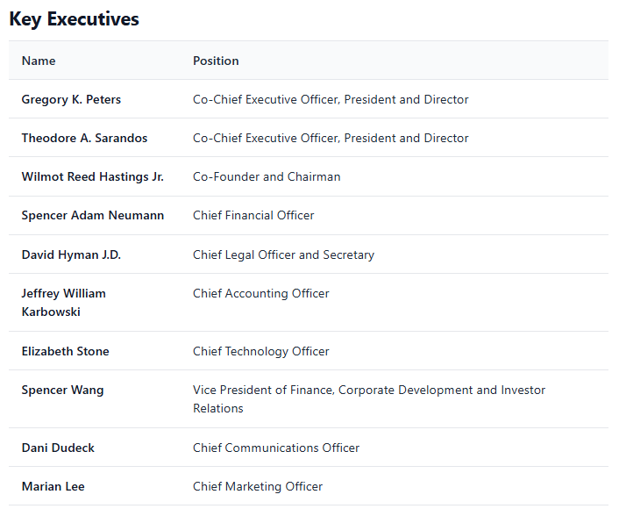
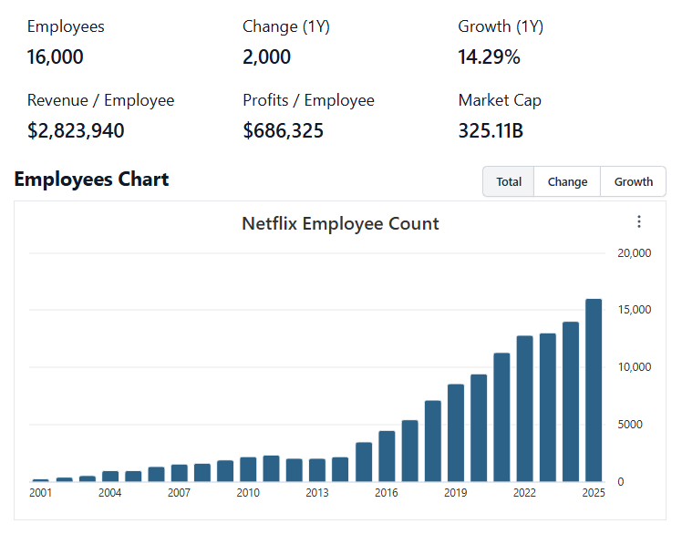

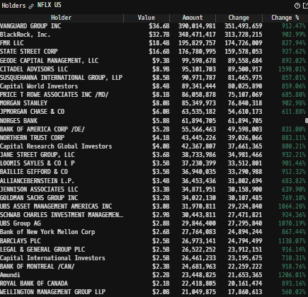
Institutional Ownership Snapshot Q4'25
 |  |  |  |  |  |  |  |  | Financial Stmts. Notes/Observations (Updated Q1'26)
 |  |  |  |  |  |  |  |  | Revenues:

 | Notes: | [X]
 |  | [Y]
 |  | [Z]

(NFLX) Revenue by Segment (in $ millions)
 | U.S. / Canada Revenues | Euro, Mid-East, Africa Revenues | LatAm Revenues | APac Revenues
Q1 2024 | 4224 | 2958 | 1165 | 1023
 | 4296 | 3007 | 1204 | 1052
 | 4322 | 3133 | 1241 | 1128
 | 4517 | 3288 | 1230 | 1212
Q1 2025 | 4617 | 3405 | 1262 | 1259
 | 4929 | 3538 | 1307 | 1305
 | 5072 | 3699 | 1371 | 1369
 | 5339 | 3873 | 1418 | 1421
Revenue Breakdown by Segment (Build graph for this section if applicable…. See example below) |  |  |  |  |  |  |  |  | Earnings Scope:

 | Notes: | [X]
 |  | [Y]
 |  | [Z]

Q/q Total Revenues, Net Income, FCF |  |  |  |  |  |  |  |  | Balance Sheet Scope:
(NFLX) Quarterly Ttl Revenues, Net Income, Free Cash Flows (in $ millions)
 | Income |  | FCF |  | Revenues
Q1 2020 | 709 | Q1 2020 | 162 | Q1 2020 | 5768
Q2 2020 | 720 | Q2 2020 | 899 |  | 6148
Q3 2020 | 790 | Q3 2020 | 1154 |  | 6436
Q4 2020 | 542 | Q4 2020 | -286 |  | 6644
Q1 2021 | 1707 | Q1 2021 | 696 | Q1 2021 | 7163
Q2 2021 | 1353 | Q2 2021 | -174 |  | 7342
Q3 2021 | 1449 | Q3 2021 | -85 |  | 7484
Q4 2021 | 607 | Q4 2021 | -569 |  | 7709
Q1 2022 | 1598 | Q1 2022 | 802 | Q1 2022 | 7868
Q2 2022 | 1441 | Q2 2022 | 13 |  | 7970
Q3 2022 | 1398 | Q3 2022 | 472 |  | 7926
Q4 2022 | 55 | Q4 2022 | 332 |  | 7852
Q1 2023 | 1305 | Q1 2023 | 2117 | Q1 2023 | 8162
Q2 2023 | 1488 | Q2 2023 | 1339 |  | 8187
Q3 2023 | 1678 | Q3 2023 | 1888 |  | 8542
Q4 2023 | 938 | Q4 2023 | 1581 |  | 8833
Q1 2024 | 2332 | Q1 2024 | 2137 | Q1 2024 | 9370
Q2 2024 | 2147 | Q2 2024 | 1213 |  | 9559
Q3 2024 | 2364 | Q3 2024 | 2194 |  | 9825
Q4 2024 | 1869 | Q4 2024 | 1378 |  | 10247
Q1 2025 | 2890 | Q1 2025 | 2661 | Q1 2025 | 10543
 | 3125 |  | 2267 |  | 11079
 | 2547 |  | 2661 |  | 11510
 | 2419 |  | 1872 |  | 12051

 | Notes: | [X]
 |  | [Y]
 |  | [Z]

Y/y Total Revenues, Net Income, FCF |  |  |  |  |  |  |  |  | [Equity Preformance Compared to Peers]
(NFLX) Annual Ttl Revenues, Net Income, Free Cash Flows (in $ millions)
 | Income |  | FCF |  | Revenues
Q1 2020 | 161 | Q1 2020 | 231 | 2009 | 2163
Q2 2020 | 226 | Q2 2020 | 276 | 2010 | 3205
Q3 2020 | 226 | Q3 2020 | 268 | 2011 | 3205
Q4 2020 | 17 | Q4 2020 | -22 | 2012 | 3609
Q1 2021 | 112 | Q1 2021 | 44 | 2013 | 4375
Q2 2021 | 267 | Q2 2021 | -53 | 2014 | 5505
Q3 2021 | 122 | Q3 2021 | -841 | 2015 | 6780
Q4 2021 | 187 | Q4 2021 | -1582 | 2016 | 8831
Q1 2022 | 559 | Q1 2022 | -1959 | 2017 | 11693
Q2 2022 | 1211 | Q2 2022 | -2854 | 2018 | 15794
Q3 2022 | 1867 | Q3 2022 | -3140 | 2019 | 20156
Q4 2022 | 2761 | Q4 2022 | 1929 | 2020 | 24996
Q1 2023 | 5116 | Q1 2023 | -132 | 2021 | 29698
Q2 2023 | 4492 | Q2 2023 | 1618 | 2022 | 31616
Q3 2023 | 5408 | Q3 2023 | 6926 | 2023 | 33723
Q4 2023 | 8712 | Q4 2023 | 6922 | 2024 | 39001
Q1 2024 | 10981 | Q1 2024 | 7446 | 2025 | 45183
Q2 2024 |  | Q2 2024
Q3 2024 |  | Q3 2024
Q4 2024 |  | Q4 2024
Q1 2025 |  | Q1 2025

 | Notes: | [X]
 |  | [Y]
 |  | [Z]
(NFLX) Historical Return Histogram + Normal Distribution Overlay

 | Notes: | [X]
 |  | [Y]
 |  | [Z]

 |  | Min | -6.85%
 |  | Max | 10.46%
 |  | Mean μ | 0.07%
 |  | Median | 0.08%
 |  | SD σ | 1.70%
 |  | 3σ 1-Day Δ: ± | 5.09% |  | <- Sharpe Ratio (Risk Adjusted Return)
 |  | β (1-year avg.) | 1.03 |  | <- Sortino Ratio (Downside Risk Adjusted Return)

 | n = | 1,014
 | Histogram Data |  |  | Distribution Overlay |  |  | SD Lines
 | Bin | Frequency |  | (X) 1-Day Δ | (Y) Pop. Density |  | X | Y
 | -5.75% | 1 |  | -6.00% | 0.038744740211 | Mean | 0.07% | 0
 | -5.50% | 0 |  | -5.75% | 0.064954301969 |  | 0.07% | 24
 | -5.25% | 1 |  | -5.50% | 0.10655474001 | -3σ | -5.02% | 0
 | -5.00% | 0 |  | -5.25% | 0.17104379133 |  | -5.02% | 1
 | -4.75% | 1 |  | -5.00% | 0.26866527791 | -2σ | -3.32% | 0
 | -4.50% | 3 |  | -4.75% | 0.41293857702 |  | -3.32% | 4
 | -4.25% | 2 |  | -4.50% | 0.62105356424 | -1σ | -1.62% | 0
 | -4.00% | 3 |  | -4.25% | 0.91399190058 |  | -1.62% | 15
 | -3.75% | 3 |  | -4.00% | 1.3162104146 | 1σ | 1.77% | 0
 | -3.50% | 2 |  | -3.75% | 1.8547184214 |  | 1.77% | 15
 | -3.25% | 5 |  | -3.50% | 2.5574098591 | 2σ | 3.47% | 0
 | -3.00% | 7 |  | -3.25% | 3.4505821526 |  | 3.47% | 4
 | -2.75% | 5 |  | -3.00% | 4.5556892783 | 3σ | 5.16% | 0
 | -2.50% | 12 |  | -2.75% | 5.8855290254 |  | 5.16% | 1
 | -2.25% | 19 |  | -2.50% | 7.4402341505
 | -2.00% | 12 |  | -2.25% | 9.2035926354
 | -1.75% | 18 |  | -2.00% | 11.140324964
 | -1.50% | 22 |  | -1.75% | 13.194958174
 | -1.25% | 29 |  | -1.50% | 15.292830091
 | -1.00% | 37 |  | -1.25% | 17.343526006
 | -0.75% | 30 |  | -1.00% | 19.246714993
 | -0.50% | 41 |  | -0.75% | 20.899963215
 | -0.25% | 57 |  | -0.50% | 22.207727262
 | 0.00% | 48 |  | -0.25% | 23.090449934
 | 0.25% | 48 |  | 0.00% | 23.492560985
 | 0.50% | 53 |  | 0.25% | 23.38826561
 | 0.75% | 45 |  | 0.50% | 22.784282598
 | 1.00% | 40 |  | 0.75% | 21.719128108
 | 1.25% | 35 |  | 1.00% | 20.259051212
 | 1.50% | 48 |  | 1.25% | 18.491217398
 | 1.75% | 26 |  | 1.50% | 16.515114683
 | 2.00% | 24 |  | 1.75% | 14.433357543
 | 2.25% | 20 |  | 2.00% | 12.343059808
 | 2.50% | 13 |  | 2.25% | 10.32875518
 | 2.75% | 11 |  | 2.50% | 8.4575158584
 | 3.00% | 8 |  | 2.75% | 6.7765296829
 | 3.25% | 1 |  | 3.00% | 5.3130212897
 | 3.50% | 6 |  | 3.25% | 4.0761058586
 | 3.75% | 3 |  | 3.50% | 3.0599831814
 | 4.00% | 5 |  | 3.75% | 2.2478240401
 | 4.25% | 0 |  | 4.00% | 1.6157541152
 | 4.50% | 0 |  | 4.25% | 1.1364698454
 | 4.75% | 2 |  | 4.50% | 0.78218638084
 | 5.00% | 2 |  | 4.75% | 0.52678362918
 | 5.25% | 1 |  | 5.00% | 0.3471554415
 | 5.50% | 2 |  | 5.25% | 0.22386457298
 | 5.75% | 0 |  | 5.50% | 0.14125910557
 | More | 2 |  | 5.75% | 0.087220228487
 |  |  |  | 6.00% | 0.052697216368
...

