Main

 | DIS
 | Price | 106.00 | 2/20/26
 | SO | 1,771.5 | Q4'25
 | MC | 187,781
 | Cash | 5,678 | Q4'25
 | Debt | 46,640 | Q4'25
 | EV | 228,743

 | The Walt Disney Company (DIS)

 | Founder(s): Walt Disney & Roy Disney |  |  |  | Registered Exchange: NYSE |  |  | Resources:
 | Founded: October 16, 1923 |  |  |  | Address: 500 South Buena Vista Street Burbank, CA 91521 U.S. |  |  | SEC filings |  | https://www.sec.gov/edgar/browse/?CIK=1744489&owner=exclude
 | Headquarters: Burbank, CA |  |  |  | Investor Relations Contact: |  |  | Company Homepage |  | https://www.disney.com/
 | Current CEO: Josh D'Amaro |  |  |  | Investors Relation Department |  |  | Company Homepage |  | https://thewaltdisneycompany.com/
 | Employees: 231,000 |  |  |  | Phone: | (818) 560 - 1000 | Email: |  | Company IR Page |  | https://investors.thewaltdisneycompany.com/
 | Industry: Entertainment |  |  |  |  |  |  | Earnings Calls |  | https://seekingalpha.com/symbol/DIS/earnings/transcripts
 | Sector: Communication Services |  |  |  |  |  |  | Equity Analysis |  | https://stockanalysis.com/stocks/dis/company/
 | IPO: Nov 12th, 1957 |  |  |  |  |  |  | MacroTrends |  | https://www.macrotrends.net/stocks/charts/DIS/disney/net-income
 | Fiscal Year: [October - September] |  |  |  |  |  |  | ROIC, WACC |  | https://www.gurufocus.com/term/wacc/DIS
 |  |  |  |  |  |  |  | Godel Terminal |  | https://app.godelterminal.com/
Company Overview:
 | The Walt Disney Company operates as an entertainment company in Americas, Europe, and the Asia Pacific
 |  | It operates in three segments: Entertainment (film/TV and streaming), Sports (ESPN), and Experiences (parks, resorts, cruise, and consumer products), with Disney+ as the core of its direct‑to‑consumer infrastructure strategy and Parks as its economic/cashflow engine
 |  | Entertainment Segment |  | Linear Networks: Domestic and international channels including ABC, Disney Channel, FX, Freeform, and National Geographic
 |  |  |  | Direct-to-Consumer (DTC): Streaming services Disney+, Disney+ Hotstar, Hulu, and Star+
 |  |  |  | Content Sales/Licensing and Other: Theatrical distribution of films (Disney, Pixar, Marvel, Lucasfilm, 20th Century Studios), licensing to third‑party TV and SVOD platforms, home entertainment, music, and production/post‑production services via Industrial Light & Magic and Skywalker Sound
 |  | Sports Segment (ESPN) |  | Domestic and international ESPN branded networks (ESPN, ESPN2, ESPNU, SEC Network, etc.), ESPN+ streaming, and sports content on Hulu
 |  |  |  |  | ESPN is being repositioned around a long‑planned standalone ESPN streaming app, with bundling alongside Disney+ and Hulu to anchor the sports piece of the DTC portfolio
 |  | Disney+ and Streaming: |  | Disney+ sits at the center of the company’s effort to pivot from linear TV to subscription streaming
 |  |  |  |  | Disney executives have put a great deal of time, effort, and capital into this segment in hopes of developing it into the underpinning for The Company's content distrubution
 |  |  |  |  | The strategic objective: reach sustainable profitability in streaming while maintaining scale, shifting investor focus from net adds to ARPU and engagement
 |  |  |  |  | Management has already signaled it will de‑emphasize subscriber numbers and instead track profitability and engagement, similar to Netflix
 |  |  |  | The Company is focuesed on wider penetration with Disney+ and subsidiary distributors … There is a plan to consolidate streaming platforms (Disney+, ESPN, Hulu) into a package offering … They literally just recreated cable packages under new management (No more Dish or DirectTV)
 |  | Experiences Segment: |  | Disney’s Experiences segment is The Company’s money printing, economic powerhouse ... Generates the majority of The Firm's operating income on the financial statements … milking Disney adults is the real business driver
 |  |  |  |  | Domestic parks in California and Florida … International parks in Paris, Hong Kong, Shanghai, and a specialized deal in Tokoyo
 |  | Entertainment is ~45% of The Company's revenues, Sports is ~35% of The Company's revenues, Entertainment is ~20% of The Company's revenues
 | The Company was founded in 1923 as the Disney Brothers Cartoon Studio; the modern company traces its start to an October 16, 1923 distribution deal for the Alice Comedies
 |  | Over the decades, Disney expanded from animation into feature films, TV, consumer products, and theme parks (Disneyland 1955; Walt Disney World 1971), and later into cable networks (ABC/ESPN), studios (Pixar, Marvel, Lucasfilm, 21st Century Fox assets), and streaming
 |  | Bob Iger stepped down as CEO of The Company on March 18th, 2026

Business Segments and Geographical Info:

Notes | Quant Analysis
 |  |  |  |  |  |  |  |  |  | 0
Employee Scope: |  |  |  |  |  |  |  |  | General Notes/Observations (Updated Q1'26)
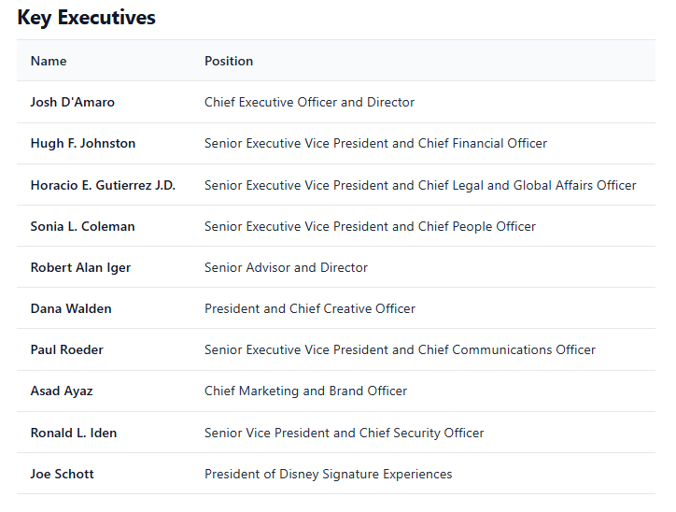
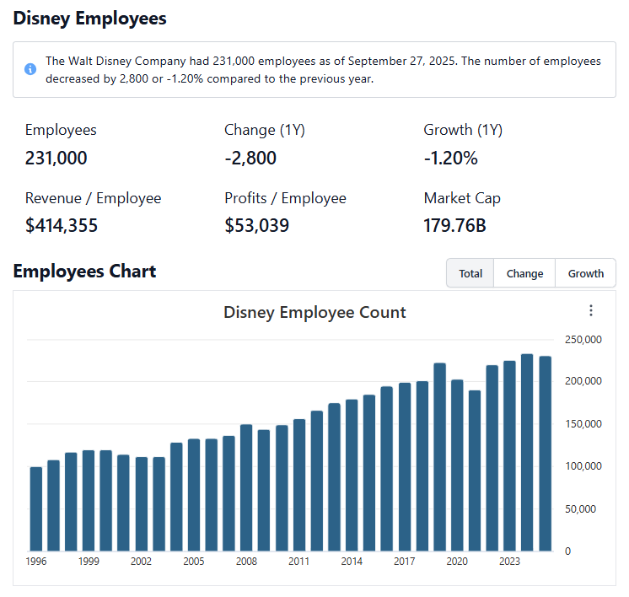

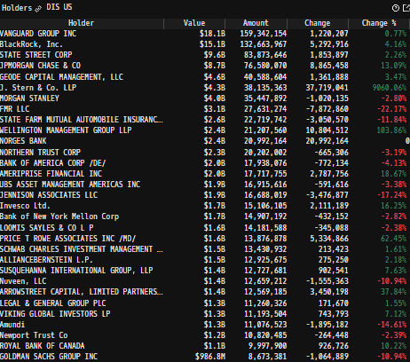
 |  |  |  |  |  |  |  |  | Financial Stmts. Notes/Observations (Updated Q1'26)
Institutional Ownership Snapshot Q1'26 |  |  |  |  |  |  |  |  | Revenues:
 |  |  |  |  |  |  |  |  | [Godel Snapshot of projected sales]

 | Notes: | [X]
 |  | [Y]
 |  | [Z]

(Ticker) Revenue by Segment (in $ millions)
 | Medical | Trauma and Extremities | Endoscopy | Instruments | Knees | Neuro Cranial | Hips | Vascular | Spinal Implants | Other
 | 600 | 430 | 467 | 467 | 435 | 518 | 334 | 66 | 302 | 118
 | 705 | 570 | 525 | 555 | 459 | 312 | 340 | 82 | 307 | 157
Q1 2021 | 622 | 640 | 469 | 469 | 412 | 281 | 309 | 289 | 278 | 123
 | 640 | 674 | 518 | 517 | 474 | 310 | 353 | 301 | 307 | 127
 | 636 | 639 | 525 | 525 | 439 | 299 | 328 | 295 | 282 | 123
 | 709 | 711 | 629 | 600 | 523 | 324 | 352 | 303 | 300 | 176
Q1 2022 | 664 | 685 | 538 | 528 | 464 | 323 | 327 | 301 | 279 | 97
 | 666 | 676 | 600 | 563 | 500 | 337 | 364 | 306 | 290 | 114
 | 765 | 672 | 590 | 535 | 481 | 332 | 347 | 294 | 280 | 111
 | 936 | 774 | 997 | 653 | 552 | 384 | 375 | 299 | 297 | 153
Q1 2023 | 778 | 769 | 707 | 566 | 566 | 355 | 375 | 284 | 284 | 94
 | 841 | 766 | 713 | 622 | 562 | 373 | 393 | 311 | 296 | 119
 | 798 | 752 | 746 | 620 | 515 | 384 | 362 | 311 | 291 | 130
 | 1042 | 860 | 902 | 726 | 630 | 764 | 414 | 320 | 122 | 35
Q1 2024 | 864 | 830 | 778 | 667 | 588 | 478 | 393 | 310 | 171 | 164
 | 908 | 832 | 768 | 698 | 602 | 416 | 428 | 327 | 307 | 136
 | 938 | 849 | 837 | 679 | 570 | 441 | 420 | 329 | 304 | 127
 | 1142 | 996 | 1006 | 790 | 687 | 801 | 463 | 341 | 85 | 125
Q1 2025 | 945 | 945 | 867 | 730 | 639 | 563 | 443 | 406 | 166 | 162
(Ticker) Revenue by Segment (in $ millions)
 | Sports | Experiences | Entertainment
Q1 2024 | 4835 | 8733 | 9981
 | 4312 | 7975 | 9796
 | 4558 | 8017 | 10580
 | 3914 | 7831 | 10829
Q1 2025 | 4850 | 8968 | 10872
 | 4534 | 8405 | 10682
 | 4308 | 8638 | 10704
 | 3980 | 8276 | 10208
Q1 2026 | 4909 | 9463 | 11609
Revenue Breakdown by Segment |  |  |  |  |  |  |  |  | Earnings Scope:
 |  |  |  |  |  |  |  |  | [Godel Snapshot of projected earnings/EPS + CFFO]

 | Notes: | [X]
 |  | [Y]
 |  | [Z]

(BSX) Quarterly Ttl Revenues, Net Income, Free Cash Flows (in $ millions)
 | Income | FCF | Revenues
Q1 2020 | 11 |  | 2543
Q2 2020 | -152 |  | 2003
Q3 2020 | -169 |  | 2659
Q4 2020 | 196 | 1.4515077425 | 2708
Q1 2021 | 327 | 1.3834364869 | 2752
Q2 2021 | 172 | 1.3083722072 | 3077
Q3 2021 | 405 | 1.1499254102 | 2932
Q4 2021 | 80 | 1.101567985 | 3127
Q1 2022 | 97 | 0.7788956481 | 3026
Q2 2022 | 246 | 0.85784187484 | 3244
Q3 2022 | 174 | 0.94561848408 | 3170
Q4 2022 | 124 | 1.0236655272 | 3242
Q1 2023 | 300 | 0.89468528043 | 3389
Q2 2023 | 261 | 0.79701885138 | 3599
Q3 2023 | 504 | 0.89561039528 | 3527
Q4 2023 | 504 | 0.81698419133 | 3725
Q1 2024 | 495 | 1.1438161107 | 3857
Q2 2024 | 324 | 1.1449067432 | 4120
Q3 2024 | 468 | 1.016579259 | 4209
Q4 2024 | 565 | 0.64223194748 | 4561
Q1 2025 | 674 | 0.88335310399 | 4663
(BSX) Quarterly Ttl Revenues, Net Income, Free Cash Flows (in $ millions)
 | Income |  | FCF |  | Revenues
Q1 2020 | 2168 | Q1 2020 | 292 | Q1 2020 | 20877
Q2 2020 | 528 | Q2 2020 | 1910 |  | 18025
Q3 2020 | -4509 | Q3 2020 | 454 |  | 11779
Q4 2020 | -629 | Q4 2020 | 938 |  | 14707
Q1 2021 | 30 | Q1 2021 | -685 | Q1 2021 | 16249
Q2 2021 | 1122 | Q2 2021 | 623 |  | 15613
Q3 2021 | 1128 | Q3 2021 | 528 |  | 17022
Q4 2021 | 256 | Q4 2021 | 1522 |  | 18534
Q1 2022 | 1200 | Q1 2022 | -1190 | Q1 2022 | 21819
Q2 2022 | 597 | Q2 2022 | 686 |  | 19249
Q3 2022 | 1502 | Q3 2022 | 187 |  | 21504
Q4 2022 | 254 | Q4 2022 | 1376 |  | 20150
Q1 2023 | 1361 | Q1 2023 | -2155 | Q1 2023 | 23512
Q2 2023 | 1488 | Q2 2023 | 1987 |  | 21815
Q3 2023 | -153 | Q3 2023 | 1637 |  | 22330
Q4 2023 | 694 | Q4 2023 | 3428 |  | 21241
Q1 2024 | 2151 | Q1 2024 | 886 | Q1 2024 | 23549
Q2 2024 | 216 | Q2 2024 | 2407 |  | 22083
Q3 2024 | 2842 | Q3 2024 | 1237 |  | 23155
Q4 2024 | 564 | Q4 2024 | 3529 |  | 22574
Q1 2025 | 2644 | Q1 2025 | 739 | Q1 2025 | 24690
 | 3401 |  | 4891 |  | 23621
 | 5943 |  | 1889 |  | 23650
 | 1443 |  | 2558 |  | 22464
 | 2484 |  | -2278 | Q1 2026 | 25981
Q/q Total Revenues, Net Income, FCF |  |  |  |  |  |  |  |  | Balance Sheet Scope:
 |  |  |  |  |  |  |  |  | [Godel Snapshot of projected balances (assets, liabilities, equity)]

 | Notes: | [X]
 |  | [Y]
 |  | [Z]

(BSX) Annual Ttl Revenues, Net Income, Free Cash Flows (in $ millions)
 | Income | FCF | Revenues
Q1 2020 | 11 |  | 2543
Q2 2020 | -152 |  | 2003
Q3 2020 | -169 |  | 2659
Q4 2020 | 196 | 1.4515077425 | 2708
Q1 2021 | 327 | 1.3834364869 | 2752
Q2 2021 | 172 | 1.3083722072 | 3077
Q3 2021 | 405 | 1.1499254102 | 2932
Q4 2021 | 80 | 1.101567985 | 3127
Q1 2022 | 97 | 0.7788956481 | 3026
Q2 2022 | 246 | 0.85784187484 | 3244
Q3 2022 | 174 | 0.94561848408 | 3170
Q4 2022 | 124 | 1.0236655272 | 3242
Q1 2023 | 300 | 0.89468528043 | 3389
Q2 2023 | 261 | 0.79701885138 | 3599
Q3 2023 | 504 | 0.89561039528 | 3527
Q4 2023 | 504 | 0.81698419133 | 3725
Q1 2024 | 495 | 1.1438161107 | 3857
Q2 2024 | 324 | 1.1449067432 | 4120
Q3 2024 | 468 | 1.016579259 | 4209
Q4 2024 | 565 | 0.64223194748 | 4561
Q1 2025 | 674 | 0.88335310399 | 4663
(BSX) Annual Ttl Revenues, Net Income, Free Cash Flows (in $ millions)
 | Income |  | FCF |  | Revenues
Q1 2020 | 8004 | Q1 2020 | 6469 | 2014 | 48813
Q2 2020 | 8852 | Q2 2020 | 7120 | 2015 | 52465
Q3 2020 | 9790 | Q3 2020 | 7513 | 2016 | 55632
Q4 2020 | 9366 | Q4 2020 | 8860 | 2017 | 55137
Q1 2021 | 13066 | Q1 2021 | 9830 | 2018 | 59434
Q2 2021 | 10897 | Q2 2021 | 1108 | 2019 | 69607
Q3 2021 | -2442 | Q3 2021 | 3594 | 2020 | 65388
Q4 2021 | 2536 | Q4 2021 | 1988 | 2021 | 67418
Q1 2022 | 3553 | Q1 2022 | 1059 | 2022 | 82722
Q2 2022 | 3390 | Q2 2022 | 4897 | 2023 | 88898
Q3 2022 | 5773 | Q3 2022 | 8059 | 2024 | 91361
Q4 2022 | 13431 | Q4 2022 | 10077 | 2025 | 94425
Q1 2023 |  | Q1 2023
Q2 2023 |  | Q2 2023
Q3 2023 |  | Q3 2023
Q4 2023 |  | Q4 2023
Q1 2024 |  | Q1 2024
Q2 2024 |  | Q2 2024
Q3 2024 |  | Q3 2024
Q4 2024 |  | Q4 2024
Q1 2025 |  | Q1 2025
Y/y Total Revenues, Net Income, FCF |  |  |  |  |  |  |  |  | [Equity Preformance Compared to Peers]
 |  |  |  |  |  |  |  |  | Use Godel CMS command

 | Notes: | [X]
 |  | [Y]
 |  | [Z]

(Ticker) Historical Return Histogram + Normal Distribution Overlay
(Ticker) Historical Return Histogram + Normal Distribution Overlay

 | Notes: | [X]
 |  | [Y]
 |  | [Z]

 |  | Min | -6.51%
 |  | Max | 12.49%
 |  | Mean μ | 0.07%
 |  | Median | 0.09%
 |  | SD σ | 1.33%
 |  | 3σ 1-Day Δ: ± | 3.98% |  | <- Sharpe Ratio (Risk Adjusted Return)
 |  | β (1-year avg.) | 1.03 |  | <- Sortino Ratio (Downside Risk Adjusted Return)

 | n = | 1,014
 | Histogram Data |  |  | Distribution Overlay |  |  | SD Lines
 | Bin | Frequency |  | (X) 1-Day Δ | (Y) Pop. Density |  | X | Y
 | -4.20% | 4 |  | -4.50% | 0.079451930057 | Mean | 0.07% | 0
 | -4.10% | 1 |  | -4.40% | 0.10275504249 |  | 0.07% | 30
 | -4.00% | 0 |  | -4.30% | 0.13213828248 | -3σ | -3.91% | 0
 | -3.90% | 0 |  | -4.20% | 0.16895886946 |  | -3.91% | 1
 | -3.80% | 0 |  | -4.10% | 0.21481279956 | -2σ | -2.58% | 0
 | -3.70% | 0 |  | -4.00% | 0.27156021148 |  | -2.58% | 5
 | -3.60% | 0 |  | -3.90% | 0.3413492431 | -1σ | -1.26% | 0
 | -3.50% | 1 |  | -3.80% | 0.42663705525 |  | -1.26% | 19
 | -3.40% | 0 |  | -3.70% | 0.53020647221 | 1σ | 1.39% | 0
 | -3.30% | 1 |  | -3.60% | 0.65517648165 |  | 1.39% | 19
 | -3.20% | 2 |  | -3.50% | 0.80500466491 | 2σ | 2.72% | 0
 | -3.10% | 0 |  | -3.40% | 0.98347951301 |  | 2.72% | 5
 | -3.00% | 0 |  | -3.30% | 1.1947005423 | 3σ | 4.04% | 0
 | -2.90% | 0 |  | -3.20% | 1.4430441783 |  | 4.04% | 1
 | -2.80% | 3 |  | -3.10% | 1.7331135438
 | -2.70% | 1 |  | -3.00% | 2.069670589
 | -2.60% | 7 |  | -2.90% | 2.4575494373
 | -2.50% | 2 |  | -2.80% | 2.9015504146
 | -2.40% | 3 |  | -2.70% | 3.4063149571
 | -2.30% | 3 |  | -2.60% | 3.9761824591
 | -2.20% | 2 |  | -2.50% | 4.615031095
 | -2.10% | 4 |  | -2.40% | 5.3261056982
 | -2.00% | 6 |  | -2.30% | 6.1118368572
 | -1.90% | 6 |  | -2.20% | 6.9736564461
 | -1.80% | 3 |  | -2.10% | 7.9118157754
 | -1.70% | 9 |  | -2.00% | 8.9252133667
 | -1.60% | 4 |  | -1.90% | 10.011239957
 | -1.50% | 9 |  | -1.80% | 11.165648647
 | -1.40% | 6 |  | -1.70% | 12.382458105
 | -1.30% | 8 |  | -1.60% | 13.653896288
 | -1.20% | 7 |  | -1.50% | 14.970391399
 | -1.10% | 14 |  | -1.40% | 16.320615501
 | -1.00% | 15 |  | -1.30% | 17.691584637
 | -0.90% | 18 |  | -1.20% | 19.068817332
 | -0.80% | 18 |  | -1.10% | 20.436551095
 | -0.70% | 25 |  | -1.00% | 21.778014129
 | -0.60% | 24 |  | -0.90% | 23.075746956
 | -0.50% | 28 |  | -0.80% | 24.311966213
 | -0.40% | 21 |  | -0.70% | 25.468960625
 | -0.30% | 29 |  | -0.60% | 26.529507235
 | -0.20% | 28 |  | -0.50% | 27.477294445
 | -0.10% | 21 |  | -0.40% | 28.29733751
 | 0.00% | 19 |  | -0.30% | 28.976371755
 | 0.10% | 28 |  | -0.20% | 29.503209132
 | 0.20% | 34 |  | -0.10% | 29.869044753
 | 0.30% | 20 |  | 0.00% | 30.067701652
 | 0.40% | 29 |  | 0.10% | 30.09580428
 | 0.50% | 25 |  | 0.20% | 29.952873917
 | 0.60% | 24 |  | 0.30% | 29.64134224
 | 0.70% | 15 |  | 0.40% | 29.166482502
 | 0.80% | 27 |  | 0.50% | 28.536261046
 | 0.90% | 19 |  | 0.60% | 27.761115007
 | 1.00% | 23 |  | 0.70% | 26.853664842
 | 1.10% | 16 |  | 0.80% | 25.828372788
 | 1.20% | 15 |  | 0.90% | 24.701160113
 | 1.30% | 20 |  | 1.00% | 23.488997323
 | 1.40% | 12 |  | 1.10% | 22.209481973
 | 1.50% | 16 |  | 1.20% | 20.880418667
 | 1.60% | 9 |  | 1.30% | 19.519415043
 | 1.70% | 4 |  | 1.40% | 18.143506213
 | 1.80% | 10 |  | 1.50% | 16.768818336
 | 1.90% | 8 |  | 1.60% | 15.410279824
 | 2.00% | 8 |  | 1.70% | 14.081386295
 | 2.10% | 8 |  | 1.80% | 12.794022891
 | 2.20% | 7 |  | 1.90% | 11.558345097
 | 2.30% | 1 |  | 2.00% | 10.382716925
 | 2.40% | 9 |  | 2.10% | 9.2737032118
 | 2.50% | 2 |  | 2.20% | 8.2361110796
 | 2.60% | 0 |  | 2.30% | 7.2730742367
 | 2.70% | 1 |  | 2.40% | 6.3861728418
 | 2.80% | 2 |  | 2.50% | 5.5755811291
 | 2.90% | 3 |  | 2.60% | 4.84023484
 | 3.00% | 1 |  | 2.70% | 4.1780107217
 | 3.10% | 1 |  | 2.80% | 3.5859108624
 | 3.20% | 1 |  | 2.90% | 3.0602453896
 | 3.30% | 2 |  | 3.00% | 2.596807984
 | 3.40% | 0 |  | 3.10% | 2.1910396966
 | 3.50% | 0 |  | 3.20% | 1.8381776329
 | 3.60% | 0 |  | 3.30% | 1.5333861327
 | 3.70% | 0 |  | 3.40% | 1.2718690767
 | 3.80% | 0 |  | 3.50% | 1.0489628517
 | 3.90% | 0 |  | 3.60% | 0.8602102853
 | 4.00% | 0 |  | 3.70% | 0.70141649792
 | 4.10% | 0 |  | 3.80% | 0.56868810604
 | 4.20% | 0 |  | 3.90% | 0.45845755785
 | More | 2 |  | 4.00% | 0.36749459074
 |  |  |  | 4.10% | 0.29290689037
 |  |  |  | 4.20% | 0.23213201875
 |  |  |  | 4.30% | 0.18292258552
 |  |  |  | 4.40% | 0.14332648071
 |  |  |  | 4.50% | 0.11166379045
...

