Main

 | ROK
 | Price | $396.92 | 12/22/25
 | SO | 112 | Q3'25
 | MC | $44,563
 | Cash | $468 | Q3'25
 | Debt | $3,222 | Q3'25
 | EV | $47,317

 | Rockwell Automation, Inc. (ROK)

 | Founder(s): Lynde Bradley & Dr. Stanton Allen |  |  |  | Registered Exchange: |  |  | Resources:
 | Founded: 1903 |  |  |  | Address: 1201 South Second Street Milwaukee, WI 53204-2410 U.S. |  |  | SEC filings |  | https://www.sec.gov/edgar/browse/?CIK=1024478&owner=exclude
 | Headquarters: Milwaukee, WI |  |  |  | Investor Relations Contact: |  |  | Company Homepage |  | https://www.rockwellautomation.com/
 | Current CEO: Blake Moret |  |  |  | Investors Relation Department |  |  |  | Company IR Page |  | https://www.rockwellautomation.com/en-us/company/investor-relations.html
 | Employees: 26,000 (Q4'25) |  |  |  | Phone: | (414) 382 2000 | Email: | Earnings Calls |  | https://seekingalpha.com/symbol/ROK/earnings/transcripts
 | Industry: Specialized Industrial Machinery |  |  |  |  |  |  | Equity Analysis |  | https://stockanalysis.com/stocks/rok/company/
 | Sector: Industrials |  |  |  |  |  |  | MacroTrends |  | https://www.macrotrends.net/stocks/charts/ROK/rockwell-automation/income-statement
 | IPO: January 1, 1987 |  |  |  |  |  |  | ROIC, WACC |  | https://www.gurufocus.com/term/wacc/ROK
 | Fiscal Year: [October - September] |  |  |  |  |  |  | Godel Terminal |  | https://app.godelterminal.com/

Company Overview:
 | Rockwell Automation is the largest pure-play industrial automation company in North America
 | The Company sells control systems, drives, and software that operate, monitor, and optimize cooling systems for scaled data centers and the factory floor
 |  | Often viewed by equity analysts as a high-quality short-cycle industrial stock … Unlike conglomerates (HON, SIE), The Company is singularly focused on factory floor operations ... direct bet on manufacturing capex, reshoring and robotics / automation
 |  |  | The market is looking for robotics companies to bring "embodied intelligence" to life … they widespread automation … TSLA has pitched their silly optimus project … Could ROK develop an industrial offering
 | The Company possesses a core advantage in it's widespread domestic install base, and the prohibitively expensive switching costs associated with heavy machinery CapEx … further moat developed from software integration
 |  | This creates a sticky ecosystem where customers are locked into Rockwell’s software and lifecycle services for decades
 |  | Rockwell’s "Logix" control architecture (PLCs) and "Allen-Bradley" hardware create a "connected enterprise" …
 |  |  | The Company provides industrial-grade computers (PLCs) and variable frequency drives (VFDs) that tell that mechanical equipment when to turn on, how fast to run, and how to manage redundancy if a unit fails
 |  |  |  | Positions The Company not just as a hardware vendor, but as the bridge connecting plant-floor data (OT) to enterprise-level cloud systems (IT) …
 |  |  | Investigate market penetration/concentration … may offer an interesting window into America's industrial capacity
 |  |  |  | Investigate cloud integration plans … physical AI data for big tech … Look into deals with the hyperscalers
 | The Company reports in three segments that reflect its hardware-software-services mix
 |  | Intelligent Devices:

 |  | Software & Control:

 |  | Lifecycle Services:

 | The Company developed and manages Logix control architecture, a proprietary control platform … serves as a software moat and integrates factory floors
 |  | Unlike open standards, Logix is a closed ecosystem that guarantees seamless integration between controller, drive, and software, but makes it hard to mix and match offerings with competitors (SIE, SBGSY)
 |  | Rockwell holds hundreds of active patents, with recent filings heavily skewed toward cybersecurity, edge computing, and digital twin technologies
 |  |  | They actively use the "Track One" prioritized patent examination to block competitors in niche control logic areas
 | Through strategic partnerships, The Company is able to operate an asset light business compared to peer competitors
 |  | Instead of acquiring a massive CAD/PLM firm, Rockwell has a strategic equity investment and partnership with PTC (ThingWorx/Vuforia) and a deep alliance with Microsoft
 |  | This allows them to offer a full "digital thread" solution without the R&D burden of building it all in-house
 | The Company is heavily weighted to North America … primary beneficiary of any reshoring/nearshoring efforts … quasi-forward indicator into manufacturing industrial policy success/failure
 |  | Less exposure to China than Euro peer competitors

Business Segments and Geographical Info:

Notes | Quant Analysis
 |  |  |  |  |  |  |  |  |  | 0
Employee Scope: |  |  |  |  |  |  |  |  | General Notes/Observations

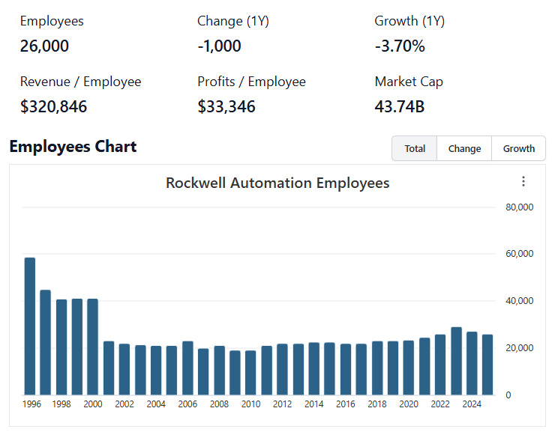

 | Notes: | [X]
 |  | [Y]
 |  | [Z]

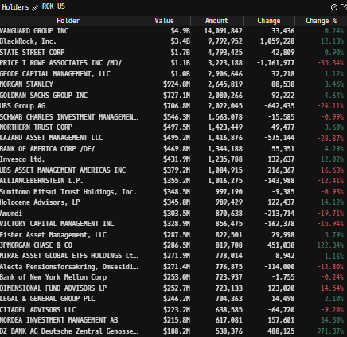
 |  |  |  |  |  |  |  |  | Financial Stmts. Notes/Observations (Updated Q1'25)
Institutional Ownership Snapshot |  |  |  |  |  |  |  |  | Revenues:
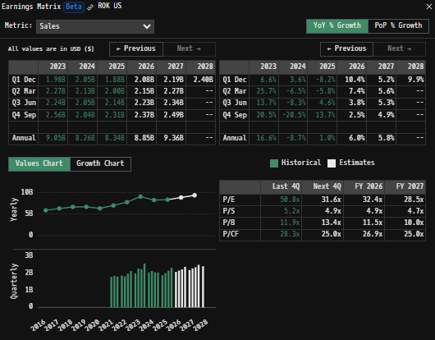

 | Notes: | [X]
 |  | [Y]
 |  | [Z]

(ROK) Revenue by Segment (in $ millions)
 | Intelligent Devices | Software & Control | Lifecycle Services
 | 722 | 441 | 403
 | 850 | 502 | 424
Q1 2021 | 883 | 510 | 456
 | 857 | 494 | 456
 | 900 | 514 | 443
 | 809 | 535 | 465
Q1 2022 | 878 | 607 | 484
 | 958 | 657 | 511
 | 936 | 573 | 472
 | 1023 | 741 | 511
Q1 2023 | 968 | 750 | 520
 | 1171 | 822 | 571
 | 927 | 604 | 521
 | 974 | 569 | 583
Q1 2024 | 957 | 513 | 581
 | 946 | 501 | 588
 | 806 | 529 | 546
 | 896 | 568 | 537
Q1 2025 | 968 | 629 | 547
 | 1086 | 657 | 573
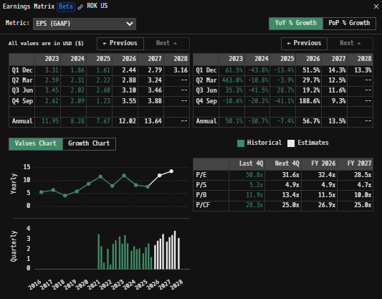
Revenue Breakdown by Segment |  |  |  |  |  |  |  |  | Earnings Scope:
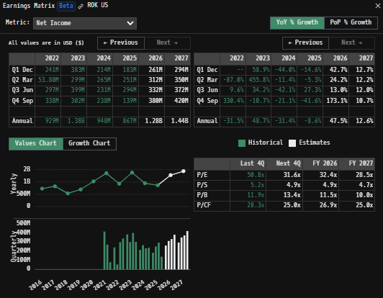

 | Notes: | [X]
 |  | [Y]
 |  | [Z]

(ROK) Revenue by Segment (in $ millions)
 | North America Growth Y/y | Euro, Mid-East, Africa | APac | Latin America
Q1 2021 | 912 | 321 | 222 | 111
 | 1066 | 354 | 247 | 109
 | 1087 | 377 | 275 | 110
 | 1068 | 354 | 268 | 117
Q1 2022 | 1101 | 355 | 278 | 123
 | 1072 | 349 | 266 | 122
 | 1240 | 353 | 247 | 129
 | 1309 | 381 | 297 | 139
Q1 2023 | 1179 | 373 | 297 | 132
 | 1310 | 487 | 334 | 144
 | 1261 | 494 | 343 | 140
 | 1474 | 517 | 384 | 213
Q1 2024 | 1247 | 388 | 276 | 141
 | 1294 | 399 | 270 | 163
 | 1268 | 356 | 260 | 167
 | 1244 | 361 | 267 | 163
Q1 2025 | 1150 | 332 | 251 | 148
 | 1288 | 358 | 227 | 128
 | 1354 | 392 | 266 | 132
 | 1478 | 406 | 280 | 152
Revenue Breakdown by Segment |  |  |  |  |  |  |  |  | Balance Sheet Scope:

 | Notes: | [X]
 |  | [Y]
 |  | [Z]

Q/q Total Revenues, Net Income, FCF |  |  |  |  |  |  |  |  | [Equity Preformance Compared to Peers]
(ROK) Quarterly Ttl Revenues, Net Income, Free Cash Flows (in $ millions)
 | Income |  | FCF |  | Revenues
Q1 2020 | 315 | Q1 2020 | 194 | Q1 2020 | 1685
Q2 2020 | 130 | Q2 2020 | 198 |  | 1681
Q3 2020 | 314 | Q3 2020 | 311 |  | 1394
Q4 2020 | 264 | Q4 2020 | 304 |  | 1570
Q1 2021 | 591 | Q1 2021 | 319 | Q1 2021 | 1566
Q2 2021 | 410 | Q2 2021 | 224 |  | 1776
Q3 2021 | 270 | Q3 2021 | 437 |  | 1849
Q4 2021 | 74 | Q4 2021 | 160 |  | 1807
Q1 2022 | 239 | Q1 2022 | -49 | Q1 2022 | 1857
Q2 2022 | 50 | Q2 2022 | 46 |  | 1809
Q3 2022 | 295 | Q3 2022 | 327 |  | 1969
Q4 2022 | 336 | Q4 2022 | 359 |  | 2126
Q1 2023 | 379 | Q1 2023 | 42 | Q1 2023 | 1981
Q2 2023 | 294 | Q2 2023 | 156 |  | 2275
Q3 2023 | 398 | Q3 2023 | 240 |  | 2238
Q4 2023 | 207 | Q4 2023 | 776 |  | 2564
Q1 2024 | 213 | Q1 2024 | -35 | Q1 2024 | 2052
Q2 2024 | 265 | Q2 2024 | 69 |  | 2126
Q3 2024 | 231 | Q3 2024 | 238 |  | 2051
Q4 2024 | 239 | Q4 2024 | 367 |  | 2035
Q1 2025 | 178 | Q1 2025 | 293 | Q1 2025 | 1881
 | 248 |  | 171 |  | 2001
 | 293 |  | 489 |  | 2144
 | 30 |  | 405 |  | 2316
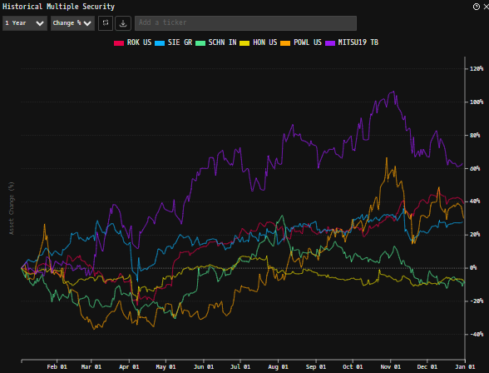

 | Notes: | [X]
 |  | [Y]
 |  | [Z]

Y/y Total Revenues, Net Income, FCF
(ROK) Annual Ttl Revenues, Net Income, Free Cash Flows (in $ millions)
 | Income | FCF | Revenues
Q1 2020 | 11 |  | 2543
Q2 2020 | -152 |  | 2003
Q3 2020 | -169 |  | 2659
Q4 2020 | 196 | 1.4515077425 | 2708
Q1 2021 | 327 | 1.3834364869 | 2752
Q2 2021 | 172 | 1.3083722072 | 3077
Q3 2021 | 405 | 1.1499254102 | 2932
Q4 2021 | 80 | 1.101567985 | 3127
Q1 2022 | 97 | 0.7788956481 | 3026
Q2 2022 | 246 | 0.85784187484 | 3244
Q3 2022 | 174 | 0.94561848408 | 3170
Q4 2022 | 124 | 1.0236655272 | 3242
Q1 2023 | 300 | 0.89468528043 | 3389
Q2 2023 | 261 | 0.79701885138 | 3599
Q3 2023 | 504 | 0.89561039528 | 3527
Q4 2023 | 504 | 0.81698419133 | 3725
Q1 2024 | 495 | 1.1438161107 | 3857
Q2 2024 | 324 | 1.1449067432 | 4120
Q3 2024 | 468 | 1.016579259 | 4209
Q4 2024 | 565 | 0.64223194748 | 4561
Q1 2025 | 674 | 0.88335310399 | 4663

 | Notes: | [X]
 |  | [Y]
 |  | [Z]

(ROK) Historical Return Histogram + Normal Distribution Overlay

 |  | Min | -6.07%
 |  | Max | 11.79%
 |  | Mean μ | 0.03%
 |  | Median | 0.05%
 |  | SD σ | 1.46%
 |  | 3σ 1-Day Δ: ± | 4.37% |  | <- Sharpe Ratio (Risk Adjusted Return)
 |  | β (1-year avg.) | 1.14 |  | <- Sortino Ratio (Downside Risk Adjusted Return)

 | n = | 1,014
 | Histogram Data |  |  | Distribution Overlay |  |  | SD Lines
 | Bin | Frequency |  | (X) 1-Day Δ | (Y) Pop. Density |  | X | Y
 | -4.50% | 4 |  | -5.00% | 0.070138593642 | Mean | 0.03% | 0
 | -4.40% | 1 |  | -4.90% | 0.088709765792 |  | 0.03% | 27.5
 | -4.30% | 0 |  | -4.80% | 0.11167027725 | -3σ | -4.34% | 0
 | -4.20% | 0 |  | -4.70% | 0.13991218495 |  | -4.34% | 1
 | -4.10% | 0 |  | -4.60% | 0.17447180975 | -2σ | -2.88% | 0
 | -4.00% | 1 |  | -4.50% | 0.21654430957 |  | -2.88% | 5
 | -3.90% | 1 |  | -4.40% | 0.26749770976 | -1σ | -1.43% | 0
 | -3.80% | 0 |  | -4.30% | 0.32888581545 |  | -1.43% | 17
 | -3.70% | 1 |  | -4.20% | 0.40245933095 | 1σ | 1.49% | 0
 | -3.60% | 2 |  | -4.10% | 0.49017441736 |  | 1.49% | 17
 | -3.50% | 0 |  | -4.00% | 0.59419783399 | 2σ | 2.94% | 0
 | -3.40% | 2 |  | -3.90% | 0.71690774143 |  | 2.94% | 5
 | -3.30% | 1 |  | -3.80% | 0.86088919784 | 3σ | 4.40% | 0
 | -3.20% | 1 |  | -3.70% | 1.0289233653 |  | 4.40% | 1
 | -3.10% | 0 |  | -3.60% | 1.2239694646
 | -3.00% | 1 |  | -3.50% | 1.449138583
 | -2.90% | 5 |  | -3.40% | 1.7076585568
 | -2.80% | 0 |  | -3.30% | 2.0028293192
 | -2.70% | 4 |  | -3.20% | 2.3379683342
 | -2.60% | 5 |  | -3.10% | 2.7163460218
 | -2.50% | 3 |  | -3.00% | 3.1411114177
 | -2.40% | 1 |  | -2.90% | 3.6152087028
 | -2.30% | 2 |  | -2.80% | 4.1412856625
 | -2.20% | 4 |  | -2.70% | 4.7215955897
 | -2.10% | 7 |  | -2.60% | 5.3578946109
 | -2.00% | 7 |  | -2.50% | 6.0513368649
 | -1.90% | 5 |  | -2.40% | 6.8023703881
 | -1.80% | 7 |  | -2.30% | 7.6106369245
 | -1.70% | 6 |  | -2.20% | 8.4748791669
 | -1.60% | 6 |  | -2.10% | 9.3928591184
 | -1.50% | 10 |  | -2.00% | 10.361291326
 | -1.40% | 9 |  | -1.90% | 11.37579465
 | -1.30% | 14 |  | -1.80% | 12.430866014
 | -1.20% | 12 |  | -1.70% | 13.519879155
 | -1.10% | 12 |  | -1.60% | 14.635110866
 | -1.00% | 23 |  | -1.50% | 15.767796503
 | -0.90% | 12 |  | -1.40% | 16.908215665
 | -0.80% | 18 |  | -1.30% | 18.045808053
 | -0.70% | 21 |  | -1.20% | 19.169318409
 | -0.60% | 20 |  | -1.10% | 20.266968454
 | -0.50% | 26 |  | -1.00% | 21.326652594
 | -0.40% | 20 |  | -0.90% | 22.336153219
 | -0.30% | 20 |  | -0.80% | 23.283370466
 | -0.20% | 18 |  | -0.70% | 24.156560577
 | -0.10% | 18 |  | -0.60% | 24.944576376
 | 0.00% | 27 |  | -0.50% | 25.637103054
 | 0.10% | 42 |  | -0.40% | 26.224882321
 | 0.20% | 24 |  | -0.30% | 26.699918128
 | 0.30% | 28 |  | -0.20% | 27.055657586
 | 0.40% | 20 |  | -0.10% | 27.287141365
 | 0.50% | 22 |  | 0.00% | 27.391118728
 | 0.60% | 25 |  | 0.10% | 27.366123505
 | 0.70% | 21 |  | 0.20% | 27.212508489
 | 0.80% | 19 |  | 0.30% | 26.932437153
 | 0.90% | 15 |  | 0.40% | 26.529832947
 | 1.00% | 23 |  | 0.50% | 26.010287835
 | 1.10% | 15 |  | 0.60% | 25.380933064
 | 1.20% | 9 |  | 0.70% | 24.650276324
 | 1.30% | 13 |  | 0.80% | 23.828010503
 | 1.40% | 14 |  | 0.90% | 22.924800047
 | 1.50% | 9 |  | 1.00% | 21.952051485
 | 1.60% | 10 |  | 1.10% | 20.921675002
 | 1.70% | 12 |  | 1.20% | 19.845843989
 | 1.80% | 5 |  | 1.30% | 18.736759278
 | 1.90% | 5 |  | 1.40% | 17.606424311
 | 2.00% | 5 |  | 1.50% | 16.466436873
 | 2.10% | 9 |  | 1.60% | 15.327802143
 | 2.20% | 3 |  | 1.70% | 14.200770885
 | 2.30% | 8 |  | 1.80% | 13.094705575
 | 2.40% | 6 |  | 1.90% | 12.017976162
 | 2.50% | 4 |  | 2.00% | 10.977886115
 | 2.60% | 2 |  | 2.10% | 9.9806284091
 | 2.70% | 2 |  | 2.20% | 9.0312701776
 | 2.80% | 7 |  | 2.30% | 8.1337639681
 | 2.90% | 2 |  | 2.40% | 7.2909828896
 | 3.00% | 2 |  | 2.50% | 6.5047764418
 | 3.10% | 1 |  | 2.60% | 5.7760434827
 | 3.20% | 3 |  | 2.70% | 5.1048186169
 | 3.30% | 1 |  | 2.80% | 4.4903682617
 | 3.40% | 2 |  | 2.90% | 3.9312927585
 | 3.50% | 0 |  | 3.00% | 3.4256311244
 | 3.60% | 0 |  | 3.10% | 2.9709653586
 | 3.70% | 1 |  | 3.20% | 2.5645216085
 | 3.80% | 0 |  | 3.30% | 2.203265937
 | 3.90% | 2 |  | 3.40% | 1.8839928936
 | 4.00% | 0 |  | 3.50% | 1.6034055521
 | 4.10% | 3 |  | 3.60% | 1.358186122
 | 4.20% | 1 |  | 3.70% | 1.1450566588
 | 4.30% | 0 |  | 3.80% | 0.96082976283
 | 4.40% | 0 |  | 3.90% | 0.80244948157
 | 4.50% | 0 |  | 4.00% | 0.66702288875
 | More | 1 |  | 4.10% | 0.55184302243
 |  |  |  | 4.20% | 0.45440401188
 |  |  |  | 4.30% | 0.37240931995
 |  |  |  | 4.40% | 0.30377407554
 |  |  |  | 4.50% | 0.24662247809
 |  |  |  | 4.60% | 0.19928122736
 |  |  |  | 4.70% | 0.16026987716
 |  |  |  | 4.80% | 0.12828893548
 |  |  |  | 4.90% | 0.10220644472
 |  |  |  | 5.00% | 0.081043678348
...

