Main

 | ILMN
 | Price | 188.68 | 7/5/2026
 | SO | 151.3 | Q1'26
 | MC | 28,547
 | Cash | 1,155 | Q1'26
 | Debt | 1,989 | Q1'26
 | EV | 29,381

 | Illumina, Inc. (ILMN)

 | Founder(s): Larry Bock, John Stuelpnagel, David Walt, Mark Chee, and Anthony Czarnik |  |  | Registered Exchange: NASDAQ |  |  | Resources:
 | Founded: April 1998 |  |  | Address: 5200 Illumina Way San Diego, CA 92122 U.S. |  |  | SEC filings |  | https://www.sec.gov/edgar/browse/?CIK=1110803&owner=exclude
 | Headquarters: San Diego, CA |  |  | Investor Relations Contact: |  |  | Company Homepage |  | https://www.illumina.com/
 | Current CEO: Jacob Thaysen |  |  | Investors Relation Department |  |  |  | Company IR Page |  | https://investor.illumina.com/investors/default.aspx
 | Employees: 10,080 |  |  | Phone: | (858) 202 - 4500 | Email: | Earnings Calls |  | https://app.godelterminal.com/
 | Industry: Diagnostics & Research |  |  |  |  |  | Equity Analysis |  | https://stockanalysis.com/stocks/ilmn/company/
 | Sector: Healthcare |  |  |  |  |  | MacroTrends |  | https://www.macrotrends.net/stocks/charts/ILMN/illumina/revenue
 | IPO: Jul 28, 2000 -- $500M valuation |  |  |  |  |  | ROIC, WACC |  | https://www.gurufocus.com/term/wacc/ILMN
 | Fiscal Year: [January - December] |  |  |  |  |  | Godel Terminal |  | https://app.godelterminal.com/

Company Overview:
 | Illumina, Inc. provides sequencing- and array-based solutions for genetic and genomic analysis in the Americas, Europe, Greater China, the Asia Pacific, the Middle East, and Africa
 | The Company offers sequencing- and array-based instruments and consumables, which include reagents, flow cells, and library preparation
 |  | Whole-genome sequencing kits, which sequence entire genomes of various size and complexity
 |  | Targeted resequencing kits, which sequence exomes, specific genes, and RNA or other genomic regions of interest
 |  | It also provides whole-genome sequencing, genotyping, noninvasive prenatal testing, and product support services
 |  |  | "Razor and Blade" business model … The Company sells the sequencing hardware (razors) to lock customers in, then relies on continuous sales of high-margin chemical reagents and flow cells (blades)
 | The Company serves genomic research centers, academic institutions, government laboratories, and hospitals, as well as pharmaceutical, biotechnology, commercial molecular diagnostic laboratories, and consumer genomics companies
 |  | The Company markets and distributes its products directly to customers, as well as through life-science distributors
 | The Company has a collaboration with Labcorp Holdings Inc. for the development of oncology treatments through applications of sequencing solutions across the healthcare ecosystem
 |  | Also strategic collaboration with Integrated DNA Technologies to enable a DRAGEN, secondary analysis pipeline for IDT xGena, FFPE and cfDNA next generation sequencing (NGS) library preparation with custom panels, delivering an integrated, end-to-end solution for somatic oncology research
 |  | It also has a data partnership with Center for Data-Driven Discovery in Biomedicine to advance research in pediatric cancer and rare disease
 | Illumina, Inc. was incorporated in 1998 and is headquartered in San Diego, California

Business Segments and Geographical Info:

Notes | Quant Analysis
 |  |  |  |  |  |  |  |  |  | 0
Employee Scope: |  |  |  |  |  |  |  |  | General Notes/Observations (Updated Q1'26)
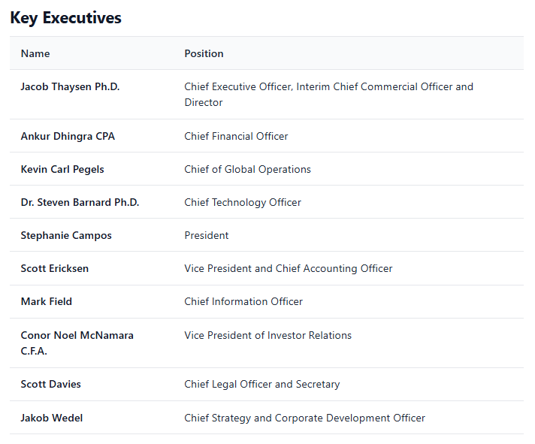
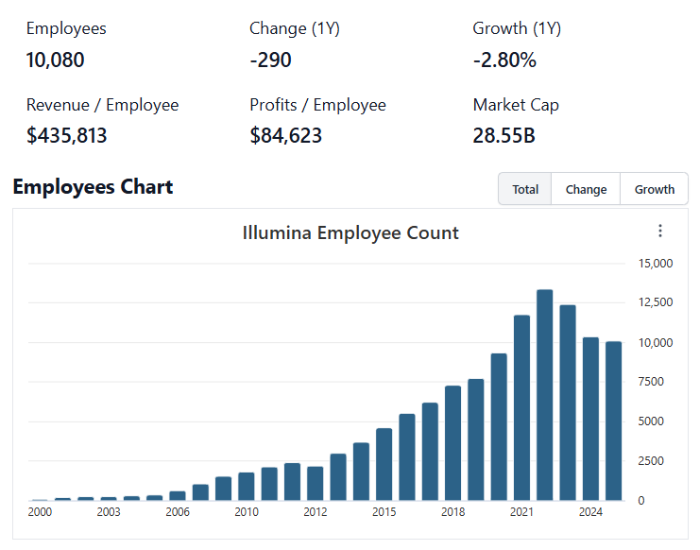

 | Notes: | [X]
 |  | [Y]
 |  | [Z]
 |  |  |  |  |  |  |  |  | Financial Stmts. Notes/Observations (Updated Q1'26)
Institutional Ownership Snapshot Q4'25 |  |  |  |  |  |  |  |  | Revenues:
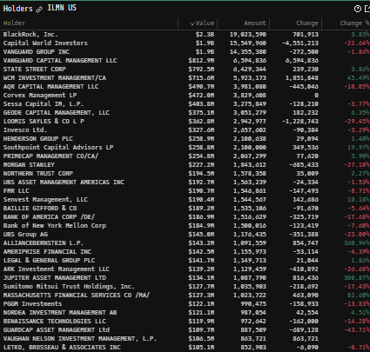
 |  |  |  |  |  |  |  |  | [Godel Snapshot of projected sales]

 | Notes: | [X]
 |  | [Y]
 |  | [Z]

(ILMN) Revenue by Segment (in $ millions)
 | Medical | Trauma and Extremities | Endoscopy | Instruments | Knees | Neuro Cranial | Hips | Vascular | Spinal Implants | Other
 | 600 | 430 | 467 | 467 | 435 | 518 | 334 | 66 | 302 | 118
 | 705 | 570 | 525 | 555 | 459 | 312 | 340 | 82 | 307 | 157
Q1 2021 | 622 | 640 | 469 | 469 | 412 | 281 | 309 | 289 | 278 | 123
 | 640 | 674 | 518 | 517 | 474 | 310 | 353 | 301 | 307 | 127
 | 636 | 639 | 525 | 525 | 439 | 299 | 328 | 295 | 282 | 123
 | 709 | 711 | 629 | 600 | 523 | 324 | 352 | 303 | 300 | 176
Q1 2022 | 664 | 685 | 538 | 528 | 464 | 323 | 327 | 301 | 279 | 97
 | 666 | 676 | 600 | 563 | 500 | 337 | 364 | 306 | 290 | 114
 | 765 | 672 | 590 | 535 | 481 | 332 | 347 | 294 | 280 | 111
 | 936 | 774 | 997 | 653 | 552 | 384 | 375 | 299 | 297 | 153
Q1 2023 | 778 | 769 | 707 | 566 | 566 | 355 | 375 | 284 | 284 | 94
 | 841 | 766 | 713 | 622 | 562 | 373 | 393 | 311 | 296 | 119
 | 798 | 752 | 746 | 620 | 515 | 384 | 362 | 311 | 291 | 130
 | 1042 | 860 | 902 | 726 | 630 | 764 | 414 | 320 | 122 | 35
Q1 2024 | 864 | 830 | 778 | 667 | 588 | 478 | 393 | 310 | 171 | 164
 | 908 | 832 | 768 | 698 | 602 | 416 | 428 | 327 | 307 | 136
 | 938 | 849 | 837 | 679 | 570 | 441 | 420 | 329 | 304 | 127
 | 1142 | 996 | 1006 | 790 | 687 | 801 | 463 | 341 | 85 | 125
Q1 2025 | 945 | 945 | 867 | 730 | 639 | 563 | 443 | 406 | 166 | 162
Revenue Breakdown by Segment (Build graph for this section if applicable…. See example below) |  |  |  |  |  |  |  |  | Earnings Scope:
 |  |  |  |  |  |  |  |  | [Godel Snapshot of projected earnings/EPS + CFFO]

 | Notes: | [X]
 |  | [Y]
 |  | [Z]

(ILMN) Quarterly Ttl Revenues, Net Income, Free Cash Flows (in $ millions)
 | Income | FCF | Revenues
Q1 2020 | 11 |  | 2543
Q2 2020 | -152 |  | 2003
Q3 2020 | -169 |  | 2659
Q4 2020 | 196 | 1.4515077425 | 2708
Q1 2021 | 327 | 1.3834364869 | 2752
Q2 2021 | 172 | 1.3083722072 | 3077
Q3 2021 | 405 | 1.1499254102 | 2932
Q4 2021 | 80 | 1.101567985 | 3127
Q1 2022 | 97 | 0.7788956481 | 3026
Q2 2022 | 246 | 0.85784187484 | 3244
Q3 2022 | 174 | 0.94561848408 | 3170
Q4 2022 | 124 | 1.0236655272 | 3242
Q1 2023 | 300 | 0.89468528043 | 3389
Q2 2023 | 261 | 0.79701885138 | 3599
Q3 2023 | 504 | 0.89561039528 | 3527
Q4 2023 | 504 | 0.81698419133 | 3725
Q1 2024 | 495 | 1.1438161107 | 3857
Q2 2024 | 324 | 1.1449067432 | 4120
Q3 2024 | 468 | 1.016579259 | 4209
Q4 2024 | 565 | 0.64223194748 | 4561
Q1 2025 | 674 | 0.88335310399 | 4663
Q/q Total Revenues, Net Income, FCF |  |  |  |  |  |  |  |  | Balance Sheet Scope:
 |  |  |  |  |  |  |  |  | [Godel Snapshot of projected balances (assets, liabilities, equity)]

 | Notes: | [X]
 |  | [Y]
 |  | [Z]

(ILMN) Annual Ttl Revenues, Net Income, Free Cash Flows (in $ millions)
 | Income | FCF | Revenues
Q1 2020 | 11 |  | 2543
Q2 2020 | -152 |  | 2003
Q3 2020 | -169 |  | 2659
Q4 2020 | 196 | 1.4515077425 | 2708
Q1 2021 | 327 | 1.3834364869 | 2752
Q2 2021 | 172 | 1.3083722072 | 3077
Q3 2021 | 405 | 1.1499254102 | 2932
Q4 2021 | 80 | 1.101567985 | 3127
Q1 2022 | 97 | 0.7788956481 | 3026
Q2 2022 | 246 | 0.85784187484 | 3244
Q3 2022 | 174 | 0.94561848408 | 3170
Q4 2022 | 124 | 1.0236655272 | 3242
Q1 2023 | 300 | 0.89468528043 | 3389
Q2 2023 | 261 | 0.79701885138 | 3599
Q3 2023 | 504 | 0.89561039528 | 3527
Q4 2023 | 504 | 0.81698419133 | 3725
Q1 2024 | 495 | 1.1438161107 | 3857
Q2 2024 | 324 | 1.1449067432 | 4120
Q3 2024 | 468 | 1.016579259 | 4209
Q4 2024 | 565 | 0.64223194748 | 4561
Q1 2025 | 674 | 0.88335310399 | 4663
Y/y Total Revenues, Net Income, FCF |  |  |  |  |  |  |  |  | [Equity Preformance Compared to Peers]
 |  |  |  |  |  |  |  |  | Use Godel CMS command

 | Notes: | [X]
 |  | [Y]
 |  | [Z]

(ILMN) 1-Day Historical Return Histogram + Normal Distribution Overlay

 |  | Min | -12.00%
 |  | Max | 15.56%
 |  | Mean μ | 0.04%
 |  | Median | -0.06%
 |  | SD σ | 2.41%
 |  | 3σ 1-Day Δ: ± | 7.24% |  | <- Sharpe Ratio (Risk Adjusted Return)
 |  | β (1-year avg.) | 1.01 |  | <- Sortino Ratio (Downside Risk Adjusted Return)

 | n = | 1,014
 | Histogram Data |  |  | Distribution Overlay |  |  | SD Lines
 | Bin | Frequency |  | (X) 1-Day Δ | (Y) Pop. Density |  | X | Y
 | -7.75% | 3 |  | -8.00% | 0.064399119718 | Mean | 0.04% | 0
 | -7.50% | 0 |  | -7.75% | 0.090453121516 |  | 0.04% | 30
 | -7.25% | 0 |  | -7.50% | 0.12569149655 | -3σ | -7.20% | 0
 | -7.00% | 3 |  | -7.25% | 0.17279331876 |  | -7.20% | 2
 | -6.75% | 0 |  | -7.00% | 0.23501019631 | -2σ | -4.79% | 0
 | -6.50% | 0 |  | -6.75% | 0.31621697149 |  | -4.79% | 5
 | -6.25% | 2 |  | -6.50% | 0.42094209207 | -1σ | -2.37% | 0
 | -6.00% | 2 |  | -6.25% | 0.55436811796 |  | -2.37% | 10
 | -5.75% | 1 |  | -6.00% | 0.72229207013 | 1σ | 2.45% | 0
 | -5.50% | 5 |  | -5.75% | 0.93103532345 |  | 2.45% | 10
 | -5.25% | 1 |  | -5.50% | 1.1872937466 | 2σ | 4.86% | 0
 | -5.00% | 7 |  | -5.25% | 1.497921012 |  | 4.86% | 5
 | -4.75% | 10 |  | -5.00% | 1.8696415704 | 3σ | 7.28% | 0
 | -4.50% | 9 |  | -4.75% | 2.308694717 |  | 7.28% | 2
 | -4.25% | 11 |  | -4.50% | 2.8204173199
 | -4.00% | 10 |  | -4.25% | 3.408779797
 | -3.75% | 11 |  | -4.00% | 4.0758972942
 | -3.50% | 18 |  | -3.75% | 4.8215450304
 | -3.25% | 17 |  | -3.50% | 5.6427126245
 | -3.00% | 16 |  | -3.25% | 6.5332360367
 | -2.75% | 24 |  | -3.00% | 7.4835467401
 | -2.50% | 23 |  | -2.75% | 8.4805752579
 | -2.25% | 38 |  | -2.50% | 9.5078398962
 | -2.00% | 50 |  | -2.25% | 10.545741411
 | -1.75% | 43 |  | -2.00% | 11.572070912
 | -1.50% | 45 |  | -1.75% | 12.562722455
 | -1.25% | 49 |  | -1.50% | 13.492584743
 | -1.00% | 68 |  | -1.25% | 14.336569823
 | -0.75% | 77 |  | -1.00% | 15.070722196
 | -0.50% | 70 |  | -0.75% | 15.673341092
 | -0.25% | 70 |  | -0.50% | 16.126043099
 | 0.00% | 91 |  | -0.25% | 16.41469274
 | 0.25% | 64 |  | 0.00% | 16.530135357
 | 0.50% | 72 |  | 0.25% | 16.468679293
 | 0.75% | 65 |  | 0.50% | 16.232291951
 | 1.00% | 68 |  | 0.75% | 15.828495192
 | 1.25% | 63 |  | 1.00% | 15.269967844
 | 1.50% | 59 |  | 1.25% | 14.573884616
 | 1.75% | 55 |  | 1.50% | 13.761039504
 | 2.00% | 35 |  | 1.75% | 12.854816064
 | 2.25% | 33 |  | 2.00% | 11.88007555
 | 2.50% | 29 |  | 2.25% | 10.86203627
 | 2.75% | 20 |  | 2.50% | 9.8252137026
 | 3.00% | 25 |  | 2.75% | 8.792481684
 | 3.25% | 18 |  | 3.00% | 7.7843015217
 | 3.50% | 22 |  | 3.25% | 6.8181497841
 | 3.75% | 10 |  | 3.50% | 5.9081584788
 | 4.00% | 16 |  | 3.75% | 5.0649649584
 | 4.25% | 16 |  | 4.00% | 4.2957546058
 | 4.50% | 9 |  | 4.25% | 3.6044681654
 | 4.75% | 9 |  | 4.50% | 2.9921381016
 | 5.00% | 6 |  | 4.75% | 2.4573147367
 | 5.25% | 6 |  | 5.00% | 1.9965428997
 | 5.50% | 6 |  | 5.25% | 1.6048528504
 | 5.75% | 3 |  | 5.50% | 1.2762345571
 | 6.00% | 2 |  | 5.75% | 1.0040711589
 | 6.25% | 0 |  | 6.00% | 0.78151477947
 | 6.50% | 3 |  | 6.25% | 0.60179504692
 | 6.75% | 1 |  | 6.50% | 0.4584571316
 | 7.00% | 1 |  | 6.75% | 0.34553143771
 | 7.25% | 3 |  | 7.00% | 0.2576410806
 | 7.50% | 1 |  | 7.25% | 0.19005590486
 | 7.75% | 2 |  | 7.50% | 0.13870315282
 | More | 10 |  | 7.75% | 0.10014517024
 |  |  |  | 8.00% | 0.071533981131
...

