Cover Sheet
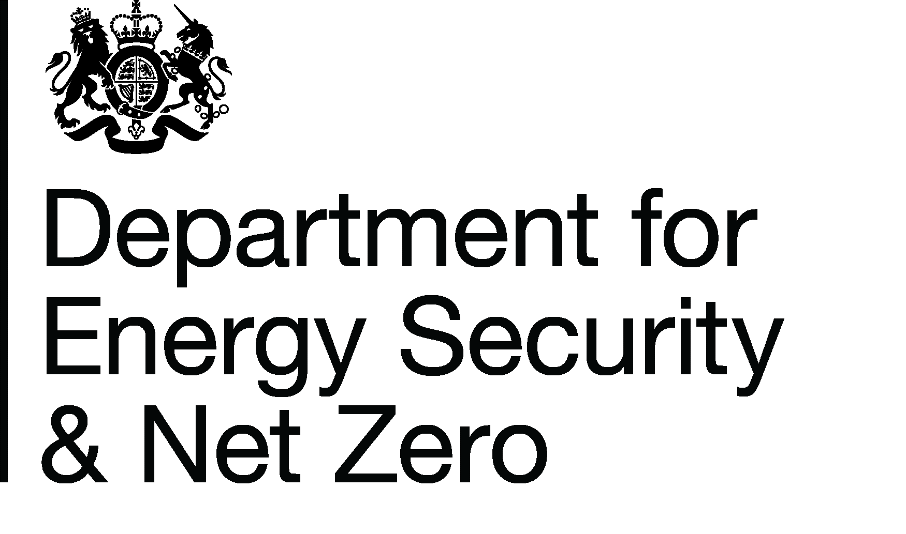
Energy Prices Domestic Prices
Average annual domestic electricity bills by home and non-home supplier
Publication date: 28/03/2024
Data period: Updated annual data for 2023
Next update: 27/06/2024
About this data
Data in these tables show annual household bills for Standard and Economy 7 electricity for UK domestic consumers.
Annual household bills data are presented by home and non-home supplier and payment type.
Data is shown in current (cash) and real terms. Real terms data has been deflated using the GDP deflator.
Bills are based on fixed consumption levels of 3,600 kWh per year for standard electricity and 5,100 kWh per year for E7, of which 2,550 kWh are off-peak.
Average bills on fixed and variable tariffs are experimental statistics calculated using the same consumption levels as in the main 2.2.1 table.
There are planned future changes to data in this table, please see the methodology tab for further details
Further information
Quarterly Energy Prices Publication (opens in a new window)
Annual domestic energy bills webpage (opens in a new window)
Domestic price statistics data sources and methodologies (opens in a new window)
Revisions policy and standards for official statistics (opens in a new window)
Digest of United Kingdom Energy Statistics (DUKES): glossary and acronyms (opens in a new window)
Contacts
Energy Prices Statistics Team
020 7215 5073
energyprices.stats@energysecurity.gov.uk
Press Office (media enquiries)
0207 215 1000
newsdesk@energysecurity.gov.uk

Charts
Charts for 2.2.1

Average UK annual domestic standard electricity bills 2023 | Average UK annual domestic economy 7 and other time of use bills 2023

 | Home suppliers | Non-home suppliers
Standard credit | 1,220 | 1,371
Direct Debit | 1,181 | 1,283
Prepayment | 1,226 | 1,284
 | Home suppliers | Non-home suppliers
Standard credit | 1,576 | 1,728
Direct debit | 1,501 | 1,604
Prepayment | 1,671 | 1,548

Return to Contents Page

